RESET output from CPLD
Reset Outputs from CPLD

CPLD Reset Output | Device | POR reset | HW reset | SW reset | SYS reset | WatchDog reset
RESET_SYS_L | 56278_SYS_RESET# | Reset | Reset | No | Reset | Reset
RESET_IPROC_L | 56278_IPROC_RESET# | Reset | Reset | No | Reset | Reset
RESET_54998_L | 2.5G PHY reset | Reset | Reset | No | Reset | Reset
RESET_54182_L | 1G PHYs reset | Reset | Reset | No | Reset | Reset
RESET_50210_L | 50210_RESET# | Reset | Reset | No | Reset | Reset
RESET_POE_L | POE_RST# | Reset | Reset | No | Reset | Reset
QSPI_RST_L | QSPI Flash Reset | Reset | Reset | No | Reset | Reset
QSFP+_RESET_1_L | QSFP+ Reset | Reset | Reset | No | Reset | Reset
QSFP+_RESET_2_L | QSFP+ Reset | Reset | Reset | No | Reset | Reset
SHIFT_REG_RESET_L | SHIFT_REG_RESET | Reset | Reset | No | Reset | Reset
RESET_PCIE_L | PCIE_PERST_L | Reset | Reset | No | Reset | Reset
Factory Reset button
CPLD
MAC(CPU)_BCM56278
DDR4
1G-PHY_BCM54182
MGMT PHY _B50210S
POE MODULE
QSPI FLASH
POR
SYS_RST_L
IP_EXT_RST_N
RESET IC
CHIP_RST_OUT_L
QSFP+*2
PCIE
SHIFT_REG
Delay 100ms
I2C0_RST#
I2C1_RST#
PUSH Button
PUSH Button_RST#
Watch Dog Timer

2.5G-PHY_BCM54998ES

Power up and Reset sequence
 | Component | VDD12V | VDD5V | VDD3V3SB | VDD3_3V | VDD3V3CLK | VDD2_5V | VDD_CORE | VDD1_2V+DDR_VTT | VDD1V | VDD1_8V | VDD1_88V | VDD0_8V_MAC | VDD_ANLG(VDD0P8) | Note
 | BCM50210S |  |  |  | 1st |  |  |  |  | 2nd |  |  |  |  | Mgmt port PHY
 | BCM56275 |  |  |  | 1st |  |  | 2nd | 3rd |  | 3rd |  | 3rd |  | MAC
 | BCM54998ES |  |  |  |  |  |  |  |  |  |  | 1st |  | 1st
 | BCM54182 * 2 |  |  |  | 1st |  |  |  |  | 2nd |  |  |  |  | 8port_ 2.5G PHY | Symbol | Description | SPEC |  |  | Design (ms) | Checked | Measured (ms)
 | OVER ALL | 0 | 0 | 0 | 1 | 1 | 1 | 2 | 3 | 3 | 3 | 3 | 3 | 3 |  |  |  | Min (ms) | Typ (ms) | Max (ms)
 |  |  |  |  |  |  |  |  |  |  |  |  |  |  |  | T1 | Ramp time for 3.3V: | 0.66 |  | 10 | 1.4 | v | 1.351
1. BCM56275 |  |  |  |  |  |  |  |  |  |  |  |  |  |  |  | T2 | Delay from start of 3.3V ramp to start of VDD_CORE ramp | 0 |  | NA | 1.4+20 | v | 22~24
 |  |  |  |  |  |  |  |  |  |  |  |  |  |  |  | T3 | Ramp time for VDD_CORE: | 0.05 |  | 10 | 1.41 | v | 1.201
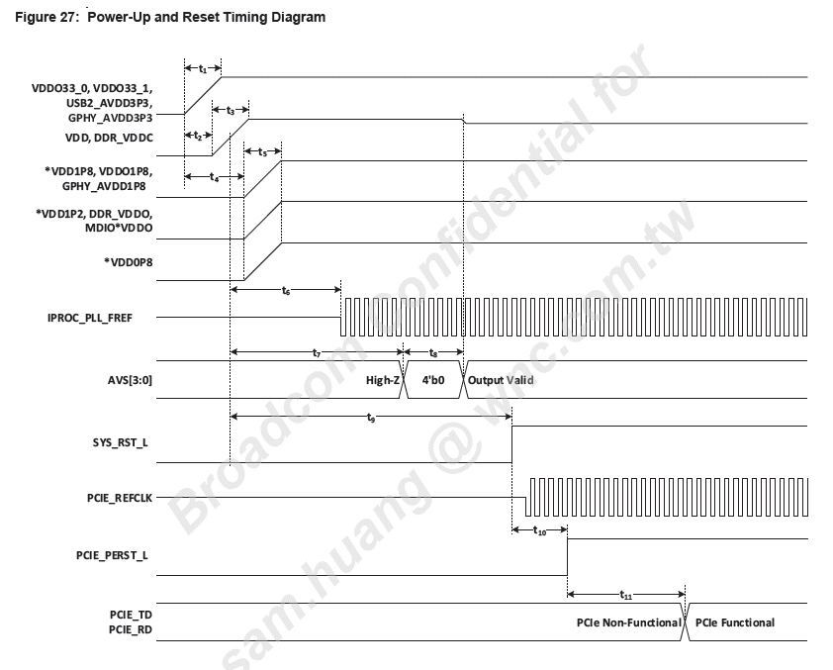
 |  |  |  |  |  |  |  |  |  |  |  |  |  |  |  |  |  |  |  |  | 1 | v | 1.317
 |  |  |  |  |  |  |  |  |  |  |  |  |  |  |  | T4 | Delay from start of 3.3V ramp to start of VDD0_8V_MAC,1.2V and 1.8V ramp | VDD_CORE reaches 0.55V |  | NA | 1.4+20+1+5 | v | 31~33
 |  |  |  |  |  |  |  |  |  |  |  |  |  |  |  | T5 | Ramp time for VDD0_8V_MAC(BCM56275) and VDD_ANLG(BCM54998ES) | 0.1 |  | 10 | 1.41 | v | 1.012
 |  |  |  |  |  |  |  |  |  |  |  |  |  |  |  |  | Ramp time for 1.0V(BCM54182,BCM54210S) |  |  |  | 2 | v
 |  |  |  |  |  |  |  |  |  |  |  |  |  |  |  |  | Ramp time for 1.2V |  |  |  | 2 | v | 2.453
 |  |  |  |  |  |  |  |  |  |  |  |  |  |  |  |  | Ramp time for 1.8V |  |  |  | 2 | v | 2.509
 |  |  |  |  |  |  |  |  |  |  |  |  |  |  |  |  | Ramp time for 1.88V(BCM54998ES) |  |  |  | 1.4 | v
 |  |  |  |  |  |  |  |  |  |  |  |  |  |  |  | T6 | VDD_CORE at 0.55V to CORE_PLL_REFCLK is stable | NA | NA | 25.6 |  | v | 8.12
 |  |  |  |  |  |  |  |  |  |  |  |  |  |  |  | PUSH BUTTON | Delay from start of 3.3V ramp to PUSH_BUTTON_RST_L release | 120 | 200 | 300 | 200 | v | 176
 |  |  |  |  |  |  |  |  |  |  |  |  |  |  |  | CPLD | Delay from PUSH BUTTON_RST_L release to SYS_RST_L release | NA | NA | NA | 80 | v | 80.55
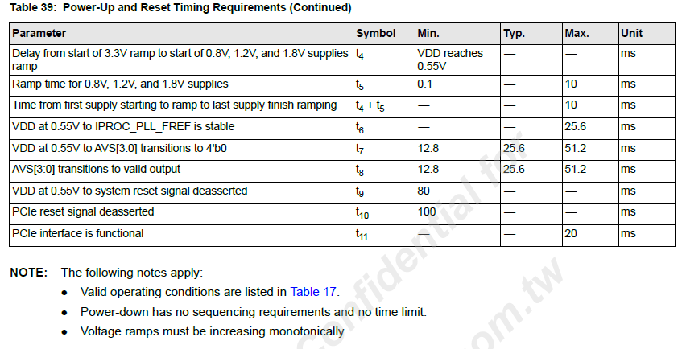
 |  |  |  |  |  |  |  |  |  |  |  |  |  |  |  | T9 | VDD_CORE at 0.55V to system reset signal deasserted | 80 | NA | NA |  | v | 235.53
 |  |  |  |  |  |  |  |  |  |  |  |  |  |  |  | T10 | PCIe reset signal deasserted | 100 | NA | NA | 100 | v | 100.82

Interrupt block diagram
CPLD
MAC(CPU)_BCM56275
CPLD_INT_L
IP_GPIO[4]
IP_GPIO[5]
IP_GPIO[6]
IP_GPIO[7]
PHY_PORTs_INT_L
PHY_INT_L
WDOG_INT_L
54210_INTRP
PHY_[0_3:12_15]_INT_L
PHY1_INT_L
TX_FAULT[1:4]
2 from 2X40G links
QSFP+_INT_[1:2]_L
PHY_[0_3:12_15] from 2.5G-PHY Ports.
PHY_1 from 1G-PHY Ports
4 from SFP28 module
POE_INT_L
ADT7476A_TEMP_INT_L
1 from VDD_CORE DCDC CHIP
VCORE_PMBUS_ALRT#
FRLOSS_[1:4]_L
FMODE0_[1:4]_L

QSFP+_MODPRS_[1:2]_L

OR
CPLD_INT_L (to MAC IP_GPIO[4])
MASK
MASK
POE_INT_L
MASK
SYS_SEL
MASK
PSU[0:1]_ALERT#
MASK
ADC128D818_[1:2]_INT#
MASK
VCORE_PMBUS_ALRT#
MASK
MASK
RPS_PRESENT_L
OR
PHY_INT_L (to MAC IP_GPIO[6])
MASK
MASK
PHY_[0_3:12_15]_INT_L
PHY_1_INT_L
OR1
PHY_PORTS_INT_L (to MAC IP_GPIO[5])
MASK
MASK
MASK
MASK
MASK
WDOG_INT_L(to MAC IP_GPIO[7]))
QSFP+_INT_[1:2]_L
QSFP+_MODPRS_[1:2]_L
ADT7476A_TEMP_INT_L

ADC128D818_[1:2]_INT#

RPS_PRESENT_L

SYS_SEL

54210_INTRP
MASK

TX_FAULT[1:4]

FRLOSS_[1:4]_L

FMODE0_[1:4]_L

I2C address
