Pin Layout
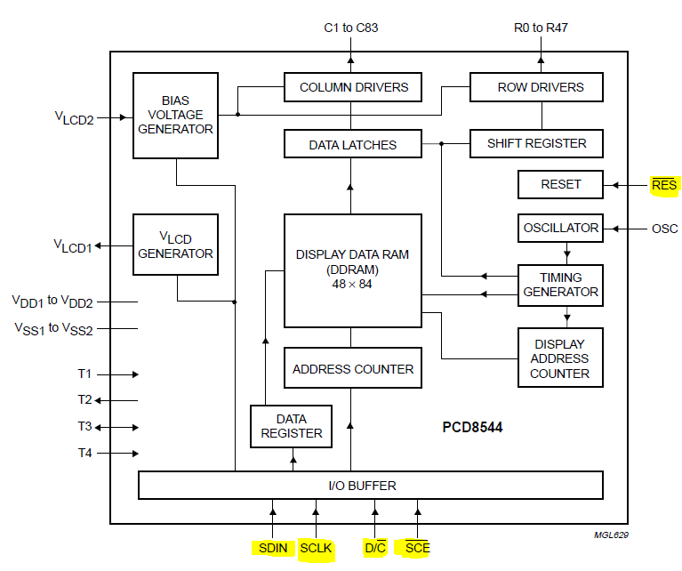
 | Port / Pin | Direction | Type | Function to do | Function Description | On device | Wire color
A | PA0
 | PA1
 | PA2 | Output | SPI / SSI | LCD Display CLK | SSI0Clk | serial clock input
 | PA3 | Output | SPI / SSI | LCD Display CE | SSI0Fss - slave select | chip enable
 | PA4 |  |  |  | SSI0Rx -whould been if we would have data from display to UC
 | PA5 | Output | SPI / SSI | LCD Display DIN | SSI0Tx | serial data input
 | PA6 | Output | GPIO for SPI / SSI | LCD Display DC | Data / Command | data / command
 | PA7 | Output | GPIO for SPI / SSI | LCD Display RST | Reset | external reset input

B | PB4
 | PB5

E | PE0
 | PE1
 | PE2
 | PE3
 | PE4 | Input | CAN0Rx |  | CAN module 0 receive.
 | PE5 | Output | CAN0Tx |  | CAN module 0 transmit.

C | PC6 | Input | Analog Comparator 0+ | - | -
 | PC7 | Input | Analog Comparator 0- | Mic input (analog) | from amplifier & filter

D | PD0 | Output | M1 PWM0 - Gen 0 | Go Back - Right motor | 50% DC
 | PD1 | Output | M1 PWM1 - Gen 0 | Go Back - Left motor | 50% DC

F | PF0 (SW 2) | Input | GPIO for Level Interrupt | Go Left | PF2 Big DC, PF3 Small DC
 | PF1 (Red LED) | Output | M1 PWM5 - Gen 2 | Normal Function LED | Toggle every second, 20% duty cycle
 | PF2 ( Blue LED) | Output | M1 PWM6 - Gen 3 | Go Forward - Right motor | x DC
 | PF3 (Green LED) | Output | M1 PWM7 - Gen 3 | Go Forward - Left motor | x DC
 | PF4 (SW1) | Input | GPIO for Level Interrupt | Go Right | PF3 Big DC, PF2 Small DC

 | Potenciometer | S | 10 kΩ
 |  | Y | 5 kΩ

 | Motor Driver | uController | Function
 | AIN1 | PF2 | Forward, right motor
 | AIN2 | PF3 | Forward, left motor
 | BIN1 | PD0 | Backward, right motor
 | BIN2 | PD1 | Backward, left motor

SW layout
Main
Call startup
code
Stop motion
in idle state

Cyclic activity Handler
Printing Handler
LCD Handler
StartUp Handler
Motion Handler
Print motor parameters
Enable / Disable
PWM for Red led
Application layer:
Set PWM Duty Cycle
for DC motors
Serve ISR

Timer Handler

Service layer:

PWM Handler
Interrupt Handler
Generate
Interrupt
GPIO Handler
SSI

Comparator Handler
Driver layer

PWM
Interrupts
Comp
GPIO
Timer
SSI
Sysctl

