Pin Layout
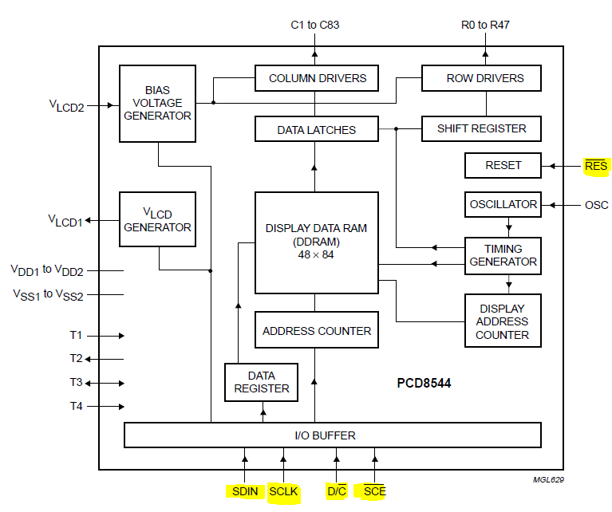
 | Port / Pin | Direction | Type | Function to do | Function Description | On device | Wire color
A | PA0
 | PA1
 | PA2 | Output - Clock | SPI / SSI | LCD Display CLK | SSI0Clk | serial clock input
 | PA3 | Output | SPI / SSI | LCD Display CE | SSI0Fss - slave select | chip enable
 | PA4 |  |  |  | SSI0Rx -whould been if we would have data from display to UC
 | PA5 | Output | SPI / SSI | LCD Display DIN | SSI0Tx | serial data input
 | PA6 | Output | GPIO | LCD Display DC | Data / Command | data / command
 | PA7 | Output | GPIO | LCD Display RST | Reset | external reset input

B | PB0 |  | UART RX | U1Rx PB0 is RxD | reserved for CC2650
 | PB1 |  | UART TX | U1Tx PB1 is TxD | reserved for CC2650
 | PB2 | Output - Clock | I2C0SCL | Accelerometer I2C clock | I2C module 0 clock. | SCL
 | PB3 | Input | I2C0SDA | Accelerometer I2C data | I2C module 0 data. | SDA
 | PB4
 | PB5
 | PB6

C | Do not use

 | PC4 | Input | Analog Comparator 1-
 | PC5 | Input | Analog Comparator 1+ | Photocell input right
 | PC6 | Input | Analog Comparator 0+ | Photocell input left
 | PC7 | Input | Analog Comparator 0- | Mic input (analog) | from amplifier & filter

D | PD0 | Output | SPI / SSI |  | SSI3Clk | serial clock input
 | PD1 | Output | SPI / SSI |  | SSI3Fss - slave select | chip enable
 | PD2 | Input | SPI / SSI |  | SSI3Rx | serial data
 | PD3 | Output | SPI / SSI |  | SSI3Tx | serial data
 | PD6 | Output | GPIO | Switch Revers - Right motor | 0 - Go Forward / 1 - Go Backward | AIN2
 | PD7 | Output | GPIO | Switch Revers - Left motor | 0 - Go Forward / 1 - Go Backward | BIN2

E | PE0 | Output | GPIO | Accelerometer chip select | High = I2C, Low = SPI | CS
 | PE1 | Input | Analog In 2 | Left photocell input | ADC1 - Sequencer 2 - Chanel 2 | S
 | PE2 | Input | Analog In 1 | Right photocell input | ADC1 - Sequencer 1 - Chanel 1 | S
 | PE3 | Input | Analog In 0 | Center photocell input (reference) | ADC1 - Sequencer 3 - Chanel 0 | S

F | PF0 (SW 2) | Input | GPIO - Level Interrupt | Go Left | PF2 Big DC, PF3 Small DC |  |  | Pull up, low level interrupt
 | PF1 (Red LED) | Output | M1 PWM5 - Gen 2 | Normal Function LED | Toggle every second, 20% duty cycle
 | PF2 ( Blue LED) | Output | M1 PWM6 - Gen 3 | PWM Right motor | x DC | AIN1
 | PF3 (Green LED) | Output | M1 PWM7 - Gen 3 | PWM Left motor | x DC | BIN1
 | PF4 (SW1) | Input | GPIO - Level Interrupt | Go Right | PF3 Big DC, PF2 Small DC |  |  | Pull up, low level interrupt

 | Potenciometer | S | 10 kΩ
 |  | Y | 5 kΩ

I2C
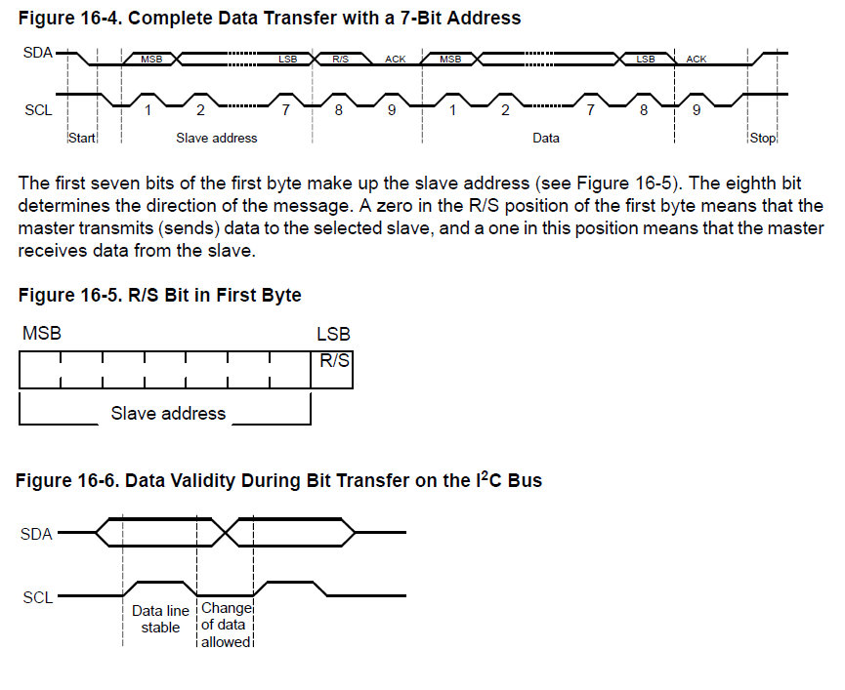
 | http://playground.arduino.cc/Main/MMA7455

MMA7455L

SINGLE BYTE WRITE
To start a write command, the Master transmits a start condition (ST) to the MMA7455L, slave address ($1D) with the R/W bit set
to “0” for a write, the MMA7455L sends an acknowledgement. Then the Master (MCU) transmits the 8-bit address of the register
to write to, and the MMA7455L sends an acknowledgement. Then the Master (or MCU) transmits the 8-bit data to write to the
designated register and the MMA7455L sends an acknowledgement that it has received the data. Since this transmission is complete,
the Master transmits a stop condition (SP) to the data transfer. The data sent to the MMA7455L is now stored in the appropriate
register. See Figure 9.

Light sensor #1
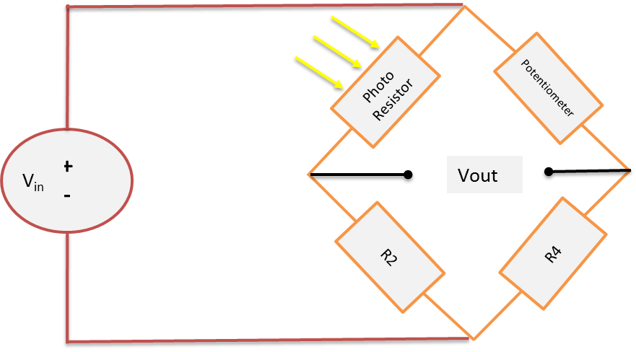
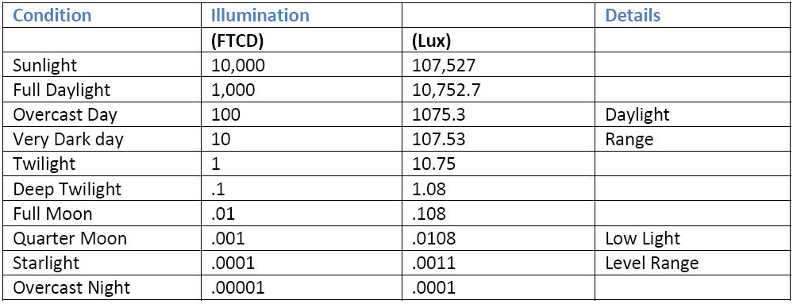
Photo resistor | 1 | kΩ | Light intensity | Photo resistor |  | Condition | Output voltage
R2 | 300 | kΩ |  | A906012 | VT93N2 |  | A906012 | VT93N2
R3 | 5 | kΩ | Lux | kΩ |  |  | V |  | Current photoresistor: A906012
R4 | 1 | kΩ | 0 | 500 | 500 | Dark | 0.6875 | 0.6875 | Alternative photoresistor: VT93N2
+
-
Photo Resistor
Potentiometer
R4
R2
V_{in}
Vout
Vin | 3.3 | V | 1 | 500 | 500 | Dark | 0.6875 | 0.6875
 |  |  | 10.75 | 24.5 | 48 | Twighlight | 2.5008474576 | 2.2948275862 | Reliable data
Vout | 2.7390365449 | V | 21.52 | 10 | 24 | ~= 2fc | 2.6435483871 | 2.5055555556 | Need measured data
 |  |  | 107.53 | 5 | 0 | Very dark day | 2.6959016393 | 2.75
Dark | Small room light | Dark day | 1075.3 | 0 | 0 | Overcast day | 2.75 | 2.75
1 Lux | 50 Lux | 100 | 10752.7 | 0 | 0 | Full daylight | 2.75 | 2.75
 |  |  | 107527 | 0 | 0 | Sunlight | 2.75 | 2.75

Light sensor #2
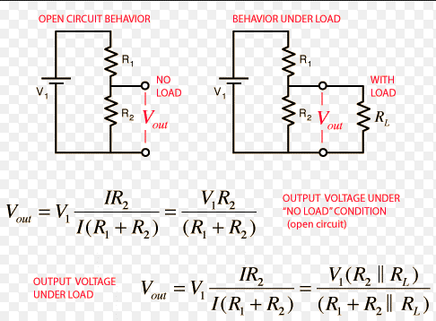
Photo resistor | 0 | kΩ | Light intensity | Photo resistor |  | Condition | Output voltage A906012 |  | Output voltage VT93N2
R2 | 0 | kΩ |  | A906012 | VT93N2 |  | Pot min | Pot max | Pot min | Pot max
Pot minimum | 0.7 | kΩ | Lux | kΩ |  |  | V |  |  |  | Current photoresistor: A906012
Pot maximum | 15 | kΩ | 0 | 500 | 500 | Dark | 0.0046135410425 | 0.096116504854 | 0.0046135410425 | 0.096116504854 | Alternative photoresistor: VT93N2
Vin | 3.3 | V | 1 | 500 | 500 | Dark | 0.0046135410425 | 0.096116504854 | 0.0046135410425 | 0.096116504854
 |  |  | 10.75 | 24.5 | 48 | Twighlight | 0.091666666667 | 1.253164557 | 0.047433264887 | 0.78571428571 | Reliable data
Vout | #DIV/0! | V | 21.52 | 10 | 24 | ~= 2fc | 0.21588785047 | 1.98 | 0.093522267206 | 1.2692307692 | Need measured data
 |  |  | 107.53 | 5 | 2 | Very dark day | 0.40526315789 | 2.475 | 0.85555555556 | 2.9117647059
Dark | Small room light | Dark day | 1075.3 | 1 | 1 | Overcast day | 1.3588235294 | 3.09375 | 1.3588235294 | 3.09375
1 Lux | 50 Lux | 100 | 10752.7 | 0 | 0 | Full daylight | 3.3 | 3.3 | 3.3 | 3.3
 |  |  | 107527 | 0 | 0 | Sunlight | 3.3 | 3.3 | 3.3 | 3.3
 |  |  |  |  |  |  | Recomended | 0 -> 10 kΩ
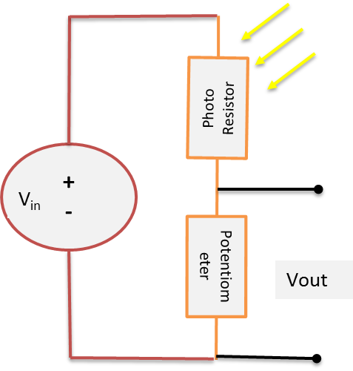
 |  |  |  |  |  |  |  |  | Recomended | 0 -> 20 kΩ
+
-
Photo Resistor
Potentiometer
V_{in}
Vout

SW layout
Main
Call startup
code
Stop motion
in idle state

Cyclic activity Handler
Printing Handler
LCD Handler
StartUp Handler
Motion Handler
Print motor parameters
Enable / Disable
PWM for Red led
Application layer:
Set PWM Duty Cycle
for DC motors
Serve ISR

Timer Handler

Service layer:

PWM Handler
Interrupt Handler
Generate
Interrupt
GPIO Handler
SSI

Comparator Handler
Driver layer

PWM
Interrupts
Comp
GPIO
Timer
SSI
Sysctl

