Top Skills
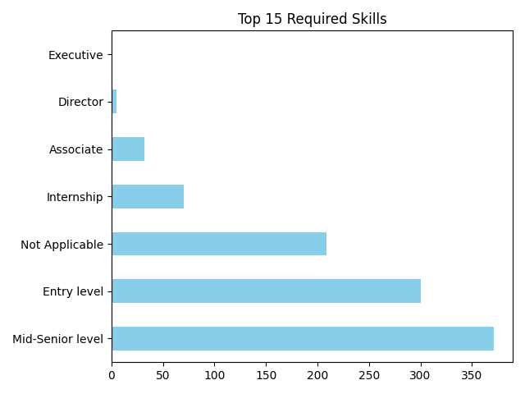
 | Count
Mid-Senior level | 371
Entry level | 300
Not Applicable | 209
Internship | 70
Associate | 32
Director | 5
Executive | 1

Wordcloud
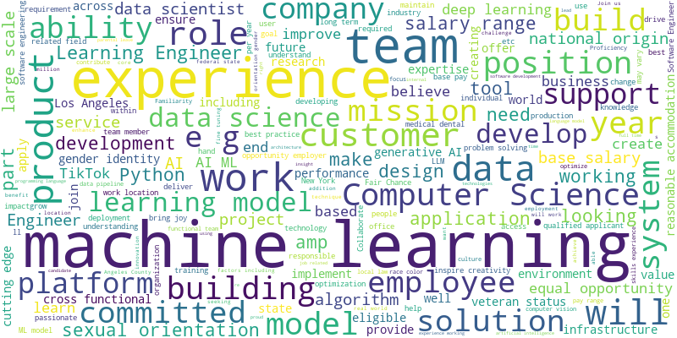

Confusion Matrix
