5A. Pagespeed
Speed & Performance

Description
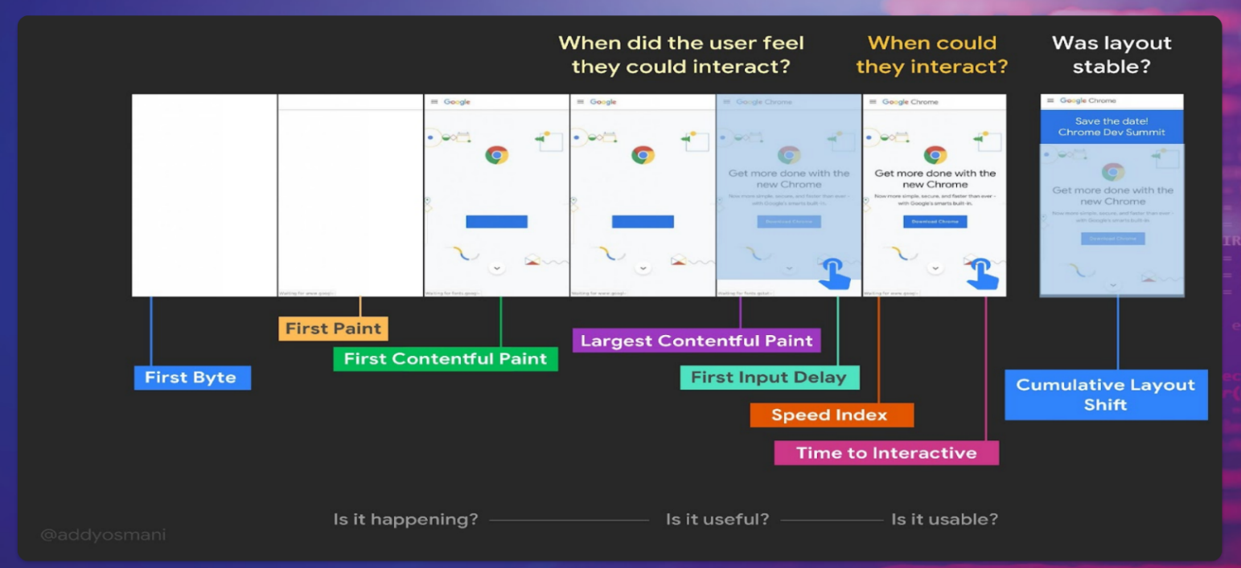 The assessment & calculation rules The speed and performance of website is an important part of the Usability of websites. This indicator measures a selection of speed and performance standards from Google's Page Speed Insights (https://pagespeed.web.dev/). For each of the indicators tresholds were defined for good performance (defined by pass) and performances that need improvement (defined as failed). The following indicators and tresholds are included: 1. First input delay is an important user-centric metric for measuring load responsiveness. How long does it take for the webpage to start processing the first user interaction?(pass < 100 ms) 2. Cumlative layout shift measures the largest burst of layout shift scores for every unexpected layout shift that occurs during the entire lifespan of a page. A layout shift occurs whenever a visible element changes its position from one rendered frame to the next. (pass < 0,1 s) 3. First contentful paint measures the time from the start of loading to when “part of the content” of the page is rendered on the user's screen. (Elements: Images, Texts, SVG, and non-white elements). It measures the time from when the page is completely blank until the first element appears on the screen (pass < 1,8 s) 4. Total blocking time is the sum of all time periods between FCP and Time to Interactive. TBT measures the amount of time the webpage was blocked, preventing the user from interacting with the page. It shows how unresponsive a page is before it becomes fully interactive ( pass < 0,3 s) 5. Largest contentful paint measures the time a website takes to show the user the largest content on the screen, complete and ready for interaction. (pass < 2.5 s ) 6. Speed index measures how quickly content is visually displayed during page load. It measures how quickly the contents of a page are visibly populated (pass < 3,4 s) 7. Time to interactive is the amount of time it takes for the page to become fully interactive. TTI is an

