Sheet1
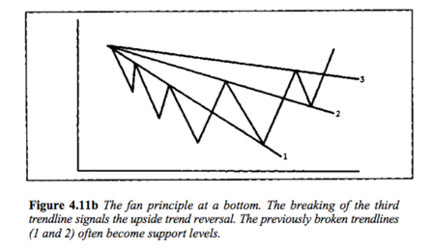
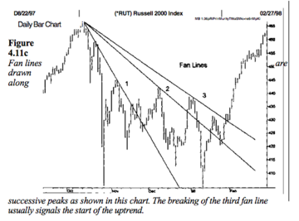
trend
s/r | The longer the period of time that prices trade in a support or resistance area, the more significant that area becomes.
 | Volume is another way to measure the significance of support and resistance.
 | A third way to determine the significance of a support or resis-tance area is how recently the trading took place.

retracement
 | Usually, a minimum retracement is about 33% and a maximum about 66% … 33-50% zone on the chart and use that price zone as a general frame of reference for buying opportunities.
 | If prices move beyond the two-thirds point, the odds then favor a trend reversal rather than just a retracement. The move usually then retraces the entire 100% of the prior trend.
 | Elliott Wave Theory and Fibonacci ratios, we will see that followers of that approach use percentage retracements of 38% and 62%. I prefer to combine both approaches for a minimum retracement zone of 33-38% and a maximum zone of 62-66%
 |  |  |  |  | The breaking of that third trendline is usually an indication that prices are headed lower. In Figure 4.11b, the breaking of the third down trendline (line 3) constitutes a newuptrend signal. Notice in these examples how previously broken support lines became resistance and resistance lines became support. The term "fan principle" derives from the appearance of the lines that gradually flatten out, resembling a fan. The important point to remember here is that the breaking of the third line is the valid trend reversal signal.
 | Reason why many spend years in trading and end up in loosing money and got rekt... .... |  |  |  | The breaking of the major trendline indicates an important change in trend. Butthe breaking of a rising channel line has exactly the opposite meaning, and signals an acceleration of the existing trend. Some traders view the clearing of the upper line in an uptrend as a reason to add to long positions.
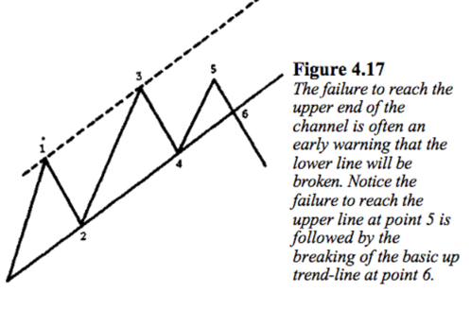
 |  |  |  |  |  |  | If prices move above a projected rising channel line by a significant amount, it usually indicates a strengthening trend. Some chartists then draw a steeper basic up trendline from the last reaction low parallel to the new channel line (as demonstrated in Figure 4.18). Often, the new steeper support line functions better than the old flatter line. Similarly, the failure of an uptrend to reach the upper end of a channel justifies the drawing of a new support line under the last reaction low parallel to the new resistance line over the past two peaks
 | And some spend even months and end up changing their life and accomplishing their dreams❤️ |  |  |  |  |  | Once a breakout occurs from an existing price channel, prices usually travel a distanceequal to the width of the channel.
 |  |  |  |  |  |  | Of the two lines, the basic trendline is by far the more important and the more reliable. The channel line is a secondary use of the trendline technique. But the use of the channel line works often enough to justify its inclusion in the chartist's toolkit.
 | #Rules ... |  |  | ability to follow your own rules is everything…

 | Trading is a fight between your mind and emotions..

 | If mind wins...you are in profits. ..

 | If emotions wins you are in losses....

 | Choice is yours✅
225
OSCILLATORS
The oscillator is extremely useful in nontrending markets where prices fluctuate in a horizontal price band, or trading range, creating a market situation where most trend-following systems simply don't work that well.
The value of the oscillator is not limited to horizontal trading ranges, however. Used in conjunction with price charts during trending phases, the oscillator becomes an extremely valuable ally by alerting the trader to short term market extremes,
commonly referred to as overbought or oversold conditions. The oscillator can also warn that a trend is losing momentum before that situation
becomes evident in the price action itself. Oscillators can signal that a trend may be nearing completion by displaying certain divergences.
The oscillator is only a secondary indicator in the sense that it must be subordinated to basic trend analysis. As we go through the various types of oscillators used by technicians, the importance of trading in the direction of the overriding market trend will be constantly stressed.
Near the beginning of important moves, oscillator analysis isn't that helpful and can even be misleading. Toward the end of market moves, however, oscillators become extremely valuable.
1.The oscillator is most useful when its value reaches an extreme reading near the upper or lower end of its boundaries. The market is said to be overbought when it is near the upper extreme and oversold when it is near the lower extreme. This warns that the price trend is overextended and vulnerable.2.A divergence between the oscillator and the price action when the oscillator is in an extreme position is usually an important warning.3.The crossing of the zero (or midpoint) line can give important trading signals in the direction of the price trend.

Momentum indicator? 230

MACD | 1.To help spot divergences.2.To help identify short term variations from the long term trend, when the shorter average moves too far above or below the longer average. Oscillators and Contrary Opinion 3. To pinpoint the crossings of the two moving averages, which occur when the oscillator crosses the zero line.
 | When the two movingaverage lines move too far apart, a market extreme is created calling for a pause in the trend. (See Figure 10.6.) Very often, the trend remains stalled until the shorter average line moves back to the longer. When the
 | shorter line approaches the longer, a critical point is reached. In an uptrend, for example, the shorter line dips back to the longer average, but should bounce off it. This usually represents an ideal buying area. It's much like the testing of an up trendline. If the shorter average crosses below the longer average, however, a trend reversal is signaled.
 | In a downtrend, a rise in the shorter average to the longer usually represents an ideal selling area unless the longer line is crossed, in which case a trend reversal signal would be registered. The relationships between the two averages can be used, therefore, not only as an excellent trend-following system, but also to help identify short term overbought and oversold conditions.

Commodity Channel Index

242

swing or breakout
 | draw fib from bottom to top of swing, if fib levels see reaction on the way down, it is more likely a breakout coming

swings
 | highest/lowest swings are always the most important
 | recency also dictates importance, but not more important than big swings
 | mid range, not very tested swings: sign of less significance
 | huge wicks signal a attempted but failed breakout, they will probably try to break out again a day or 2 later
 | reaction of a trend upwards that is contained in a small cute candle (top of range), that will hint at bigger reaction soon

momentum
 | accum/dist move market up/down respectively, but this concept CAN FAIL
 | price can move up from a lot of buying but ALSO can happen from not enough selling, same thing in reverse
 | spotting momentum
 |  | consecutively larger candles, 3 (also works with smaller ones but would mean losing obviously)
 |  | volume breaks its 20ma
 |  |  | volume on the color bars does not matter!
 |  | can be spotted on MACD
 | the longer the price ranges in a zone, the bigger the breakout will be
 | all these techniques should be used as confluence together, look at the bigger picture, it helps to ask these questions before making an action:
 |  | What was the price doing before where we are now? (ranging?)
 |  | what is the general trend on higher timeframes?
 |  | What is the current volume compared to the past?
 |  | What are the levels close to where we are at now?
 |  | Where does the volume come in?
 |  |  | coming at a weird place like in a range, could be a good indicator of momentum

dow theory
 | volume should expand or increase in the direction of the major trend. In a major uptrend, vol-ume would then increase as prices move higher, and diminish as prices fall. In a downtrend, volume should increase as prices drop and diminish asthey rally.
 | A Trend Is Assumed to Be in Effect Until It Gives Definite Signals That It Has Reversed
 | misses about 25% of moves, but is good for futures markets bc if is a good confirmation (2/3 success rate about)

reversal patterns | preliminary points
 | 1.A prerequisite for any reversal pattern is the existence of a prior trend.
 | 2.The first signal of an impending trend reversal is often the breaking of an important trendline.
 | 3.The larger the pattern, the greater the subsequent move.
 | 4.Topping patterns are usually shorter in duration and more volatile thanbottoms.
 | 5.Bottoms usually have smaller price ranges and take longer to build.6.Volume is usually more important on the upside.

fading the swing
 | only in directionless market
 | wait for price to hit bottom or top of range, then wait to see if next candle is lower to confirm it topped at the top of the range and short at the next candles close with stop at its open (or at above the 3rd swing candle?)
 | better for lower timeframes

Stop zone | find 2 equal high/lows in a range, many stops will accumulate above/below, we expect price to break the equal and stop hunt
 | higher timeframes work better
 | not tradable really, does not suggest continuation/reversal, only betters understanding
 | good to use when lookking for targets or altering stop losses |  |  |  |  | "You should never care about being right all the time"
 | doesn’t give a direction, only use it to have an idea of where the market is headed maybe
 | just to find more profit in trades, not for creating new trades
 | Knowledge is only useful if you have the understanding as well
 | concept works bc the market doesn’t like to create easy trades, and market always tries to flush out retail

trendlines | TREND IS YOUR FRIEND IS NOT A 100% RULE
 | we do not look for breaks or retests ever, break = out, these are not s/r
 | don’t alter them to fit the chart, draw a new one if it is there
 | 3 touches, higher timeframes, evenly spread
 | want to see it swing away right away, they mark SWINGS
 | still need other factors of confluence to trade these
 | most people enter on 4th touch (what most people do never works as good)
 |  | try to enter on 3RD touch, it is hard

channel
 | revisit the channel video when I find one, MUST BE EXACTLY 100% THE SAME ANGLE

trend
 | "if you don’t know what price did, how do you know what price will do"
 | "the market doesn't like everyone to participate in a trend/move"

