Demand
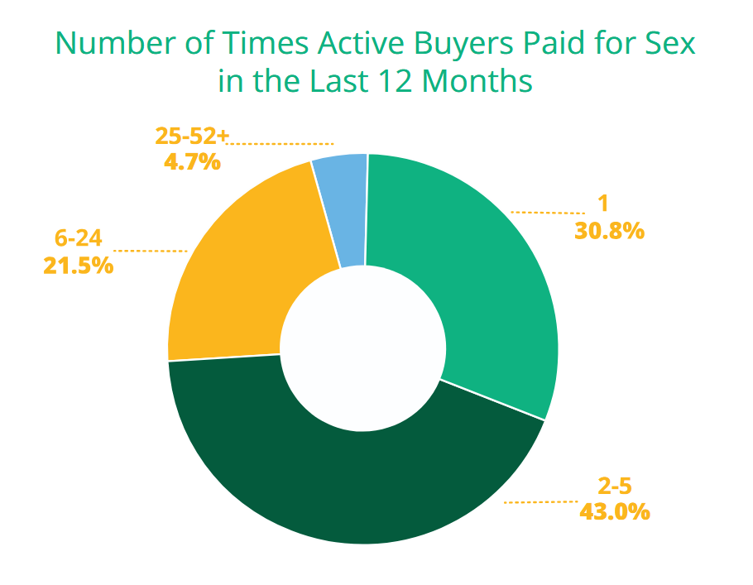
Total Annual Buyers: | 249,881.93 | Percentage | Trns. Per year | Total Trsn.
 |  | 0.308 | 1 | 76963.634
Overall Trns. Per Year: | 1,869,616.59 | 0.43 | 3.5 | 376072.3025
Overall Trns. Per Month: | 155,801.38 | 0.215 | 15 | 805869.21964
 |  | 0.047 | 52 | 610711.43343

Buyers per month: | 20,823.49
Trns. Per Buyer Per Month: | 7.48

 |  |  |  |  | Source: Demand Abolition 2019 Study

