Plots
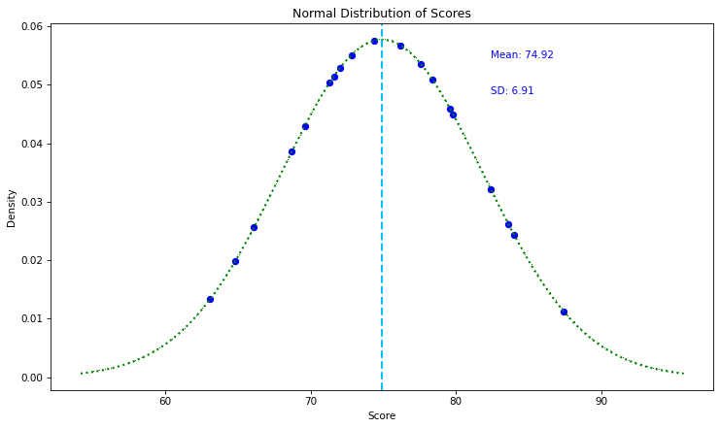
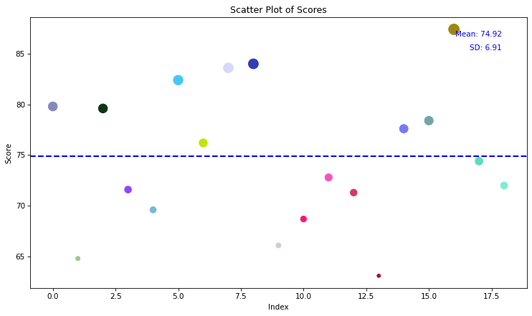

Santos Ltd.
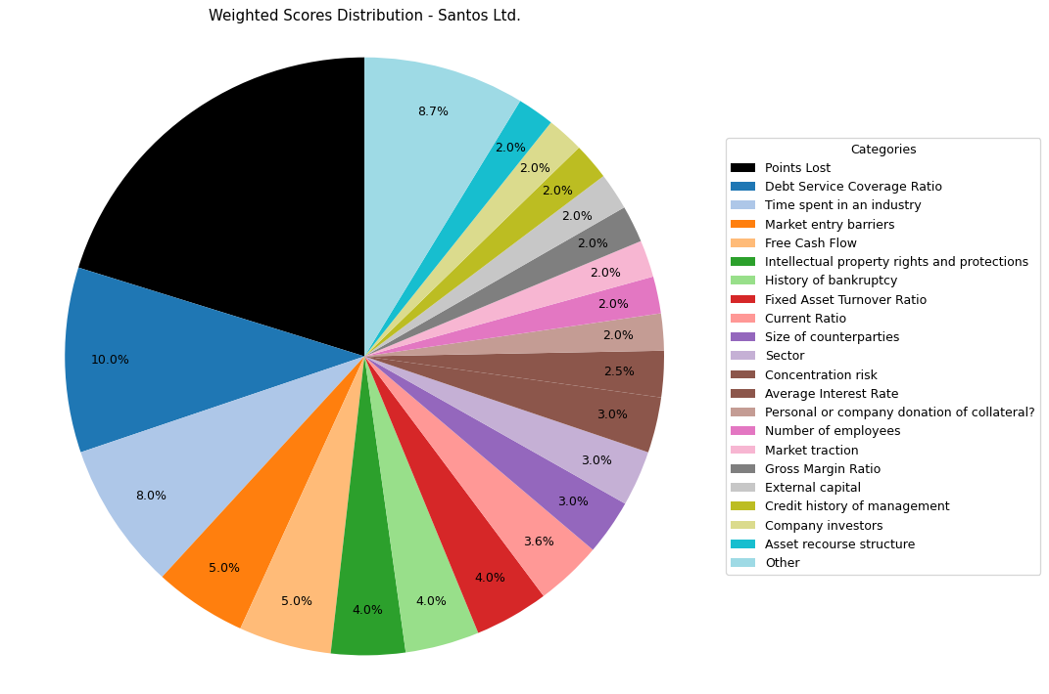
Financial Data | INPUTS | Questionnaire | Weights | Parameters | Values | Very Low Max | Max Min | Ok Max | High Max | Very High Max | Output
Total revenue | 5889000000 | What is your DSCR to date? | 10% | Debt Service Coverage Ratio | 6.3204334365 | 1 | 1.3 | 1.5 | 2 | 2.5 | 5 | 6.3204334365
EBITDA | 4083000000 | What is the free cash flow? | 5% | Free Cash Flow | 2128000000 | 0 | 100000 | 500000 | 1000000 | 2000000 | 5 | 2128000000
Operating income | 1416000000 | What is the average interest rate on debt facilities for the Company? | 3% | Average Interest Rate | 0.066 | 0.2 | 0.15 | 0.12 | 0.09 | 0.05 | 5 | 0.066 | 0.03
[Cash Flow Statement] |  | What proportion of the revenue is from gross margin? | 5% | Gross Margin Ratio | 0.24044829343 | 0.1 | 0.25 | 0.35 | 0.5 | 0.7 | 2 | 0.24044829343
Operational cash flow | 1 | What is your debt to income ratio? | 3% | Debt-to-Income | 1.0443301494 | 0.6 | 0.55 | 0.5 | 0.45 | 0.4 | 1 | 1.0443301494
Capital expenditure | 1 | What's the current ratio? | 6% | Current Ratio | 1.4745590231 | 0.5 | 1 | 1.5 | 2 | 2.5 | 3 | 1.4745590231
Debt service | 646000000 | What proportion of debt to equity | 4% | Debt to Equity | 0.094801963993 | 0.035 | 0.03 | 0.02 | 0.015 | 0.01 | 1 | 0.094801963993
[Balance Sheet] |  | How much of the capital is coming from external sources? | 2% | External capital | 1 | 0.1 | 0.2 | 0.5 | 0.6 | 0.8 | 5
Total current assets | 4347000000 | What's the revenue growth rate of the company? | 6% | Revenue growth rate annually | 0 | 0 | 0.05 | 0.1 | 0.15 | 0.2 | 1
Total assets | 29756000000 | How much of your investors are company insiders? | 2% | Company investors | 5 | 1 | 2 | 3 | 4 | 5 | 5
Total current liabilities | 2948000000 | Is the market very competitive or is it newer and less monopolized? | 5% | Market entry barriers | 5 | 1 | 2 | 3 | 4 | 5 | 5
Total liabilities | 14481000000 | How much of the Companies revenues are tied to Commodity Prices? | 3% | Commodity Price Risk | 1 | 1 | 2 | 3 | 4 | 5 | 1
Total equity | 152750000000 | What potential are there for changes in levies and taxes on production? | 2% | Industry-related government policy | 3 | 1 | 2 | 3 | 4 | 5 | 3
Total debt | 4264000000 | What segment of the market is the company a part of? | 3% | Sector | 5 | 1 | 2 | 3 | 4 | 5 | 5
 |  | What traction to date has the company gained | 2% | Market traction | 5 | 1 | 2 | 3 | 4 | 5 | 5
 |  | Do management have any personal history of default? | 2% | Credit history of management | 5 | 1 | 2 | 3 | 4 | 5 | 5
 |  | Does the Company have IP rights and trademarks secured? | 4% | Intellectual property rights and protections | 5 | 1 | 2 | 3 | 4 | 5 | 5
 |  | How long have management spent working in the industry of the Companies chosen field? | 8% | Time spent in an industry | 5 | 1 | 2 | 3 | 4 | 5 | 5
 |  | Have any of the Directors been bankrupt at any point in time? | 4% | History of bankruptcy | 5 | 1 | 2 | 3 | 4 | 5 | 5
 |  | How many employees work for the company? | 2% | Number of employees | 5 | 1 | 2 | 3 | 4 | 5 | 5
 |  | How big are the counterparties that they're working with? | 3% | Size of counterparties | 5 | 1 | 2 | 3 | 4 | 5 | 5
 |  | Amount of counterparties? | 3% | Concentration risk | 5 | 1 | 2 | 3 | 4 | 5 | 5
 |  | How long will a PPA last and is the agreement solidified? | 2% | Stability of PPAs (where relevant) | 1 | 1 | 2 | 3 | 4 | 5 | 1
 |  | Has the counterparty been in good credit standing? | 1% | Credit history of counterparty | 5 | 1 | 2 | 3 | 4 | 5 | 5
 |  | Is there any significant financial news on the counterparty that would indicate a risk? | 1% | Relevant news on the company (counterparty) | 5 | 1 | 2 | 3 | 4 | 5 | 5
 |  | What is the fixed asset turnover ratio? | 4% | Fixed Asset Turnover Ratio | 5 | 1 | 2 | 3 | 4 | 5 | 5
 |  | Is there any collateral that has/is been pledged elsewhere and is there more available? | 1% | Existing collateral obligations | 5 | 1 | 2 | 3 | 4 | 5 | 5
 |  | Is there an established system of recourse in the event of default? | 2% | Asset recourse structure | 5 | 1 | 2 | 3 | 4 | 5 | 5
 |  | Is the collateral coming from the companies assets or is it less organized and coming from an individual? | 2% | Personal or company donation of collateral? | 5 | 1 | 2 | 3 | 4 | 5 | 5
 |  | Is the collateral readily available in the case of default? | 1% | Description/Location of Collateral | 5 | 1 | 2 | 3 | 4 | 5 | 5

 |  |  |  | Final Score: |  |  |  |  |  |  | 79.8

Paladin Energy Ltd.
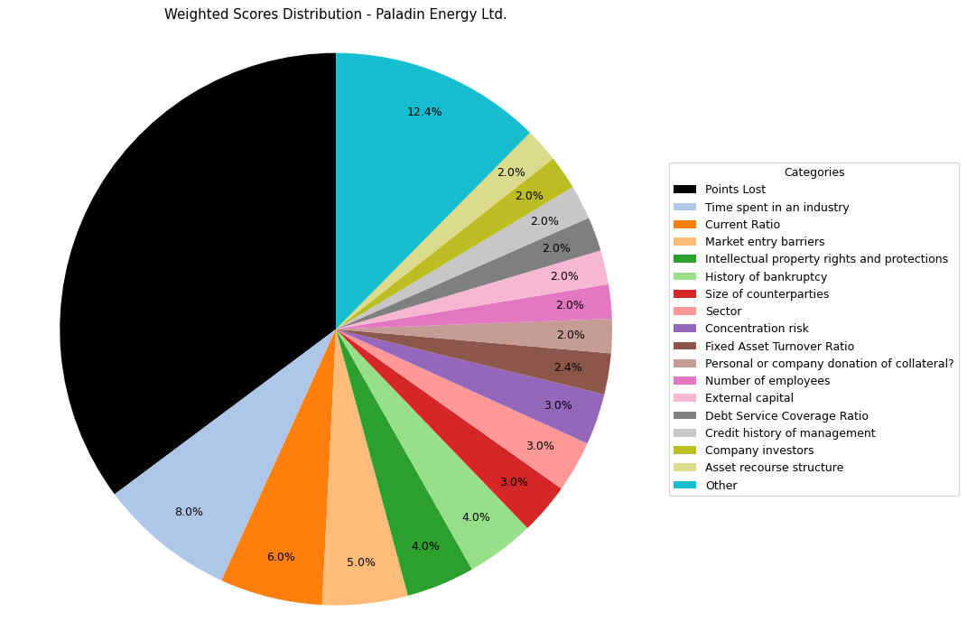
Financial Data | INPUTS | Questionnaire | Weights | Parameters | Values | Very Low Max | Max Min | Ok Max | High Max | Very High Max | Output
Total revenue | 0 | What is your DSCR to date? | 10% | Debt Service Coverage Ratio | 0 | 1 | 1.3 | 1.5 | 2 | 2.5 | 1 | 0
EBITDA | 0 | What is the free cash flow? | 5% | Free Cash Flow | -48974000 | 0 | 100000 | 500000 | 1000000 | 2000000 | 1 | -48974000
Operating income | 0 | What is the average interest rate on debt facilities for the Company? | 3% | Average Interest Rate | 0.2 | 0.2 | 0.15 | 0.12 | 0.09 | 0.05 | 1 | 0.15 | 0.03
[Cash Flow Statement] |  | What proportion of the revenue is from gross margin? | 5% | Gross Margin Ratio | 0 | 0.1 | 0.25 | 0.35 | 0.5 | 0.7 | 1 | 0
Operational cash flow | -9375000 | What is your debt to income ratio? | 3% | Debt-to-Income | 100 | 0.6 | 0.55 | 0.5 | 0.45 | 0.4 | 1 | 100
Capital expenditure | -39599000 | What's the current ratio? | 6% | Current Ratio | 15.522641903 | 0.5 | 1 | 1.5 | 2 | 2.5 | 5 | 15.522641903
Debt service | 1 | What proportion of debt to equity | 4% | Debt to Equity | 0.41172661183 | 0.035 | 0.03 | 0.02 | 0.015 | 0.01 | 1 | 0.41172661183
[Balance Sheet] |  | How much of the capital is coming from external sources? | 2% | External capital | 1 | 0.1 | 0.2 | 0.5 | 0.6 | 0.8 | 5
Total current assets | 148769000 | What's the revenue growth rate of the company? | 6% | Revenue growth rate annually | 0 | 0 | 0.05 | 0.1 | 0.15 | 0.2 | 1
Total assets | 473047000 | How much of your investors are company insiders? | 2% | Company investors | 5 | 1 | 2 | 3 | 4 | 5 | 5
Total current liabilities | 9584000 | Is the market very competitive or is it newer and less monopolized? | 5% | Market entry barriers | 5 | 1 | 2 | 3 | 4 | 5 | 5
Total liabilities | 137963000 | How much of the Companies revenues are tied to Commodity Prices? | 3% | Commodity Price Risk | 1 | 1 | 2 | 3 | 4 | 5 | 1
Total equity | 335084000 | What potential are there for changes in levies and taxes on production? | 2% | Industry-related government policy | 3 | 1 | 2 | 3 | 4 | 5 | 3
Total debt | 1 | What segment of the market is the company a part of? | 3% | Sector | 5 | 1 | 2 | 3 | 4 | 5 | 5
 |  | What traction to date has the company gained | 2% | Market traction | 3 | 1 | 2 | 3 | 4 | 5 | 3
 |  | Do management have any personal history of default? | 2% | Credit history of management | 5 | 1 | 2 | 3 | 4 | 5 | 5
 |  | Does the Company have IP rights and trademarks secured? | 4% | Intellectual property rights and protections | 5 | 1 | 2 | 3 | 4 | 5 | 5
 |  | How long have management spent working in the industry of the Companies chosen field? | 8% | Time spent in an industry | 5 | 1 | 2 | 3 | 4 | 5 | 5
 |  | Have any of the Directors been bankrupt at any point in time? | 4% | History of bankruptcy | 5 | 1 | 2 | 3 | 4 | 5 | 5
 |  | How many employees work for the company? | 2% | Number of employees | 5 | 1 | 2 | 3 | 4 | 5 | 5
 |  | How big are the counterparties that they're working with? | 3% | Size of counterparties | 5 | 1 | 2 | 3 | 4 | 5 | 5
 |  | Amount of counterparties? | 3% | Concentration risk | 5 | 1 | 2 | 3 | 4 | 5 | 5
 |  | How long will a PPA last and is the agreement solidified? | 2% | Stability of PPAs (where relevant) | 1 | 1 | 2 | 3 | 4 | 5 | 1
 |  | Has the counterparty been in good credit standing? | 1% | Credit history of counterparty | 5 | 1 | 2 | 3 | 4 | 5 | 5
 |  | Is there any significant financial news on the counterparty that would indicate a risk? | 1% | Relevant news on the company (counterparty) | 5 | 1 | 2 | 3 | 4 | 5 | 5
 |  | What is the fixed asset turnover ratio? | 4% | Fixed Asset Turnover Ratio | 3 | 1 | 2 | 3 | 4 | 5 | 3
 |  | Is there any collateral that has/is been pledged elsewhere and is there more available? | 1% | Existing collateral obligations | 5 | 1 | 2 | 3 | 4 | 5 | 5
 |  | Is there an established system of recourse in the event of default? | 2% | Asset recourse structure | 5 | 1 | 2 | 3 | 4 | 5 | 5
 |  | Is the collateral coming from the companies assets or is it less organized and coming from an individual? | 2% | Personal or company donation of collateral? | 5 | 1 | 2 | 3 | 4 | 5 | 5
 |  | Is the collateral readily available in the case of default? | 1% | Description/Location of Collateral | 5 | 1 | 2 | 3 | 4 | 5 | 5

 |  |  |  | Final Score: |  |  |  |  |  |  | 64.8

Boss Energy Ltd.
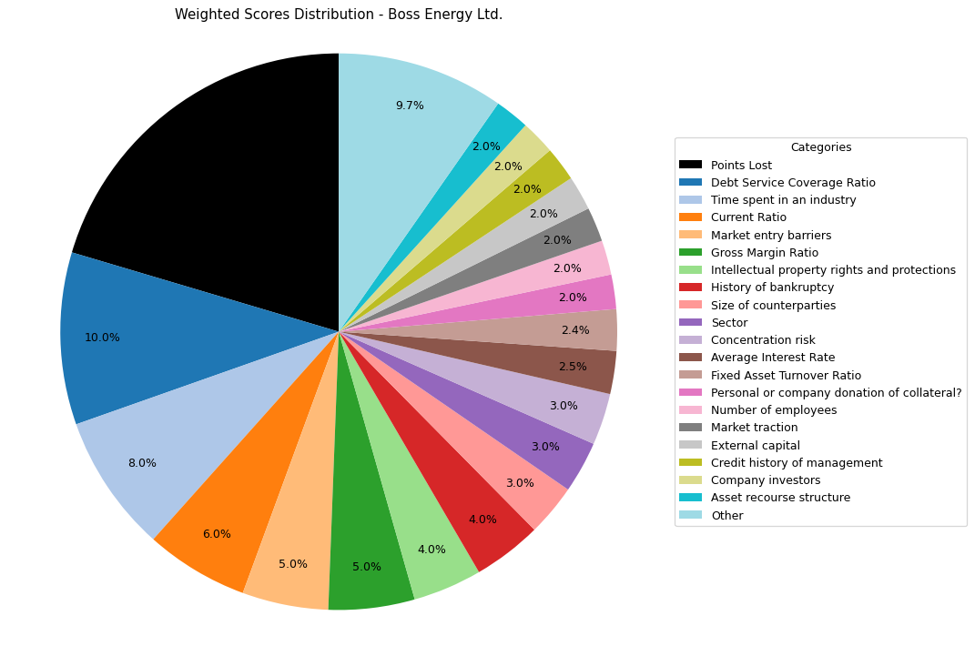
Financial Data | INPUTS | Questionnaire | Weights | Parameters | Values | Very Low Max | Max Min | Ok Max | High Max | Very High Max | Output
Total revenue | 19000000 | What is your DSCR to date? | 10% | Debt Service Coverage Ratio | 6.8977460143 | 1 | 1.3 | 1.5 | 2 | 2.5 | 5 | 6.8977460143
EBITDA | 12547000 | What is the free cash flow? | 5% | Free Cash Flow | -43537000 | 0 | 100000 | 500000 | 1000000 | 2000000 | 1 | -43537000
Operating income | 12547000 | What is the average interest rate on debt facilities for the Company? | 3% | Average Interest Rate | 0.03 | 0.2 | 0.15 | 0.12 | 0.09 | 0.05 | 5 | 0.03 | 0.03
[Cash Flow Statement] |  | What proportion of the revenue is from gross margin? | 5% | Gross Margin Ratio | 0.66036842105 | 0.1 | 0.25 | 0.35 | 0.5 | 0.7 | 5 | 0.66036842105
Operational cash flow | -3537000 | What is your debt to income ratio? | 3% | Debt-to-Income | 0.90555511278 | 0.6 | 0.55 | 0.5 | 0.45 | 0.4 | 1 | 0.90555511278
Capital expenditure | 40000000 | What's the current ratio? | 6% | Current Ratio | 11.665641814 | 0.5 | 1 | 1.5 | 2 | 2.5 | 5 | 11.665641814
Debt service | 1819000 | What proportion of debt to equity | 4% | Debt to Equity | 0.067714419024 | 0.035 | 0.03 | 0.02 | 0.015 | 0.01 | 1 | 0.067714419024
[Balance Sheet] |  | How much of the capital is coming from external sources? | 2% | External capital | 1 | 0.1 | 0.2 | 0.5 | 0.6 | 0.8 | 5
Total current assets | 91062000 | What's the revenue growth rate of the company? | 6% | Revenue growth rate annually | 0 | 0 | 0.05 | 0.1 | 0.15 | 0.2 | 1
Total assets | 267739000 | How much of your investors are company insiders? | 2% | Company investors | 5 | 1 | 2 | 3 | 4 | 5 | 5
Total current liabilities | 7806000 | Is the market very competitive or is it newer and less monopolized? | 5% | Market entry barriers | 5 | 1 | 2 | 3 | 4 | 5 | 5
Total liabilities | 16980000 | How much of the Companies revenues are tied to Commodity Prices? | 3% | Commodity Price Risk | 1 | 1 | 2 | 3 | 4 | 5 | 1
Total equity | 250759000 | What potential are there for changes in levies and taxes on production? | 2% | Industry-related government policy | 3 | 1 | 2 | 3 | 4 | 5 | 3
Total debt |  | What segment of the market is the company a part of? | 3% | Sector | 5 | 1 | 2 | 3 | 4 | 5 | 5
 |  | What traction to date has the company gained | 2% | Market traction | 5 | 1 | 2 | 3 | 4 | 5 | 5
 |  | Do management have any personal history of default? | 2% | Credit history of management | 5 | 1 | 2 | 3 | 4 | 5 | 5
 |  | Does the Company have IP rights and trademarks secured? | 4% | Intellectual property rights and protections | 5 | 1 | 2 | 3 | 4 | 5 | 5
 |  | How long have management spent working in the industry of the Companies chosen field? | 8% | Time spent in an industry | 5 | 1 | 2 | 3 | 4 | 5 | 5
 |  | Have any of the Directors been bankrupt at any point in time? | 4% | History of bankruptcy | 5 | 1 | 2 | 3 | 4 | 5 | 5
 |  | How many employees work for the company? | 2% | Number of employees | 5 | 1 | 2 | 3 | 4 | 5 | 5
 |  | How big are the counterparties that they're working with? | 3% | Size of counterparties | 5 | 1 | 2 | 3 | 4 | 5 | 5
 |  | Amount of counterparties? | 3% | Concentration risk | 5 | 1 | 2 | 3 | 4 | 5 | 5
 |  | How long will a PPA last and is the agreement solidified? | 2% | Stability of PPAs (where relevant) | 1 | 1 | 2 | 3 | 4 | 5 | 1
 |  | Has the counterparty been in good credit standing? | 1% | Credit history of counterparty | 5 | 1 | 2 | 3 | 4 | 5 | 5
 |  | Is there any significant financial news on the counterparty that would indicate a risk? | 1% | Relevant news on the company (counterparty) | 5 | 1 | 2 | 3 | 4 | 5 | 5
 |  | What is the fixed asset turnover ratio? | 4% | Fixed Asset Turnover Ratio | 3 | 1 | 2 | 3 | 4 | 5 | 3
 |  | Is there any collateral that has/is been pledged elsewhere and is there more available? | 1% | Existing collateral obligations | 5 | 1 | 2 | 3 | 4 | 5 | 5
 |  | Is there an established system of recourse in the event of default? | 2% | Asset recourse structure | 5 | 1 | 2 | 3 | 4 | 5 | 5
 |  | Is the collateral coming from the companies assets or is it less organized and coming from an individual? | 2% | Personal or company donation of collateral? | 5 | 1 | 2 | 3 | 4 | 5 | 5
 |  | Is the collateral readily available in the case of default? | 1% | Description/Location of Collateral | 5 | 1 | 2 | 3 | 4 | 5 | 5

 |  |  |  | Final Score: |  |  |  |  |  |  | 79.6

Seven Group Holdings Ltd.
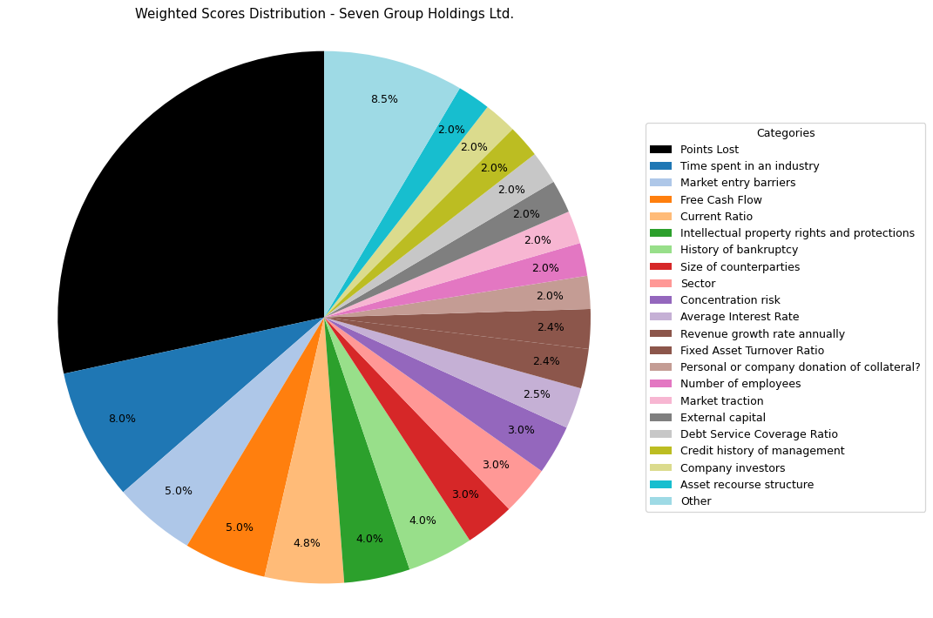
Financial Data | INPUTS | Questionnaire | Weights | Parameters | Values | Very Low Max | Max Min | Ok Max | High Max | Very High Max | Output
Total revenue | 9626500000 | What is your DSCR to date? | 10% | Debt Service Coverage Ratio | 0.49688010386 | 1 | 1.3 | 1.5 | 2 | 2.5 | 1 | 0.49688010386
EBITDA | 1186500000 | What is the free cash flow? | 5% | Free Cash Flow | 627600000 | 0 | 100000 | 500000 | 1000000 | 2000000 | 5 | 627600000
Operating income | 702900000 | What is the average interest rate on debt facilities for the Company? | 3% | Average Interest Rate | 0.06 | 0.2 | 0.15 | 0.12 | 0.09 | 0.05 | 5 | 0.06 | 0.03
[Cash Flow Statement] |  | What proportion of the revenue is from gross margin? | 5% | Gross Margin Ratio | 0.073017192126 | 0.1 | 0.25 | 0.35 | 0.5 | 0.7 | 1 | 0.073017192126
Operational cash flow | 1193600000 | What is your debt to income ratio? | 3% | Debt-to-Income | 0.84281500211 | 0.6 | 0.55 | 0.5 | 0.45 | 0.4 | 1 | 0.84281500211
Capital expenditure | 566000000 | What's the current ratio? | 6% | Current Ratio | 1.6813251824 | 0.5 | 1 | 1.5 | 2 | 2.5 | 4 | 1.6813251824
Debt service | 2387900000 | What proportion of debt to equity | 4% | Debt to Equity | 1.9531341408 | 0.035 | 0.03 | 0.02 | 0.015 | 0.01 | 1 | 1.9531341408
[Balance Sheet] |  | How much of the capital is coming from external sources? | 2% | External capital | 1 | 0.1 | 0.2 | 0.5 | 0.6 | 0.8 | 5
Total current assets | 4263000000 | What's the revenue growth rate of the company? | 6% | Revenue growth rate annually | 0.05 | 0 | 0.05 | 0.1 | 0.15 | 0.2 | 2
Total assets | 13629900000 | How much of your investors are company insiders? | 2% | Company investors | 5 | 1 | 2 | 3 | 4 | 5 | 5
Total current liabilities | 2535500000 | Is the market very competitive or is it newer and less monopolized? | 5% | Market entry barriers | 5 | 1 | 2 | 3 | 4 | 5 | 5
Total liabilities | 9014300000 | How much of the Companies revenues are tied to Commodity Prices? | 3% | Commodity Price Risk | 1 | 1 | 2 | 3 | 4 | 5 | 1
Total equity | 4615300000 | What potential are there for changes in levies and taxes on production? | 2% | Industry-related government policy | 3 | 1 | 2 | 3 | 4 | 5 | 3
Total debt | 1000000000 | What segment of the market is the company a part of? | 3% | Sector | 5 | 1 | 2 | 3 | 4 | 5 | 5
 |  | What traction to date has the company gained | 2% | Market traction | 5 | 1 | 2 | 3 | 4 | 5 | 5
 |  | Do management have any personal history of default? | 2% | Credit history of management | 5 | 1 | 2 | 3 | 4 | 5 | 5
 |  | Does the Company have IP rights and trademarks secured? | 4% | Intellectual property rights and protections | 5 | 1 | 2 | 3 | 4 | 5 | 5
 |  | How long have management spent working in the industry of the Companies chosen field? | 8% | Time spent in an industry | 5 | 1 | 2 | 3 | 4 | 5 | 5
 |  | Have any of the Directors been bankrupt at any point in time? | 4% | History of bankruptcy | 5 | 1 | 2 | 3 | 4 | 5 | 5
 |  | How many employees work for the company? | 2% | Number of employees | 5 | 1 | 2 | 3 | 4 | 5 | 5
 |  | How big are the counterparties that they're working with? | 3% | Size of counterparties | 5 | 1 | 2 | 3 | 4 | 5 | 5
 |  | Amount of counterparties? | 3% | Concentration risk | 5 | 1 | 2 | 3 | 4 | 5 | 5
 |  | How long will a PPA last and is the agreement solidified? | 2% | Stability of PPAs (where relevant) | 1 | 1 | 2 | 3 | 4 | 5 | 1
 |  | Has the counterparty been in good credit standing? | 1% | Credit history of counterparty | 5 | 1 | 2 | 3 | 4 | 5 | 5
 |  | Is there any significant financial news on the counterparty that would indicate a risk? | 1% | Relevant news on the company (counterparty) | 5 | 1 | 2 | 3 | 4 | 5 | 5
 |  | What is the fixed asset turnover ratio? | 4% | Fixed Asset Turnover Ratio | 3 | 1 | 2 | 3 | 4 | 5 | 3
 |  | Is there any collateral that has/is been pledged elsewhere and is there more available? | 1% | Existing collateral obligations | 5 | 1 | 2 | 3 | 4 | 5 | 5
 |  | Is there an established system of recourse in the event of default? | 2% | Asset recourse structure | 5 | 1 | 2 | 3 | 4 | 5 | 5
 |  | Is the collateral coming from the companies assets or is it less organized and coming from an individual? | 2% | Personal or company donation of collateral? | 5 | 1 | 2 | 3 | 4 | 5 | 5
 |  | Is the collateral readily available in the case of default? | 1% | Description/Location of Collateral | 5 | 1 | 2 | 3 | 4 | 5 | 5

 |  |  |  | Final Score: |  |  |  |  |  |  | 71.6

Liontown Resources
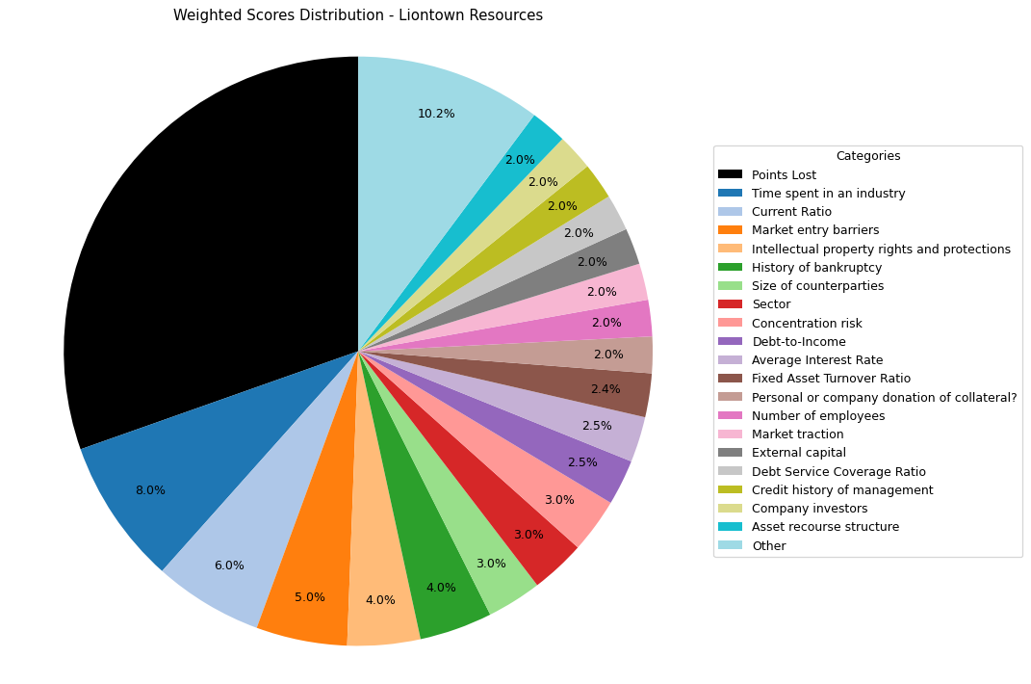
Financial Data | INPUTS | Questionnaire | Weights | Parameters | Values | Very Low Max | Max Min | Ok Max | High Max | Very High Max | Output
Total revenue | 496000 | What is your DSCR to date? | 10% | Debt Service Coverage Ratio | -0.29288492256 | 1 | 1.3 | 1.5 | 2 | 2.5 | 1 | -0.29288492256
EBITDA | -33738000 | What is the free cash flow? | 5% | Free Cash Flow | -327352000 | 0 | 100000 | 500000 | 1000000 | 2000000 | 1 | -327352000
Operating income | -21881000 | What is the average interest rate on debt facilities for the Company? | 3% | Average Interest Rate | 0.01 | 0.2 | 0.15 | 0.12 | 0.09 | 0.05 | 5 | 0.01 | 0.03
[Cash Flow Statement] |  | What proportion of the revenue is from gross margin? | 5% | Gross Margin Ratio | -44.114919355 | 0.1 | 0.25 | 0.35 | 0.5 | 0.7 | 1 | -44.114919355
Operational cash flow | -16352000 | What is your debt to income ratio? | 3% | Debt-to-Income | -3.4155551604 | 0.6 | 0.55 | 0.5 | 0.45 | 0.4 | 5 | -3.4155551604
Capital expenditure | 311000000 | What's the current ratio? | 6% | Current Ratio | 4.275862069 | 0.5 | 1 | 1.5 | 2 | 2.5 | 5 | 4.275862069
Debt service | 115192000 | What proportion of debt to equity | 4% | Debt to Equity | 0.45675685291 | 0.035 | 0.03 | 0.02 | 0.015 | 0.01 | 1 | 0.45675685291
[Balance Sheet] |  | How much of the capital is coming from external sources? | 2% | External capital | 1 | 0.1 | 0.2 | 0.5 | 0.6 | 0.8 | 5
Total current assets | 324260000 | What's the revenue growth rate of the company? | 6% | Revenue growth rate annually | 0 | 0 | 0.05 | 0.1 | 0.15 | 0.2 | 1
Total assets | 655156000 | How much of your investors are company insiders? | 2% | Company investors | 5 | 1 | 2 | 3 | 4 | 5 | 5
Total current liabilities | 75835000 | Is the market very competitive or is it newer and less monopolized? | 5% | Market entry barriers | 5 | 1 | 2 | 3 | 4 | 5 | 5
Total liabilities | 205420000 | How much of the Companies revenues are tied to Commodity Prices? | 3% | Commodity Price Risk | 1 | 1 | 2 | 3 | 4 | 5 | 1
Total equity | 449736000 | What potential are there for changes in levies and taxes on production? | 2% | Industry-related government policy | 3 | 1 | 2 | 3 | 4 | 5 | 3
Total debt |  | What segment of the market is the company a part of? | 3% | Sector | 5 | 1 | 2 | 3 | 4 | 5 | 5
 |  | What traction to date has the company gained | 2% | Market traction | 5 | 1 | 2 | 3 | 4 | 5 | 5
 |  | Do management have any personal history of default? | 2% | Credit history of management | 5 | 1 | 2 | 3 | 4 | 5 | 5
 |  | Does the Company have IP rights and trademarks secured? | 4% | Intellectual property rights and protections | 5 | 1 | 2 | 3 | 4 | 5 | 5
 |  | How long have management spent working in the industry of the Companies chosen field? | 8% | Time spent in an industry | 5 | 1 | 2 | 3 | 4 | 5 | 5
 |  | Have any of the Directors been bankrupt at any point in time? | 4% | History of bankruptcy | 5 | 1 | 2 | 3 | 4 | 5 | 5
 |  | How many employees work for the company? | 2% | Number of employees | 5 | 1 | 2 | 3 | 4 | 5 | 5
 |  | How big are the counterparties that they're working with? | 3% | Size of counterparties | 5 | 1 | 2 | 3 | 4 | 5 | 5
 |  | Amount of counterparties? | 3% | Concentration risk | 5 | 1 | 2 | 3 | 4 | 5 | 5
 |  | How long will a PPA last and is the agreement solidified? | 2% | Stability of PPAs (where relevant) | 1 | 1 | 2 | 3 | 4 | 5 | 1
 |  | Has the counterparty been in good credit standing? | 1% | Credit history of counterparty | 5 | 1 | 2 | 3 | 4 | 5 | 5
 |  | Is there any significant financial news on the counterparty that would indicate a risk? | 1% | Relevant news on the company (counterparty) | 5 | 1 | 2 | 3 | 4 | 5 | 5
 |  | What is the fixed asset turnover ratio? | 4% | Fixed Asset Turnover Ratio | 3 | 1 | 2 | 3 | 4 | 5 | 3
 |  | Is there any collateral that has/is been pledged elsewhere and is there more available? | 1% | Existing collateral obligations | 5 | 1 | 2 | 3 | 4 | 5 | 5
 |  | Is there an established system of recourse in the event of default? | 2% | Asset recourse structure | 5 | 1 | 2 | 3 | 4 | 5 | 5
 |  | Is the collateral coming from the companies assets or is it less organized and coming from an individual? | 2% | Personal or company donation of collateral? | 5 | 1 | 2 | 3 | 4 | 5 | 5
 |  | Is the collateral readily available in the case of default? | 1% | Description/Location of Collateral | 5 | 1 | 2 | 3 | 4 | 5 | 5

 |  |  |  | Final Score: |  |  |  |  |  |  | 69.6

Pilbara Minerals
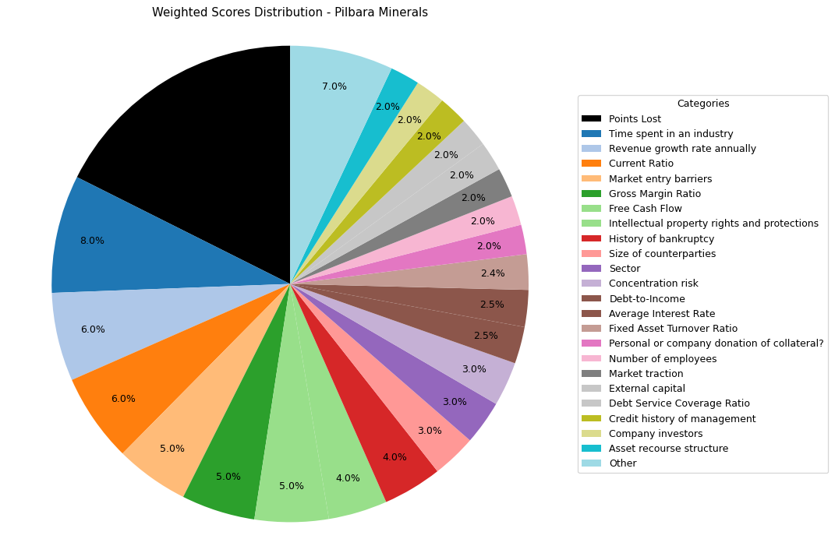
Financial Data | INPUTS | Questionnaire | Weights | Parameters | Values | Very Low Max | Max Min | Ok Max | High Max | Very High Max | Output
Total revenue | 4100000000 | What is your DSCR to date? | 10% | Debt Service Coverage Ratio | 0.91653656939 | 1 | 1.3 | 1.5 | 2 | 2.5 | 1 | 0.91653656939
EBITDA | 3300000000 | What is the free cash flow? | 5% | Free Cash Flow | 2072159000 | 0 | 100000 | 500000 | 1000000 | 2000000 | 5 | 2072159000
Operating income | 2400000000 | What is the average interest rate on debt facilities for the Company? | 3% | Average Interest Rate | 0.03 | 0.2 | 0.15 | 0.12 | 0.09 | 0.05 | 5 | 0.03 | 0.03
[Cash Flow Statement] |  | What proportion of the revenue is from gross margin? | 5% | Gross Margin Ratio | 0.58536585366 | 0.1 | 0.25 | 0.35 | 0.5 | 0.7 | 5 | 0.58536585366
Operational cash flow | 3456693000 | What is your debt to income ratio? | 3% | Debt-to-Income | 0.090909090909 | 0.6 | 0.55 | 0.5 | 0.45 | 0.4 | 5 | 0.090909090909
Capital expenditure |  | What's the current ratio? | 6% | Current Ratio | 2.7571241897 | 0.5 | 1 | 1.5 | 2 | 2.5 | 5 | 2.7571241897
Debt service |  | What proportion of debt to equity | 4% | Debt to Equity | 0.53356969365 | 0.035 | 0.03 | 0.02 | 0.015 | 0.01 | 1 | 0.53356969365
[Balance Sheet] |  | How much of the capital is coming from external sources? | 2% | External capital | 1 | 0.1 | 0.2 | 0.5 | 0.6 | 0.8 | 5
Total current assets | 3567931000 | What's the revenue growth rate of the company? | 6% | Revenue growth rate annually | 2.42 | 0 | 0.05 | 0.1 | 0.15 | 0.2 | 5
Total assets | 5198835000 | How much of your investors are company insiders? | 2% | Company investors | 5 | 1 | 2 | 3 | 4 | 5 | 5
Total current liabilities | 1294077000 | Is the market very competitive or is it newer and less monopolized? | 5% | Market entry barriers | 5 | 1 | 2 | 3 | 4 | 5 | 5
Total liabilities | 1808813000 | How much of the Companies revenues are tied to Commodity Prices? | 3% | Commodity Price Risk | 1 | 1 | 2 | 3 | 4 | 5 | 1
Total equity | 3390022000 | What potential are there for changes in levies and taxes on production? | 2% | Industry-related government policy | 3 | 1 | 2 | 3 | 4 | 5 | 3
Total debt | 300000000 | What segment of the market is the company a part of? | 3% | Sector | 5 | 1 | 2 | 3 | 4 | 5 | 5
 |  | What traction to date has the company gained | 2% | Market traction | 5 | 1 | 2 | 3 | 4 | 5 | 5
 |  | Do management have any personal history of default? | 2% | Credit history of management | 5 | 1 | 2 | 3 | 4 | 5 | 5
 |  | Does the Company have IP rights and trademarks secured? | 4% | Intellectual property rights and protections | 5 | 1 | 2 | 3 | 4 | 5 | 5
 |  | How long have management spent working in the industry of the Companies chosen field? | 8% | Time spent in an industry | 5 | 1 | 2 | 3 | 4 | 5 | 5
 |  | Have any of the Directors been bankrupt at any point in time? | 4% | History of bankruptcy | 5 | 1 | 2 | 3 | 4 | 5 | 5
 |  | How many employees work for the company? | 2% | Number of employees | 5 | 1 | 2 | 3 | 4 | 5 | 5
 |  | How big are the counterparties that they're working with? | 3% | Size of counterparties | 5 | 1 | 2 | 3 | 4 | 5 | 5
 |  | Amount of counterparties? | 3% | Concentration risk | 5 | 1 | 2 | 3 | 4 | 5 | 5
 |  | How long will a PPA last and is the agreement solidified? | 2% | Stability of PPAs (where relevant) | 1 | 1 | 2 | 3 | 4 | 5 | 1
 |  | Has the counterparty been in good credit standing? | 1% | Credit history of counterparty | 5 | 1 | 2 | 3 | 4 | 5 | 5
 |  | Is there any significant financial news on the counterparty that would indicate a risk? | 1% | Relevant news on the company (counterparty) | 5 | 1 | 2 | 3 | 4 | 5 | 5
 |  | What is the fixed asset turnover ratio? | 4% | Fixed Asset Turnover Ratio | 3 | 1 | 2 | 3 | 4 | 5 | 3
 |  | Is there any collateral that has/is been pledged elsewhere and is there more available? | 1% | Existing collateral obligations | 5 | 1 | 2 | 3 | 4 | 5 | 5
 |  | Is there an established system of recourse in the event of default? | 2% | Asset recourse structure | 5 | 1 | 2 | 3 | 4 | 5 | 5
 |  | Is the collateral coming from the companies assets or is it less organized and coming from an individual? | 2% | Personal or company donation of collateral? | 5 | 1 | 2 | 3 | 4 | 5 | 5
 |  | Is the collateral readily available in the case of default? | 1% | Description/Location of Collateral | 5 | 1 | 2 | 3 | 4 | 5 | 5

 |  |  |  | Final Score: |  |  |  |  |  |  | 82.4

Core Lithium
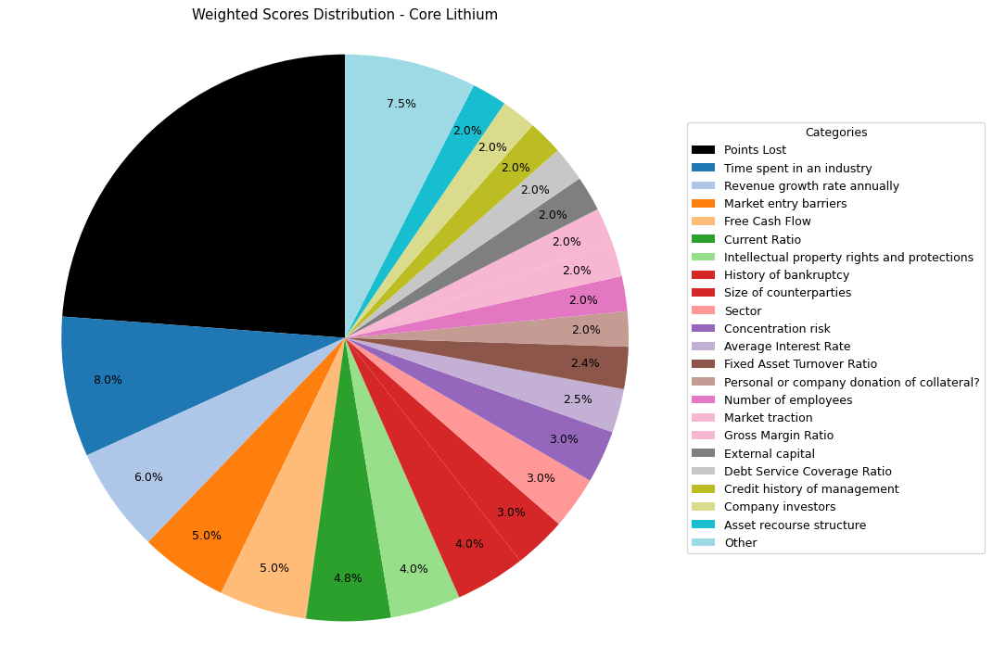
Financial Data | INPUTS | Questionnaire | Weights | Parameters | Values | Very Low Max | Max Min | Ok Max | High Max | Very High Max | Output
Total revenue | 50600000 | What is your DSCR to date? | 10% | Debt Service Coverage Ratio | 0.45193363032 | 1 | 1.3 | 1.5 | 2 | 2.5 | 1 | 0.45193363032
EBITDA | 14000000 | What is the free cash flow? | 5% | Free Cash Flow | 75800000 | 0 | 100000 | 500000 | 1000000 | 2000000 | 5 | 75800000
Operating income | 10810000 | What is the average interest rate on debt facilities for the Company? | 3% | Average Interest Rate | 0.03 | 0.2 | 0.15 | 0.12 | 0.09 | 0.05 | 5 | 0.03 | 0.03
[Cash Flow Statement] |  | What proportion of the revenue is from gross margin? | 5% | Gross Margin Ratio | 0.21363636364 | 0.1 | 0.25 | 0.35 | 0.5 | 0.7 | 2 | 0.21363636364
Operational cash flow | 90800000 | What is your debt to income ratio? | 3% | Debt-to-Income | 2.2127142857 | 0.6 | 0.55 | 0.5 | 0.45 | 0.4 | 1 | 2.2127142857
Capital expenditure | 15000000 | What's the current ratio? | 6% | Current Ratio | 1.5845833437 | 0.5 | 1 | 1.5 | 2 | 2.5 | 4 | 1.5845833437
Debt service | 30978000 | What proportion of debt to equity | 4% | Debt to Equity | 0.41761570148 | 0.035 | 0.03 | 0.02 | 0.015 | 0.01 | 1 | 0.41761570148
[Balance Sheet] |  | How much of the capital is coming from external sources? | 2% | External capital | 1 | 0.1 | 0.2 | 0.5 | 0.6 | 0.8 | 5
Total current assets | 191733000 | What's the revenue growth rate of the company? | 6% | Revenue growth rate annually | 2.42 | 0 | 0.05 | 0.1 | 0.15 | 0.2 | 5
Total assets | 503143000 | How much of your investors are company insiders? | 2% | Company investors | 5 | 1 | 2 | 3 | 4 | 5 | 5
Total current liabilities | 120999000 | Is the market very competitive or is it newer and less monopolized? | 5% | Market entry barriers | 5 | 1 | 2 | 3 | 4 | 5 | 5
Total liabilities | 148221000 | How much of the Companies revenues are tied to Commodity Prices? | 3% | Commodity Price Risk | 1 | 1 | 2 | 3 | 4 | 5 | 1
Total equity | 354922000 | What potential are there for changes in levies and taxes on production? | 2% | Industry-related government policy | 3 | 1 | 2 | 3 | 4 | 5 | 3
Total debt | 30978000 | What segment of the market is the company a part of? | 3% | Sector | 5 | 1 | 2 | 3 | 4 | 5 | 5
 |  | What traction to date has the company gained | 2% | Market traction | 5 | 1 | 2 | 3 | 4 | 5 | 5
 |  | Do management have any personal history of default? | 2% | Credit history of management | 5 | 1 | 2 | 3 | 4 | 5 | 5
 |  | Does the Company have IP rights and trademarks secured? | 4% | Intellectual property rights and protections | 5 | 1 | 2 | 3 | 4 | 5 | 5
 |  | How long have management spent working in the industry of the Companies chosen field? | 8% | Time spent in an industry | 5 | 1 | 2 | 3 | 4 | 5 | 5
 |  | Have any of the Directors been bankrupt at any point in time? | 4% | History of bankruptcy | 5 | 1 | 2 | 3 | 4 | 5 | 5
 |  | How many employees work for the company? | 2% | Number of employees | 5 | 1 | 2 | 3 | 4 | 5 | 5
 |  | How big are the counterparties that they're working with? | 3% | Size of counterparties | 5 | 1 | 2 | 3 | 4 | 5 | 5
 |  | Amount of counterparties? | 3% | Concentration risk | 5 | 1 | 2 | 3 | 4 | 5 | 5
 |  | How long will a PPA last and is the agreement solidified? | 2% | Stability of PPAs (where relevant) | 1 | 1 | 2 | 3 | 4 | 5 | 1
 |  | Has the counterparty been in good credit standing? | 1% | Credit history of counterparty | 5 | 1 | 2 | 3 | 4 | 5 | 5
 |  | Is there any significant financial news on the counterparty that would indicate a risk? | 1% | Relevant news on the company (counterparty) | 5 | 1 | 2 | 3 | 4 | 5 | 5
 |  | What is the fixed asset turnover ratio? | 4% | Fixed Asset Turnover Ratio | 3 | 1 | 2 | 3 | 4 | 5 | 3
 |  | Is there any collateral that has/is been pledged elsewhere and is there more available? | 1% | Existing collateral obligations | 5 | 1 | 2 | 3 | 4 | 5 | 5
 |  | Is there an established system of recourse in the event of default? | 2% | Asset recourse structure | 5 | 1 | 2 | 3 | 4 | 5 | 5
 |  | Is the collateral coming from the companies assets or is it less organized and coming from an individual? | 2% | Personal or company donation of collateral? | 5 | 1 | 2 | 3 | 4 | 5 | 5
 |  | Is the collateral readily available in the case of default? | 1% | Description/Location of Collateral | 5 | 1 | 2 | 3 | 4 | 5 | 5

 |  |  |  | Final Score: |  |  |  |  |  |  | 76.2

Lynas
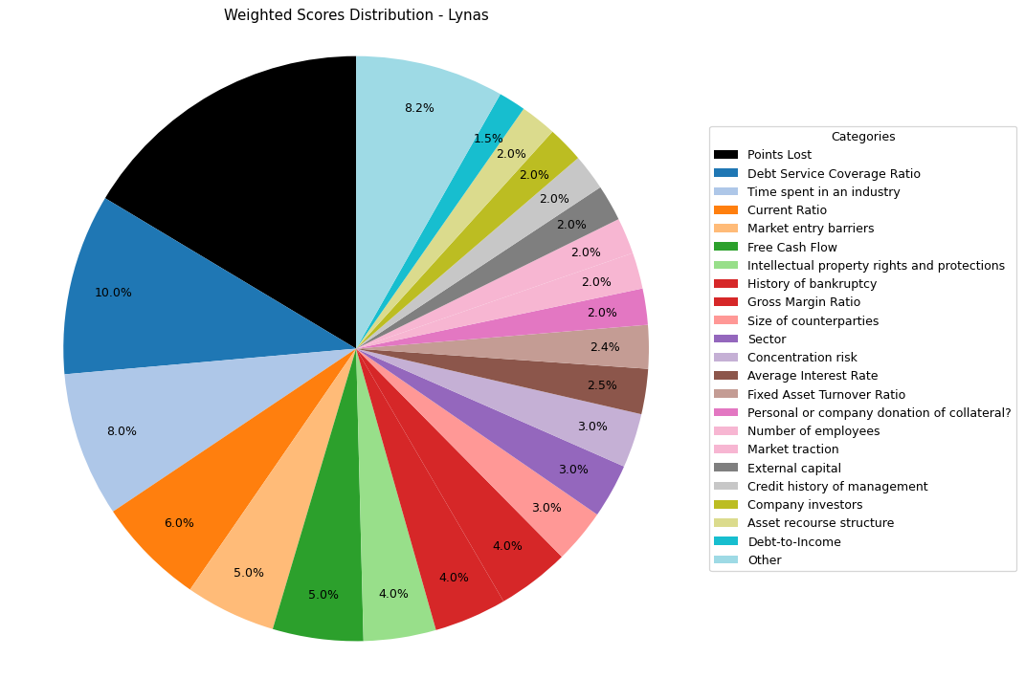
Financial Data | INPUTS | Questionnaire | Weights | Parameters | Values | Very Low Max | Max Min | Ok Max | High Max | Very High Max | Output
Total revenue | 739300000 | What is your DSCR to date? | 10% | Debt Service Coverage Ratio | 27.821214854 | 1 | 1.3 | 1.5 | 2 | 2.5 | 5 | 27.821214854
EBITDA | 339391000 | What is the free cash flow? | 5% | Free Cash Flow | 23300000 | 0 | 100000 | 500000 | 1000000 | 2000000 | 5 | 23300000
Operating income | 310307000 | What is the average interest rate on debt facilities for the Company? | 3% | Average Interest Rate | 0.065 | 0.2 | 0.15 | 0.12 | 0.09 | 0.05 | 5 | 0.065 | 0.065 | 0.09
[Cash Flow Statement] |  | What proportion of the revenue is from gross margin? | 5% | Gross Margin Ratio | 0.41973082646 | 0.1 | 0.25 | 0.35 | 0.5 | 0.7 | 4 | 0.41973082646
Operational cash flow | 31300000 | What is your debt to income ratio? | 3% | Debt-to-Income | 0.52270095554 | 0.6 | 0.55 | 0.5 | 0.45 | 0.4 | 3 | 0.52270095554
Capital expenditure | 8000000 | What's the current ratio? | 6% | Current Ratio | 7.1922100121 | 0.5 | 1 | 1.5 | 2 | 2.5 | 5 | 7.1922100121 |  |  | 1.81
Debt service |  | What proportion of debt to equity | 4% | Debt to Equity | 0.21968666047 | 0.035 | 0.03 | 0.02 | 0.015 | 0.01 | 1 | 0.21968666047
[Balance Sheet] |  | How much of the capital is coming from external sources? | 2% | External capital | 1 | 0.1 | 0.2 | 0.5 | 0.6 | 0.8 | 5
Total current assets | 1186578 | What's the revenue growth rate of the company? | 6% | Revenue growth rate annually | -1 | 0 | 0.05 | 0.1 | 0.15 | 0.2 | 1
Total assets | 2638675 | How much of your investors are company insiders? | 2% | Company investors | 5 | 1 | 2 | 3 | 4 | 5 | 5
Total current liabilities | 164981 | Is the market very competitive or is it newer and less monopolized? | 5% | Market entry barriers | 5 | 1 | 2 | 3 | 4 | 5 | 5
Total liabilities | 475271 | How much of the Companies revenues are tied to Commodity Prices? | 3% | Commodity Price Risk | 1 | 1 | 2 | 3 | 4 | 5 | 1
Total equity | 2163404 | What potential are there for changes in levies and taxes on production? | 2% | Industry-related government policy | 3 | 1 | 2 | 3 | 4 | 5 | 3
Total debt | 177400000 | What segment of the market is the company a part of? | 3% | Sector | 5 | 1 | 2 | 3 | 4 | 5 | 5
 |  | What traction to date has the company gained | 2% | Market traction | 5 | 1 | 2 | 3 | 4 | 5 | 5
 |  | Do management have any personal history of default? | 2% | Credit history of management | 5 | 1 | 2 | 3 | 4 | 5 | 5
 |  | Does the Company have IP rights and trademarks secured? | 4% | Intellectual property rights and protections | 5 | 1 | 2 | 3 | 4 | 5 | 5
 |  | How long have management spent working in the industry of the Companies chosen field? | 8% | Time spent in an industry | 5 | 1 | 2 | 3 | 4 | 5 | 5
 |  | Have any of the Directors been bankrupt at any point in time? | 4% | History of bankruptcy | 5 | 1 | 2 | 3 | 4 | 5 | 5
 |  | How many employees work for the company? | 2% | Number of employees | 5 | 1 | 2 | 3 | 4 | 5 | 5
 |  | How big are the counterparties that they're working with? | 3% | Size of counterparties | 5 | 1 | 2 | 3 | 4 | 5 | 5
 |  | Amount of counterparties? | 3% | Concentration risk | 5 | 1 | 2 | 3 | 4 | 5 | 5
 |  | How long will a PPA last and is the agreement solidified? | 2% | Stability of PPAs (where relevant) | 1 | 1 | 2 | 3 | 4 | 5 | 1
 |  | Has the counterparty been in good credit standing? | 1% | Credit history of counterparty | 5 | 1 | 2 | 3 | 4 | 5 | 5
 |  | Is there any significant financial news on the counterparty that would indicate a risk? | 1% | Relevant news on the company (counterparty) | 5 | 1 | 2 | 3 | 4 | 5 | 5
 |  | What is the fixed asset turnover ratio? | 4% | Fixed Asset Turnover Ratio | 3 | 1 | 2 | 3 | 4 | 5 | 3
 |  | Is there any collateral that has/is been pledged elsewhere and is there more available? | 1% | Existing collateral obligations | 5 | 1 | 2 | 3 | 4 | 5 | 5
 |  | Is there an established system of recourse in the event of default? | 2% | Asset recourse structure | 5 | 1 | 2 | 3 | 4 | 5 | 5
 |  | Is the collateral coming from the companies assets or is it less organized and coming from an individual? | 2% | Personal or company donation of collateral? | 5 | 1 | 2 | 3 | 4 | 5 | 5
 |  | Is the collateral readily available in the case of default? | 1% | Description/Location of Collateral | 5 | 1 | 2 | 3 | 4 | 5 | 5

 |  |  |  | Final Score: |  |  |  |  |  |  | 83.6

Wesfarmers
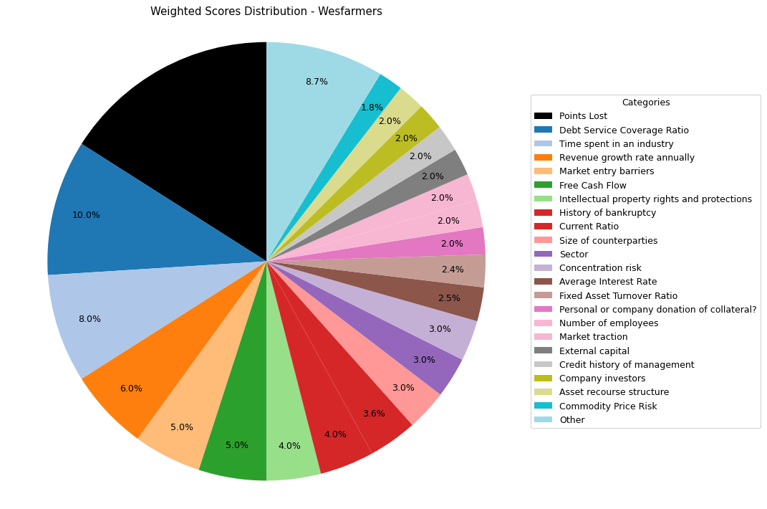
Financial Data | INPUTS | Questionnaire | Weights | Parameters | Values | Very Low Max | Max Min | Ok Max | High Max | Very High Max | Output
Total revenue | 43550000000 | What is your DSCR to date? | 10% | Debt Service Coverage Ratio | 5.0496732026 | 1 | 1.3 | 1.5 | 2 | 2.5 | 5 | 5.0496732026
EBITDA | 3863000000 | What is the free cash flow? | 5% | Free Cash Flow | 2996000000 | 0 | 100000 | 500000 | 1000000 | 2000000 | 5 | 2996000000
Operating income | 3323000000 | What is the average interest rate on debt facilities for the Company? | 3% | Average Interest Rate | 0.05 | 0.2 | 0.15 | 0.12 | 0.09 | 0.05 | 5 | 0.09 | 0.09
[Cash Flow Statement] |  | What proportion of the revenue is from gross margin? | 5% | Gross Margin Ratio | 0.076303099885 | 0.1 | 0.25 | 0.35 | 0.5 | 0.7 | 1 | 0.076303099885
Operational cash flow | 4179000000 | What is your debt to income ratio? | 3% | Debt-to-Income | 1.1467771162 | 0.6 | 0.55 | 0.5 | 0.45 | 0.4 | 1 | 1.1467771162
Capital expenditure | 1183000000 | What's the current ratio? | 6% | Current Ratio | 1.1650757286 | 0.5 | 1 | 1.5 | 2 | 2.5 | 3 | 1.1650757286 |  | 1.81
Debt service | 765000000 | What proportion of debt to equity | 4% | Debt to Equity | 2.2056514914 | 0.035 | 0.03 | 0.02 | 0.015 | 0.01 | 1 | 2.2056514914
[Balance Sheet] |  | How much of the capital is coming from external sources? | 2% | External capital | 1 | 0.1 | 0.2 | 0.5 | 0.6 | 0.8 | 5
Total current assets | 9154000000 | What's the revenue growth rate of the company? | 6% | Revenue growth rate annually | 0.18 | 0 | 0.05 | 0.1 | 0.15 | 0.2 | 5
Total assets | 26546000000 | How much of your investors are company insiders? | 2% | Company investors | 5 | 1 | 2 | 3 | 4 | 5 | 5
Total current liabilities | 7857000000 | Is the market very competitive or is it newer and less monopolized? | 5% | Market entry barriers | 5 | 1 | 2 | 3 | 4 | 5 | 5
Total liabilities | 18265000000 | How much of the Companies revenues are tied to Commodity Prices? | 3% | Commodity Price Risk | 3 | 1 | 2 | 3 | 4 | 5 | 3
Total equity | 8281000000 | What potential are there for changes in levies and taxes on production? | 2% | Industry-related government policy | 3 | 1 | 2 | 3 | 4 | 5 | 3
Total debt | 4430000000 | What segment of the market is the company a part of? | 3% | Sector | 5 | 1 | 2 | 3 | 4 | 5 | 5
 |  | What traction to date has the company gained | 2% | Market traction | 5 | 1 | 2 | 3 | 4 | 5 | 5
 |  | Do management have any personal history of default? | 2% | Credit history of management | 5 | 1 | 2 | 3 | 4 | 5 | 5
 |  | Does the Company have IP rights and trademarks secured? | 4% | Intellectual property rights and protections | 5 | 1 | 2 | 3 | 4 | 5 | 5
 |  | How long have management spent working in the industry of the Companies chosen field? | 8% | Time spent in an industry | 5 | 1 | 2 | 3 | 4 | 5 | 5
 |  | Have any of the Directors been bankrupt at any point in time? | 4% | History of bankruptcy | 5 | 1 | 2 | 3 | 4 | 5 | 5
 |  | How many employees work for the company? | 2% | Number of employees | 5 | 1 | 2 | 3 | 4 | 5 | 5
 |  | How big are the counterparties that they're working with? | 3% | Size of counterparties | 5 | 1 | 2 | 3 | 4 | 5 | 5
 |  | Amount of counterparties? | 3% | Concentration risk | 5 | 1 | 2 | 3 | 4 | 5 | 5
 |  | How long will a PPA last and is the agreement solidified? | 2% | Stability of PPAs (where relevant) | 3 | 1 | 2 | 3 | 4 | 5 | 3
 |  | Has the counterparty been in good credit standing? | 1% | Credit history of counterparty | 5 | 1 | 2 | 3 | 4 | 5 | 5
 |  | Is there any significant financial news on the counterparty that would indicate a risk? | 1% | Relevant news on the company (counterparty) | 5 | 1 | 2 | 3 | 4 | 5 | 5
 |  | What is the fixed asset turnover ratio? | 4% | Fixed Asset Turnover Ratio | 3 | 1 | 2 | 3 | 4 | 5 | 3
 |  | Is there any collateral that has/is been pledged elsewhere and is there more available? | 1% | Existing collateral obligations | 5 | 1 | 2 | 3 | 4 | 5 | 5
 |  | Is there an established system of recourse in the event of default? | 2% | Asset recourse structure | 5 | 1 | 2 | 3 | 4 | 5 | 5
 |  | Is the collateral coming from the companies assets or is it less organized and coming from an individual? | 2% | Personal or company donation of collateral? | 5 | 1 | 2 | 3 | 4 | 5 | 5
 |  | Is the collateral readily available in the case of default? | 1% | Description/Location of Collateral | 5 | 1 | 2 | 3 | 4 | 5 | 5

 |  |  |  | Final Score: |  |  |  |  |  |  | 84

Jupiter Energy Limited
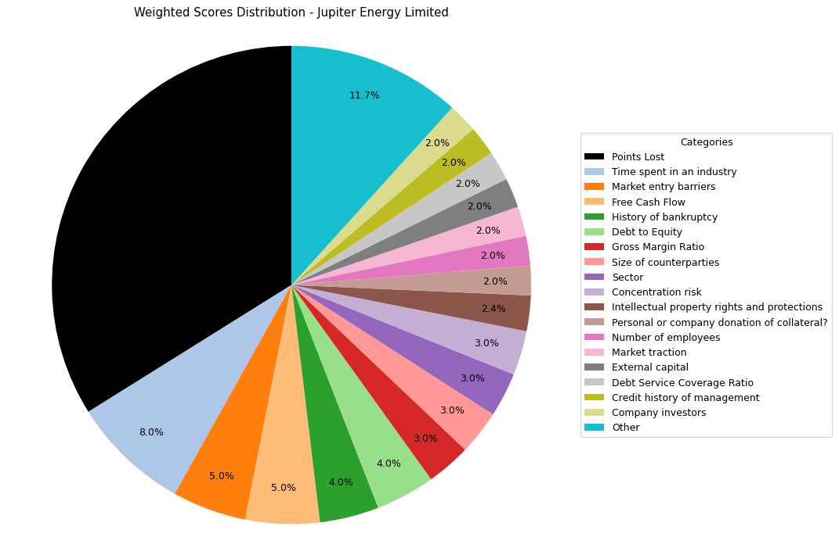
Financial Data | INPUTS | Questionnaire | Weights | Parameters | Values | Very Low Max | Max Min | Ok Max | High Max | Very High Max | Output
Total revenue | 5588957 | What is your DSCR to date? | 10% | Debt Service Coverage Ratio | 0.6591525445 | 1 | 1.3 | 1.5 | 2 | 2.5 | 1 | 0.6591525445
EBITDA | 1626275 | What is the free cash flow? | 5% | Free Cash Flow | 7436666 | 0 | 100000 | 500000 | 1000000 | 2000000 | 5 | 7436666
Operating income | 1626275 | What is the average interest rate on debt facilities for the Company? | 3% | Average Interest Rate | 0.15 | 0.2 | 0.15 | 0.12 | 0.09 | 0.05 | 2 | 0.09 | 0.09
[Cash Flow Statement] |  | What proportion of the revenue is from gross margin? | 5% | Gross Margin Ratio | 0.29098005227 | 0.1 | 0.25 | 0.35 | 0.5 | 0.7 | 3 | 0.29098005227
Operational cash flow | 1603393 | What is your debt to income ratio? | 3% | Debt-to-Income | 12.792533243 | 0.6 | 0.55 | 0.5 | 0.45 | 0.4 | 1 | 12.792533243
Capital expenditure | -5833273 | What's the current ratio? | 6% | Current Ratio | 0.37962909859 | 0.5 | 1 | 1.5 | 2 | 2.5 | 1 | 0.37962909859 |  | 1.81
Debt service | 2467221 | What proportion of debt to equity | 4% | Debt to Equity | -13.089819285 | 0.035 | 0.03 | 0.02 | 0.015 | 0.01 | 5 | -13.089819285
[Balance Sheet] |  | How much of the capital is coming from external sources? | 2% | External capital | 1 | 0.1 | 0.2 | 0.5 | 0.6 | 0.8 | 5
Total current assets | 1575378 | What's the revenue growth rate of the company? | 6% | Revenue growth rate annually | 0 | 0 | 0.05 | 0.1 | 0.15 | 0.2 | 1
Total assets | 23238966 | How much of your investors are company insiders? | 2% | Company investors | 5 | 1 | 2 | 3 | 4 | 5 | 5
Total current liabilities | 4149782 | Is the market very competitive or is it newer and less monopolized? | 5% | Market entry barriers | 5 | 1 | 2 | 3 | 4 | 5 | 5
Total liabilities | 25161159 | How much of the Companies revenues are tied to Commodity Prices? | 3% | Commodity Price Risk | 1 | 1 | 2 | 3 | 4 | 5 | 1
Total equity | -1922193 | What potential are there for changes in levies and taxes on production? | 2% | Industry-related government policy | 2 | 1 | 2 | 3 | 4 | 5 | 2
Total debt | 20804177 | What segment of the market is the company a part of? | 3% | Sector | 5 | 1 | 2 | 3 | 4 | 5 | 5
 |  | What traction to date has the company gained | 2% | Market traction | 5 | 1 | 2 | 3 | 4 | 5 | 5
 |  | Do management have any personal history of default? | 2% | Credit history of management | 5 | 1 | 2 | 3 | 4 | 5 | 5
 |  | Does the Company have IP rights and trademarks secured? | 4% | Intellectual property rights and protections | 3 | 1 | 2 | 3 | 4 | 5 | 3
 |  | How long have management spent working in the industry of the Companies chosen field? | 8% | Time spent in an industry | 5 | 1 | 2 | 3 | 4 | 5 | 5
 |  | Have any of the Directors been bankrupt at any point in time? | 4% | History of bankruptcy | 5 | 1 | 2 | 3 | 4 | 5 | 5
 |  | How many employees work for the company? | 2% | Number of employees | 5 | 1 | 2 | 3 | 4 | 5 | 5
 |  | How big are the counterparties that they're working with? | 3% | Size of counterparties | 5 | 1 | 2 | 3 | 4 | 5 | 5
 |  | Amount of counterparties? | 3% | Concentration risk | 5 | 1 | 2 | 3 | 4 | 5 | 5
 |  | How long will a PPA last and is the agreement solidified? | 2% | Stability of PPAs (where relevant) | 1 | 1 | 2 | 3 | 4 | 5 | 1
 |  | Has the counterparty been in good credit standing? | 1% | Credit history of counterparty | 5 | 1 | 2 | 3 | 4 | 5 | 5
 |  | Is there any significant financial news on the counterparty that would indicate a risk? | 1% | Relevant news on the company (counterparty) | 5 | 1 | 2 | 3 | 4 | 5 | 5
 |  | What is the fixed asset turnover ratio? | 4% | Fixed Asset Turnover Ratio | 1 | 1 | 2 | 3 | 4 | 5 | 1
 |  | Is there any collateral that has/is been pledged elsewhere and is there more available? | 1% | Existing collateral obligations | 5 | 1 | 2 | 3 | 4 | 5 | 5
 |  | Is there an established system of recourse in the event of default? | 2% | Asset recourse structure | 3 | 1 | 2 | 3 | 4 | 5 | 3
 |  | Is the collateral coming from the companies assets or is it less organized and coming from an individual? | 2% | Personal or company donation of collateral? | 5 | 1 | 2 | 3 | 4 | 5 | 5
 |  | Is the collateral readily available in the case of default? | 1% | Description/Location of Collateral | 5 | 1 | 2 | 3 | 4 | 5 | 5

 |  |  |  | Final Score: |  |  |  |  |  |  | 66.1

Vintage Energy LTD
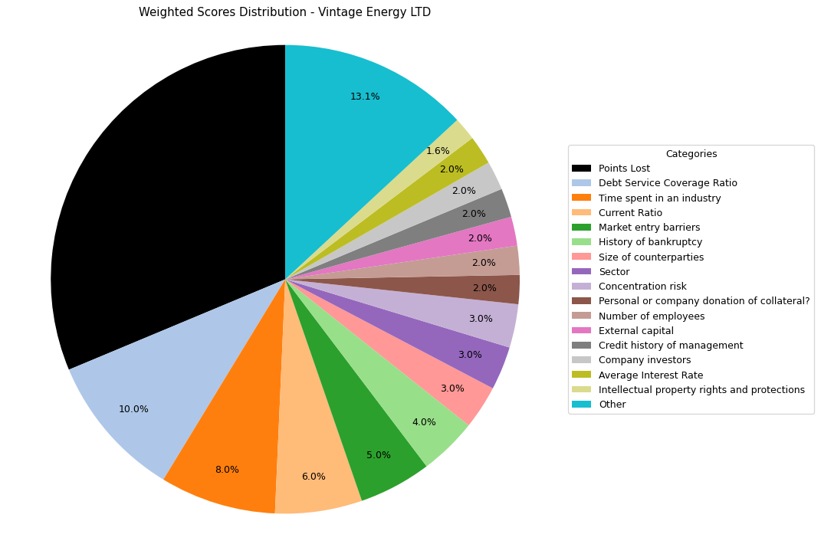
Financial Data | INPUTS | Questionnaire | Weights | Parameters | Values | Very Low Max | Max Min | Ok Max | High Max | Very High Max | Output
Total revenue | 949333 | What is your DSCR to date? | 10% | Debt Service Coverage Ratio | 4.0229951025 | 1 | 1.3 | 1.5 | 2 | 2.5 | 5 | 4.0229951025
EBITDA | 3995510 | What is the free cash flow? | 5% | Free Cash Flow | -8993587 | 0 | 100000 | 500000 | 1000000 | 2000000 | 1 | -8993587
Operating income | -11261262 | What is the average interest rate on debt facilities for the Company? | 3% | Average Interest Rate | 0.11 | 0.2 | 0.15 | 0.12 | 0.09 | 0.05 | 4 | 0.11 | 0.09
[Cash Flow Statement] |  | What proportion of the revenue is from gross margin? | 5% | Gross Margin Ratio | -11.862288575 | 0.1 | 0.25 | 0.35 | 0.5 | 0.7 | 1 | -11.862288575
Operational cash flow | -7493587 | What is your debt to income ratio? | 3% | Debt-to-Income | 1.7519665825 | 0.6 | 0.55 | 0.5 | 0.45 | 0.4 | 1 | 1.7519665825
Capital expenditure | 1500000 | What's the current ratio? | 6% | Current Ratio | 2.6354580842 | 0.5 | 1 | 1.5 | 2 | 2.5 | 5 | 2.6354580842 |  | 1.81
Debt service | 993168 | What proportion of debt to equity | 4% | Debt to Equity | 0.46759234004 | 0.035 | 0.03 | 0.02 | 0.015 | 0.01 | 1 | 0.46759234004
[Balance Sheet] |  | How much of the capital is coming from external sources? | 2% | External capital | 1 | 0.1 | 0.2 | 0.5 | 0.6 | 0.8 | 5
Total current assets | 8586275 | What's the revenue growth rate of the company? | 6% | Revenue growth rate annually | 0 | 0 | 0.05 | 0.1 | 0.15 | 0.2 | 1
Total assets | 66825966 | How much of your investors are company insiders? | 2% | Company investors | 5 | 1 | 2 | 3 | 4 | 5 | 5
Total current liabilities | 3257982 | Is the market very competitive or is it newer and less monopolized? | 5% | Market entry barriers | 5 | 1 | 2 | 3 | 4 | 5 | 5
Total liabilities | 21291546 | How much of the Companies revenues are tied to Commodity Prices? | 3% | Commodity Price Risk | 1 | 1 | 2 | 3 | 4 | 5 | 1
Total equity | 45534420 | What potential are there for changes in levies and taxes on production? | 2% | Industry-related government policy | 2 | 1 | 2 | 3 | 4 | 5 | 2
Total debt | 7000000 | What segment of the market is the company a part of? | 3% | Sector | 5 | 1 | 2 | 3 | 4 | 5 | 5
 |  | What traction to date has the company gained | 2% | Market traction | 2 | 1 | 2 | 3 | 4 | 5 | 2
 |  | Do management have any personal history of default? | 2% | Credit history of management | 5 | 1 | 2 | 3 | 4 | 5 | 5
 |  | Does the Company have IP rights and trademarks secured? | 4% | Intellectual property rights and protections | 2 | 1 | 2 | 3 | 4 | 5 | 2
 |  | How long have management spent working in the industry of the Companies chosen field? | 8% | Time spent in an industry | 5 | 1 | 2 | 3 | 4 | 5 | 5
 |  | Have any of the Directors been bankrupt at any point in time? | 4% | History of bankruptcy | 5 | 1 | 2 | 3 | 4 | 5 | 5
 |  | How many employees work for the company? | 2% | Number of employees | 5 | 1 | 2 | 3 | 4 | 5 | 5
 |  | How big are the counterparties that they're working with? | 3% | Size of counterparties | 5 | 1 | 2 | 3 | 4 | 5 | 5
 |  | Amount of counterparties? | 3% | Concentration risk | 5 | 1 | 2 | 3 | 4 | 5 | 5
 |  | How long will a PPA last and is the agreement solidified? | 2% | Stability of PPAs (where relevant) | 1 | 1 | 2 | 3 | 4 | 5 | 1
 |  | Has the counterparty been in good credit standing? | 1% | Credit history of counterparty | 5 | 1 | 2 | 3 | 4 | 5 | 5
 |  | Is there any significant financial news on the counterparty that would indicate a risk? | 1% | Relevant news on the company (counterparty) | 5 | 1 | 2 | 3 | 4 | 5 | 5
 |  | What is the fixed asset turnover ratio? | 4% | Fixed Asset Turnover Ratio | 1 | 1 | 2 | 3 | 4 | 5 | 1
 |  | Is there any collateral that has/is been pledged elsewhere and is there more available? | 1% | Existing collateral obligations | 5 | 1 | 2 | 3 | 4 | 5 | 5
 |  | Is there an established system of recourse in the event of default? | 2% | Asset recourse structure | 3 | 1 | 2 | 3 | 4 | 5 | 3
 |  | Is the collateral coming from the companies assets or is it less organized and coming from an individual? | 2% | Personal or company donation of collateral? | 5 | 1 | 2 | 3 | 4 | 5 | 5
 |  | Is the collateral readily available in the case of default? | 1% | Description/Location of Collateral | 5 | 1 | 2 | 3 | 4 | 5 | 5

 |  |  |  | Final Score: |  |  |  |  |  |  | 68.7

Eclipse Metals Limited
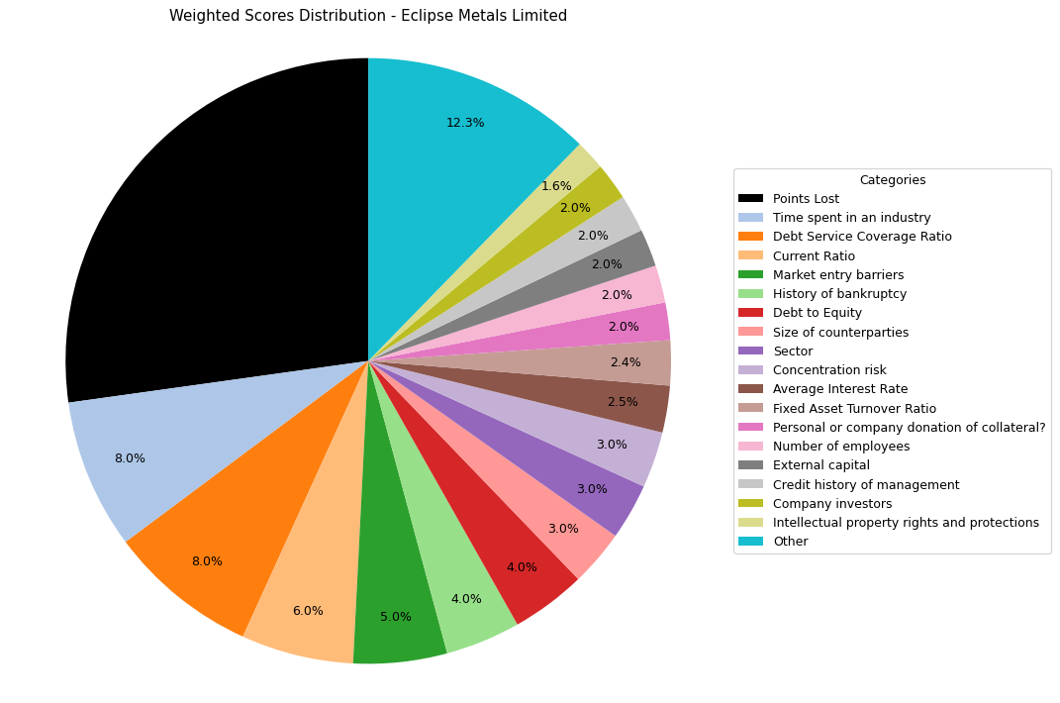
Financial Data | INPUTS | Questionnaire | Weights | Parameters | Values | Very Low Max | Max Min | Ok Max | High Max | Very High Max | Output
Total revenue | 12573 | What is your DSCR to date? | 10% | Debt Service Coverage Ratio | 1.89 | 1 | 1.3 | 1.5 | 2 | 2.5 | 4 | 1.89
EBITDA | 12573 | What is the free cash flow? | 5% | Free Cash Flow | -1906994 | 0 | 100000 | 500000 | 1000000 | 2000000 | 1 | -1906994
Operating income | -1102033 | What is the average interest rate on debt facilities for the Company? | 3% | Average Interest Rate | 0.003 | 0.2 | 0.15 | 0.12 | 0.09 | 0.05 | 5 | 0.003 | 0.09
[Cash Flow Statement] |  | What proportion of the revenue is from gross margin? | 5% | Gross Margin Ratio | -87.650759564 | 0.1 | 0.25 | 0.35 | 0.5 | 0.7 | 1 | -87.650759564
Operational cash flow | -1102033 | What is your debt to income ratio? | 3% | Debt-to-Income | 2.2751133381 | 0.6 | 0.55 | 0.5 | 0.45 | 0.4 | 1 | 2.2751133381
Capital expenditure |  | What's the current ratio? | 6% | Current Ratio | 5.3168521641 | 0.5 | 1 | 1.5 | 2 | 2.5 | 5 | 5.3168521641 |  | 1.81
Debt service | 1 | What proportion of debt to equity | 4% | Debt to Equity | 0.013488610313 | 0.035 | 0.03 | 0.02 | 0.015 | 0.01 | 5 | 0.013488610313
[Balance Sheet] |  | How much of the capital is coming from external sources? | 2% | External capital | 1 | 0.1 | 0.2 | 0.5 | 0.6 | 0.8 | 5
Total current assets | 945868 | What's the revenue growth rate of the company? | 6% | Revenue growth rate annually | 0 | 0 | 0.05 | 0.1 | 0.15 | 0.2 | 1
Total assets | 13366805 | How much of your investors are company insiders? | 2% | Company investors | 5 | 1 | 2 | 3 | 4 | 5 | 5
Total current liabilities | 177900 | Is the market very competitive or is it newer and less monopolized? | 5% | Market entry barriers | 5 | 1 | 2 | 3 | 4 | 5 | 5
Total liabilities | 177900 | How much of the Companies revenues are tied to Commodity Prices? | 3% | Commodity Price Risk | 1 | 1 | 2 | 3 | 4 | 5 | 1
Total equity | 13188905 | What potential are there for changes in levies and taxes on production? | 2% | Industry-related government policy | 3 | 1 | 2 | 3 | 4 | 5 | 3
Total debt | 28605 | What segment of the market is the company a part of? | 3% | Sector | 5 | 1 | 2 | 3 | 4 | 5 | 5
 |  | What traction to date has the company gained | 2% | Market traction | 3 | 1 | 2 | 3 | 4 | 5 | 3
 |  | Do management have any personal history of default? | 2% | Credit history of management | 5 | 1 | 2 | 3 | 4 | 5 | 5
 |  | Does the Company have IP rights and trademarks secured? | 4% | Intellectual property rights and protections | 2 | 1 | 2 | 3 | 4 | 5 | 2
 |  | How long have management spent working in the industry of the Companies chosen field? | 8% | Time spent in an industry | 5 | 1 | 2 | 3 | 4 | 5 | 5
 |  | Have any of the Directors been bankrupt at any point in time? | 4% | History of bankruptcy | 5 | 1 | 2 | 3 | 4 | 5 | 5
 |  | How many employees work for the company? | 2% | Number of employees | 5 | 1 | 2 | 3 | 4 | 5 | 5
 |  | How big are the counterparties that they're working with? | 3% | Size of counterparties | 5 | 1 | 2 | 3 | 4 | 5 | 5
 |  | Amount of counterparties? | 3% | Concentration risk | 5 | 1 | 2 | 3 | 4 | 5 | 5
 |  | How long will a PPA last and is the agreement solidified? | 2% | Stability of PPAs (where relevant) | 1 | 1 | 2 | 3 | 4 | 5 | 1
 |  | Has the counterparty been in good credit standing? | 1% | Credit history of counterparty | 5 | 1 | 2 | 3 | 4 | 5 | 5
 |  | Is there any significant financial news on the counterparty that would indicate a risk? | 1% | Relevant news on the company (counterparty) | 5 | 1 | 2 | 3 | 4 | 5 | 5
 |  | What is the fixed asset turnover ratio? | 4% | Fixed Asset Turnover Ratio | 3 | 1 | 2 | 3 | 4 | 5 | 3
 |  | Is there any collateral that has/is been pledged elsewhere and is there more available? | 1% | Existing collateral obligations | 5 | 1 | 2 | 3 | 4 | 5 | 5
 |  | Is there an established system of recourse in the event of default? | 2% | Asset recourse structure | 3 | 1 | 2 | 3 | 4 | 5 | 3
 |  | Is the collateral coming from the companies assets or is it less organized and coming from an individual? | 2% | Personal or company donation of collateral? | 5 | 1 | 2 | 3 | 4 | 5 | 5
 |  | Is the collateral readily available in the case of default? | 1% | Description/Location of Collateral | 5 | 1 | 2 | 3 | 4 | 5 | 5

 |  |  |  | Final Score: |  |  |  |  |  |  | 72.8

KCN
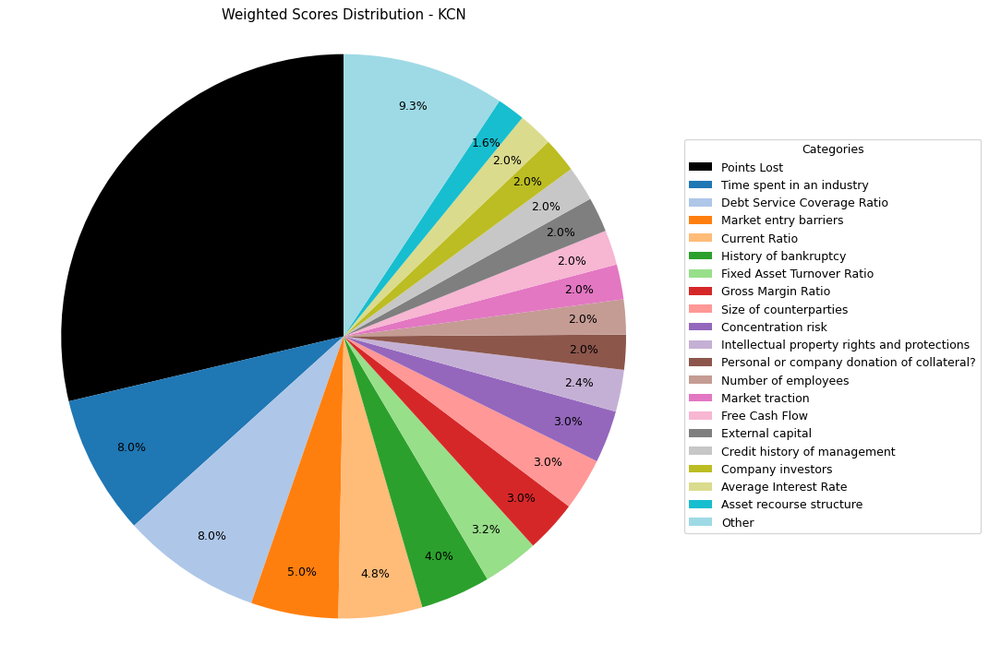
Financial Data | INPUTS | Questionnaire | Weights | Parameters | Values | Very Low Max | Max Min | Ok Max | High Max | Very High Max | Output
Total revenue | 27337 | What is your DSCR to date? | 10% | Debt Service Coverage Ratio | 1.89 | 1 | 1.3 | 1.5 | 2 | 2.5 | 4
EBITDA | 11072 | What is the free cash flow? | 5% | Free Cash Flow | 7150 | 0 | 100000 | 500000 | 1000000 | 2000000 | 2
Operating income |  | What is the average interest rate on debt facilities for the Company? | 3% | Average Interest Rate | 0.09 | 0.2 | 0.15 | 0.12 | 0.09 | 0.05 | 4 | 0.09
[Cash Flow Statement] |  | What proportion of the revenue is from gross margin? | 5% | Gross Margin Ratio | 0.274 | 0.1 | 0.25 | 0.35 | 0.5 | 0.7 | 3
Operational cash flow | -45264 | What is your debt to income ratio? | 3% | Debt-to-Income | 2.17 | 0.6 | 0.55 | 0.5 | 0.45 | 0.4 | 1
Capital expenditure |  | What's the current ratio? | 6% | Current Ratio | 1.81 | 0.5 | 1 | 1.5 | 2 | 2.5 | 4 |  | 1.81
Debt service | 3954 | What proportion of debt to equity | 4% | Debt to Equity | 1.53 | 0.035 | 0.03 | 0.02 | 0.015 | 0.01 | 1
[Balance Sheet] |  | How much of the capital is coming from external sources? | 2% | External capital | 1 | 0.1 | 0.2 | 0.5 | 0.6 | 0.8 | 5
Total current assets | 58337 | What's the revenue growth rate of the company? | 6% | Revenue growth rate annually | 0 | 0 | 0.05 | 0.1 | 0.15 | 0.2 | 1
Total assets | 126724 | How much of your investors are company insiders? | 2% | Company investors | 5 | 1 | 2 | 3 | 4 | 5 | 5
Total current liabilities | 32081 | Is the market very competitive or is it newer and less monopolized? | 5% | Market entry barriers | 5 | 1 | 2 | 3 | 4 | 5 | 5
Total liabilities | 76675 | How much of the Companies revenues are tied to Commodity Prices? | 3% | Commodity Price Risk | 1 | 1 | 2 | 3 | 4 | 5 | 1
Total equity | 50049 | What potential are there for changes in levies and taxes on production? | 2% | Industry-related government policy | 2 | 1 | 2 | 3 | 4 | 5 | 2
Total debt |  | What segment of the market is the company a part of? | 3% | Sector | 2 | 1 | 2 | 3 | 4 | 5 | 2
 |  | What traction to date has the company gained | 2% | Market traction | 5 | 1 | 2 | 3 | 4 | 5 | 5
 |  | Do management have any personal history of default? | 2% | Credit history of management | 5 | 1 | 2 | 3 | 4 | 5 | 5
 |  | Does the Company have IP rights and trademarks secured? | 4% | Intellectual property rights and protections | 3 | 1 | 2 | 3 | 4 | 5 | 3
 |  | How long have management spent working in the industry of the Companies chosen field? | 8% | Time spent in an industry | 5 | 1 | 2 | 3 | 4 | 5 | 5
 |  | Have any of the Directors been bankrupt at any point in time? | 4% | History of bankruptcy | 5 | 1 | 2 | 3 | 4 | 5 | 5
 |  | How many employees work for the company? | 2% | Number of employees | 5 | 1 | 2 | 3 | 4 | 5 | 5
 |  | How big are the counterparties that they're working with? | 3% | Size of counterparties | 5 | 1 | 2 | 3 | 4 | 5 | 5
 |  | Amount of counterparties? | 3% | Concentration risk | 5 | 1 | 2 | 3 | 4 | 5 | 5
 |  | How long will a PPA last and is the agreement solidified? | 2% | Stability of PPAs (where relevant) | 1 | 1 | 2 | 3 | 4 | 5 | 1
 |  | Has the counterparty been in good credit standing? | 1% | Credit history of counterparty | 5 | 1 | 2 | 3 | 4 | 5 | 5
 |  | Is there any significant financial news on the counterparty that would indicate a risk? | 1% | Relevant news on the company (counterparty) | 5 | 1 | 2 | 3 | 4 | 5 | 5
 |  | What is the fixed asset turnover ratio? | 4% | Fixed Asset Turnover Ratio | 4 | 1 | 2 | 3 | 4 | 5 | 4
 |  | Is there any collateral that has/is been pledged elsewhere and is there more available? | 1% | Existing collateral obligations | 4 | 1 | 2 | 3 | 4 | 5 | 4
 |  | Is there an established system of recourse in the event of default? | 2% | Asset recourse structure | 4 | 1 | 2 | 3 | 4 | 5 | 4
 |  | Is the collateral coming from the companies assets or is it less organized and coming from an individual? | 2% | Personal or company donation of collateral? | 5 | 1 | 2 | 3 | 4 | 5 | 5
 |  | Is the collateral readily available in the case of default? | 1% | Description/Location of Collateral | 5 | 1 | 2 | 3 | 4 | 5 | 5

 |  |  |  | Final Score: |  |  |  |  |  |  | 71.3

Chalice Mining
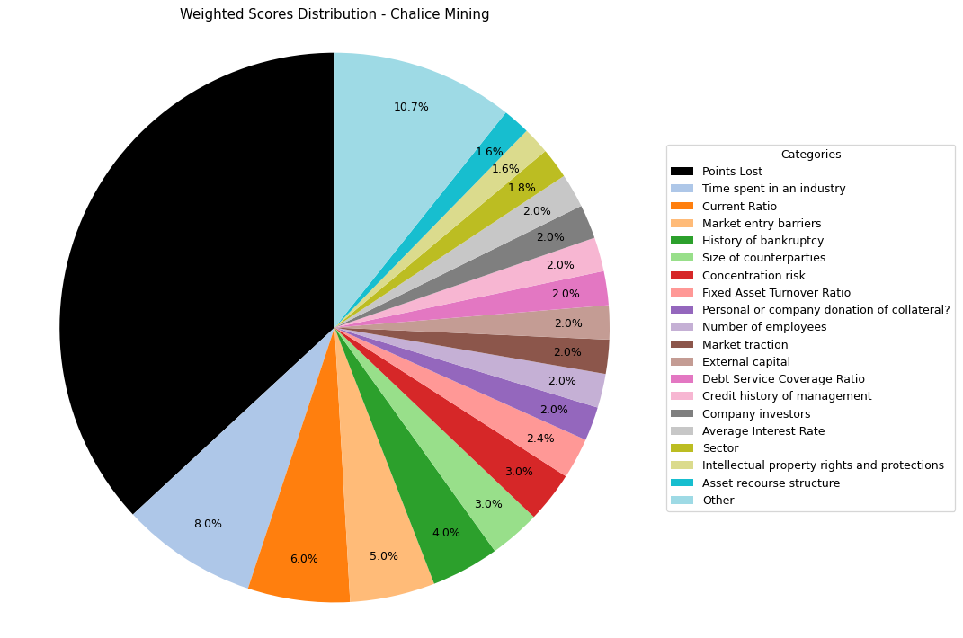
Financial Data | INPUTS | Questionnaire | Weights | Parameters | Values | Very Low Max | Max Min | Ok Max | High Max | Very High Max | Output
Total revenue | 50000 | What is your DSCR to date? | 10.0% | Debt Service Coverage Ratio | 0.5 | 1 | 1.3 | 1.5 | 2 | 2.5 | 1 | 1.89
EBITDA |  | What is the free cash flow? | 5.0% | Free Cash Flow | -56961000 | 0 | 100000 | 500000 | 1000000 | 2000000 | 1 | -56961000
Operating income | -28663000 | What is the average interest rate on debt facilities for the Company? | 2.5% | Average Interest Rate | 0.09 | 0.2 | 0.15 | 0.12 | 0.09 | 0.05 | 4 | 0.09 | 0.09
[Cash Flow Statement] |  | What proportion of the revenue is from gross margin? | 5.0% | Gross Margin Ratio | -573.26 | 0.1 | 0.25 | 0.35 | 0.5 | 0.7 | 1 | -573.26
Operational cash flow | -29141000 | What is your debt to income ratio? | 2.5% | Debt-to-Income | 0.89975076156 | 0.6 | 0.55 | 0.5 | 0.45 | 0.4 | 1 | 0.89975076156
Capital expenditure | 27820000 | What's the current ratio? | 6.0% | Current Ratio | 20.249398832 | 0.5 | 1 | 1.5 | 2 | 2.5 | 5 | 20.249398832
Debt service |  | What proportion of debt to equity | 4.0% | Debt to Equity | 0.044754484508 | 0.035 | 0.03 | 0.02 | 0.015 | 0.01 | 1 | 0.044754484508
[Balance Sheet] |  | How much of the capital is coming from external sources? | 2.0% | External capital | 1 | 0.1 | 0.2 | 0.5 | 0.6 | 0.8 | 5
Total current assets | 117892000 | What's the revenue growth rate of the company? | 6.0% | Revenue growth rate annually | 0 | 0 | 0.05 | 0.1 | 0.15 | 0.2 | 1
Total assets | 172980000 | How much of your investors are company insiders? | 2.0% | Company investors | 5 | 1 | 2 | 3 | 4 | 5 | 5
Total current liabilities | 5822000 | Is the market very competitive or is it newer and less monopolized? | 5.0% | Market entry barriers | 5 | 1 | 2 | 3 | 4 | 5 | 5
Total liabilities | 7410000 | How much of the Companies revenues are tied to Commodity Prices? | 3.0% | Commodity Price Risk | 1 | 1 | 2 | 3 | 4 | 5 | 1
Total equity | 165570000 | What potential are there for changes in levies and taxes on production? | 2.0% | Industry-related government policy | 3 | 1 | 2 | 3 | 4 | 5 | 3
Total debt |  | What segment of the market is the company a part of? | 3.0% | Sector | 3 | 1 | 2 | 3 | 4 | 5 | 3
 |  | What traction to date has the company gained | 2.0% | Market traction | 5 | 1 | 2 | 3 | 4 | 5 | 5
 |  | Do management have any personal history of default? | 2.0% | Credit history of management | 5 | 1 | 2 | 3 | 4 | 5 | 5
 |  | Does the Company have IP rights and trademarks secured? | 4.0% | Intellectual property rights and protections | 2 | 1 | 2 | 3 | 4 | 5 | 2
 |  | How long have management spent working in the industry of the Companies chosen field? | 8.0% | Time spent in an industry | 5 | 1 | 2 | 3 | 4 | 5 | 5
 |  | Have any of the Directors been bankrupt at any point in time? | 4.0% | History of bankruptcy | 5 | 1 | 2 | 3 | 4 | 5 | 5
 |  | How many employees work for the company? | 2.0% | Number of employees | 5 | 1 | 2 | 3 | 4 | 5 | 5
 |  | How big are the counterparties that they're working with? | 3.0% | Size of counterparties | 5 | 1 | 2 | 3 | 4 | 5 | 5
 |  | Amount of counterparties? | 3.0% | Concentration risk | 5 | 1 | 2 | 3 | 4 | 5 | 5
 |  | How long will a PPA last and is the agreement solidified? | 2.0% | Stability of PPAs (where relevant) | 1 | 1 | 2 | 3 | 4 | 5 | 1
 |  | Has the counterparty been in good credit standing? | 1.0% | Credit history of counterparty | 5 | 1 | 2 | 3 | 4 | 5 | 5
 |  | Is there any significant financial news on the counterparty that would indicate a risk? | 1.0% | Relevant news on the company (counterparty) | 5 | 1 | 2 | 3 | 4 | 5 | 5
 |  | What is the fixed asset turnover ratio? | 4.0% | Fixed Asset Turnover Ratio | 3 | 1 | 2 | 3 | 4 | 5 | 3
 |  | Is there any collateral that has/is been pledged elsewhere and is there more available? | 1.0% | Existing collateral obligations | 5 | 1 | 2 | 3 | 4 | 5 | 5
 |  | Is there an established system of recourse in the event of default? | 2.0% | Asset recourse structure | 4 | 1 | 2 | 3 | 4 | 5 | 4
 |  | Is the collateral coming from the companies assets or is it less organized and coming from an individual? | 2.0% | Personal or company donation of collateral? | 5 | 1 | 2 | 3 | 4 | 5 | 5
 |  | Is the collateral readily available in the case of default? | 1.0% | Description/Location of Collateral | 5 | 1 | 2 | 3 | 4 | 5 | 5

 |  |  |  | Final Score: |  |  |  |  |  |  | 63.1

Beach Energy
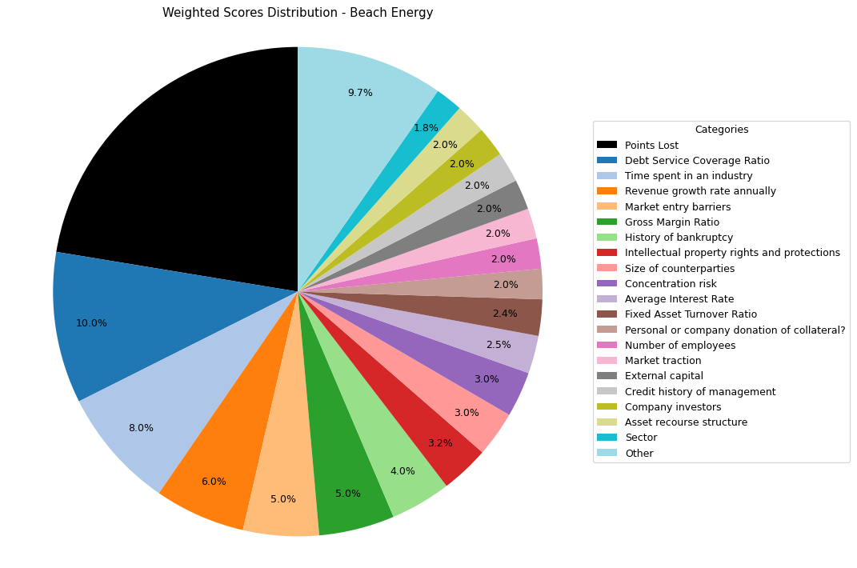
Financial Data | INPUTS | Questionnaire | Weights | Parameters | Values | Very Low Max | Max Min | Ok Max | High Max | Very High Max | Output
Total revenue | 1646400000 | What is your DSCR to date? | 10% | Debt Service Coverage Ratio | 7.817 | 1 | 1.3 | 1.5 | 2 | 2.5 | 5 | -171700000
EBITDA | 586300000 | What is the free cash flow? | 5% | Free Cash Flow | -171700000 | 0 | 100000 | 500000 | 1000000 | 2000000 | 1 | 0.046
Operating income | 4038000000 | What is the average interest rate on debt facilities for the Company? | 3% | Average Interest Rate | 0.046 | 0.2 | 0.15 | 0.12 | 0.09 | 0.05 | 5 | 2.4526239067 | 0.09
[Cash Flow Statement] |  | What proportion of the revenue is from gross margin? | 5% | Gross Margin Ratio | 2.4526239067 | 0.1 | 0.25 | 0.35 | 0.5 | 0.7 | 5 | 0.6571720962
Operational cash flow | 928600000 | What is your debt to income ratio? | 3% | Debt-to-Income | 0.6571720962 | 0.6 | 0.55 | 0.5 | 0.45 | 0.4 | 1 | 0.15085547051
Capital expenditure | 1100300000 | What's the current ratio? | 6% | Current Ratio | 0.15085547051 | 0.5 | 1 | 1.5 | 2 | 2.5 | 1 | 0.052012687279
Debt service | 75000000 | What proportion of debt to equity | 4% | Debt to Equity | 0.052012687279 | 0.035 | 0.03 | 0.02 | 0.015 | 0.01 | 1 | 0.052012687279
[Balance Sheet] |  | How much of the capital is coming from external sources? | 2% | External capital | 1 | 0.1 | 0.2 | 0.5 | 0.6 | 0.8 | 5
Total current assets | 670100000 | What's the revenue growth rate of the company? | 6% | Revenue growth rate annually | 0.25 | 0 | 0.05 | 0.1 | 0.15 | 0.2 | 5
Total assets | 5894900000 | How much of your investors are company insiders? | 2% | Company investors | 5 | 1 | 2 | 3 | 4 | 5 | 5
Total current liabilities | 4442000000 | Is the market very competitive or is it newer and less monopolized? | 5% | Market entry barriers | 5 | 1 | 2 | 3 | 4 | 5 | 5
Total liabilities | 2017000000 | How much of the Companies revenues are tied to Commodity Prices? | 3% | Commodity Price Risk | 1 | 1 | 2 | 3 | 4 | 5 | 1
Total equity | 38779000000 | What potential are there for changes in levies and taxes on production? | 2% | Industry-related government policy | 3 | 1 | 2 | 3 | 4 | 5 | 3
Total debt | 385300000 | What segment of the market is the company a part of? | 3% | Sector | 3 | 1 | 2 | 3 | 4 | 5 | 3
 |  | What traction to date has the company gained | 2% | Market traction | 5 | 1 | 2 | 3 | 4 | 5 | 5
 |  | Do management have any personal history of default? | 2% | Credit history of management | 5 | 1 | 2 | 3 | 4 | 5 | 5
 |  | Does the Company have IP rights and trademarks secured? | 4% | Intellectual property rights and protections | 4 | 1 | 2 | 3 | 4 | 5 | 4
 |  | How long have management spent working in the industry of the Companies chosen field? | 8% | Time spent in an industry | 5 | 1 | 2 | 3 | 4 | 5 | 5
 |  | Have any of the Directors been bankrupt at any point in time? | 4% | History of bankruptcy | 5 | 1 | 2 | 3 | 4 | 5 | 5
 |  | How many employees work for the company? | 2% | Number of employees | 5 | 1 | 2 | 3 | 4 | 5 | 5
 |  | How big are the counterparties that they're working with? | 3% | Size of counterparties | 5 | 1 | 2 | 3 | 4 | 5 | 5
 |  | Amount of counterparties? | 3% | Concentration risk | 5 | 1 | 2 | 3 | 4 | 5 | 5
 |  | How long will a PPA last and is the agreement solidified? | 2% | Stability of PPAs (where relevant) | 1 | 1 | 2 | 3 | 4 | 5 | 1
 |  | Has the counterparty been in good credit standing? | 1% | Credit history of counterparty | 5 | 1 | 2 | 3 | 4 | 5 | 5
 |  | Is there any significant financial news on the counterparty that would indicate a risk? | 1% | Relevant news on the company (counterparty) | 5 | 1 | 2 | 3 | 4 | 5 | 5
 |  | What is the fixed asset turnover ratio? | 4% | Fixed Asset Turnover Ratio | 3 | 1 | 2 | 3 | 4 | 5 | 3
 |  | Is there any collateral that has/is been pledged elsewhere and is there more available? | 1% | Existing collateral obligations | 5 | 1 | 2 | 3 | 4 | 5 | 5
 |  | Is there an established system of recourse in the event of default? | 2% | Asset recourse structure | 5 | 1 | 2 | 3 | 4 | 5 | 5
 |  | Is the collateral coming from the companies assets or is it less organized and coming from an individual? | 2% | Personal or company donation of collateral? | 5 | 1 | 2 | 3 | 4 | 5 | 5
 |  | Is the collateral readily available in the case of default? | 1% | Description/Location of Collateral | 5 | 1 | 2 | 3 | 4 | 5 | 5

 |  |  |  | Final Score: |  |  |  |  |  |  | 77.6

Regis Resources
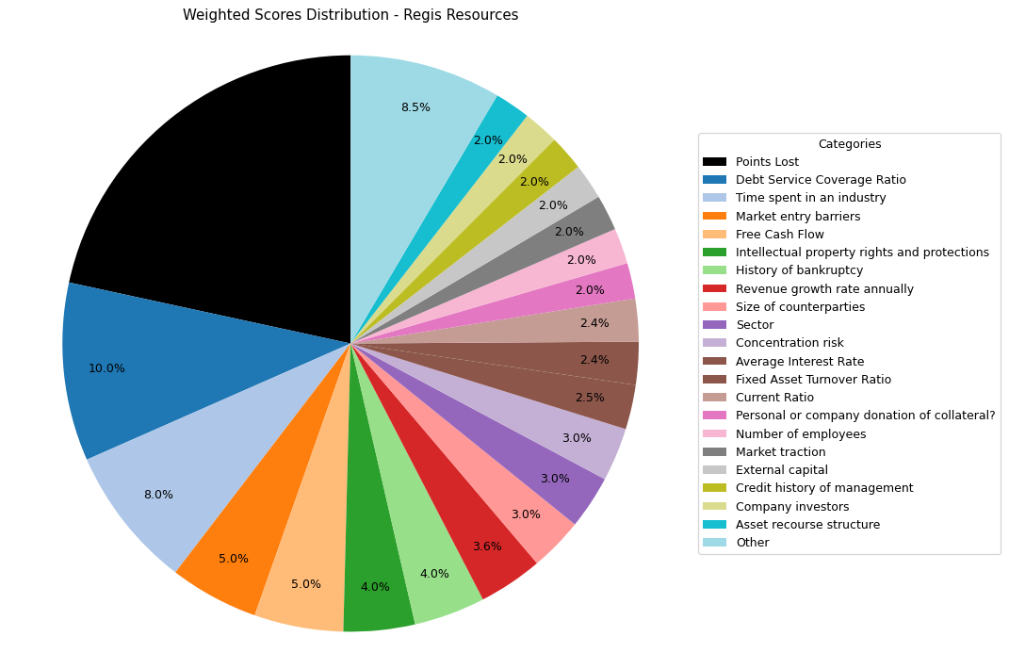
Financial Data | INPUTS | Questionnaire | Weights | Parameters | Values | Very Low Max | Max Min | Ok Max | High Max | Very High Max | Output
Total revenue | 1133732000 | What is your DSCR to date? | 10% | Debt Service Coverage Ratio | 27.625158075 | 1 | 1.3 | 1.5 | 2 | 2.5 | 5 | 27.625158075
EBITDA | 371365000 | What is the free cash flow? | 5% | Free Cash Flow | 40414000 | 0 | 100000 | 500000 | 1000000 | 2000000 | 5 | 40414000
Operating income | 98229000 | What is the average interest rate on debt facilities for the Company? | 3% | Average Interest Rate | 0.02 | 0.2 | 0.15 | 0.12 | 0.09 | 0.05 | 5 | 0.02 | 0.09
[Cash Flow Statement] |  | What proportion of the revenue is from gross margin? | 5% | Gross Margin Ratio | 0.086642169402 | 0.1 | 0.25 | 0.35 | 0.5 | 0.7 | 1 | 0.086642169402
Operational cash flow | 454936000 | What is your debt to income ratio? | 3% | Debt-to-Income | 0.80445922475 | 0.6 | 0.55 | 0.5 | 0.45 | 0.4 | 1 | 0.80445922475
Capital expenditure | 414522000 | What's the current ratio? | 6% | Current Ratio | 0.97016243138 | 0.5 | 1 | 1.5 | 2 | 2.5 | 2 | 0.97016243138
Debt service | 13443000 | What proportion of debt to equity | 4% | Debt to Equity | 0.54080973295 | 0.035 | 0.03 | 0.02 | 0.015 | 0.01 | 1 | 0.54080973295
[Balance Sheet] |  | How much of the capital is coming from external sources? | 2% | External capital | 1 | 0.1 | 0.2 | 0.5 | 0.6 | 0.8 | 5
Total current assets | 428545000 | What's the revenue growth rate of the company? | 6% | Revenue growth rate annually | 0.1 | 0 | 0.05 | 0.1 | 0.15 | 0.2 | 3
Total assets | 2372602000 | How much of your investors are company insiders? | 2% | Company investors | 5 | 1 | 2 | 3 | 4 | 5 | 5
Total current liabilities | 441725000 | Is the market very competitive or is it newer and less monopolized? | 5% | Market entry barriers | 5 | 1 | 2 | 3 | 4 | 5 | 5
Total liabilities | 832761000 | How much of the Companies revenues are tied to Commodity Prices? | 3% | Commodity Price Risk | 1 | 1 | 2 | 3 | 4 | 5 | 1
Total equity | 1539841000 | What potential are there for changes in levies and taxes on production? | 2% | Industry-related government policy | 3 | 1 | 2 | 3 | 4 | 5 | 3
Total debt | 298748000 | What segment of the market is the company a part of? | 3% | Sector | 5 | 1 | 2 | 3 | 4 | 5 | 5
 |  | What traction to date has the company gained | 2% | Market traction | 5 | 1 | 2 | 3 | 4 | 5 | 5
 |  | Do management have any personal history of default? | 2% | Credit history of management | 5 | 1 | 2 | 3 | 4 | 5 | 5
 |  | Does the Company have IP rights and trademarks secured? | 4% | Intellectual property rights and protections | 5 | 1 | 2 | 3 | 4 | 5 | 5
 |  | How long have management spent working in the industry of the Companies chosen field? | 8% | Time spent in an industry | 5 | 1 | 2 | 3 | 4 | 5 | 5
 |  | Have any of the Directors been bankrupt at any point in time? | 4% | History of bankruptcy | 5 | 1 | 2 | 3 | 4 | 5 | 5
 |  | How many employees work for the company? | 2% | Number of employees | 5 | 1 | 2 | 3 | 4 | 5 | 5
 |  | How big are the counterparties that they're working with? | 3% | Size of counterparties | 5 | 1 | 2 | 3 | 4 | 5 | 5
 |  | Amount of counterparties? | 3% | Concentration risk | 5 | 1 | 2 | 3 | 4 | 5 | 5
 |  | How long will a PPA last and is the agreement solidified? | 2% | Stability of PPAs (where relevant) | 1 | 1 | 2 | 3 | 4 | 5 | 1
 |  | Has the counterparty been in good credit standing? | 1% | Credit history of counterparty | 5 | 1 | 2 | 3 | 4 | 5 | 5
 |  | Is there any significant financial news on the counterparty that would indicate a risk? | 1% | Relevant news on the company (counterparty) | 5 | 1 | 2 | 3 | 4 | 5 | 5
 |  | What is the fixed asset turnover ratio? | 4% | Fixed Asset Turnover Ratio | 3 | 1 | 2 | 3 | 4 | 5 | 3
 |  | Is there any collateral that has/is been pledged elsewhere and is there more available? | 1% | Existing collateral obligations | 5 | 1 | 2 | 3 | 4 | 5 | 5
 |  | Is there an established system of recourse in the event of default? | 2% | Asset recourse structure | 5 | 1 | 2 | 3 | 4 | 5 | 5
 |  | Is the collateral coming from the companies assets or is it less organized and coming from an individual? | 2% | Personal or company donation of collateral? | 5 | 1 | 2 | 3 | 4 | 5 | 5
 |  | Is the collateral readily available in the case of default? | 1% | Description/Location of Collateral | 5 | 1 | 2 | 3 | 4 | 5 | 5

 |  |  |  | Final Score: |  |  |  |  |  |  | 78.4

Grange Resources
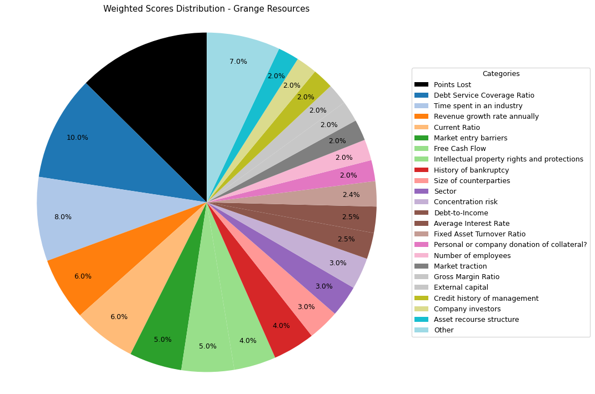
Financial Data | INPUTS | Questionnaire | Weights | Parameters | Values | Very Low Max | Max Min | Ok Max | High Max | Very High Max | Output
Total revenue | 614744000 | What is your DSCR to date? | 10% | Debt Service Coverage Ratio | 2.5928926178 | 1 | 1.3 | 1.5 | 2 | 2.5 | 5 | 2.5928926178
EBITDA | 215096000 | What is the free cash flow? | 5% | Free Cash Flow | 257466000 | 0 | 100000 | 500000 | 1000000 | 2000000 | 5 | 257466000
Operating income | 150104000 | What is the average interest rate on debt facilities for the Company? | 3% | Average Interest Rate | 0.0517 | 0.2 | 0.15 | 0.12 | 0.09 | 0.05 | 5 | 0.0517 | 0.09
[Cash Flow Statement] |  | What proportion of the revenue is from gross margin? | 5% | Gross Margin Ratio | 0.24417318428 | 0.1 | 0.25 | 0.35 | 0.5 | 0.7 | 2 | 0.24417318428
Operational cash flow | 267108000 | What is your debt to income ratio? | 3% | Debt-to-Income | 0.234220999 | 0.6 | 0.55 | 0.5 | 0.45 | 0.4 | 5 | 0.234220999
Capital expenditure | 9642000 | What's the current ratio? | 6% | Current Ratio | 6.9675635161 | 0.5 | 1 | 1.5 | 2 | 2.5 | 5 | 6.9675635161
Debt service | 82956000 | What proportion of debt to equity | 4% | Debt to Equity | 0.20635473168 | 0.035 | 0.03 | 0.02 | 0.015 | 0.01 | 1 | 0.20635473168
[Balance Sheet] |  | How much of the capital is coming from external sources? | 2% | External capital | 1 | 0.1 | 0.2 | 0.5 | 0.6 | 0.8 | 5
Total current assets | 539164000 | What's the revenue growth rate of the company? | 6% | Revenue growth rate annually | 0.2 | 0 | 0.05 | 0.1 | 0.15 | 0.2 | 5
Total assets | 1244145000 | How much of your investors are company insiders? | 2% | Company investors | 5 | 1 | 2 | 3 | 4 | 5 | 5
Total current liabilities | 77382000 | Is the market very competitive or is it newer and less monopolized? | 5% | Market entry barriers | 5 | 1 | 2 | 3 | 4 | 5 | 5
Total liabilities | 212819000 | How much of the Companies revenues are tied to Commodity Prices? | 3% | Commodity Price Risk | 1 | 1 | 2 | 3 | 4 | 5 | 1
Total equity | 1031326000 | What potential are there for changes in levies and taxes on production? | 2% | Industry-related government policy | 3 | 1 | 2 | 3 | 4 | 5 | 3
Total debt | 50380000 | What segment of the market is the company a part of? | 3% | Sector | 5 | 1 | 2 | 3 | 4 | 5 | 5
 |  | What traction to date has the company gained | 2% | Market traction | 5 | 1 | 2 | 3 | 4 | 5 | 5
 |  | Do management have any personal history of default? | 2% | Credit history of management | 5 | 1 | 2 | 3 | 4 | 5 | 5
 |  | Does the Company have IP rights and trademarks secured? | 4% | Intellectual property rights and protections | 5 | 1 | 2 | 3 | 4 | 5 | 5
 |  | How long have management spent working in the industry of the Companies chosen field? | 8% | Time spent in an industry | 5 | 1 | 2 | 3 | 4 | 5 | 5
 |  | Have any of the Directors been bankrupt at any point in time? | 4% | History of bankruptcy | 5 | 1 | 2 | 3 | 4 | 5 | 5
 |  | How many employees work for the company? | 2% | Number of employees | 5 | 1 | 2 | 3 | 4 | 5 | 5
 |  | How big are the counterparties that they're working with? | 3% | Size of counterparties | 5 | 1 | 2 | 3 | 4 | 5 | 5
 |  | Amount of counterparties? | 3% | Concentration risk | 5 | 1 | 2 | 3 | 4 | 5 | 5
 |  | How long will a PPA last and is the agreement solidified? | 2% | Stability of PPAs (where relevant) | 1 | 1 | 2 | 3 | 4 | 5 | 1
 |  | Has the counterparty been in good credit standing? | 1% | Credit history of counterparty | 5 | 1 | 2 | 3 | 4 | 5 | 5
 |  | Is there any significant financial news on the counterparty that would indicate a risk? | 1% | Relevant news on the company (counterparty) | 5 | 1 | 2 | 3 | 4 | 5 | 5
 |  | What is the fixed asset turnover ratio? | 4% | Fixed Asset Turnover Ratio | 3 | 1 | 2 | 3 | 4 | 5 | 3
 |  | Is there any collateral that has/is been pledged elsewhere and is there more available? | 1% | Existing collateral obligations | 5 | 1 | 2 | 3 | 4 | 5 | 5
 |  | Is there an established system of recourse in the event of default? | 2% | Asset recourse structure | 5 | 1 | 2 | 3 | 4 | 5 | 5
 |  | Is the collateral coming from the companies assets or is it less organized and coming from an individual? | 2% | Personal or company donation of collateral? | 5 | 1 | 2 | 3 | 4 | 5 | 5
 |  | Is the collateral readily available in the case of default? | 1% | Description/Location of Collateral | 5 | 1 | 2 | 3 | 4 | 5 | 5

 |  |  |  | Final Score: |  |  |  |  |  |  | 87.4

Red Hawk Mining
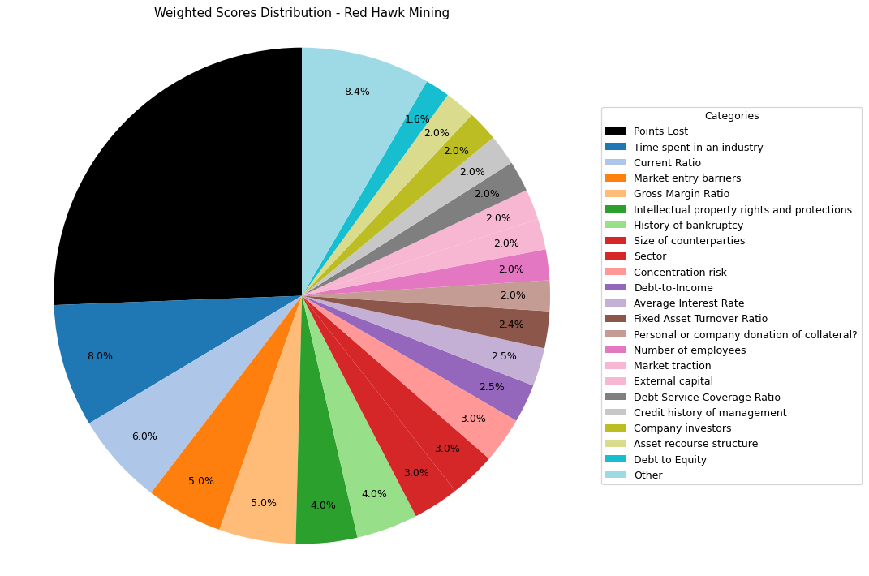
Financial Data | INPUTS | Questionnaire | Weights | Parameters | Values | Very Low Max | Max Min | Ok Max | High Max | Very High Max | Output
Total revenue | 18683000 | What is your DSCR to date? | 10% | Debt Service Coverage Ratio | -1 | 1 | 1.3 | 1.5 | 2 | 2.5 | 1 | -1
EBITDA | -5498000 | What is the free cash flow? | 5% | Free Cash Flow | -10483000 | 0 | 100000 | 500000 | 1000000 | 2000000 | 1 | -10483000
Operating income | 13185000 | What is the average interest rate on debt facilities for the Company? | 3% | Average Interest Rate | 0.042 | 0.2 | 0.15 | 0.12 | 0.09 | 0.05 | 5 | 0.042 | 0.09
[Cash Flow Statement] |  | What proportion of the revenue is from gross margin? | 5% | Gross Margin Ratio | 0.70572177916 | 0.1 | 0.25 | 0.35 | 0.5 | 0.7 | 5 | 0.70572177916
Operational cash flow | -3905000 | What is your debt to income ratio? | 3% | Debt-to-Income | -0.18188432157 | 0.6 | 0.55 | 0.5 | 0.45 | 0.4 | 5 | -0.18188432157
Capital expenditure | 6578000 | What's the current ratio? | 6% | Current Ratio | 5.4773095624 | 0.5 | 1 | 1.5 | 2 | 2.5 | 5 | 5.4773095624
Debt service | 1 | What proportion of debt to equity | 4% | Debt to Equity | 0.032487491065 | 0.035 | 0.03 | 0.02 | 0.015 | 0.01 | 2 | 0.032487491065
[Balance Sheet] |  | How much of the capital is coming from external sources? | 2% | External capital | 1 | 0.1 | 0.2 | 0.5 | 0.6 | 0.8 | 5
Total current assets | 6759000 | What's the revenue growth rate of the company? | 6% | Revenue growth rate annually | 0 | 0 | 0.05 | 0.1 | 0.15 | 0.2 | 1
Total assets | 86667000 | How much of your investors are company insiders? | 2% | Company investors | 5 | 1 | 2 | 3 | 4 | 5 | 5
Total current liabilities | 1234000 | Is the market very competitive or is it newer and less monopolized? | 5% | Market entry barriers | 5 | 1 | 2 | 3 | 4 | 5 | 5
Total liabilities | 2727000 | How much of the Companies revenues are tied to Commodity Prices? | 3% | Commodity Price Risk | 1 | 1 | 2 | 3 | 4 | 5 | 1
Total equity | 83940000 | What potential are there for changes in levies and taxes on production? | 2% | Industry-related government policy | 3 | 1 | 2 | 3 | 4 | 5 | 3
Total debt | 1000000 | What segment of the market is the company a part of? | 3% | Sector | 5 | 1 | 2 | 3 | 4 | 5 | 5
 |  | What traction to date has the company gained | 2% | Market traction | 5 | 1 | 2 | 3 | 4 | 5 | 5
 |  | Do management have any personal history of default? | 2% | Credit history of management | 5 | 1 | 2 | 3 | 4 | 5 | 5
 |  | Does the Company have IP rights and trademarks secured? | 4% | Intellectual property rights and protections | 5 | 1 | 2 | 3 | 4 | 5 | 5
 |  | How long have management spent working in the industry of the Companies chosen field? | 8% | Time spent in an industry | 5 | 1 | 2 | 3 | 4 | 5 | 5
 |  | Have any of the Directors been bankrupt at any point in time? | 4% | History of bankruptcy | 5 | 1 | 2 | 3 | 4 | 5 | 5
 |  | How many employees work for the company? | 2% | Number of employees | 5 | 1 | 2 | 3 | 4 | 5 | 5
 |  | How big are the counterparties that they're working with? | 3% | Size of counterparties | 5 | 1 | 2 | 3 | 4 | 5 | 5
 |  | Amount of counterparties? | 3% | Concentration risk | 5 | 1 | 2 | 3 | 4 | 5 | 5
 |  | How long will a PPA last and is the agreement solidified? | 2% | Stability of PPAs (where relevant) | 1 | 1 | 2 | 3 | 4 | 5 | 1
 |  | Has the counterparty been in good credit standing? | 1% | Credit history of counterparty | 5 | 1 | 2 | 3 | 4 | 5 | 5
 |  | Is there any significant financial news on the counterparty that would indicate a risk? | 1% | Relevant news on the company (counterparty) | 5 | 1 | 2 | 3 | 4 | 5 | 5
 |  | What is the fixed asset turnover ratio? | 4% | Fixed Asset Turnover Ratio | 3 | 1 | 2 | 3 | 4 | 5 | 3
 |  | Is there any collateral that has/is been pledged elsewhere and is there more available? | 1% | Existing collateral obligations | 5 | 1 | 2 | 3 | 4 | 5 | 5
 |  | Is there an established system of recourse in the event of default? | 2% | Asset recourse structure | 5 | 1 | 2 | 3 | 4 | 5 | 5
 |  | Is the collateral coming from the companies assets or is it less organized and coming from an individual? | 2% | Personal or company donation of collateral? | 5 | 1 | 2 | 3 | 4 | 5 | 5
 |  | Is the collateral readily available in the case of default? | 1% | Description/Location of Collateral | 5 | 1 | 2 | 3 | 4 | 5 | 5

 |  |  |  | Final Score: |  |  |  |  |  |  | 74.4

Bannerman Energy
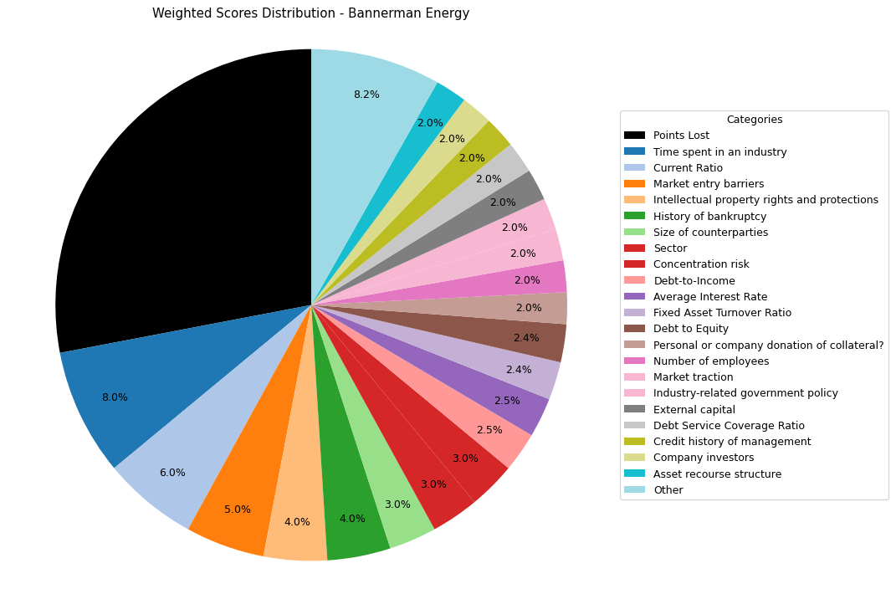
Financial Data | INPUTS | Questionnaire | Weights | Parameters | Values | Very Low Max | Max Min | Ok Max | High Max | Very High Max | Output
Total revenue | 1385000 | What is your DSCR to date? | 10% | Debt Service Coverage Ratio | -1 | 1 | 1.3 | 1.5 | 2 | 2.5 | 1
EBITDA | -4750000 | What is the free cash flow? | 5% | Free Cash Flow | -62634478 | 0 | 100000 | 500000 | 1000000 | 2000000 | 1
Operating income | -10363000 | What is the average interest rate on debt facilities for the Company? | 3% | Average Interest Rate | 0.04 | 0.2 | 0.15 | 0.12 | 0.09 | 0.05 | 5 | 0.09
[Cash Flow Statement] |  | What proportion of the revenue is from gross margin? | 5% | Gross Margin Ratio | -7.4823104693 | 0.1 | 0.25 | 0.35 | 0.5 | 0.7 | 1
Operational cash flow | -2329000 | What is your debt to income ratio? | 3% | Debt-to-Income | -0.21052631579 | 0.6 | 0.55 | 0.5 | 0.45 | 0.4 | 5
Capital expenditure | 60305478 | What's the current ratio? | 6% | Current Ratio | 22.411369509 | 0.5 | 1 | 1.5 | 2 | 2.5 | 5
Debt service | 1 | What proportion of debt to equity | 4% | Debt to Equity | 0.020342535048 | 0.035 | 0.03 | 0.02 | 0.015 | 0.01 | 3
[Balance Sheet] |  | How much of the capital is coming from external sources? | 2% | External capital | 1 | 0.1 | 0.2 | 0.5 | 0.6 | 0.8 | 5
Total current assets | 43366000 | What's the revenue growth rate of the company? | 6% | Revenue growth rate annually | 0 | 0 | 0.05 | 0.1 | 0.15 | 0.2 | 1
Total assets | 112956000 | How much of your investors are company insiders? | 2% | Company investors | 5 | 1 | 2 | 3 | 4 | 5 | 5
Total current liabilities | 1935000 | Is the market very competitive or is it newer and less monopolized? | 5% | Market entry barriers | 5 | 1 | 2 | 3 | 4 | 5 | 5
Total liabilities | 2252000 | How much of the Companies revenues are tied to Commodity Prices? | 3% | Commodity Price Risk | 1 | 1 | 2 | 3 | 4 | 5 | 1
Total equity | 110704000 | What potential are there for changes in levies and taxes on production? | 2% | Industry-related government policy | 5 | 1 | 2 | 3 | 4 | 5 | 5
Total debt | 1000000 | What segment of the market is the company a part of? | 3% | Sector | 5 | 1 | 2 | 3 | 4 | 5 | 5
 |  | What traction to date has the company gained | 2% | Market traction | 5 | 1 | 2 | 3 | 4 | 5 | 5
 |  | Do management have any personal history of default? | 2% | Credit history of management | 5 | 1 | 2 | 3 | 4 | 5 | 5
 |  | Does the Company have IP rights and trademarks secured? | 4% | Intellectual property rights and protections | 5 | 1 | 2 | 3 | 4 | 5 | 5
 |  | How long have management spent working in the industry of the Companies chosen field? | 8% | Time spent in an industry | 5 | 1 | 2 | 3 | 4 | 5 | 5
 |  | Have any of the Directors been bankrupt at any point in time? | 4% | History of bankruptcy | 5 | 1 | 2 | 3 | 4 | 5 | 5
 |  | How many employees work for the company? | 2% | Number of employees | 5 | 1 | 2 | 3 | 4 | 5 | 5
 |  | How big are the counterparties that they're working with? | 3% | Size of counterparties | 5 | 1 | 2 | 3 | 4 | 5 | 5
 |  | Amount of counterparties? | 3% | Concentration risk | 5 | 1 | 2 | 3 | 4 | 5 | 5
 |  | How long will a PPA last and is the agreement solidified? | 2% | Stability of PPAs (where relevant) | 1 | 1 | 2 | 3 | 4 | 5 | 1
 |  | Has the counterparty been in good credit standing? | 1% | Credit history of counterparty | 5 | 1 | 2 | 3 | 4 | 5 | 5
 |  | Is there any significant financial news on the counterparty that would indicate a risk? | 1% | Relevant news on the company (counterparty) | 5 | 1 | 2 | 3 | 4 | 5 | 5
 |  | What is the fixed asset turnover ratio? | 4% | Fixed Asset Turnover Ratio | 3 | 1 | 2 | 3 | 4 | 5 | 3
 |  | Is there any collateral that has/is been pledged elsewhere and is there more available? | 1% | Existing collateral obligations | 5 | 1 | 2 | 3 | 4 | 5 | 5
 |  | Is there an established system of recourse in the event of default? | 2% | Asset recourse structure | 5 | 1 | 2 | 3 | 4 | 5 | 5
 |  | Is the collateral coming from the companies assets or is it less organized and coming from an individual? | 2% | Personal or company donation of collateral? | 5 | 1 | 2 | 3 | 4 | 5 | 5
 |  | Is the collateral readily available in the case of default? | 1% | Description/Location of Collateral | 5 | 1 | 2 | 3 | 4 | 5 | 5

 |  |  |  | Final Score: |  |  |  |  |  |  | 72

