Plots
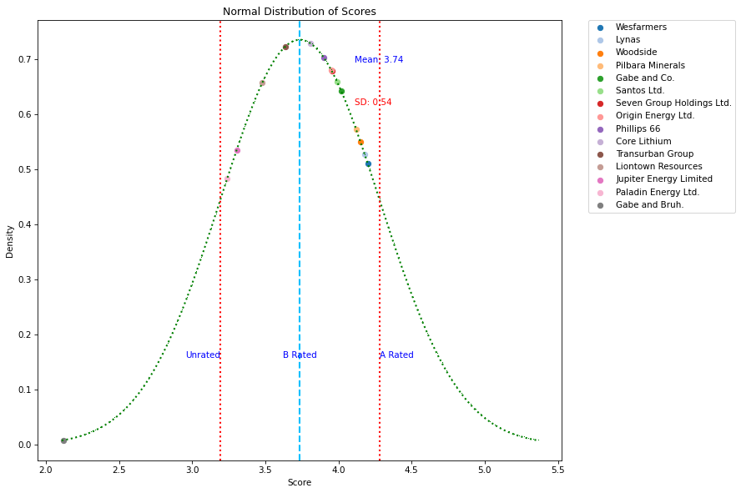
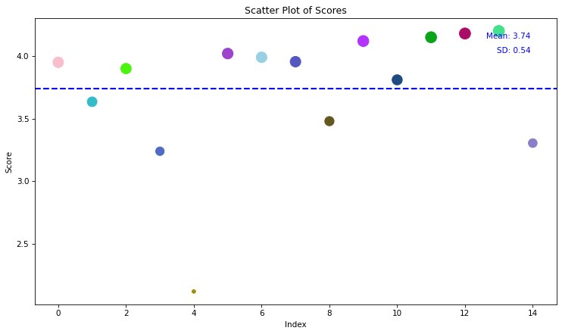
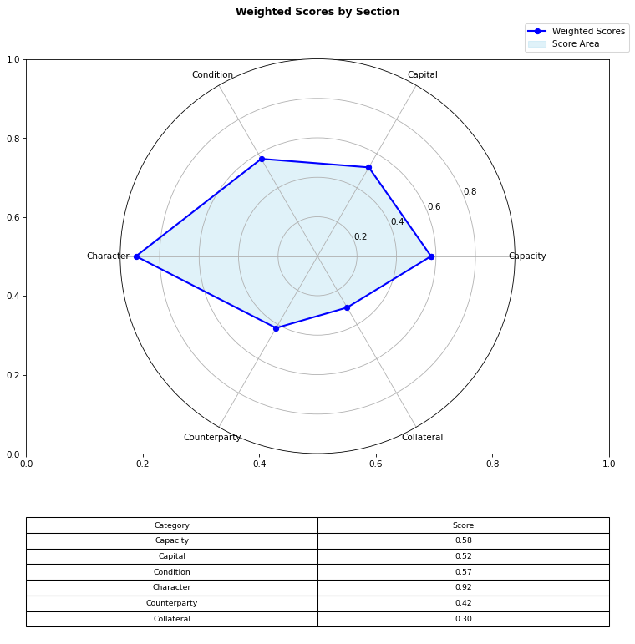

Origin Energy Ltd.
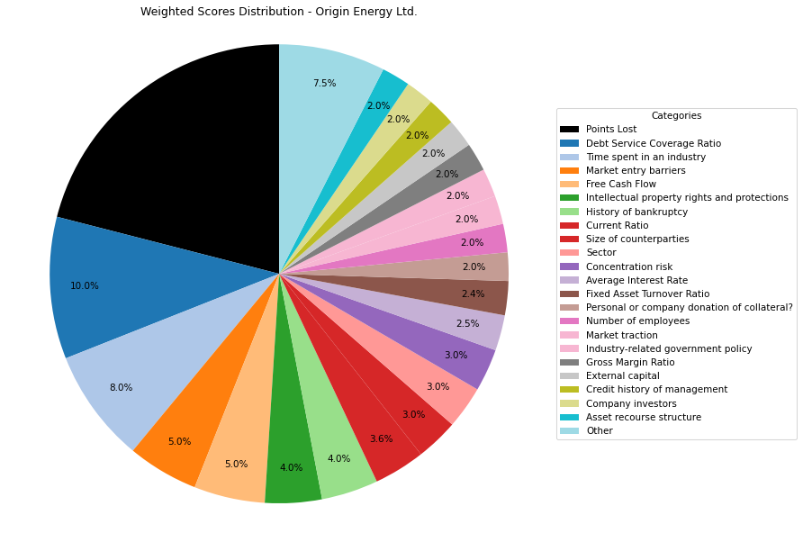
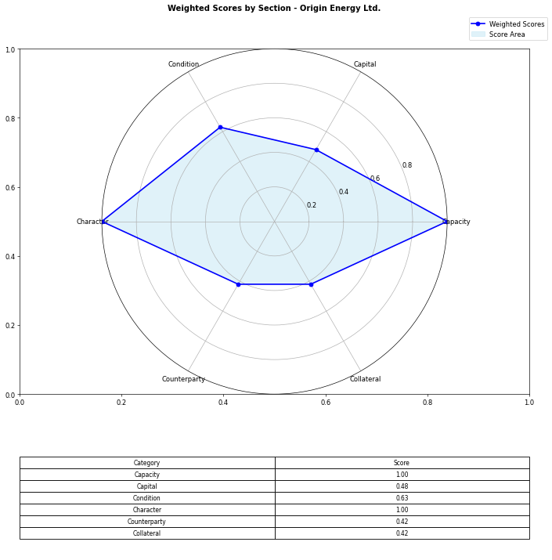
Financial Data | INPUTS | Questionnaire | Section | Weights | Parameters | Values | Very Low Max | Max Min | Ok Max | High Max | Very High Max | Output
Total revenue | 5835000000 | What is your DSCR to date? | Capacity | 10% | Debt Service Coverage Ratio | 2.4561264822 | 1 | 1.3 | 1.5 | 2 | 2.5 | 5 | 2.4561264822 | 2.4561264822
EBITDA | 3107000000 | What is the free cash flow? |  | 5% | Free Cash Flow | 965000000 | 0 | 100000 | 500000 | 1000000 | 2000000 | 5 | 965000000 | 965000000
Operating income | 1058000000 | What is the average interest rate on debt facilities for the Company? |  | 3% | Average Interest Rate | 0.04 | 0.2 | 0.15 | 0.12 | 0.09 | 0.05 | 5 | 0.09 | 0.09
[Cash Flow Statement] |  | What proportion of the revenue is from gross margin? |  | 5% | Gross Margin Ratio | 0.18131962296 | 0.1 | 0.25 | 0.35 | 0.5 | 0.7 | 1 | 0.18131962296 | 0.18131962296
Operational cash flow | 0 | What is your debt to income ratio? |  | 3% | Debt-to-Income | 0.90119085935 | 0.6 | 0.55 | 0.5 | 0.45 | 0.4 | 1 | 0.90119085935 | 0.90119085935
Capital expenditure | 0 | What's the current ratio? | Capital | 6% | Current Ratio | 1.0427225131 | 0.5 | 1 | 1.5 | 2 | 2.5 | 3 | 1.0427225131 | 1.0427225131 | 1.81
Debt service | 1265000000 | What proportion of debt to equity |  | 4% | Debt to Equity | 1.1263606778 | 0.035 | 0.03 | 0.02 | 0.015 | 0.01 | 1 | 1.1263606778 | 1.1263606778
[Balance Sheet] |  | How much of the capital is coming from external sources? |  | 2% | External capital | 1 | 0.1 | 0.2 | 0.5 | 0.6 | 0.8 | 5
Total current assets | 4979000000 | What's the revenue growth rate of the company? |  | 6% | Revenue growth rate annually | 0 | 0 | 0.05 | 0.1 | 0.15 | 0.2 | 5
Total assets | 18948000000 | How much of your investors are company insiders? |  | 2% | Company investors | 5 | 1 | 2 | 3 | 4 | 5 | 5
Total current liabilities | 4775000000 | Is the market very competitive or is it newer and less monopolized? | Condition | 5% | Market entry barriers | 5 | 1 | 2 | 3 | 4 | 5 | 5
Total liabilities | 10037000000 | How much of the Companies revenues are tied to Commodity Prices? |  | 3% | Commodity Price Risk | 1 | 1 | 2 | 3 | 4 | 5 | 3
Total equity | 8911000000 | What potential are there for changes in levies and taxes on production? |  | 2% | Industry-related government policy | 5 | 1 | 2 | 3 | 4 | 5 | 3
Total debt | 2800000000 | What segment of the market is the company a part of? |  | 3% | Sector | 5 | 1 | 2 | 3 | 4 | 5 | 5
 |  | What traction to date has the company gained |  | 2% | Market traction | 5 | 1 | 2 | 3 | 4 | 5 | 5
 |  | Do management have any personal history of default? | Character | 2% | Credit history of management | 5 | 1 | 2 | 3 | 4 | 5 | 5
 |  | Does the Company have IP rights and trademarks secured? |  | 4% | Intellectual property rights and protections | 5 | 1 | 2 | 3 | 4 | 5 | 5
 |  | How long have management spent working in the industry of the Companies chosen field? |  | 8% | Time spent in an industry | 5 | 1 | 2 | 3 | 4 | 5 | 5
 |  | Have any of the Directors been bankrupt at any point in time? |  | 4% | History of bankruptcy | 5 | 1 | 2 | 3 | 4 | 5 | 5
 |  | How many employees work for the company? |  | 2% | Number of employees | 5 | 1 | 2 | 3 | 4 | 5 | 5
 |  | How big are the counterparties that they're working with? | Counterparty | 3% | Size of counterparties | 5 | 1 | 2 | 3 | 4 | 5 | 5
 |  | Amount of counterparties? |  | 3% | Concentration risk | 5 | 1 | 2 | 3 | 4 | 5 | 5
 |  | How long will a PPA last and is the agreement solidified? |  | 2% | Stability of PPAs (where relevant) | 1 | 1 | 2 | 3 | 4 | 5 | 3
 |  | Has the counterparty been in good credit standing? |  | 1% | Credit history of counterparty | 5 | 1 | 2 | 3 | 4 | 5 | 5
 |  | Is there any significant financial news on the counterparty that would indicate a risk? |  | 1% | Relevant news on the company (counterparty) | 5 | 1 | 2 | 3 | 4 | 5 | 5
 |  | What is the fixed asset turnover ratio? | Collateral | 4% | Fixed Asset Turnover Ratio | 3 | 1 | 2 | 3 | 4 | 5 | 3
 |  | Is there any collateral that has/is been pledged elsewhere and is there more available? |  | 1% | Existing collateral obligations | 5 | 1 | 2 | 3 | 4 | 5 | 5
 |  | Is there an established system of recourse in the event of default? |  | 2% | Asset recourse structure | 5 | 1 | 2 | 3 | 4 | 5 | 5
 |  | Is the collateral coming from the companies assets or is it less organized and coming from an individual? |  | 2% | Personal or company donation of collateral? | 5 | 1 | 2 | 3 | 4 | 5 | 5
 |  | Is the collateral readily available in the case of default? |  | 1% | Description/Location of Collateral | 5 | 1 | 2 | 3 | 4 | 5 | 5
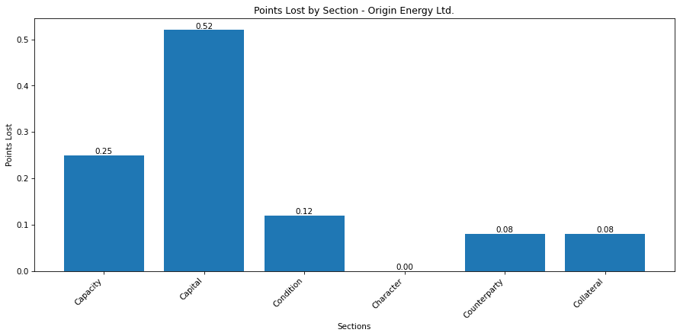
 |  |  |  |  | Final Score: |  |  |  |  |  |  | 3.95
 |  |  |  |  |  |  |  |  |  |  | S&P: | BBB

Transurban Group
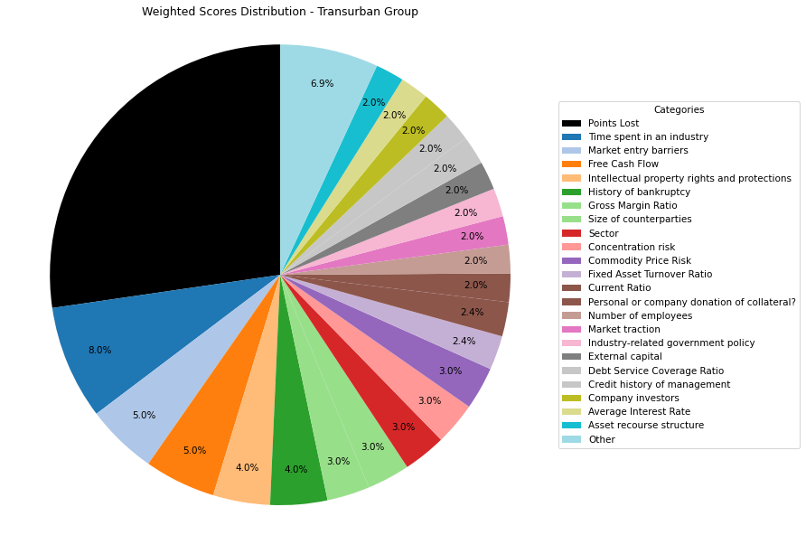
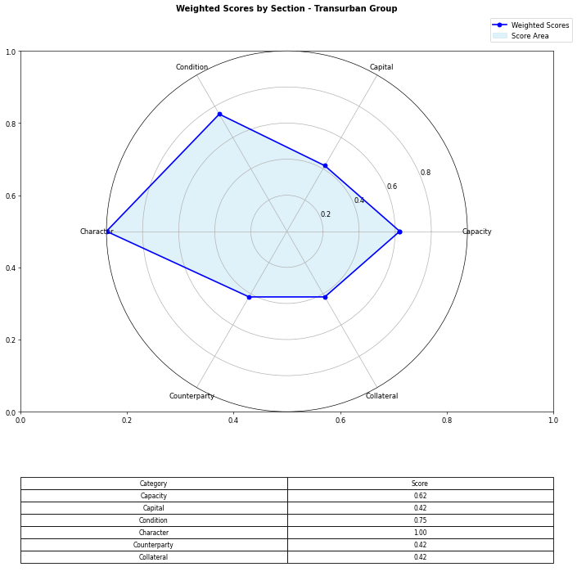
Financial Data | INPUTS | Questionnaire | Section | Weights | Parameters | Values | Very Low Max | Max Min | Ok Max | High Max | Very High Max | Output
Total revenue | 4157000000 | What is your DSCR to date? | Capacity | 10% | Debt Service Coverage Ratio | 0.13457204112 | 1 | 1.3 | 1.5 | 2 | 2.5 | 5 | 0.13457204112 | #DIV/0!
EBITDA | 2448000000 | What is the free cash flow? |  | 5% | Free Cash Flow | 1726000000 | 0 | 100000 | 500000 | 1000000 | 2000000 | 5 | 1726000000 | #N/A
Operating income | 92000000 | What is the average interest rate on debt facilities for the Company? |  | 3% | Average Interest Rate | 0.09 | 0.2 | 0.15 | 0.12 | 0.09 | 0.05 | 5 | 0.09 | 0.09
[Cash Flow Statement] |  | What proportion of the revenue is from gross margin? |  | 5% | Gross Margin Ratio | 0.28 | 0.1 | 0.25 | 0.35 | 0.5 | 0.7 | 1 | 0.28 | #N/A
Operational cash flow | 1459000000 | What is your debt to income ratio? |  | 3% | Debt-to-Income | 1.49 | 0.6 | 0.55 | 0.5 | 0.45 | 0.4 | 1 | 1.49 | #N/A
Capital expenditure | 2049000000 | What's the current ratio? | Capital | 6% | Current Ratio | 0.76754926108 | 0.5 | 1 | 1.5 | 2 | 2.5 | 3 | 0.76754926108 | #N/A | 1.81
Debt service | 18191000000 | What proportion of debt to equity |  | 4% | Debt to Equity | 1.49 | 0.035 | 0.03 | 0.02 | 0.015 | 0.01 | 1 | 1.49 | #N/A
[Balance Sheet] |  | How much of the capital is coming from external sources? |  | 2% | External capital | 1 | 0.1 | 0.2 | 0.5 | 0.6 | 0.8 | 5
Total current assets | 2493000000 | What's the revenue growth rate of the company? |  | 6% | Revenue growth rate annually | 0 | 0 | 0.05 | 0.1 | 0.15 | 0.2 | 5
Total assets | 37720000000 | How much of your investors are company insiders? |  | 2% | Company investors | 5 | 1 | 2 | 3 | 4 | 5 | 5
Total current liabilities | 3248000000 | Is the market very competitive or is it newer and less monopolized? | Condition | 5% | Market entry barriers | 5 | 1 | 2 | 3 | 4 | 5 | 5
Total liabilities | 24440000000 | How much of the Companies revenues are tied to Commodity Prices? |  | 3% | Commodity Price Risk | 5 | 1 | 2 | 3 | 4 | 5 | 3
Total equity | 13280000000 | What potential are there for changes in levies and taxes on production? |  | 2% | Industry-related government policy | 5 | 1 | 2 | 3 | 4 | 5 | 3
Total debt | 5000000000 | What segment of the market is the company a part of? |  | 3% | Sector | 5 | 1 | 2 | 3 | 4 | 5 | 5
 |  | What traction to date has the company gained |  | 2% | Market traction | 5 | 1 | 2 | 3 | 4 | 5 | 5
 |  | Do management have any personal history of default? | Character | 2% | Credit history of management | 5 | 1 | 2 | 3 | 4 | 5 | 5
 |  | Does the Company have IP rights and trademarks secured? |  | 4% | Intellectual property rights and protections | 5 | 1 | 2 | 3 | 4 | 5 | 5
 |  | How long have management spent working in the industry of the Companies chosen field? |  | 8% | Time spent in an industry | 5 | 1 | 2 | 3 | 4 | 5 | 5
 |  | Have any of the Directors been bankrupt at any point in time? |  | 4% | History of bankruptcy | 5 | 1 | 2 | 3 | 4 | 5 | 5
 |  | How many employees work for the company? |  | 2% | Number of employees | 5 | 1 | 2 | 3 | 4 | 5 | 5
 |  | How big are the counterparties that they're working with? | Counterparty | 3% | Size of counterparties | 5 | 1 | 2 | 3 | 4 | 5 | 5
 |  | Amount of counterparties? |  | 3% | Concentration risk | 5 | 1 | 2 | 3 | 4 | 5 | 5
 |  | How long will a PPA last and is the agreement solidified? |  | 2% | Stability of PPAs (where relevant) | 1 | 1 | 2 | 3 | 4 | 5 | 3
 |  | Has the counterparty been in good credit standing? |  | 1% | Credit history of counterparty | 5 | 1 | 2 | 3 | 4 | 5 | 5
 |  | Is there any significant financial news on the counterparty that would indicate a risk? |  | 1% | Relevant news on the company (counterparty) | 5 | 1 | 2 | 3 | 4 | 5 | 5
 |  | What is the fixed asset turnover ratio? | Collateral | 4% | Fixed Asset Turnover Ratio | 3 | 1 | 2 | 3 | 4 | 5 | 3
 |  | Is there any collateral that has/is been pledged elsewhere and is there more available? |  | 1% | Existing collateral obligations | 5 | 1 | 2 | 3 | 4 | 5 | 5
 |  | Is there an established system of recourse in the event of default? |  | 2% | Asset recourse structure | 5 | 1 | 2 | 3 | 4 | 5 | 5
 |  | Is the collateral coming from the companies assets or is it less organized and coming from an individual? |  | 2% | Personal or company donation of collateral? | 5 | 1 | 2 | 3 | 4 | 5 | 5
 |  | Is the collateral readily available in the case of default? |  | 1% | Description/Location of Collateral | 5 | 1 | 2 | 3 | 4 | 5 | 5
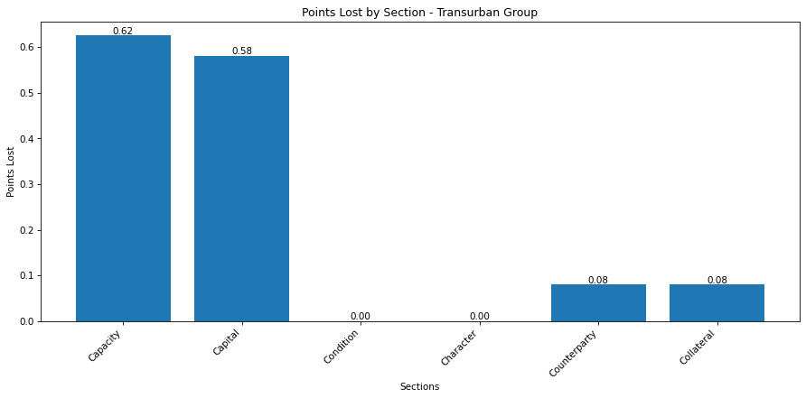
 |  |  |  |  | Final Score: |  |  |  |  |  |  | 3.635
 |  |  |  |  |  |  |  |  |  |  | S&P: | BBB+

Phillips 66
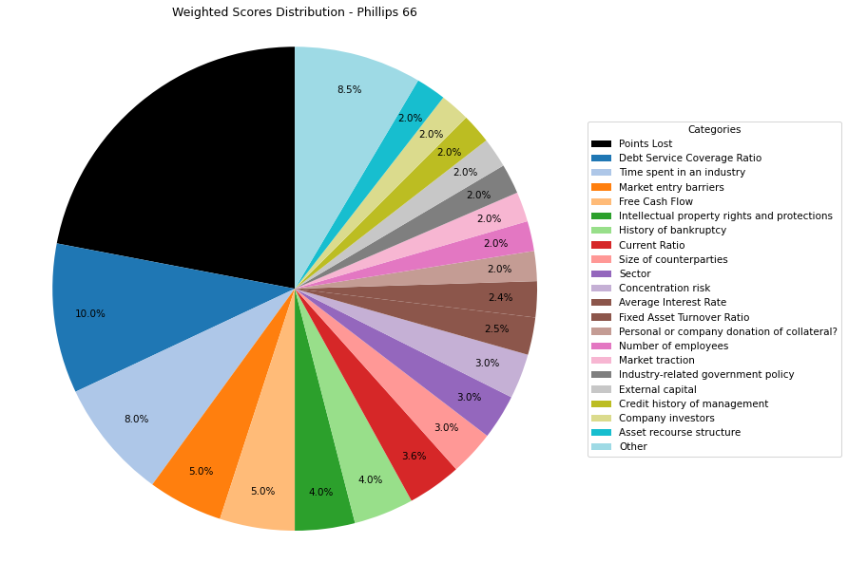

Financial Data | INPUTS | Questionnaire | Section | Weights | Parameters | Values | Very Low Max | Max Min | Ok Max | High Max | Very High Max | Output
Total revenue | 149890000000 | What is your DSCR to date? | Capacity | 10% | Debt Service Coverage Ratio | 4.8535762483 | 1 | 1.3 | 1.5 | 2 | 2.5 | 5 | 4.8535762483 | #DIV/0!
EBITDA | 7193000000 | What is the free cash flow? |  | 5% | Free Cash Flow | 4798000000 | 0 | 100000 | 500000 | 1000000 | 2000000 | 5 | 4798000000 | #N/A
Operating income | 7193000000 | What is the average interest rate on debt facilities for the Company? |  | 3% | Average Interest Rate | 0.04 | 0.2 | 0.15 | 0.12 | 0.09 | 0.05 | 5 | 0.04 | 0.09
[Cash Flow Statement] |  | What proportion of the revenue is from gross margin? |  | 5% | Gross Margin Ratio | 0.047988524918 | 0.1 | 0.25 | 0.35 | 0.5 | 0.7 | 1 | 0.047988524918 | #N/A
Operational cash flow | 7029000000 | What is your debt to income ratio? |  | 3% | Debt-to-Income | 2.6927568469 | 0.6 | 0.55 | 0.5 | 0.45 | 0.4 | 1 | 2.6927568469 | #N/A
Capital expenditure | 2231000000 | What's the current ratio? | Capital | 6% | Current Ratio | 1.0834219723 | 0.5 | 1 | 1.5 | 2 | 2.5 | 3 | 1.0834219723 | #N/A | 1.81
Debt service | 1482000000 | What proportion of debt to equity |  | 4% | Debt to Equity | 14.751565762 | 0.035 | 0.03 | 0.02 | 0.015 | 0.01 | 1 | 14.751565762 | #N/A
[Balance Sheet] |  | How much of the capital is coming from external sources? |  | 2% | External capital | 1 | 0.1 | 0.2 | 0.5 | 0.6 | 0.8 | 5
Total current assets | 14260000000 | What's the revenue growth rate of the company? |  | 6% | Revenue growth rate annually | 0 | 0 | 0.05 | 0.1 | 0.15 | 0.2 | 5
Total assets | 45270000000 | How much of your investors are company insiders? |  | 2% | Company investors | 5 | 1 | 2 | 3 | 4 | 5 | 5
Total current liabilities | 13162000000 | Is the market very competitive or is it newer and less monopolized? | Condition | 5% | Market entry barriers | 5 | 1 | 2 | 3 | 4 | 5 | 5
Total liabilities | 42396000000 | How much of the Companies revenues are tied to Commodity Prices? |  | 3% | Commodity Price Risk | 1 | 1 | 2 | 3 | 4 | 5 | 3
Total equity | 2874000000 | What potential are there for changes in levies and taxes on production? |  | 2% | Industry-related government policy | 5 | 1 | 2 | 3 | 4 | 5 | 3
Total debt | 19369000000 | What segment of the market is the company a part of? |  | 3% | Sector | 5 | 1 | 2 | 3 | 4 | 5 | 5
 |  | What traction to date has the company gained |  | 2% | Market traction | 5 | 1 | 2 | 3 | 4 | 5 | 5
 |  | Do management have any personal history of default? | Character | 2% | Credit history of management | 5 | 1 | 2 | 3 | 4 | 5 | 5
 |  | Does the Company have IP rights and trademarks secured? |  | 4% | Intellectual property rights and protections | 5 | 1 | 2 | 3 | 4 | 5 | 5
 |  | How long have management spent working in the industry of the Companies chosen field? |  | 8% | Time spent in an industry | 5 | 1 | 2 | 3 | 4 | 5 | 5
 |  | Have any of the Directors been bankrupt at any point in time? |  | 4% | History of bankruptcy | 5 | 1 | 2 | 3 | 4 | 5 | 5
 |  | How many employees work for the company? |  | 2% | Number of employees | 5 | 1 | 2 | 3 | 4 | 5 | 5
 |  | How big are the counterparties that they're working with? | Counterparty | 3% | Size of counterparties | 5 | 1 | 2 | 3 | 4 | 5 | 5
 |  | Amount of counterparties? |  | 3% | Concentration risk | 5 | 1 | 2 | 3 | 4 | 5 | 5
 |  | How long will a PPA last and is the agreement solidified? |  | 2% | Stability of PPAs (where relevant) | 1 | 1 | 2 | 3 | 4 | 5 | 3
 |  | Has the counterparty been in good credit standing? |  | 1% | Credit history of counterparty | 5 | 1 | 2 | 3 | 4 | 5 | 5
 |  | Is there any significant financial news on the counterparty that would indicate a risk? |  | 1% | Relevant news on the company (counterparty) | 5 | 1 | 2 | 3 | 4 | 5 | 5
 |  | What is the fixed asset turnover ratio? | Collateral | 4% | Fixed Asset Turnover Ratio | 3 | 1 | 2 | 3 | 4 | 5 | 3
 |  | Is there any collateral that has/is been pledged elsewhere and is there more available? |  | 1% | Existing collateral obligations | 5 | 1 | 2 | 3 | 4 | 5 | 5
 |  | Is there an established system of recourse in the event of default? |  | 2% | Asset recourse structure | 5 | 1 | 2 | 3 | 4 | 5 | 5
 |  | Is the collateral coming from the companies assets or is it less organized and coming from an individual? |  | 2% | Personal or company donation of collateral? | 5 | 1 | 2 | 3 | 4 | 5 | 5
 |  | Is the collateral readily available in the case of default? |  | 1% | Description/Location of Collateral | 5 | 1 | 2 | 3 | 4 | 5 | 5
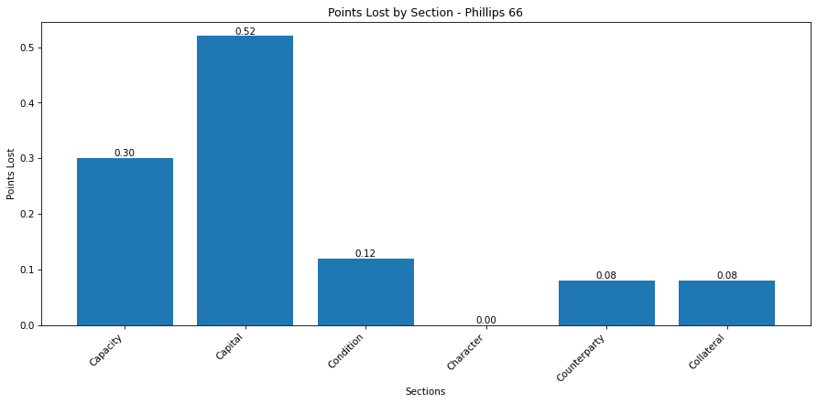
 |  |  |  |  | Final Score: |  |  |  |  |  |  | 3.9
 |  |  |  |  |  |  |  |  |  |  | S&P: | BBB+

Paladin Energy Ltd.
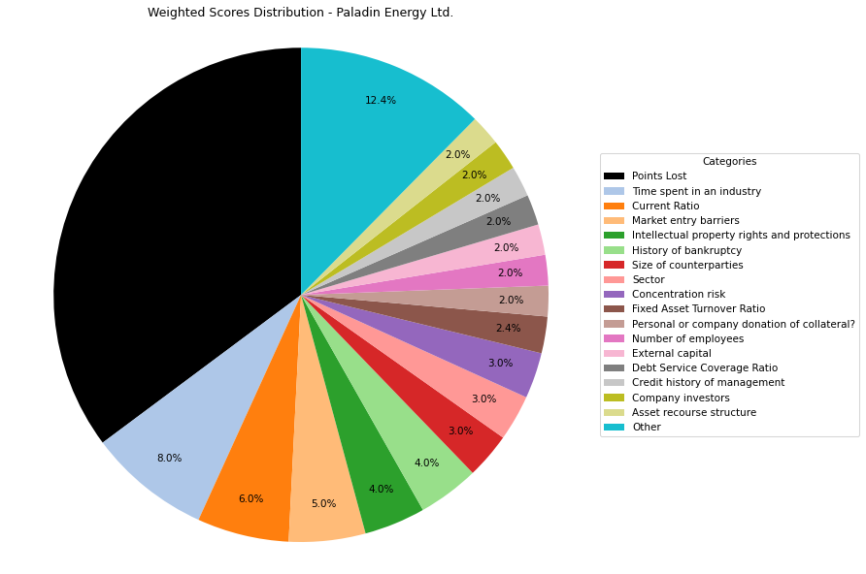
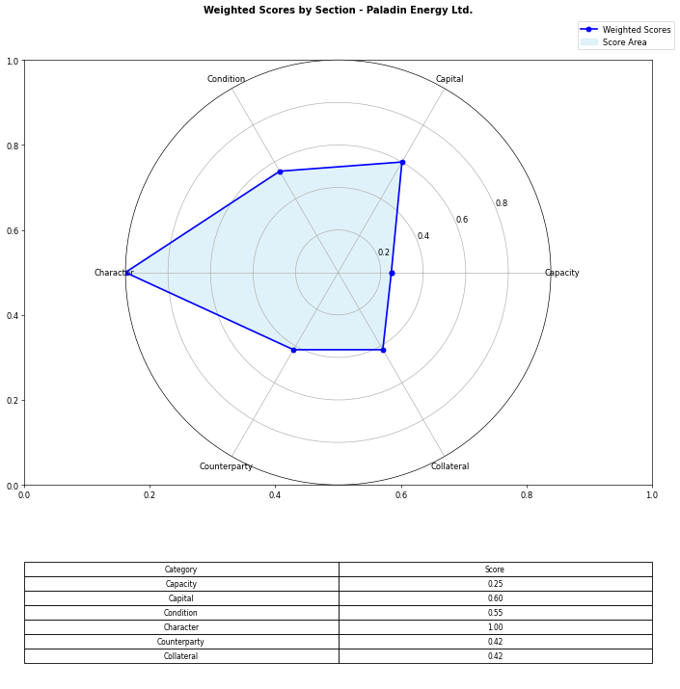
Financial Data | INPUTS | Questionnaire | Section | Weights | Parameters | Values | Very Low Max | Max Min | Ok Max | High Max | Very High Max | Output
Total revenue | 0 | What is your DSCR to date? | Capacity | 10% | Debt Service Coverage Ratio | 0 | 1 | 1.3 | 1.5 | 2 | 2.5 | 1 | 0 | #DIV/0!
EBITDA | 0 | What is the free cash flow? |  | 5% | Free Cash Flow | -48974000 | 0 | 100000 | 500000 | 1000000 | 2000000 | 1 | -48974000 | #N/A
Operating income | 0 | What is the average interest rate on debt facilities for the Company? |  | 3% | Average Interest Rate | 0.2 | 0.2 | 0.15 | 0.12 | 0.09 | 0.05 | 1 | 0.15 | 0.03
[Cash Flow Statement] |  | What proportion of the revenue is from gross margin? |  | 5% | Gross Margin Ratio | 0 | 0.1 | 0.25 | 0.35 | 0.5 | 0.7 | 1 | 0 | #N/A
Operational cash flow | -9375000 | What is your debt to income ratio? |  | 3% | Debt-to-Income | 100 | 0.6 | 0.55 | 0.5 | 0.45 | 0.4 | 1 | 100 | #N/A
Capital expenditure | -39599000 | What's the current ratio? | Capital | 6% | Current Ratio | 15.522641903 | 0.5 | 1 | 1.5 | 2 | 2.5 | 5 | 15.522641903 | #N/A
Debt service | 1 | What proportion of debt to equity |  | 4% | Debt to Equity | 0.41172661183 | 0.035 | 0.03 | 0.02 | 0.015 | 0.01 | 1 | 0.41172661183 | #N/A
[Balance Sheet] |  | How much of the capital is coming from external sources? |  | 2% | External capital | 1 | 0.1 | 0.2 | 0.5 | 0.6 | 0.8 | 5
Total current assets | 148769000 | What's the revenue growth rate of the company? |  | 6% | Revenue growth rate annually | 0 | 0 | 0.05 | 0.1 | 0.15 | 0.2 | 1
Total assets | 473047000 | How much of your investors are company insiders? |  | 2% | Company investors | 5 | 1 | 2 | 3 | 4 | 5 | 5
Total current liabilities | 9584000 | Is the market very competitive or is it newer and less monopolized? | Condition | 5% | Market entry barriers | 5 | 1 | 2 | 3 | 4 | 5 | 5
Total liabilities | 137963000 | How much of the Companies revenues are tied to Commodity Prices? |  | 3% | Commodity Price Risk | 1 | 1 | 2 | 3 | 4 | 5 | 1
Total equity | 335084000 | What potential are there for changes in levies and taxes on production? |  | 2% | Industry-related government policy | 3 | 1 | 2 | 3 | 4 | 5 | 3
Total debt | 1 | What segment of the market is the company a part of? |  | 3% | Sector | 5 | 1 | 2 | 3 | 4 | 5 | 5
 |  | What traction to date has the company gained |  | 2% | Market traction | 3 | 1 | 2 | 3 | 4 | 5 | 3
 |  | Do management have any personal history of default? | Character | 2% | Credit history of management | 5 | 1 | 2 | 3 | 4 | 5 | 5
 |  | Does the Company have IP rights and trademarks secured? |  | 4% | Intellectual property rights and protections | 5 | 1 | 2 | 3 | 4 | 5 | 5
 |  | How long have management spent working in the industry of the Companies chosen field? |  | 8% | Time spent in an industry | 5 | 1 | 2 | 3 | 4 | 5 | 5
 |  | Have any of the Directors been bankrupt at any point in time? |  | 4% | History of bankruptcy | 5 | 1 | 2 | 3 | 4 | 5 | 5
 |  | How many employees work for the company? |  | 2% | Number of employees | 5 | 1 | 2 | 3 | 4 | 5 | 5
 |  | How big are the counterparties that they're working with? | Counterparty | 3% | Size of counterparties | 5 | 1 | 2 | 3 | 4 | 5 | 5
 |  | Amount of counterparties? |  | 3% | Concentration risk | 5 | 1 | 2 | 3 | 4 | 5 | 5
 |  | How long will a PPA last and is the agreement solidified? |  | 2% | Stability of PPAs (where relevant) | 1 | 1 | 2 | 3 | 4 | 5 | 1
 |  | Has the counterparty been in good credit standing? |  | 1% | Credit history of counterparty | 5 | 1 | 2 | 3 | 4 | 5 | 5
 |  | Is there any significant financial news on the counterparty that would indicate a risk? |  | 1% | Relevant news on the company (counterparty) | 5 | 1 | 2 | 3 | 4 | 5 | 5
 |  | What is the fixed asset turnover ratio? | Collateral | 4% | Fixed Asset Turnover Ratio | 3 | 1 | 2 | 3 | 4 | 5 | 3
 |  | Is there any collateral that has/is been pledged elsewhere and is there more available? |  | 1% | Existing collateral obligations | 5 | 1 | 2 | 3 | 4 | 5 | 5
 |  | Is there an established system of recourse in the event of default? |  | 2% | Asset recourse structure | 5 | 1 | 2 | 3 | 4 | 5 | 5
 |  | Is the collateral coming from the companies assets or is it less organized and coming from an individual? |  | 2% | Personal or company donation of collateral? | 5 | 1 | 2 | 3 | 4 | 5 | 5
 |  | Is the collateral readily available in the case of default? |  | 1% | Description/Location of Collateral | 5 | 1 | 2 | 3 | 4 | 5 | 5
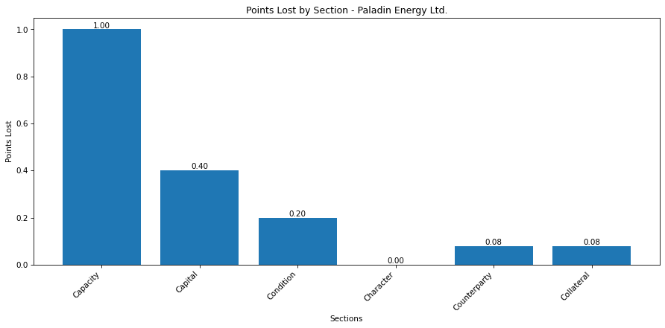
 |  |  |  |  | Final Score: |  |  |  |  |  |  | 3.24

Gabe and Bruh.
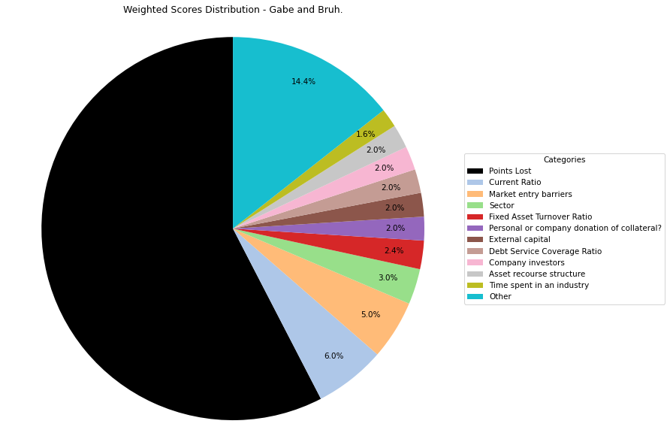
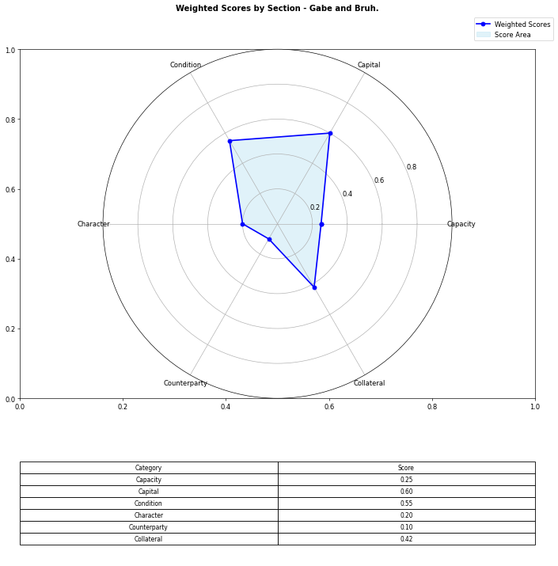
Financial Data | INPUTS | Questionnaire | Section | Weights | Parameters | Values | Very Low Max | Max Min | Ok Max | High Max | Very High Max | Output
Total revenue | 0 | What is your DSCR to date? | Capacity | 10% | Debt Service Coverage Ratio | 0 | 1 | 1.3 | 1.5 | 2 | 2.5 | 1 | 0 | #DIV/0!
EBITDA | 0 | What is the free cash flow? |  | 5% | Free Cash Flow | -48974000 | 0 | 100000 | 500000 | 1000000 | 2000000 | 1 | -48974000 | #N/A
Operating income | 0 | What is the average interest rate on debt facilities for the Company? |  | 3% | Average Interest Rate | 0.2 | 0.2 | 0.15 | 0.12 | 0.09 | 0.05 | 1 | 0.15 | 0.03
[Cash Flow Statement] |  | What proportion of the revenue is from gross margin? |  | 5% | Gross Margin Ratio | 0 | 0.1 | 0.25 | 0.35 | 0.5 | 0.7 | 1 | 0 | #N/A
Operational cash flow | -9375000 | What is your debt to income ratio? |  | 3% | Debt-to-Income | 100 | 0.6 | 0.55 | 0.5 | 0.45 | 0.4 | 1 | 100 | #N/A
Capital expenditure | -39599000 | What's the current ratio? | Capital | 6% | Current Ratio | 15.522641903 | 0.5 | 1 | 1.5 | 2 | 2.5 | 5 | 15.522641903 | #N/A
Debt service | 1 | What proportion of debt to equity |  | 4% | Debt to Equity | 0.41172661183 | 0.035 | 0.03 | 0.02 | 0.015 | 0.01 | 1 | 0.41172661183 | #N/A
[Balance Sheet] |  | How much of the capital is coming from external sources? |  | 2% | External capital | 1 | 0.1 | 0.2 | 0.5 | 0.6 | 0.8 | 5
Total current assets | 148769000 | What's the revenue growth rate of the company? |  | 6% | Revenue growth rate annually | 0 | 0 | 0.05 | 0.1 | 0.15 | 0.2 | 1
Total assets | 473047000 | How much of your investors are company insiders? |  | 2% | Company investors | 5 | 1 | 2 | 3 | 4 | 5 | 5
Total current liabilities | 9584000 | Is the market very competitive or is it newer and less monopolized? | Condition | 5% | Market entry barriers | 5 | 1 | 2 | 3 | 4 | 5 | 5
Total liabilities | 137963000 | How much of the Companies revenues are tied to Commodity Prices? |  | 3% | Commodity Price Risk | 1 | 1 | 2 | 3 | 4 | 5 | 1
Total equity | 335084000 | What potential are there for changes in levies and taxes on production? |  | 2% | Industry-related government policy | 3 | 1 | 2 | 3 | 4 | 5 | 3
Total debt | 1 | What segment of the market is the company a part of? |  | 3% | Sector | 5 | 1 | 2 | 3 | 4 | 5 | 5
 |  | What traction to date has the company gained |  | 2% | Market traction | 3 | 1 | 2 | 3 | 4 | 5 | 3
 |  | Do management have any personal history of default? | Character | 2% | Credit history of management | 1 | 1 | 2 | 3 | 4 | 5 | 5
 |  | Does the Company have IP rights and trademarks secured? |  | 4% | Intellectual property rights and protections | 1 | 1 | 2 | 3 | 4 | 5 | 5
 |  | How long have management spent working in the industry of the Companies chosen field? |  | 8% | Time spent in an industry | 1 | 1 | 2 | 3 | 4 | 5 | 5
 |  | Have any of the Directors been bankrupt at any point in time? |  | 4% | History of bankruptcy | 1 | 1 | 2 | 3 | 4 | 5 | 5
 |  | How many employees work for the company? |  | 2% | Number of employees | 1 | 1 | 2 | 3 | 4 | 5 | 5
 |  | How big are the counterparties that they're working with? | Counterparty | 3% | Size of counterparties | 1 | 1 | 2 | 3 | 4 | 5 | 5
 |  | Amount of counterparties? |  | 3% | Concentration risk | 1 | 1 | 2 | 3 | 4 | 5 | 5
 |  | How long will a PPA last and is the agreement solidified? |  | 2% | Stability of PPAs (where relevant) | 1 | 1 | 2 | 3 | 4 | 5 | 1
 |  | Has the counterparty been in good credit standing? |  | 1% | Credit history of counterparty | 1 | 1 | 2 | 3 | 4 | 5 | 5
 |  | Is there any significant financial news on the counterparty that would indicate a risk? |  | 1% | Relevant news on the company (counterparty) | 1 | 1 | 2 | 3 | 4 | 5 | 5
 |  | What is the fixed asset turnover ratio? | Collateral | 4% | Fixed Asset Turnover Ratio | 3 | 1 | 2 | 3 | 4 | 5 | 3
 |  | Is there any collateral that has/is been pledged elsewhere and is there more available? |  | 1% | Existing collateral obligations | 5 | 1 | 2 | 3 | 4 | 5 | 5
 |  | Is there an established system of recourse in the event of default? |  | 2% | Asset recourse structure | 5 | 1 | 2 | 3 | 4 | 5 | 5
 |  | Is the collateral coming from the companies assets or is it less organized and coming from an individual? |  | 2% | Personal or company donation of collateral? | 5 | 1 | 2 | 3 | 4 | 5 | 5
 |  | Is the collateral readily available in the case of default? |  | 1% | Description/Location of Collateral | 5 | 1 | 2 | 3 | 4 | 5 | 5
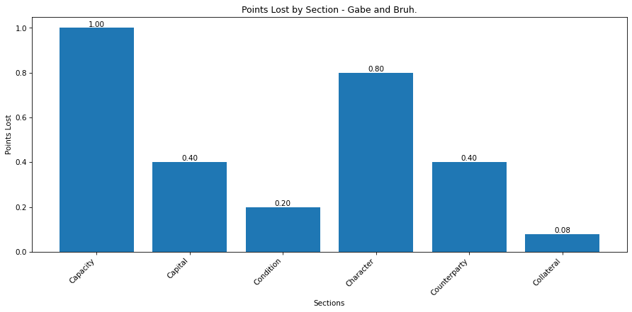
 |  |  |  |  | Final Score: |  |  |  |  |  |  | 2.12

Gabe and Co.
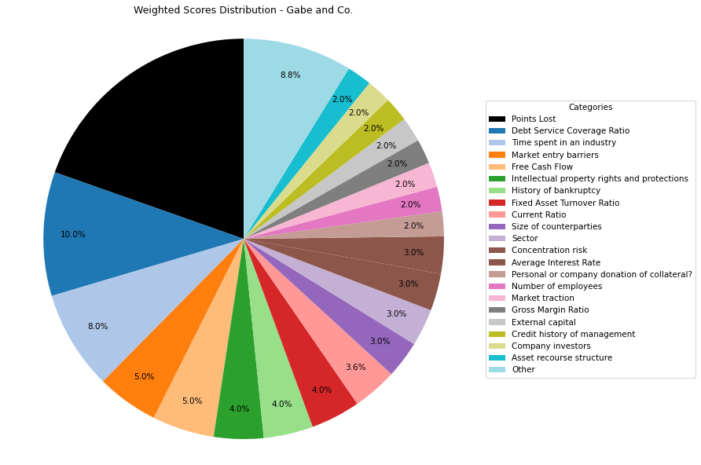
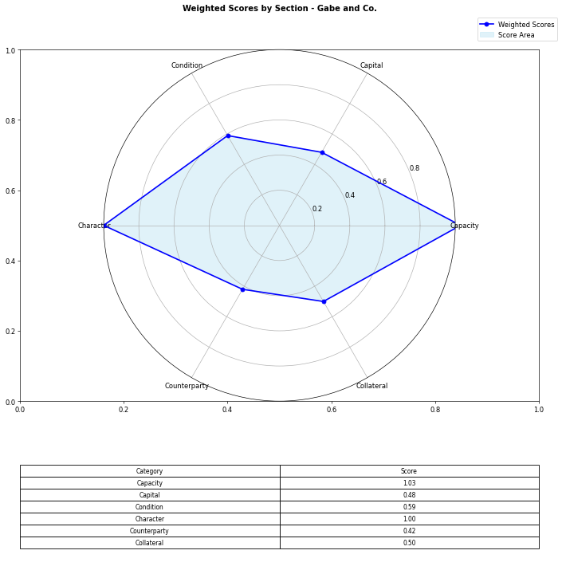
Financial Data | INPUTS | Questionnaire | Section | Weights | Parameters | Values | Very Low Max | Max Min | Ok Max | High Max | Very High Max | Output
Total revenue | 5889000000 | What is your DSCR to date? | Capacity | 10% | Debt Service Coverage Ratio | 6.320433437 | 1 | 1.3 | 1.5 | 2 | 2.5 | 5 | 6.320433437 | #DIV/0!
EBITDA | 4083000000 | What is the free cash flow? |  | 5% | Free Cash Flow | 2128000000 | 0 | 100000 | 500000 | 1000000 | 2000000 | 5 | 2128000000 | #N/A
Operating income | 1416000000 | What is the average interest rate on debt facilities for the Company? |  | 3% | Average Interest Rate | 0.066 | 0.2 | 0.15 | 0.12 | 0.09 | 0.05 | 5 | 0.066 | 0.03
[Cash Flow Statement] |  | What proportion of the revenue is from gross margin? |  | 5% | Gross Margin Ratio | 0.240448293 | 0.1 | 0.25 | 0.35 | 0.5 | 0.7 | 2 | 0.240448293 | #N/A
Operational cash flow | 1 | What is your debt to income ratio? |  | 3% | Debt-to-Income | 1.044330149 | 0.6 | 0.55 | 0.5 | 0.45 | 0.4 | 1 | 1.044330149 | #N/A
Capital expenditure | 1 | What's the current ratio? | Capital | 6% | Current Ratio | 1.474559023 | 0.5 | 1 | 1.5 | 2 | 2.5 | 3 | 1.474559023 | #N/A
Debt service | 646000000 | What proportion of debt to equity |  | 4% | Debt to Equity | 0.094801964 | 0.035 | 0.03 | 0.02 | 0.015 | 0.01 | 1 | 0.094801964 | #N/A
[Balance Sheet] |  | How much of the capital is coming from external sources? |  | 2% | External capital | 1 | 0.1 | 0.2 | 0.5 | 0.6 | 0.8 | 5
Total current assets | 4347000000 | What's the revenue growth rate of the company? |  | 6% | Revenue growth rate annually | 0 | 0 | 0.05 | 0.1 | 0.15 | 0.2 | 1
Total assets | 29756000000 | How much of your investors are company insiders? |  | 2% | Company investors | 5 | 1 | 2 | 3 | 4 | 5 | 5
Total current liabilities | 2948000000 | Is the market very competitive or is it newer and less monopolized? | Condition | 5% | Market entry barriers | 5 | 1 | 2 | 3 | 4 | 5 | 5
Total liabilities | 14481000000 | How much of the Companies revenues are tied to Commodity Prices? |  | 3% | Commodity Price Risk | 1 | 1 | 2 | 3 | 4 | 5 | 1
Total equity | 1.53E+11 | What potential are there for changes in levies and taxes on production? |  | 2% | Industry-related government policy | 3 | 1 | 2 | 3 | 4 | 5 | 3
Total debt | 4264000000 | What segment of the market is the company a part of? |  | 3% | Sector | 5 | 1 | 2 | 3 | 4 | 5 | 5
 |  | What traction to date has the company gained |  | 2% | Market traction | 5 | 1 | 2 | 3 | 4 | 5 | 5
 |  | Do management have any personal history of default? | Character | 2% | Credit history of management | 5 | 1 | 2 | 3 | 4 | 5 | 5
 |  | Does the Company have IP rights and trademarks secured? |  | 4% | Intellectual property rights and protections | 5 | 1 | 2 | 3 | 4 | 5 | 5
 |  | How long have management spent working in the industry of the Companies chosen field? |  | 8% | Time spent in an industry | 5 | 1 | 2 | 3 | 4 | 5 | 5
 |  | Have any of the Directors been bankrupt at any point in time? |  | 4% | History of bankruptcy | 5 | 1 | 2 | 3 | 4 | 5 | 5
 |  | How many employees work for the company? |  | 2% | Number of employees | 5 | 1 | 2 | 3 | 4 | 5 | 5
 |  | How big are the counterparties that they're working with? | Counterparty | 3% | Size of counterparties | 5 | 1 | 2 | 3 | 4 | 5 | 5
 |  | Amount of counterparties? |  | 3% | Concentration risk | 5 | 1 | 2 | 3 | 4 | 5 | 5
 |  | How long will a PPA last and is the agreement solidified? |  | 2% | Stability of PPAs (where relevant) | 1 | 1 | 2 | 3 | 4 | 5 | 1
 |  | Has the counterparty been in good credit standing? |  | 1% | Credit history of counterparty | 5 | 1 | 2 | 3 | 4 | 5 | 5
 |  | Is there any significant financial news on the counterparty that would indicate a risk? |  | 1% | Relevant news on the company (counterparty) | 5 | 1 | 2 | 3 | 4 | 5 | 5
 |  | What is the fixed asset turnover ratio? | Collateral | 4% | Fixed Asset Turnover Ratio | 5 | 1 | 2 | 3 | 4 | 5 | 5
 |  | Is there any collateral that has/is been pledged elsewhere and is there more available? |  | 1% | Existing collateral obligations | 5 | 1 | 2 | 3 | 4 | 5 | 5
 |  | Is there an established system of recourse in the event of default? |  | 2% | Asset recourse structure | 5 | 1 | 2 | 3 | 4 | 5 | 5
 |  | Is the collateral coming from the companies assets or is it less organized and coming from an individual? |  | 2% | Personal or company donation of collateral? | 5 | 1 | 2 | 3 | 4 | 5 | 5
 |  | Is the collateral readily available in the case of default? |  | 1% | Description/Location of Collateral | 5 | 1 | 2 | 3 | 4 | 5 | 5
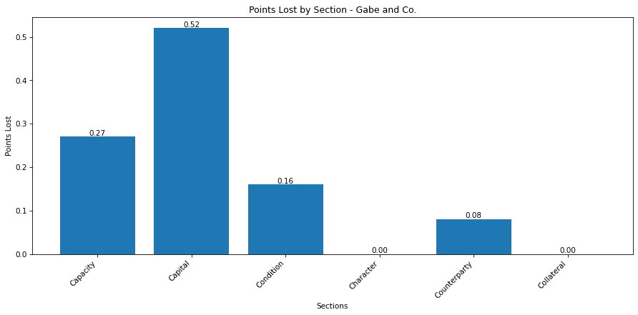
 |  |  |  |  | Final Score: |  |  |  |  |  |  | 4.02

Santos Ltd.

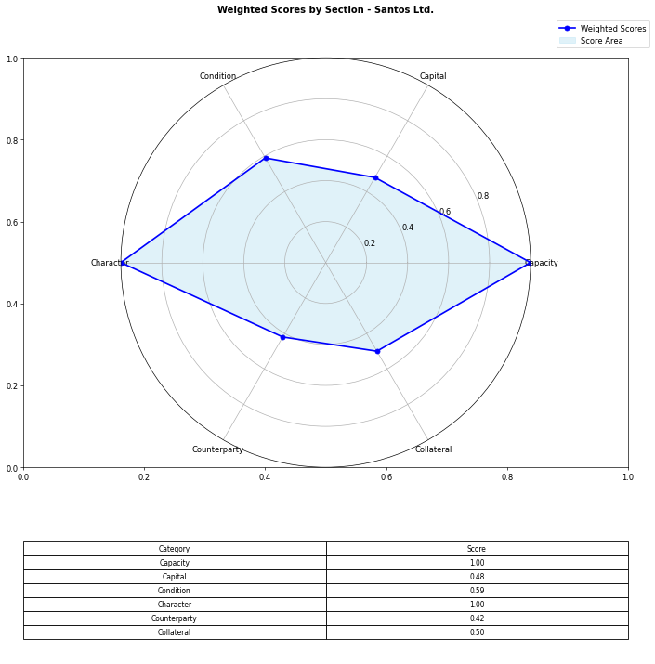
Financial Data | INPUTS | Questionnaire | Section | Weights | Parameters | Values | Very Low Max | Max Min | Ok Max | High Max | Very High Max | Output
Total revenue | 5889000000 | What is your DSCR to date? | Capacity | 10% | Debt Service Coverage Ratio | 6.3204334365 | 1 | 1.3 | 1.5 | 2 | 2.5 | 5 | 6.3204334365 | #DIV/0!
EBITDA | 4083000000 | What is the free cash flow? |  | 5% | Free Cash Flow | 2128000000 | 0 | 100000 | 500000 | 1000000 | 2000000 | 5 | 2128000000 | #N/A
Operating income | 1416000000 | What is the average interest rate on debt facilities for the Company? |  | 3% | Average Interest Rate | 0.066 | 0.2 | 0.15 | 0.12 | 0.09 | 0.05 | 5 | 0.066 | 0.03
[Cash Flow Statement] |  | What proportion of the revenue is from gross margin? |  | 5% | Gross Margin Ratio | 0.24044829343 | 0.1 | 0.25 | 0.35 | 0.5 | 0.7 | 2 | 0.24044829343 | #N/A
Operational cash flow | 1 | What is your debt to income ratio? |  | 3% | Debt-to-Income | 1.0443301494 | 0.6 | 0.55 | 0.5 | 0.45 | 0.4 | 1 | 1.0443301494 | #N/A
Capital expenditure | 1 | What's the current ratio? | Capital | 6% | Current Ratio | 1.4745590231 | 0.5 | 1 | 1.5 | 2 | 2.5 | 3 | 1.4745590231 | #N/A
Debt service | 646000000 | What proportion of debt to equity |  | 4% | Debt to Equity | 0.094801963993 | 0.035 | 0.03 | 0.02 | 0.015 | 0.01 | 1 | 0.094801963993 | #N/A
[Balance Sheet] |  | How much of the capital is coming from external sources? |  | 2% | External capital | 1 | 0.1 | 0.2 | 0.5 | 0.6 | 0.8 | 5
Total current assets | 4347000000 | What's the revenue growth rate of the company? |  | 6% | Revenue growth rate annually | 0 | 0 | 0.05 | 0.1 | 0.15 | 0.2 | 1
Total assets | 29756000000 | How much of your investors are company insiders? |  | 2% | Company investors | 5 | 1 | 2 | 3 | 4 | 5 | 5
Total current liabilities | 2948000000 | Is the market very competitive or is it newer and less monopolized? | Condition | 5% | Market entry barriers | 5 | 1 | 2 | 3 | 4 | 5 | 5
Total liabilities | 14481000000 | How much of the Companies revenues are tied to Commodity Prices? |  | 3% | Commodity Price Risk | 1 | 1 | 2 | 3 | 4 | 5 | 1
Total equity | 152750000000 | What potential are there for changes in levies and taxes on production? |  | 2% | Industry-related government policy | 3 | 1 | 2 | 3 | 4 | 5 | 3
Total debt | 4264000000 | What segment of the market is the company a part of? |  | 3% | Sector | 5 | 1 | 2 | 3 | 4 | 5 | 5
 |  | What traction to date has the company gained |  | 2% | Market traction | 5 | 1 | 2 | 3 | 4 | 5 | 5
 |  | Do management have any personal history of default? | Character | 2% | Credit history of management | 5 | 1 | 2 | 3 | 4 | 5 | 5
 |  | Does the Company have IP rights and trademarks secured? |  | 4% | Intellectual property rights and protections | 5 | 1 | 2 | 3 | 4 | 5 | 5
 |  | How long have management spent working in the industry of the Companies chosen field? |  | 8% | Time spent in an industry | 5 | 1 | 2 | 3 | 4 | 5 | 5
 |  | Have any of the Directors been bankrupt at any point in time? |  | 4% | History of bankruptcy | 5 | 1 | 2 | 3 | 4 | 5 | 5
 |  | How many employees work for the company? |  | 2% | Number of employees | 5 | 1 | 2 | 3 | 4 | 5 | 5
 |  | How big are the counterparties that they're working with? | Counterparty | 3% | Size of counterparties | 5 | 1 | 2 | 3 | 4 | 5 | 5
 |  | Amount of counterparties? |  | 3% | Concentration risk | 5 | 1 | 2 | 3 | 4 | 5 | 5
 |  | How long will a PPA last and is the agreement solidified? |  | 2% | Stability of PPAs (where relevant) | 1 | 1 | 2 | 3 | 4 | 5 | 1
 |  | Has the counterparty been in good credit standing? |  | 1% | Credit history of counterparty | 5 | 1 | 2 | 3 | 4 | 5 | 5
 |  | Is there any significant financial news on the counterparty that would indicate a risk? |  | 1% | Relevant news on the company (counterparty) | 5 | 1 | 2 | 3 | 4 | 5 | 5
 |  | What is the fixed asset turnover ratio? | Collateral | 4% | Fixed Asset Turnover Ratio | 5 | 1 | 2 | 3 | 4 | 5 | 5
 |  | Is there any collateral that has/is been pledged elsewhere and is there more available? |  | 1% | Existing collateral obligations | 5 | 1 | 2 | 3 | 4 | 5 | 5
 |  | Is there an established system of recourse in the event of default? |  | 2% | Asset recourse structure | 5 | 1 | 2 | 3 | 4 | 5 | 5
 |  | Is the collateral coming from the companies assets or is it less organized and coming from an individual? |  | 2% | Personal or company donation of collateral? | 5 | 1 | 2 | 3 | 4 | 5 | 5
 |  | Is the collateral readily available in the case of default? |  | 1% | Description/Location of Collateral | 5 | 1 | 2 | 3 | 4 | 5 | 5
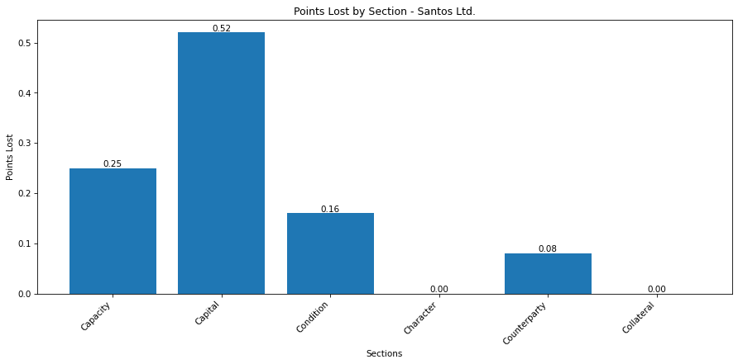
 |  |  |  |  | Final Score: |  |  |  |  |  |  | 3.99
 |  |  |  |  |  |  |  |  |  |  | Moody's/S&P: | BBB w/ stable outlook

Seven Group Holdings Ltd.
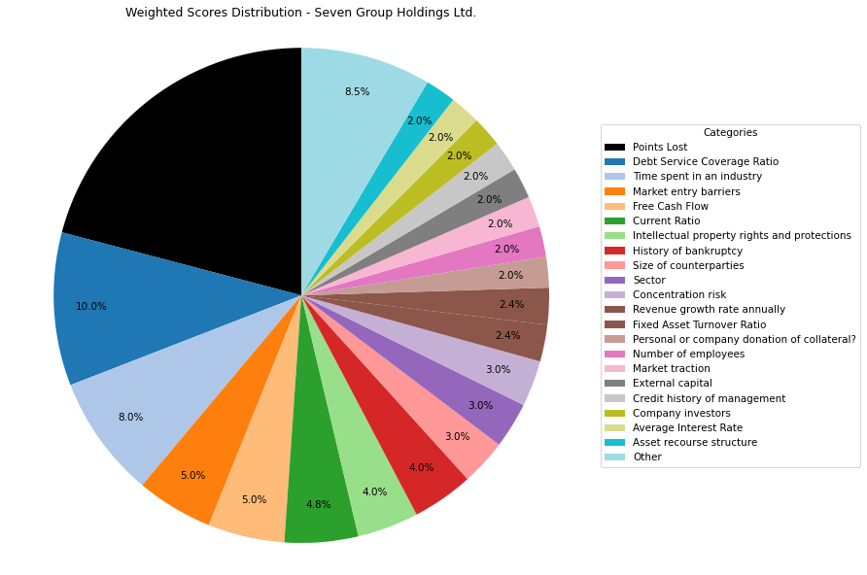
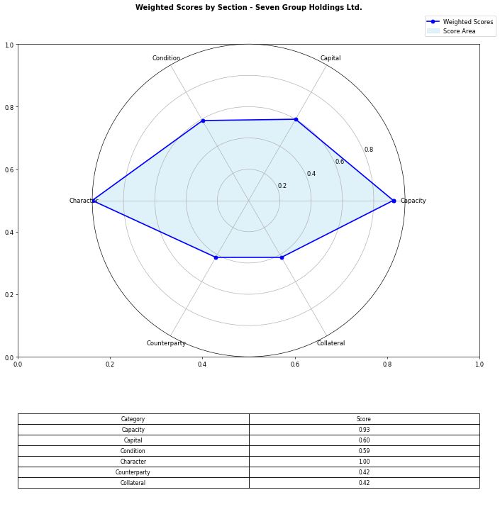
Financial Data | INPUTS | Questionnaire | Section | Weights | Parameters | Values | Very Low Max | Max Min | Ok Max | High Max | Very High Max | Output
Total revenue | 9626500000 | What is your DSCR to date? | Capacity | 10% | Debt Service Coverage Ratio | 3.8 | 1 | 1.3 | 1.5 | 2 | 2.5 | 1 | 0.49688010386 | #DIV/0!
EBITDA | 1186500000 | What is the free cash flow? |  | 5% | Free Cash Flow | 627600000 | 0 | 100000 | 500000 | 1000000 | 2000000 | 5 | 627600000 | #N/A
Operating income | 702900000 | What is the average interest rate on debt facilities for the Company? |  | 3% | Average Interest Rate | 0.09 | 0.2 | 0.15 | 0.12 | 0.09 | 0.05 | 5 | 0.06 | 0.03
[Cash Flow Statement] |  | What proportion of the revenue is from gross margin? |  | 5% | Gross Margin Ratio | 0.045 | 0.1 | 0.25 | 0.35 | 0.5 | 0.7 | 1 | 0.073017192126 | #N/A
Operational cash flow | 1193600000 | What is your debt to income ratio? |  | 3% | Debt-to-Income | 2.0424836601 | 0.6 | 0.55 | 0.5 | 0.45 | 0.4 | 1 | 0.84281500211 | #N/A
Capital expenditure | 566000000 | What's the current ratio? | Capital | 6% | Current Ratio | 1.6813251824 | 0.5 | 1 | 1.5 | 2 | 2.5 | 4 | 1.6813251824 | #N/A
Debt service | 2387900000 | What proportion of debt to equity |  | 4% | Debt to Equity | 1.9531341408 | 0.035 | 0.03 | 0.02 | 0.015 | 0.01 | 1 | 1.9531341408 | #N/A
[Balance Sheet] |  | How much of the capital is coming from external sources? |  | 2% | External capital | 1 | 0.1 | 0.2 | 0.5 | 0.6 | 0.8 | 5
Total current assets | 4263000000 | What's the revenue growth rate of the company? |  | 6% | Revenue growth rate annually | 0.05 | 0 | 0.05 | 0.1 | 0.15 | 0.2 | 2
Total assets | 13629900000 | How much of your investors are company insiders? |  | 2% | Company investors | 5 | 1 | 2 | 3 | 4 | 5 | 5
Total current liabilities | 2535500000 | Is the market very competitive or is it newer and less monopolized? | Condition | 5% | Market entry barriers | 5 | 1 | 2 | 3 | 4 | 5 | 5
Total liabilities | 9014300000 | How much of the Companies revenues are tied to Commodity Prices? |  | 3% | Commodity Price Risk | 1 | 1 | 2 | 3 | 4 | 5 | 1
Total equity | 4615300000 | What potential are there for changes in levies and taxes on production? |  | 2% | Industry-related government policy | 3 | 1 | 2 | 3 | 4 | 5 | 3
Total debt | 1000000000 | What segment of the market is the company a part of? |  | 3% | Sector | 5 | 1 | 2 | 3 | 4 | 5 | 5
 |  | What traction to date has the company gained |  | 2% | Market traction | 5 | 1 | 2 | 3 | 4 | 5 | 5
 |  | Do management have any personal history of default? | Character | 2% | Credit history of management | 5 | 1 | 2 | 3 | 4 | 5 | 5
 |  | Does the Company have IP rights and trademarks secured? |  | 4% | Intellectual property rights and protections | 5 | 1 | 2 | 3 | 4 | 5 | 5
 |  | How long have management spent working in the industry of the Companies chosen field? |  | 8% | Time spent in an industry | 5 | 1 | 2 | 3 | 4 | 5 | 5
 |  | Have any of the Directors been bankrupt at any point in time? |  | 4% | History of bankruptcy | 5 | 1 | 2 | 3 | 4 | 5 | 5
 |  | How many employees work for the company? |  | 2% | Number of employees | 5 | 1 | 2 | 3 | 4 | 5 | 5
 |  | How big are the counterparties that they're working with? | Counterparty | 3% | Size of counterparties | 5 | 1 | 2 | 3 | 4 | 5 | 5
 |  | Amount of counterparties? |  | 3% | Concentration risk | 5 | 1 | 2 | 3 | 4 | 5 | 5
 |  | How long will a PPA last and is the agreement solidified? |  | 2% | Stability of PPAs (where relevant) | 1 | 1 | 2 | 3 | 4 | 5 | 1
 |  | Has the counterparty been in good credit standing? |  | 1% | Credit history of counterparty | 5 | 1 | 2 | 3 | 4 | 5 | 5
 |  | Is there any significant financial news on the counterparty that would indicate a risk? |  | 1% | Relevant news on the company (counterparty) | 5 | 1 | 2 | 3 | 4 | 5 | 5
 |  | What is the fixed asset turnover ratio? | Collateral | 4% | Fixed Asset Turnover Ratio | 3 | 1 | 2 | 3 | 4 | 5 | 3
 |  | Is there any collateral that has/is been pledged elsewhere and is there more available? |  | 1% | Existing collateral obligations | 5 | 1 | 2 | 3 | 4 | 5 | 5
 |  | Is there an established system of recourse in the event of default? |  | 2% | Asset recourse structure | 5 | 1 | 2 | 3 | 4 | 5 | 5
 |  | Is the collateral coming from the companies assets or is it less organized and coming from an individual? |  | 2% | Personal or company donation of collateral? | 5 | 1 | 2 | 3 | 4 | 5 | 5
 |  | Is the collateral readily available in the case of default? |  | 1% | Description/Location of Collateral | 5 | 1 | 2 | 3 | 4 | 5 | 5
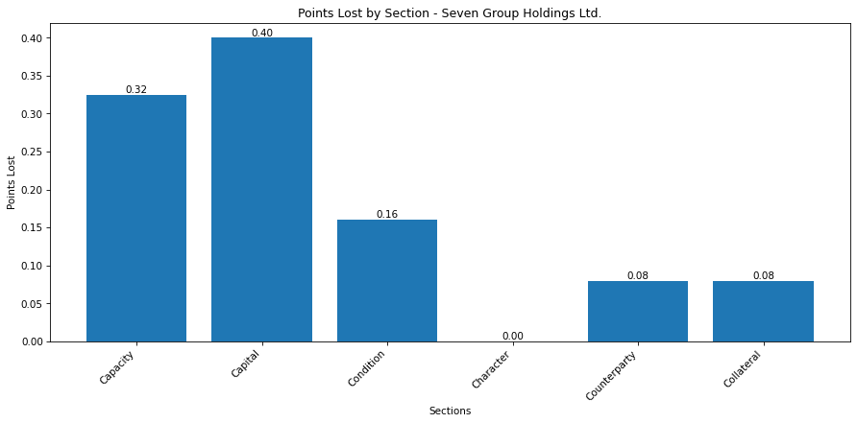
 |  |  |  |  | Final Score: |  |  |  |  |  |  | 3.955
 |  |  |  |  |  |  |  |  |  |  | S&P: | A

Liontown Resources
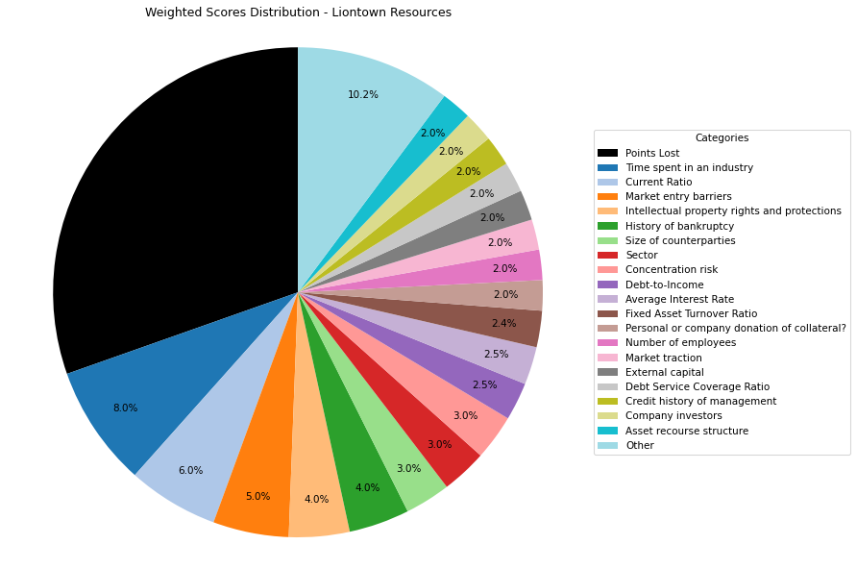
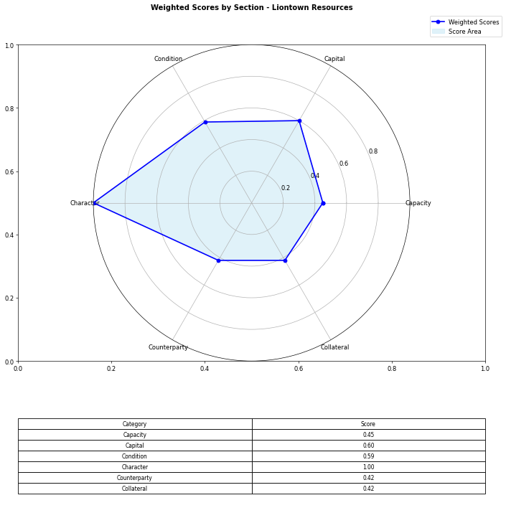
Financial Data | INPUTS | Questionnaire | Section | Weights | Parameters | Values | Very Low Max | Max Min | Ok Max | High Max | Very High Max | Output
Total revenue | 496000 | What is your DSCR to date? | Capacity | 10% | Debt Service Coverage Ratio | -0.29288492256 | 1 | 1.3 | 1.5 | 2 | 2.5 | 1 | -0.29288492256 | #DIV/0!
EBITDA | -33738000 | What is the free cash flow? |  | 5% | Free Cash Flow | -327352000 | 0 | 100000 | 500000 | 1000000 | 2000000 | 1 | -327352000 | #N/A
Operating income | -21881000 | What is the average interest rate on debt facilities for the Company? |  | 3% | Average Interest Rate | 0.01 | 0.2 | 0.15 | 0.12 | 0.09 | 0.05 | 5 | 0.01 | 0.03
[Cash Flow Statement] |  | What proportion of the revenue is from gross margin? |  | 5% | Gross Margin Ratio | -44.114919355 | 0.1 | 0.25 | 0.35 | 0.5 | 0.7 | 1 | -44.114919355 | #N/A
Operational cash flow | -16352000 | What is your debt to income ratio? |  | 3% | Debt-to-Income | -3.4155551604 | 0.6 | 0.55 | 0.5 | 0.45 | 0.4 | 5 | -3.4155551604 | #N/A
Capital expenditure | 311000000 | What's the current ratio? | Capital | 6% | Current Ratio | 4.275862069 | 0.5 | 1 | 1.5 | 2 | 2.5 | 5 | 4.275862069 | #N/A
Debt service | 115192000 | What proportion of debt to equity |  | 4% | Debt to Equity | 0.45675685291 | 0.035 | 0.03 | 0.02 | 0.015 | 0.01 | 1 | 0.45675685291 | #N/A
[Balance Sheet] |  | How much of the capital is coming from external sources? |  | 2% | External capital | 1 | 0.1 | 0.2 | 0.5 | 0.6 | 0.8 | 5
Total current assets | 324260000 | What's the revenue growth rate of the company? |  | 6% | Revenue growth rate annually | 0 | 0 | 0.05 | 0.1 | 0.15 | 0.2 | 1
Total assets | 655156000 | How much of your investors are company insiders? |  | 2% | Company investors | 5 | 1 | 2 | 3 | 4 | 5 | 5
Total current liabilities | 75835000 | Is the market very competitive or is it newer and less monopolized? | Condition | 5% | Market entry barriers | 5 | 1 | 2 | 3 | 4 | 5 | 5
Total liabilities | 205420000 | How much of the Companies revenues are tied to Commodity Prices? |  | 3% | Commodity Price Risk | 1 | 1 | 2 | 3 | 4 | 5 | 1
Total equity | 449736000 | What potential are there for changes in levies and taxes on production? |  | 2% | Industry-related government policy | 3 | 1 | 2 | 3 | 4 | 5 | 3
Total debt | 115234000 | What segment of the market is the company a part of? |  | 3% | Sector | 5 | 1 | 2 | 3 | 4 | 5 | 5
 |  | What traction to date has the company gained |  | 2% | Market traction | 5 | 1 | 2 | 3 | 4 | 5 | 5
 |  | Do management have any personal history of default? | Character | 2% | Credit history of management | 5 | 1 | 2 | 3 | 4 | 5 | 5
 |  | Does the Company have IP rights and trademarks secured? |  | 4% | Intellectual property rights and protections | 5 | 1 | 2 | 3 | 4 | 5 | 5
 |  | How long have management spent working in the industry of the Companies chosen field? |  | 8% | Time spent in an industry | 5 | 1 | 2 | 3 | 4 | 5 | 5
 |  | Have any of the Directors been bankrupt at any point in time? |  | 4% | History of bankruptcy | 5 | 1 | 2 | 3 | 4 | 5 | 5
 |  | How many employees work for the company? |  | 2% | Number of employees | 5 | 1 | 2 | 3 | 4 | 5 | 5
 |  | How big are the counterparties that they're working with? | Counterparty | 3% | Size of counterparties | 5 | 1 | 2 | 3 | 4 | 5 | 5
 |  | Amount of counterparties? |  | 3% | Concentration risk | 5 | 1 | 2 | 3 | 4 | 5 | 5
 |  | How long will a PPA last and is the agreement solidified? |  | 2% | Stability of PPAs (where relevant) | 1 | 1 | 2 | 3 | 4 | 5 | 1
 |  | Has the counterparty been in good credit standing? |  | 1% | Credit history of counterparty | 5 | 1 | 2 | 3 | 4 | 5 | 5
 |  | Is there any significant financial news on the counterparty that would indicate a risk? |  | 1% | Relevant news on the company (counterparty) | 5 | 1 | 2 | 3 | 4 | 5 | 5
 |  | What is the fixed asset turnover ratio? | Collateral | 4% | Fixed Asset Turnover Ratio | 3 | 1 | 2 | 3 | 4 | 5 | 3
 |  | Is there any collateral that has/is been pledged elsewhere and is there more available? |  | 1% | Existing collateral obligations | 5 | 1 | 2 | 3 | 4 | 5 | 5
 |  | Is there an established system of recourse in the event of default? |  | 2% | Asset recourse structure | 5 | 1 | 2 | 3 | 4 | 5 | 5
 |  | Is the collateral coming from the companies assets or is it less organized and coming from an individual? |  | 2% | Personal or company donation of collateral? | 5 | 1 | 2 | 3 | 4 | 5 | 5
 |  | Is the collateral readily available in the case of default? |  | 1% | Description/Location of Collateral | 5 | 1 | 2 | 3 | 4 | 5 | 5
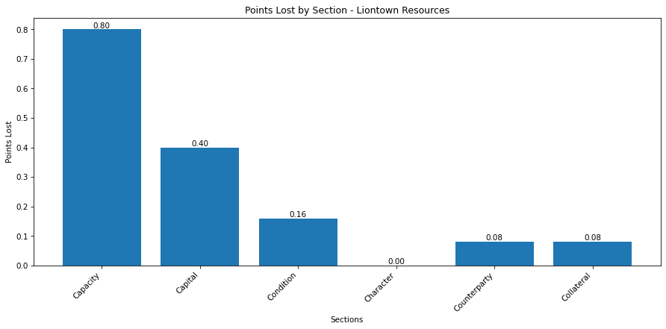
 |  |  |  |  | Final Score: |  |  |  |  |  |  | 3.48
 |  |  |  |  |  |  |  |  |  |  | Miscellaneous: | Hold

Pilbara Minerals
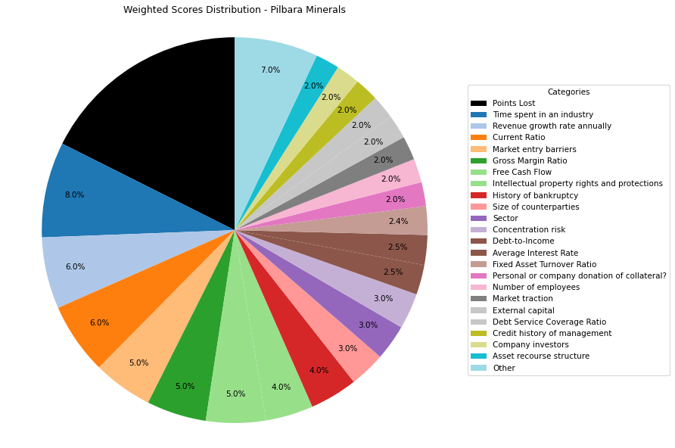
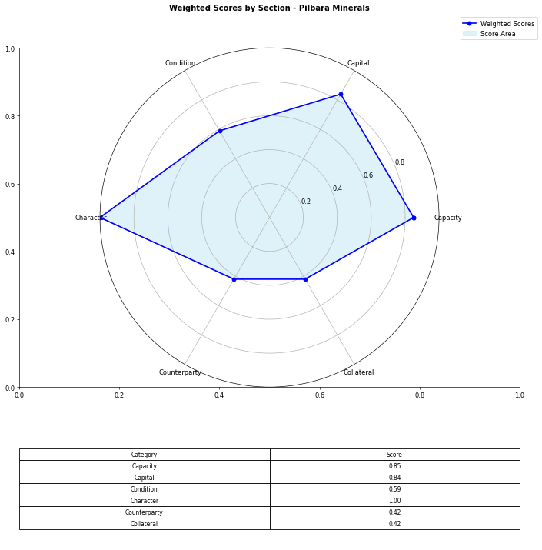
Financial Data | INPUTS | Questionnaire | Section | Weights | Parameters | Values | Very Low Max | Max Min | Ok Max | High Max | Very High Max | Output
Total revenue | 4100000000 | What is your DSCR to date? | Capacity | 10% | Debt Service Coverage Ratio | 0.91653656939 | 1 | 1.3 | 1.5 | 2 | 2.5 | 1 | 0.91653656939 | #DIV/0!
EBITDA | 3300000000 | What is the free cash flow? |  | 5% | Free Cash Flow | 2072159000 | 0 | 100000 | 500000 | 1000000 | 2000000 | 5 | 2072159000 | #N/A
Operating income | 2400000000 | What is the average interest rate on debt facilities for the Company? |  | 3% | Average Interest Rate | 0.03 | 0.2 | 0.15 | 0.12 | 0.09 | 0.05 | 5 | 0.03 | 0.03
[Cash Flow Statement] |  | What proportion of the revenue is from gross margin? |  | 5% | Gross Margin Ratio | 0.58536585366 | 0.1 | 0.25 | 0.35 | 0.5 | 0.7 | 5 | 0.58536585366 | #N/A
Operational cash flow | 3456693000 | What is your debt to income ratio? |  | 3% | Debt-to-Income | 0.090909090909 | 0.6 | 0.55 | 0.5 | 0.45 | 0.4 | 5 | 0.090909090909 | #N/A
Capital expenditure | 1384534000 | What's the current ratio? | Capital | 6% | Current Ratio | 2.7571241897 | 0.5 | 1 | 1.5 | 2 | 2.5 | 5 | 2.7571241897 | #N/A
Debt service | 3600511000 | What proportion of debt to equity |  | 4% | Debt to Equity | 0.53356969365 | 0.035 | 0.03 | 0.02 | 0.015 | 0.01 | 1 | 0.53356969365 | #N/A
[Balance Sheet] |  | How much of the capital is coming from external sources? |  | 2% | External capital | 1 | 0.1 | 0.2 | 0.5 | 0.6 | 0.8 | 5
Total current assets | 3567931000 | What's the revenue growth rate of the company? |  | 6% | Revenue growth rate annually | 2.42 | 0 | 0.05 | 0.1 | 0.15 | 0.2 | 5
Total assets | 5198835000 | How much of your investors are company insiders? |  | 2% | Company investors | 5 | 1 | 2 | 3 | 4 | 5 | 5
Total current liabilities | 1294077000 | Is the market very competitive or is it newer and less monopolized? | Condition | 5% | Market entry barriers | 5 | 1 | 2 | 3 | 4 | 5 | 5
Total liabilities | 1808813000 | How much of the Companies revenues are tied to Commodity Prices? |  | 3% | Commodity Price Risk | 1 | 1 | 2 | 3 | 4 | 5 | 1
Total equity | 3390022000 | What potential are there for changes in levies and taxes on production? |  | 2% | Industry-related government policy | 3 | 1 | 2 | 3 | 4 | 5 | 3
Total debt | 300000000 | What segment of the market is the company a part of? |  | 3% | Sector | 5 | 1 | 2 | 3 | 4 | 5 | 5
 |  | What traction to date has the company gained |  | 2% | Market traction | 5 | 1 | 2 | 3 | 4 | 5 | 5
 |  | Do management have any personal history of default? | Character | 2% | Credit history of management | 5 | 1 | 2 | 3 | 4 | 5 | 5
 |  | Does the Company have IP rights and trademarks secured? |  | 4% | Intellectual property rights and protections | 5 | 1 | 2 | 3 | 4 | 5 | 5
 |  | How long have management spent working in the industry of the Companies chosen field? |  | 8% | Time spent in an industry | 5 | 1 | 2 | 3 | 4 | 5 | 5
 |  | Have any of the Directors been bankrupt at any point in time? |  | 4% | History of bankruptcy | 5 | 1 | 2 | 3 | 4 | 5 | 5
 |  | How many employees work for the company? |  | 2% | Number of employees | 5 | 1 | 2 | 3 | 4 | 5 | 5
 |  | How big are the counterparties that they're working with? | Counterparty | 3% | Size of counterparties | 5 | 1 | 2 | 3 | 4 | 5 | 5
 |  | Amount of counterparties? |  | 3% | Concentration risk | 5 | 1 | 2 | 3 | 4 | 5 | 5
 |  | How long will a PPA last and is the agreement solidified? |  | 2% | Stability of PPAs (where relevant) | 1 | 1 | 2 | 3 | 4 | 5 | 1
 |  | Has the counterparty been in good credit standing? |  | 1% | Credit history of counterparty | 5 | 1 | 2 | 3 | 4 | 5 | 5
 |  | Is there any significant financial news on the counterparty that would indicate a risk? |  | 1% | Relevant news on the company (counterparty) | 5 | 1 | 2 | 3 | 4 | 5 | 5
 |  | What is the fixed asset turnover ratio? | Collateral | 4% | Fixed Asset Turnover Ratio | 3 | 1 | 2 | 3 | 4 | 5 | 3
 |  | Is there any collateral that has/is been pledged elsewhere and is there more available? |  | 1% | Existing collateral obligations | 5 | 1 | 2 | 3 | 4 | 5 | 5
 |  | Is there an established system of recourse in the event of default? |  | 2% | Asset recourse structure | 5 | 1 | 2 | 3 | 4 | 5 | 5
 |  | Is the collateral coming from the companies assets or is it less organized and coming from an individual? |  | 2% | Personal or company donation of collateral? | 5 | 1 | 2 | 3 | 4 | 5 | 5
 |  | Is the collateral readily available in the case of default? |  | 1% | Description/Location of Collateral | 5 | 1 | 2 | 3 | 4 | 5 | 5
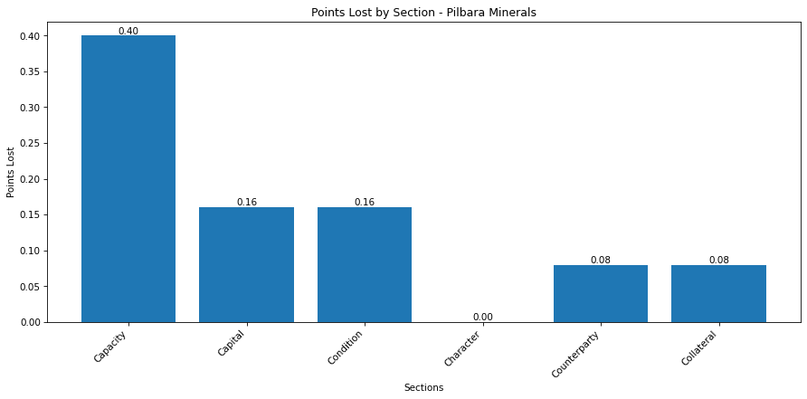
 |  |  |  |  | Final Score: |  |  |  |  |  |  | 4.12
 |  |  |  |  |  |  |  |  |  |  | Morgans: | Hold

Core Lithium
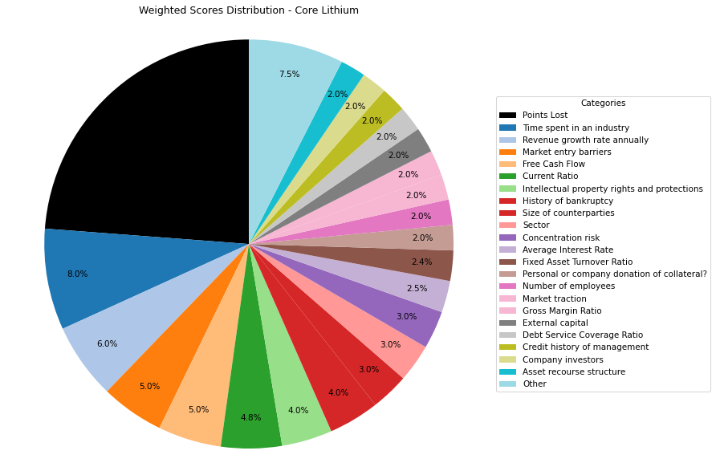
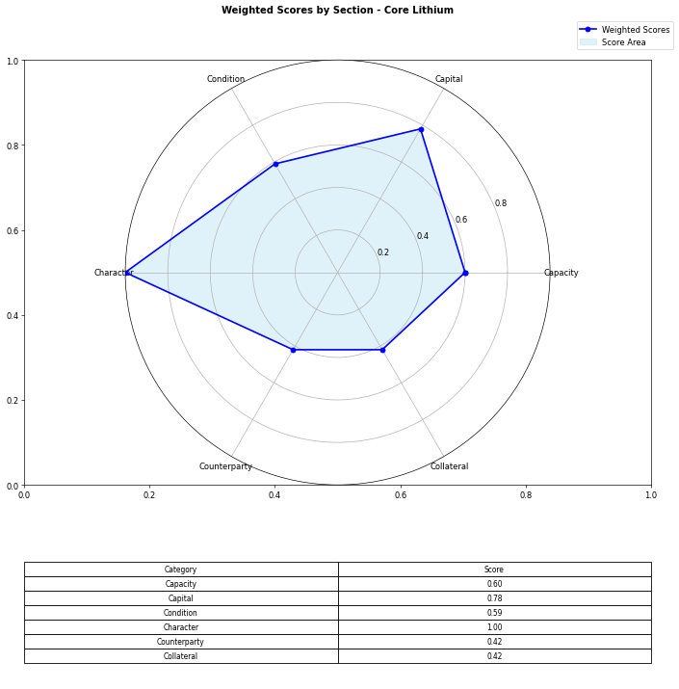
Financial Data | INPUTS | Questionnaire | Section | Weights | Parameters | Values | Very Low Max | Max Min | Ok Max | High Max | Very High Max | Output
Total revenue | 50600000 | What is your DSCR to date? | Capacity | 10% | Debt Service Coverage Ratio | 0.45193363032 | 1 | 1.3 | 1.5 | 2 | 2.5 | 1 | 0.45193363032 | #DIV/0!
EBITDA | 14000000 | What is the free cash flow? |  | 5% | Free Cash Flow | 75800000 | 0 | 100000 | 500000 | 1000000 | 2000000 | 5 | 75800000 | #N/A
Operating income | 10810000 | What is the average interest rate on debt facilities for the Company? |  | 3% | Average Interest Rate | 0.03 | 0.2 | 0.15 | 0.12 | 0.09 | 0.05 | 5 | 0.03 | 0.03
[Cash Flow Statement] |  | What proportion of the revenue is from gross margin? |  | 5% | Gross Margin Ratio | 0.21363636364 | 0.1 | 0.25 | 0.35 | 0.5 | 0.7 | 2 | 0.21363636364 | #N/A
Operational cash flow | 90800000 | What is your debt to income ratio? |  | 3% | Debt-to-Income | 2.2127142857 | 0.6 | 0.55 | 0.5 | 0.45 | 0.4 | 1 | 2.2127142857 | #N/A
Capital expenditure | 15000000 | What's the current ratio? | Capital | 6% | Current Ratio | 1.5845833437 | 0.5 | 1 | 1.5 | 2 | 2.5 | 4 | 1.5845833437 | #N/A
Debt service | 30978000 | What proportion of debt to equity |  | 4% | Debt to Equity | 0.41761570148 | 0.035 | 0.03 | 0.02 | 0.015 | 0.01 | 1 | 0.41761570148 | #N/A
[Balance Sheet] |  | How much of the capital is coming from external sources? |  | 2% | External capital | 1 | 0.1 | 0.2 | 0.5 | 0.6 | 0.8 | 5
Total current assets | 191733000 | What's the revenue growth rate of the company? |  | 6% | Revenue growth rate annually | 2.42 | 0 | 0.05 | 0.1 | 0.15 | 0.2 | 5
Total assets | 503143000 | How much of your investors are company insiders? |  | 2% | Company investors | 5 | 1 | 2 | 3 | 4 | 5 | 5
Total current liabilities | 120999000 | Is the market very competitive or is it newer and less monopolized? | Condition | 5% | Market entry barriers | 5 | 1 | 2 | 3 | 4 | 5 | 5
Total liabilities | 148221000 | How much of the Companies revenues are tied to Commodity Prices? |  | 3% | Commodity Price Risk | 1 | 1 | 2 | 3 | 4 | 5 | 1
Total equity | 354922000 | What potential are there for changes in levies and taxes on production? |  | 2% | Industry-related government policy | 3 | 1 | 2 | 3 | 4 | 5 | 3
Total debt | 30978000 | What segment of the market is the company a part of? |  | 3% | Sector | 5 | 1 | 2 | 3 | 4 | 5 | 5
 |  | What traction to date has the company gained |  | 2% | Market traction | 5 | 1 | 2 | 3 | 4 | 5 | 5
 |  | Do management have any personal history of default? | Character | 2% | Credit history of management | 5 | 1 | 2 | 3 | 4 | 5 | 5
 |  | Does the Company have IP rights and trademarks secured? |  | 4% | Intellectual property rights and protections | 5 | 1 | 2 | 3 | 4 | 5 | 5
 |  | How long have management spent working in the industry of the Companies chosen field? |  | 8% | Time spent in an industry | 5 | 1 | 2 | 3 | 4 | 5 | 5
 |  | Have any of the Directors been bankrupt at any point in time? |  | 4% | History of bankruptcy | 5 | 1 | 2 | 3 | 4 | 5 | 5
 |  | How many employees work for the company? |  | 2% | Number of employees | 5 | 1 | 2 | 3 | 4 | 5 | 5
 |  | How big are the counterparties that they're working with? | Counterparty | 3% | Size of counterparties | 5 | 1 | 2 | 3 | 4 | 5 | 5
 |  | Amount of counterparties? |  | 3% | Concentration risk | 5 | 1 | 2 | 3 | 4 | 5 | 5
 |  | How long will a PPA last and is the agreement solidified? |  | 2% | Stability of PPAs (where relevant) | 1 | 1 | 2 | 3 | 4 | 5 | 1
 |  | Has the counterparty been in good credit standing? |  | 1% | Credit history of counterparty | 5 | 1 | 2 | 3 | 4 | 5 | 5
 |  | Is there any significant financial news on the counterparty that would indicate a risk? |  | 1% | Relevant news on the company (counterparty) | 5 | 1 | 2 | 3 | 4 | 5 | 5
 |  | What is the fixed asset turnover ratio? | Collateral | 4% | Fixed Asset Turnover Ratio | 3 | 1 | 2 | 3 | 4 | 5 | 3
 |  | Is there any collateral that has/is been pledged elsewhere and is there more available? |  | 1% | Existing collateral obligations | 5 | 1 | 2 | 3 | 4 | 5 | 5
 |  | Is there an established system of recourse in the event of default? |  | 2% | Asset recourse structure | 5 | 1 | 2 | 3 | 4 | 5 | 5
 |  | Is the collateral coming from the companies assets or is it less organized and coming from an individual? |  | 2% | Personal or company donation of collateral? | 5 | 1 | 2 | 3 | 4 | 5 | 5
 |  | Is the collateral readily available in the case of default? |  | 1% | Description/Location of Collateral | 5 | 1 | 2 | 3 | 4 | 5 | 5
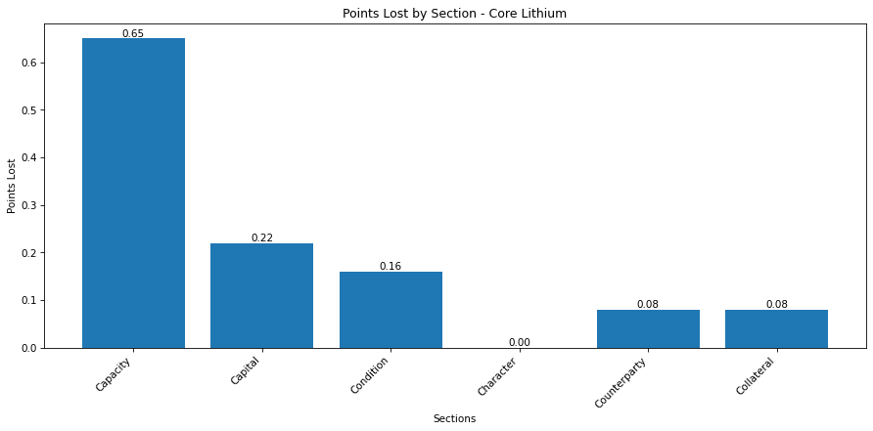
 |  |  |  |  | Final Score: |  |  |  |  |  |  | 3.81
 |  |  |  |  |  |  |  |  |  |  | Barrons: | Moderate sell

Woodside
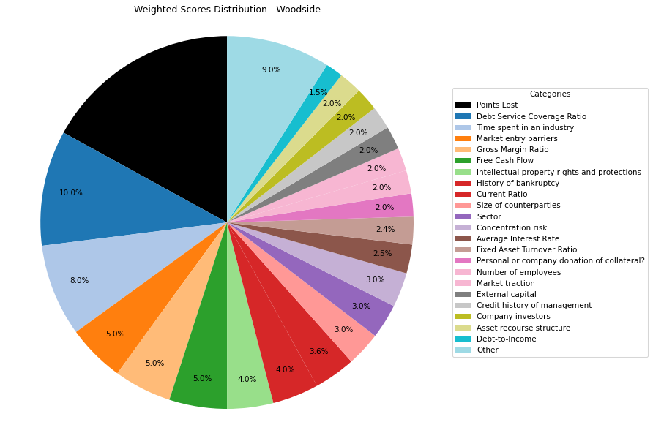
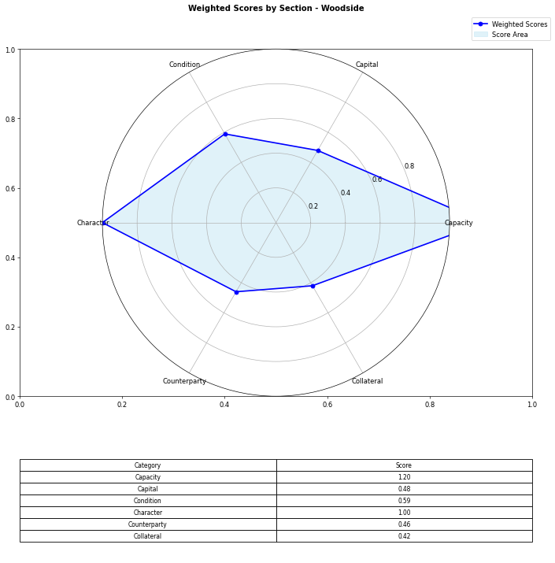
Financial Data | INPUTS | Questionnaire | Section | Weights | Parameters | Values | Very Low Max | Max Min | Ok Max | High Max | Very High Max | Output
Total revenue | 13994000000 | What is your DSCR to date? | Capacity | 10% | Debt Service Coverage Ratio | 32.968309859 | 1 | 1.3 | 1.5 | 2 | 2.5 | 5 | 32.968309859 | #DIV/0!
EBITDA | 9363000000 | What is the free cash flow? |  | 5% | Free Cash Flow | 600000000 | 0 | 100000 | 500000 | 1000000 | 2000000 | 5 | 600000000 | #N/A
Operating income | 13994000000 | What is the average interest rate on debt facilities for the Company? |  | 3% | Average Interest Rate | 0.04 | 0.2 | 0.15 | 0.12 | 0.09 | 0.05 | 5 | 0.04 | 0.09
[Cash Flow Statement] |  | What proportion of the revenue is from gross margin? |  | 5% | Gross Margin Ratio | 1 | 0.1 | 0.25 | 0.35 | 0.5 | 0.7 | 1 | 1 | #N/A
Operational cash flow | 11111111 | What is your debt to income ratio? |  | 3% | Debt-to-Income | 0.50720922781 | 0.6 | 0.55 | 0.5 | 0.45 | 0.4 | 1 | 0.50720922781 | #N/A
Capital expenditure | 5736000000 | What's the current ratio? | Capital | 6% | Current Ratio | 1.0272982738 | 0.5 | 1 | 1.5 | 2 | 2.5 | 3 | 1.0272982738 | #N/A | 1.81
Debt service | 284000000 | What proportion of debt to equity |  | 4% | Debt to Equity | 0.57409724197 | 0.035 | 0.03 | 0.02 | 0.015 | 0.01 | 1 | 0.57409724197 | #N/A
[Balance Sheet] |  | How much of the capital is coming from external sources? |  | 2% | External capital | 1 | 0.1 | 0.2 | 0.5 | 0.6 | 0.8 | 5
Total current assets | 5118000000 | What's the revenue growth rate of the company? |  | 6% | Revenue growth rate annually | 0 | 0 | 0.05 | 0.1 | 0.15 | 0.2 | 5
Total assets | 55361000000 | How much of your investors are company insiders? |  | 2% | Company investors | 5 | 1 | 2 | 3 | 4 | 5 | 5
Total current liabilities | 4982000000 | Is the market very competitive or is it newer and less monopolized? | Condition | 5% | Market entry barriers | 5 | 1 | 2 | 3 | 4 | 5 | 5
Total liabilities | 20191000000 | How much of the Companies revenues are tied to Commodity Prices? |  | 3% | Commodity Price Risk | 1 | 1 | 2 | 3 | 4 | 5 | 3
Total equity | 35170000000 | What potential are there for changes in levies and taxes on production? |  | 2% | Industry-related government policy | 3 | 1 | 2 | 3 | 4 | 5 | 3
Total debt | 4749000000 | What segment of the market is the company a part of? |  | 3% | Sector | 5 | 1 | 2 | 3 | 4 | 5 | 5
 |  | What traction to date has the company gained |  | 2% | Market traction | 5 | 1 | 2 | 3 | 4 | 5 | 5
 |  | Do management have any personal history of default? | Character | 2% | Credit history of management | 5 | 1 | 2 | 3 | 4 | 5 | 5
 |  | Does the Company have IP rights and trademarks secured? |  | 4% | Intellectual property rights and protections | 5 | 1 | 2 | 3 | 4 | 5 | 5
 |  | How long have management spent working in the industry of the Companies chosen field? |  | 8% | Time spent in an industry | 5 | 1 | 2 | 3 | 4 | 5 | 5
 |  | Have any of the Directors been bankrupt at any point in time? |  | 4% | History of bankruptcy | 5 | 1 | 2 | 3 | 4 | 5 | 5
 |  | How many employees work for the company? |  | 2% | Number of employees | 5 | 1 | 2 | 3 | 4 | 5 | 5
 |  | How big are the counterparties that they're working with? | Counterparty | 3% | Size of counterparties | 5 | 1 | 2 | 3 | 4 | 5 | 5
 |  | Amount of counterparties? |  | 3% | Concentration risk | 5 | 1 | 2 | 3 | 4 | 5 | 5
 |  | How long will a PPA last and is the agreement solidified? |  | 2% | Stability of PPAs (where relevant) | 3 | 1 | 2 | 3 | 4 | 5 | 3
 |  | Has the counterparty been in good credit standing? |  | 1% | Credit history of counterparty | 5 | 1 | 2 | 3 | 4 | 5 | 5
 |  | Is there any significant financial news on the counterparty that would indicate a risk? |  | 1% | Relevant news on the company (counterparty) | 5 | 1 | 2 | 3 | 4 | 5 | 5
 |  | What is the fixed asset turnover ratio? | Collateral | 4% | Fixed Asset Turnover Ratio | 3 | 1 | 2 | 3 | 4 | 5 | 3
 |  | Is there any collateral that has/is been pledged elsewhere and is there more available? |  | 1% | Existing collateral obligations | 5 | 1 | 2 | 3 | 4 | 5 | 5
 |  | Is there an established system of recourse in the event of default? |  | 2% | Asset recourse structure | 5 | 1 | 2 | 3 | 4 | 5 | 5
 |  | Is the collateral coming from the companies assets or is it less organized and coming from an individual? |  | 2% | Personal or company donation of collateral? | 5 | 1 | 2 | 3 | 4 | 5 | 5
 |  | Is the collateral readily available in the case of default? |  | 1% | Description/Location of Collateral | 5 | 1 | 2 | 3 | 4 | 5 | 5
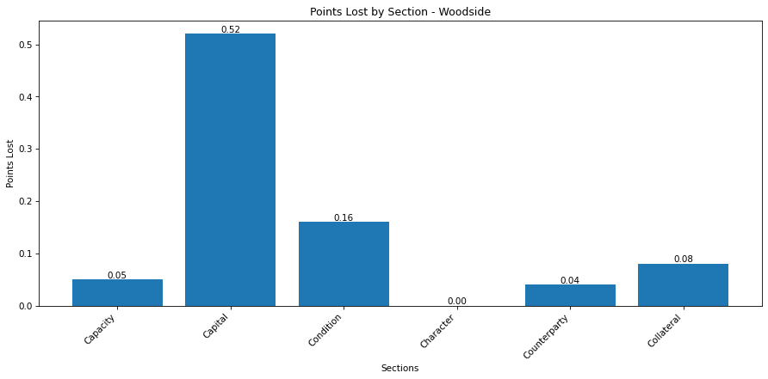
 |  |  |  |  | Final Score: |  |  |  |  |  |  | 4.15
 |  |  |  |  |  |  |  |  |  |  | S&P: | BBB+

Lynas

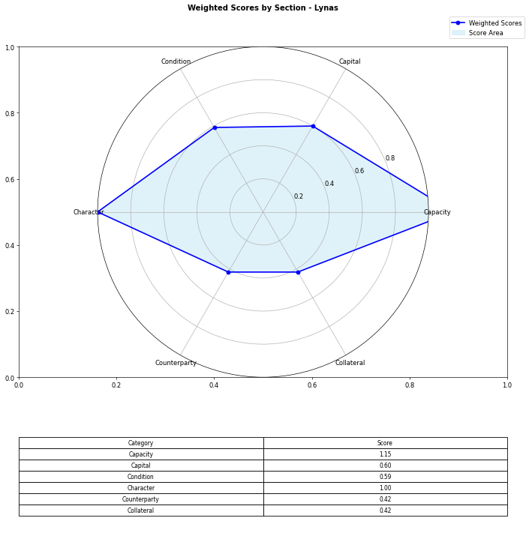
Financial Data | INPUTS | Questionnaire | Section | Weights | Parameters | Values | Very Low Max | Max Min | Ok Max | High Max | Very High Max | Output
Total revenue | 739300000 | What is your DSCR to date? | Capacity | 10% | Debt Service Coverage Ratio | 27.821214854 | 1 | 1.3 | 1.5 | 2 | 2.5 | 5 | 27.821214854 | 200000000 | #DIV/0!
EBITDA | 339391000 | What is the free cash flow? |  | 5% | Free Cash Flow | 23300000 | 0 | 100000 | 500000 | 1000000 | 2000000 | 5 | 23300000 | #N/A | #N/A
Operating income | 310307000 | What is the average interest rate on debt facilities for the Company? |  | 3% | Average Interest Rate | 0.065 | 0.2 | 0.15 | 0.12 | 0.09 | 0.05 | 5 | 0.065 | 0.065 | 0.09
[Cash Flow Statement] |  | What proportion of the revenue is from gross margin? |  | 5% | Gross Margin Ratio | 0.41973082646 | 0.1 | 0.25 | 0.35 | 0.5 | 0.7 | 4 | 0.41973082646 | #N/A | #N/A
Operational cash flow | 31300000 | What is your debt to income ratio? |  | 3% | Debt-to-Income | 0.52270095554 | 0.6 | 0.55 | 0.5 | 0.45 | 0.4 | 3 | 0.52270095554 | #N/A | #N/A
Capital expenditure | 8000000 | What's the current ratio? | Capital | 6% | Current Ratio | 7.1922100121 | 0.5 | 1 | 1.5 | 2 | 2.5 | 5 | 7.1922100121 | #N/A | #N/A | 1.81
Debt service | 12199000 | What proportion of debt to equity |  | 4% | Debt to Equity | 0.21968666047 | 0.035 | 0.03 | 0.02 | 0.015 | 0.01 | 1 | 0.21968666047 | #N/A | #N/A
[Balance Sheet] |  | How much of the capital is coming from external sources? |  | 2% | External capital | 1 | 0.1 | 0.2 | 0.5 | 0.6 | 0.8 | 5
Total current assets | 1186578 | What's the revenue growth rate of the company? |  | 6% | Revenue growth rate annually | -1 | 0 | 0.05 | 0.1 | 0.15 | 0.2 | 1
Total assets | 2638675 | How much of your investors are company insiders? |  | 2% | Company investors | 5 | 1 | 2 | 3 | 4 | 5 | 5
Total current liabilities | 164981 | Is the market very competitive or is it newer and less monopolized? | Condition | 5% | Market entry barriers | 5 | 1 | 2 | 3 | 4 | 5 | 5
Total liabilities | 475271 | How much of the Companies revenues are tied to Commodity Prices? |  | 3% | Commodity Price Risk | 1 | 1 | 2 | 3 | 4 | 5 | 1
Total equity | 2163404 | What potential are there for changes in levies and taxes on production? |  | 2% | Industry-related government policy | 3 | 1 | 2 | 3 | 4 | 5 | 3
Total debt | 177400000 | What segment of the market is the company a part of? |  | 3% | Sector | 5 | 1 | 2 | 3 | 4 | 5 | 5
 |  | What traction to date has the company gained |  | 2% | Market traction | 5 | 1 | 2 | 3 | 4 | 5 | 5
 |  | Do management have any personal history of default? | Character | 2% | Credit history of management | 5 | 1 | 2 | 3 | 4 | 5 | 5
 |  | Does the Company have IP rights and trademarks secured? |  | 4% | Intellectual property rights and protections | 5 | 1 | 2 | 3 | 4 | 5 | 5
 |  | How long have management spent working in the industry of the Companies chosen field? |  | 8% | Time spent in an industry | 5 | 1 | 2 | 3 | 4 | 5 | 5
 |  | Have any of the Directors been bankrupt at any point in time? |  | 4% | History of bankruptcy | 5 | 1 | 2 | 3 | 4 | 5 | 5
 |  | How many employees work for the company? |  | 2% | Number of employees | 5 | 1 | 2 | 3 | 4 | 5 | 5
 |  | How big are the counterparties that they're working with? | Counterparty | 3% | Size of counterparties | 5 | 1 | 2 | 3 | 4 | 5 | 5
 |  | Amount of counterparties? |  | 3% | Concentration risk | 5 | 1 | 2 | 3 | 4 | 5 | 5
 |  | How long will a PPA last and is the agreement solidified? |  | 2% | Stability of PPAs (where relevant) | 1 | 1 | 2 | 3 | 4 | 5 | 1
 |  | Has the counterparty been in good credit standing? |  | 1% | Credit history of counterparty | 5 | 1 | 2 | 3 | 4 | 5 | 5
 |  | Is there any significant financial news on the counterparty that would indicate a risk? |  | 1% | Relevant news on the company (counterparty) | 5 | 1 | 2 | 3 | 4 | 5 | 5
 |  | What is the fixed asset turnover ratio? | Collateral | 4% | Fixed Asset Turnover Ratio | 3 | 1 | 2 | 3 | 4 | 5 | 3
 |  | Is there any collateral that has/is been pledged elsewhere and is there more available? |  | 1% | Existing collateral obligations | 5 | 1 | 2 | 3 | 4 | 5 | 5
 |  | Is there an established system of recourse in the event of default? |  | 2% | Asset recourse structure | 5 | 1 | 2 | 3 | 4 | 5 | 5
 |  | Is the collateral coming from the companies assets or is it less organized and coming from an individual? |  | 2% | Personal or company donation of collateral? | 5 | 1 | 2 | 3 | 4 | 5 | 5
 |  | Is the collateral readily available in the case of default? |  | 1% | Description/Location of Collateral | 5 | 1 | 2 | 3 | 4 | 5 | 5
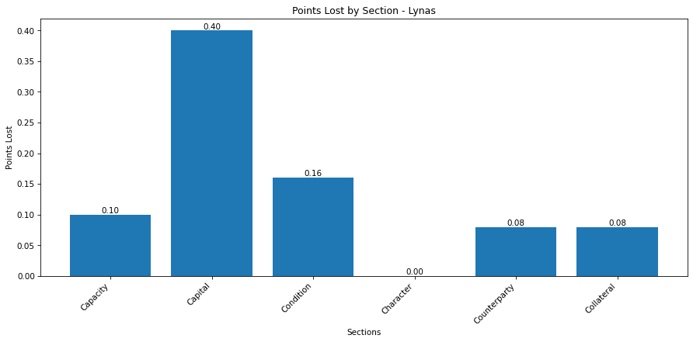
 |  |  |  |  | Final Score: |  |  |  |  |  |  | 4.18
 |  |  |  |  |  |  |  |  |  |  | S&P:

Wesfarmers
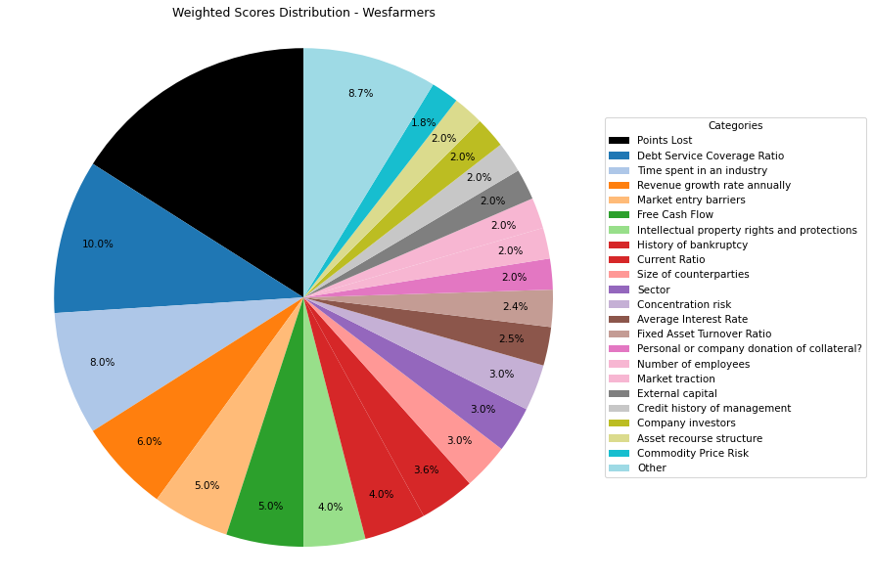
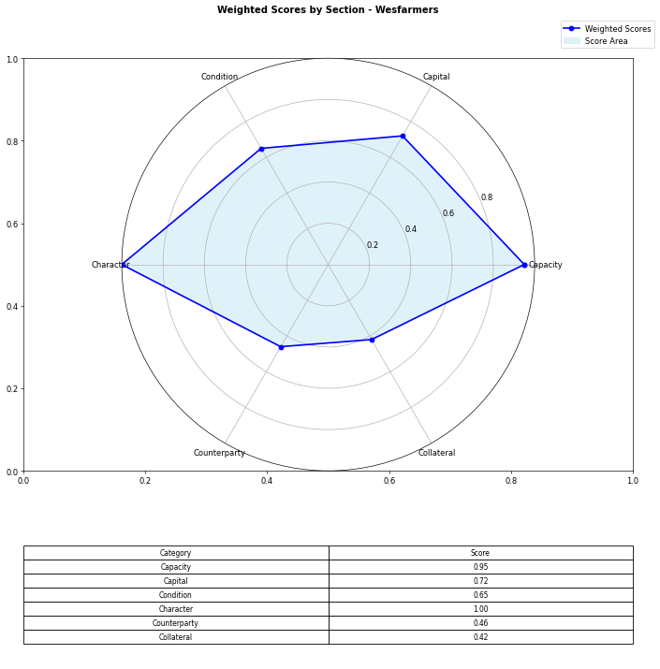
Financial Data | INPUTS | Questionnaire | Section | Weights | Parameters | Values | Very Low Max | Max Min | Ok Max | High Max | Very High Max | Output
Total revenue | 43550000000 | What is your DSCR to date? | Capacity | 10% | Debt Service Coverage Ratio | 5.0496732026 | 1 | 1.3 | 1.5 | 2 | 2.5 | 5 | 5.0496732026 | #DIV/0!
EBITDA | 3863000000 | What is the free cash flow? |  | 5% | Free Cash Flow | 2996000000 | 0 | 100000 | 500000 | 1000000 | 2000000 | 5 | 2996000000 | #N/A
Operating income | 3323000000 | What is the average interest rate on debt facilities for the Company? |  | 3% | Average Interest Rate | 0.05 | 0.2 | 0.15 | 0.12 | 0.09 | 0.05 | 5 | 0.09 | 0.09
[Cash Flow Statement] |  | What proportion of the revenue is from gross margin? |  | 5% | Gross Margin Ratio | 0.076303099885 | 0.1 | 0.25 | 0.35 | 0.5 | 0.7 | 1 | 0.076303099885 | #N/A
Operational cash flow | 4179000000 | What is your debt to income ratio? |  | 3% | Debt-to-Income | 1.1467771162 | 0.6 | 0.55 | 0.5 | 0.45 | 0.4 | 1 | 1.1467771162 | #N/A
Capital expenditure | 1183000000 | What's the current ratio? | Capital | 6% | Current Ratio | 1.1650757286 | 0.5 | 1 | 1.5 | 2 | 2.5 | 3 | 1.1650757286 | #N/A | 1.81
Debt service | 765000000 | What proportion of debt to equity |  | 4% | Debt to Equity | 2.2056514914 | 0.035 | 0.03 | 0.02 | 0.015 | 0.01 | 1 | 2.2056514914 | #N/A
[Balance Sheet] |  | How much of the capital is coming from external sources? |  | 2% | External capital | 1 | 0.1 | 0.2 | 0.5 | 0.6 | 0.8 | 5
Total current assets | 9154000000 | What's the revenue growth rate of the company? |  | 6% | Revenue growth rate annually | 0.18 | 0 | 0.05 | 0.1 | 0.15 | 0.2 | 5
Total assets | 26546000000 | How much of your investors are company insiders? |  | 2% | Company investors | 5 | 1 | 2 | 3 | 4 | 5 | 5
Total current liabilities | 7857000000 | Is the market very competitive or is it newer and less monopolized? | Condition | 5% | Market entry barriers | 5 | 1 | 2 | 3 | 4 | 5 | 5
Total liabilities | 18265000000 | How much of the Companies revenues are tied to Commodity Prices? |  | 3% | Commodity Price Risk | 3 | 1 | 2 | 3 | 4 | 5 | 3
Total equity | 8281000000 | What potential are there for changes in levies and taxes on production? |  | 2% | Industry-related government policy | 3 | 1 | 2 | 3 | 4 | 5 | 3
Total debt | 4430000000 | What segment of the market is the company a part of? |  | 3% | Sector | 5 | 1 | 2 | 3 | 4 | 5 | 5
 |  | What traction to date has the company gained |  | 2% | Market traction | 5 | 1 | 2 | 3 | 4 | 5 | 5
 |  | Do management have any personal history of default? | Character | 2% | Credit history of management | 5 | 1 | 2 | 3 | 4 | 5 | 5
 |  | Does the Company have IP rights and trademarks secured? |  | 4% | Intellectual property rights and protections | 5 | 1 | 2 | 3 | 4 | 5 | 5
 |  | How long have management spent working in the industry of the Companies chosen field? |  | 8% | Time spent in an industry | 5 | 1 | 2 | 3 | 4 | 5 | 5
 |  | Have any of the Directors been bankrupt at any point in time? |  | 4% | History of bankruptcy | 5 | 1 | 2 | 3 | 4 | 5 | 5
 |  | How many employees work for the company? |  | 2% | Number of employees | 5 | 1 | 2 | 3 | 4 | 5 | 5
 |  | How big are the counterparties that they're working with? | Counterparty | 3% | Size of counterparties | 5 | 1 | 2 | 3 | 4 | 5 | 5
 |  | Amount of counterparties? |  | 3% | Concentration risk | 5 | 1 | 2 | 3 | 4 | 5 | 5
 |  | How long will a PPA last and is the agreement solidified? |  | 2% | Stability of PPAs (where relevant) | 3 | 1 | 2 | 3 | 4 | 5 | 3
 |  | Has the counterparty been in good credit standing? |  | 1% | Credit history of counterparty | 5 | 1 | 2 | 3 | 4 | 5 | 5
 |  | Is there any significant financial news on the counterparty that would indicate a risk? |  | 1% | Relevant news on the company (counterparty) | 5 | 1 | 2 | 3 | 4 | 5 | 5
 |  | What is the fixed asset turnover ratio? | Collateral | 4% | Fixed Asset Turnover Ratio | 3 | 1 | 2 | 3 | 4 | 5 | 3
 |  | Is there any collateral that has/is been pledged elsewhere and is there more available? |  | 1% | Existing collateral obligations | 5 | 1 | 2 | 3 | 4 | 5 | 5
 |  | Is there an established system of recourse in the event of default? |  | 2% | Asset recourse structure | 5 | 1 | 2 | 3 | 4 | 5 | 5
 |  | Is the collateral coming from the companies assets or is it less organized and coming from an individual? |  | 2% | Personal or company donation of collateral? | 5 | 1 | 2 | 3 | 4 | 5 | 5
 |  | Is the collateral readily available in the case of default? |  | 1% | Description/Location of Collateral | 5 | 1 | 2 | 3 | 4 | 5 | 5
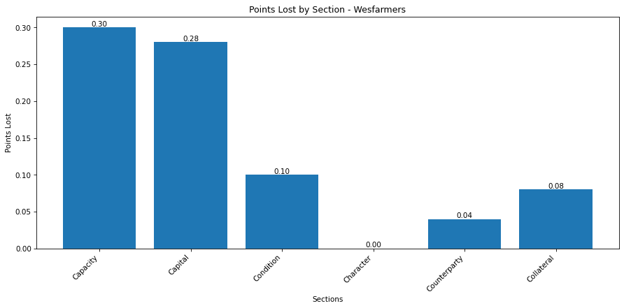
 |  |  |  |  | Final Score: |  |  |  |  |  |  | 4.2
 |  |  |  |  |  |  |  |  |  |  | Moody's/S&P: | A- w/ stable outlook

Jupiter Energy Limited
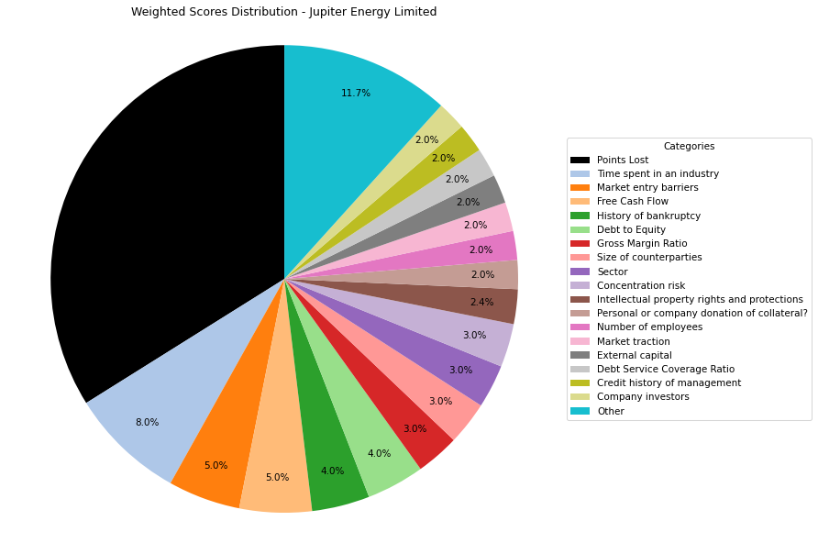
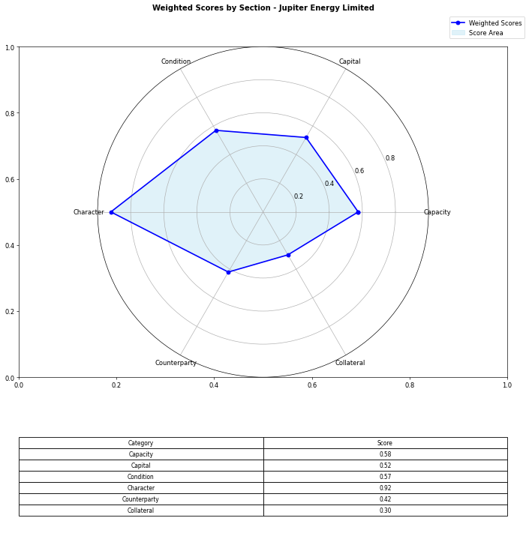
Financial Data | INPUTS | Questionnaire | Section | Weights | Parameters | Values | Very Low Max | Max Min | Ok Max | High Max | Very High Max | Output
Total revenue | 5588957 | What is your DSCR to date? | Capacity | 10% | Debt Service Coverage Ratio | 0.6591525445 | 1 | 1.3 | 1.5 | 2 | 2.5 | 1 | 0.6591525445 | #DIV/0!
EBITDA | 1626275 | What is the free cash flow? |  | 5% | Free Cash Flow | 7436666 | 0 | 100000 | 500000 | 1000000 | 2000000 | 5 | 7436666 | #N/A
Operating income | 1626275 | What is the average interest rate on debt facilities for the Company? |  | 3% | Average Interest Rate | 0.15 | 0.2 | 0.15 | 0.12 | 0.09 | 0.05 | 2 | 0.09 | 0.09
[Cash Flow Statement] |  | What proportion of the revenue is from gross margin? |  | 5% | Gross Margin Ratio | 0.29098005227 | 0.1 | 0.25 | 0.35 | 0.5 | 0.7 | 3 | 0.29098005227 | #N/A
Operational cash flow | 1603393 | What is your debt to income ratio? |  | 3% | Debt-to-Income | 12.792533243 | 0.6 | 0.55 | 0.5 | 0.45 | 0.4 | 1 | 12.792533243 | #N/A
Capital expenditure | -5833273 | What's the current ratio? | Capital | 6% | Current Ratio | 0.37962909859 | 0.5 | 1 | 1.5 | 2 | 2.5 | 1 | 0.37962909859 | #N/A | 1.81
Debt service | 2467221 | What proportion of debt to equity |  | 4% | Debt to Equity | -13.089819285 | 0.035 | 0.03 | 0.02 | 0.015 | 0.01 | 5 | -13.089819285 | #N/A
[Balance Sheet] |  | How much of the capital is coming from external sources? |  | 2% | External capital | 1 | 0.1 | 0.2 | 0.5 | 0.6 | 0.8 | 5
Total current assets | 1575378 | What's the revenue growth rate of the company? |  | 6% | Revenue growth rate annually | 0 | 0 | 0.05 | 0.1 | 0.15 | 0.2 | 1
Total assets | 23238966 | How much of your investors are company insiders? |  | 2% | Company investors | 5 | 1 | 2 | 3 | 4 | 5 | 5
Total current liabilities | 4149782 | Is the market very competitive or is it newer and less monopolized? | Condition | 5% | Market entry barriers | 5 | 1 | 2 | 3 | 4 | 5 | 5
Total liabilities | 25161159 | How much of the Companies revenues are tied to Commodity Prices? |  | 3% | Commodity Price Risk | 1 | 1 | 2 | 3 | 4 | 5 | 1
Total equity | -1922193 | What potential are there for changes in levies and taxes on production? |  | 2% | Industry-related government policy | 2 | 1 | 2 | 3 | 4 | 5 | 2
Total debt | 20804177 | What segment of the market is the company a part of? |  | 3% | Sector | 5 | 1 | 2 | 3 | 4 | 5 | 5
 |  | What traction to date has the company gained |  | 2% | Market traction | 5 | 1 | 2 | 3 | 4 | 5 | 5
 |  | Do management have any personal history of default? | Character | 2% | Credit history of management | 5 | 1 | 2 | 3 | 4 | 5 | 5
 |  | Does the Company have IP rights and trademarks secured? |  | 4% | Intellectual property rights and protections | 3 | 1 | 2 | 3 | 4 | 5 | 3
 |  | How long have management spent working in the industry of the Companies chosen field? |  | 8% | Time spent in an industry | 5 | 1 | 2 | 3 | 4 | 5 | 5
 |  | Have any of the Directors been bankrupt at any point in time? |  | 4% | History of bankruptcy | 5 | 1 | 2 | 3 | 4 | 5 | 5
 |  | How many employees work for the company? |  | 2% | Number of employees | 5 | 1 | 2 | 3 | 4 | 5 | 5
 |  | How big are the counterparties that they're working with? | Counterparty | 3% | Size of counterparties | 5 | 1 | 2 | 3 | 4 | 5 | 5
 |  | Amount of counterparties? |  | 3% | Concentration risk | 5 | 1 | 2 | 3 | 4 | 5 | 5
 |  | How long will a PPA last and is the agreement solidified? |  | 2% | Stability of PPAs (where relevant) | 1 | 1 | 2 | 3 | 4 | 5 | 1
 |  | Has the counterparty been in good credit standing? |  | 1% | Credit history of counterparty | 5 | 1 | 2 | 3 | 4 | 5 | 5
 |  | Is there any significant financial news on the counterparty that would indicate a risk? |  | 1% | Relevant news on the company (counterparty) | 5 | 1 | 2 | 3 | 4 | 5 | 5
 |  | What is the fixed asset turnover ratio? | Collateral | 4% | Fixed Asset Turnover Ratio | 1 | 1 | 2 | 3 | 4 | 5 | 1
 |  | Is there any collateral that has/is been pledged elsewhere and is there more available? |  | 1% | Existing collateral obligations | 5 | 1 | 2 | 3 | 4 | 5 | 5
 |  | Is there an established system of recourse in the event of default? |  | 2% | Asset recourse structure | 3 | 1 | 2 | 3 | 4 | 5 | 3
 |  | Is the collateral coming from the companies assets or is it less organized and coming from an individual? |  | 2% | Personal or company donation of collateral? | 5 | 1 | 2 | 3 | 4 | 5 | 5
 |  | Is the collateral readily available in the case of default? |  | 1% | Description/Location of Collateral | 5 | 1 | 2 | 3 | 4 | 5 | 5
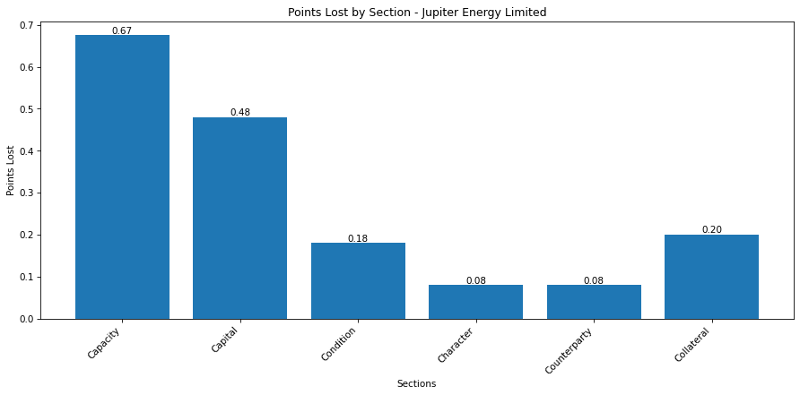
 |  |  |  |  | Final Score: |  |  |  |  |  |  | 3.305
 |  |  |  |  |  |  |  |  |  |  | Moody's/S&P:

