Plots
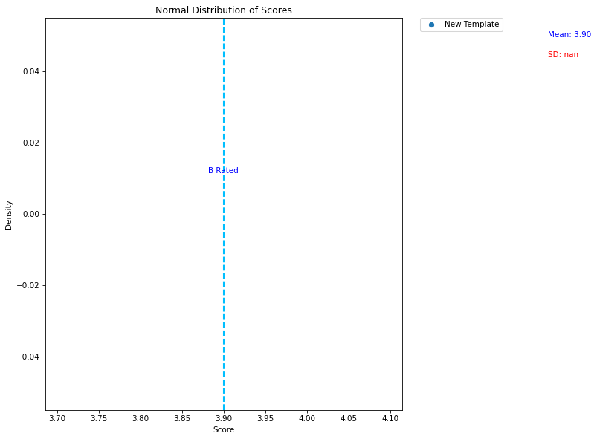
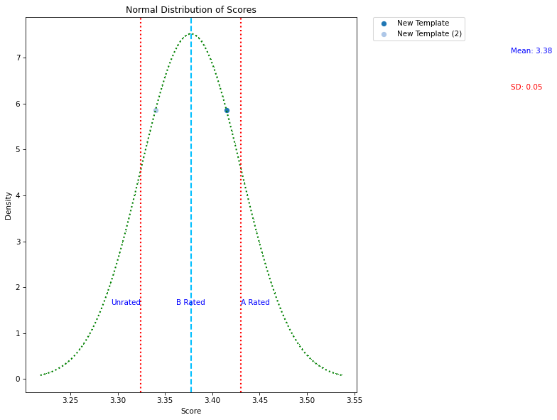
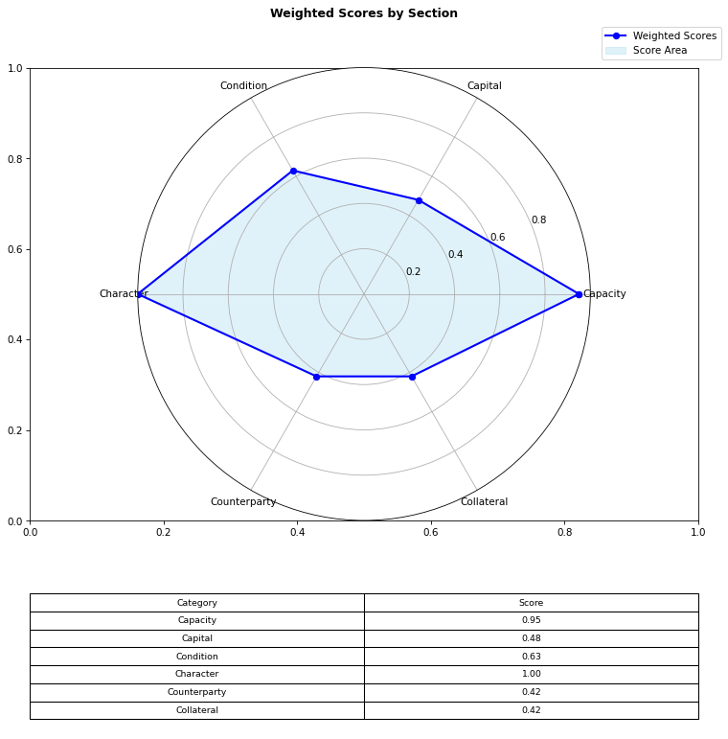
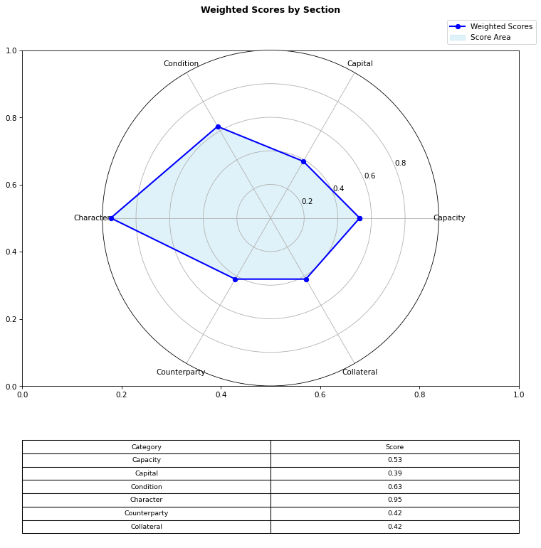

New Template
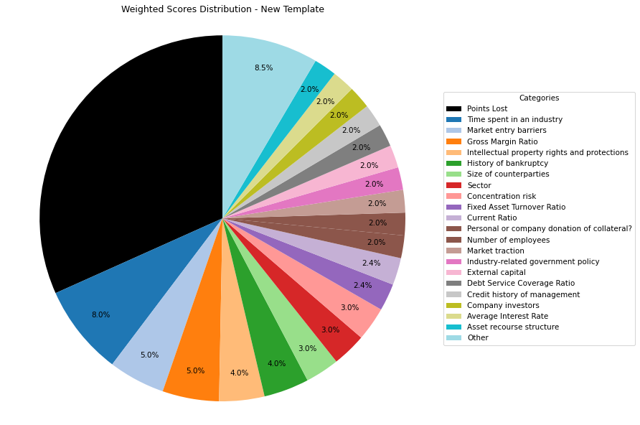
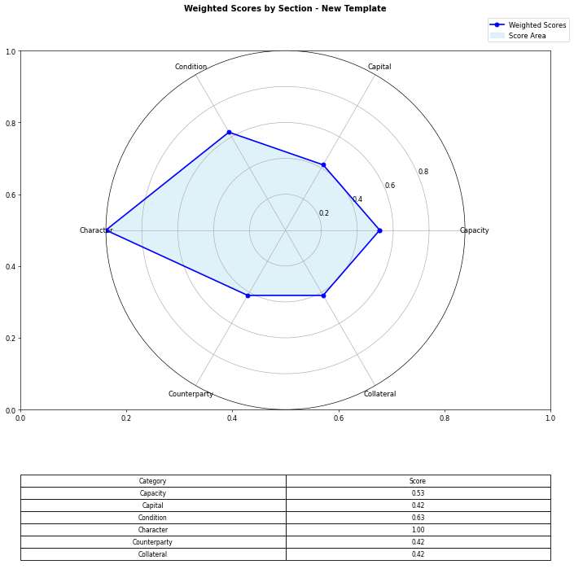
Section | Weights | Parameters | Values | Very Low Max | Low Max | Ok Max | High Max | Very High Max | Output | Financial Data | INPUTS | Formulas
Capacity | 10% | Debt Service Coverage Ratio | 1 | 1 | 1.3 | 1.5 | 2 | 2.5 | 1 | Total revenue | 1 | 1
 | 5% | Free Cash Flow | 0 | 0 | 100000 | 500000 | 1000000 | 2000000 | 1 | EBITDA | 1 | 0
 | 3% | Average Interest Rate | 0.09 | 0.2 | 0.15 | 0.12 | 0.09 | 0.05 | 4 | Operating income | 1 | 0.09
 | 5% | Gross Margin Ratio | 1 | 0.1 | 0.25 | 0.35 | 0.5 | 0.7 | 5 | [Cash Flow Statement] |  | 1
 | 3% | Debt-to-Income | 1 | 0.6 | 0.55 | 0.5 | 0.45 | 0.4 | 1 | Operational cash flow | 1 | 1
Capital | 6% | Current Ratio | 1 | 0.5 | 1 | 1.5 | 2 | 2.5 | 2 | Capital expenditure | 1 | 1
 | 4% | Debt to Equity | 1 | 0.035 | 0.03 | 0.02 | 0.015 | 0.01 | 1 | Debt service | 1 | 1
 | 2% | External capital | 1 | 0.1 | 0.2 | 0.5 | 0.6 | 0.8 | 5 | [Balance Sheet]
 | 6% | Revenue growth rate annually | 0 | 0 | 0.05 | 0.1 | 0.15 | 0.2 | 1 | Total current assets | 1
 | 2% | Company investors | 5 | 1 | 2 | 3 | 4 | 5 | 5 | Total assets | 1
Condition | 5% | Market entry barriers | 5 | 1 | 2 | 3 | 4 | 5 | 5 | Total current liabilities | 1
 | 3% | Commodity Price Risk | 1 | 1 | 2 | 3 | 4 | 5 | 1 | Total liabilities | 1
 | 2% | Industry-related government policy | 5 | 1 | 2 | 3 | 4 | 5 | 5 | Total equity | 1
 | 3% | Sector | 5 | 1 | 2 | 3 | 4 | 5 | 5 | Total debt | 1
 | 2% | Market traction | 5 | 1 | 2 | 3 | 4 | 5 | 5
Character | 2% | Credit history of management | 5 | 1 | 2 | 3 | 4 | 5 | 5
 | 4% | Intellectual property rights and protections | 5 | 1 | 2 | 3 | 4 | 5 | 5
 | 8% | Time spent in an industry | 5 | 1 | 2 | 3 | 4 | 5 | 5
 | 4% | History of bankruptcy | 5 | 1 | 2 | 3 | 4 | 5 | 5
 | 2% | Number of employees | 5 | 1 | 2 | 3 | 4 | 5 | 5
Counterparty | 3% | Size of counterparties | 5 | 1 | 2 | 3 | 4 | 5 | 5
 | 3% | Concentration risk | 5 | 1 | 2 | 3 | 4 | 5 | 5
 | 2% | Stability of PPAs (where relevant) | 1 | 1 | 2 | 3 | 4 | 5 | 1
 | 1% | Credit history of counterparty | 5 | 1 | 2 | 3 | 4 | 5 | 5
 | 1% | Relevant news on the company (counterparty) | 5 | 1 | 2 | 3 | 4 | 5 | 5
Collateral | 4% | Fixed Asset Turnover Ratio | 3 | 1 | 2 | 3 | 4 | 5 | 3
 | 1% | Existing collateral obligations | 5 | 1 | 2 | 3 | 4 | 5 | 5
 | 2% | Asset recourse structure | 5 | 1 | 2 | 3 | 4 | 5 | 5
 | 2% | Personal or company donation of collateral? | 5 | 1 | 2 | 3 | 4 | 5 | 5
 | 1% | Description/Location of Collateral | 5 | 1 | 2 | 3 | 4 | 5 | 5
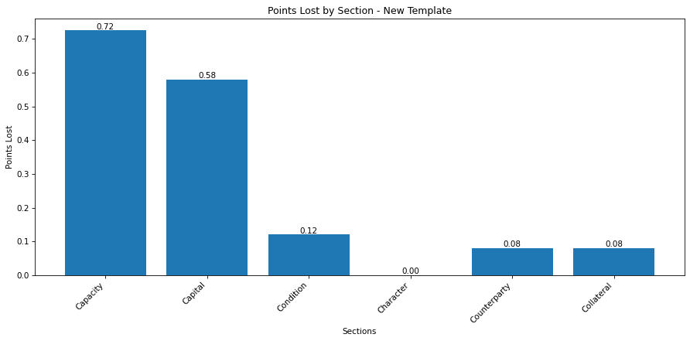
 |  | Final Score: |  |  |  |  |  |  | 3.415

New Template (2)
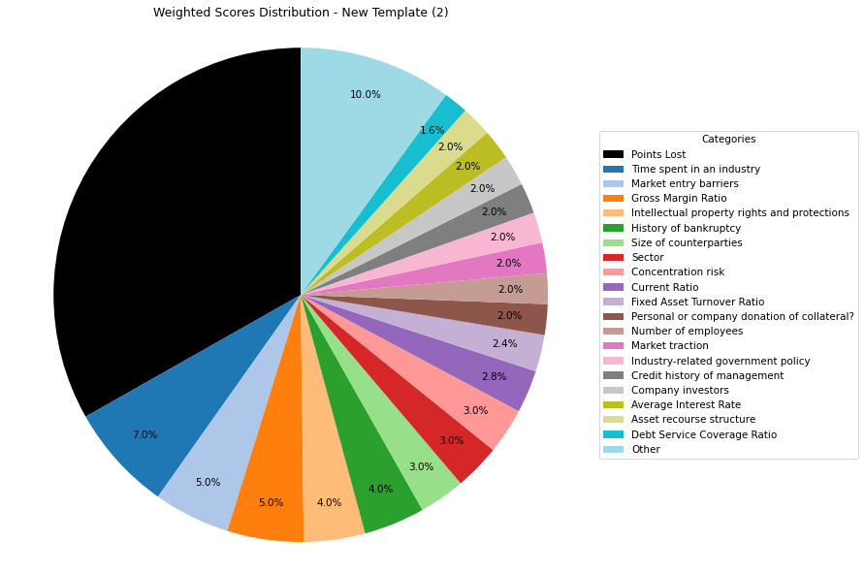

Section | Weights | Parameters | Values | Very Low Max | Low Max | Ok Max | High Max | Very High Max | Output | Financial Data | INPUTS | Formulas
Capacity | 8% | Debt Service Coverage Ratio | 1 | 1 | 1.3 | 1.5 | 2 | 2.5 | 1 | Total revenue | 1 | 1
 | 6% | Free Cash Flow | 0 | 0 | 100000 | 500000 | 1000000 | 2000000 | 1 | EBITDA | 1 | 0
 | 3% | Average Interest Rate | 0.09 | 0.2 | 0.15 | 0.12 | 0.09 | 0.05 | 4 | Operating income | 1 | 0.09
 | 5% | Gross Margin Ratio | 1 | 0.1 | 0.25 | 0.35 | 0.5 | 0.7 | 5 | [Cash Flow Statement] |  | 1
 | 4% | Debt-to-Income | 1 | 0.6 | 0.55 | 0.5 | 0.45 | 0.4 | 1 | Operational cash flow | 1 | 1
Capital | 7% | Current Ratio | 1 | 0.5 | 1 | 1.5 | 2 | 2.5 | 2 | Capital expenditure | 1 | 1
 | 4% | Debt to Equity | 1 | 0.035 | 0.03 | 0.02 | 0.015 | 0.01 | 1 | Debt service | 1 | 1
 | 1% | External capital | 1 | 0.1 | 0.2 | 0.5 | 0.6 | 0.8 | 5 | [Balance Sheet]
 | 6% | Revenue growth rate annually | 0 | 0 | 0.05 | 0.1 | 0.15 | 0.2 | 1 | Total current assets | 1
 | 2% | Company investors | 5 | 1 | 2 | 3 | 4 | 5 | 5 | Total assets | 1
Condition | 5% | Market entry barriers | 5 | 1 | 2 | 3 | 4 | 5 | 5 | Total current liabilities | 1
 | 3% | Commodity Price Risk | 1 | 1 | 2 | 3 | 4 | 5 | 1 | Total liabilities | 1
 | 2% | Industry-related government policy | 5 | 1 | 2 | 3 | 4 | 5 | 5 | Total equity | 1
 | 3% | Sector | 5 | 1 | 2 | 3 | 4 | 5 | 5 | Total debt | 1
 | 2% | Market traction | 5 | 1 | 2 | 3 | 4 | 5 | 5
Character | 2% | Credit history of management | 5 | 1 | 2 | 3 | 4 | 5 | 5
 | 4% | Intellectual property rights and protections | 5 | 1 | 2 | 3 | 4 | 5 | 5
 | 7% | Time spent in an industry | 5 | 1 | 2 | 3 | 4 | 5 | 5
 | 4% | History of bankruptcy | 5 | 1 | 2 | 3 | 4 | 5 | 5
 | 2% | Number of employees | 5 | 1 | 2 | 3 | 4 | 5 | 5
Counterparty | 3% | Size of counterparties | 5 | 1 | 2 | 3 | 4 | 5 | 5
 | 3% | Concentration risk | 5 | 1 | 2 | 3 | 4 | 5 | 5
 | 2% | Stability of PPAs (where relevant) | 1 | 1 | 2 | 3 | 4 | 5 | 1
 | 1% | Credit history of counterparty | 5 | 1 | 2 | 3 | 4 | 5 | 5
 | 1% | Relevant news on the company (counterparty) | 5 | 1 | 2 | 3 | 4 | 5 | 5
Collateral | 4% | Fixed Asset Turnover Ratio | 3 | 1 | 2 | 3 | 4 | 5 | 3
 | 1% | Existing collateral obligations | 5 | 1 | 2 | 3 | 4 | 5 | 5
 | 2% | Asset recourse structure | 5 | 1 | 2 | 3 | 4 | 5 | 5
 | 2% | Personal or company donation of collateral? | 5 | 1 | 2 | 3 | 4 | 5 | 5
 | 1% | Description/Location of Collateral | 5 | 1 | 2 | 3 | 4 | 5 | 5

 |  | Final Score: |  |  |  |  |  |  | 3.34

