Requirements Phase Defects
do not print this form |  |  |  | Echipa
Review Form. Requirements Defects |  |  |  |  | Numele si prenumele | Grupa
 |  |  |  | Student 1: | Varga Gabriela | 237
 | Document Title: | Requirements Document |  | Student 2: | Voina Marius | 237
 | Author Name: | Firicescu George |  | Student 3:
 | Reviewer Name:
 | Review date:

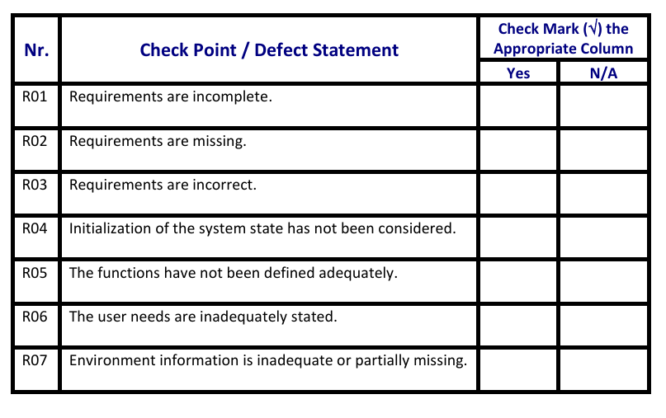
Crt. No. | Checked Item | Doc. page/line | Comments/ improvements
1 | R02 |  | Vizualizarea produselor : Se vor afisa :id, denumire, numar de bucati existente in stoc, pret unitar, piesele componente folosite la montarea produsul finit, numarul minim si maxim de bucati acceptat pentru depozitare.
2 | R02 |  | Vizualizarea partilor : Se vor afisa : id, denumire, numar de bucati existente in stoc, pret unitar, numarul minim si maxim de bucati acceptat pentru depozitare.
3 | R01 | F02a | Se poate inlocui cu : Cautarea unei piese dupa nume. Se vor afisa : id, denumire, numar de bucati existente in stoc, pret unitar, piesele componente folosite la montarea produsul finit, numarul minim si maxim de bucati acceptat pentru depozitare.
4 | R01 | F02b | Se poate inlocui cu : Cautarea unui produs dupa nume. Se vor afisa : id, denumire, numar de bucati existente in stoc, pret unitar, numarul minim si maxim de bucati acceptat pentru depozitare.
5
6
7
8
9
10
11
12
13
14

 | Effort to review document (hours): |  | 1,5 h

Architect. Design Phase Defects
do not print this form |  |  |  | Echipa
Review Form. Architectural Design Defects |  |  |  |  | Numele si prenumele | Grupa
 |  |  |  | Student 1: | Varga Gabriela | 237
 | Document Title: | Architectural Design Document |  | Student 2: | Voina Marius | 237
 | Author Name: | Georgescu Anca |  | Student 3:
 | Reviewer Name:
 | Review date:

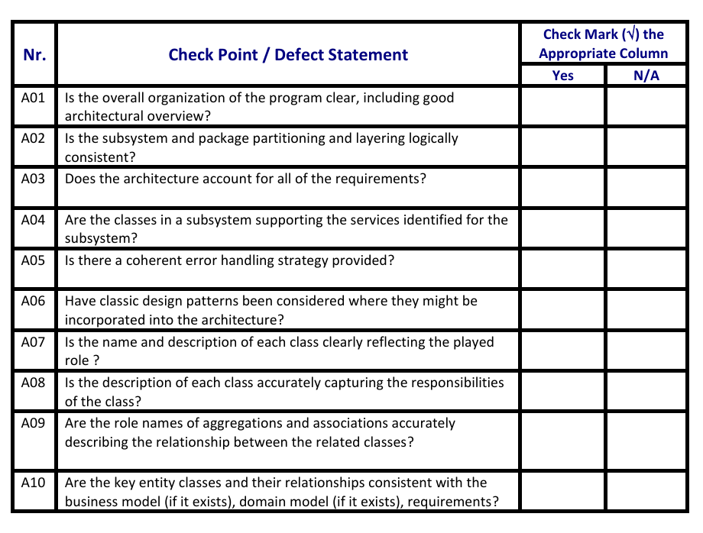
Crt. No. | Checked Item | Doc. page/line | Comments/ improvements
1 | A07 |  | Clasa Inventory nu are un nume descriptiv
2 | A01-A02 |  | Clasa Inventory, desi se ocupa de persistenta datelor in memorie, este gresit plasata in layer-ul model
3 | A05 |  | Controlerele au un atribut ce reprezinta mesajul de eroare.
4
5
6
7
8
9
10
11
12
13
14
15
16
17

 | Effort to review document (hours): |  | 1 h

Coding Phase Defects
do not print this form |  |  |  | Echipa
Review Form. Coding Defects |  |  |  |  | Numele si prenumele | Grupa
 |  |  |  | Student 1: | Varga Gabriela | 237
 | Document Title: | Coding Document |  | Student 2: | Voina Marius | 237
 | Author Name: | Popescu Ionel |  | Student 3:
 | Reviewer Name:
 | Review date:
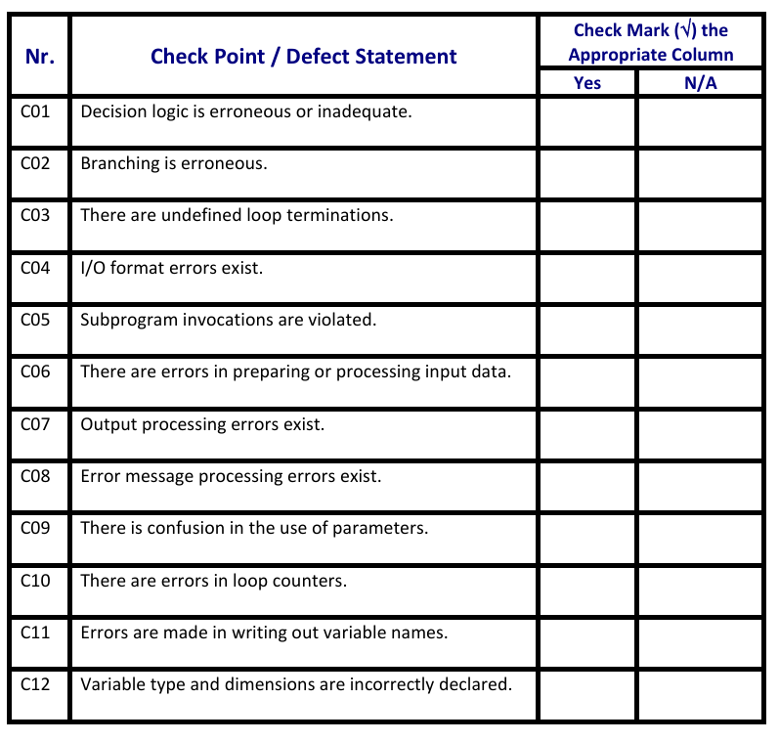
Crt. No. | Checked Item | Doc. page/line | Comments/ improvements
1 | C01 | AddPartController | Atributele partIdTxt, inhouseRBtn si partId sunt nefolosite
2 | C01 | AddProductController | Atributele productIdTxt si productIdTxt sunt nefolosite
3 | C01 | MainScreenController | Lipsesc numarul minim si maxim de bucati acceptate pentru depozitare pentru produse sau piese.
4 | C01 | Product, line 83 | Metodele lookupAssociatedPart, removeAssociatedPart si addAssociatedPart nu sunt apelate.
5
6
7
8
9
10
11
12
13
14
15
16
17
18
19
20
21

 | Effort to review document (hours): |  | 1 h

