Bugs found = 5
Title | Preconditions | Steps | Current Result | Expected Results
Mortage Calculator Title: Top and bottom margin are too wide |  | navigate to https://www.consumeraffairs.com/finance/how-much-house-can-i-afford.html#calculator | Top and bottom margin are too wide | Top and bottom margins have same height as the rest of section title of the page

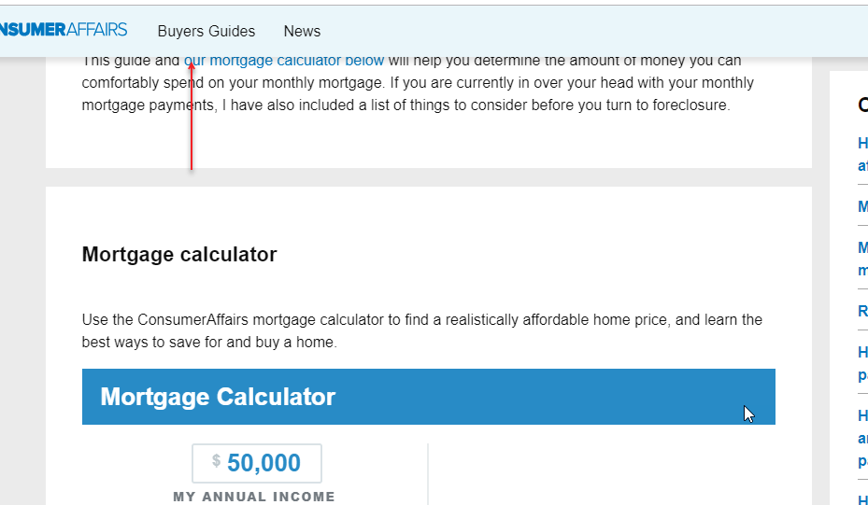
Navigation: https://www.consumeraffairs.com/finance/how-much-house-can-i-afford.html#calculator Calculator Margin section doesn’t show clearly on top |  | Paste navigate to https://www.consumeraffairs.com/finance/how-much-house-can-i-afford.html#calculator | Calculator Margin section doesn’t show clearly on top, you can see partialy the previous section | When you paste and navigate directly to the calcuolator url, top margin of calculator section matches with bottom margin of menubar

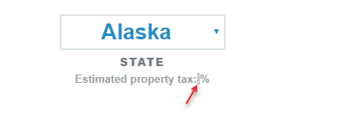
Missing “Estimated property tax” estimated amount |  | Go to the bottom of the Calculator and select any State from droplist

Annual Incoming or Down Payments Scrolling Bar works incorrectly when the number has more than 20char |  | At Annual Incoming or Down Payments, enter a number over 500000. Start adding zeros | 1. Annual Incoming Scrolling Bar goes to the far left 2. There is no errror or maximun amount for Annual Incomming | 1. if ammount is the max ammount scrolling bar goes to the far right 2. Suggest a max ammount | annualIncome-2019-01-31_20-09-48.mp4

There are no max amount of chars o value when values are entered manually |  | At any field enter any value and add zeros | no limit to of amount of chars to enter

