KPIs
KPI
Earnings |  | 2025A | 2026E | 2027E | 2028E
Total income | DKKm | 56,840 | 59,021 | 60,390 | 62,725
Net profit | DKKm | 23,036 | 23,818 | 24,207 | 25,287
Consensus net profit | DKKm |  | 24,600 | 25,930
vs. consensus | % |  | -3.2 | -6.6
EPS | DKK | 27.9 | 29.9 | 30.4 | 31.8
Profitability
ROE | % | 13.3 | 14.8 | 14.8 | 15.0
Cost/Income | % | 45.5 | 44.7 | 44.5 | 43.7
Cost of Risk | bp | 1.7 | 5.0 | 6.5 | 8.0
Capital and payout
CET1 ratio | % | 17.3 | 16.3 | 16.1 | 16.0
DPS | DKK | 22.7 | 20.9 | 21.3 | 22.2
Valuation
P/E | x | 13.2 | 12.3 | 12.1 | 11.6
P/B | x | 1.6 | 1.8 | 1.8 | 1.7
Dividend Yield | % | 6.2 | 5.7 | 5.8 | 6.0

Capital
 | 2025A | 2026E | 2027E | 2028E
CET1 capital | 142,133 | 139,779 | 145,540 | 151,627
REA | 822,078.00 | 858,967.56 | 901,915.94 | 947,011.73
CET1 ratio | 17.3% | 16.3% | 16.1% | 16.0%
2028 Target | 16% | 16% | 16% | 16%
MDA trigger | 15% | 15% | 15% | 15%

Macroeconomics
5.1 Exchange rates
(cross currency: Danish kroner)

(End of period) | Q226 | Q126 | Q425 | Q325 | Q225 | Q125 | Q424 | Q324
Euro (EUR) | 747.44 | 747.29 | 746.87 | 746.49 | 746.09 | 746.13 | 745.98 | 745.60
US dollar (USD) | 656.02 | 650.41 | 634.98 | 635.66 | 636.32 | 689.52 | 713.86 | 665.86
British pound sterling (GBP) | 867.75 | 860.88 | 857.04 | 854.16 | 872.26 | 893.25 | 899.2 | 892.51
Swedish krona (SEK) | 67.41 | 68.29 | 69.01 | 67.53 | 66.96 | 68.77 | 64.88 | 65.99
Norwegian krone (NOK) | 66.12 | 66.72 | 63.11 | 63.69 | 63.08 | 65.40 | 62.96 | 63.35
Polish zloty (PLN) | 174.04 | 174.17 | 176.75 | 174.81 | 175.88 | 178.34 | 174.86 | 174.20

5.2 Macroeconomic indicators

Denmark
Rating (S&P): AAA
(%) | 2027E | 2026E | 2025 | 2024 | 2023 | 2022 | 2021 | 2020
GDP growth | 2.5 | 3.7 | 3.5 | 3.9 | 1.1 | 0.4 | 6.5 | -1.8
Export | 2.3 | 6.3 | 3.5 | 7.4 | 7.0 | 6.6 | 7.7 | -6.4
Consumer spending* | 2.0 | 2.7 | 2.2 | 0.9 | -2.2 | -2.4 | 5.8 | -1.3
Public consumption | 3.0 | 2.9 | 2.1 | 1.2 | 0.1 | -2.4 | 4.9 | -1.9
Inflation | 2.4 | 1.5 | 1.9 | 1.4 | 3.3 | 7.7 | 1.8 | 0.4
Unemployment rate** | 3.6 | 3.1 | 2.9 | 2.9 | 2.8 | 2.5 | 3.6 | 4.6
3-month interest rate (avg.) | 2.10 | 2.65 | 2.12 | 3.50 | 3.50 | 0.62 | -0.23 | -0.24
10-year interest rate (avg.) | 2.80 | 2.80 | 2.47 | 2.31 | 2.71 | 1.46 | -0.05 | -0.36
Gross public debt (% of GDP) | 27.4 | 27.4 | 27.2 | 30.0 | 33.1 | 33.3 | 39.6 | 45.2
Budget balance (% of GDP) | 0.3 | 0.6 | 2.9 | 4.5 | 3.3 | 3.4 | 0.0 | 0.0
* Household consumption
** Gross, average year

Sweden
Rating (S&P): AAA
(%) | 2027E | 2026E | 2025 | 2024 | 2023 | 2022 | 2021 | 2020
GDP growth | 2.4 | 2.1 | 1.7 | 1.9 | 0.0 | 1.3 | 5.0 | -2.1
Export | 2.9 | 3.9 | 4.2 | 2.9 | 2.9 | 6.1 | 11.2 | -5.8
Consumer spending | 2.6 | 2.4 | 2.0 | 1.4 | -1.5 | 2.8 | 5.5 | -3.1
Public consumption | 1.7 | 0.9 | 1.4 | 1.0 | 1.4 | 0.7 | 3.1 | -1.8
Inflation | 2.1 | 1.3 | 2.6 | 1.9 | 6.0 | 7.7 | 2.4 | 0.5
Unemployment rate | 7.8 | 8.5 | 8.8 | 8.4 | 7.7 | 7.5 | 8.9 | 8.5
3-month interest rate (avg.) | 2.45 | 2.30 | 2.16 | 3.52 | 3.70 | 1.01 | -0.04 | 0.08
10-year interest rate (avg.) | 3.05 | 3.00 | 2.47 | 2.21 | 2.47 | 1.49 | 0.26 | -0.03
Gross public debt (% of GDP) | 38.4 | 36.7 | 34.6 | 33.0 | 32.1 | 35.1 | 38.4 | 38.5

Finland
Rating (S&P): AA+
(%) | 2027E | 2026E | 2025 | 2024 | 2023 | 2022 | 2021 | 2020
GDP growth | 0.8 | 1.1 | 0.8 | 0.9 | -1.3 | 0.8 | 2.7 | -2.5
Export | 3.7 | 1.7 | 5.0 | 1.3 | -1.4 | 4.4 | 6.0 | -8.5
Consumer spending | 0.9 | 0.8 | -1.1 | 0.2 | -0.3 | 0.9 | 3.2 | -3.4
Public consumption | -0.5 | 0.0 | 0.1 | 1.8 | 4.2 | -0.6 | 4.3 | 0.4
Inflation | 1.8 | 1.9 | 0.3 | 1.6 | 6.3 | 7.1 | 2.2 | 0.3
Unemployment rate | 10.1 | 10.5 | 9.7 | 8.4 | 7.2 | 6.8 | 7.7 | 7.7
3-month interest rate (avg.)* | 2.10 | 2.65 | 2.18 | 3.58 | 3.43 | 0.35 | -0.55 | -0.43
10-year interest rate (avg.) | 3.20 | 3.20 | 2.93 | 2.64 | 3.04 | 1.69 | -0.09 | -0.22
Gross public debt (% of GDP) | 93.3 | 90.9 | 88.5 | 82.5 | 77.1 | 74.0 | 73.1 | 75.3
Budget balance (% of GDP) | -4.8 | -5.0 | -3.4 | -4.4 | -2.9 | -0.2 | -2.7 | -5.5
* Euro area 20

Norway
Rating (S&P): AAA
(%) | 2027E | 2026E | 2025 | 2024 | 2023 | 2022 | 2021 | 2020
GDP growth - mainland | 1.5 | 1.0 | 1.7 | 0.6 | 0.9 | 5.2 | 4.7 | -2.7
Export | 0.8 | 0.8 | 2.7 | 5.8 | 0.9 | 4.9 | 5.8 | -2.4
Consumer spending | 2.4 | 1.6 | 2.6 | 1.3 | -1.0 | 7.2 | 6.1 | -4.3
Public consumption | 1.8 | 1.9 | 2.4 | 1.7 | 4.4 | 3.0 | 3.6 | -0.2
Inflation | 2.1 | 3.1 | 3.0 | 3.2 | 5.5 | 5.8 | 3.4 | 1.4
Unemployment rate | 2.4 | 2.3 | 2.1 | 2.1 | 1.9 | 1.7 | 2.2 | 3.9
3-month interest rate (avg.) | 3.75 | 4.75 | 4.39 | 4.72 | 4.15 | 2.06 | 0.47 | 0.70
10-year interest rate (avg.) | 4.30 | 4.40 | 3.95 | 3.56 | 3.43 | 2.82 | 1.42 | 0.85
Gross public debt (% of GDP) | 54.0 | 54.3 | 45.2 | 43.3 | 42.8 | 36.5 | 41.4 | 45.2
Budget balance (% of GDP) | 9.7 | 10.5 | 12.5 | 12.6 | 16.3 | 25.6 | 10.3 | -2.6

Euro zone (EA 20)
(%) | 2027E | 2026E | 2025 | 2024 | 2023 | 2022 | 2021 | 2020
GDP growth | 1.2 | 0.7 | 1.5 | 0.9 | 0.6 | 3.7 | 6.3 | -6.2
Export | 0.9 | 0.9 | 2.3 | 0.6 | -1.0 | 7.5 | 11.4 | -9.1
Consumer spending | 1.0 | 0.6 | 1.5 | 1.3 | 0.6 | 5.3 | 4.6 | -7.9
Public consumption | 1.4 | 1.7 | 1.4 | 2.3 | 1.5 | 1.3 | 4.3 | 1.2
Inflation | 2.3 | 3.0 | 2.1 | 2.4 | 5.4 | 8.4 | 2.6 | 0.3
Unemployment rate | 6.4 | 6.4 | 6.3 | 6.3 | 6.6 | 6.7 | 7.2 | 8.3
3-month interest rate (avg.) | 2.10 | 2.65 | 2.18 | 3.58 | 3.43 | 0.35 | -0.55 | -0.43
10-year interest rate (avg.)* | 2.90 | 2.90 | 2.63 | 2.34 | 2.45 | 1.19 | -0.31 | -0.48
Gross public debt (% of GDP)** | 91.4 | 90.4 | 87.9 | 87.1 | 87.0 | 89.3 | 93.8 | 96.5
Budget balance (% of GDP)** | -3.5 | -3.3 | -2.9 | -3.0 | -3.5 | 0.0 | 0.0 | 0.0
* German 10Y.
** Croatia included for the first time in 2023, previously Euro area 19.

Source: Danske Bank Research ( www.danskebank.com/danskeresearch ), Macrobond Financial, national statistical offices. Last updated in June 2026. Danske Bank Research’s next economic forecast for the Nordic countries will be published in October 2026.

5.3 Charts

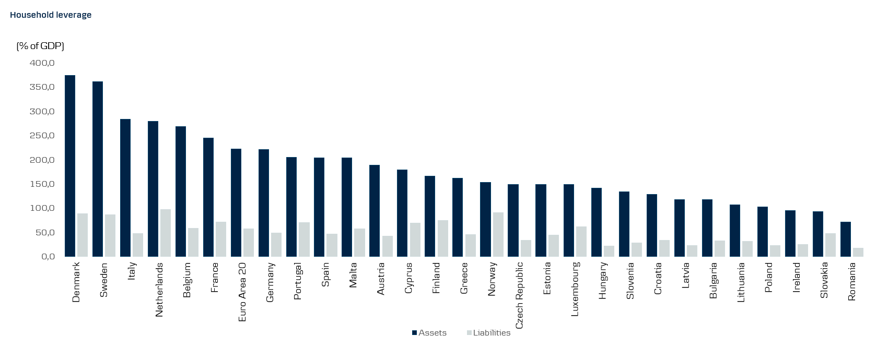

Source: Danske Bank Research (www.danskebank.com/danskeresearch), Macrobond Financial, Eurostat. Last updated in June 2026.

