FrontPage
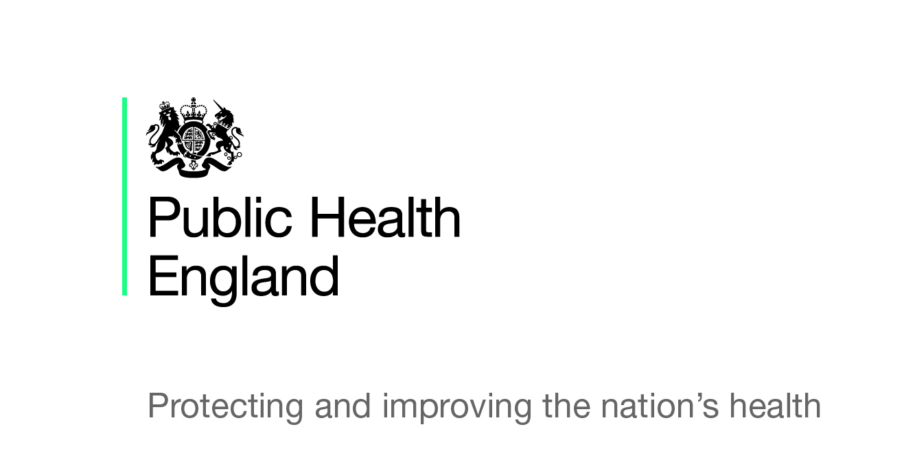

Seasonal influenza vaccine uptake amongst
GP Patients in England

Final end of season monthly data for
1 September 2018 to 28 February 2019
By Local NHS England Team (2018)

The DCB2205 Seasonal Influenza Uptake (GP Patient) Survey has received full approval from the Data Coordination Board for the 2018 to 2019 influenza season.

The DCB2211 Seasonal Influenza Uptake in Children (GP Patient) Survey has received full approval from the Data Coordination Board for the 2018 to 2019 influenza season.

