Title
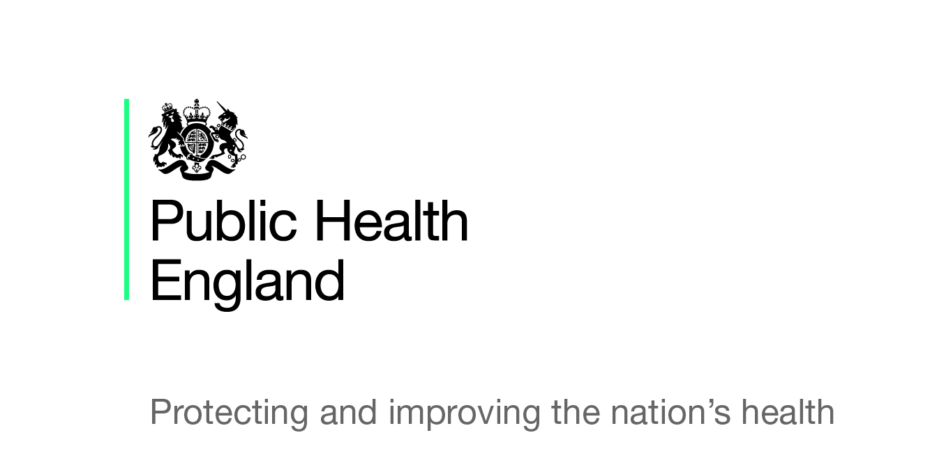

Seasonal influenza vaccine uptake amongst
GP Patients in England

Final monthly data for 1 September 2017 to 31 January 2018
By Local Authority

The Seasonal influenza vaccine uptake GP patients (Main and Child survey) has received full approval from the Data Coordination Board for the 2017 to 2018 influenza season.

