How To Guide
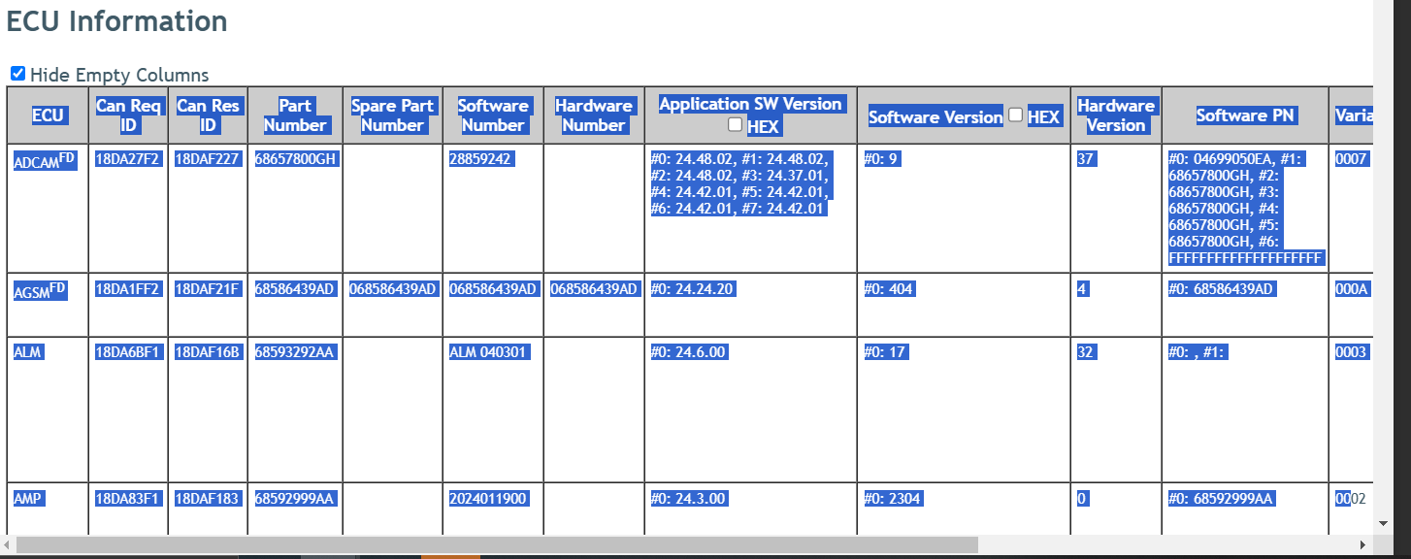
Step 1 Open VSR
Step 2 Select all on VSR page by pressing CRTL+A. Then copy CTRL+C
Step 3 Go to the tab with the correct VIN. Select cell A1 and paste CTRL+V
Step 4 Go back to the "Overview of KX Fleet" tab to see what modules need to be updated still. Orange: Additional update needed Green: Module is up to date

Note: ECU leads are responsible to keep the "Master SW List" up to date with what the fleet should be using. The fleet should be using the most updated SW with the confirmed functionality already tested on KX. Once you have flashed the SW onto a vehicle for checkout, use the "Part #" and "SW Version" from a VSR to populate the "Master SW List" tab

