Testing H1
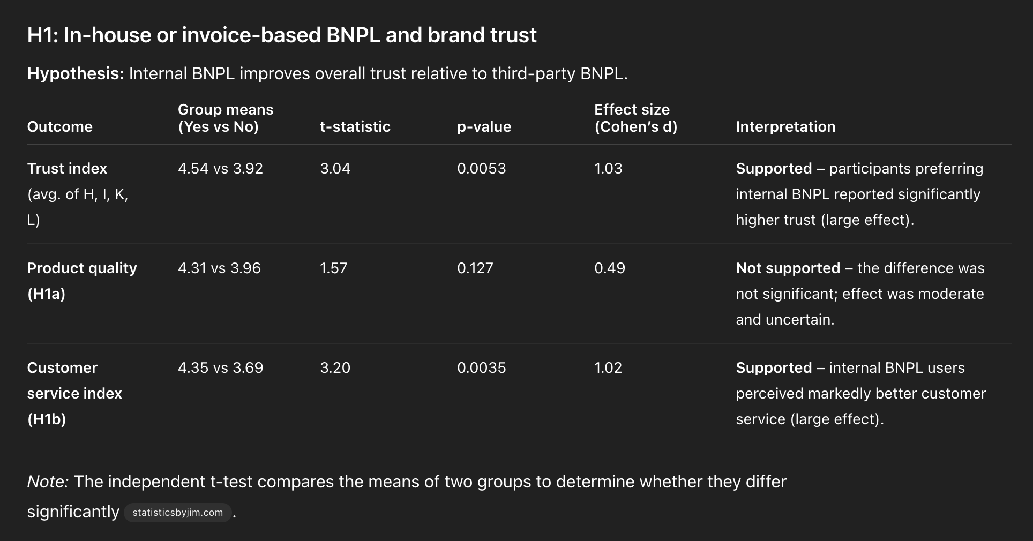

 | H1: Internal BNPL vs third-party on trust

G | Internal payment seems more secure. | Yes | 55
 |  | No | 19
 |  | I don't use BNPL services | 20
 | 1 disagree, 5 agree
H, I, K, L | In-house BNPL Trust Index | 4.1

J | H1a (Perceived as higher Product quality): | 4.1

K, L | H1b (Perceived as better customer service): | 4.0

Testing H2
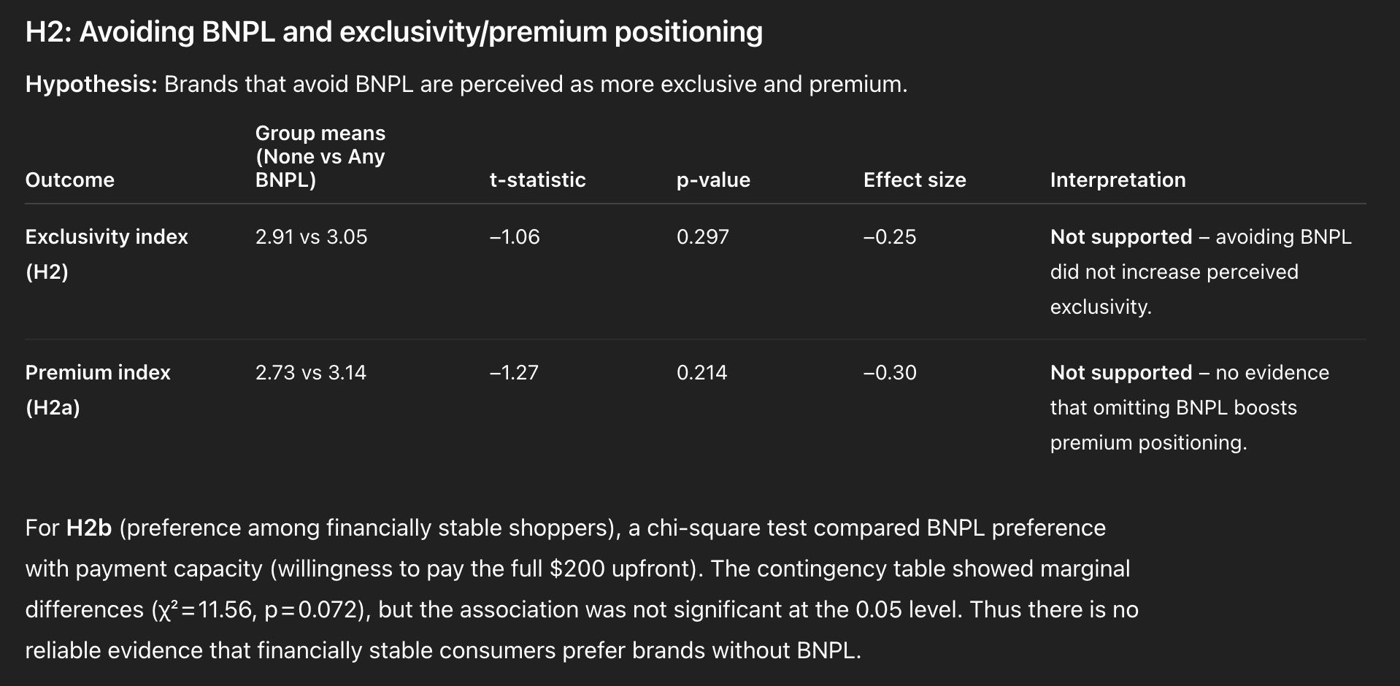
 | H2: Avoiding BNPL → exclusivity/premium
 | Exclusivity index

 | 1 disagree, 5 agree
P Q R | H2a(Lack of BNPL feels more exclusive & premium) | 3.6

M | H2b (No BNPL, attracts higher status shoppers): | 3.8
 |  |  |  | Total Count
X | respondents who said they’d just pay the full $200 at once, labeled as "financially stable". |  | coded as 1 | 45

 | every other answer "financially unstable" |  | coded as 0 | 50

 |  |  | Average
P | No BNPL signals targeting customers who value exclusivity and personal service. | financially stable | 2.6
 |  | financially unstable | 3.1

 |  |  | Average |  | Both Gen Z & Millenials mean regardless of financial situation | 3.5 | This does support the hypothesis, because people expect high-status brands/products to avoid BNPL. That’s consistent with the idea that BNPL doesn’t “fit” luxury positioning.
Q | I would expect luxury products to be sold without BNPL options. | financially stable | 3.8
 |  | financially unstable | 3.7

 |  | Conclusions:
 |  | Consumers do associate luxury brands with not offering BNPL (that part supports your hypothesis).
 |  | But consumers don’t necessarily see all BNPL avoidance as a deliberate exclusivity play, and high-status shoppers aren’t especially convinced.
 |  | So your hypothesis is only partially supported: the “luxury = no BNPL” connection is there, but the “brands avoid BNPL specifically to attract high-status customers” isn’t clearly reflected in the data.
 |  | Both groups basically agree (leaning toward “yes”) that luxury products should be sold without BNPL. The 0.02 difference is meaningless — they’re aligned here.

Testing H3
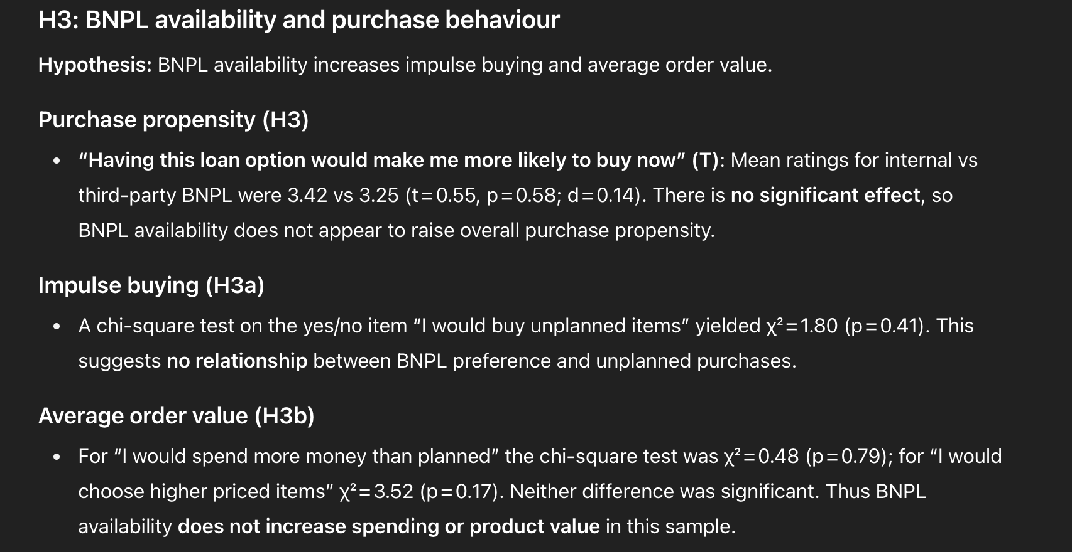
H2: Avoiding BNPL → exclusivity/premium

