Maps
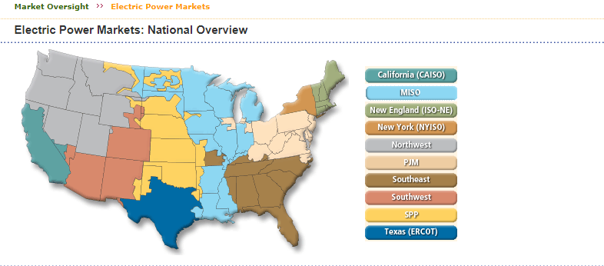
https://www.ferc.gov/market-oversight/mkt-electric/overview.asp

