Homepage
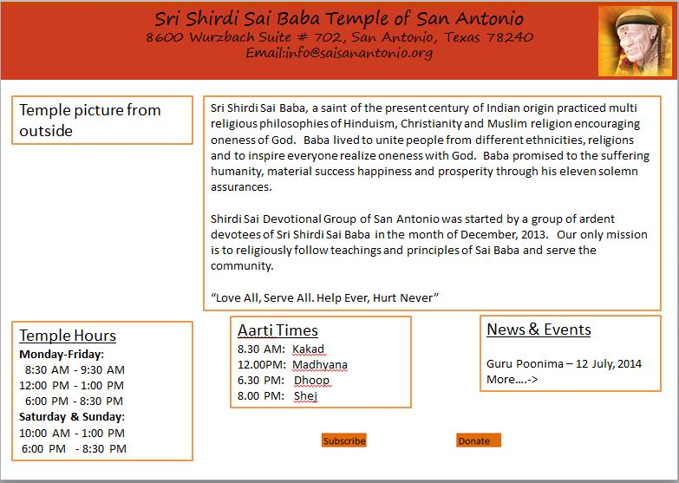

Trust in me your prayers shall be answered

Services
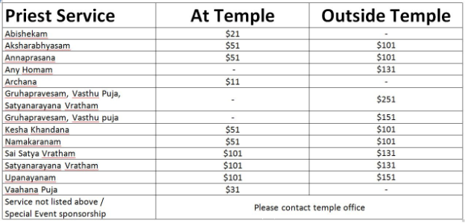
For reference purpose usethis website: http://www.saimandirusa.org/pujaservices.html

