Дашборд
Superstore - Dashboard

Ежемесячные продажи по сегментам покупателя
 | Consumer | Corporate | Home Office
янв | $11074 | $9014 | $1602
фев | $1494 |  | $1841
мар | $8893 | $5114 | $1498
апр | $2034 | $1098 | $251
май | $4069 | $6122 | $1398
июн | $2818 | $5974 | $4175
июл | $2444 | $4094 | $2335
авг | $3685 | $2106 | $462
сен | $4918 | $3981 | $8443
окт | $6456 | $2336 | $3330
ноя | $6667 | $3983 | $4505
дек | $13794 | $4478 | $612

Возвраты
 | Итог
No | 96%
Yes | 4%
Доля продаж по сегментам покупателя
 | Итог
Consumer | 46%
Corporate | 33%
Home Office | 21%

Динамика дохода и прибыли
 | Сумма по полю Sales | Сумма по полю Profit
янв | $21691 | $2866
фев | $3335 | -$999
мар | $15505 | $2055
апр | $3383 | $125
май | $11589 | $1765
июн | $12967 | $1209
июл | $8873 | $1028
авг | $6253 | $531
сен | $17343 | $1130
окт | $12122 | $598
ноя | $15155 | -$1519
дек | $18883 | -$1238

Ежемесячные продажи по категориям продуктов
 | Furniture | Office Supplies | Technology
янв | $2230 | $12704 | $6756
фев | $1204 | $1391 | $739
мар | $7287 | $3236 | $4982
апр | $1179 | $1521 | $683
май | $4560 | $5556 | $1473
июн | $5341 | $4776 | $2850
июл | $2302 | $4153 | $2418
авг | $461 | $2345 | $3447
сен | $5034 | $4572 | $7736
окт | $3351 | $4628 | $4143
ноя | $5068 | $6017 | $4070
дек | $6505 | $7871 | $4507
Доля продаж по категориям продуктов
 | Итог
Furniture | 30%
Office Supplies | 40%
Technology | 30%

Продажи по регионам
 | Итог
Central | $147098

Верхнеуровневая архитектура
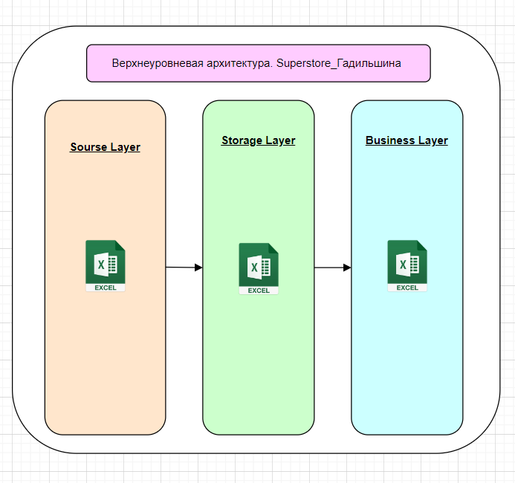

Динамика дохода и прибыли
Годы (Order Date) | 2019
Person | Kelly Williams
Динамика дохода и прибыли
Названия строк | Сумма по полю Sales | Сумма по полю Profit
янв | $21,691 | $2,866
фев | $3,335 | -$999
мар | $15,505 | $2,055
апр | $3,383 | $125
май | $11,589 | $1,765
июн | $12,967 | $1,209
июл | $8,873 | $1,028
авг | $6,253 | $531
сен | $17,343 | $1,130
окт | $12,122 | $598
ноя | $15,155 | -$1,519
дек | $18,883 | -$1,238
Общий итог | $147,098 | $7,551

Возвраты
Возвраты
Годы (Order Date) | 2019
Person | Kelly Williams

Названия строк | Количество по полю Returned
No | 96%
Yes | 4%
Общий итог | 100%

Ежемесячные продажи по сегмента
Годы (Order Date) | 2019
Person | Kelly Williams
Ежемесячные продажи по сегментам покупателя
 | Consumer | Corporate | Home Office
янв | $11074 | $9014 | $1602
фев | $1494 |  | $1841
мар | $8893 | $5114 | $1498
апр | $2034 | $1098 | $251
май | $4069 | $6122 | $1398
июн | $2818 | $5974 | $4175
июл | $2444 | $4094 | $2335
авг | $3685 | $2106 | $462
сен | $4918 | $3981 | $8443
окт | $6456 | $2336 | $3330
ноя | $6667 | $3983 | $4505
дек | $13794 | $4478 | $612
Сумма по полю Sales | Названия столбцов
Названия строк | Consumer | Corporate | Home Office | Общий итог
янв | $11,074 | $9,014 | $1,602 | $21,691
фев | $1,494 |  | $1,841 | $3,335
мар | $8,893 | $5,114 | $1,498 | $15,505
апр | $2,034 | $1,098 | $251 | $3,383
май | $4,069 | $6,122 | $1,398 | $11,589
июн | $2,818 | $5,974 | $4,175 | $12,967
июл | $2,444 | $4,094 | $2,335 | $8,873
авг | $3,685 | $2,106 | $462 | $6,253
сен | $4,918 | $3,981 | $8,443 | $17,343
окт | $6,456 | $2,336 | $3,330 | $12,122
ноя | $6,667 | $3,983 | $4,505 | $15,155
дек | $13,794 | $4,478 | $612 | $18,883
Общий итог | $68,346 | $48,300 | $30,452 | $147,098

Продажи по сегментам
Доля продаж по сегментам покупателя
Годы (Order Date) | 2019
Person | Kelly Williams

Названия строк | Сумма по полю Sales
Consumer | 46%
Corporate | 33%
Home Office | 21%
Общий итог | 100%

Ежемесячные продажи по категори
Годы (Order Date) | 2019
Person | Kelly Williams
Ежемесячные продажи по категориям продуктов
Сумма по полю Sales | Названия столбцов
Названия строк | Furniture | Office Supplies | Technology | Общий итог
янв | $2,230 | $12,704 | $6,756 | $21,691
фев | $1,204 | $1,391 | $739 | $3,335
мар | $7,287 | $3,236 | $4,982 | $15,505
апр | $1,179 | $1,521 | $683 | $3,383
май | $4,560 | $5,556 | $1,473 | $11,589
июн | $5,341 | $4,776 | $2,850 | $12,967
июл | $2,302 | $4,153 | $2,418 | $8,873
авг | $461 | $2,345 | $3,447 | $6,253
сен | $5,034 | $4,572 | $7,736 | $17,343
окт | $3,351 | $4,628 | $4,143 | $12,122
ноя | $5,068 | $6,017 | $4,070 | $15,155
дек | $6,505 | $7,871 | $4,507 | $18,883
Общий итог | $44,522 | $58,771 | $43,805 | $147,098

Продажи по категории
Доля продаж по категориям продуктов
Годы (Order Date) | 2019
Person | Kelly Williams

Названия строк | Сумма по полю Sales
Furniture | 30%
Office Supplies | 40%
Technology | 30%
Общий итог | 100%

Продажи по регионам
Продажи по регионам
Годы (Order Date) | 2019
Person | Kelly Williams

Названия строк | Сумма по полю Sales
Central | $147,098
Общий итог | $147,098

