Column Info
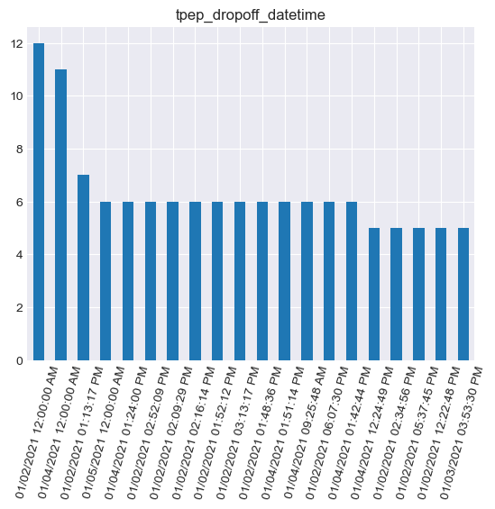
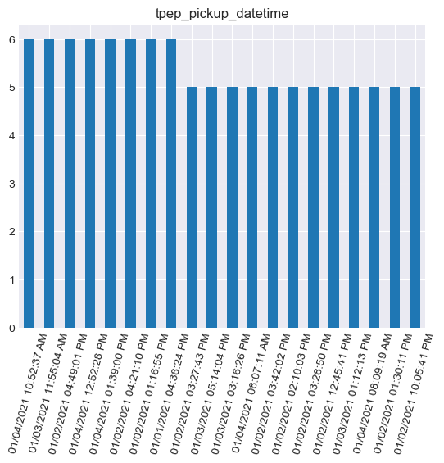
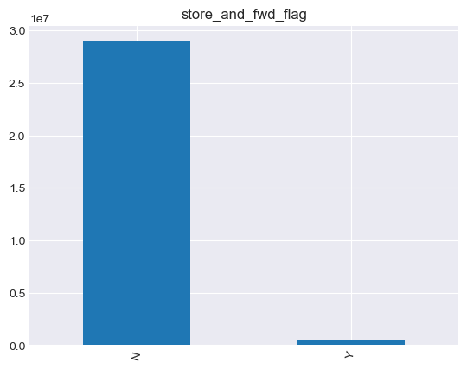
Data set Profile

Name |  | 2021_Yellow_Taxi_Trip_Data
Size |  | 3.09GB
Number of records |  | 30.9M
Frequency of updates |  | As needed
Number of fields |  | 18
Extraction methods |  | .csv

Column Name | Column Description | Term, Acronym, or Code Definitions | Additional Notes (where applicable, include the range of possible values, units of measure, how to interpret null/zero values, whether there are specific relationships between columns, and information on column source) | Dtype | null rate | number of unique values | most popululous column | count | mean | std_div
VendorID | A code indicating the TPEP provider that provided the record. | 1= Creative Mobile Technologies, LLC; 2= Curb Mobility (formerly VeriFone Inc) |  | Numerical | 0.027 |  |  |  | 1.699227 | 0.488525
tpep_pickup_datetime | The date and time when the meter was engaged. |  | Date in format MM/DD/YY HH:MM:SS AM/PM | Categorical | 0 | 16906064 | 09/15/2021 05:22:00 PM | 6
tpep_dropoff_datetime | The date and time when the meter was disengaged. |  | Date in format MM/DD/YY HH:MM:SS AM/PM | Categorical | 0 | 16893686 | 12/08/2021 12:00:00 AM | 12
Passenger_count | The number of passengers in the vehicle |  | This is a driver-entered value, and might not accurately reflect the number of passengers on a trip. | Numerical | 0.0478 |  |  |  | 1.427478 | 1.033372
Trip_distance | The elapsed trip distance in miles reported by the taximeter. |  |  | Numerical | 0 |  |  |  | 6.922726 | 698.382618
RateCodeID | The final rate code in effect at the end of the trip. | 1= Standard rate 2=JFK 3=Newark 4=Nassau or Westchester 5=Negotiated fare 6=Group ride |  | Numerical | 0.0478 |  |  |  | 1.088625 | 1.969074
Store_and_fwd_flag | This flag indicates whether the trip record was held in vehicle memory before sending to the vendor, aka “store and forward,” because the vehicle did not have a connection to the server. | Y= store and forward trip N= not a store and forward trip |  | Categorical | 0.0478 | 2 | N | 29005410
PULocationID | TLC Taxi Zone in which the taximeter was engaged | corresponds with location_id field in NYC Taxi Zones https://data.cityofnewyork.us/Transportation/NYC-Taxi-Zones/d3c5-ddgc |  | Numerical | 0 |  |  |  | 164.931713 | 66.395568
DOLocationID | TLC Taxi Zone in which the taximeter was disengaged | corresponds with location_id field in NYC Taxi Zones https://data.cityofnewyork.us/Transportation/NYC-Taxi-Zones/d3c5-ddgc |  | Numerical | 0 |  |  |  | 162.343978 | 70.810914
Payment_type | A numeric code signifying how the passenger paid for the trip. | 1= Credit card 2= Cash 3= No charge 4= Dispute 5= Unknown 6= Voided trip |  | Numerical | 0.027 |  |  |  | 1.222708 | 0.500399
Fare_amount | The time-and-distance fare calculated by the meter. |  |  | Numerical | 0 |  |  |  | 13.519366 | 178.989361
Extra | Miscellaneous extras and surcharges. Currently, this only includes the $0.50 and $1 rush hour and overnight charges. |  |  | Numerical | 0 |  |  |  | 1.047732 | 1.254697
MTA_tax | $0.50 MTA tax that is automatically triggered based on the metered rate in use. |  |  | Numerical | 0 |  |  |  | 0.492274 | 0.078015
Improvement_surcharge | $0.30 improvement surcharge assessed trips at the flag drop. The improvement surcharge began being levied in 2015. |  |  | Numerical | 0 |  |  |  | 2.341167 | 2.829037
Tip_amount | Tip amount – This field is automatically populated for credit card tips. Cash tips are not included. |  |  | Numerical | 0 |  |  |  | 0.390864 | 1.811449
Tolls_amount | Total amount of all tolls paid in trip. |  |  | Numerical | 0 |  |  |  | 0.297169 | 0.04065
Total_amount | The total amount charged to passengers. Does not include cash tips. |  |  | Numerical | 0 |  |  |  | 19.696337 | 179.194944
congestion_surcharge | An extra fee charged for taxi trips that start, end, or pass through a designated congestion zone in Manhattan, New York City. |  |  | Numerical | 0.0209 |  |  |  | 2.253087 | 0.776582

Numeric Column Visualization:

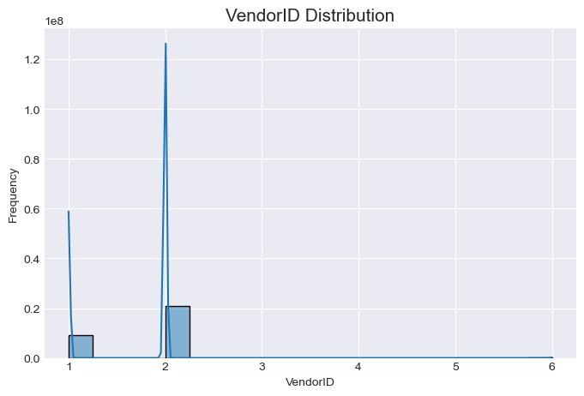
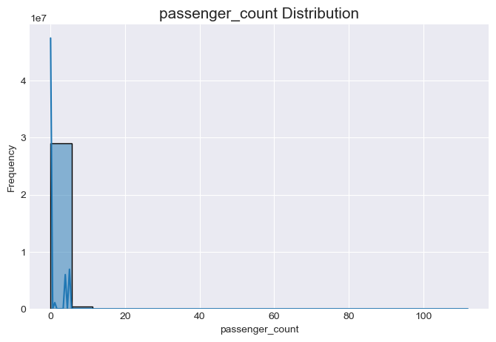
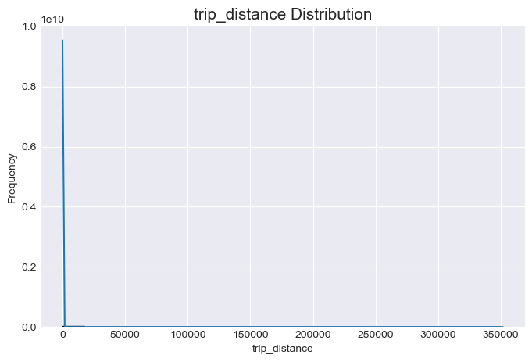

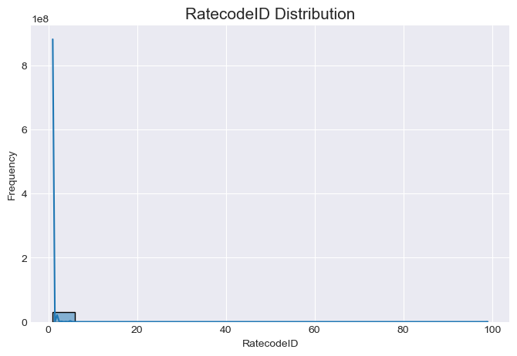
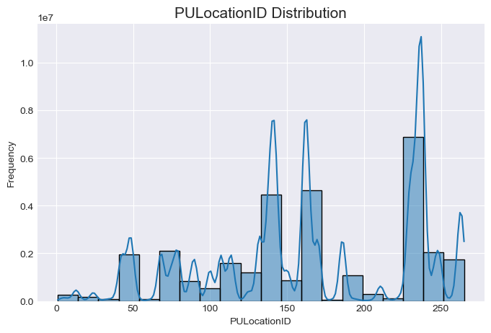
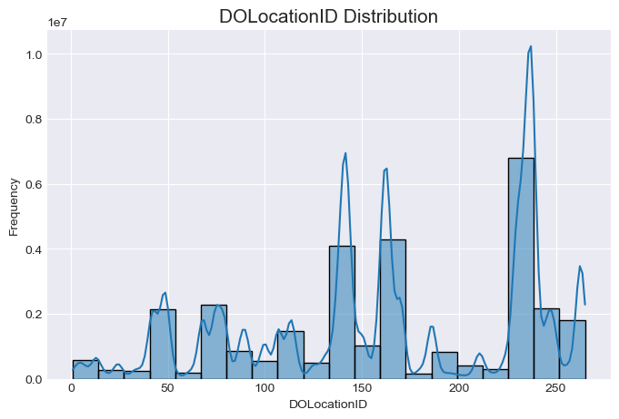

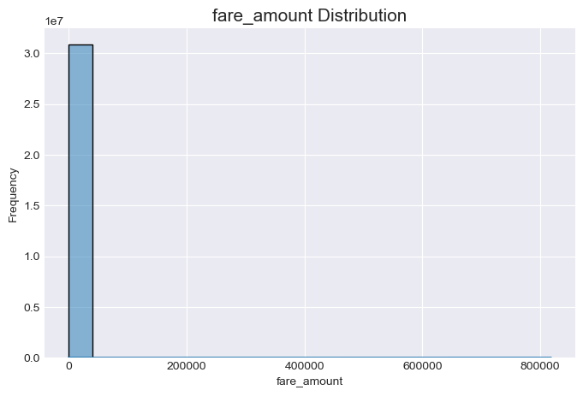
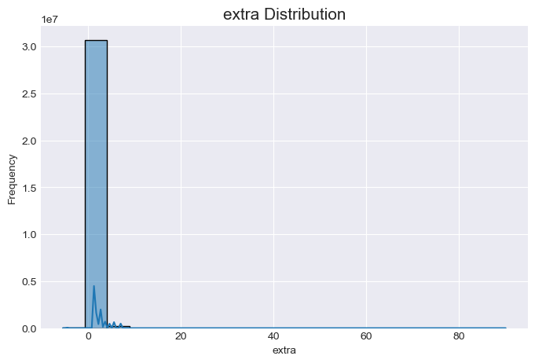
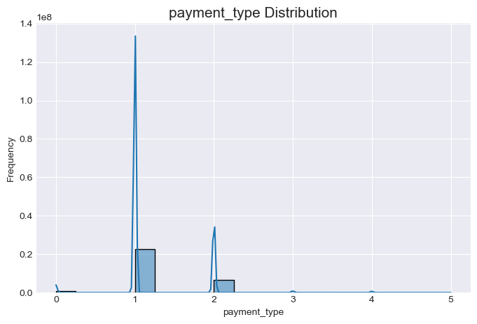

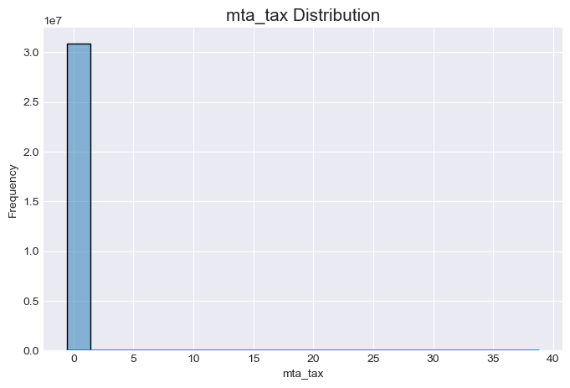
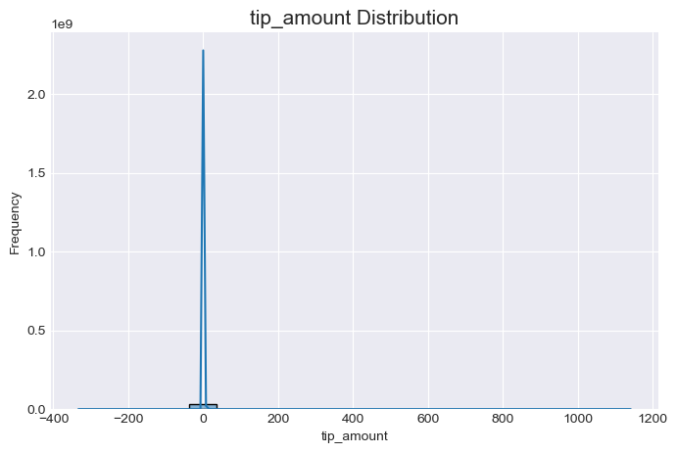
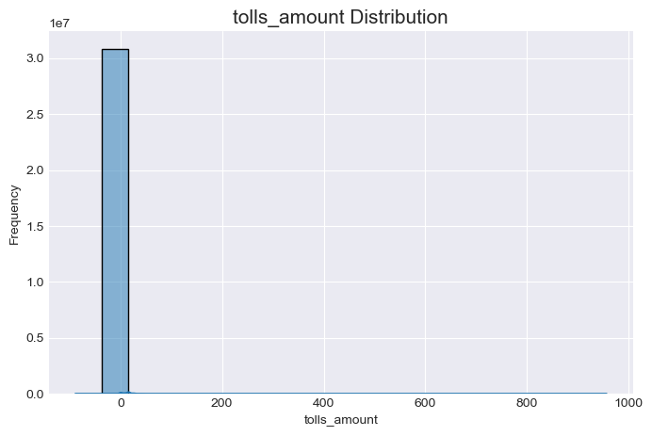


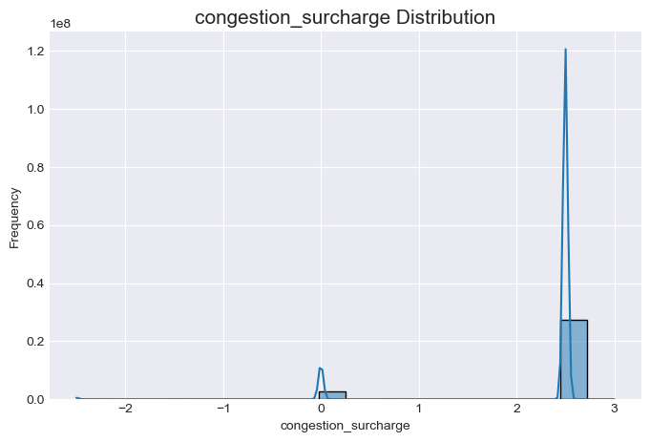
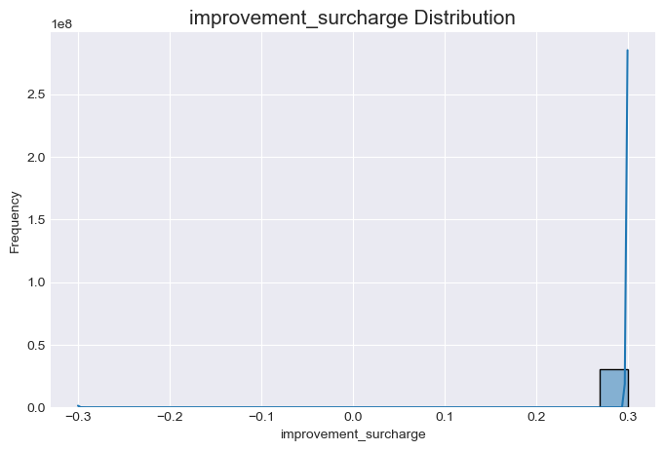

Categorical Column Visualization:

Top 10 tpep_dropoff_datetime |  |  | Top 10 tpep_pickup_datetime |  |  |  | store_and_fwd_flag

