Groups
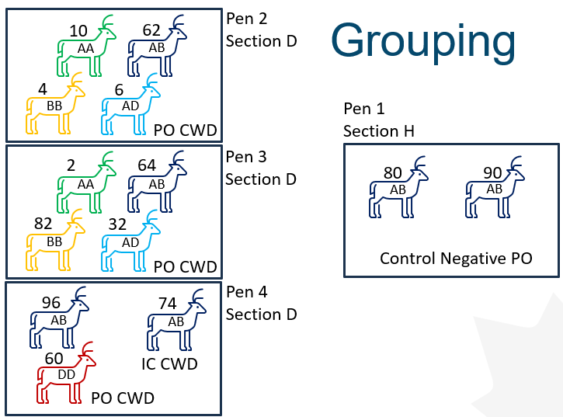

Pen # | PrioScouts IN | Initial (D0) Swab | Inoculation | Route | Week 1 Swab | 1st Bleach | 1st Post-Bleach
Pen 1 | 2024-11-08 | 2024-11-13 | 2024-11-13 | PO | 2024-11-26 | 2025-02-10 | 2025-02-17
Pen 2 | 2024-11-08 | 2024-11-19 | 2024-11-19 | PO | 2024-11-26 | 2025-02-10 | 2025-02-17
Pen 3 | 2024-11-08 | 2024-11-20 | 2024-11-20 | PO | 2024-11-26 | 2025-02-10 | 2025-02-17
Pen 4 | 2024-11-08 | 2024-11-21 | 2024-11-21 | PO | 2024-11-26 | 2025-02-10 | 2025-02-17
 |  |  | 2024-11-26 | IC
Notes:
Using 2 kg block of Cobalt Iodized Stock Salt (Sifto)
Estimate one block per 1-2 months or 6-8 weeks used?
Post-swab cleaning: remove block, wash with soap/water, soak in 10% bleach 4 hours, rinse O/N, back in next morning

