Observations
Staion | Point | Azimut [gon] | Zenit [gon] | Distance [m] | x [m] | y [m] | z [m] | σX [mm] | σY [mm] | σZ [mm] | alpha | alpha deg | X0 | Y0 | X' | Y' | Z' | angular precision | 0.0020 | gon | 3.1415926536E-05 | rad
100 | 1 | 219.69444 | 82.73342 | 22.5232 | -6.606 | -20.670 | 6.034 | 1.1 | 2.8 | 1.1 | 2.388 | 136.8 | -6.2 | -20.8 | 0.407 | 0.19683765548 | 6.034 | distance precision | 0.003 | m
100 | 2 | 223.56603 | 82.89587 | 21.7013 | -7.569 | -19.506 | 5.761 | 1.2 | 2.7 | 1.0 | 2.388 |  | -6.2 | -20.804932643 | 1.906 | 0.007199658949 | 5.761
100 | 3 | 231.21735 | 80.6391 | 21.0677 | -9.466 | -17.732 | 6.309 | 1.5 | 2.5 | 1.1 | 2.388 |  | -6.2 | -20.804932643 | 4.503 | 0.012919514025 | 6.309
100 | 4 | 231.97982 | 81.53805 | 21.0903 | -9.730 | -17.713 | 6.031 | 1.5 | 2.5 | 1.1 | 2.388 |  | -6.2 | -20.804932643 | 4.709 | 0.17954989872 | 6.031
100 | 5 | 236.65617 | 80.5691 | 20.6661 | -10.733 | -16.533 | 6.210 | 1.6 | 2.4 | 1.1 | 2.388 |  | -6.2 | -20.804932643 | 6.247 | 0.0051110056106 | 6.210
100 | 6 | 245.7596 | 79.72146 | 20.6116 | -12.889 | -14.732 | 6.455 | 1.9 | 2.2 | 1.1 | 2.388 |  | -6.2 | -20.804932643 | 9.052 | 0.16864032807 | 6.455
100 | 7 | 250.78639 | 80.60815 | 20.3495 | -13.895 | -13.556 | 6.103 | 2.1 | 2.1 | 1.1 | 2.388 |  | -6.2 | -20.804932643 | 10.590 | 0 | 6.103
100 | 8 | 218.36766 | 99.06342 | 21.7043 | -6.175 | -20.805 | 0.319 | 1.1 | 2.9 | 0.7 | 2.388 |  | -6.2 | -20.804932643 | 0.000 | 0 | 0.319
100 | 9 | 222.98986 | 98.5629 | 21.1819 | -7.482 | -19.811 | 0.478 | 1.2 | 2.8 | 0.7 | 2.388 |  | -6.2 | -20.804932643 | 1.634 | 0.16994102321 | 0.478
100 | 10 | 229.6242 | 100.39912 | 20.217 | -9.072 | -18.067 | -0.127 | 1.5 | 2.7 | 0.6 | 2.388 |  | -6.2 | -20.804932643 | 3.986 | -0.013276701122 | -0.127
100 | 11 | 235.83836 | 98.16156 | 19.9175 | -10.625 | -16.837 | 0.575 | 1.7 | 2.6 | 0.6 | 2.388 |  | -6.2 | -20.804932643 | 5.960 | 0.15331429365 | 0.575
100 | 12 | 245.96087 | 97.91121 | 19.5521 | -12.914 | -14.666 | 0.641 | 2.0 | 2.3 | 0.6 | 2.388 |  | -6.2 | -20.804932643 | 9.115 | 0.13756673975 | 0.641
100 | 13 | 251.82434 | 99.66832 | 19.3939 | -14.101 | -13.315 | 0.101 | 2.2 | 2.1 | 0.6 | 2.388 |  | -6.2 | -20.804932643 | 10.905 | -0.035494939428 | 0.101
100 | 14 | 257.63533 | 99.42905 | 19.3779 | -15.243 | -11.964 | 0.174 | 2.4 | 1.9 | 0.6 | 2.388 |  | -6.2 | -20.804932643 | 12.662 | -0.23870324183 | 0.174
100 | 15 | 264.18809 | 101.20211 | 22.1264 | -18.714 | -11.799 | -0.418 | 2.6 | 1.7 | 0.7 | 2.388 |  | -6.2 | -20.804932643 | 15.306 | 2.0165402722 | -0.418
100 | 16 | 210.55215 | 101.04648 | 25.797 | -4.256 | -25.440 | -0.424 | 0.9 | 3.0 | 0.8 | 2.388 |  | -6.2 | -20.804932643 | -4.572 | 2.0655138546 | -0.424
100 | 17 | 211.20151 | 81.23845 | 26.7075 | -4.473 | -25.161 | 7.757 | 0.9 | 2.8 | 1.2 | 2.388 |  | -6.2 | -20.804932643 | -4.222 | 2.0114890565 | 7.757
100 | 18 | 211.22286 | 90.2695 | 26.0397 | -4.514 | -25.337 | 3.965 | 1.0 | 2.9 | 0.9 | 2.388 |  | -6.2 | -20.804932643 | -4.313 | 2.1670068782 | 3.965
100 | 19 | 263.45403 | 88.86896 | 22.5189 | -18.621 | -12.042 | 3.917 | 2.5 | 1.7 | 0.9 | 2.388 |  | -6.2 | -20.804932643 | 15.071 | 2.1308531552 | 3.917
100 | 20 | 263.34759 | 79.48915 | 23.3244 | -18.558 | -12.046 | 7.385 | 2.4 | 1.7 | 1.2 | 2.388 |  | -6.2 | -20.804932643 | 15.023 | 2.0899328502 | 7.385
100 | 21 | 256.12311 | 73.70585 | 21.1608 | -14.957 | -12.325 | 8.494 | 2.2 | 1.8 | 1.3 | 2.388 |  | -6.2 | -20.804932643 | 12.207 | -0.17044461889 | 8.494
100 | 22 | 214.44587 | 76.7794 | 23.8687 | -5.017 | -21.727 | 8.514 | 0.9 | 2.7 | 1.3 | 2.388 |  | -6.2 | -20.804932643 | -1.476 | -0.12077198402 | 8.514
100 | 24 | 221.47127 | 75.03107 | 22.9821 | -7.028 | -20.041 | 8.785 | 1.1 | 2.6 | 1.3 | 2.388 |  | -6.2 | -20.804932643 | 1.145 | 0.026356746972 | 8.785
100 | 25 | 234.25083 | 73.49284 | 21.7143 | -10.176 | -17.054 | 8.782 | 1.5 | 2.4 | 1.4 | 2.388 |  | -6.2 | -20.804932643 | 5.485 | 0.0040580239012 | 8.782
100 | 26 | 248.24127 | 72.97994 | 21.2855 | -13.332 | -14.089 | 8.765 | 1.9 | 2.0 | 1.4 | 2.388 |  | -6.2 | -20.804932643 | 9.814 | 0.0027241527606 | 8.765
100 | 27 | 249.20147 | 89.56501 | 19.6455 | -13.532 | -13.876 | 3.206 | 2.1 | 2.2 | 0.8 | 2.388 |  | -6.2 | -20.804932643 | 10.106 | -0.015348484648 | 3.206
100 | 28 | 232.48676 | 89.97176 | 20.2273 | -9.757 | -17.432 | 3.173 | 1.5 | 2.6 | 0.8 | 2.388 |  | -6.2 | -20.804932643 | 4.921 | -0.0069322399757 | 3.173
100 | 29 | 219.97542 | 90.59136 | 21.6865 | -6.621 | -20.403 | 3.193 | 1.1 | 2.8 | 0.8 | 2.388 |  | -6.2 | -20.804932643 | 0.600 | 0.011883847479 | 3.193
100 | 30 | 223.07441 | 103.44927 | 21.0371 | -7.448 | -19.641 | -1.139 | 1.2 | 2.8 | 0.7 | 2.388 |  | -6.2 | -20.804932643 | 1.725 | 0.02329396657 | -1.139
100 | 31 | 231.45933 | 103.59709 | 20.0528 | -9.496 | -17.626 | -1.132 | 1.5 | 2.7 | 0.7 | 2.388 |  | -6.2 | -20.804932643 | 4.597 | -0.044751608262 | -1.132
100 | 32 | 250.31422 | 103.73216 | 19.3899 | -13.755 | -13.619 | -1.136 | 2.2 | 2.2 | 0.6 | 2.388 |  | -6.2 | -20.804932643 | 10.444 | -0.050305709724 | -1.136
100 | 33 | 262.83531 | 103.33813 | 21.6032 | -18.001 | -11.891 | -1.132 | 2.5 | 1.7 | 0.7 | 2.388 |  | -6.2 | -20.804932643 | 14.723 | 1.5958923972 | -1.132
100 | 36 | 211.16871 | 102.87427 | 25.1357 | -4.383 | -24.725 | -1.134 | 0.9 | 3.0 | 0.8 | 2.388 |  | -6.2 | -20.804932643 | -3.990 | 1.630860499 | -1.134
100 | 37 | 219.22952 | 86.1519 | 22.0449 | -6.403 | -20.551 | 4.758 | 1.1 | 2.8 | 0.9 | 2.388 |  | -6.2 | -20.804932643 | 0.341 | -0.028769116008 | 4.758
100 | 38 | 236.03162 | 84.94693 | 20.2573 | -10.561 | -16.623 | 4.745 | 1.7 | 2.5 | 0.9 | 2.388 |  | -6.2 | -20.804932643 | 6.060 | -0.047066349069 | 4.745
100 | 41 | 250.24131 | 84.48849 | 19.9633 | -13.751 | -13.647 | 4.816 | 2.1 | 2.1 | 0.9 | 2.388 |  | -6.2 | -20.804932643 | 10.423 | -0.032469351876 | 4.816

D | 30 | m | GSD | 0.005806167738
c | 36.3 | mm | dZ max | 0.017361111111 |  |  |  |  |  | 19
fw | 24.28 | mm
npx | 3456
npy | 2304

GCP vs CP
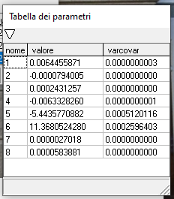
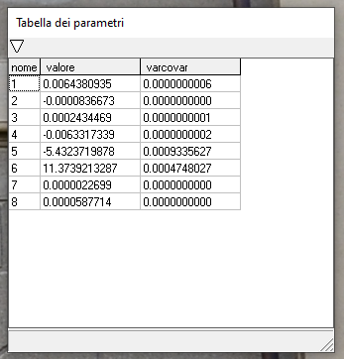
GCP ID | X | Y | CSI | ETA | C/G | X_EST | Y_EST | X_res | Y_res | X_diff | Y_diff | PARAMETERS
2 | 1.906 | 5.761 | 1123 | 825 | G | 1.8982106049 | 5.7593982388 | -0.005 | 0.001 | 0.000061 | 0.000003 | a1 | 0.0064455971
3 | 4.503 | 6.309 | 1548 | 732 | G | 4.5009781954 | 6.3132772254 | -0.007 | 0.007 | 0.000004 | 0.000018 | b1 | -0.0000794005
5 | 6.247 | 6.21 | 1833 | 743 | C | 6.2497639643 | 6.2167371115 | 0.004 | 0.016 | 0.000008 | 0.000045 | a2 | 0.0002431257
7 | 10.590 | 6.103 | 2542 | 752 | G | 10.586426698 | 6.0944789951 | -0.003 | -0.008 | 0.000013 | 0.000073 | b2 | -0.0063328260
8 | 0.000 | 0.319 | 780 | 1730 | G | 0.004166469404 | 0.31758234254 | 0.011 | 0.003 | 0.000017 | 0.000002 | a3 | -5.4435770882
10 | 3.986 | -0.127 | 1461 | 1801 | G | 3.9773623355 | -0.13828395471 | -0.009 | -0.005 | 0.000075 | 0.000127 | b3 | 11.3680524280
13 | 10.905 | 0.101 | 2654 | 1744 | C | 10.899057816 | 0.10178089781 | -0.010 | -0.003 | 0.000035 | 0.000001 | c1 | 0.0000027018
24 | 1.145 | 8.785 | 1015 | 364 | G | 1.1593816696 | 8.7718270438 | 0.019 | -0.016 | 0.000207 | 0.000174 | c2 | 0.0000583881
25 | 5.485 | 8.782 | 1704 | 351 | G | 5.4873358405 | 8.7893364891 | 0.004 | 0.005 | 0.000005 | 0.000054
26 | 9.814 | 8.765 | 2395 | 345 | G | 9.8162497369 | 8.7599205547 | -0.002 | -0.008 | 0.000005 | 0.000026
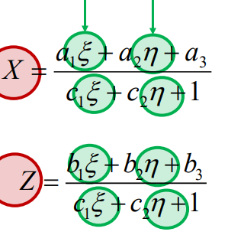
27 | 10.106 | 3.206 | 2491 | 1218 | G | 10.120669731 | 3.207212219 | 0.015 | 0.000 | 0.000215 | 0.000001
28 | 4.921 | 3.173 | 1619 | 1236 | G | 4.9160631401 | 3.1695283427 | -0.005 | -0.003 | 0.000024 | 0.000012
29 | 0.600 | 3.193 | 897 | 1242 | G | 0.5954608778 | 3.1922296947 | -0.025 | -0.023 | 0.000021 | 0.000001
30 | 1.725 | -1.139 | 1072 | 1982 | C | 1.7414094617 | -1.1341870242 | 0.022 | 0.003 | 0.000269 | 0.000023
37 | 0.341 | 4.758 | 861 | 986 | G | 0.32626187486 | 4.7698243888 | -0.011 | 0.022 | 0.000217 | 0.000140
41 | 10.423 | 4.816 | 2526 | 954 | G | 10.418505285 | 4.824320501 | 0.002 | 0.008 | 0.000020 | 0.000069

 |  |  |  |  |  | GCP | mean | 0.00007 | 0.00005
 |  |  |  |  |  |  | std | 0.00008 | 0.00006
 |  |  |  |  |  |  | rms | 0.0082 | 0.0073
 |  |  |  |  |  | CP | mean | 0.00010 | 0.00002
 |  |  |  |  |  |  | std | 0.00012 | 0.00002
 |  |  |  |  |  |  | rms | 0.0102 | 0.0048

 |  |  |  |  |  | X_EST | Y_EST | X_res | Y_res | X_diff | Y_diff
 |  |  |  |  |  | 1.8982106049 | 5.7593982388 | -0.005 | 0.001 | 6.07E-05 | 2.57E-06
 |  |  |  |  |  | 4.5009781954 | 6.3132772254 | -0.007 | 0.007 | 4.09E-06 | 1.83E-05
 |  |  |  |  |  | 6.2497639643 | 6.2167371115 | 0.004 | 0.016 | 7.64E-06 | 4.54E-05
 |  |  |  |  |  | 10.586426698 | 6.0944789951 | -0.003 | -0.008 | 1.28E-05 | 7.26E-05
 |  |  |  |  |  | 0.004166469404 | 0.31758234254 | 0.011 | 0.003 | 1.74E-05 | 2.01E-06
 |  |  |  |  |  | 3.9773623355 | -0.13828395471 | -0.009 | -0.005 | 7.46E-05 | 1.27E-04
 |  |  |  |  |  | 10.899057816 | 0.10178089781 | -0.01 | -0.003 | 3.53E-05 | 6.10E-07

 |  |  |  |  |  | 5.4873358405 | 8.7893364891 | 0.004 | 0.005 | 5.46E-06 | 5.38E-05
 |  |  |  |  |  | 9.8162497369 | 8.7599205547 | -0.002 | -0.008 | 5.06E-06 | 2.58E-05
 |  |  |  |  |  | 10.120669731 | 3.207212219 | 0.015 | 0 | 2.15E-04 | 1.47E-06
 |  |  |  |  |  | 4.9160631401 | 3.1695283427 | -0.005 | -0.003 | 2.44E-05 | 1.21E-05
 |  |  |  |  |  | 0.5954608778 | 3.1922296947 | -0.025 | -0.023 | 2.06E-05 | 5.93E-07

 |  |  |  |  |  | 10.418505285 | 4.824320501 | 0.002 | 0.008 | 2.02E-05 | 6.92E-05

 |  |  |  |  |  | GCP | mean | 0.00004 | 0.00004 | 6.8033960785E-05 | 5.37783828E-05
 |  |  |  |  |  |  | std | 0.00006 | 0.00004 | 8.1952789777E-05 | 5.7106841374E-05
 |  |  |  |  |  |  | rms | 0.0060 | 0.0054 | 0.0082482701693 | 0.0073333745847
 |  |  |  |  |  | CP | mean | 0.00002 | 0.00002 | 0.00010407315957 | 2.3054402975E-05
 |  |  |  |  |  |  | std | 0.00001 | 0.00002 | 0.00011735703951 | 1.8281063757E-05
 |  |  |  |  |  |  | rms | 0.0038 | 0.0039 | 0.010201625339 | 0.0048015000755

Non-facade Points
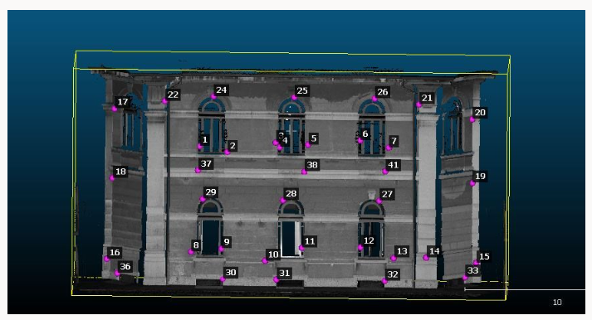
Point | residualsX | residualsY |  | X | Y | Point | residualsX | residualsY |  | X | Y
1 | 0.047815885868 | 5.7681623445 | mean | 0.11015679074 | 2.6018556051 | 12 | -0.029835145389 | 0.49743326025 | mean | 0.015396672648 | 0.39866516082
4 | 0.0064810670402 | 5.7954501013 | devst | 0.30347680416 | 3.4637060252 | 11 | -0.0054036453628 | 0.40168570635 | devst | 0.028174972459 | 0.067571849252
6 | -0.016924490459 | 6.2263596719 | RMS | 0.3318987658 | 1.6130268458 | 14 | 0.032807609674 | 0.43370324183 | RMS | 0.087740163688 | 0.44646677414
9 | 0.041354018612 | 0.29505897679 |  |  |  | 21 | 0.038060525704 | 0.36544461889
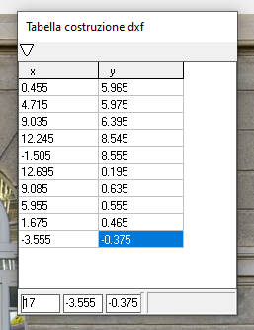
11 | -0.0054036453628 | 0.40168570635 |  |  |  | 9 | 0.041354018612 | 0.29505897679
12 | -0.029835145389 | 0.49743326025
14 | 0.032807609674 | 0.43370324183
16 | 1.0167044113 | -2.4405138546 |  |  |  | Point | residualsX | residualsY |  | X | Y
21 | 0.038060525704 | 0.36544461889 |  |  |  | 22 | -0.029492329653 | 8.675771984 | mean | 0.15412592815 | 5.0841203847
22 | -0.029492329653 | 8.675771984 |  |  |  | 6 | -0.016924490459 | 6.2263596719 | devst | 0.35319302901 | 3.2242961352
 |  |  |  |  |  | 4 | 0.0064810670402 | 5.7954501013 | RMS | 0.32846331561 | 1.8865005352
 |  |  |  |  |  | 1 | 0.047815885868 | 5.7681623445
 |  |  |  |  |  | 16 | 1.0167044113 | -2.4405138546

 |  |  |  |  |  | Point | residualsX | residualsY |  | X | Y
 |  |  |  |  |  | 1 | 0.047815885868 | 5.7681623445 | mean | 0.007247948385 | 3.1640250102
 |  |  |  |  |  | 4 | 0.0064810670402 | 5.7954501013 | devst | 0.028662097948 | 2.7705600799
 |  |  |  |  |  | 6 | -0.016924490459 | 6.2263596719 | RMS | 0.065945197179 | 1.3778298175
 |  |  |  |  |  | 9 | 0.041354018612 | 0.29505897679
 |  |  |  |  |  | 11 | -0.0054036453628 | 0.40168570635
 |  |  |  |  |  | 12 | -0.029835145389 | 0.49743326025

