ETF List
Category | Ticker | Fund Inception Date | Name | Asset Class | Category | Fund Type | Expense Ratio | Volume
Commodities |  |  |  |  |  |  |  |  | ETF Reference | Fund Type | Website
 | IAU | 1/28/2005 | iShares Gold Trust | Alternatives | Commodity | Gold | 0.25 | 9,818,949 |  | iShares Website | https://www.ishares.com/us/
 | SLV | 4/28/2006 | iShares Silver Trust | Alternatives | Commodity | Silver | 0.50 | 10,483,368 |  | SPDR Website | https://us.spdrs.com/en/product/index.seam
 | USO | 4/10/2006 | United States Commodity Fund - Oil | Alternatives | Commodity | Oil | 0.72 | 41,176,420 |  | iPath | http://www.uscfinvestments.com/
Real Estate - US |  |  |  |  |  |  |  |  |  | Invesco PowerShares | https://www.invesco.com/portal/site/us/investors/etfs/
 | IYR | 6/19/2000 | iShares US Real Estate | Alternatives | REIT | Real Estate | 0.43 | 9,061,343 |  | Vanguard ETFs | https://investor.vanguard.com/etf/
Real Estate - EX-US
 | RWX | 12/15/2006 | SPDR DJ Intl Real Estate | Alternatives | REIT | Real Estate | 0.59 | 967,665
DISCLAIMER: Rice University, the instructors and course team do not review, endorse, approve or control, and are not responsible for any sites linked to our course, the content of those sites, the third parties named therein, or their products and services. Linking to any other site is at your sole risk and we will not be responsible or liable for any damages in connection with linking. Links to downloadable software sites are for convenience only and we are not responsible or liable for any difficulties or consequences associated with downloading the software. Use of any downloaded software is governed by the terms of the licensing agreement, if any, which accompanies or is provided with the software.
US Stock Market
 | VTI | 5/31/2001 | Vanguard Total Stock Mrkt | US Equity | Broad Mrkt | Broad Mrkt | 0.05 | 2,713,992
 | DVY | 11/7/2003 | iShares Dividend | US Equity | Broad Mrkt | Broad Mrkt | 0.39 | 1,181,536
US Large Cap
 | SPY | 1/22/1993 | SPDR S&P 500 | US Equity | Large-Cap Blend | Large-Cap Blend | 0.09 | 89,262,312
 | DIA | 1/20/1998 | SPDR DJIA | US Equity | Large-Cap Blend | Large-Cap Blend | 0.17 | 3,651,921
 | RSP | 4/30/2003 | Guggenheim S&P 500 Equal Weighted | US Equity | Large-Cap Blend | Large-Cap Blend | 0.40 | 1,229,804
 | IWB | 5/19/2000 | iShares Russell 1000 | US Equity | Large-Cap Blend | Large-Cap Blend | 0.15 | 1,167,512
 | VYM | 11/16/2006 | Vanguard High Dividend Yield | US Equity | Large-Cap Blend | Large-Cap Blend | 0.09 | 1,063,420
US Large Cap Growth
 | IWF | 5/26/2000 | iShares Russell 1000 Growth | US Equity | Large-Cap Growth | Large-Cap Growth | 0.20 | 1,964,133
US Large Cap Value
 | IWD | 5/26/2000 | iShares Russell 1000 Value | US Equity | Large-Cap Value | Large-Cap Value | 0.20 | 2,716,285
US Mid Cap
 | MDY | 5/4/1995 | SPDR S&P MidCap 400 | US Equity | Mid-Cap Blend | Mid-Cap Blend | 0.25 | 1,517,127
US Small Cap
 | IWM | 5/26/2000 | iShares Russell 2000 | US Equity | Small-Cap Blend | Small-Cap Blend | 0.20 | 32,270,708
 | IWN | 7/28/2000 | iShares Russell 2000 Value | US Equity | Small-Cap Value | US Small-Cap Value | 0.25 | 1,793,840
 | IWO | 7/28/2000 | iShares Russell 2000 Growth | US Equity | Small-Cap Growth | US Small-Cap Growth | 0.25 | 836,167
US Sector ETFs
 | XLY | 12/22/1998 | SPDR Consumer Discretionary | US Equity | Large-Cap Blend | Consumer Discretionary | 0.14 | 6,139,314
 | XLP | 12/22/1998 | SPDR Consumer Staples | US Equity | Large-Cap Blend | Consumer Staples | 0.14 | 14,677,262
 | XLE | 12/22/1998 | SPDR Energy | US Equity | Large-Cap Blend | Energy | 0.14 | 14,810,000
 | XLF | 12/22/1998 | SPDR Financials | US Equity | Large-Cap Blend | Financial | 0.14 | 78,965,544
 | XLV | 12/22/1998 | SPDR Health Care | US Equity | Large-Cap Blend | Health Care | 0.14 | 11,044,192
 | XLI | 12/22/1998 | SPDR Industrials | US Equity | Large-Cap Blend | Industrials | 0.14 | 11,705,105
 | XLB | 12/22/1998 | SPDR Materials | US Equity | Large-Cap Blend | Materials | 0.14 | 5,571,908
 | XLK | 12/22/1998 | SPDR Technology | US Equity | Large-Cap Blend | Technology | 0.14 | 9,762,531
 | XLU | 12/22/1998 | SPDR Utilities | US Equity | Large-Cap Blend | Utilities | 0.14 | 17,455,286
All-World Ex-US
 | VEU | 3/8/2007 | Vanguard FTSE All-World EX-US | Intl Equity | All World Ex-US | All World Ex-US | 0.13 | 2,098,954
International Small-Cap
 | SCZ | 12/12/2007 | iShares EAFE Small-Cap | Intl Equity | Developed Mrkts | Intl Small Cap | 0.40 | 780,553
Ex-US Developed Mrkts
 | EZU | 7/31/2000 | iShares Eurozone | Intl Equity | Developed Mrkts | European Stocks | 0.48 | 4,710,316
 | EFA | 8/17/2001 | iShares EAFE | Intl Equity | Developed Mrkts | International | 0.33 | 17,915,828
 | AAXJ | 8/15/2008 | iShares All Country Asia | Intl Equity | Developed Mrkts | Asian Pacific ex Japan | 0.69 | 1,255,324
Developed Mrkts Country Specific
 | EWU | 3/18/1996 | iShares United Kingdon | Intl Equity | Developed Mrkts | United Kingdom | 0.48 | 2,024,847
 | EWL | 3/18/1996 | iShares Switzerland Cap | Intl Equity | Developed Mrkts | Switzerland | 0.48 | 866,716
 | EWI | 3/18/1996 | iShares Italy | Intl Equity | Developed Mrkts | Italy | 0.48 | 1,302,638
 | EWJ | 3/18/1996 | iShares Japan | Intl Equity | Developed Mrkts | Japan | 0.48 | 7,568,871
 | EWH | 3/18/1996 | iShares Hong Kong | Intl Equity | Developed Mrkts | Hong Kong | 0.48 | 3,144,650
 | EWQ | 3/18/1996 | iShares France | Intl Equity | Developed Mrkts | France | 0.48 | 700,820
 | EWG | 3/18/1996 | iShares Germany | Intl Equity | Developed Mrkts | Germany | 0.48 | 3,531,385
 | EWA | 3/18/1996 | iShares Australia | Intl Equity | Developed Mrkts | Australia | 0.48 | 2,098,885
 | EWC | 3/18/1996 | iShares Canada | Intl Equity | Developed Mrkts | Canada | 0.48 | 2,560,755
 | EWS | 3/18/1996 | iShares Singapore | Intl Equity | Developed Mrkts | Singapore | 0.48 | 648,463
 | EWP | 3/18/1996 | iShares Spain ET | Intl Equity | Developed Mrkts | Spain | 0.48 | 1,217,866
 | EWM | 3/18/1996 | iShares Malaysia | Intl Equity | Developed Mrkts | Malaysia | 0.48 | 611,925
 | EWW | 3/18/1996 | iShares Mexico | Intl Equity | Developed Mrkts | Mexico | 0.48 | 5,405,419
Emerging Mrkts
 | EEM | 4/11/2003 | iShares Emerging Mrkt | Intl Equity | Emerging Mrkts | Emerging Mrkts | 0.69 | 65,619,376
 | ILF | 10/26/2001 | iShares Latin America 40 | Intl Equity | Emerging Mrkts | Latin America | 0.49 | 2,019,671
Emerging Mrkts Country Specific
 | EWZ | 7/14/2000 | iShares Brazil | Intl Equity | Emerging Mrkts | Brazil | 0.62 | 21,188,746
 | EWY | 5/12/2000 | iShares South Korea | Intl Equity | Emerging Mrkts | Korea | 0.62 | 2,592,780
 | PIN | 3/5/2008 | Powershares India | Intl Equity | Emerging Mrkts | India | 0.82 | 1,007,674
 | FXI | 10/8/2004 | iShares China Large-Cap | Intl Equity | Emerging Mrkts | China | 0.73 | 18,682,884
 | EZA | 2/7/2003 | iShares South Africa | Intl Equity | Emerging Mrkts | South Africa | 0.62 | 595,802
 | EWT | 6/23/2000 | iShares Taiwan | Intl Equity | Emerging Mrkts | Taiwan | 0.62 | 4,170,769
Bonds - US Treasuries
 | TLT | 7/26/2002 | iShares 20+ Yr Treasury | Bonds | US Government | Long Term Treasury | 0.15 | 10,293,708
 | IEF | 7/26/2002 | iShares 7-10 Yr Treasury | Bonds | US Government | Intermediate Term Treasury | 0.15 | 2,094,168
 | SHY | 7/26/2002 | iShares 1-3 Yr Treasury | Bonds | US Government | Short Term Treasury | 0.15 | 2,046,094
Bonds - International
 | BWX | 10/5/2007 | SPDR BBG Barclays Intl Treasury | Bonds | Sovereigns | Government | 0.50 | 837,328
 | EMB | 12/19/2007 | iShares JP Morgan USD Emerging | Bonds | Emerging Mrkt | Emerging Mrkt Bonds (USD Hedged) | 0.40 | 2,521,084
 | PCY | 10/11/2007 | Powershares Em Mrkt Sovr Debt | Bonds | Emerging Mrkt | Emerging Mrkt Bonds (Not Hedged) | 0.50 | 1,756,434
Bonds - Aggregate
 | AGG | 9/26/2003 | iShares Core U.S. Aggregate | Bonds | Aggregate Bond | Aggregate Bond | 0.05 | 3,037,941
 | BSV | 4/10/2007 | Vanguard Short-Term Bond | Bonds | Aggregate Bond | Short-Term Investment Grade | 0.09 | 1,518,869
 | BIV | 4/10/2007 | Vanguard Intermediate-Term Bond | Bonds | Aggregate Bond | Intermediate-Term Investment Grade | 0.09 | 819,595
Bonds - High Yield Corporates
 | HYG | 4/11/2007 | iShares High Yield Bonds | Bonds | Corporate | High Yield Corporate Bonds | 0.50 | 12,582,949
Bonds - Investment Grade Corporates
 | LQD | 7/26/2002 | iShares Investment Grade | Bonds | Corporate | Investment Grade Corporate Bonds | 0.15 | 5,478,486
Bonds -Misc
 | MBB | 3/16/2007 | iShares MBS | Bonds | Mortgage-Backed | Mortgage-Backed | 0.29 | 565,675
 | PFF | 3/30/2007 | iShares US Preferred Stock | Bonds | Preferred | Preferred | 0.47 | 3,927,076
 | TIP | 12/5/2003 | iShares TIPS Bond | Bonds | Inflation Protected | Inflation Protected | 0.20 | 1,927,100
* Data: As of December 30, 2016

Final Report
2/1/1900
-
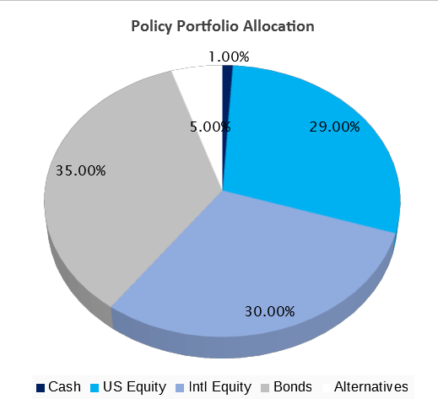
Given my relatively limited experience with investing, I feel that my activities may be affected by the following biases: 1.Loss aversion / Disposition effect. I will need to carefully monitor my positions & accept the loss, framing it in the long term investment strategy. 2.Regret aversion. Give the limited experience, I believe I will be extra carefully in taking any buy or sell decision. In this case I need to take a detached position and evaluate the portfolio performance & have confidence in my forecast. 3.Home bias. I believe I will be very careful in investing in emerging markets as I am not very familiar with. In this case I need to look objectively at performances & prospects.
Sim Investment Management |  |  |  | Sim Investment Management |  |  |  | Sim Investment Management
Investment Strategy & Policy Portfolio |  |  |  | Behavioral Biases |  |  |  | Reference Page
Investment Strategy |  |  |  |  |  |  |  | Policy Portfolio
- Overall Risk Objective | High |  |  |  |  |  |  | Policy |  |  | Asset | Avg. | Historical | Standard | Expected | Actual | Annualized
- Overall Return Objective | 8% |  |  |  |  |  |  | Weight | Ticker | Name | Class | Weight | Return | Deviation | Return | Return | Return
- Primary Goal | Growth |  |  |  |  |  |  | 1% | Cash | Cash | Cash | 17.5% | 0.0% | 0.0% | 0.0% | 0.0% | 0.0%
- Reason | Financing Retirement |  |  |  |  |  |  | 10% | BIV | Vanguard Intermediate-Term Bond | Bonds | 8.4% | 3.8% | 5.5% | 4.0% | -100.0% | -100.0%
- Constraints (Time Horizon, Taxes, Liquidity, Legal, Unique) |  |  |  |  |  |  |  | 8% | IEF | iShares 7-10 Yr Treasury | Bonds | 11.4% | 5.7% | 6.5% | 4.0% | -100.0% | -100.0%
Time horizon is 25 years, based on the current minimum retirement age requirements |  |  |  |  |  |  |  | 18% | HYG | iShares High Yield Bonds | Bonds | 14.7% | 5.5% | 11.7% | 5.0% | -100.0% | -100.0%
 |  |  |  |  |  |  |  | 5% | IYR | iShares US Real Estate | Alternatives | 4.2% | -4.7% | 23.4% | 6.0% | -100.0% | -100.0%
 |  |  |  |  |  |  |  | 29% | VTI | Vanguard Total Stock Mrkt | US Equity | 24.1% | -1.8% | 15.4% | 12.0% | -100.0% | -100.0%
 |  |  |  |  |  |  |  | 15% | EFA | iShares EAFE | Intl Equity | 7.4% | -7.0% | 18.7% | 6.0% | -34.0% | -98.7%
 |  |  |  |  |  |  |  | 15% | EEM | iShares Emerging Mrkt | Intl Equity | 12.2% | 10.0% | 23.1% | 8.0% | -100.0% | -100.0%
Strategy & Implementation |  |  |  | Performance & Risks
Basic strategy is to follow investing some of the investment advices provided by John Bogle & Benjamin Graham: |  |  |  | Total Return: | -0.6% | Portfolio Standard Deviation: | 44.2%
1 – A percentage of bonds more or less equal to your age |  |  |  | Policy Portfolio Return: | -99.0% | Correlation with Benchmark: | 1.00 | 100% | <-- Policy Portfolio Total Weighting |  |  | 100.0% | <-- Actual Policy Portfolio Weighting
2 – Buy when prices are low & sell when the prices are high |  |  |  | + / - Performance: | 98.4% | Beta (Relative to Benchmark): | 1.00 | Tactical Positions
3 – Allow deviation from the target portfolio allocation to exploit the market conditions |  |  |  | Return vs. Benchmark |  |  |  |  |  |  | Asset | Avg. | Historical | Standard | Expected | Actual | Annualized
Returns of Current Portfolio vs. Policy Portfolio
 | Portfolio | Benchmark
6/1/2018 | -0.01257681 | 0
6/8/2018 | -0.00576482 | 0.0069563597645
6/15/2018 | -0.00683864 | 0.0039257772394
6/22/2018 | -0.01182605 | -0.0026175360631
6/29/2018 | -0.01861325 | -0.01111374134
7/6/2018 | -0.98992802 | -0.99
 |  |  |  |  |  |  |  |  | Ticker | Name | Class | Weight | Return | Deviation | Return | Return | Return
 |  |  |  |  |  |  |  |  | IEF | iShares 7-10 Yr Treasury | Bonds | 11.4% | 5.7% | 6.5% | 0.0% | -100.0% | -100.0%
Tactical Shifts / Macro Environment & Current Portfolio |  |  |  |  |  |  |  |  | EFA | iShares EAFE | Intl Equity | 7.4% | -7.1% | 18.3% | 0.0% | -34.0% | -98.7%
Tactical Shifts

 |  |  | Current Portfolio Pie Chart
Macro Environment
Fed gradually raising interest rates
Commercial tension between US & China
Chinese Government aggressively backing up expansion
Highly unstable EU due to political shifts & migrants crisis

Efficient Frontiers |  |  |  | Performance Discussion
Historical Efficient Frontier |  | Forecasted Efficient Frontier
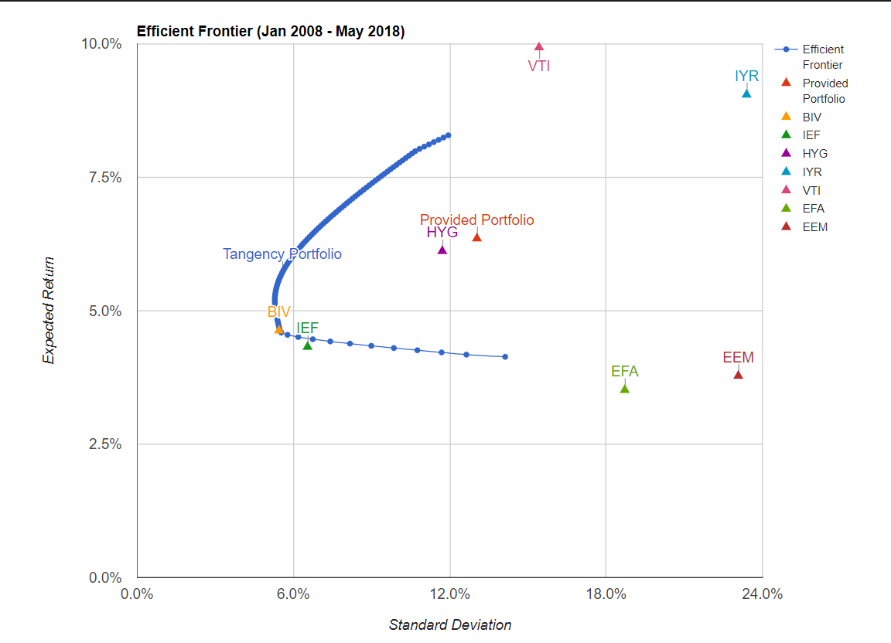
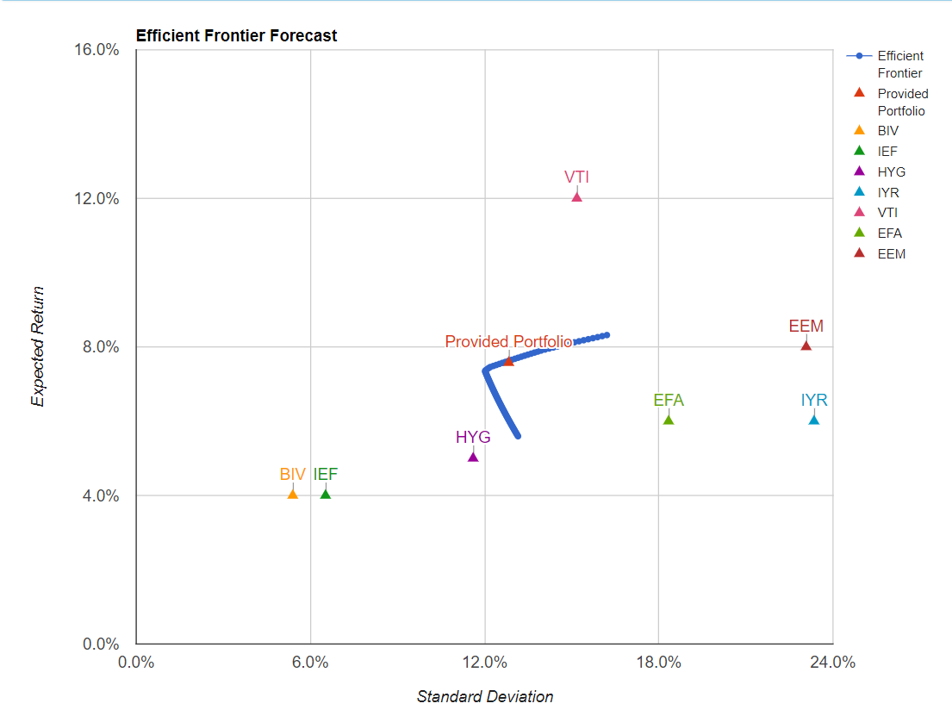

 |  |  |  |  |  |  |  |  |  |  |  | 18.8% | <-- Actual Tactical Positions Weighting
RICE UNIVERSITY | COURSERA |  |  |  | RICE UNIVERSITY | COURSERA |  |  |  | RICE UNIVERSITY | COURSERA

Risk Levels
Very Low
Low
Moderate
High
Very High

Policy Portfolio
Instructions:
1) Beginning in Cell E21, select the Asset Class - (Cash, US Equity, Intl Equity, Bonds, Alternatives)
2) Cash default is 1% to allow for liquidity in trading. You may increase the cash allocation if you need more liquidity (Cell G20)
3) Chose the Category within the Asset Class
4) Typed target weight for each Asset Class and Category
5) If you want to edit selection, delete all the input data in the row and re-enter
Policy Portfolio |  |  |  |  |  |  |  |  |  | Asset Classes |  |  | Cash | US Equity | International Equity | Bonds | Alternatives & Commodities | Asset Class | Ticker | Name | Description
 |  |  |  |  |  |  |  |  |  |  |  |  |  | US Stock Market | Intl Stock Market | Short Term Treasury | REIT | US Stock Market | VTI | Vanguard Total Stock Mrkt | Broad Mrkt
 |  |  |  |  |  |  |  |  |  | Cash | Cash |  |  | US Large Cap | Developed Markets | Intermediate Term Treasury | Gold | US Large Cap | SPY | SPDR S&P 500 | Large-Cap Blend
 |  |  |  |  |  |  |  |  |  | US_Equity | US Equity |  |  | US Large Cap Value | International Small Cap | Long Term Treasury | Precious Metals | US Large Cap Value | IWD | iShares Russell 1000 Value | Large-Cap Value
 |  |  |  |  |  |  |  |  |  | Intl_Equity | Intl Equity |  |  | US Large Cap Growth | International Value | Total Bond Market | Commodities | US Large Cap Growth | IWF | iShares Russell 1000 Growth | Large-Cap Growth
 |  |  |  |  |  |  |  |  |  | Bonds | Bonds |  |  | US Mid Cap | European Stocks | TIPS |  | US Mid Cap | MDY | SPDR S&P MidCap 400 | Mid-Cap
 |  |  |  |  |  |  |  |  |  | Alternatives | Alternatives |  |  | US Small Cap | Pacific Stocks | Global Bonds (USD Hedged) |  | US Small Cap | IWM | iShares Russell 2000 | Small-Cap
 |  |  |  |  |  |  |  |  |  |  |  |  |  | US Small Cap Value | Emerging Markets | Short-Term Investment Grade |  | US Small Cap Value | IWN | iShares Russell 2000 Value | US Small Cap Value
 |  |  |  |  |  |  |  |  |  |  |  |  |  | US Small Cap Growth |  | Corporate Bonds |  | US Small Cap Growth | IWO | iShares Russell 2000 Growth | US Small Cap Growth
 |  |  |  |  |  |  |  |  |  |  |  |  |  |  |  | Intermediate-Term Corporate Bonds |  | Intl Stock Market | VEU | Vanguard FTSE All-World EX-US | Intl Stock Market
Please enter the Monday starting Module 1 - Format (MM/DD/YYYY). If your Excel is not set up for US date format, please see instructions to the right.
Switching to US Date Format: You need to use a US date format (MM/DD/YYYY) in Policy Portfolio worksheet cell F13 for SIMS to work properly.
To change date format, first unprotect Policy Portfolio Worksheet (no password is needed). Then click on cell F13. In the Home tab, select Number, then "Date" (under Category), then under "Locale" scroll to "English (United States)", and finally under "Type" select "3/14/2012" or "03/14/2012", and hit "OK". Then put in your start date in US format - MM/DD/YYYY. So for instance, April 10, 2017 should appear as 04/10/2017. Below is a picture of this process.
Once that is done, go to the Price Inputs sheet to make sure your dates flow through (e4-j4 and e18-j18). Also, the Friday before the Capstone started should appear in the date fields in the Policy Portfolio "Trades" worksheet (k9 - k11) as SIMS automatically assumes the assets in the Policy Portfolio were purchased on the Friday before the simulation started.
Once this step is concluded and checked, I recommend you again protect the worksheet.
 |  |  |  |  |  |  |  |  |  |  |  |  |  |  |  | High Yield Corporate Bonds |  | Developed Markets | EFA | iShares EAFE | International - Developed Markets
 |  |  |  |  |  |  |  |  |  |  |  |  |  |  |  |  |  | International Small Cap | SCZ | iShares Intl Small Cap | International Small Cap
 | Monday of Portfolio Begin Date: |  | 6/4/2018 |  |  |  |  |  |  |  |  |  |  |  |  |  |  | European Stocks | EZU | iShares Eurozone | European Stocks
 | - Overall Risk Objective |  | High |  |  |  |  |  |  |  |  |  |  |  |  |  |  | Pacific Stocks | AAXJ | iShares All Country Asia | Asian Pacific ex Japan
Cash is automatically set to 1%, but the cell is changeable.
 | - Overall Return Objective |  | 8% |  |  |  |  |  |  |  |  |  |  |  |  |  |  | Emerging Markets | EEM | iShares Emerging Mrkt | Emerging Mrkts
 |  |  |  |  |  |  |  |  |  |  |  |  |  |  |  |  |  | Short Term Treasury | SHY | iShares 1-3 Yr Treasury BO | Fixed Income
Policy Portfolio Allocation
7 |  |  |  |  |  |  |  |  |  |  |  |  |  |  |  |  |  | Intermediate Term Treasury | IEF | iShares 7-10 Yr Treasury B | Intermediate Term Treasury
 | Inputs |  |  |  |  |  |  |  |  | Values of the Policy Portfolio by Week |  |  |  |  |  |  |  | Long Term Treasury | TLT | iShares 20+ Yr Treasury | Long Term Treasury
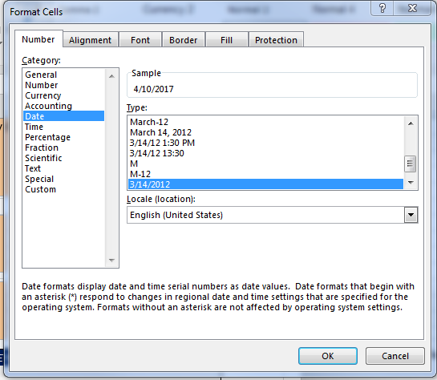
 | Assets | Asset Class | Category | Weighting | ETF-Used | Name |  |  |  |  | Beginning | Week 1 | Week 2 | Week 3 | Week 4 | Week 5 |  | Total Bond Market | AGG | iShares Core U.S. Aggregate | Total Bond Market
 |  | Cash | Cash | 1% |  |  |  |  |  | Total Policy Portfolio | 100.0 | 100.7 | 100.4 | 99.7 | 98.9 | 1.0 |  | TIPS | TIP | iShares TIPS Bond | TIPS
1 | Asset 1 | Bonds | Intermediate-Term Corporate Bonds | 10% | BIV | Vanguard Intermediate-Term Bond |  |  |  | Cash | 1.0 | 1.0 | 1.0 | 1.0 | 1.0 | 1.0 |  | Global Bonds (USD Hedged) | BWX | SPDR BBG Barclays Intl Treasury | Global Bonds (USD Hedged)
2 | Asset 2 | Bonds | Intermediate Term Treasury | 8% | IEF | iShares 7-10 Yr Treasury |  |  |  | Intermediate-Term Corporate Bonds | 10.0 | 10.0 | 10.0 | 10.0 | 10.0 | 0.0 |  | Short-Term Investment Grade | BSV | Vanguard Short-Term Bond | Short-Term Investment Grade
3 | Asset 3 | Bonds | High Yield Corporate Bonds | 18% | HYG | iShares High Yield Bonds |  |  |  | Intermediate Term Treasury | 7.5 | 7.5 | 7.5 | 7.5 | 7.5 | 0.0 |  | Corporate Bonds | LQD | iShares Investment Grade | Investment Grade Corporate Bonds
4 | Asset 4 | Alternatives | REIT | 5% | IYR | iShares US Real Estate |  |  |  | High Yield Corporate Bonds | 17.5 | 17.6 | 17.7 | 17.6 | 17.5 | 0.0 |  | Intermediate-Term Corporate Bonds | BIV | Vanguard Intermediate-Term Bond | Intermediate-Term Investment Grade
5 | Asset 5 | US_Equity | US Stock Market | 29% | VTI | Vanguard Total Stock Mrkt |  |  |  | REIT | 5 | 5.1 | 5.0 | 5.1 | 5.2 | 0.0 |  | High Yield Corporate Bonds | HYG | iShares High Yield Bonds | Fixed Income
6 | Asset 6 | Intl_Equity | Developed Markets | 15% | EFA | iShares EAFE |  |  |  | US Stock Market | 29 | 29.5 | 29.5 | 29.3 | 28.9 | 0.0 |  | REIT | IYR | iShares US Real Estate | REIT
7 | Asset 7 | Intl_Equity | Emerging Markets | 15% | EEM | iShares Emerging Mrkt |  |  |  | Developed Markets | 15 | 15.1 | 15.0 | 14.8 | 14.6 | 0.0 |  | Gold | IAU | iShares Gold Trust | Gold
8 | Asset 8 |  |  |  |  |  |  |  |  | Emerging Markets | 15 | 15.0 | 14.6 | 14.3 | 14.1 | 0.0 |  | Precious Metals | SLV | iShares Silver Trust | Silver
9 | Asset 9 |  |  |  |  |  |  |  |  |  |  |  |  |  |  |  |  | Commodities | USO | United States Commodity Fund - Oil | Oil
 |  |  | Total | 100%

 |  |  |  |  |  |  |  |  |  | Cash | 1.0% | 1.0% | 1.0% | 1.0% | 1.0% | 100.0% | 17.5%
 |  |  |  |  |  |  | Total Policy Portfolio |  |  | Intermediate-Term Corporate Bonds | 10.0% | 9.9% | 9.9% | 10.0% | 10.1% | 0.0% | 8.3%
 |  |  |  |  |  |  | Asset Class |  | Weighting | Intermediate Term Treasury | 7.5% | 7.4% | 7.5% | 7.5% | 7.6% | 0.0% | 6.3%
 |  |  |  |  |  |  | Cash | Cash | 1% | High Yield Corporate Bonds | 17.5% | 17.5% | 17.6% | 17.7% | 17.7% | 0.0% | 14.7%
 |  |  |  |  |  |  | US Equity | US_Equity | 29% | REIT | 5.0% | 5.0% | 5.0% | 5.2% | 5.2% | 0.0% | 4.2%
 |  |  |  |  |  |  | Intl Equity | Intl_Equity | 30% | US Stock Market | 29.0% | 29.3% | 29.4% | 29.4% | 29.2% | 0.0% | 24.4%
 |  |  |  |  |  |  | Bonds | Bonds | 35% | Intl_Equity | 15.0% | 15.0% | 14.9% | 14.9% | 14.8% | 0.0% | 12.4%
 |  |  |  |  |  |  | Alternatives | Alternatives | 5% | Intl_Equity | 15.0% | 14.9% | 14.6% | 14.3% | 14.3% | 0.0% | 12.2%

 |  |  |  |  |  |  |  |  |  | Cash | 1% | 1% | 1% | 1% | 1% | 100% | 18%
 |  |  |  |  |  |  |  |  |  | US Equity | 29% | 29% | 29% | 29% | 29% | 0% | 24%
 |  |  |  |  |  |  |  |  |  | Intl Equity | 0% | 0% | 0% | 0% | 0% | 0% | 0%
 |  |  |  |  |  |  |  |  |  | Bonds | 35% | 35% | 35% | 35% | 35% | 0% | 29%
 |  |  |  |  |  |  |  |  |  | Alternatives | 5% | 5% | 5% | 5% | 5% | 0% | 4%

Risk & Returns
Use PV Data to fill in:
1) Historical Returns (CAGR)
2) Standard Deviation
3) Sharpe Ratio
Risk & Returns

Using your own forecasts, put the expected return for each asset class in your portfolio.
 | *** Portfolio Visualizer website: |  | https://www.portfoliovisualizer.com/ |  |  |  |  |  |  |  |  |  | Paste Policy Portfolio Correlation Matrix Below (Portfolio Visualizer)

Change the dates to match the Portfolio Visualizer dataset (L8).
Example: 1994-2016
 |  |  |  |  |  |  |  |  |  |  |  |  | Correlation Matrix
 |  |  |  |  |  |  |  |  |  |  |  |  | Ticker | Name | BIV | IEF | HYG | IYR | VTI | EFA | EEM | Portfolio 1
 | Policy Portfolio |  |  |  |  |  |  |  |  |  |  |  | BIV | Vanguard Interm-Term Bond ETF | - | 0.87 | 0.35 | 0.28 | 0.03 | 0.17 | 0.18 | 0.25
 |  |  |  |  |  |  | Historical |  | 2008-2018 |  | Actual |  | IEF | iShares 7-10 Year Treasury Bond ETF | 0.87 | - | -0.06 | -0.01 | -0.3 | -0.19 | -0.17 | -0.12
 | # | Asset Class | Category | Fund Type | Ticker | Average Weight | Returns | Standard Deviation | Sharpe Ratio | Expected Return | Returns | Annualized Returns | HYG | iShares iBoxx $ High Yield Corp Bd ETF | 0.35 | -0.06 | - | 0.77 | 0.73 | 0.76 | 0.74 | 0.85
 |  | Overall Portfolio |  |  |  |  |  |  |  |  |  |  | IYR | iShares US Real Estate ETF | 0.28 | -0.01 | 0.77 | - | 0.77 | 0.72 | 0.67 | 0.82
 | 1 | Bonds | Aggregate Bond | Intermediate-Term Investment Grade | BIV | 8.4% | 3.78% | 5.45% | 0.77 | 4.00% | -100.0% | -100.0% | VTI | Vanguard Total Stock Market ETF | 0.03 | -0.3 | 0.73 | 0.77 | - | 0.9 | 0.83 | 0.94
 | 2 | Bonds | US Government | Intermediate Term Treasury | IEF | 11.4% | 5.66% | 6.54% | 0.6 | 4.00% | -100.0% | -100.0% | EFA | iShares MSCI EAFE ETF | 0.17 | -0.19 | 0.76 | 0.72 | 0.9 | - | 0.89 | 0.96
 | 3 | Bonds | Corporate | High Yield Corporate Bonds | HYG | 14.7% | 5.50% | 11.71% | 0.48 | 5.00% | -100.0% | -100.0% | EEM | iShares MSCI Emerging Markets ETF | 0.18 | -0.17 | 0.74 | 0.67 | 0.83 | 0.89 | - | 0.93
 | 4 | Alternatives | REIT | Real Estate | IYR | 4.2% | -4.71% | 23.39% | 0.36 | 6.00% | -100.0% | -100.0%
 | 5 | US Equity | Broad Mrkt | Broad Mrkt | VTI | 24.1% | -1.77% | 15.43% | 0.59 | 12.00% | -100.0% | -100.0%
 | 6 | Intl Equity | Developed Mrkts | International | EFA | 7.4% | -7.05% | 18.71% | 0.17 | 6.00% | -34.0% | -98.7%
 | 7 | Intl Equity | Emerging Mrkts | Emerging Mrkts | EEM | 12.2% | 10.03% | 23.07% | 0.15 | 8.00% | -100.0% | -100.0%
 | 8
 | 9

Change the dates to match the Portfolio Visualizer dataset (L24).
Example: 1994-2016
 |  | Bonds
Expected Returns optional for New Tactical Positions.
 | New Tactical Positions
 |  |  |  |  |  |  | Historical |  | 2008-2018 |  | Actual
 | # | Asset Class | Category | Fund Type | Ticker | Average Weight | Returns | Standard Deviation | Sharpe Ratio | Expected Return | Returns | Annualized Returns
 |  | Overall Portfolio
 | 1 | Bonds | US Government | Intermediate Term Treasury | IEF | 11.4% | 5.66% | 6.52% | 0.35% |  | -100.0% | -100.0%
 | 2 | Intl Equity | Developed Mrkts | International | EFA | 7.4% | -7.05% | 18.34% | 0.24% |  | -34.0% | -98.7%
 | 3
 | 4
 | 5
 | 6
Note: If you only buy and sell Policy Portfolio assets, no "New Tactical Positions" will show up in the lower table.
 | 7
 | 8
 | 9
 | 10
 | 11
 | 12
 | 13
 | 14
 | 15
 | 16
 | 17
 | 18
 | 19
 | 20
 | 21
 | 22
 | 23
 | 24
 | 25
 | 26
 | 27
 | 28

Trades
Trades

Module 1: For Policy Portfolio - Enter in Purchase Price Only
 |  | Initial Cash Position For Trading |  | $990,000
 |  | Initial Additional Cash |  | $10,000

 |  | Policy Portfolio (Initial Trades)
 |  | Ticker | Name | Asset Class | Category | Buy/Sell | Transaction Date | # of Shares | Purchase Price | Purchase Date | Purchase Price | Sell Date | Sell Price | Transaction Value
 |  |  | Cash | Cash |  |  |  |  |  |  |  |  |  | $10,070.74 | <-- Remaining Cash Value (Policy Portfolio)
 | 1 | BIV | Vanguard Intermediate-Term Bond | Bonds | Aggregate Bond | Buy |  | 1,239 | $80.68 | 6/1/2018 |  |  |  | (99,962.52)
 | 2 | IEF | iShares 7-10 Yr Treasury | Bonds | US Government | Buy |  | 737 | $101.71 | 6/1/2018 |  |  |  | (74,960.27)
 | 3 | HYG | iShares High Yield Bonds | Bonds | Corporate | Buy |  | 2,043 | $85.66 | 6/1/2018 |  |  |  | (175,003.38)
 | 4 | IYR | iShares US Real Estate | Alternatives | REIT | Buy |  | 630 | $79.42 | 6/1/2018 |  |  |  | (50,034.60)
 | 5 | VTI | Vanguard Total Stock Mrkt | US Equity | Broad Mrkt | Buy |  | 2,015 | $143.91 | 6/1/2018 |  |  |  | (289,978.65)
 | 6 | EFA | iShares EAFE | Intl Equity | Developed Mrkts | Buy |  | 2,130 | $70.41 | 6/1/2018 |  |  |  | (149,973.30)
 | 7 | EEM | iShares Emerging Mrkt | Intl Equity | Emerging Mrkts | Buy |  | 3,238 | $46.33 | 6/1/2018 |  |  |  | (150,016.54)

Module 2 & Beyond: For all trades after the initial portfolio, input the following:
- Ticker
- Buy/Sell
- Transaction Date
- # of Shares
- Price

 |  | Share Calculator |  |  | 2,012
 |  | % Desired | Share Price | # of Shares to Buy / Sell | 2012
 |  | 17.5% | $86.12 | 2,012

 |  | New Tactical Positions
 |  | Ticker | Name | Asset Class | Category | Buy/Sell | Transaction Date | # of Shares | Price | Purchase Date | Purchase Price | Sell Date | Sell Price | Transaction Value
 |  |  | Cash | Cash |  |  |  |  |  |  |  |  |  | $10,071.98 | <-- Remaining Cash Value (Current Portfolio)
 | 8 | IEF | iShares 7-10 Yr Treasury | Bonds | US Government | Buy | 6/15/2018 | 972 | $101.83 | 6/15/2018 | $101.83 |  |  | $(98,978.76)
 | 9 | EFA | iShares EAFE | Intl Equity | Developed Mrkts | Sell | 6/15/2018 | 1,414 | $70.00 |  |  | 6/15/2018 | $70.00 | $98,980.00
 | 10
 | 11
 | 12
 | 13
 | 14
 | 15
 | 16
 | 17
 | 18
 | 19
 | 20
 | 21
 | 22
 | 23
 | 24
 | 25
 | 26
 | 27
 | 28
 | 29
 | 30
 | 31
 | 32
 | 33
 | 34
 | 35

Price Inputs
Price Inputs

Prices should be put in for each of the five Fridays of the Capstone. If Friday is a Holiday, then take last trading day close.
To include dividends use the adjusted close price.
 |  | Policy Portfolio
 |  |  |  | 6/1/2018 | 6/8/2018 | 6/15/2018 | 6/22/2018 | 6/29/2018 | 7/6/2018
 |  | Ticker | Name | Begin | Week 1 | Week 2 | Week 3 | Week 4 | Week 5
 |  | BIV | Vanguard Intermediate-Term Bond | 80.77 | 80.55 | 80.61 | 80.66 | 80.97
 |  | IEF | iShares 7-10 Yr Treasury B | 101.93 | 101.71 | 101.83 | 102.11 | 102.51
 |  | HYG | iShares High Yield Bonds | 85.19 | 85.66 | 86.12 | 85.91 | 85.08
For Week #5 pricing, you may price on a day other than Friday if you want to complete your analysis earlier. Just put the closing prices of any day that week into "Week #5" column.
 |  | IYR | iShares US Real Estate | 77.70 | 78.65 | 78.33 | 79.92 | 80.58
 |  | VTI | Vanguard Total Stock Mrkt | 140.90 | 143.30 | 143.54 | 142.45 | 140.43
 |  | EFA | iShares EAFE | 68.64 | 69.04 | 68.64 | 67.80 | 66.97
 |  | EEM | iShares Emerging Mrkt | 46.03 | 46.03 | 44.94 | 43.92 | 43.33

 |  | New Tactical Positions
 |  |  |  | 6/1/2018 | 6/8/2018 | 6/15/2018 | 6/22/2018 | 6/29/2018 | 7/6/2018
 |  | Ticker | Name | Begin | Week 1 | Week 2 | Week 3 | Week 4 | Week 5 | Trade | New Buys | Buys | Ticker | Name
 | 1 | IEF | iShares 7-10 Yr Treasury | 101.93 | 101.71 | 101.83 | 102.11 | 102.51 |  | Buy | Bought |  | IEF | iShares 7-10 Yr Treasury
 | 2 | EFA | iShares EAFE | 68.64 | 69.04 | 68.64 | 67.80 | 66.97 |  | Sell | Bought |  | EFA | iShares EAFE
 | 3 |  |  |  |  |  |  |  |  | 0 | Bought |  | 0 | 0
 | 4 |  |  |  |  |  |  |  |  | 0 | Bought |  | 0
 | 5 |  |  |  |  |  |  |  |  | 0 | Bought |  | 0
 | 6 |  |  |  |  |  |  |  |  | 0 | Bought |  | 0
 | 7 |  |  |  |  |  |  |  |  | 0 | Bought |  | 0
 | 8 |  |  |  |  |  |  |  |  | 0 | Bought |  | 0
 | 9 |  |  |  |  |  |  |  |  | 0 | Bought |  | 0
 | 10 |  |  |  |  |  |  |  |  | 0 | Bought |  | 0
 | 11 |  |  |  |  |  |  |  |  | 0 | Bought |  | 0
 | 12 |  |  |  |  |  |  |  |  | 0 | Bought |  | 0
 | 13 |  |  |  |  |  |  |  |  | 0 | Bought |  | 0
 | 14 |  |  |  |  |  |  |  |  | 0 | Bought |  | 0
 | 15 |  |  |  |  |  |  |  |  | 0 | Bought |  | 0
 | 16 |  |  |  |  |  |  |  |  | 0 | Bought |  | 0
 | 17 |  |  |  |  |  |  |  |  | 0 | Bought |  | 0
 | 18 |  |  |  |  |  |  |  |  | 0 | Bought |  | 0
 | 19 |  |  |  |  |  |  |  |  | 0 | Bought |  | 0
 | 20 |  |  |  |  |  |  |  |  | 0 | Bought |  | 0
 | 21 |  |  |  |  |  |  |  |  | 0 | Bought |  | 0
 | 22 |  |  |  |  |  |  |  |  | 0 | Bought |  | 0
 | 23 |  |  |  |  |  |  |  |  | 0 | Bought |  | 0
 | 24 |  |  |  |  |  |  |  |  | 0 | Bought |  | 0
 | 25 |  |  |  |  |  |  |  |  | 0 | Bought |  | 0
 | 26 |  |  |  |  |  |  |  |  | 0 | Bought |  | 0
 | 27 |  |  |  |  |  |  |  |  | 0 | Bought |  | 0
 | 28 |  |  |  |  |  |  |  |  | #NAME? | New | #NAME? | #NAME? | #NAME?
 | 29 |  |  |  |  |  |  |  |  | 0 | Bought |  | 0
 | 30 |  |  |  |  |  |  |  |  | #NAME? | New | #NAME? | #NAME? | #NAME?

Current Portfolio
Current Portfolio Overview
* Current Price is equal to the weekly price from the Price Inputs page or the purchase price if no other price is available.
Make sure you are in the correct week. Otherwise, the portfolio value will be off if securities were bought or sold.
For portfolio pricing to be accurate, the correct week needs to be displayed.
 |  | Initial Cash Position For Trading |  | $990,000
 |  | Additional Cash |  | $10,000
 |  | Prices as of: |  | Week 4
 |  |  |  |  |  |  |  |  |  |  |  | Cash | Bonds | US Equity | Intl Equity | Alternatives
 |  | Current Portfolio |  |  |  |  |  |  |  |  | Policy | 1% | 35% | 29% | 30% | 5%
Current Portfolio Allocation
 |  | Portfolio Total Value |  | $981,387 |  |  |  |  | Return | -1.9% | Current | $10,071.98 | $449,329.86 | $282,966.45 | $188,253.06 | $50,765.40
 |  | Ticker | Name | Policy/ Tactical | Asset Class | Category | # of Shares | * Current Price | Market Value | Percentage of Entire Portfolio
 |  |  | Cash |  | Cash |  |  |  | $10,072 | 1.0% |  | $10,071.98 | $- | $- | $- | $-
1 | 1 | BIV | Vanguard Intermediate-Term Bond | Policy | Bonds | Aggregate Bond | 1,239 | $80.97 | $100,322 | 10.2% |  | $- | $100,321.83 | $- | $- | $-
2 | 2 | EEM | iShares Emerging Mrkt | Policy | Intl Equity | Emerging Mrkts | 3,238 | $43.33 | $140,303 | 14.3% |  | $- | $- | $- | $140,302.54 | $-
3 | 3 | EFA | iShares EAFE | Policy | Intl Equity | Developed Mrkts | 716 | $66.97 | $47,951 | 4.9% |  | $- | $- | $- | $47,950.52 | $-
4 | 4 | HYG | iShares High Yield Bonds | Policy | Bonds | Corporate | 2,043 | $85.08 | $173,818 | 17.7% |  | $- | $173,818.44 | $- | $- | $-
5 | 5 | IEF | iShares 7-10 Yr Treasury | Policy | Bonds | US Government | 1,709 | $102.51 | $175,190 | 17.9% |  | $- | $175,189.59 | $- | $- | $-
6 | 6 | IYR | iShares US Real Estate | Policy | Alternatives | REIT | 630 | $80.58 | $50,765 | 5.2% |  | $- | $- | $- | $- | $50,765.40
7 | 7 | VTI | Vanguard Total Stock Mrkt | Policy | US Equity | Broad Mrkt | 2,015 | $140.43 | $282,966 | 28.8% |  | $- | $- | $282,966.45 | $- | $-
8 | 8 |  |  |  |  |  |  |  |  |  |  | $- | $- | $- | $- | $-
9 | 9 |  |  |  |  |  |  |  |  |  |  | $- | $- | $- | $- | $-
10 | 10 |  |  |  |  |  |  |  |  |  |  | $- | $- | $- | $- | $-
11 | 11 |  |  |  |  |  |  |  |  |  |  | $- | $- | $- | $- | $-
12 | 12 |  |  |  |  |  |  |  |  |  |  | $- | $- | $- | $- | $-
13 | 13 |  |  |  |  |  |  |  |  |  |  | $- | $- | $- | $- | $-
14 | 14 |  |  |  |  |  |  |  |  |  |  | $- | $- | $- | $- | $-
Policy Portfolio Allocation
 | Market Value
Cash | 0.01
US Equity | 0.29
Intl Equity | 0.3
Bonds | 0.35
Alternatives | 0.05
15 | 15 |  |  |  |  |  |  |  |  |  |  | $- | $- | $- | $- | $-
16 | 16 |  |  |  |  |  |  |  |  |  |  | $- | $- | $- | $- | $-
17 | 17 |  |  |  |  |  |  |  |  |  |  | $- | $- | $- | $- | $-
18 | 18 |  |  |  |  |  |  |  |  |  |  | $- | $- | $- | $- | $-
19 | 19 |  |  |  |  |  |  |  |  |  |  | $- | $- | $- | $- | $-
20 | 20 |  |  |  |  |  |  |  |  |  |  | $- | $- | $- | $- | $-
21 | 21 |  |  |  |  |  |  |  |  |  |  | $- | $- | $- | $- | $-
22 | 22 |  |  |  |  |  |  |  |  |  |  | $- | $- | $- | $- | $-
23 | 23 |  |  |  |  |  |  |  |  |  |  | $- | $- | $- | $- | $-
24 | 24 |  |  |  |  |  |  |  |  |  |  | $- | $- | $- | $- | $-
25 | 25 |  |  |  |  |  |  |  |  |  |  | $- | $- | $- | $- | $-
26 | 26 |  |  |  |  |  |  |  |  |  |  | $- | $- | $- | $- | $-
27 | 27 |  |  |  |  |  |  |  |  |  |  | $- | $- | $- | $- | $-
28 | 28 |  |  |  |  |  |  |  |  |  |  | $- | $- | $- | $- | $-
29 | 29 |  |  |  |  |  |  |  |  |  |  | $- | $- | $- | $- | $-
30 | 30 |  |  |  |  |  |  |  |  |  |  | $- | $- | $- | $- | $-

