Fig2a
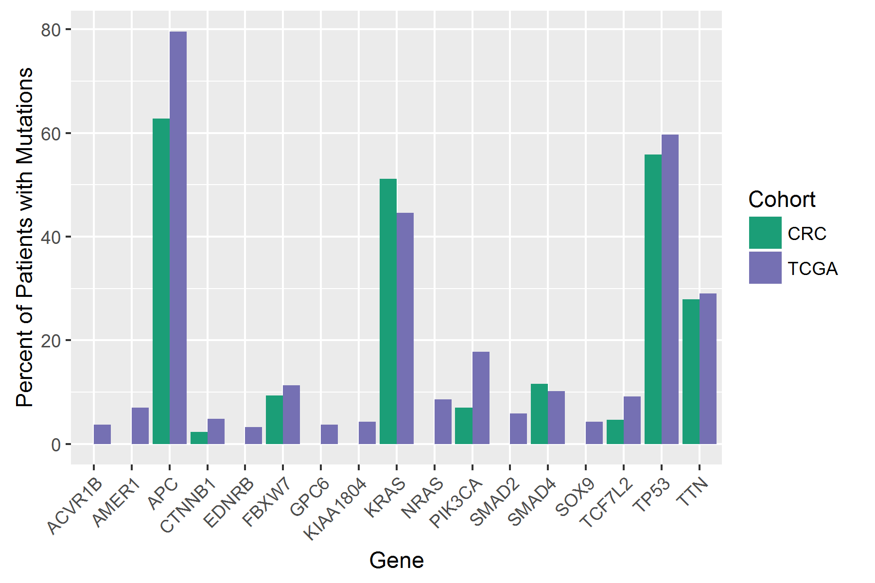
Gene | TCGA_mut | TCGA_norm | CCCC_mut | CCCC_norm | FET_p | Bonf_p | TCGA_perc | CCCC_perc
ACVR1B | 7 | 179 | 0 | 43 | 0.35272 | 1 | 3.763 | 0
AMER1 | 13 | 173 | 0 | 43 | 0.13505 | 1 | 6.989 | 0
APC | 148 | 38 | 27 | 16 | 0.02751 | 0.46775 | 79.57 | 62.791
CTNNB1 | 9 | 177 | 1 | 42 | 0.69242 | 1 | 4.839 | 2.326
EDNRB | 6 | 180 | 0 | 43 | 0.597 | 1 | 3.226 | 0
FBXW7 | 21 | 165 | 4 | 39 | 1 | 1 | 11.29 | 9.302
GPC6 | 7 | 179 | 0 | 43 | 0.35272 | 1 | 3.763 | 0
KIAA1804 | 8 | 178 | 0 | 43 | 0.35758 | 1 | 4.301 | 0
KRAS | 83 | 103 | 22 | 21 | 0.49826 | 1 | 44.624 | 51.163
NRAS | 16 | 170 | 0 | 43 | 0.04705 | 0.79992 | 8.602 | 0
PIK3CA | 33 | 153 | 3 | 40 | 0.10329 | 1 | 17.742 | 6.977
SMAD2 | 11 | 175 | 0 | 43 | 0.22579 | 1 | 5.914 | 0
SMAD4 | 19 | 167 | 5 | 38 | 0.784 | 1 | 10.215 | 11.628
SOX9 | 8 | 178 | 0 | 43 | 0.35758 | 1 | 4.301 | 0
TCF7L2 | 17 | 169 | 2 | 41 | 0.53966 | 1 | 9.14 | 4.651
TP53 | 111 | 75 | 24 | 19 | 0.73129 | 1 | 59.677 | 55.814
TTN | 54 | 132 | 12 | 31 | 1 | 1 | 29.032 | 27.907

Fig2b
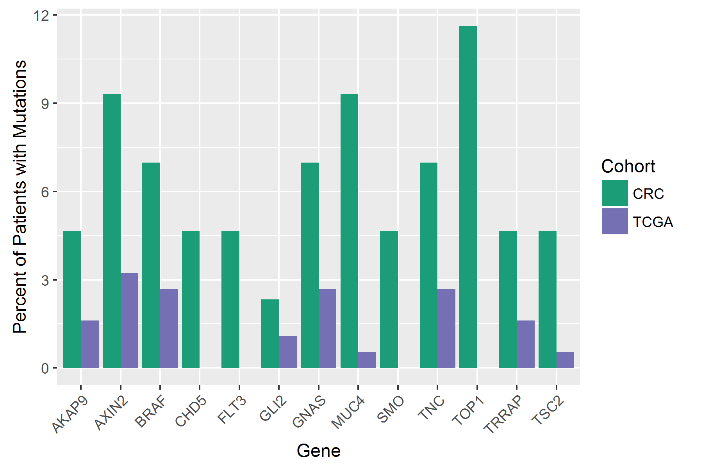
Gene | TCGA_mut | TCGA_norm | CCCC_mut | CCCC_norm | FET_p | Bonf_p | TCGA_perc | CCCC_perc
AKAP9 | 3 | 183 | 2 | 41 | 0.23677 | 1 | 1.613 | 4.651
AXIN2 | 6 | 180 | 4 | 39 | 0.09565 | 1 | 3.226 | 9.302
BRAF | 5 | 181 | 3 | 40 | 0.17358 | 1 | 2.688 | 6.977
CHD5 | 0 | 186 | 2 | 41 | 0.03459 | 0.44967 | 0 | 4.651
FLT3 | 0 | 186 | 2 | 41 | 0.03459 | 0.44967 | 0 | 4.651
GLI2 | 2 | 184 | 1 | 42 | 0.4658 | 1 | 1.075 | 2.326
GNAS | 5 | 181 | 3 | 40 | 0.17358 | 1 | 2.688 | 6.977
MUC4 | 1 | 185 | 4 | 39 | 0.00476 | 0.06191 | 0.538 | 9.302
SMO | 0 | 186 | 2 | 41 | 0.03459 | 0.44967 | 0 | 4.651
TNC | 5 | 181 | 3 | 40 | 0.17358 | 1 | 2.688 | 6.977
TOP1 | 0 | 186 | 5 | 38 | 0.00019 | 0.00249 | 0 | 11.628
TRRAP | 3 | 183 | 2 | 41 | 0.23677 | 1 | 1.613 | 4.651
TSC2 | 1 | 185 | 2 | 41 | 0.09127 | 1 | 0.538 | 4.651

Fig2c
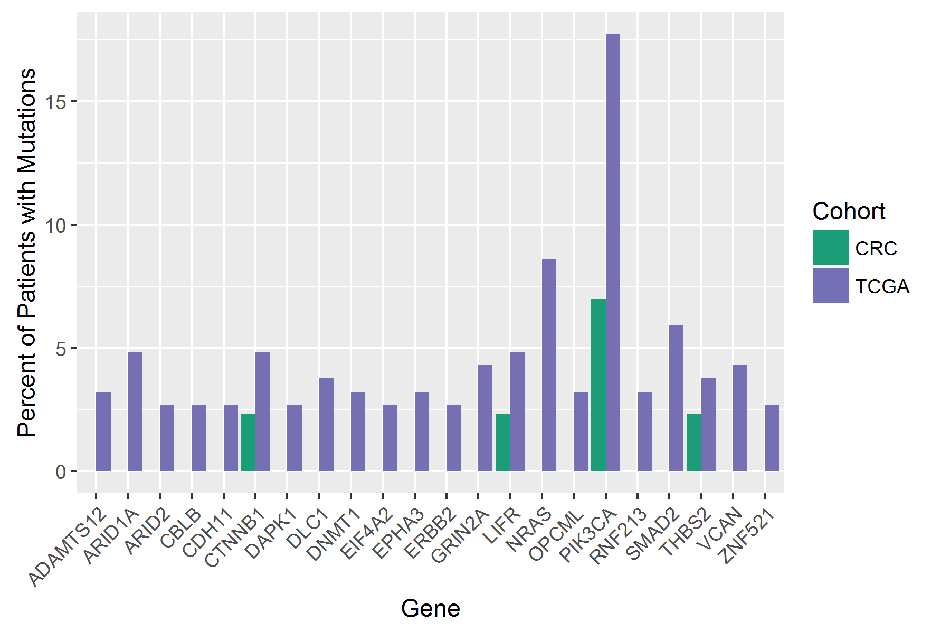
Gene | TCGA_mut | TCGA_norm | CCCC_mut | CCCC_norm | FET_p | Bonf_p | TCGA_perc | CCCC_perc
ADAMTS12 | 6 | 180 | 0 | 43 | 0.597 | 1 | 3.226 | 0
ARID1A | 9 | 177 | 0 | 43 | 0.21463 | 1 | 4.839 | 0
ARID2 | 5 | 181 | 0 | 43 | 0.58666 | 1 | 2.688 | 0
CBLB | 5 | 181 | 0 | 43 | 0.58666 | 1 | 2.688 | 0
CDH11 | 5 | 181 | 0 | 43 | 0.58666 | 1 | 2.688 | 0
CTNNB1 | 9 | 177 | 1 | 42 | 0.69242 | 1 | 4.839 | 2.326
DAPK1 | 5 | 181 | 0 | 43 | 0.58666 | 1 | 2.688 | 0
DLC1 | 7 | 179 | 0 | 43 | 0.35272 | 1 | 3.763 | 0
DNMT1 | 6 | 180 | 0 | 43 | 0.597 | 1 | 3.226 | 0
EIF4A2 | 5 | 181 | 0 | 43 | 0.58666 | 1 | 2.688 | 0
EPHA3 | 6 | 180 | 0 | 43 | 0.597 | 1 | 3.226 | 0
ERBB2 | 5 | 181 | 0 | 43 | 0.58666 | 1 | 2.688 | 0
GRIN2A | 8 | 178 | 0 | 43 | 0.35758 | 1 | 4.301 | 0
LIFR | 9 | 177 | 1 | 42 | 0.69242 | 1 | 4.839 | 2.326
NRAS | 16 | 170 | 0 | 43 | 0.04705 | 1 | 8.602 | 0
OPCML | 6 | 180 | 0 | 43 | 0.597 | 1 | 3.226 | 0
PIK3CA | 33 | 153 | 3 | 40 | 0.10329 | 1 | 17.742 | 6.977
RNF213 | 6 | 180 | 0 | 43 | 0.597 | 1 | 3.226 | 0
SMAD2 | 11 | 175 | 0 | 43 | 0.22579 | 1 | 5.914 | 0
THBS2 | 7 | 179 | 1 | 42 | 1 | 1 | 3.763 | 2.326
VCAN | 8 | 178 | 0 | 43 | 0.35758 | 1 | 4.301 | 0
ZNF521 | 5 | 181 | 0 | 43 | 0.58666 | 1 | 2.688 | 0

