Sheet1
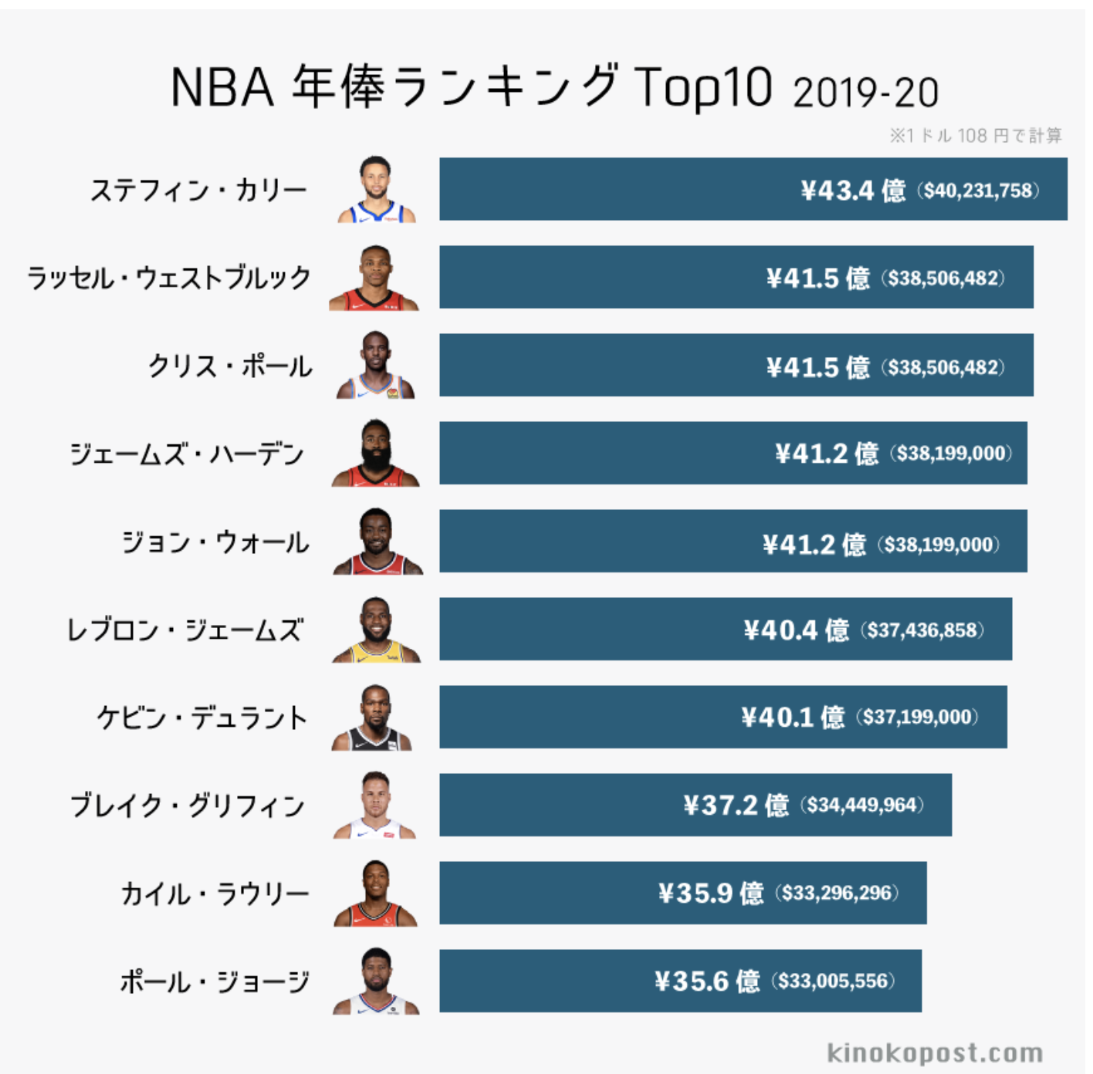
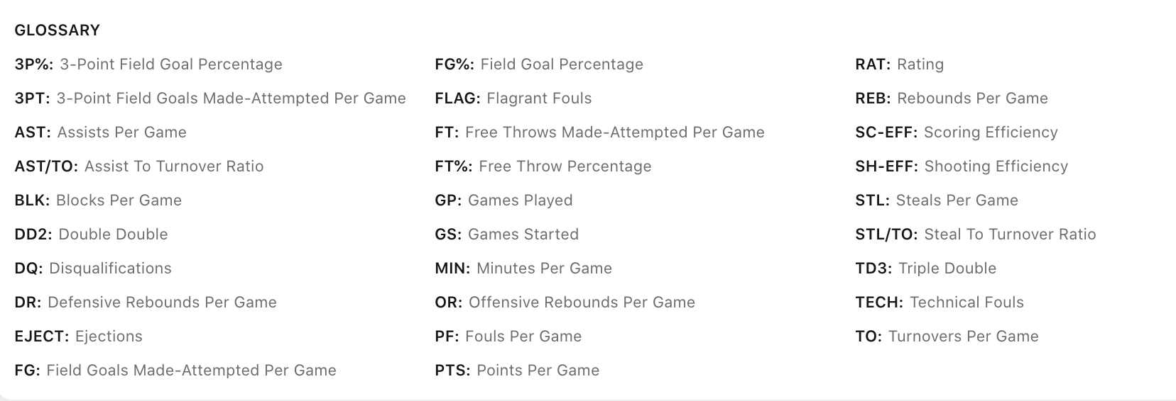

Player

 |  |  | スタッツ（プレイオフのキャリア平均）に基づいたNBA選手の年収予測(2019-2020)
 |  |  |  |  |  |  |  |  |  |  |  |  |  |  |  |  |  |  | スタッツ（レギュラーシーズンのキャリア平均）に基づいたNBA選手の年収予測(2019-2020)

 | rank | Player | Annual income(100 million yen) | Age | GP | MIN | FG% | 3P% | FT% | ORB | DRB | TRB | AST | STL | BLK | TOV | PF | PTS
 | 1 | Stephen Curry | 43.4 | 31 | 112 | 37.8 | 8.7 | 40.1 | 90.6 | 0.8 | 4.6 | 5.4 | 6.3 | 1.6 | 0.3 | 3.5 | 2.5 | 26.5
 | 2 | Russell Westbrook | 41.5 | 32 | 104 | 37.5 | 41.1 | 29.8 | 83.5 | 1.8 | 5.2 | 7.1 | 7.8 | 1.8 | 0.3 | 4 | 2.9 | 25
 | 3 | Chris Paul | 41.5 | 35 | 108 | 37.2 | 47.8 | 36.4 | 84.5 | 0.8 | 4.4 | 5.2 | 8.2 | 2.1 | 0.2 | 2.7 | 3.1 | 21
 | 4 | James Harden | 41.2 | 31 | 126 | 35.2 | 42.5 | 33.2 | 86.6 | 0.7 | 4.7 | 5.4 | 5.8 | 1.7 | 0.5 | 3.4 | 3.1 | 23.5
 | 5 | John Wall | 41.2 | 29 | 37 | 38.8 | 41.9 | 26.7 | 82.2 | 0.5 | 3.8 | 4.3 | 9.8 | 1.7 | 1.1 | 3.9 | 2.3 | 21.9
 | 6 | LeBron James | 40.4 | 35 | 260 | 41.6 | 49.6 | 33.5 | 74.1 | 1.5 | 7.5 | 9 | 7.2 | 1.7 | 1 | 3.7 | 2.3 | 28.8
 | 7 | Kevin Durant | 40.1 | 32 | 139 | 40.3 | 47.5 | 35.2 | 86.4 | 0.8 | 6.9 | 7.7 | 4 | 1 | 1.2 | 3.2 | 2.5 | 29.1
 | 8 | Blake Griffin | 37.2 | 31 | 53 | 35.3 | 49 | 3.61 | 73 | 2.2 | 6.3 | 8.5 | 4 | 1.1 | 0.9 | 2.5 | 3.4 | 21.2
 | 9 | Kyle Lowry | 35.9 | 33 | 86 | 34.7 | 41.9 | 34.5 | 79.2 | 0.8 | 3.5 | 4.3 | 5.7 | 1.3 | 0.2 | 2.5 | 3.4 | 15.2
 | 10 | Paul George | 35.6 | 30 | 88 | 38.7 | 42.1 | 35.9 | 82.1 | 1 | 6.1 | 7.1 | 3.9 | 1.6 | 0.5 | 3 | 3.3 | 20.2
 | 11 | Klay Thompson | 35.3 | 29 | 123 | 37.2 | 44.2 | 41.5 | 84.1 | 0.6 | 3.4 | 4 | 2.2 | 1 | 0.5 | 1.8 | 2.7 | 19.3
 | 12 | Kemba Walker | 35.3 | 30 | 25 | 37.7 | 42 | 33.1 | 86.7 | 0.3 | 3.6 | 3.9 | 4.8 | 1.2 | 0.6 | 2.3 | 1.8 | 20.6
 | 13 | Kawhi Leonard | 35.3 | 29 | 123 | 35.1 | 50.7 | 40.1 | 83.9 | 1.8 | 6.1 | 7.9 | 2.7 | 1.7 | 0.7 | 1.8 | 2.2 | 20.5
 | 14 | Jimmy Butler | 35.3 | 31 | 76 | 37.6 | 45.1 | 35 | 84.1 | 1.5 | 4.3 | 5.8 | 4.2 | 1.6 | 0.6 | 1.9 | 1.9 | 18.7
 | 15 | Tobias Harris | 35.3 | 28 | 16 | 37.4 | 43.2 | 34.7 | 87.2 | 1.1 | 8.1 | 9.2 | 3.8 | 1 | 0.6 | 1.6 | 2.6 | 15.3
 | 16 | Gordon Hayward | 35.3 | 29 | 24 | 33.4 | 40.5 | 36.5 | 95.5 | 0.5 | 4.3 | 4.8 | 3 | 0.8 | 0.3 | 1.8 | 1.8 | 15.8
 | 17 | Mike Conley Jr. | 35.1 | 33 | 60 | 37 | 42.3 | 34.9 | 79.8 | 0.5 | 3.1 | 3.6 | 6.6 | 1.4 | 0.2 | 2.1 | 2.3 | 16.9
 | 18 | Kyrie Irving | 34.2 | 28 | 61 | 36.4 | 45.3 | 39.8 | 87.9 | 0.7 | 2.6 | 3.3 | 5 | 1.4 | 0.6 | 2.4 | 2.3 | 23.5
 | 19 | Khris Middleton | 33 | 29 | 44 | 36.5 | 43.4 | 42.2 | 84.4 | 0.5 | 5.2 | 5.7 | 4.4 | 1.2 | 0.2 | 2.3 | 3.3 | 18.5
 | 20 | Paul Millsap | 32.7 | 35 | 118 | 28.7 | 46 | 28.8 | 72.4 | 2.3 | 4.7 | 7.1 | 1.7 | 1 | 1.1 | 1.6 | 3 | 12.7
 | 21 | Damian Lillard | 31.2 | 29 | 51 | 40.5 | 40.6 | 35.3 | 87 | 0.8 | 3.8 | 4.6 | 5.9 | 1.3 | 0.3 | 3.2 | 2.5 | 24.8
 | 22 | Kevin Love | 31.2 | 31 | 63 | 31.1 | 40.3 | 40.4 | 85.4 | 2 | 7.7 | 9.7 | 1.8 | 0.7 | 0.5 | 1.7 | 2.4 | 15.3
 | 23 | Al Horford | 30.2 | 33 | 120 | 34.7 | 50.1 | 41.1 | 78.3 | 1.9 | 6.2 | 8.1 | 3.5 | 0.8 | 1.2 | 1.7 | 2.5 | 13.8
 | 24 | Nikola Vucevic | 30.2 | 29 | 6 | 35.6 | 35.6 | 23.1 | 75 | 1.5 | 5.3 | 6.8 | 2.5 | 0.3 | 0.8 | 2.2 | 2 | 9.5
 | 25 | DeMar DeRozan | 29.9 | 30 | 58 | 37.3 | 41.8 | 23.3 | 85.1 | 0.7 | 3.9 | 4.6 | 3.6 | 1.1 | 0.2 | 2.3 | 2.6 | 21.9
 | 26 | CJ McCollum | 29.7 | 28 | 46 | 34 | 43.9 | 39.4 | 78.8 | 0.7 | 3.1 | 3.8 | 2.5 | 0.8 | 0.4 | 1.8 | 2.2 | 19.6
 | 27 | Nikola Jokic | 29.7 | 25 | 30 | 38.2 | 51 | 41.7 | 84 | 2.8 | 8.7 | 11.5 | 7.1 | 1 | 0.9 | 3 | 3.6 | 25.3
 | 28 | Andrew Wiggins | 29.7 | 22 | 5 | 32.8 | 44.1 | 33.3 | 60 | 1 | 4.2 | 5.2 | 2 | 0.4 | 0.4 | 1.8 | 2.8 | 15.8
 | 29 | Joel Embiid | 29.7 | 25 | 19 | 32.2 | 43.1 | 29.3 | 77.5 | 2.3 | 9.1 | 11.4 | 3.2 | 0.8 | 2.1 | 3.6 | 3.4 | 20.7
 | 30 | Kristaps Porzingis | 29.4 | 25 | 0 | 0 | 0 | 0 | 0 | 0 | 0 | 0 | 0 | 0 | 0 | 0 | 0 | 0
 | 31 | Karl-Anthony Towns | 29.4 | 25 | 5 | 34 | 46.7 | 27.3 | 73.9 | 3 | 10.4 | 13.4 | 2.2 | 0.4 | 1 | 2.4 | 2.8 | 15.2
 | 32 | Devin Booker | 29.4 | 24 | 0 | 0 | 0 | 0 | 0 | 0 | 0 | 0 | 0 | 0 | 0 | 0 | 0 | 0
 | 33 | D'Angelo Russell | 29.4 | 22 | 5 | 29.6 | 35.9 | 32.4 | 84.6 | 0.4 | 3.2 | 3.6 | 3.6 | 1.4 | 0.2 | 2.8 | 2.4 | 19.4
 | 34 | Otto Porter | 29.4
 | 35 | Anthony Davis | 29.2 | 27 | 34 | 38.2 | 55.1 | 34.5 | 83.9 | 2.6 | 8.3 | 10.9 | 2.8 | 1.4 | 1.9 | 2.6 | 2.9 | 28.8
 | 36 | Andre Drummond | 29.2 | 27 | 8 | 32.3 | 48.1 | 0 | 36.4 | 4 | 7 | 11 | 1.1 | 0.9 | 1.4 | 1.9 | 3.1 | 15.5
 | 37 | Bradley Beal | 29.2 | 27 | 40 | 39.9 | 44 | 36.3 | 82.3 | 1.2 | 3.2 | 4.4 | 3.7 | 1.6 | 0.6 | 2.3 | 2.7 | 22.7
 | 38 | Hassan Whiteside | 29.2
 | 39 | Jrue Holiday | 29.2 | 30 | 30 | 36.2 | 45.3 | 38.7 | 80.6 | 1 | 3.4 | 4.5 | 5.5 | 1.4 | 0.5 | 2.2 | 2 | 17
 | 40 | LaMarcus Aldridge | 28 | 35 | 72 | 37.1 | 45.5 | 32.7 | 82.4 | 2.5 | 6 | 8.5 | 1.7 | 0.7 | 1.4 | 1.6 | 2.7 | 20.8

