Munka1
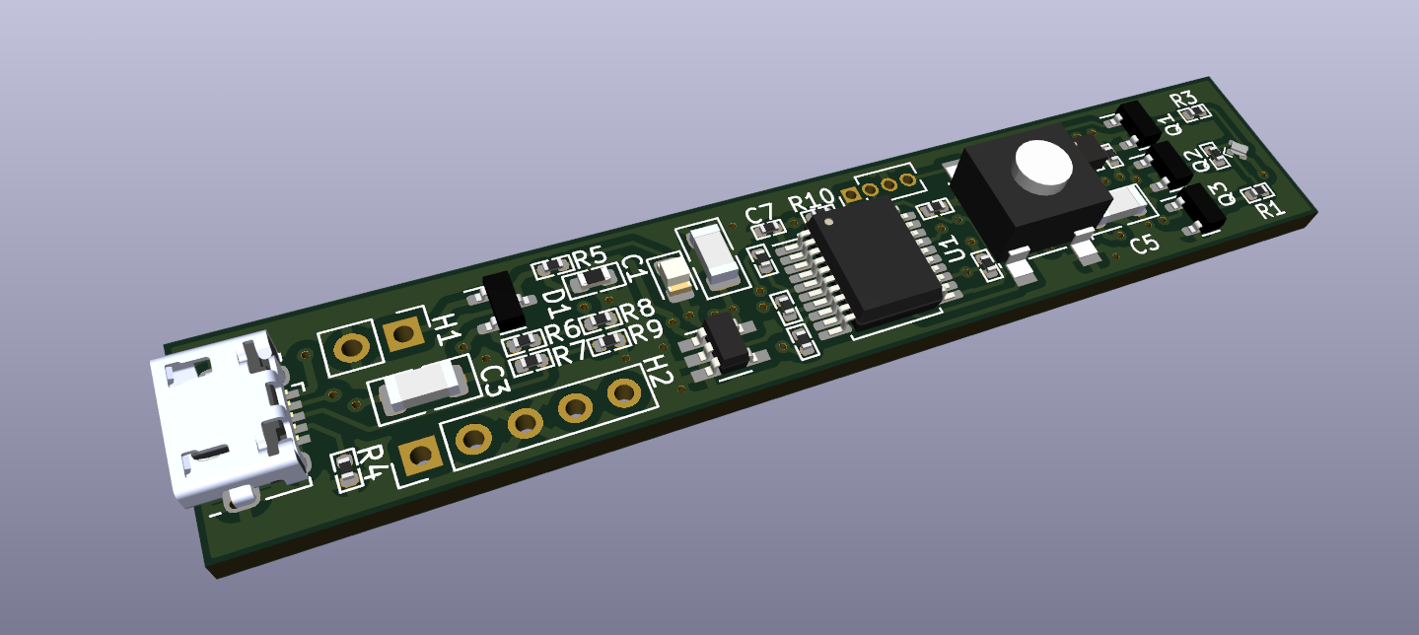
 | Component List |  |  |  | Bill of Material
 | Project: | Custom MCU Wand |  | Contact:
 |  |  |  | Adam Gal
 |  |  |  | galadam96@gmail.com
# | Category | Manufacturer | MPN | CasePackage | Description | Quantity | Designator | Footprint | Comment | Price HUF | Sum Price HUF | Price | Datasheet
1 | Optoelectronics | CreeLED, Inc. | UHD111A-FKA | 0404 | LED RGB 0404 SMD | 1 | LED2 |  | Min 580Ohm resistor | 14.82 | 14.82 |  | https://downloads.cree-led.com/files/ds/h/HB-UHD111A-FKA.pdf
2 | Resistors | YAGEO | RC0402FR-07590RL | 0402 | RES 590 OHM 1% 1/16W 0402 | 3 | R1,R2,R3 |  | Can be other manufacturer | 3.12 | 9.36 |  | https://www.yageo.com/upload/media/product/productsearch/datasheet/rchip/PYu-RC_Group_51_RoHS_L_12.pdf
3 | Accelerometers | Kionix Inc. | KXTJ3-1057 | LGA-12 | Accelerometer X, Y, Z Axis ±2g, 4g, 8g, 16g 800Hz 12-LGA (2x2) | 1 | U2 |  |  | 627.9 | 627.9 |  | https://kionixfs.azureedge.net/en/datasheet/KXTJ3-1057-Specifications-Rev-5.0.pdf
4 | Tactile Switches | C&K | PTS645SL43SMTR92 LFS | 6x6mm SMD | Tactile Switch SPST-NO Top Actuated Surface Mount | 1 | SW1 |  | Can be other manufacturer | 58.89 | 58.89 |  | https://www.ckswitches.com/media/1471/pts645.pdf
5 | Microcontrollers | Microchip Technology | PIC16LF1829-I/SS-ND | 20-SSOP | IC MCU 8BIT 14KB FLASH 20SSOP | 1 | U1 |  |  | 686.4 | 686.4 |  | https://ww1.microchip.com/downloads/aemDocuments/documents/OTH/ProductDocuments/DataSheets/40001440E.pdf
6 | Linear, Low Drop Out (LDO) Regulators | Texas Instruments | TPS76933DBVR | SOT-23-5 | IC REG LINEAR 3.3V 100MA SOT23-5 | 1 | U3 |  |  | 292.89 | 292.89 |  | https://www.ti.com/general/docs/suppproductinfo.tsp?distId=10&gotoUrl=https%3A%2F%2Fwww.ti.com%2Flit%2Fgpn%2Ftps769
7 | Capacitors | KYOCERA AVX | TAJA106K016RNJV | 1206 | CAP TANT 10UF 10% 16V 1206 | 3 | C2,C3,C5 |  | Can be other manufacturer | 63.96 | 191.88 |  | https://datasheets.kyocera-avx.com/TAJ.pdf
8 | Connectors | Adam Tech | PH1-02-UA | - | CONN HEADER VERT 2POS 2.54MM | 1 | H1 |  | Not populated | 177.84 | 177.84 |  | https://app.adam-tech.com/products/download/data_sheet/201605/ph1-xx-ua-data-sheet.pdf
9 | Connectors | Amphenol ICC (FCI) | 10118194-0011LF | - | CONN RCPT USB2.0 MICRO B SMD R/A | 1 | USB1 |  |  | 0 | 0 |  | https://cdn.amphenol-cs.com/media/wysiwyg/files/drawing/10118194.pdf
10 | Resistors | Bourns Inc. | CR0402-FX-1002GLF | 0402 | RES SMD 10K OHM 1% 1/16W 0402 | 6 | R5,R8,R9,R10,R11,R12 |  | Can be other manufacturer | 2.73 | 16.38 |  | https://www.bourns.com/docs/product-datasheets/cr.pdf?sfvrsn=574d41f6_14
11 | Resistors | Bourns Inc. | CR0402-JW-512GLF | 0402 | RES SMD 5.1K OHM 5% 1/16W 0402 | 2 | R6,R7 |  | Can be other manufacturer | 1.56 | 3.12 |  | https://www.bourns.com/docs/product-datasheets/cr.pdf?sfvrsn=574d41f6_14
12 | Resistors | YAGEO | RC0402JR-070RL | 0402 | RES 0 OHM JUMPER 1/16W 0402 | 4 | R4,R13,R14,R15 |  | Can be other manufacturer | 2.73 | 10.92 |  | https://www.yageo.com/upload/media/product/productsearch/datasheet/rchip/PYu-RC_Group_51_RoHS_L_12.pdf
13 | Diodes | onsemi | BAT54CLT3G | SOT-23-3 (TO-236) | DIODE ARR SCHOTT 30V 200MA SOT23 | 1 | D1 |  |  | 40.95 | 40.95 |  | https://www.onsemi.com/pdf/datasheet/bat54clt1-d.pdf
14 | Optoelectronics | Wurth Elektronik | 150080VS75000 | 0805 | Standard LEDs - SMD WL-SMCW SMDMono TpVw Waterclr 0805 BrtGrn | 1 | LED1 |  | Can be other manufacturer | 67.86 | 67.86 |  | https://www.we-online.com/components/products/datasheet/150080VS75000.pdf
15 | Transistors | Diotec Semiconductor | 2N7002 | SOT-23-3 (TO-236) | N-Channel 60 V 280mA (Ta) 350mW (Ta) Surface Mount SOT-23-3 (TO-236) | 3 | Q1,Q2,Q3 |  | Can be other manufacturer | 60.45 | 181.35 |  | https://diotec.com/request/datasheet/2n7002.pdf
16 | Capacitors | Samsung Electro-Mechanics | CL10A105KA8NNNC | 0603 | CAP CER 1UF 25V X5R 0603 | 1 | C1 |  | Can be other manufacturer | 5.85 | 5.85 |  | https://mm.digikey.com/Volume0/opasdata/d220001/medias/docus/609/CL10A105KA8NNNC_Spec.pdf
17 | Capacitors | Samsung Electro-Mechanics | CL05A104KA5NNNC | 0402 | CAP CER 0.1UF 25V X5R 0402 | 3 | C4,C6,C7 |  | Can be other manufacturer | 1.95 | 5.85 |  | https://mm.digikey.com/Volume0/opasdata/d220001/medias/docus/503/CL05A104KA5NNNC.pdf
18 | Connectors | Adam Tech | PH1-05-UA | - | Connector Header Through Hole 5 position 0.100" (2.54mm) | 1 | H2 |  | Not populated | 0 | 0 |  | https://app.adam-tech.com/products/download/data_sheet/201605/ph1-xx-ua-data-sheet.pdf
19 | Connectors | Adam Tech | HPH1-A-04-UA | - | Connector Header Through Hole 4 position 0.050" (1.27mm) | 1 | H3 |  | Not populated | 0 | 0 |  | https://app.adam-tech.com/products/download/data_sheet/199954/hph1-a-xx-ua-data-sheet.pdf
Notes: | Please do not populate the H1,H2,H3 Please fill in the price column K in this spreadsheet |  |  |  |  |  |  |  | Total: | 2,392.26 | HUF/PCS | Mouser w/o shipping
 |  |  |  |  |  |  |  |  | Price for 1pcs

