Std
 | nM to femtomolar
 | nM DPA | fm standard | area (1:3 standard:tbcl) |  | fm standard | area (1:3 standard:tbcl)
 | 0 | 0 | 0 |  | 312.5 | 0
 | 25 | 312.5 | 0 |  | 3125 | 15270.4471
 | 250 | 3125 | 15270.4471 |  | 6250 | 58792.9575
 | 500 | 6250 | 58792.9575 |  | 9375 | 106184.4277
 | 750 | 9375 | 106184.4277

NO I used wrong ratio for standards I am in shock! How did I do this! OOPS! It is okay - because I can still use the data to determine replicability

750 nM |  |  |  | 750
750nM 1:3 dilution= 187.5 nanomoles per L |  |  |  | 187.5
nM is per L but we have 1ml so /1000 |  |  |  | 0.1875
1ml-1ul so /1000 |  |  |  | 0.0001875
we inject 50ul so*50 |  |  |  | 0.009375
nM to pM is *1000 |  |  |  | 9.375
pM to fm is *1000 |  |  |  | 9375

500 nM |  |  |  | 500
500nM 1:3 dilution= 187.5 nanomoles per L |  |  |  | 125
nM is per L but we have 1ml so /1000 |  |  |  | 0.125
1ml-1ul so /1000 |  |  |  | 0.000125
we inject 50ul so*50 |  |  |  | 0.00625
nM to pM is *1000 |  |  |  | 6.25
pM to fm is *1000 |  |  |  | 6250

250 nM |  |  |  | 250
250nM 1:3 dilution= 187.5 nanomoles per L |  |  |  | 62.5
nM is per L but we have 1ml so /1000 |  |  |  | 0.0625
1ml-1ul so /1000 |  |  |  | 0.0000625
we inject 50ul so*50 |  |  |  | 0.003125
nM to pM is *1000 |  |  |  | 3.125
pM to fm is *1000 |  |  |  | 3125

25 nM |  |  |  | 25
25nM 1:3 dilution= 187.5 nanomoles per L |  |  |  | 6.25
nM is per L but we have 1ml so /1000 |  |  |  | 0.00625
1ml-1ul so /1000 |  |  |  | 0.00000625
we inject 50ul so*50 |  |  |  | 0.0003125
nM to pM is *1000 |  |  |  | 0.3125
pM to fm is *1000 |  |  |  | 312.5
NOTE: Used a 1:3 sample TbCl3 dilution this time oops

Worksheet
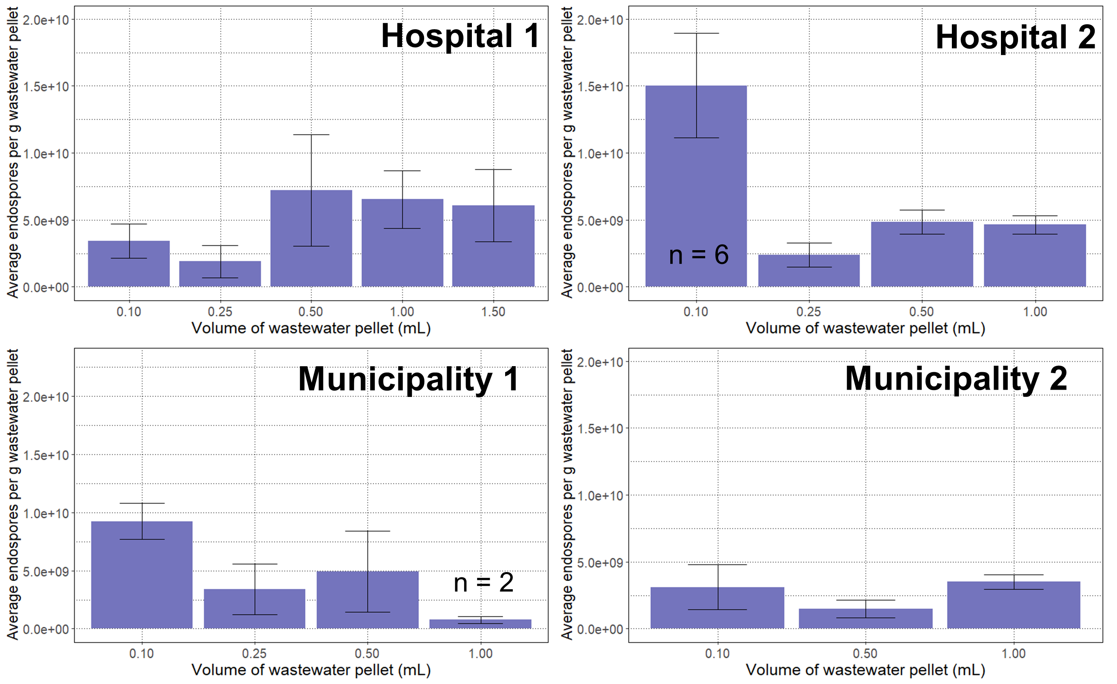
 | y = 14.546x - 30831 |  | 2000/400 | 350ul+10ul filter | 250/83 | 50ul inject
 |  |  | 5 | 1.4 | 3.0120481928 | 6.66
 |  |  |  |  | 83/250
DPA work out |  |  |  |  | 0.332 |  |  | 0.224 | from 50mL | 0.224 | fM DPA per spore Fitchel
Sample | Area | fmDPA | fmDPA-blank | liquid used (uL) | Hydrolysate DPA fM | Sample weight (g) | fM/ml/g | Endospore abundance equivalent per g | correction for spin down (ml) | Endospore abundance equivalent per g | Average abundance/ml/g | St dev | %RSD
S1_TAB818 | 253694.7246 | 19560.410051 | 19560.410051 | 50 | 2746705.7728 |  |  | 615262.09311 | 12305.241862 |  | 10280.95438 | 2566.1540769
S2_TAB618 | 199238.8591 | 15816.709687 | 15816.709687 | 50 | 2221009.053 |  |  | 497506.02786 | 9950.1205573
S3_TAB518 | 260779.4765 | 20047.468479 | 20047.468479 | 50 | 2815099.3389 |  |  | 630582.25191 | 12611.645038
S4_TAB318 | 268356.5459 | 20568.372467 | 20568.372467 | 50 | 2888245.5554 |  |  | 646967.00441 | 12939.340088
S5_TAB218 | 88662.7144 | 8214.8848068 | 8214.8848068 | 50 | 1153547.981 |  |  | 258394.74775 | 5167.8949549
S6_TAB418 | 146188.1648 | 12169.61122 | 12169.61122 | 50 | 1708877.3345 |  |  | 382788.52293 | 7655.7704586
S7_TAB718 | 244331.1099 | 18916.68568 | 18916.68568 | 50 | 2656312.9108 |  |  | 595014.09203 | 11900.281841
S8_TAB118 | 193856.4385 | 15446.682146 | 15446.682146 | 50 | 2169049.1616 |  |  | 485867.0122 | 9717.3402441
S9_BBW718 | 1861627.2072 | 130101.62293 | 130101.62293 | 50 | 18269089.341 |  |  | 4092276.0124 | 81845.520247 |  | 92958.490695 | 14294.873505
S10_BBW118 | 2125279.0904 | 148227.0102 | 148227.0102 | 50 | 20814286.794 |  |  | 4662400.2419 | 93248.004837
S11_BBW518 | 1912458.7976 | 133596.16373 | 133596.16373 | 50 | 18759798.654 |  |  | 4202194.8984 | 84043.897969
S12_BBW318 | 2591520.7665 | 180279.92345 | 180279.92345 | 50 | 25315210.937 |  |  | 5670607.25 | 113412.145
S13_BBW218 | 1751650.0318 | 122540.97565 | 122540.97565 | 50 | 17207410.496 |  |  | 3854459.9512 | 77089.199024
S14_BBW618 | 2729315.4676 | 189752.95391 | 189752.95391 | 50 | 26645429.854 |  |  | 5968576.2872 | 119371.52574
 | 81845.520247
 | 93248.004837
 | 84043.897969
 | 113412.145
 | 77089.199024
 | 119371.52574
 | 87815.691691
 | 86841.94105
S15_BBW418 | 1999671.4143 | 139591.80629 | 139591.80629 | 50 | 19601716.895 |  |  | 4390784.5846 | 87815.691691
0nm dpa blank | 0 | 2119.5517668 | 2119.5517668 | 50 | 297631.03424 |  |  | 66669.35167 | 1333.3870334
250 nmDPA_test | 22087.2952 | 3637.9963701 | 3637.9963701 | 50 | 510853.58667 |  |  | 114431.20341 | 2288.6240683
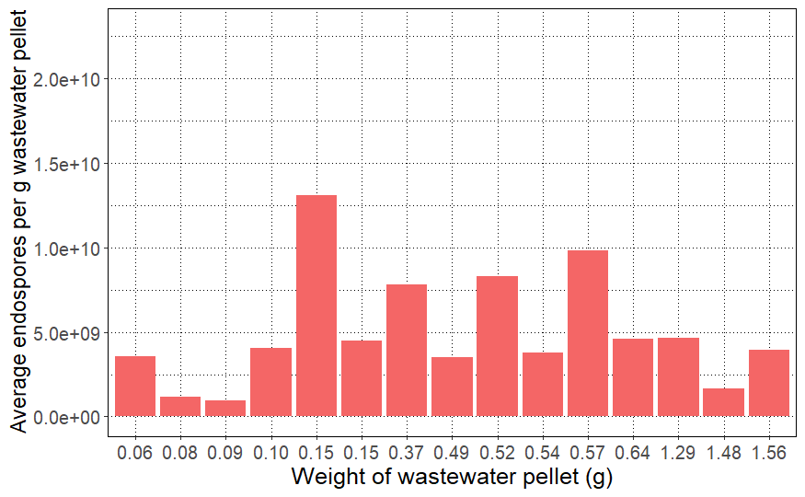
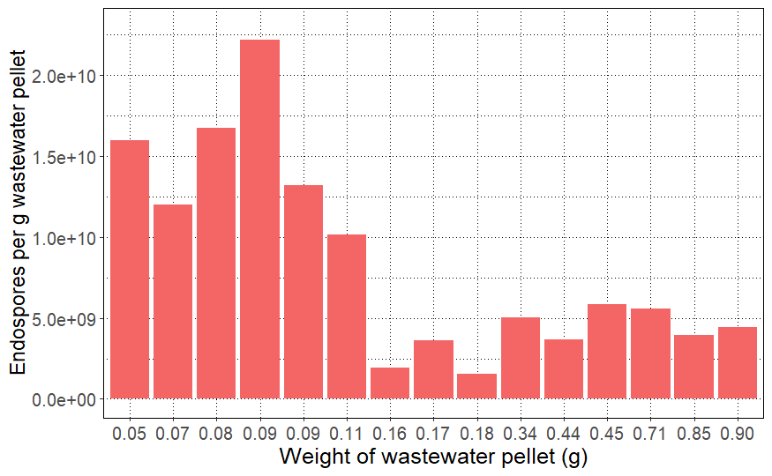
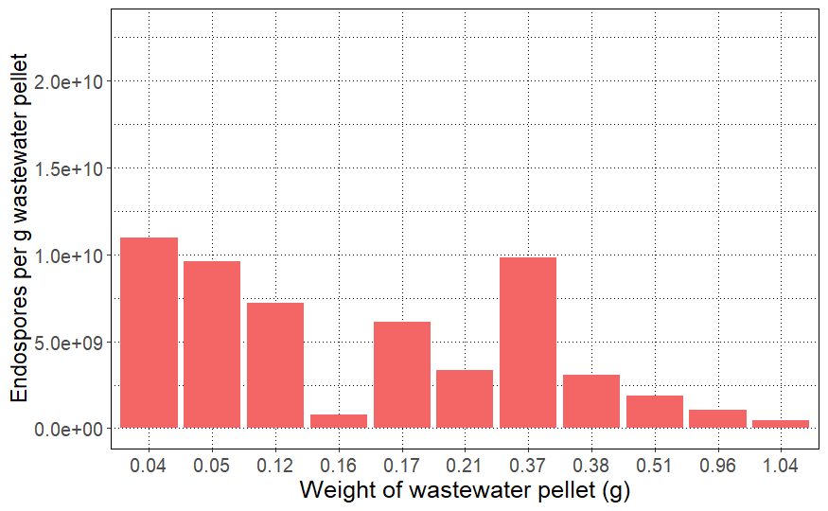
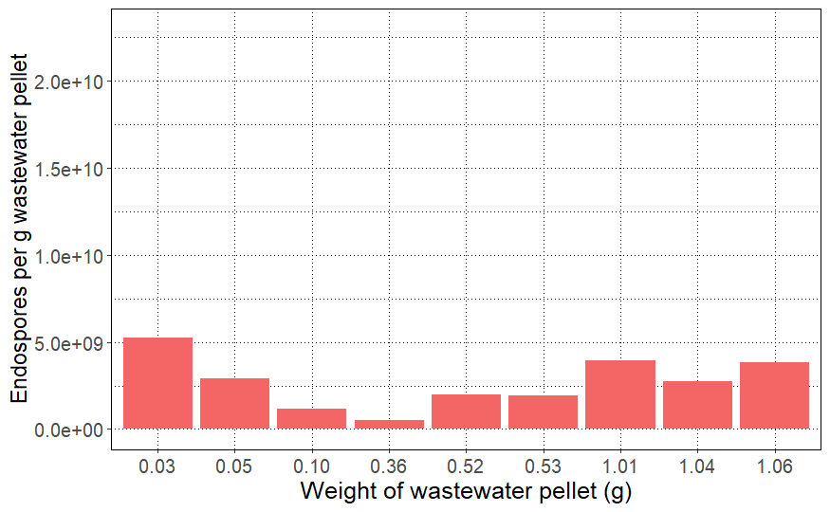
0nm dpa blank | 0 | 2119.5517668 | 2119.5517668 | 50 | 297631.03424 |  |  | 66669.35167 | 1333.3870334
S16_BBW818 | 1977156.0416 | 138043.93246 | 138043.93246 | 50 | 19384361.842 |  |  | 4342097.0525 | 86841.94105
S17_FMM118 | 803280.7706 | 57343.033865 | 57343.033865 | 50 | 8052205.5385 |  |  | 1803694.0406 | 36073.880813 |  | 45004.449129 | 8974.348606
S18_FMM418 | 1237548.6353 | 87197.830008 | 87197.830008 | 50 | 12244466.37 |  |  | 2742760.467 | 54855.20934
S19_FMM718 | 858989.7678 | 61172.883803 | 61172.883803 | 50 | 8589999.5268 |  |  | 1924159.894 | 38483.19788
S20_FMM818 | 1436020.8599 | 100842.28378 | 100842.28378 | 50 | 14160443.584 |  |  | 3171939.3629 | 63438.787257
S21_FMM318 | 937280.3238 | 66555.157693 | 66555.157693 | 50 | 9345787.5049 |  |  | 2093456.4011 | 41869.128022
S22_FMM218 | 887972.5039 | 63165.372192 | 63165.372192 | 50 | 8869788.1072 |  |  | 1986832.536 | 39736.65072
S23_FMM618 | 858070.3464 | 61109.675952 | 61109.675952 | 50 | 8581123.7738 |  |  | 1922171.7253 | 38443.434506
S24_FMM518 | 1059046.5347 | 74926.270775 | 74926.270775 | 50 | 10521273.324 |  |  | 2356765.2246 | 47135.304491
S25_blank1 | 0 | 2119.5517668 | 2119.5517668 | 50 | 297631.03424 |  |  | 66669.35167 | 1333.3870334
S26_blank2 | 0 | 2119.5517668 | 2119.5517668 | 50 | 297631.03424 |  |  | 66669.35167 | 1333.3870334
S27_blank3 | 0 | 2119.5517668 | 2119.5517668 | 50 | 297631.03424 |  |  | 66669.35167 | 1333.3870334
0nm dpa blank | 0 | 2119.5517668 | 2119.5517668 | 50 | 297631.03424 |  |  | 66669.35167 | 1333.3870334
25 nmDPA | 0 | 2119.5517668 | 2119.5517668 | 50 | 297631.03424 |  |  | 66669.35167 | 1333.3870334
250 nmDPA | 20592.5656 | 3535.2375636 | 3535.2375636 | 50 | 496424.02173 |  |  | 111198.98087 | 2223.9796174
500 nmDPA | 60927.5237 | 6308.1619483 | 6308.1619483 | 50 | 885802.74105 |  |  | 198419.814 | 3968.3962799
750 nmDPA | 107363.0397 | 9500.4839612 | 9500.4839612 | 50 | 1334073.9827 |  |  | 298832.57214 | 5976.6514427
0 nmDPA | 0 | 2119.5517668 | 2119.5517668 | 50 | 297631.03424 |  |  | 66669.35167 | 1333.3870334
0 nmDPA | 0 | 2119.5517668 | 2119.5517668 | 50 | 297631.03424 |  |  | 66669.35167 | 1333.3870334

 | 10280.95438
 | 92958.490695
 | 45004.449129

