Sheet1
T-Z12W373821A-BOM清单
1 | W176460-001 | 2462 |  | BH1 | 1 | 5 | 5 |  | The component is oversized. We can not mount this parts. Pls double check whether its wrong part number provided . How to proceed? | 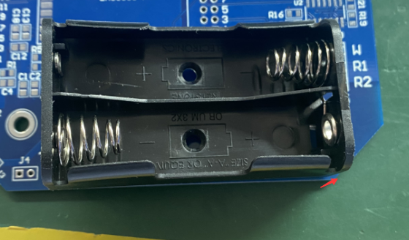 | 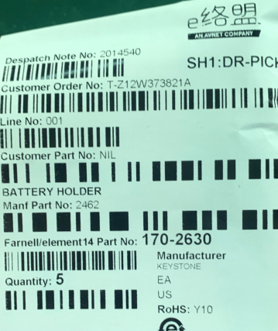 |  |  | PLEASE USE: 2468 FROM KEYSTONE ELECTRONICS
25 | W176460-025 | RC0603FR-070RL | 0805 | R2 | 1 | 5 | 100 | 封装不一致 | The components package is 0603，while the pad size is 0805 . We can't fit this parts.We suggest R2 RC0805FR-070RL 5pcs 0.0185/pcs. Sourcing time is around 4-5 days. | 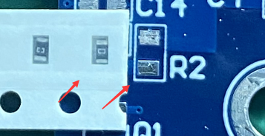 |  |  | 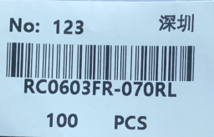 | ERJ6RBD2491V is ok
32 | W176460-032 | RC0603FR-072K49L | 0805 | R18 | 1 | 5 | 100 | 封装不一致 | The components package is 0603，while the pad size is 0805 . We can't fit this parts.We suggest R18 ERJ6RBD2491V 5pcs 0.14/pcs. Sourcing time is around 4-5 days. |  |  | 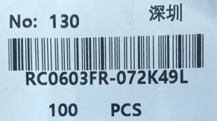 |  | ERJ6RBD2491V is ok

