zones comments
walls | 215B Office | 207 Conference | 209 Breakroom
n_occ | 1.00 | 20.00 | 24.00 | Number of occupants per zone
floor_m2 | 12.00 | 70.00 | 34.00 | Floor area [m²]
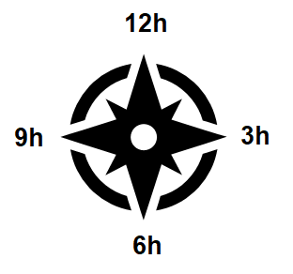
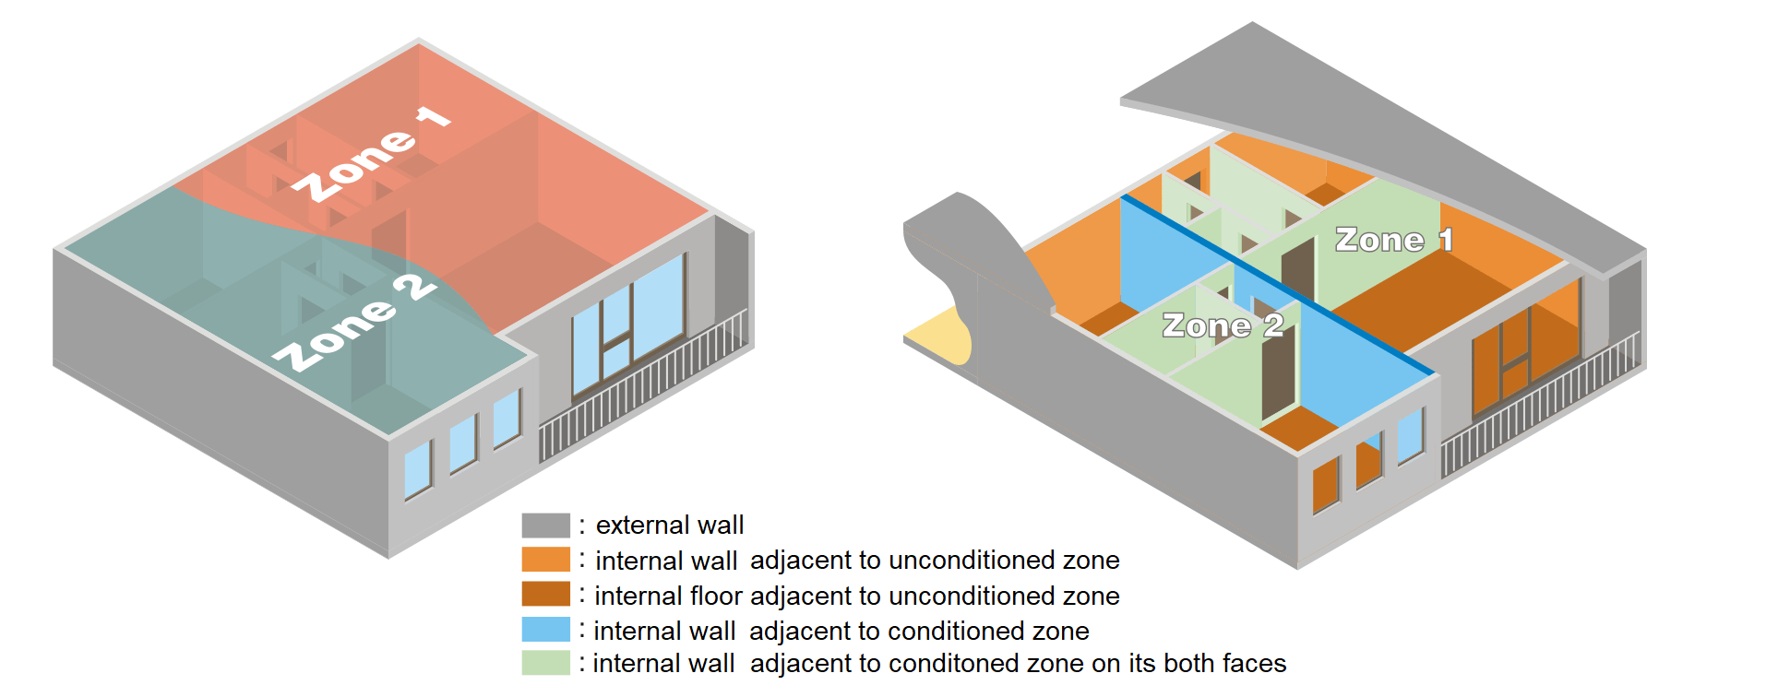
12h_wlex1_m2 |  |  |  | Area of external wall type 1 with orientation 12h [m²]
12h_wlex2_m2 |  |  |  | Area of external wall type 2 with orientation 12h [m²]
12h_wd1_m2 |  |  |  | Area of external window type 1 with orientation 12h [m²]
12h_wd2_m2 |  |  |  | Area of external window type 2 with orientation 12h [m²]
6h_wlex1_m2 | 2.79 |  | 2.79 | Area of external wall type 1 with orientation 6h [m²]
6h_wlex2_m2 | 5.57 |  | 5.57 | Area of external wall type 2 with orientation 6h [m²]
6h_wd1_m2 |  |  |  | Area of external window type 1 with orientation 6h [m²]
6h_wd2_m2 | 3.72 |  | 3.72 | Area of external window type 2 with orientation 6h [m²]
3h_wlex1_m2 |  |  | 9.75 | Area of external wall type 1 with orientation 3h [m²]
3h_wlex2_m2 |  |  | 16.71 | Area of external wall type 2 with orientation 3h [m²]
3h_wd1_m2 |  |  |  | Area of external window type 1 with orientation 3h [m²]
3h_wd2_m2 |  |  | 11.17 | Area of external window type 2 with orientation 3h [m²]
9h_wlex1_m2 | 2.79 |  |  | Area of external wall type 1 with orientation 9h [m²]
9h_wlex2_m2 | 5.57 |  |  | Area of external wall type 2 with orientation 9h [m²]
9h_wd1_m2 |  |  |  | Area of external window type 1 with orientation 9h [m²]
9h_wd2_m2 | 3.72 |  |  | Area of external window type 2 with orientation 9h [m²]
roof_m2 | 12.00 | 70.00 | 34.00 | Roof area [m²]
flad_m2 | 12.00 | 70.00 | 34.00 | Internal wall area adjacent to unconditioned zone [m²]
wlad_m2 | 0.00 | 0.00 | 0.00 | Internal floor area adjacent to unconditioned zone [m²]
flin_m2 | 0.00 | 0.00 | 0.00 | Internal wall area adjacent to conditioned zone [m²]
wlin_m2 | 0.00 | 0.00 | 0.00 | Internal floor area adjacent to conditioned zone [m²]

windows comments
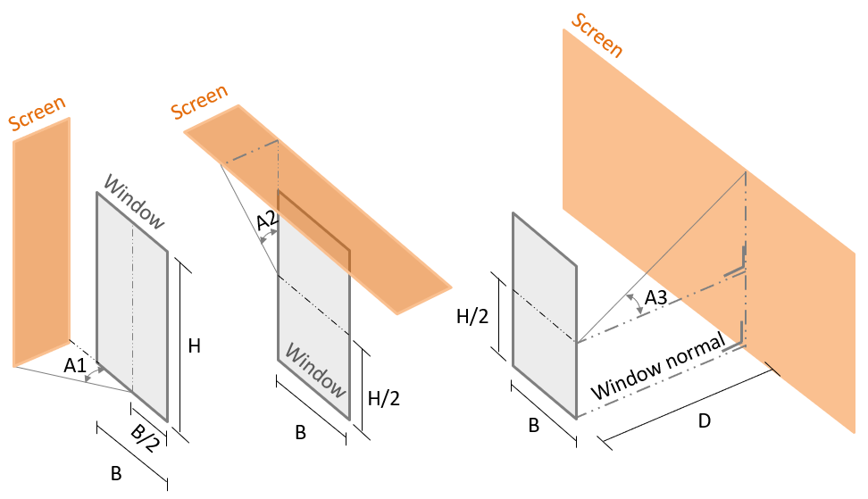
parameters | wd1 | wd2
U_Wm2K | 1.8 | 1.8 | U_value [W/m²K]
g_gl | 0.49 | 0.49 | Glazing Solar Factor
f_fr | 0.1 | 0.1 | Frame fraction area
H_B | 1 | 1 | Height/Breadth of the windows
A1_deg | 18 | 18 | Angle of symmetric lateral screens [deg]
A2_deg | 30 | 70 | Angle of top screen [deg]
A3_deg |  |  | Angle of frontal screen [deg]
D_H |  |  | Distance/Height of frontal screen

