Tasks
A task should be done by only 1-2 students. Duplicate tasks are not recommended Each member should work on at least 5 tasks

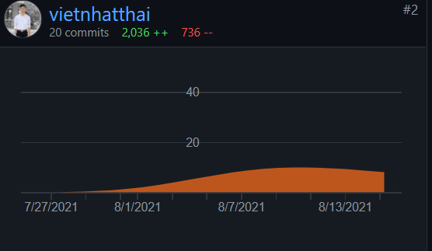
No | Student ID | Full name | Task Description | Hours | Evidence (screenshots of chat messages, of Git commits... proving that you perform and finish the task)
1 | 20125014 | Thái Việt Nhật | Search for a price. Put $ in front of a number. | 12
2 |  |  | Search for an exact match. Put a word or phrase inside quotes. | 12
3 |  |  | Search hashtags. Put # in front of a word | 10
4 |  |  | Search for wildcards or unknown words. Put a * in your word or phrase where you want to leave a placeholder | 10
5 |  |  | Search within a range of numbers. Put .. between two numbers. | 9
6 |  |  | The query and search its keywords in the documents; | 8
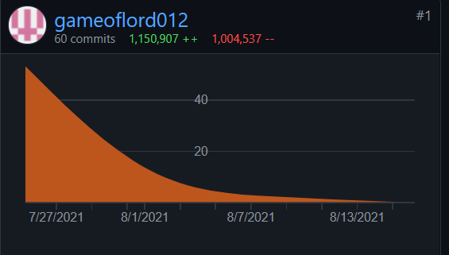
7 | 20125012 | Nguyễn Đức Mạnh | Entering “~set” will bring back results that include words like “configure”, “collection” and “change” which are all synonyms of “set | 12
8 |  |  | history query | 8
9 |  |  | Read filetype txt,.. | 10
10 |  |  | Display the documents that satisfy the query | 9
11 |  |  | Setting the program displays top 5 results that highlights the keyword and the paragraph contain key word | 12
12 |  |  | Create the search engine should support several operator such as: AND, OR,.. | 10
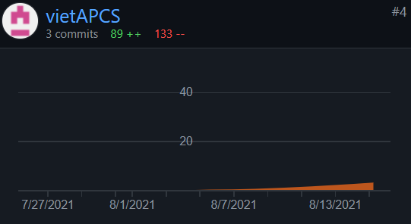
13 |  |  | The query and search its keywords in the documents; | 10
14 | 20125069 | Trần Lạc Việt | Write a report | 15
15 |  |  | Build data | 5
16 |  |  | Test the code | 6
17 |  |  | Update information | 8
18 |  |  | Read data from file txt | 6
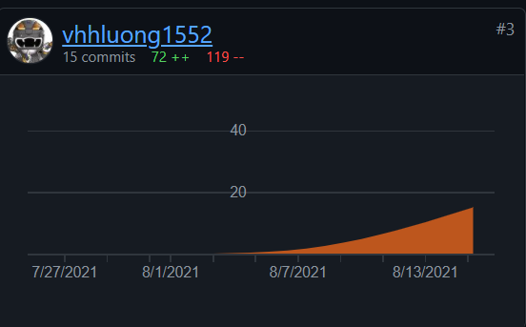
19 | 20125101 | Vương Huy Hoàng Lượng | History: list of queries that a user entered before. When the user enters one of these queries again, the search engine should suggest it. See auto suggestion feature in Google for inspiration. | 10
20 |  |  | Build new data | 5
21 |  |  | Save lại entry history. | 6
22 |  |  | Show the word of the data in the search suggestion | 9
23 |  |  | Create interface | 10
24 |  |  | Build data trie and stop word | 10
25
26
27
28
29
30
31
32
33
34
35
36
37
38
39
40
41
42
43
44
45
46
47
48
49
50
51
52
53
54
55
56
57
58
59
60
61
62
63
64
65
66
67
68
69
70
71
72
73
74
75
76
77
78
79
80
81
82
83
84
85
86
87
88
89
90
91
92
93
94
95
96
97
98
99
100

