Carp
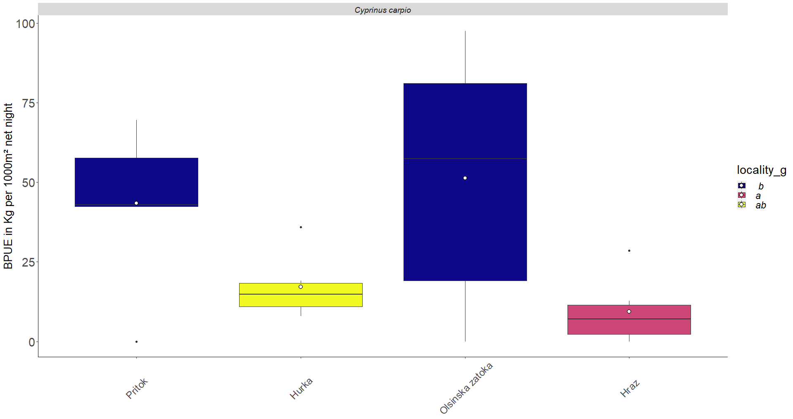
locality | year | sp_scientificname | mbenthic | spelagic | alpha | bpue | truebpue
Hraz | 2008 | Cyprinus carpio | 3.28 | 0 | 0.9 | 3.28 | 6.56
Hraz | 2009 | Cyprinus carpio | 0.83 | 14.93 | 0.9 | 14.27 | 28.53
Hraz | 2010 | Cyprinus carpio | 2.81 | 3.97 | 0.9 | 6.38 | 12.77
Hraz | 2012 | Cyprinus carpio | 0.41 | 0 | 0.9 | 0.41 | 0.82
Hraz | 2016 | Cyprinus carpio | 0 | 0 | 0.9 | 0.00 | 0.00
Hraz | 2017 | Cyprinus carpio | 0.44 | 3.73 | 0.9 | 3.80 | 7.59
Hurka | 2008 | Cyprinus carpio | 4.98 | 0 | 0.7 | 4.98 | 9.96
Hurka | 2009 | Cyprinus carpio | 6.84 | 0 | 0.7 | 6.84 | 13.68
Hurka | 2010 | Cyprinus carpio | 0.72 | 4.67 | 0.7 | 3.99 | 7.98
Hurka | 2012 | Cyprinus carpio | 3.01 | 9.34 | 0.7 | 9.55 | 19.10
Hurka | 2016 | Cyprinus carpio | 1.77 | 8.95 | 0.7 | 8.04 | 16.07
Hurka | 2017 | Cyprinus carpio | 7.17 | 15.44 | 0.7 | 17.98 | 35.96
Olsinska zatoka | 2008 | Cyprinus carpio | 0 | 0 | 0.5 | 0.00 | 0.00
Olsinska zatoka | 2009 | Cyprinus carpio | 12.19 | 38.85 | 0.5 | 31.62 | 63.23
Olsinska zatoka | 2010 | Cyprinus carpio | 34.6 | 17.85 | 0.5 | 43.53 | 87.05
Olsinska zatoka | 2012 | Cyprinus carpio | 4.11 | 0 | 0.5 | 4.11 | 8.22
Olsinska zatoka | 2016 | Cyprinus carpio | 18.25 | 15.17 | 0.5 | 25.84 | 51.67
Olsinska zatoka | 2017 | Cyprinus carpio | 26.24 | 45.02 | 0.5 | 48.75 | 97.50
Pritok | 2008 | Cyprinus carpio | 11.13 | 21.05 | 0.5 | 21.66 | 43.31
Pritok | 2009 | Cyprinus carpio | 0 | 69.61 | 0.5 | 34.81 | 69.61
Pritok | 2010 | Cyprinus carpio | 0 | 0 | 0.5 | 0.00 | 0.00
Pritok | 2012 | Cyprinus carpio | 6.23 | 50.04 | 0.5 | 31.25 | 62.50
Pritok | 2016 | Cyprinus carpio | 7.09 | 28.15 | 0.5 | 21.17 | 42.33
Pritok | 2017 | Cyprinus carpio | 13.19 | 16.25 | 0.5 | 21.32 | 42.63

perch
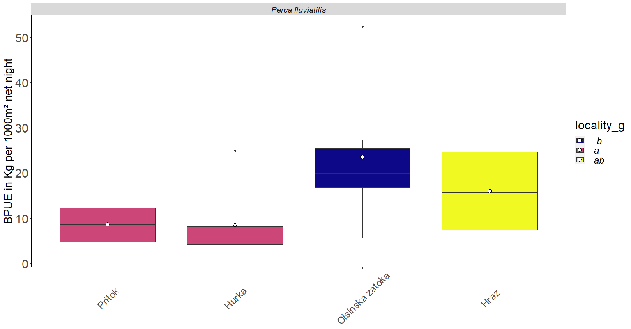
locality | year | sp_scientificname | mbenthic | spelagic | alpha | bpue | truebpue
Hraz | 2008 | Perca fluviatilis | 1.42 | 0.34 | 0.9 | 1.73 | 3.45
Hraz | 2009 | Perca fluviatilis | 2.3 | 4.67 | 0.9 | 6.50 | 13.01
Hraz | 2010 | Perca fluviatilis | 2.03 | 0.86 | 0.9 | 2.80 | 5.61
Hraz | 2012 | Perca fluviatilis | 4.53 | 9.85 | 0.9 | 13.40 | 26.79
Hraz | 2016 | Perca fluviatilis | 4.71 | 10.77 | 0.9 | 14.40 | 28.81
Hraz | 2017 | Perca fluviatilis | 4.87 | 4.64 | 0.9 | 9.05 | 18.09
Hurka | 2008 | Perca fluviatilis | 1.79 | 0 | 0.7 | 1.79 | 3.58
Hurka | 2009 | Perca fluviatilis | 3.03 | 0 | 0.7 | 3.03 | 6.06
Hurka | 2010 | Perca fluviatilis | 0.84 | 0 | 0.7 | 0.84 | 1.68
Hurka | 2012 | Perca fluviatilis | 3.19 | 0 | 0.7 | 3.19 | 6.38
Hurka | 2016 | Perca fluviatilis | 7.07 | 7.72 | 0.7 | 12.47 | 24.95
Hurka | 2017 | Perca fluviatilis | 4.27 | 0.11 | 0.7 | 4.35 | 8.69
Olsinska zatoka | 2008 | Perca fluviatilis | 8.93 | 2.32 | 0.5 | 10.09 | 20.18
Olsinska zatoka | 2009 | Perca fluviatilis | 9.79 | 0 | 0.5 | 9.79 | 19.58
Olsinska zatoka | 2010 | Perca fluviatilis | 2.85 | 0 | 0.5 | 2.85 | 5.70
Olsinska zatoka | 2012 | Perca fluviatilis | 7.91 | 0 | 0.5 | 7.91 | 15.82
Olsinska zatoka | 2016 | Perca fluviatilis | 13.62 | 0 | 0.5 | 13.62 | 27.24
Olsinska zatoka | 2017 | Perca fluviatilis | 24.32 | 3.64 | 0.5 | 26.14 | 52.28
Pritok | 2008 | Perca fluviatilis | 2.22 | 0 | 0.5 | 2.22 | 4.44
Pritok | 2009 | Perca fluviatilis | 7.36 | 0 | 0.5 | 7.36 | 14.72
Pritok | 2010 | Perca fluviatilis | 1.57 | 0.01 | 0.5 | 1.58 | 3.15
Pritok | 2012 | Perca fluviatilis | 3.44 | 5.73 | 0.5 | 6.31 | 12.61
Pritok | 2016 | Perca fluviatilis | 4.44 | 2.42 | 0.5 | 5.65 | 11.30
Pritok | 2017 | Perca fluviatilis | 1.87 | 1.94 | 0.5 | 2.84 | 5.68

Silver bream
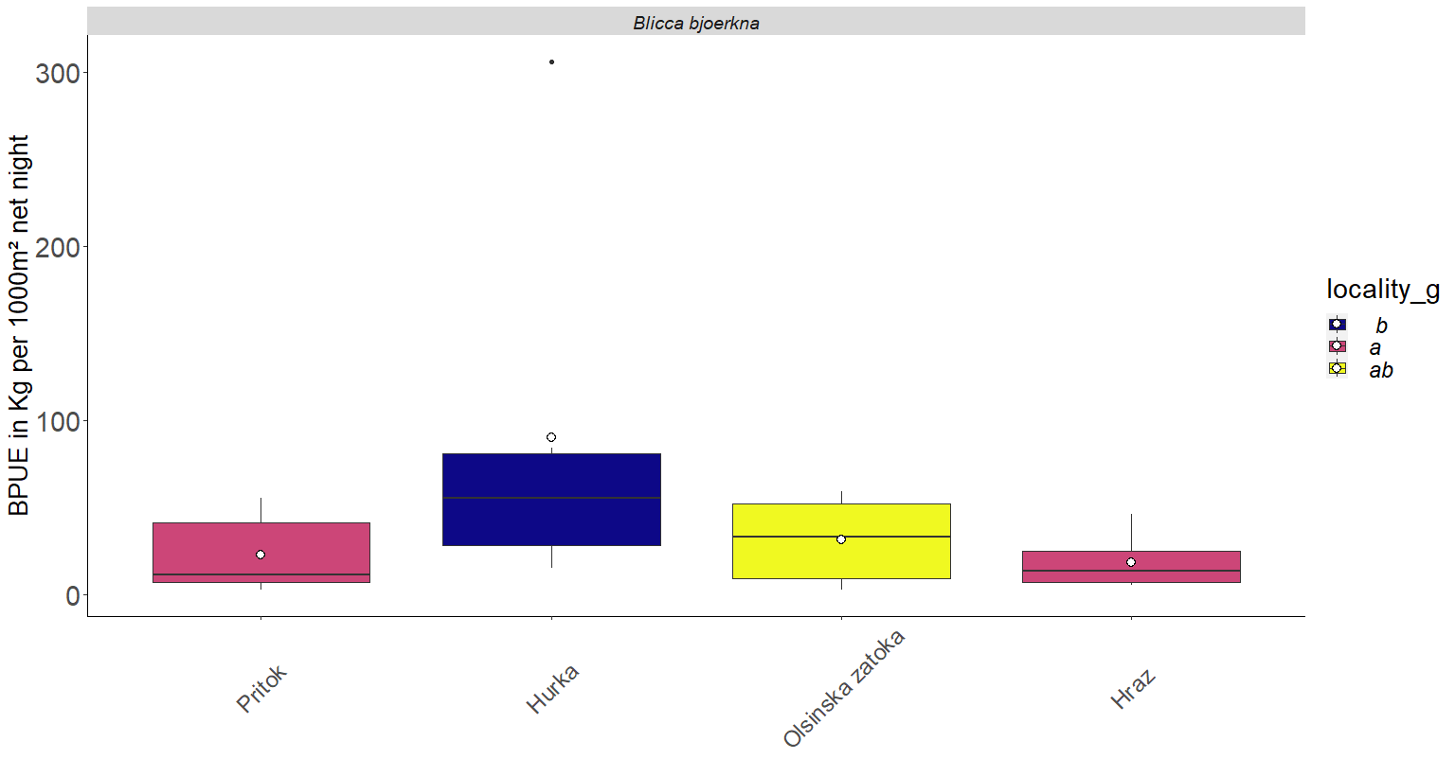
locality | year | sp_scientificname | mbenthic | spelagic | alpha | bpue | truebpue
Hraz | 2008 | Blicca bjoerkna | 4.04 | 4.35 | 0.9 | 7.96 | 15.91
Hraz | 2009 | Blicca bjoerkna | 0.63 | 2.57 | 0.9 | 2.94 | 5.89
Hraz | 2010 | Blicca bjoerkna | 3.57 | 2.13 | 0.9 | 5.49 | 10.97
Hraz | 2012 | Blicca bjoerkna | 2.13 | 0.69 | 0.9 | 2.75 | 5.50
Hraz | 2016 | Blicca bjoerkna | 3.07 | 12.02 | 0.9 | 13.89 | 27.78
Hraz | 2017 | Blicca bjoerkna | 3.19 | 22.01 | 0.9 | 23.00 | 46.00
Hurka | 2008 | Blicca bjoerkna | 16.83 | 3.14 | 0.7 | 19.03 | 38.06
Hurka | 2009 | Blicca bjoerkna | 7.67 | 0 | 0.7 | 7.67 | 15.34
Hurka | 2010 | Blicca bjoerkna | 11.19 | 2.06 | 0.7 | 12.63 | 25.26
Hurka | 2012 | Blicca bjoerkna | 14.72 | 38.97 | 0.7 | 42.00 | 84.00
Hurka | 2016 | Blicca bjoerkna | 20.26 | 22.8 | 0.7 | 36.22 | 72.44
Hurka | 2017 | Blicca bjoerkna | 23.38 | 184.88 | 0.7 | 152.80 | 305.59
Olsinska zatoka | 2008 | Blicca bjoerkna | 2.5 | 0.12 | 0.5 | 2.56 | 5.12
Olsinska zatoka | 2009 | Blicca bjoerkna | 7.2 | 7.24 | 0.5 | 10.82 | 21.64
Olsinska zatoka | 2010 | Blicca bjoerkna | 18.47 | 7.75 | 0.5 | 22.35 | 44.69
Olsinska zatoka | 2012 | Blicca bjoerkna | 1.27 | 0 | 0.5 | 1.27 | 2.54
Olsinska zatoka | 2016 | Blicca bjoerkna | 19.23 | 16.48 | 0.5 | 27.47 | 54.94
Olsinska zatoka | 2017 | Blicca bjoerkna | 11.98 | 35.34 | 0.5 | 29.65 | 59.30
Pritok | 2008 | Blicca bjoerkna | 1.43 | 0 | 0.5 | 1.43 | 2.86
Pritok | 2009 | Blicca bjoerkna | 3.72 | 0 | 0.5 | 3.72 | 7.44
Pritok | 2010 | Blicca bjoerkna | 5.16 | 5.3 | 0.5 | 7.81 | 15.62
Pritok | 2012 | Blicca bjoerkna | 3.58 | 0 | 0.5 | 3.58 | 7.16
Pritok | 2016 | Blicca bjoerkna | 20.59 | 14.11 | 0.5 | 27.65 | 55.29
Pritok | 2017 | Blicca bjoerkna | 13.85 | 22.19 | 0.5 | 24.95 | 49.89

bream
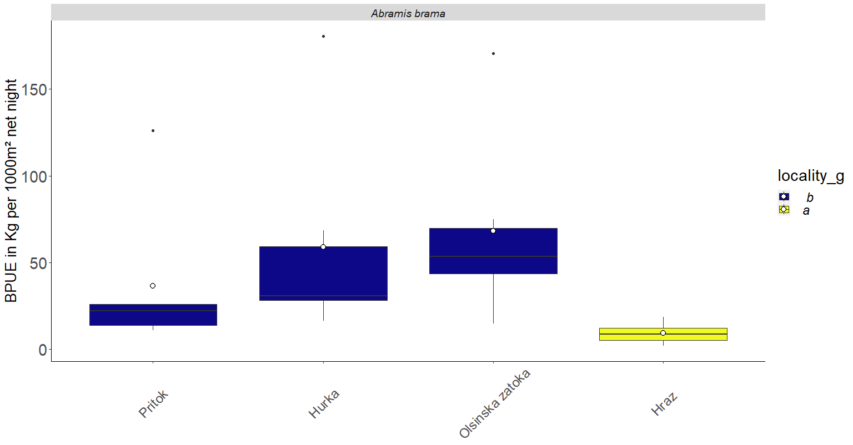
locality | year | sp_scientificname | mbenthic | spelagic | alpha | bpue | truebpue
Hraz | 2008 | Abramis brama | 1.97 | 0 | 0.9 | 1.97 | 3.94
Hraz | 2009 | Abramis brama | 0.07 | 7.43 | 0.9 | 6.76 | 13.51
Hraz | 2010 | Abramis brama | 3.22 | 1.31 | 0.9 | 4.40 | 8.80
Hraz | 2012 | Abramis brama | 0 | 4.87 | 0.9 | 4.38 | 8.77
Hraz | 2016 | Abramis brama | 0.93 | 0 | 0.9 | 0.93 | 1.86
Hraz | 2017 | Abramis brama | 2.03 | 8.01 | 0.9 | 9.24 | 18.48
Hurka | 2008 | Abramis brama | 11.07 | 3.66 | 0.7 | 13.63 | 27.26
Hurka | 2009 | Abramis brama | 7.83 | 10.74 | 0.7 | 15.35 | 30.70
Hurka | 2010 | Abramis brama | 7.36 | 1.14 | 0.7 | 8.16 | 16.32
Hurka | 2012 | Abramis brama | 4.72 | 15.52 | 0.7 | 15.58 | 31.17
Hurka | 2016 | Abramis brama | 6.03 | 40.25 | 0.7 | 34.21 | 68.41
Hurka | 2017 | Abramis brama | 12.13 | 111.52 | 0.7 | 90.19 | 180.39
Olsinska zatoka | 2008 | Abramis brama | 0.12 | 51.81 | 0.5 | 26.03 | 52.05
Olsinska zatoka | 2009 | Abramis brama | 24.33 | 121.84 | 0.5 | 85.25 | 170.50
Olsinska zatoka | 2010 | Abramis brama | 4.29 | 66.33 | 0.5 | 37.46 | 74.91
Olsinska zatoka | 2012 | Abramis brama | 10.4 | 20.11 | 0.5 | 20.46 | 40.91
Olsinska zatoka | 2016 | Abramis brama | 3.99 | 6.96 | 0.5 | 7.47 | 14.94
Olsinska zatoka | 2017 | Abramis brama | 9.54 | 36.05 | 0.5 | 27.57 | 55.13
Pritok | 2008 | Abramis brama | 2.89 | 20.22 | 0.5 | 13.00 | 26.00
Pritok | 2009 | Abramis brama | 12.81 | 0 | 0.5 | 12.81 | 25.62
Pritok | 2010 | Abramis brama | 3.74 | 3.37 | 0.5 | 5.43 | 10.85
Pritok | 2012 | Abramis brama | 13.16 | 99.76 | 0.5 | 63.04 | 126.08
Pritok | 2016 | Abramis brama | 1.68 | 8.62 | 0.5 | 5.99 | 11.98
Pritok | 2017 | Abramis brama | 3.49 | 11.86 | 0.5 | 9.42 | 18.84

Pikeperch
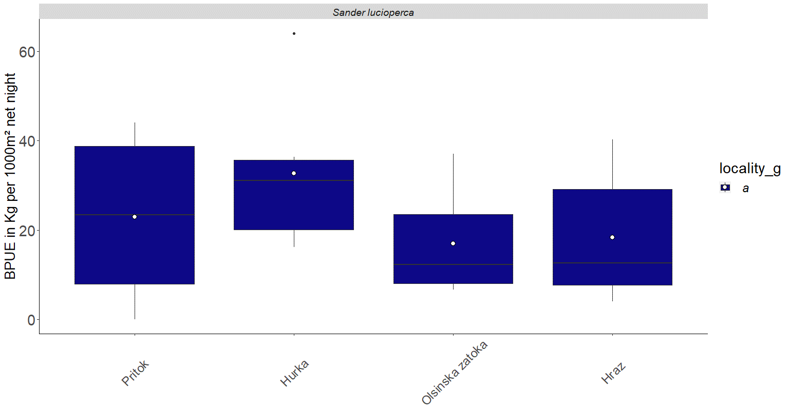
locality | year | sp_scientificname | mbenthic | spelagic | alpha | bpue | truebpue
Hraz | 2008 | Sander lucioperca | 3.29 | 4.78 | 0.9 | 7.59 | 15.18
Hraz | 2009 | Sander lucioperca | 1.31 | 2.41 | 0.9 | 3.48 | 6.96
Hraz | 2010 | Sander lucioperca | 2.89 | 15.59 | 0.9 | 16.92 | 33.84
Hraz | 2012 | Sander lucioperca | 2.05 | 0 | 0.9 | 2.05 | 4.10
Hraz | 2016 | Sander lucioperca | 2.46 | 2.89 | 0.9 | 5.06 | 10.12
Hraz | 2017 | Sander lucioperca | 0.89 | 21.38 | 0.9 | 20.13 | 40.26
Hurka | 2008 | Sander lucioperca | 13 | 7.41 | 0.7 | 18.19 | 36.37
Hurka | 2009 | Sander lucioperca | 4.89 | 4.57 | 0.7 | 8.09 | 16.18
Hurka | 2010 | Sander lucioperca | 13.35 | 5.09 | 0.7 | 16.91 | 33.83
Hurka | 2012 | Sander lucioperca | 7.64 | 1.51 | 0.7 | 8.70 | 17.39
Hurka | 2016 | Sander lucioperca | 3.03 | 15.88 | 0.7 | 14.15 | 28.29
Hurka | 2017 | Sander lucioperca | 6.72 | 36.07 | 0.7 | 31.97 | 63.94
Olsinska zatoka | 2008 | Sander lucioperca | 1.94 | 2.76 | 0.5 | 3.32 | 6.64
Olsinska zatoka | 2009 | Sander lucioperca | 4.25 | 5.06 | 0.5 | 6.78 | 13.56
Olsinska zatoka | 2010 | Sander lucioperca | 18.52 | 0 | 0.5 | 18.52 | 37.04
Olsinska zatoka | 2012 | Sander lucioperca | 10.92 | 5.03 | 0.5 | 13.44 | 26.87
Olsinska zatoka | 2016 | Sander lucioperca | 0 | 7.08 | 0.5 | 3.54 | 7.08
Olsinska zatoka | 2017 | Sander lucioperca | 3.15 | 4.79 | 0.5 | 5.55 | 11.09
Pritok | 2008 | Sander lucioperca | 1.98 | 2.46 | 0.5 | 3.21 | 6.42
Pritok | 2009 | Sander lucioperca | 0 | 12.55 | 0.5 | 6.28 | 12.55
Pritok | 2010 | Sander lucioperca | 18.06 | 4.19 | 0.5 | 20.16 | 40.31
Pritok | 2012 | Sander lucioperca | 0 | 0 | 0.5 | 0.00 | 0.00
Pritok | 2016 | Sander lucioperca | 6.42 | 31.18 | 0.5 | 22.01 | 44.02
Pritok | 2017 | Sander lucioperca | 4.49 | 25.2 | 0.5 | 17.09 | 34.18

