Photos
35. DM - Water on basement floor - 38 3rd Street | MBA Standard Inspection Form

 | 154-156 PASSAIC STREET, 38 3RD, Passaic, NJ (Loan 504565494)
 | Overall Rating: 2, 100% Occupied

 | Photos (35)
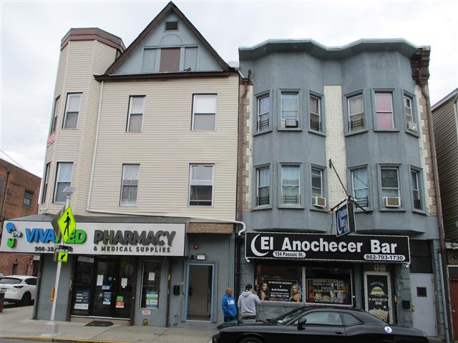

 |  | 1 | Broad view of 154 -156 Passaic Street

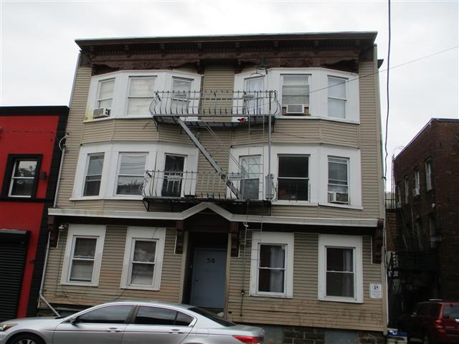

 |  | 2 | Broad view of 38 3rd Street

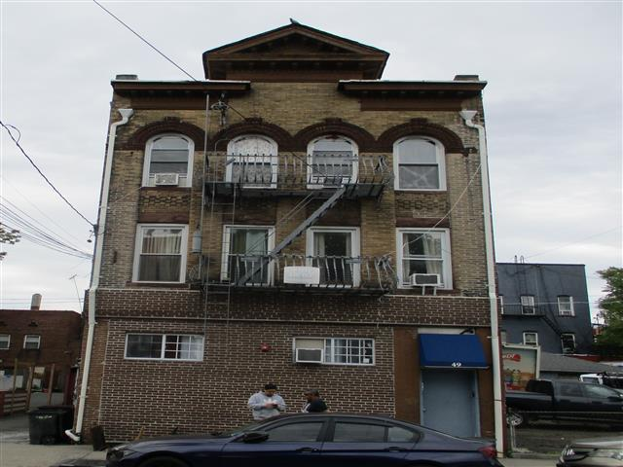

 |  | 3 | Broad view of 49 3rd Street

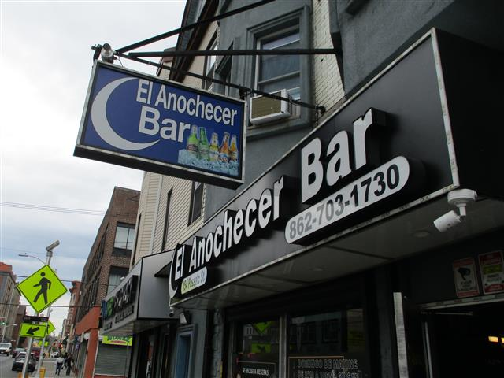

 |  | 4 | Signage - 154

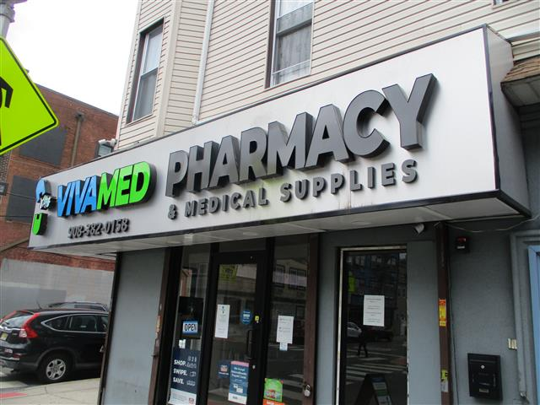

 |  | 5 | Signage - 156

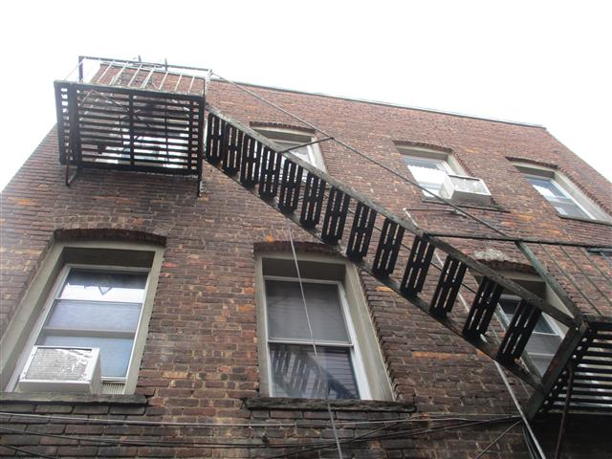

 |  | 6 | North side of 154

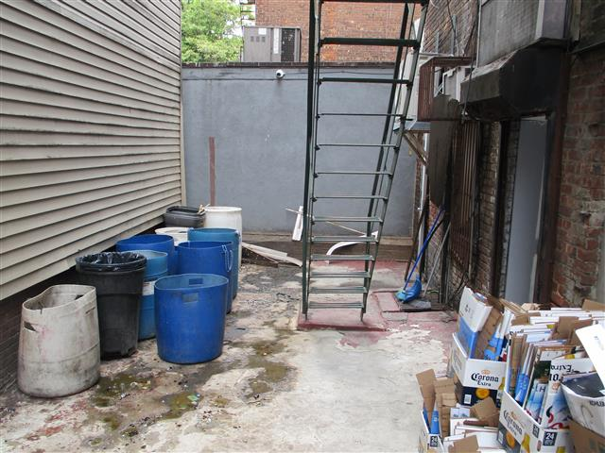

 |  | 7 | North side alley of 154-156

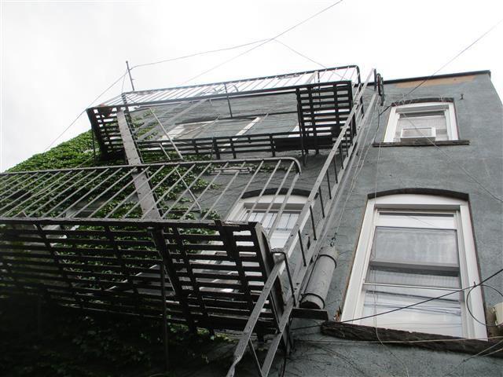

 |  | 8 | West side of 49

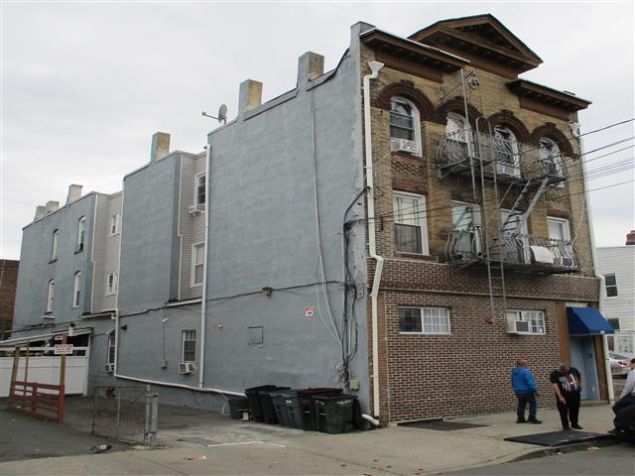

 |  | 9 | South side of 49

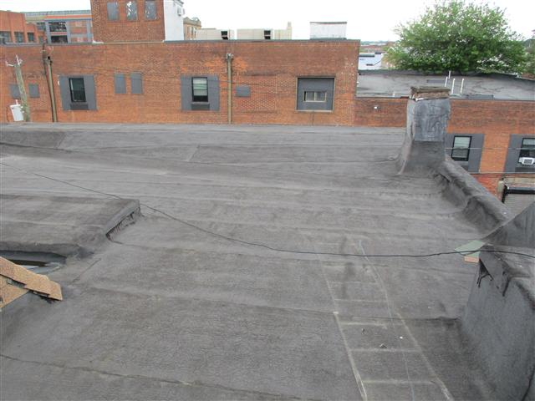

 |  | 10 | Roof - 38

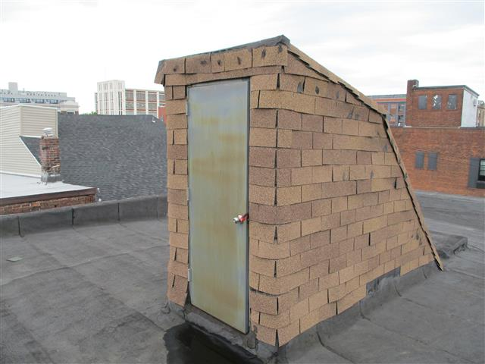

 |  | 11 | Bulkhead - 38

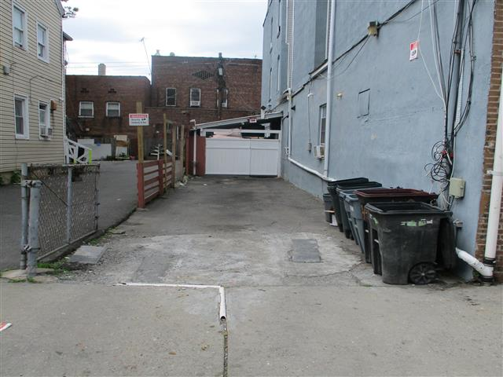

 |  | 12 | Driveway - 49

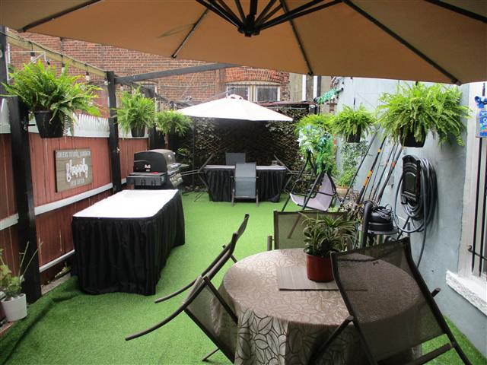

 |  | 13 | Street patio - 49

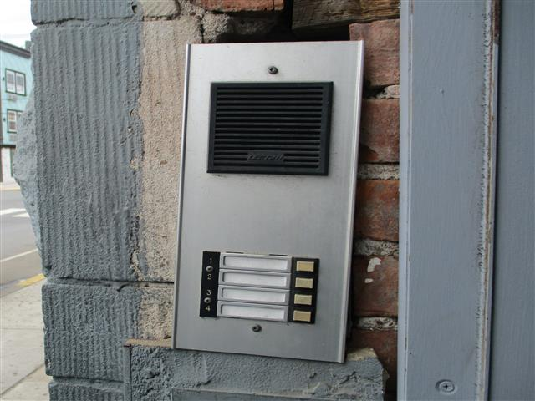

 |  | 14 | Intercom - 154

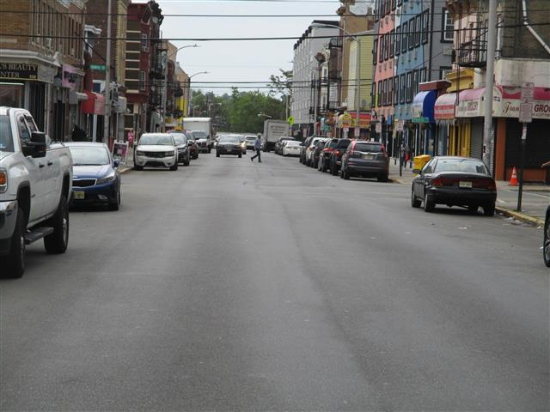

 |  | 15 | Passaic Street to the east

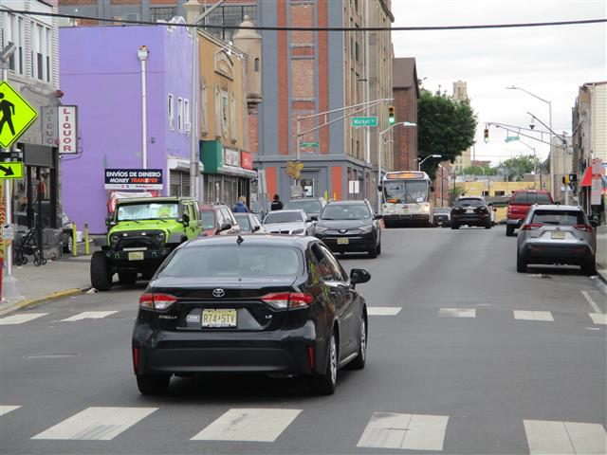

 |  | 16 | Passaic Street to the west

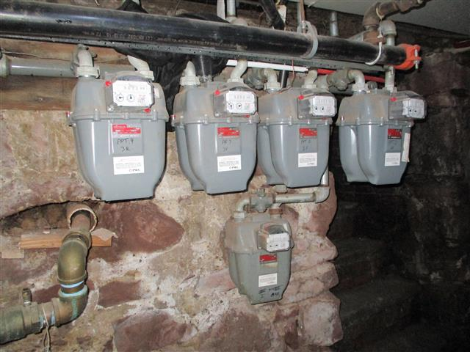

 |  | 17 | Gas meters - 154

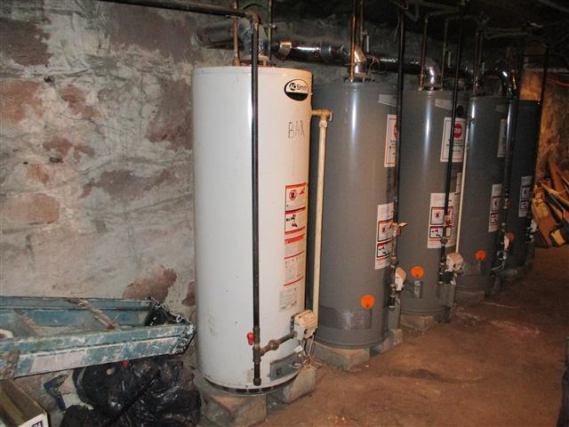

 |  | 18 | Water heaters - 154

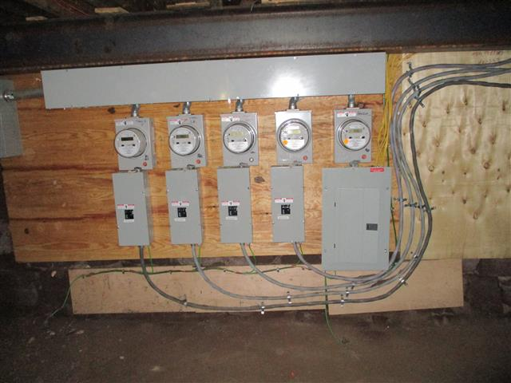

 |  | 19 | Electric meters - 156

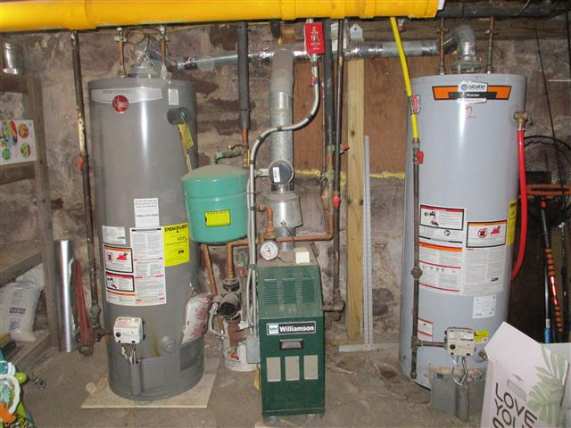

 |  | 20 | Boiler and water heaters - 49

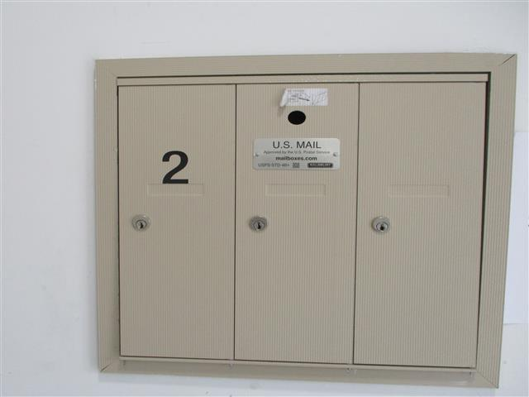

 |  | 21 | Mailboxes - 156

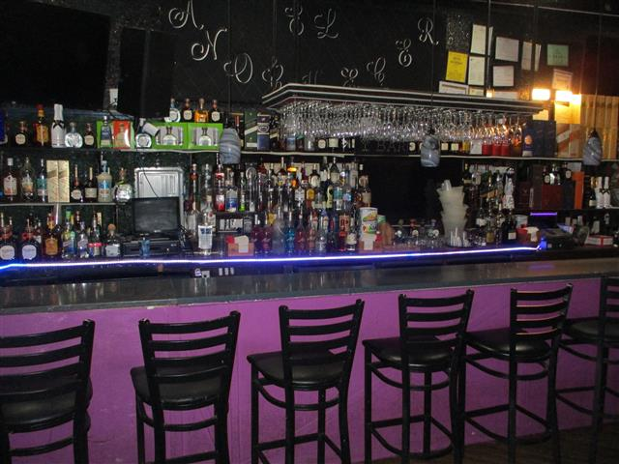

 |  | 22 | Commercial Unit 154 - El Anochecer Bar

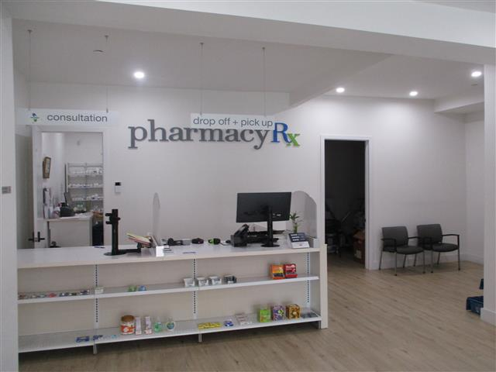

 |  | 23 | Commercial Unit 156 - Vivamed Pharmacy

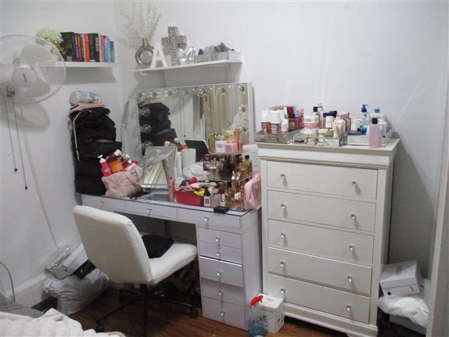

 |  | 24 | Occupied Unit 49-1 - Bedroom

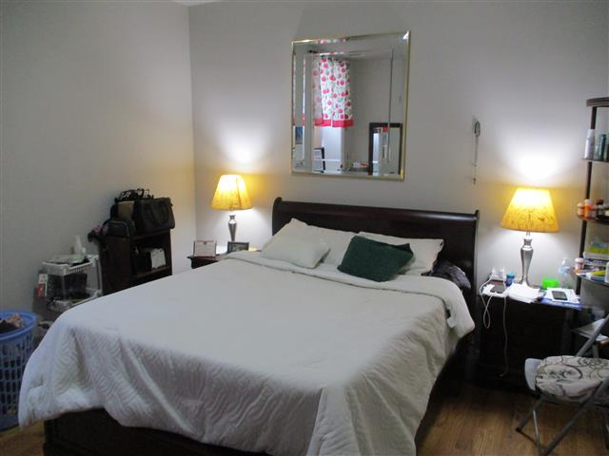

 |  | 25 | Occupied Unit 49-1F - Bedroom

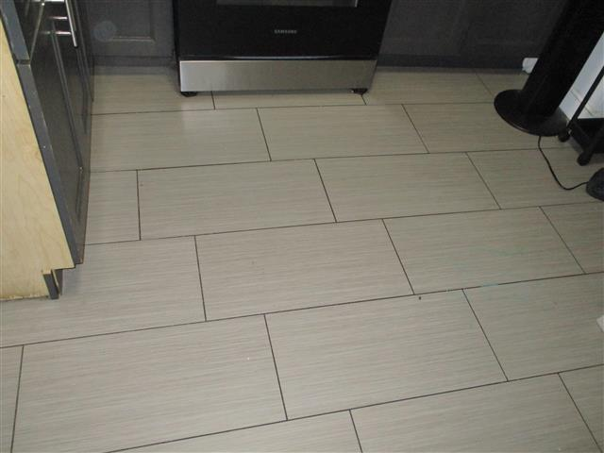

 |  | 26 | Occupied Unit 154-2R - Kitchen floor

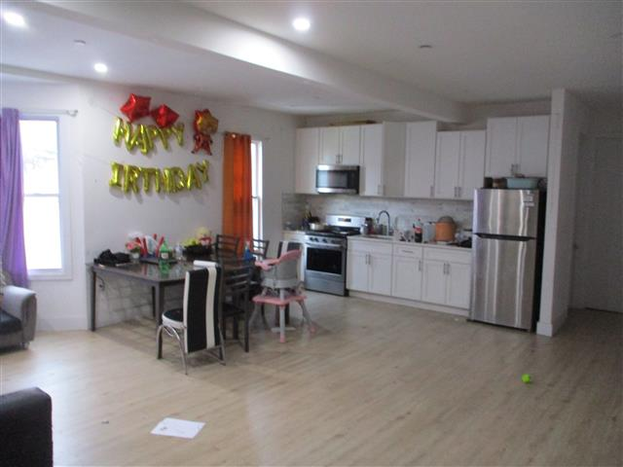

 |  | 27 | Occupied Unit 156-1 - Kitchen

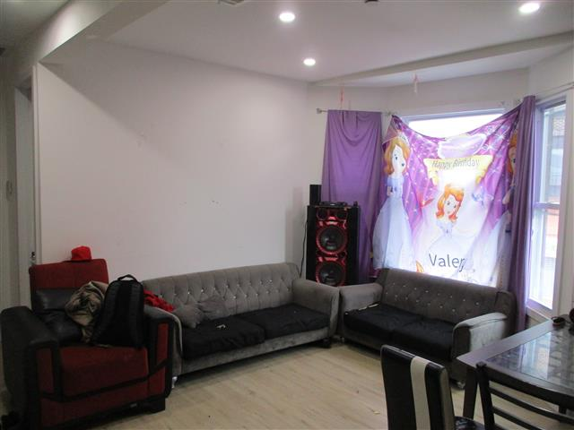

 |  | 28 | Occupied Unit 156-1 - Living room

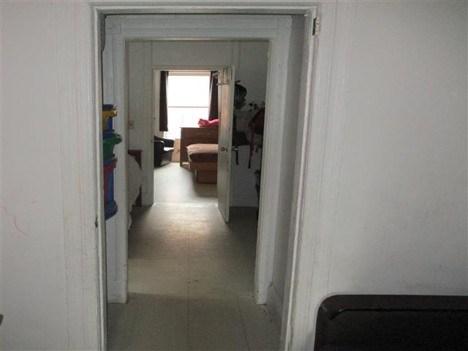

 |  | 29 | Occupied Unit 38-3 - Hallway

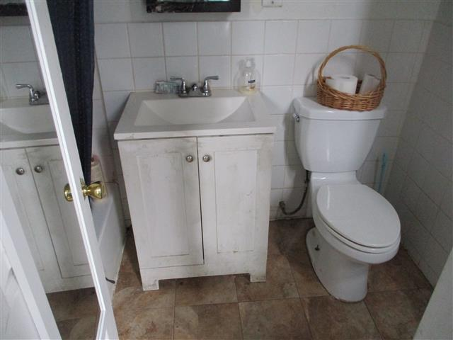

 |  | 30 | Occupied Unit 38-3 - Bathroom

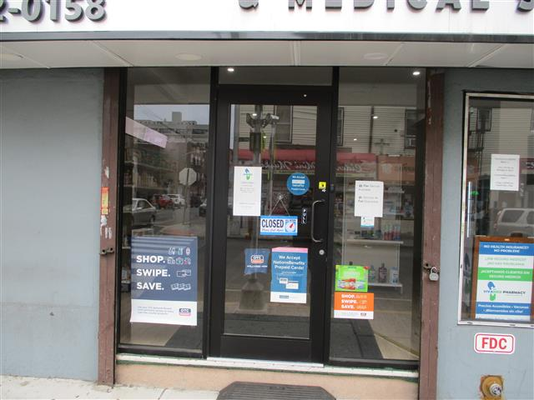

 |  | 31 | RV - Renovated lobby and replaced front door - Front lobby

 |  |  |  | RV 1: Repairs complete
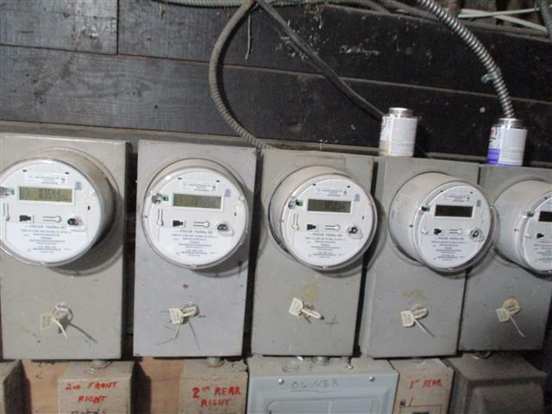

 |  | 32 | RV - Replaced electric meters and wiring in basement - 49 3rd St, Unit 1F and Unit 1

 |  |  |  | RV 3: Repairs complete
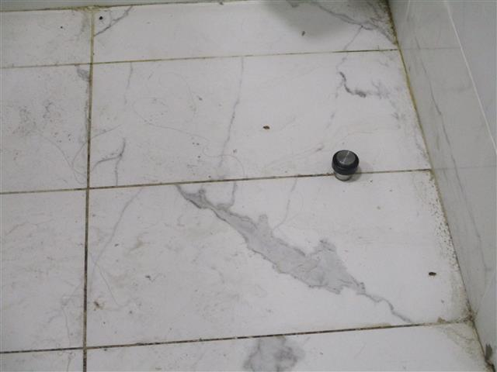

 |  | 33 | P/LS - Roaches - Unit 156-1, north bathroom | DM: Life Safety
 |  |  |  | DM 1: Est. Cost $400

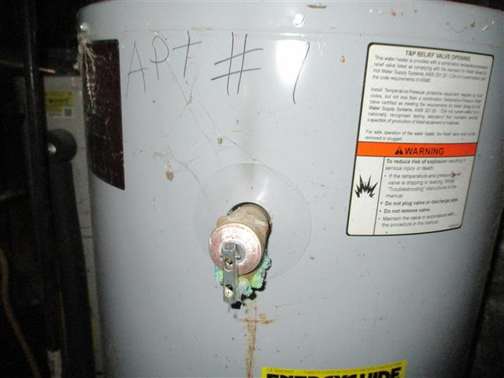

 |  | 34 | I/LS - Distressed pressure relief valve for Unit 1 - 38 3rd Street basement | DM: Life Safety (I)
 |  |  |  | DM 2: Est. Cost $500

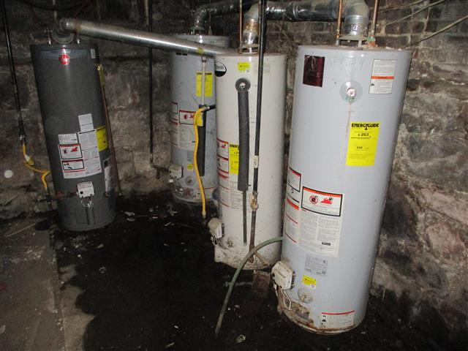

 |  | 35 | I/LS - Water on basement floor - 38 3rd Street

