icons






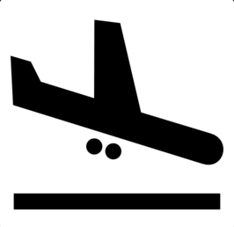


process
Landing page | Bookings page | Add a New Booking page



Your Bookings
Add a New booking

Login
Bookings
Add a New booking
PNR:

Flight No: KL 1234
PNR : ABCDEFG
Date: 1 Jan 2015
Initiate
Smart
Move
Flight No:

Language
Mock

Flight No: KL 1001
PNR : ABCDEFG
Date: 2 Jan 2015
Smart Move starts on
2 Jan - 900 hrs for this flight

Find the booking

 |  | Once a booking is found, it will be added to Your Bookings

 | Smart Move initiated - flyer may arrive on time | Smart Move initiated - flyer may not arrive on time | Smart Move initiated - flyer may/may not arrive on time

You are arriving at Airport in about 20 minutes - there is lot to do at airport
You are arriving at Airport in about 2 hrs - its late than we expected!
You are arriving at Airport in about 40 minutes - you should hurry up.

