1_longestposts_excludetitle
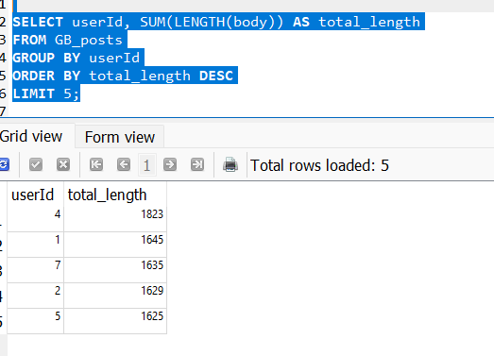
userId | total_length
4 | 1823
1 | 1645
7 | 1635
2 | 1629
5 | 1625

2_longestposts_includetitle
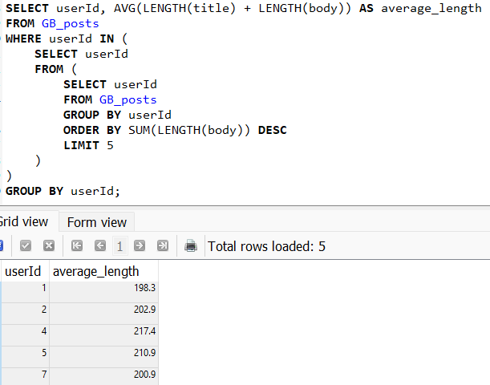
userId | average_length
1 | 198.3
2 | 202.9
4 | 217.4
5 | 210.9
7 | 200.9

 |  | .

3_dayofweek_mockdate
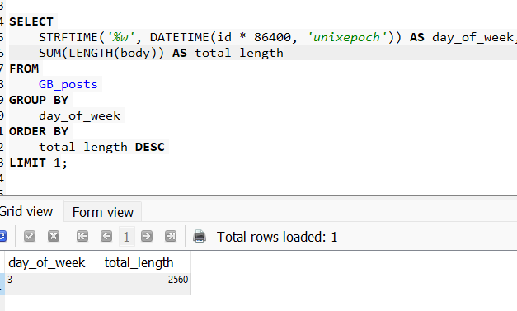
day_of_week | total_length
3 | 2560

