firstquarter_Sales
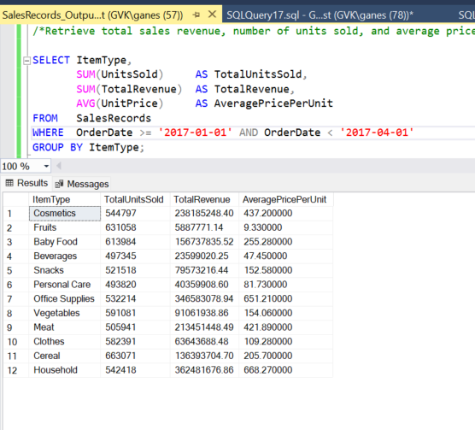
ItemType | TotalUnitsSold | TotalRevenue | AveragePricePerUnit
Cosmetics | 544797 | 238185248.4 | 437.2
Fruits | 631058 | 5887771.14 | 9.33
Baby Food | 613984 | 156737835.52 | 255.28
Beverages | 497345 | 23599020.25 | 47.45
Snacks | 521518 | 79573216.44 | 152.58
Personal Care | 493820 | 40359908.6 | 81.73
Office Supplies | 532214 | 346583078.94 | 651.21
Vegetables | 591081 | 91061938.86 | 154.06
Meat | 505941 | 213451448.49 | 421.89
Clothes | 582391 | 63643688.48 | 109.28
Cereal | 663071 | 136393704.7 | 205.7
Household | 542418 | 362481676.86 | 668.27

LastQuarterSales
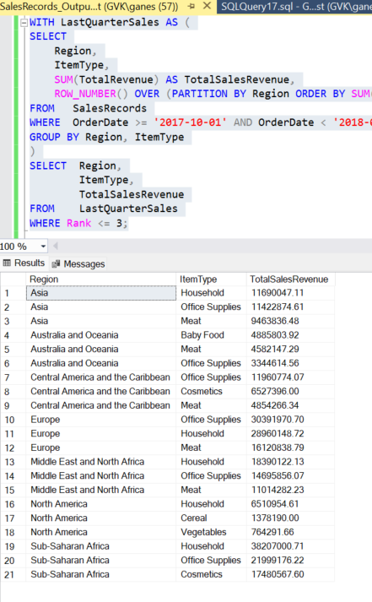
Region | ItemType | TotalSalesRevenue
Asia | Household | 11690047.11
Asia | Office Supplies | 11422874.61
Asia | Meat | 9463836.48
Australia and Oceania | Baby Food | 4885803.92
Australia and Oceania | Meat | 4582147.29
Australia and Oceania | Office Supplies | 3344614.56
Central America and the Caribbean | Office Supplies | 11960774.07
Central America and the Caribbean | Cosmetics | 6527396
Central America and the Caribbean | Meat | 4854266.34
Europe | Office Supplies | 30391970.7
Europe | Household | 28960148.72
Europe | Meat | 16120838.79
Middle East and North Africa | Household | 18390122.13
Middle East and North Africa | Office Supplies | 14695856.07
Middle East and North Africa | Meat | 11014282.23
North America | Household | 6510954.61
North America | Cereal | 1378190
North America | Vegetables | 764291.66
Sub-Saharan Africa | Household | 38207000.71
Sub-Saharan Africa | Office Supplies | 21999176.22
Sub-Saharan Africa | Cosmetics | 17480567.6

YearlySales
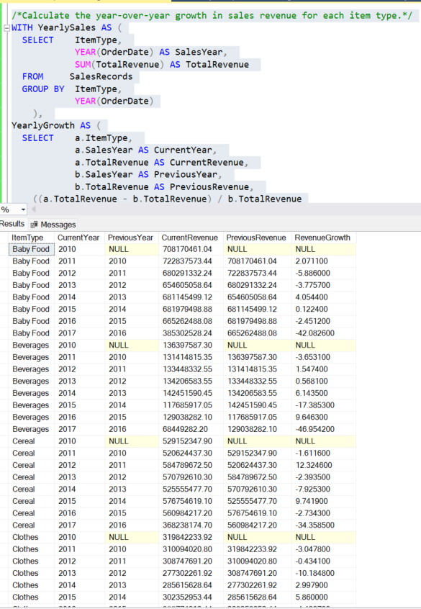
ItemType | CurrentYear | PreviousYear | CurrentRevenue | PreviousRevenue | RevenueGrowth
Baby Food | 2010 | NULL | 708170461.04 | NULL | NULL
Baby Food | 2011 | 2010 | 722837573.44 | 708170461.04 | 2.0711
Baby Food | 2012 | 2011 | 680291332.24 | 722837573.44 | -5.886
Baby Food | 2013 | 2012 | 654605058.64 | 680291332.24 | -3.7757
Baby Food | 2014 | 2013 | 681145499.12 | 654605058.64 | 4.0544
Baby Food | 2015 | 2014 | 681979498.88 | 681145499.12 | 0.1224
Baby Food | 2016 | 2015 | 665262488.08 | 681979498.88 | -2.4512
Baby Food | 2017 | 2016 | 385302528.24 | 665262488.08 | -42.0826
Beverages | 2010 | NULL | 136397587.30 | NULL | NULL
Beverages | 2011 | 2010 | 131414815.35 | 136397587.30 | -3.6531
Beverages | 2012 | 2011 | 133448332.55 | 131414815.35 | 1.5474
Beverages | 2013 | 2012 | 134206583.55 | 133448332.55 | 0.5681
Beverages | 2014 | 2013 | 142451590.45 | 134206583.55 | 6.1435
Beverages | 2015 | 2014 | 117685917.05 | 142451590.45 | -17.3853
Beverages | 2016 | 2015 | 129038282.10 | 117685917.05 | 9.6463
Beverages | 2017 | 2016 | 68449282.20 | 129038282.10 | -46.9542
Cereal | 2010 | NULL | 529152347.90 | NULL | NULL
Cereal | 2011 | 2010 | 520624437.30 | 529152347.90 | -1.6116
Cereal | 2012 | 2011 | 584789672.50 | 520624437.30 | 12.3246
Cereal | 2013 | 2012 | 570792610.30 | 584789672.50 | -2.3935
Cereal | 2014 | 2013 | 525555477.70 | 570792610.30 | -7.9253
Cereal | 2015 | 2014 | 576754619.10 | 525555477.70 | 9.7419
Cereal | 2016 | 2015 | 560984217.20 | 576754619.10 | -2.7343
Cereal | 2017 | 2016 | 368238174.70 | 560984217.20 | -34.3585
Clothes | 2010 | NULL | 319842233.92 | NULL | NULL
Clothes | 2011 | 2010 | 310094020.80 | 319842233.92 | -3.0478
Clothes | 2012 | 2011 | 308747691.20 | 310094020.80 | -0.4341
Clothes | 2013 | 2012 | 277302261.92 | 308747691.20 | -10.1848
Clothes | 2014 | 2013 | 285615628.64 | 277302261.92 | 2.9979
Clothes | 2015 | 2014 | 302352953.44 | 285615628.64 | 5.86
Clothes | 2016 | 2015 | 288774913.44 | 302352953.44 | -4.4907
Clothes | 2017 | 2016 | 171647079.52 | 288774913.44 | -40.5602
Cosmetics | 2010 | NULL | 1092251950.80 | NULL | NULL
Cosmetics | 2011 | 2010 | 1182751913.60 | 1092251950.80 | 8.2856
Cosmetics | 2012 | 2011 | 1212462714.00 | 1182751913.60 | 2.512
Cosmetics | 2013 | 2012 | 1198812892.80 | 1212462714.00 | -1.1257
Cosmetics | 2014 | 2013 | 1284718758.00 | 1198812892.80 | 7.1659
Cosmetics | 2015 | 2014 | 1284726190.40 | 1284718758.00 | 0.0005
Cosmetics | 2016 | 2015 | 1206290761.60 | 1284726190.40 | -6.1052
Cosmetics | 2017 | 2016 | 693954006.80 | 1206290761.60 | -42.472
Fruits | 2010 | NULL | 26346931.02 | NULL | NULL
Fruits | 2011 | 2010 | 27267456.81 | 26346931.02 | 3.4938
Fruits | 2012 | 2011 | 24668837.22 | 27267456.81 | -9.5301
Fruits | 2013 | 2012 | 27041222.97 | 24668837.22 | 9.6169
Fruits | 2014 | 2013 | 25135906.35 | 27041222.97 | -7.0459
Fruits | 2015 | 2014 | 23879845.77 | 25135906.35 | -4.997
Fruits | 2016 | 2015 | 28020490.44 | 23879845.77 | 17.3394
Fruits | 2017 | 2016 | 15362927.28 | 28020490.44 | -45.1725
Household | 2010 | NULL | 1784068390.14 | NULL | NULL
Household | 2011 | 2010 | 1939577492.22 | 1784068390.14 | 8.7165
Household | 2012 | 2011 | 1690426388.12 | 1939577492.22 | -12.8456
Household | 2013 | 2012 | 1817204558.09 | 1690426388.12 | 7.4997
Household | 2014 | 2013 | 1915664118.54 | 1817204558.09 | 5.4181
Household | 2015 | 2014 | 1687694500.36 | 1915664118.54 | -11.9002
Household | 2016 | 2015 | 1827970387.79 | 1687694500.36 | 8.3116
Household | 2017 | 2016 | 1060857240.36 | 1827970387.79 | -41.9652
Meat | 2010 | NULL | 1246928380.53 | NULL | NULL
Meat | 2011 | 2010 | 1230088219.29 | 1246928380.53 | -1.3505
Meat | 2012 | 2011 | 1166459613.27 | 1230088219.29 | -5.1726
Meat | 2013 | 2012 | 1169857515.33 | 1166459613.27 | 0.2913
Meat | 2014 | 2013 | 1188946772.16 | 1169857515.33 | 1.6317
Meat | 2015 | 2014 | 1033926666.78 | 1188946772.16 | -13.0384
Meat | 2016 | 2015 | 1167776753.85 | 1033926666.78 | 12.9458
Meat | 2017 | 2016 | 627047091.09 | 1167776753.85 | -46.3041
Office Supplies | 2010 | NULL | 1796908498.98 | NULL | NULL
Office Supplies | 2011 | 2010 | 1754928246.33 | 1796908498.98 | -2.3362
Office Supplies | 2012 | 2011 | 1653372046.83 | 1754928246.33 | -5.7869
Office Supplies | 2013 | 2012 | 1867382445.18 | 1653372046.83 | 12.9438
Office Supplies | 2014 | 2013 | 1723863575.70 | 1867382445.18 | -7.6855
Office Supplies | 2015 | 2014 | 1846861515.66 | 1723863575.70 | 7.135
Office Supplies | 2016 | 2015 | 1884819244.14 | 1846861515.66 | 2.0552
Office Supplies | 2017 | 2016 | 916290891.39 | 1884819244.14 | -51.3857
Personal Care | 2010 | NULL | 243130812.65 | NULL | NULL
Personal Care | 2011 | 2010 | 227140011.23 | 243130812.65 | -6.577
Personal Care | 2012 | 2011 | 238460433.53 | 227140011.23 | 4.9838
Personal Care | 2013 | 2012 | 205480008.36 | 238460433.53 | -13.8305
Personal Care | 2014 | 2013 | 242842714.40 | 205480008.36 | 18.1831
Personal Care | 2015 | 2014 | 228619487.69 | 242842714.40 | -5.8569
Personal Care | 2016 | 2015 | 225967512.65 | 228619487.69 | -1.1599
Personal Care | 2017 | 2016 | 135094867.93 | 225967512.65 | -40.2149
Snacks | 2010 | NULL | 406720604.76 | NULL | NULL
Snacks | 2011 | 2010 | 447086406.66 | 406720604.76 | 9.9247
Snacks | 2012 | 2011 | 428781384.06 | 447086406.66 | -4.0942
Snacks | 2013 | 2012 | 426996808.38 | 428781384.06 | -0.4161
Snacks | 2014 | 2013 | 403195549.02 | 426996808.38 | -5.5741
Snacks | 2015 | 2014 | 442666316.64 | 403195549.02 | 9.7894
Snacks | 2016 | 2015 | 392690263.44 | 442666316.64 | -11.2897
Snacks | 2017 | 2016 | 234849915.36 | 392690263.44 | -40.1946
Vegetables | 2010 | NULL | 390705403.60 | NULL | NULL
Vegetables | 2011 | 2010 | 435736987.54 | 390705403.60 | 11.5257
Vegetables | 2012 | 2011 | 450964894.18 | 435736987.54 | 3.4947
Vegetables | 2013 | 2012 | 416197865.86 | 450964894.18 | -7.7094
Vegetables | 2014 | 2013 | 405831014.40 | 416197865.86 | -2.4908
Vegetables | 2015 | 2014 | 441289926.18 | 405831014.40 | 8.7373
Vegetables | 2016 | 2015 | 456018832.48 | 441289926.18 | 3.3376
Vegetables | 2017 | 2016 | 232770332.42 | 456018832.48 | -48.9559

