Sheet1
Mail：sunny@threeorange.com.cn
Skype:anny2010008899
Wechat:724659769
Mobile:13751148021
Item No. | Picture | Price RMB | pcs/ctn | N/G.W | Remarks

TT-009 New model | 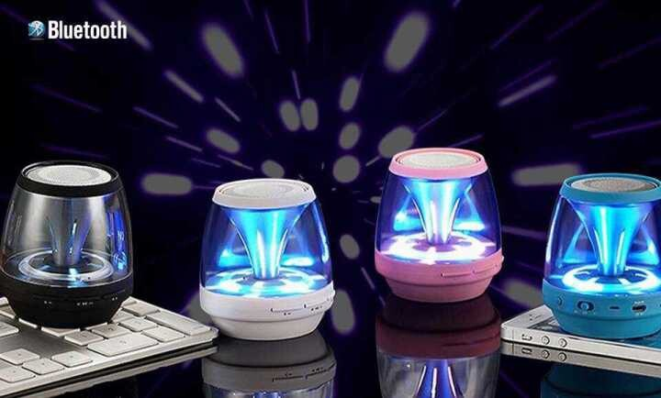 | 4.98 | 100 |  | Bluetooth + USB + TF +FM function

TK-30 | 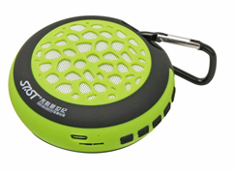 | $5.68 | 400 |  | Bluetooth + TF +FM function

TK-29 | 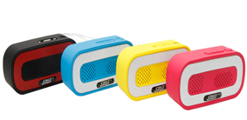 | $5.58 | 1000 |  | Bluetooth + TF +FM function

Rugby (small) TT-28 | 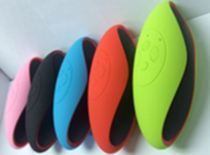 | 23 | 100 |  | Bluetooth + TF +FM function

TT-05 | 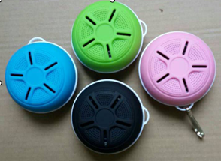 | 20 | 100 |  | Bluetooth + USB + TF +FM function

Rugby | 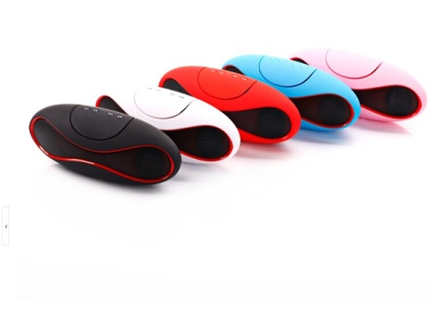 | 5.88 | 100 |  | Bluetooth + USB + TF +FM function

 | 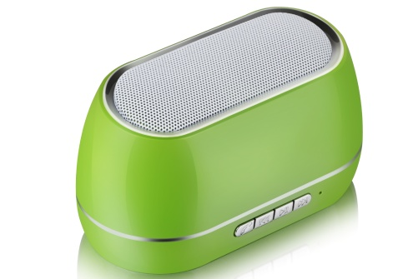

TT-102 | 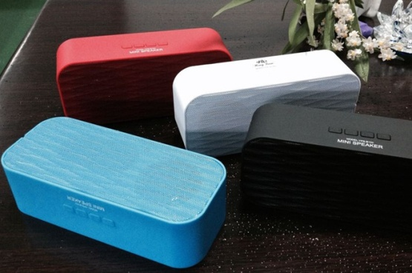 | 5.48 | 100 |  | Bluetooth + TF +FM function

TT-74 | 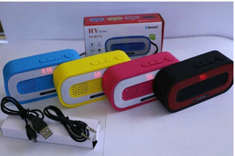 | 5.78 | 100 |  | Bluetooth + TF +FM function

TT-2032Q | 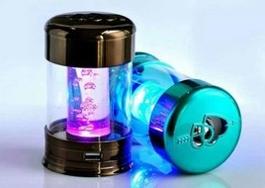 | 3.28 (Without BT) 4.88 (With BT) | 100 |  | USB + TF +FM function

TT-2033Q | 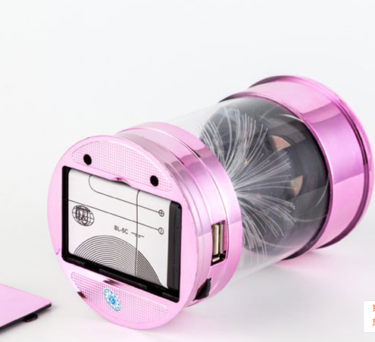 | 3.28 (Without BT) 4.88 (With BT) | 100 |  | USB + TF +FM function

TT-2020Q | 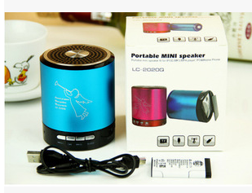 | 3.98 (Without BT) 5.48 (With BT) | 100 |  | USB + TF +FM function

TT-2021Q | 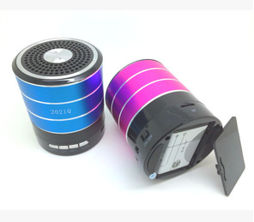 | 4.18 (Without BT) 5.68 (With BT) | 100 |  | USB + TF +FM function

TT-08 good sound | 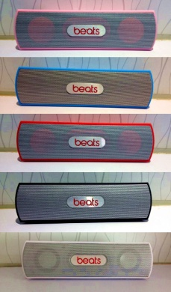 | 6.98 | 50 |  | Bluetooth + USB + TF +FM function

TT-Z5 | 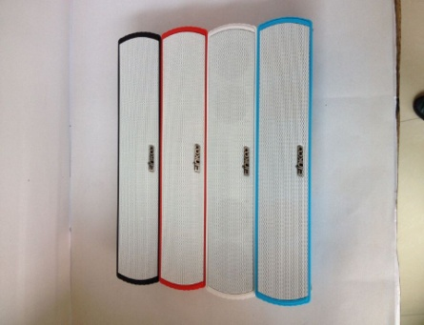 | 5.28 | 100 |  | Bluetooth + TF +FM function

TT-60 | 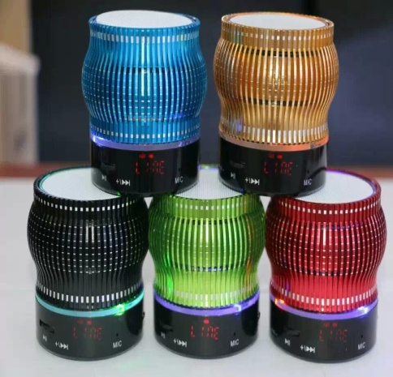 | 5.28 | 100 |  | Bluetooth + USB + TF +FM function

TT-X3 | 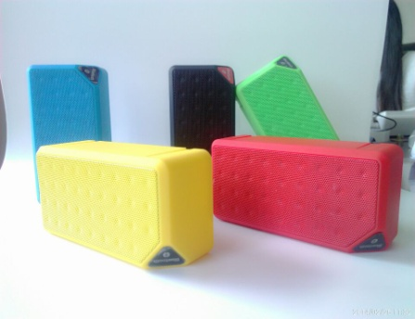 | 4.88 | 100 |  | Bluetooth + USB + TF +FM function

TT-N10 | 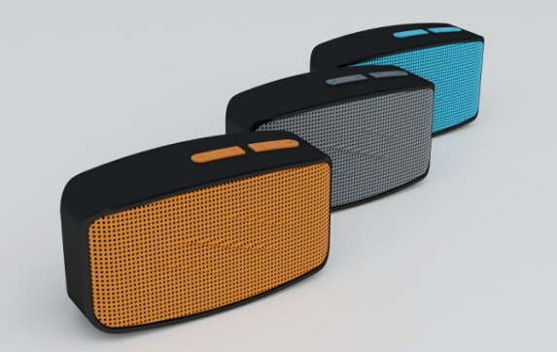 | 4.88 | 100 |  | Bluetooth + TF +FM function

TT-701 | 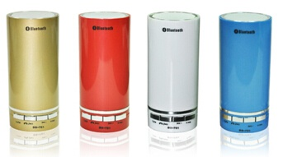 | 4.88 | 100 |  | Bluetooth + USB + TF +FM function

TT-702 | 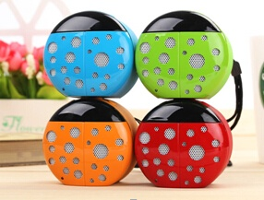 | 5.78 | 100 |  | Bluetooth + USB + TF +FM function

TT-803 | 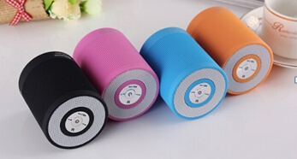 | 4.88 | 100 |  | Bluetooth + USB + TF +FM function

TT-804 | 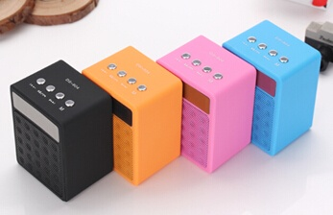 | 4.98 | 100 |  | Bluetooth + USB + TF +FM function

TT-805 | 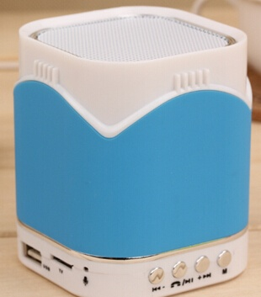 | 5.12 | 100 |  | Bluetooth + USB + TF +FM function

TT-822 | 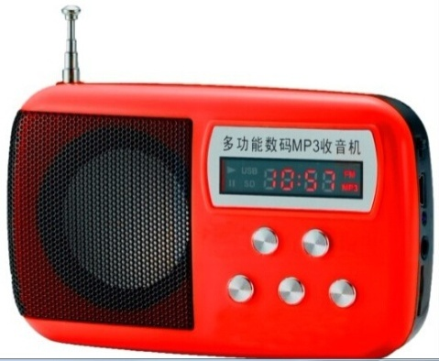 | 3.58 | 100 |  | USB + TF +FM function

TT-831 | 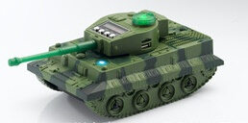 | 6.88 | 30 |  | USB + TF +FM function

TT-323 | 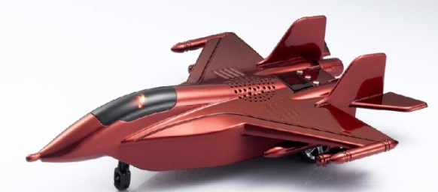 | 6.88 | 20 |  | USB + TF +FM function

TT-685 | 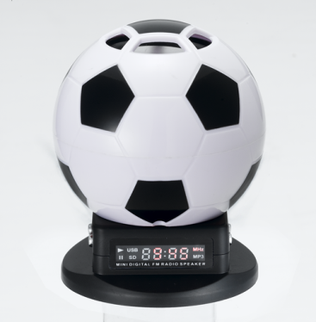 | 4.28 | 100 |  | USB + TF +FM function

TT-135 | 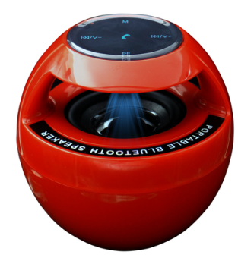 | 4.58 | 100 |  | USB + TF +FM function

TT-915 | 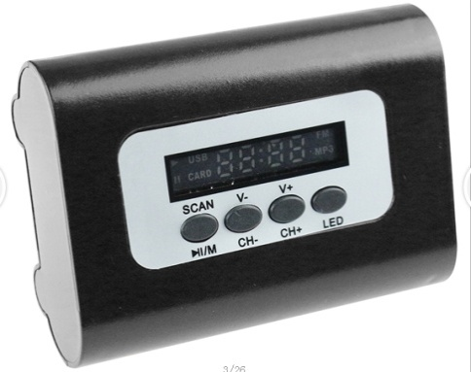 | 4.28 | 100 |  | USB + TF +FM function

TT-239 | 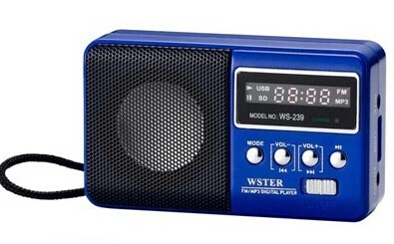 | 4.18 | 100 |  | USB + TF +FM function

TT-575 | 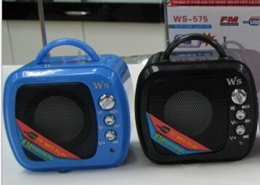 | 3.18 | 100 |  | USB + TF +FM function

TT-535 | 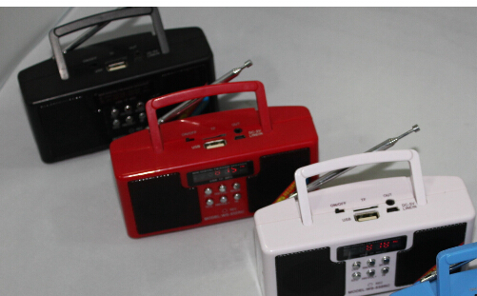 | 4.58 | 100 |  | USB + TF +FM function

TT-518 | 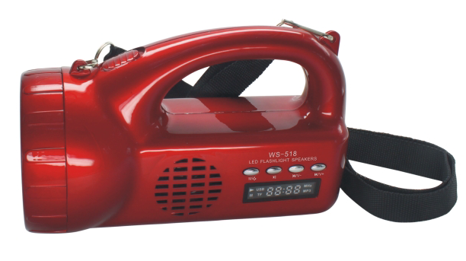 | 4.98 | 60 |  | USB + TF +FM function

TT-Q6 | 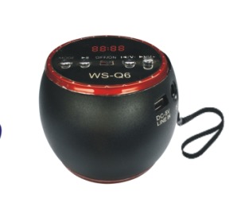 | 4.28 | 100 |  | USB + TF +FM function

TT-7 |  | 4.28 | 100 |  | USB + TF +FM function

TT-Q1 | 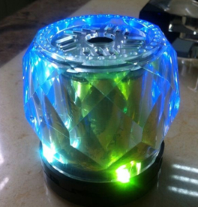 | 2.98 | 100 |  | USB + TF +FM function

TT-Q3 | 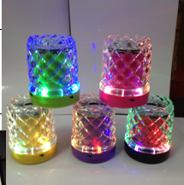 | 2.98 | 100 |  | USB + TF +FM function

TT-Q5 | 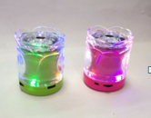 | 2.98 | 100 |  | USB + TF +FM function

TT-Q7 | 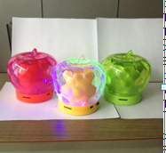 | 2.98 | 100 |  | USB + TF +FM function

TT-Q9 | 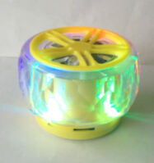 | 2.98 | 100 |  | USB + TF +FM function

2018Q | 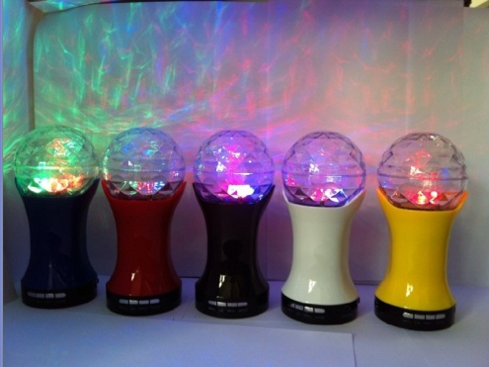 | 5.28 | 50 |  | USB + TF +FM function

2031Q | 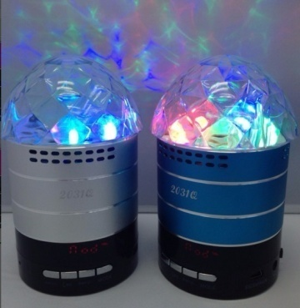 | 5.28 | 50 |  | USB + TF +FM function

T-10 | 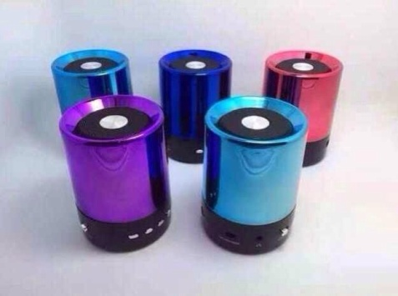 | 4.88 | 50 |  | USB + TF +FM function

T-20 | 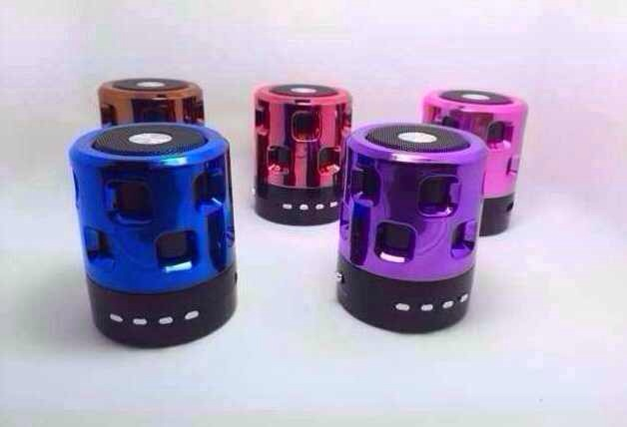 | 4.88 | 50 |  | USB + TF +FM function

T-30 | 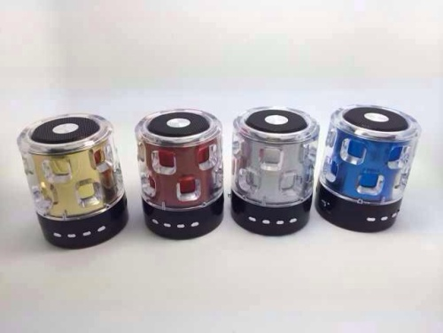 | 4.88 | 50 |  | USB + TF +FM function

