Data analysis
data analysis with python using weather dataset
https://www.youtube.com/watch?v=4hYOkHijtNw&list=PLy3lFw0OTlutzXFVwttrtaRGEEyLEdnpy | Ref Video
https://www.kaggle.com/datasets/muthuj7/weather-dataset | DataSet

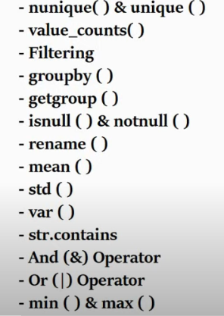

 | #df=pd.read_csv(r'C:\Users\Gkokil\Desktop\Ganesh R\Pyhon Learning\Files and Scripts\weatherHistoryDataset.csv') #import file because of r we do not need to use // while setting up of the path #df.head() #df.head(10) #df.shape #(96453, 12) #df.index #RangeIndex(start=0, stop=96453, step=1) #df.columns #give all col names #df.dtypes #shows datatypes #df['Precip Type'].unique() #array(['rain', 'snow', nan], dtype=object) # gives unique values present into the column #df.nunique() #gives no of unique values present into an each column #df['Precip Type'].nunique() #no of unique value into an specified col #df.count() #not null values in each column #df['Precip Type'].count() #not null values in specified column #df['Precip Type'].value_counts() #unique value with their count in single column only #df.info() #provide into (rangeIndex,datacolumn,datatype,memory etc) #1 find all the the unique wind speed into data #df['Wind Speed (km/h)'].unique() #2 find the no of time when the weather is exactly clear #df['Summary'].value_counts() #df[df['Summary'] =='Clear'].count() #df.groupby('Summary').get_group('Clear').count() #3 find the no of times when the wind speed was exactly 4 KM/h #df[df['Wind Speed (km/h)']==4].count() #4 find out null and not null values into the data #df.isnull().sum() #df.notnull().sum() #5 rename the column name #df.rename(columns={'Summary':'Weather Condition'}) #available upto only the command #df.rename(columns={'Summary':'Weather Condition'},inplace=True) #permanant change #6 show all the records contains cludy Weather Condition #df[df['Summary'].str.contains('Cloudy')] #7 #df[(df['Wind Speed (km/h)']>14)& (df['Visibility (km)']>14)] #8 min and max group by weather condition #df.groupby('Summary').min()

