addendum
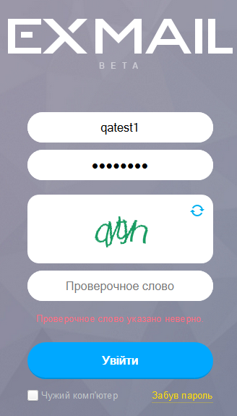
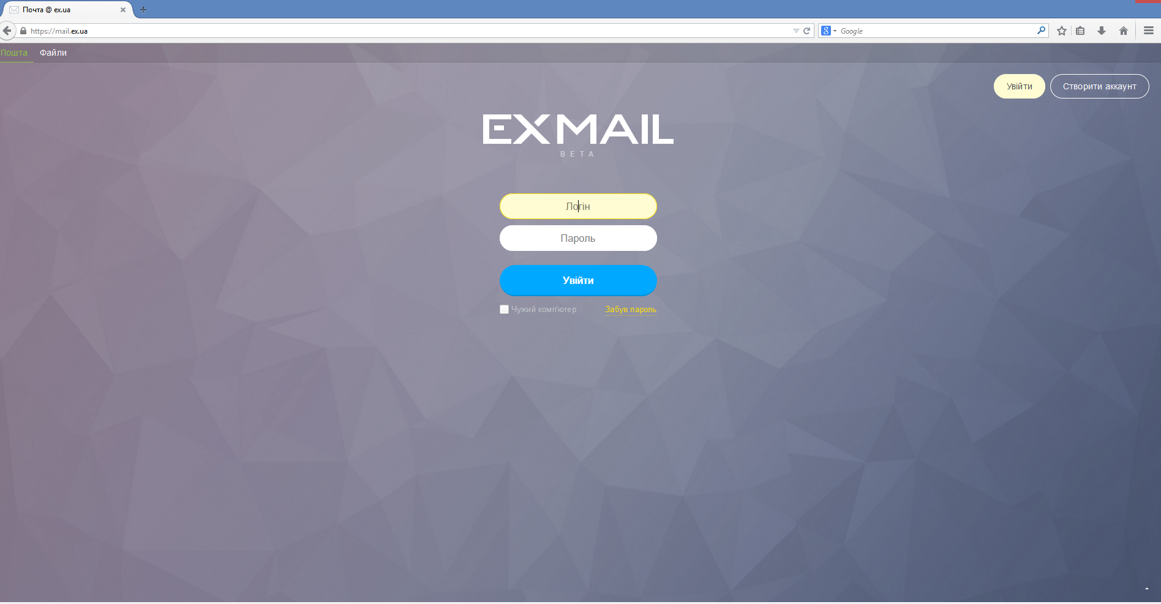
pic 01 | login form | test user1
 |  | login: | qatest1
 |  | password: | _newmail

 |  | test user2
 |  | login: | qatest2
 |  | password: | _newmail2

pic 02 | wrong password
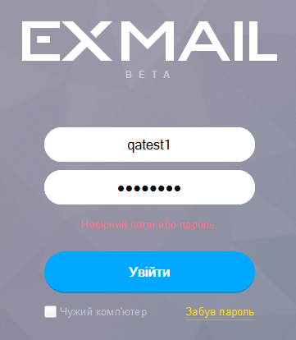

pic 03 | captcha
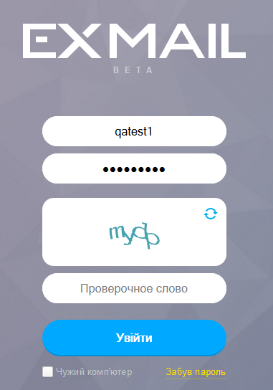

pic 04 | wrong captcha

