viz_fast_scan
Visualization (Quick Scans)

Same underlying rows as app_version_history / submission_observations (385 observations; 250 iOS / 135 Android; 385 dated). Charts below focus on cadence by app, category evolution, and per-app iOS/Android depth (dated span).

Automated trend synopsis (quick read)
• iOS: 250 observations / 250 dated; 100% with version_number; dominant source_type: app_store_web (250). • Android: 135 observations / 135 dated; 36% with version_number; dominant source_type: feature_signal (71), developer_changelog (44). • Dated span (coverage depth proxy): iOS ≈ 397 d vs Android ≈ 4547 d (archive/listing-driven gaps expected on Android). • Cadence (iOS): median days between consecutive dated rows — early window ≈ 1 d, late ≈ 0 d (tighter late-window rhythm). • Cadence (Android): median days between consecutive dated rows — early window ≈ 18 d, late ≈ 1 d (tighter late-window rhythm). • Category quartiles (newest − oldest dated quartile): AI-related features: -7 pp; Bug fixes: +32 pp. • Latest-year vs all prior (dated): AI -3 pp (2026 vs prior); Bug-fix label +33 pp (2026 vs prior). • Epistemic: row density reflects disclosure + scraper coverage, not compile-only cadence (same caveat as submission_summary).

1A. iOS cadence heatmap
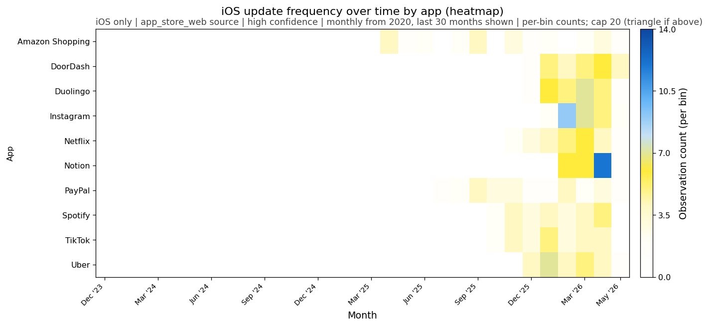

1B. Android cadence heatmap
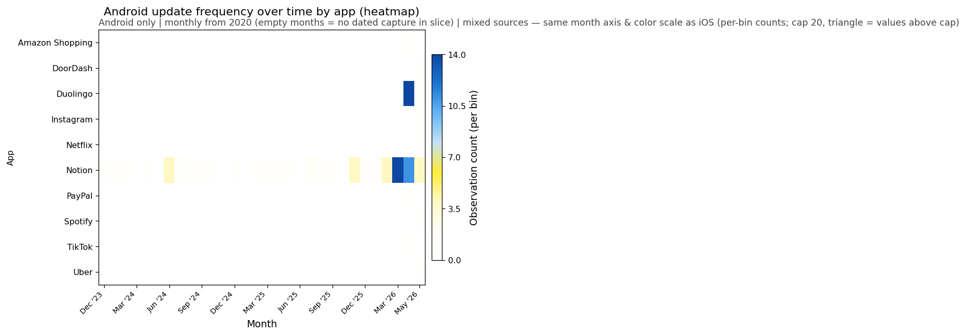

iOS vs Android observation depth (dated span) by app
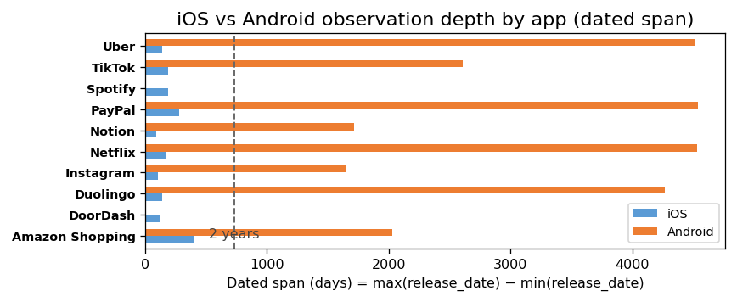

Category share shift (oldest vs newest quartile; slope chart)
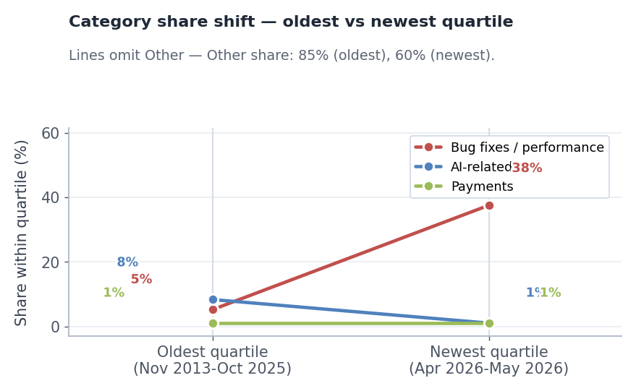

Reading note
Lower AI-related share can reflect template dilution as bug-fix framing rises, not necessarily less AI work.

