Graphs
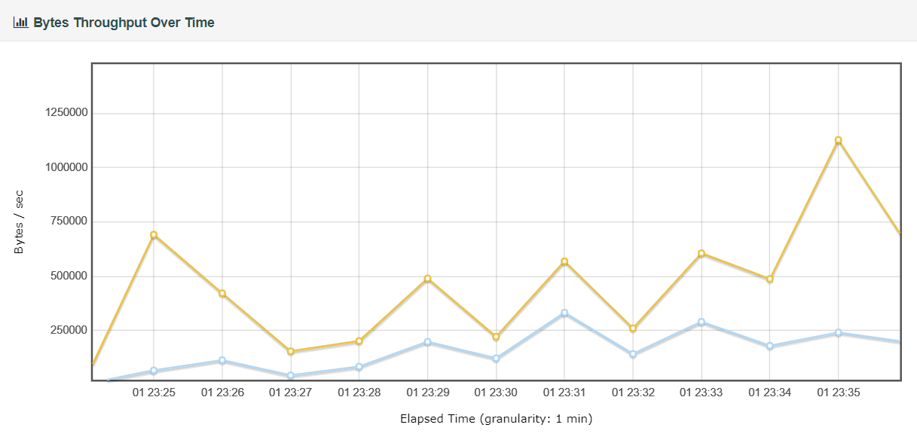
Graphs

Response Time Over Time vs Active Threads
The below graph shows the average response time with respect to number of concurrent users
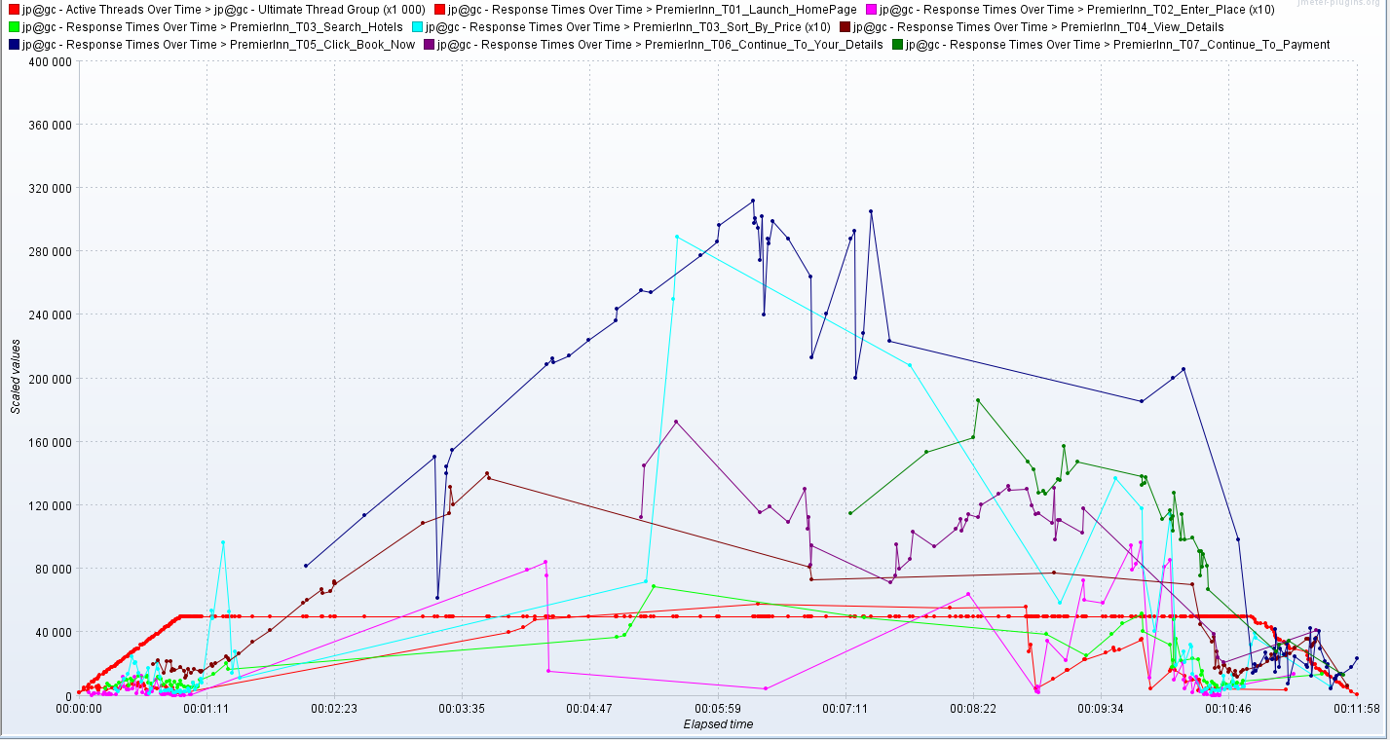

Response Times Distribution
The below graph shows the response times grouped by interval and the number of samples which are contained in each interval.
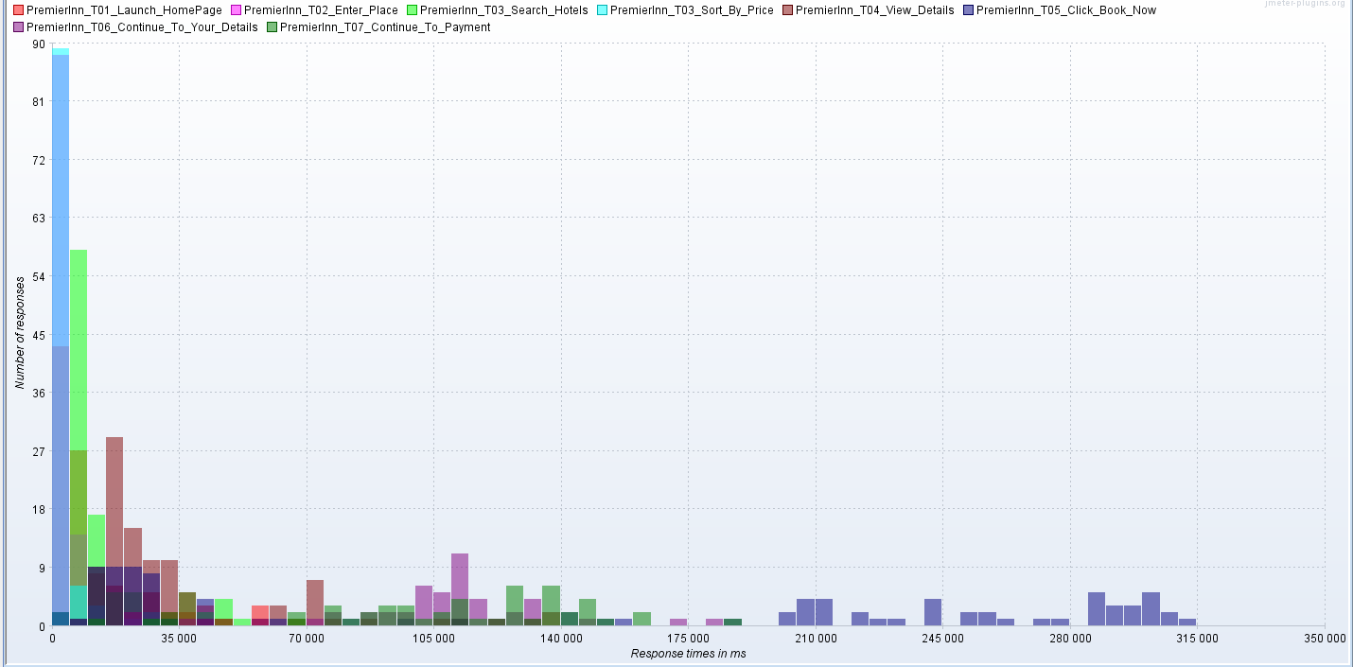

Respnse Time Percentiles
The below graph shows the various percentile response times
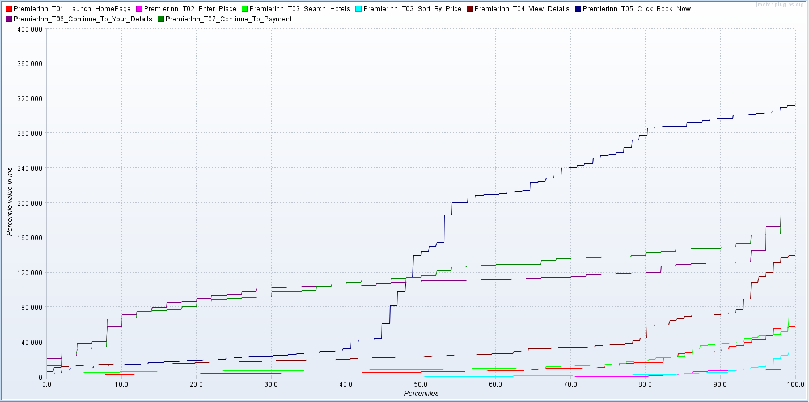

Errors
The below graph shows the number of errors during th test
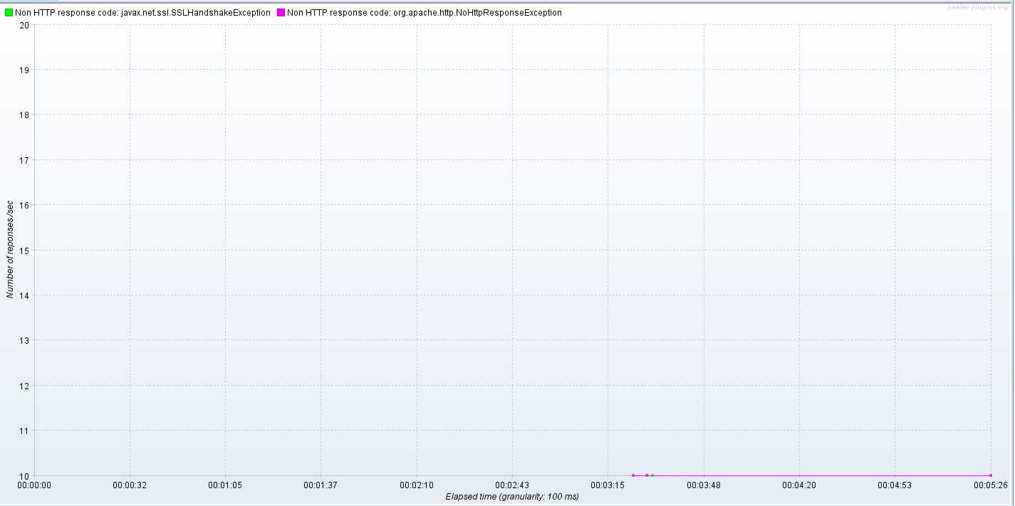

Bytes Throughput Over Time
The below graph shows the comparison between Sent and Recevied Bytes in seconds

