Sheet
No. | DateTime | Face Captured | Predicted Name | Confidence Score | Model & Threshold | Predicted Image | Predicted Path | Result
1 | 2022-10-27 10:28:27 | 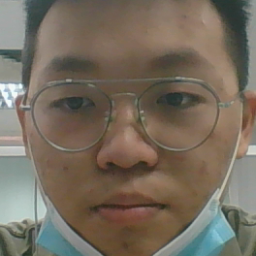 | GAN JOO HAN | 90.83% | Facenet512: 0.25 | 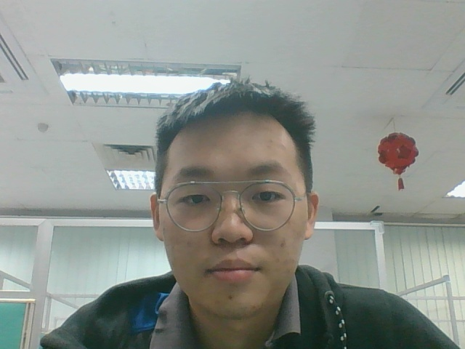 | datasets\A22801/GAN JOO HAN-2.jpg | Success
2 | 2022-10-27 10:28:57 | 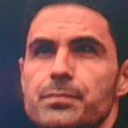 | ARTETA | 81.37% | Facenet512: 0.25 | 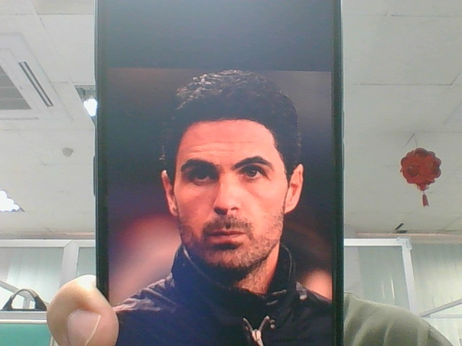 | datasets\A22804/ARTETA-1.jpg | Success
3 | 2022-10-27 10:30:16 | 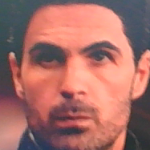 | ARTETA | 85.90% | Facenet512: 0.25 |  | datasets\A22804/ARTETA-1.jpg | Success
4 | 2022-10-27 10:30:42 | 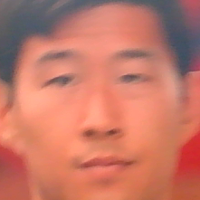 | SON HEUNG-MIN | 65.13% | Facenet512: 0.25 | 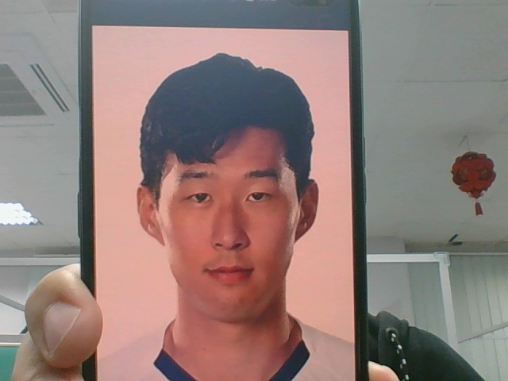 | datasets\A22802/SON HEUNG-MIN-2.jpg | Fail
5 | 2022-10-27 10:30:46 | 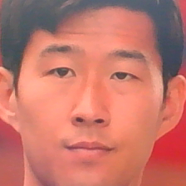 | SON HEUNG-MIN | 78.19% | Facenet512: 0.25 | 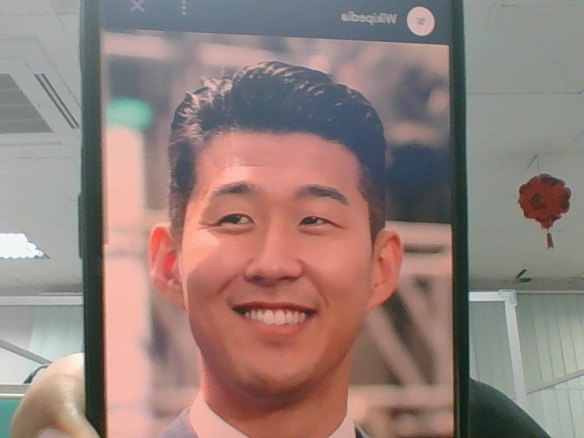 | datasets\A22802/SON HEUNG-MIN-1.jpg | Success

