Sheet
No. | DateTime | Face Captured | Predicted Name | Confidence Score | Model & Threshold | Predicted Image | Predicted Path | Result
1 | 2023-01-04 13:15:16 | 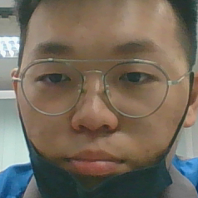 | GAN JOO HAN | 80.06% | Facenet512: 0.25 |  | datasets\A22801/GAN JOO HAN-1.jpg | Success

