知识库
[Azure DevOps] Azure DevOps 入门
https://zhuanlan.zhihu.com/p/358782331

Azure DevOps 文档
Azure DevOps 文档 | Microsoft Learn

YAML 架构参考 | Microsoft Learn

ARM 模板文档 | Microsoft Learn

在 Azure Databricks 上使用 Jenkins 进行 CI/CD - Azure Databricks | Microsoft Learn

What is CI/CD on Azure Databricks? - Azure Databricks | Microsoft Learn

Databricks CLI | Databricks on AWS

Azure Databricks 自动化身份验证 - Azure Databricks | Microsoft Learn

databricks workspace export-dir /Users/ganlongwen717_hotmail.com#ext#@ganlongwen717hotmail.onmicrosoft.com/databrickscfg C:\Users\longwen.gan\Desktop\operation

Agent
https://learn.microsoft.com/zh-CN/azure/devops/pipelines/troubleshooting/troubleshooting?view=azure-devops

Self-hosted Pool
https://learn.microsoft.com/zh-cn/azure/devops/pipelines/agents/windows-agent?view=azure-devops#check-prerequisites

databricks workspace import_dir C:\Users\longwen.gan\Desktop\testforimport /Users/ganlongwen717_hotmail.com#ext#@ganlongwen717hotmail.onmicrosoft.com

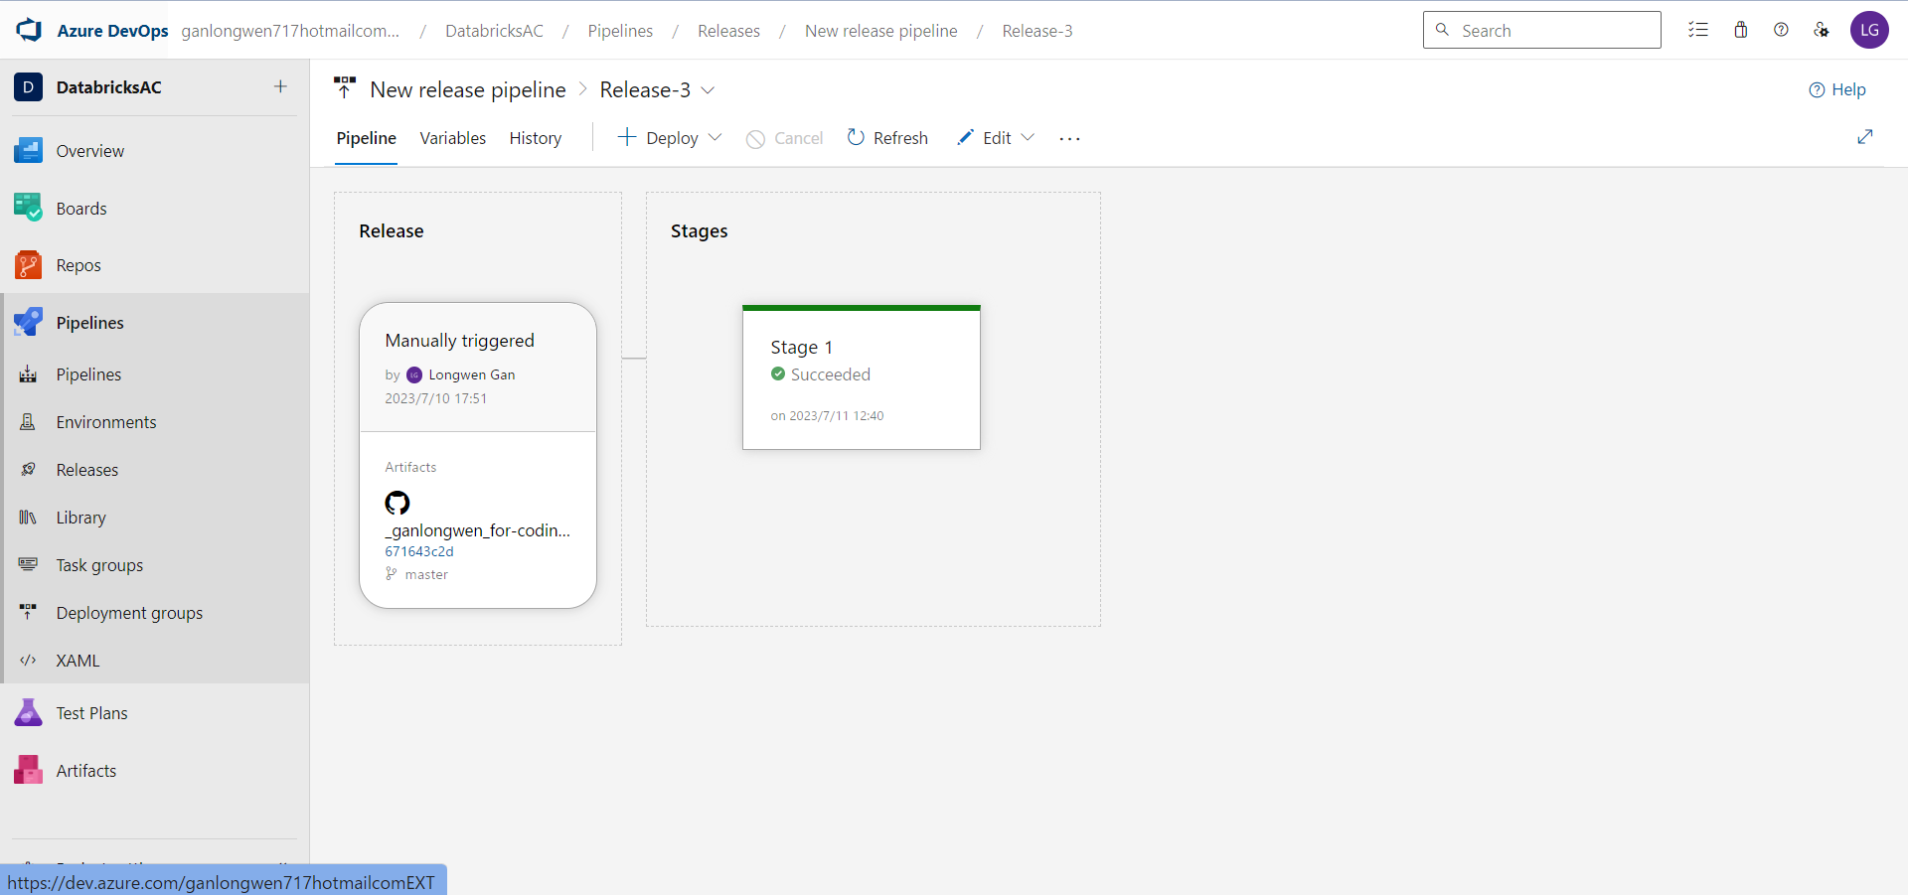

Databricks Connect - Azure Databricks | Microsoft Learn

DATABRICKS_CONFIG_PROFILE
C:\Users\ROG\.databrickscfg

架构图
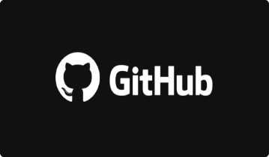
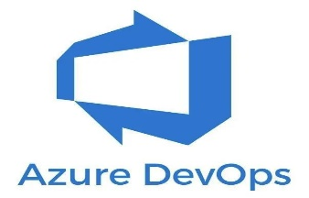

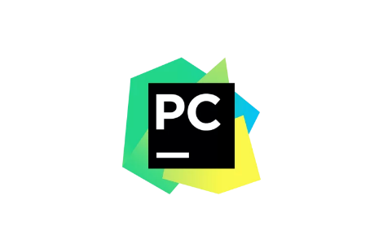

 |  | member |  |  | admin

 | git pull & git push |  | master branch

Databricks Connect |  |  |  |  |  | trigger
 |  |  |  | Merge |  |  | pipelines | trigger | release

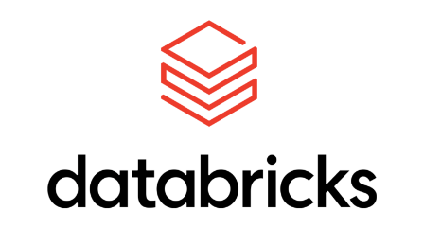
 |  |  | develop branch

evidence
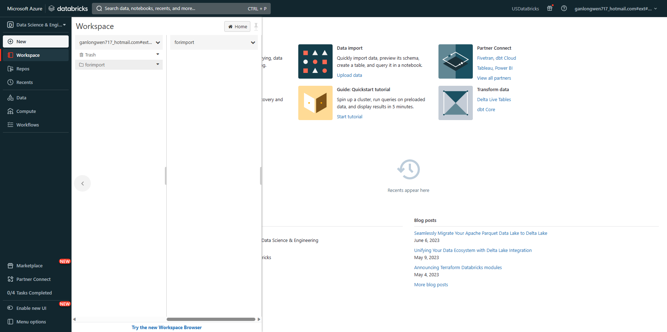

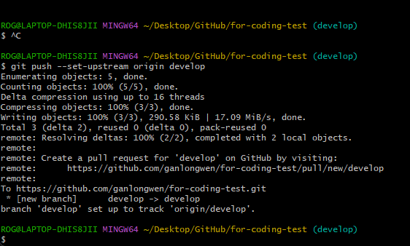

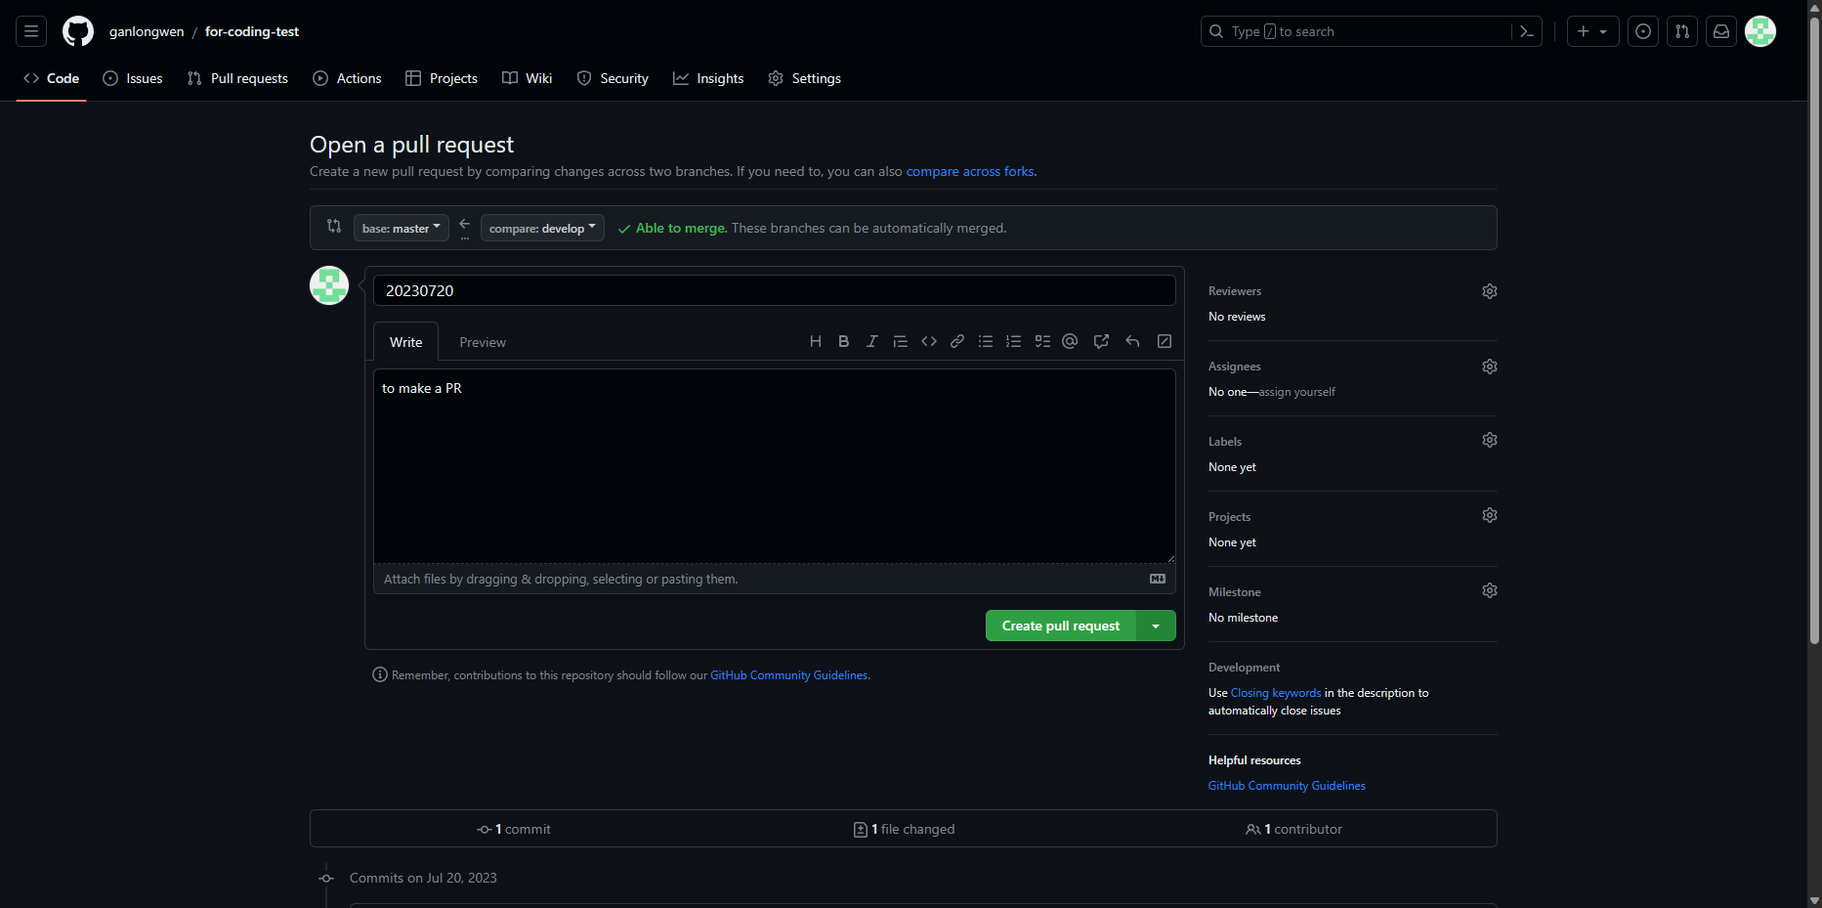

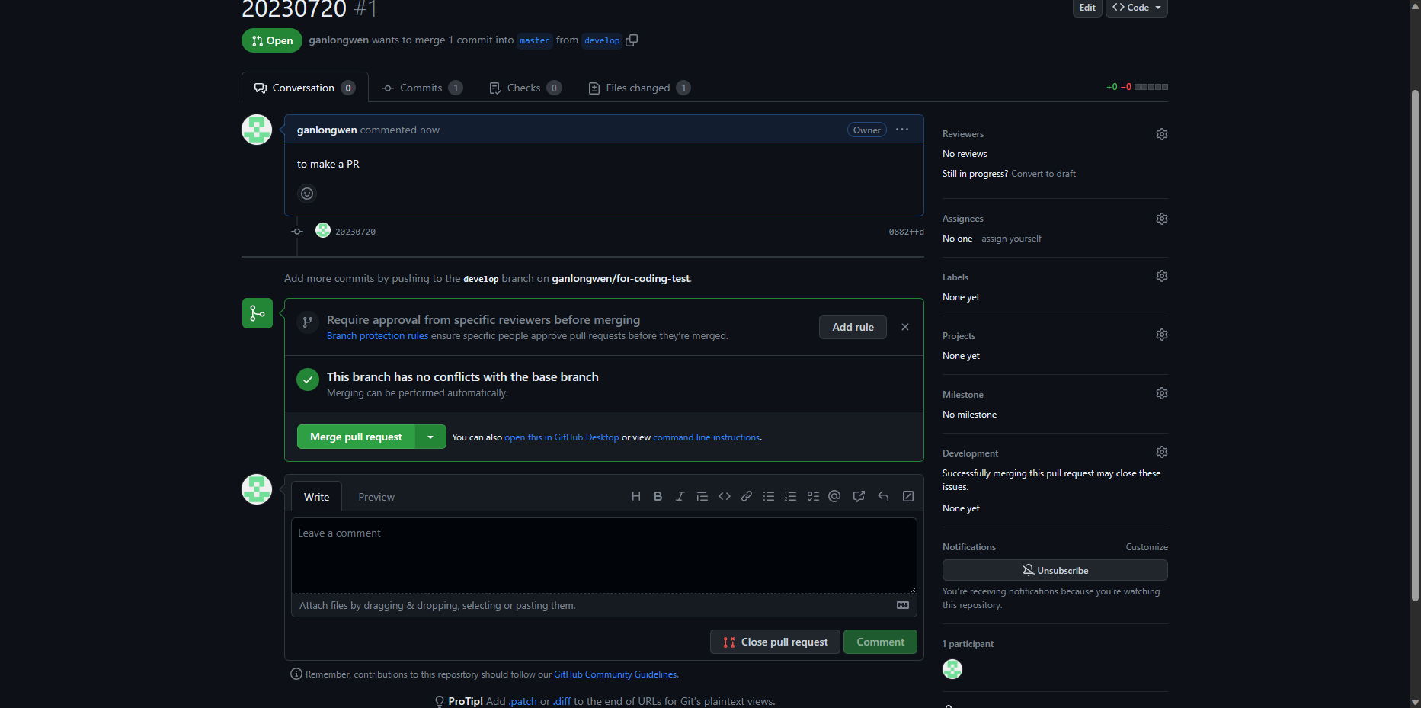

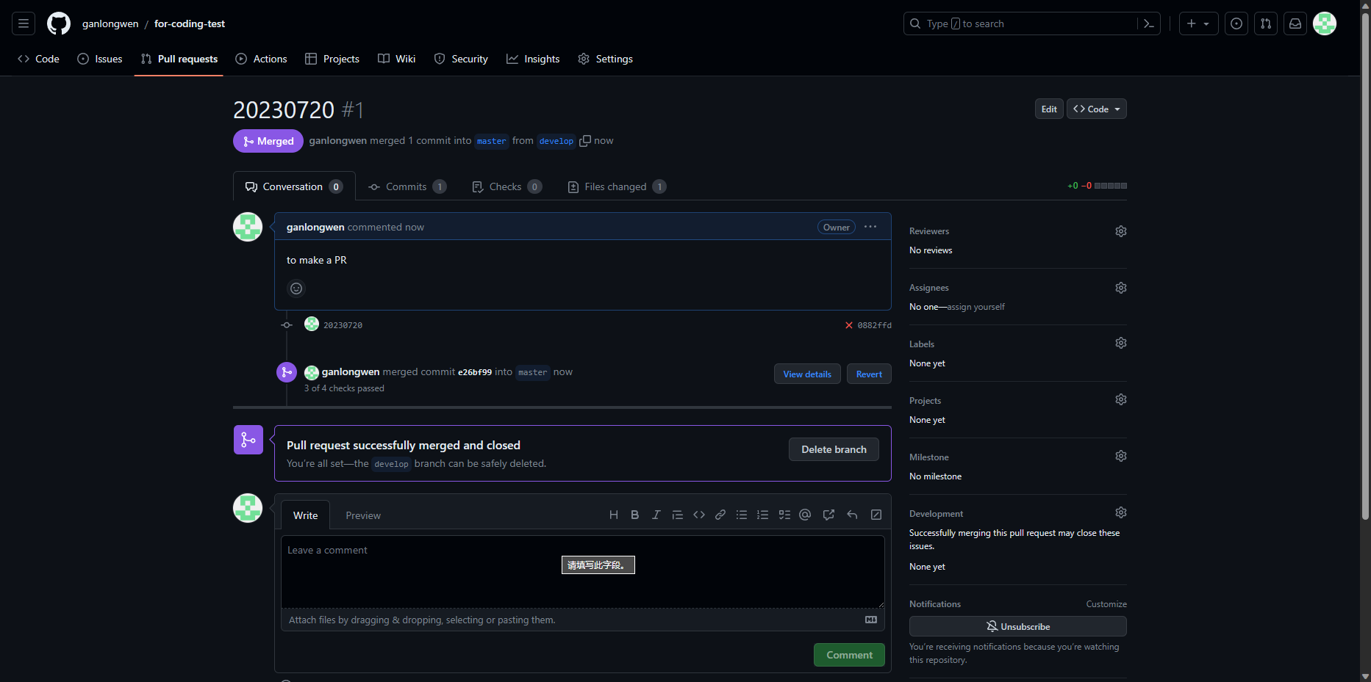

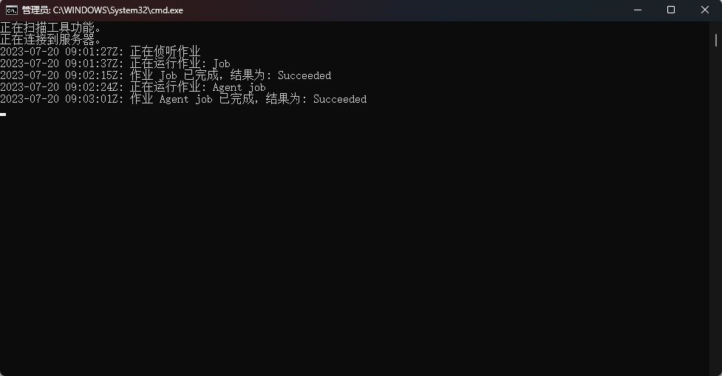

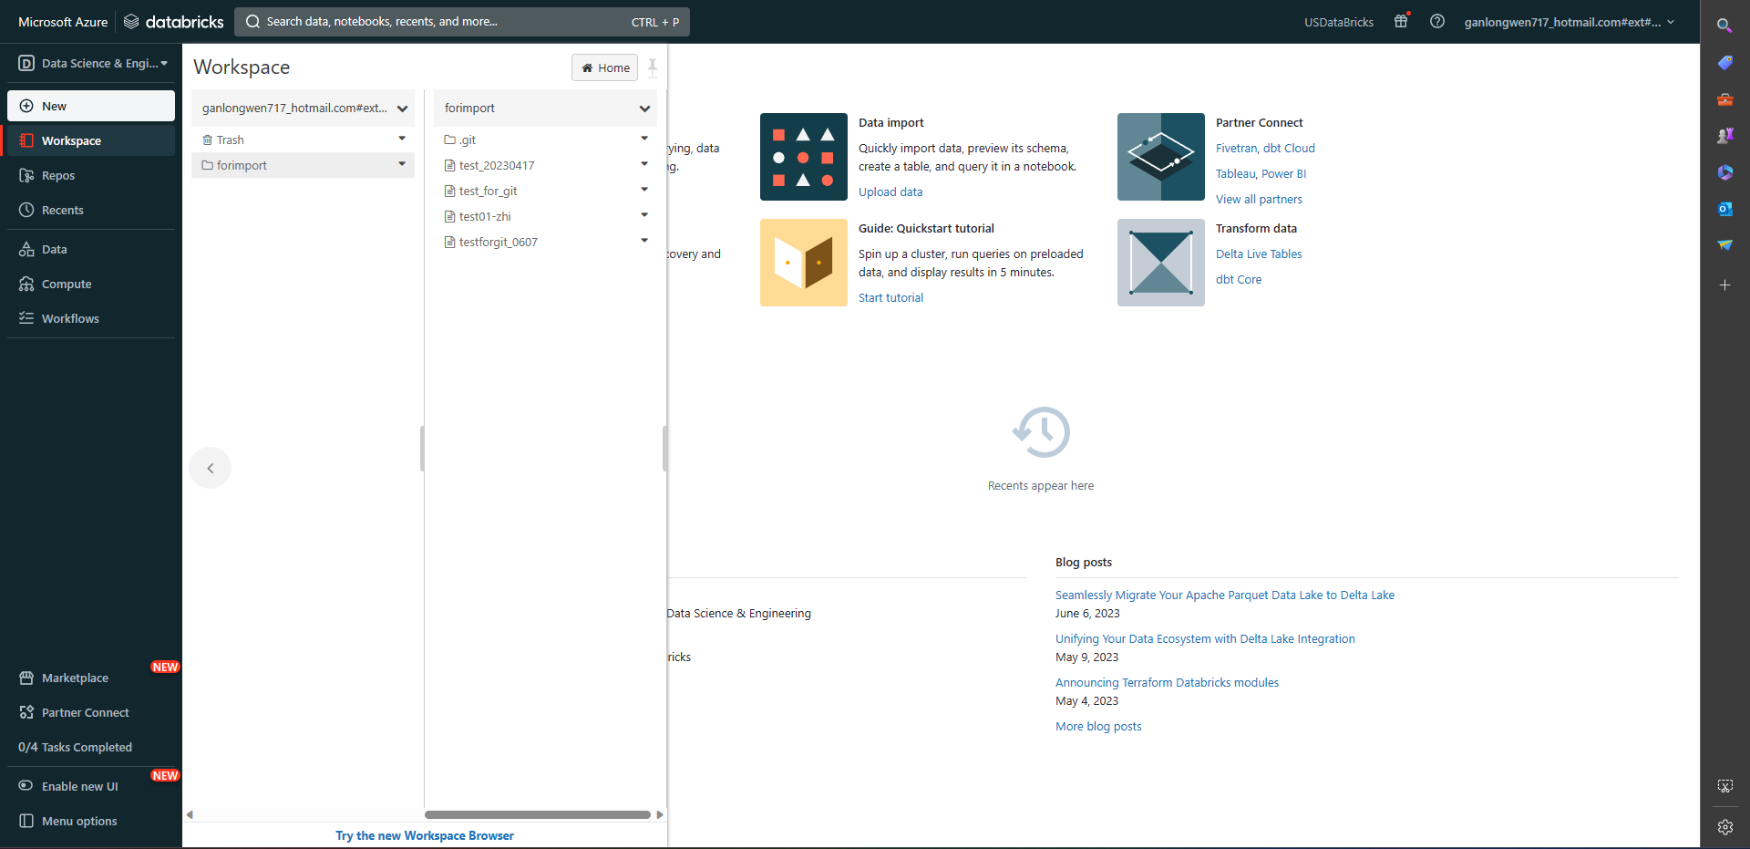

pipelines&release
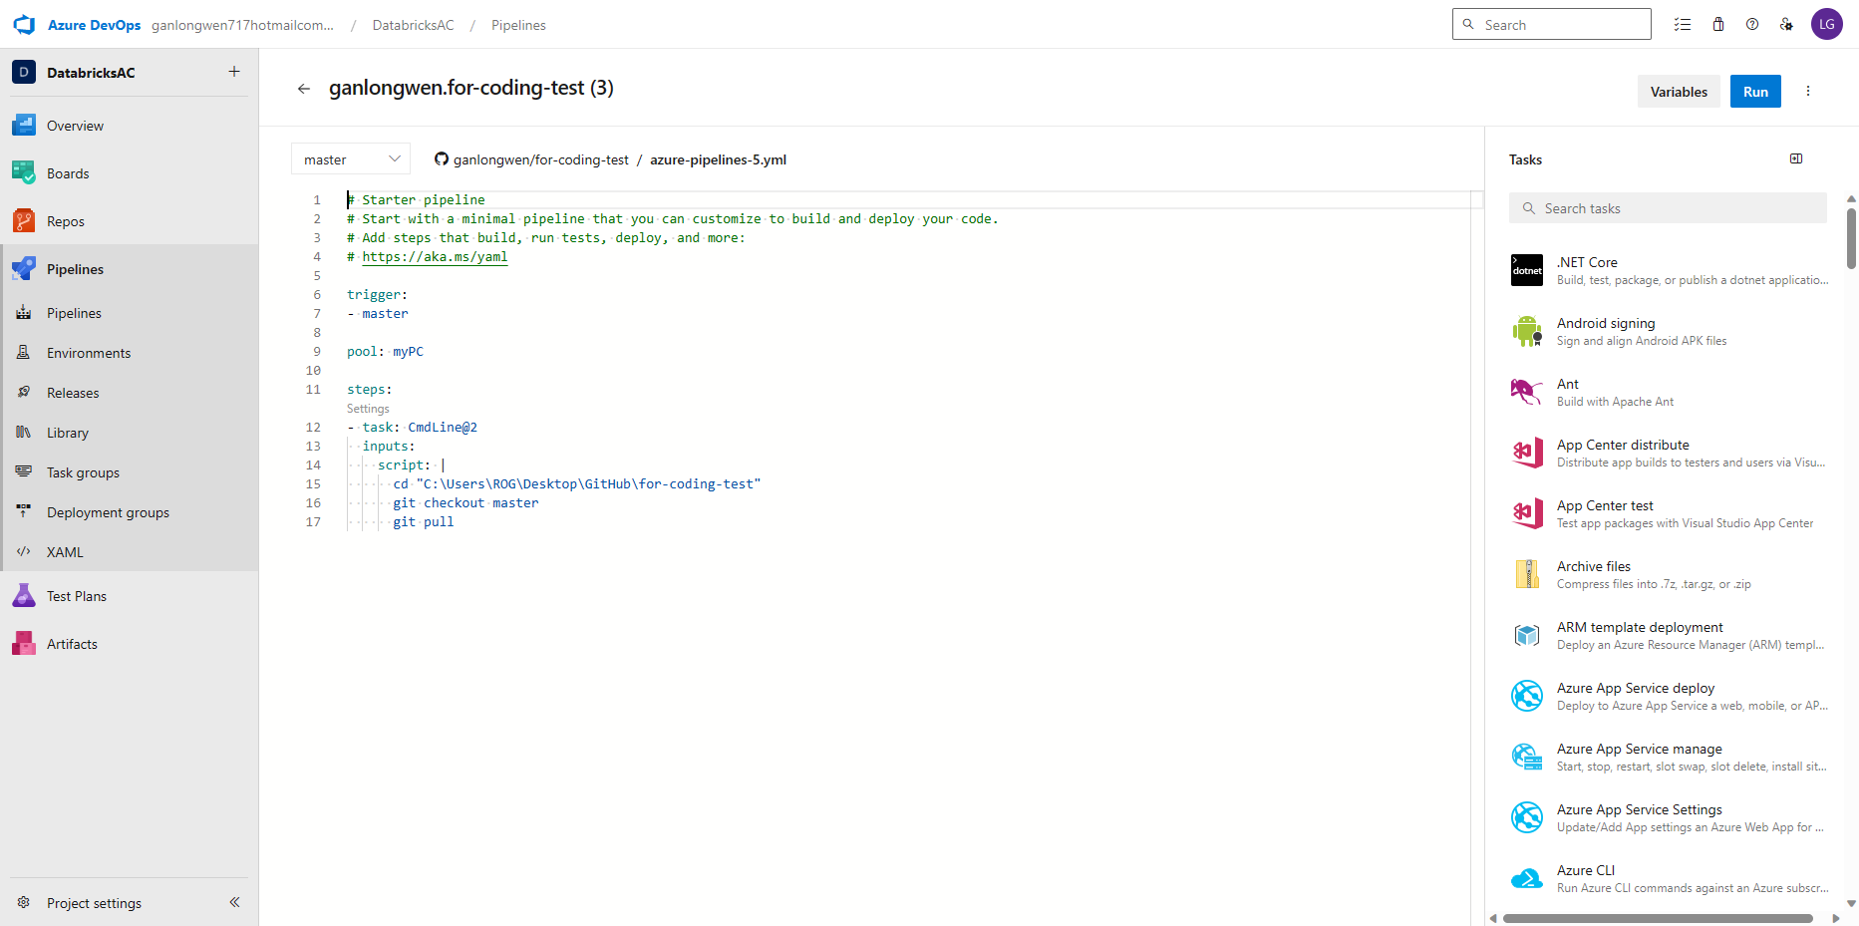

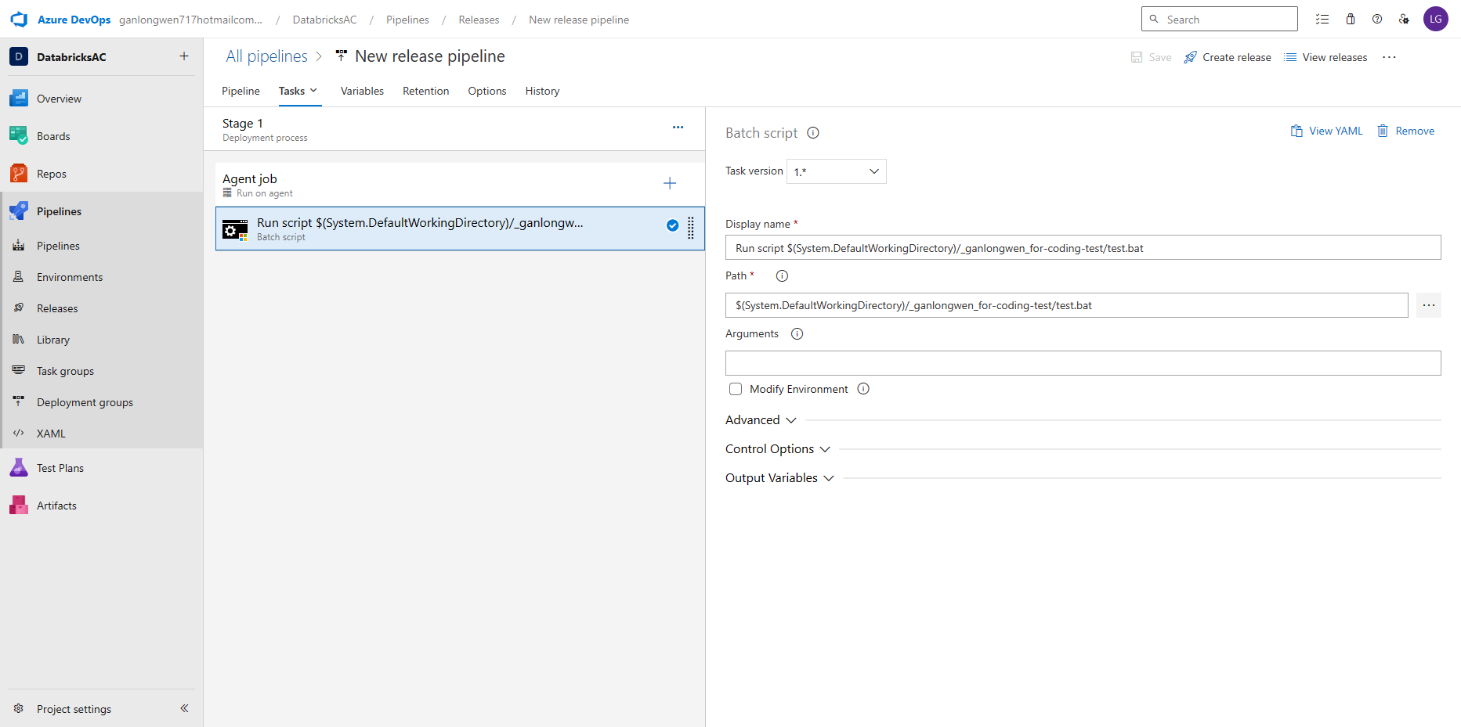

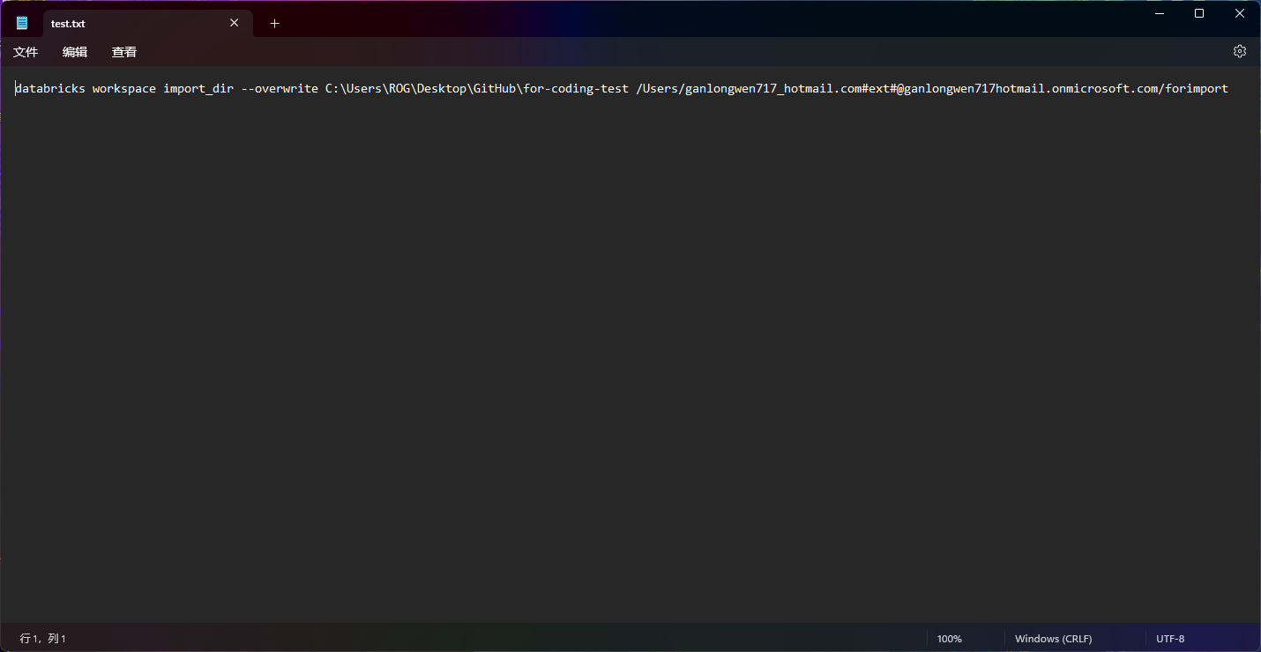

pycharm
