04-27
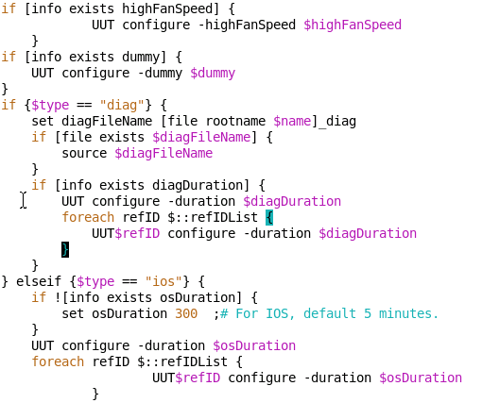
1 | P3A-PRI-02

 | interface TenGigabitEthernet1/25
 | mac-address 0000.0001.0025
 | mtu 9216
 | vrf forwarding 101
 | ip address 2.1.2.3 255.255.255.0
 | load-balance src-ip vlan
 | no keepalive
 | no cdp enable
 | !
 | interface TenGigabitEthernet1/26
 | mac-address 0000.0001.0026
 | mtu 9216
 | vrf forwarding 120
 | ip address 2.17.2.2 255.255.255.0
 | load-balance src-ip vlan
 | no keepalive
 | no cdp enable
 | !

 | ip route vrf 101 90.2.1.2 255.255.255.255 2.1.2.254
 | ip route vrf 101 101.1.1.2 255.255.255.255 10.1.8.2

 | ip route vrf 120 90.2.1.2 255.255.255.255 10.1.26.1
 | ip route vrf 120 101.1.1.2 255.255.255.255 2.17.2.254

 | arp vrf 101 90.2.1.2 0000.0031.c749 ARPA
 | arp vrf 101 10.1.8.2 0000.0001.0018 ARPA
 | arp vrf 120 10.1.26.1 0000.0001.0015 ARPA
 | arp vrf 120 101.1.1.2 0000.0031.c74a ARPA
 | arp vrf 101 2.1.2.254 0000.0003.0254 ARPA
 | arp vrf 120 2.17.2.254 0000.0004.0254 ARPA
 | arp vrf 121 101.1.1.1 0000.0001.0042 ARPA
 | arp vrf 121 90.2.1.1 0000.0001.0041 ARPA

 | interface FortyGigabitEthernet1/41
 | mac-address 0000.0001.0041
 | mtu 9216
 | vrf forwarding 121
 | ip address 2.1.2.3 255.255.255.0
 | load-balance src-ip
 | no cdp enable
 | !
 | interface FortyGigabitEthernet1/42
 | mac-address 0000.0001.0042
 | mtu 9216
 | vrf forwarding 121
 | ip address 2.17.2.2 255.255.255.0
 | load-balance dst-ip
 | no cdp enable
 | !
 | ip route vrf 121 90.2.1.0 255.255.255.0 2.1.2.254
 | ip route vrf 121 101.1.1.0 255.255.255.0 2.17.2.254

 | arp vrf 121 101.1.1.1 0000.0001.0042 ARPA
 | arp vrf 121 90.2.1.1 0000.0001.0041 ARPA

2
 | arp vrf vrf201 2.1.1.254 0000.0006.0254 ARPA
 | arp vrf vrf201 2.2.1.254 0000.0007.0254 ARPA

 | ip route vrf vrf201 90.2.1.2 255.255.255.255 2.1.1.254
 | ip route vrf vrf201 101.1.1.2 255.255.255.255 2.2.1.254

 | !
 | interface FortyGigabitEthernet1/41
 | mac-address 0000.0001.0041
 | mtu 9216
 | ip address 2.1.1.41 255.255.0.0
 | no cdp enable
 | !
 | interface FortyGigabitEthernet1/42
 | mac-address 0000.0001.0042
 | mtu 9216
 | ip vrf forwarding vrf201
 | ip address 2.2.1.42 255.255.0.0
 | no cdp enable
 | !
3 | [gaomwang@localhost gaomeng1447]$ ls -ltr
 | total 388
 | -rwxr-xr-x 1 root root 5025 Apr 16 04:31 hello
 | -rw-r--r-- 1 root root 90 Apr 16 04:31 hello.c
 | -rw-r--r-- 1 root root 332266 Apr 16 20:17 bash.txt
 | -rw-r--r-- 1 root root 111 Apr 16 20:19 psout.txt
 | -rw-r--r-- 1 root root 111 Apr 16 20:19 pssort.out
 | -rw-r--r-- 1 root root 83 Apr 16 20:32 finf.sh
 | -rwxr-xr-x 1 root root 331 Apr 17 06:24 HOME.sh
 | [gaomwang@localhost gaomeng1447]$ ./hello | #!/bin/sh
 | Hello World
 | [gaomwang@localhost gaomeng1447]$ ./HOME.sh | salution="Hello"
 | Hello | echo $salution
 | the program ./HOME.sh is now runing | echo "the program $0 is now runing"
 | the second parameter was | echo "the second parameter was $2"
 | the first parameter was | echo "the first parameter was $1"
 | the parameter list was | echo "the parameter list was $*"
 | the user's home directory is /home/gaomwang | echo "the user's home directory is $HOME"
 | please enter a new greeting | echo "please enter a new greeting"
 |  | read salution
4 |  | echo $salution
 |  | echo "the script is now complete"
 |  | echo 0

04-28
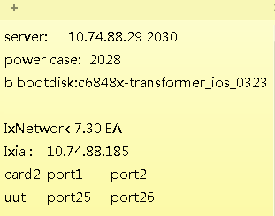
1 | Lijian 的 image 没有解决 parallel test id not found 问题。

 | /auto/crdc_ebbu_edvt/yojiang/Cat6k/Sup6T
 | Sup6T_lijian_all_diag.log

1.1 | 发现 test id not found, 应该手动去测试一遍。
 | 才能说服别人。。。

 | Ixia:10.74.88.230; card2 | port 1 | port 2 | port 3 | power slot 3 | 2051
 | P2B-PRI-07 | port 25 | port 26 | port 30 | console: 2027 | server IP:10.74.88.29

2

04-23
1 | Sup6T test
 | logical problems

 | Corner2-Loop7/8

1.2 | Sleep 15 to power off/on UUT
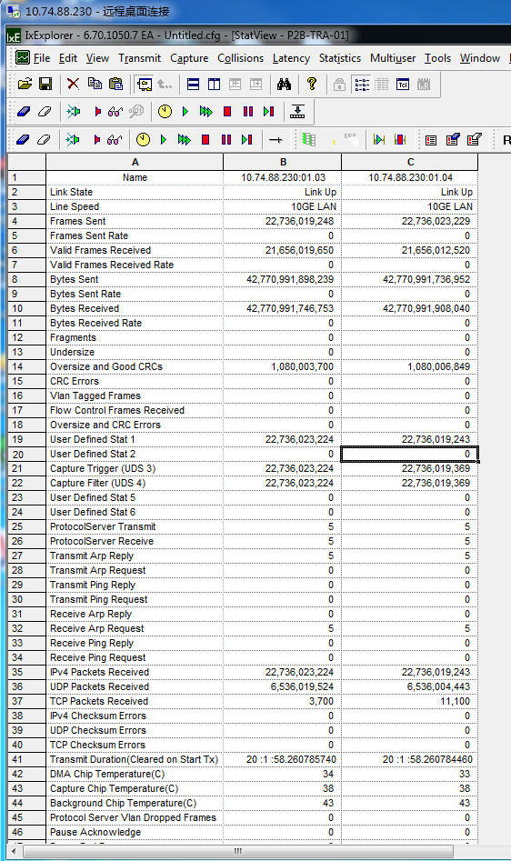

2 | P2B-TRA-01
 | 5arp packet

3 | Router#write
 | startup-config file open failed (Resource temporarily unavailable)

 | Router#

3.1 |  | Hi Yongtao,
 |  | Could you verify these two private images?
 |  | 10.74.88.113:/tftpboot/yojiang/s6tbund_lijizhan
 |  | 10.74.88.113:/tftpboot/yojiang/napparbund_lijizhan
4 | P3A-PRI-02
 | Router#------------------------------------------------------------------ | Best Regards,
 | At CST 2015 Apr 22 19:18:34 Running Cmds Before Traffic... | Li Jian Zhang
 | ------------------------------------------------------------------
 | terminal length 0
 | Router#clear counters
 | Clear "show interface" counters on all interfaces [confirm]
 | *Apr 22 04:18:05.935: %CLEAR-5-COUNTERS: Clear counter on all interfaces by consoleTimeout cmd: clear counters

 | Router#conf t
 | Enter configuration commands, one per line. End with CNTL/Z.
 | Router(config)#fabric clear-block force-drop-time module 1 8191
 | You entered the same config as before.
 | Router(config)#end
 | Router#
 | sleep 60

 | *Apr 22 04:20:11.031: %CLEAR-5-COUNTERS: Clear counter on all interfaces by console
 | *Apr 22 04:20:11.579: %SYS-5-CONFIG_I: Configured from console by consolesh ip int br
 | Interface IP-Address OK? Method Status Protocol
 | TenGigabitEthernet1/1 10.1.10.1 YES NVRAM up up
 | TenGigabitEthernet1/2 10.1.10.2 YES NVRAM up up
 | TenGigabitEthernet1/3 10.1.15.1 YES NVRAM up up
 | TenGigabitEthernet1/4 10.1.15.2 YES NVRAM up up
 | TenGigabitEthernet1/5 10.1.20.1 YES NVRAM up up
 | TenGigabitEthernet1/6 10.1.20.2 YES NVRAM up up
 | TenGigabitEthernet1/7 10.1.25.1 YES NVRAM up up
 | TenGigabitEthernet1/8 10.1.25.2 YES NVRAM up up
 | TenGigabitEthernet1/9 10.1.11.1 YES NVRAM up up
 | TenGigabitEthernet1/10 10.1.11.2 YES NVRAM up up
 | TenGigabitEthernet1/11 10.1.16.1 YES NVRAM up up
 | TenGigabitEthernet1/12 10.1.16.2 YES NVRAM up up
 | TenGigabitEthernet1/13 10.1.21.1 YES NVRAM up up
 | TenGigabitEthernet1/14 10.1.21.2 YES NVRAM up up
 | TenGigabitEthernet1/15 10.1.26.1 YES NVRAM up up
 | TenGigabitEthernet1/16 10.1.26.2 YES NVRAM up up
 | TenGigabitEthernet1/17 10.1.8.1 YES NVRAM up up
 | TenGigabitEthernet1/18 10.1.8.2 YES NVRAM up up
 | TenGigabitEthernet1/19 10.1.13.1 YES NVRAM up up
 | TenGigabitEthernet1/20 10.1.13.2 YES NVRAM up up
 | TenGigabitEthernet1/21 10.1.18.1 YES NVRAM up up
 | TenGigabitEthernet1/22 10.1.18.2 YES NVRAM up up
 | TenGigabitEthernet1/23 10.1.23.1 YES NVRAM up up
 | TenGigabitEthernet1/24 10.1.23.2 YES NVRAM up up
 | TenGigabitEthernet1/25 90.2.1.1 YES NVRAM up up
 | TenGigabitEthernet1/26 101.1.1.1 YES NVRAM up up
 | TenGigabitEthernet1/27 10.1.12.1 YES NVRAM up up
 | TenGigabitEthernet1/28 10.1.12.2 YES NVRAM up up
 | TenGigabitEthernet1/29 10.1.17.1 YES NVRAM up up
 | TenGigabitEthernet1/30 10.1.17.2 YES NVRAM up up
 | TenGigabitEthernet1/31 10.1.22.1 YES NVRAM up up
 | TenGigabitEthernet1/32 10.1.22.2 YES NVRAM up up
 | TenGigabitEthernet1/33 10.1.9.1 YES NVRAM up up
 | TenGigabitEthernet1/34 10.1.9.2 YES NVRAM up up
 | TenGigabitEthernet1/35 10.1.14.1 YES NVRAM up up
 | TenGigabitEthernet1/36 10.1.14.2 YES NVRAM up up
 | TenGigabitEthernet1/37 10.1.19.1 YES NVRAM up up
 | TenGigabitEthernet1/38 10.1.19.2 YES NVRAM up up
 | TenGigabitEthernet1/39 10.1.24.1 YES NVRAM up up
 | TenGigabitEthernet1/40 10.1.24.2 YES NVRAM up up
 | Fo1/41 90.2.1.1 YES NVRAM up up
 | Fo1/42 101.1.1.1 YES NVRAM down down
 | mgmt0 unassigned YES unset up up
 | Vlan1 unassigned YES NVRAM administratively down down
 | Router#sh interface status mod 1

 | Port Name Status Vlan Duplex Speed Type
 | Te1/1 connected routed full 10G 10Gbase-CU1M
 | Te1/2 connected routed full 10G 10Gbase-CU1M
 | Te1/3 connected routed full 10G 10Gbase-CU1M
 | Te1/4 connected routed full 10G 10Gbase-CU1M
 | Te1/5 connected routed full 10G 10Gbase-CU1M
 | Te1/6 connected routed full 10G 10Gbase-CU1M
 | Te1/7 connected routed full 10G 10Gbase-CU1M
 | Te1/8 connected routed full 10G 10Gbase-CU1M
 | Te1/9 connected routed full 10G 10Gbase-CU1M
 | Te1/10 connected routed full 10G 10Gbase-CU1M
 | Te1/11 connected routed full 10G 10Gbase-CU1M
 | Te1/14 connected routed full 10G 10Gbase-CU1M
 | Te1/15 connected routed full 10G 10Gbase-CU1M
 | Te1/16 connected routed full 10G 10Gbase-CU1M
 | Te1/17 connected routed full 10G 10Gbase-CU1M
 | Te1/18 connected routed full 10G 10Gbase-CU1M
 | Te1/19 connected routed full 10G 10Gbase-CU1M
 | Te1/20 connected routed full 10G 10Gbase-CU1M
 | Te1/21 connected routed full 10G 10Gbase-CU1M
 | Te1/22 connected routed full 10G 10Gbase-CU1M
 | Te1/23 connected routed full 10G 10Gbase-CU1M
 | Te1/24 connected routed full 10G 10Gbase-CU1M
 | Te1/25 connected routed full 10G 10Gbase-SR
 | Te1/26 connected routed full 10G 10Gbase-SR
 | Te1/27 connected routed full 10G 10Gbase-CU1M
 | Te1/28 connected routed full 10G 10Gbase-CU1M
 | Te1/29 connected routed full 10G 10Gbase-CU1M
 | Te1/30 connected routed full 10G 10Gbase-CU1M
 | Te1/31 connected routed full 10G 10Gbase-CU1M
 | Te1/32 connected routed full 10G 10Gbase-CU1M
 | Te1/33 connected routed full 10G 10Gbase-CU1M
 | Te1/34 connected routed full 10G 10Gbase-CU1M
 | Te1/35 connected routed full 10G 10Gbase-CU1M
 | Te1/36 connected routed full 10G 10Gbase-CU1M
 | Te1/37 connected routed full 10G 10Gbase-CU1M
 | Te1/38 connected routed full 10G 10Gbase-CU1M
 | Te1/39 connected routed full 10G 10Gbase-CU1M
 | Te1/40 connected routed full 10G 10Gbase-CU1M
 | Fo1/41 connected routed full 40G 40Gbase-SR4
 | Fo1/42 notconnect routed full 40G 40Gbase-SR4
 | mgmt0 connected routed a-half a-10 10/100/1000BaseT
 | Router#
 | **********************************************
 | Enter continue to continue testing
 | Enter quit/exit to exit the testing
 | **********************************************
 | darts4.0>

04-24
1 | Sup6T
 | I7 error

2 | P3A-PRI-02
 | 需要处理
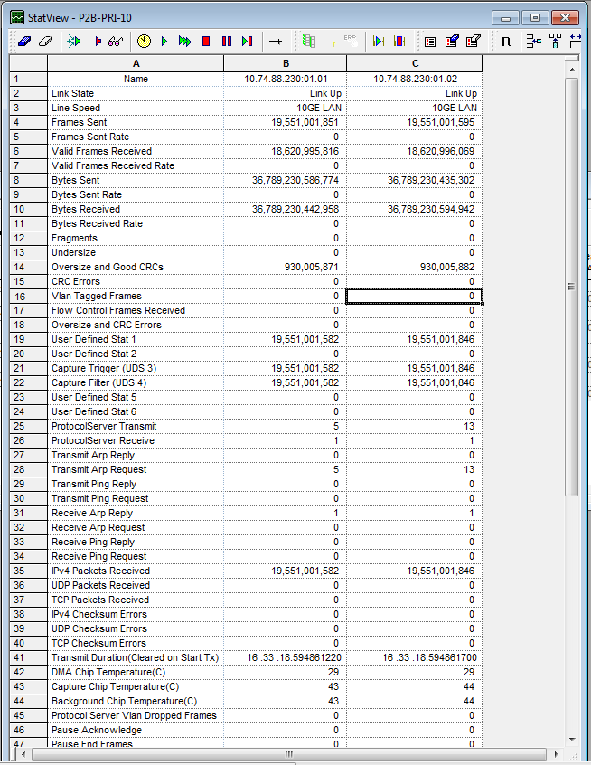
3 | P2B-PRI-10

4 | c6848x-adventerprisek9_dbg-mz.SSA.primus-40Gnew1

5 | P2A-ROD-01
 | 2042

 | pslot1
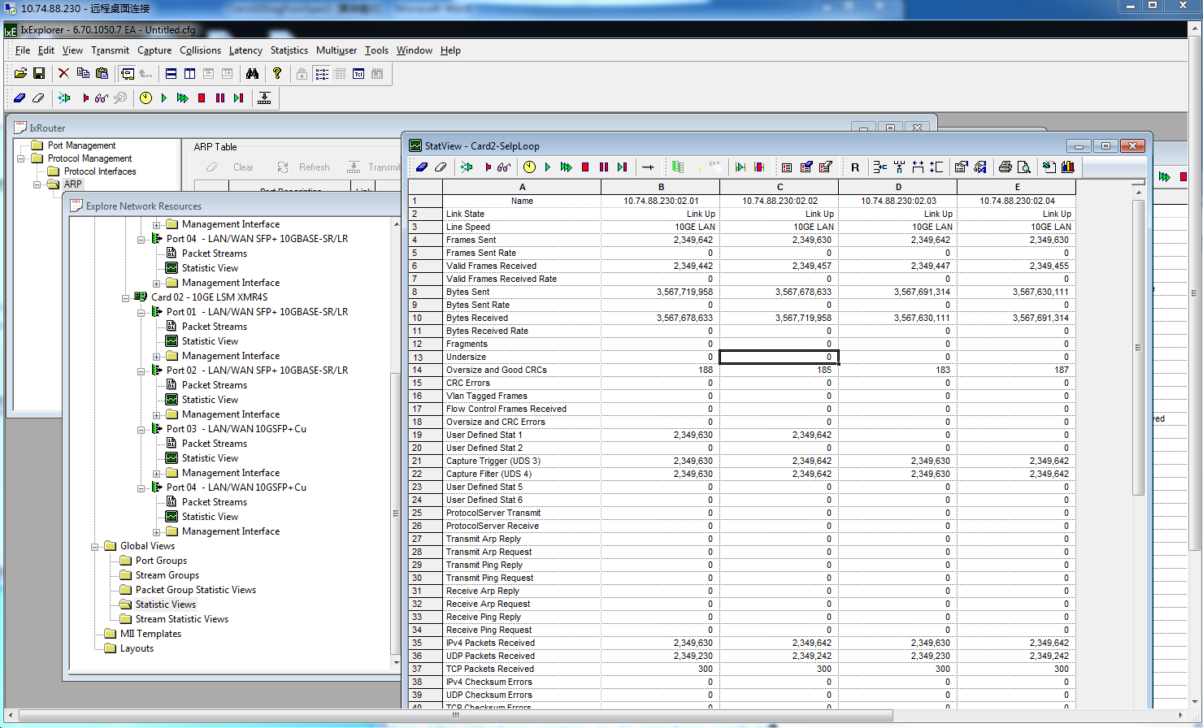
6 | Ixia self-loop test

7 | TRACELEVEL is a bitmapped quantity, so to see ERROR_TRACE (0x20), SYNC_TRACE (0x40), and INIT_TRACE (0x4) issue:

 | NMP%2> set -ptracelevel=64

Mistake
item | time | title | detail
犯错记录 | =now()
1 | 03-18 | 错用的QSFP 型号：QSFP-40G-SR4

2 | 03-19 | cetus_custom.exp忘记修改Line72, Line73;

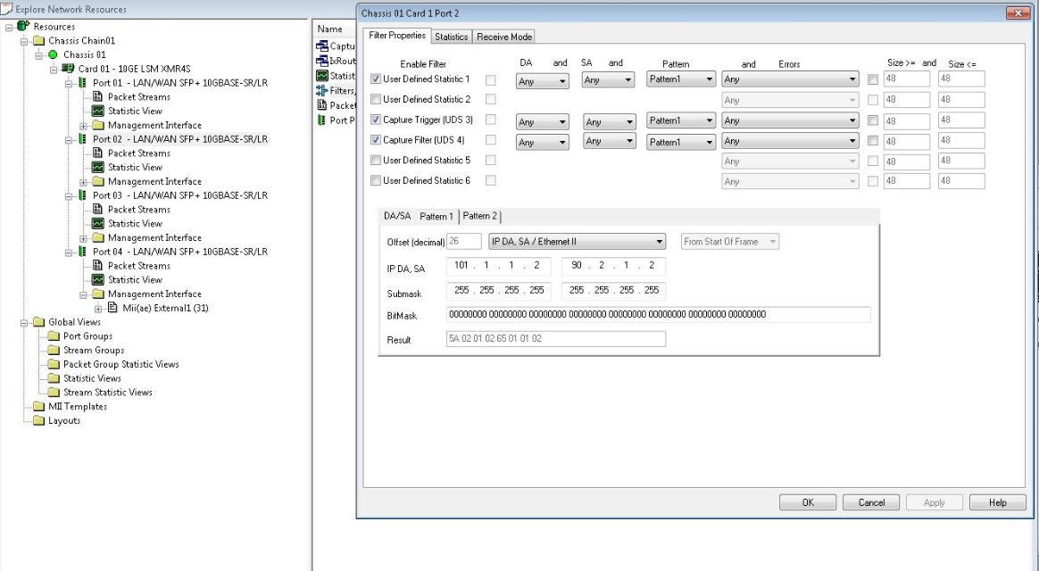
3 | 2015-03-24 | run ios 测试前，要先手动测试。
4 | 2015-03-24 | 配置Filter:
5 | 2015-03-25 | 放置好PRI后，应该先Copy Image进 bootdisk | 今天速度太慢，浪费1-2小时。
6 | 2015-03-30 | 发现ios_P2B_OPT_01_0317.conf中 port 配置错误！ 1.1 1.2；1.2 1.2
7 | 2015-04-13 | run -tTR1; not -tTR1
8 | 2015-04-27 | ;后面不能留下空格！！

