05-08
1 | ABA card plugged out | Tequila: Cetus | 10.74.88.235 |  | Label
 |  | 1 | 2019 | p1, Heathland
 |  | 2 | 2020 | p2 | P2B_AVL_G4-1
 |  | 3 | 2018 | p0 | P1B_XL #2
 |  | 4 | 2025 | p7 | standby sup
 |  | 5 | 2021 | p3
 |  | 6 |  | not connected a console | ENG_EDVT, WF_Rel_5
 |  | 7 | 2022 | p4 | CR 2FS, AntCR2

2 | c6848x-adventerprisek9_dbg-mz.SSA.si
 | P3A

 | D:\我的电脑\F盘_Extend\FromFinisar\E\Porto_E_2014-04-23\2013_项目\WI Writing\Pic by Camera

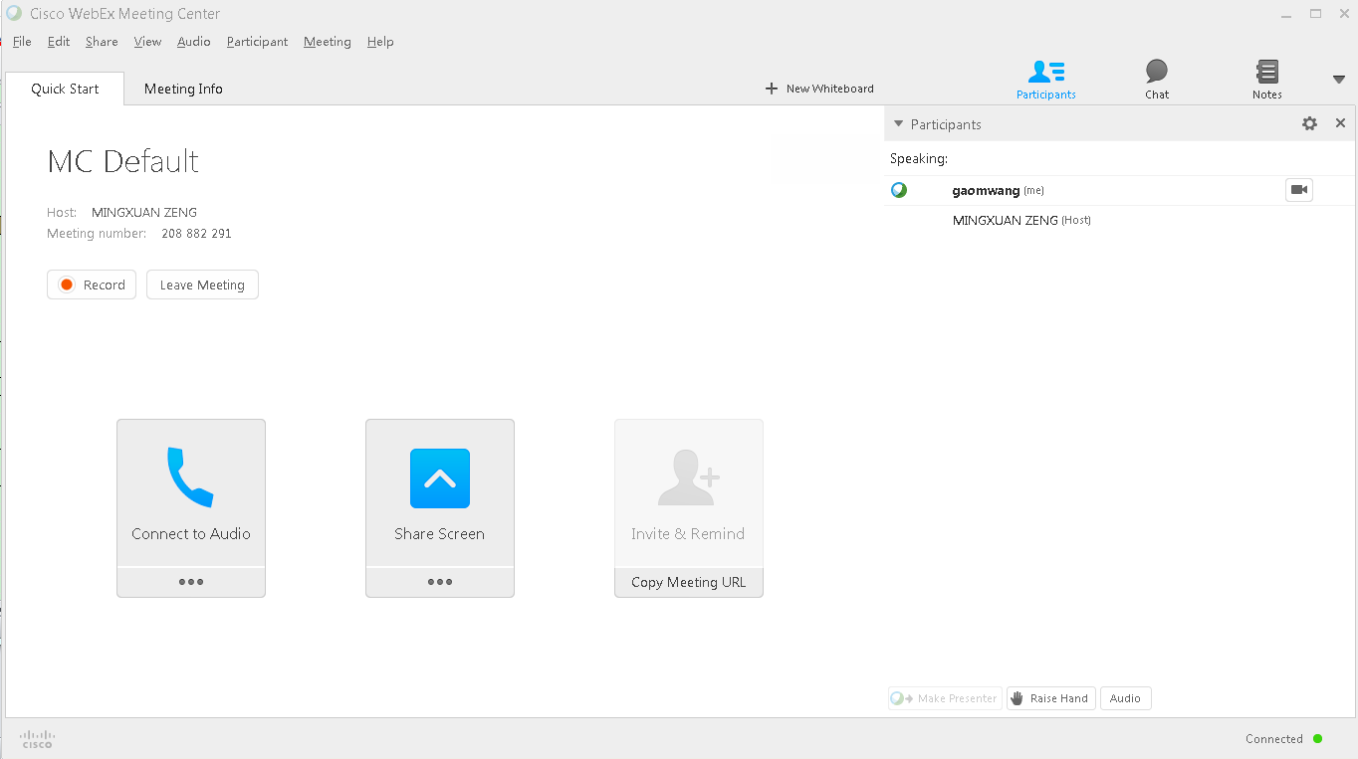
3 | Webex Center

Mistake
item | time | title | detail
犯错记录 | =now()
1 | 03-18 | 错用的QSFP 型号：QSFP-40G-SR4

2 | 03-19 | cetus_custom.exp忘记修改Line72, Line73;

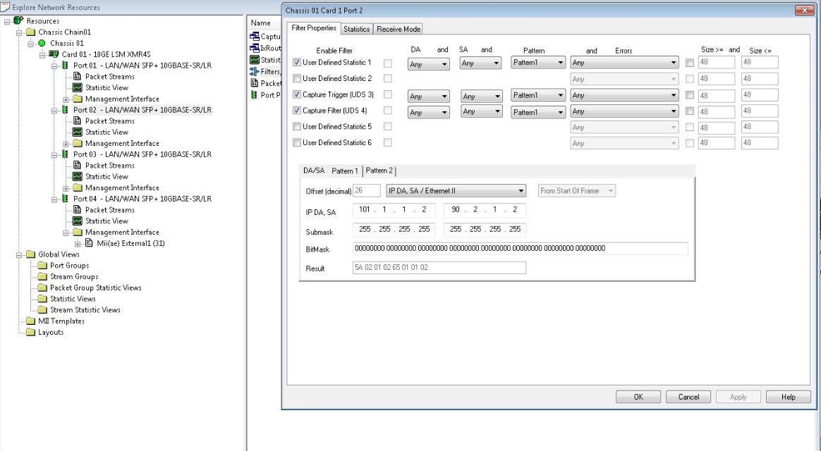
3 | 2015-03-24 | run ios 测试前，要先手动测试。
4 | 2015-03-24 | 配置Filter:
5 | 2015-03-25 | 放置好PRI后，应该先Copy Image进 bootdisk | 今天速度太慢，浪费1-2小时。
6 | 2015-03-30 | 发现ios_P2B_OPT_01_0317.conf中 port 配置错误！ 1.1 1.2；1.2 1.2
7 | 2015-04-13 | run -tTR1; not -tTR1
8 | 2015-04-27 | ;后面不能留下空格！！
9 | 2015-05-04 | 经常问自己，如果我是Yongtao怎么往下测试？下班前有什么想要做的？是否可以先准备起来？
 |  | example: 今天应该先skip PS5的测试；然后看情况。电话问Yongtao应该怎么往下测试。

