03-30
1 | P2B_PRI_09
 | Router>en
 | Router#show int counters

 |  |  | 3个步骤：
 | a |  | 软件10G, 40G测试；记录各自丢包数，并截图。

 | b |  | 读Counters 并保存；然后清空Counters |  |  | b |  |  | Router>show int counters

 | c |  | set vmarg +5重新开始测试。 |  |  |  |  |  | Port InOctets InUcastPkts InMcastPkts InBcastPkts
 |  |  |  |  |  |  |  |  | Te1/1 11399977928555 8985200989 84 0
2 | Four Corners |  |  |  |  |  |  |  | Te1/2 11399981682458 8985200989 84 0
 |  |  |  |  |  |  |  |  | Te1/3 11399977928555 8985200989 84 0
 |  |  |  |  |  |  |  |  | Te1/4 11399981682458 8985200989 84 0
 |  |  |  |  |  |  |  |  | Te1/5 11399977928555 8985200989 84 0
 |  |  |  |  |  |  |  |  | Te1/6 11399981682458 8985200989 84 0
 |  |  |  |  |  |  |  |  | Te1/7 11399977928555 8985200989 84 0
 |  |  | port 1(10D-port25;40G-port41) |  |  | port 2(10G-port26;40G-port42) |  |  | Te1/8 11399981682458 8985200989 84 0
 |  |  | sent frame | receive frame | lost | sent frame | receive frame | lost | Te1/9 11399977928555 8985200989 84 0
Corner 1 | 55C/vm+5 | 10G Port | 25,919,921,037 | 25,919,921,032 | 5 | 25,919,921,037 | 25,919,921,032 | 5 | Te1/10 11399981682458 8985200989 84 0
 |  | 40G Port | 35183485511 | 35183485511 | 0 | 35191923823 | 35191923823 | 0 | Te1/11 11399977928555 8985200989 84 0
Corner 2 | 55C/vm-5 | 10G Port | 14,408,700,665 | 14,408,700,662 | 3 | 14,408,700,665 | 14,408,700,662 | 3 | Te1/12 11399981682458 8985200989 84 0
 |  | 40G Port | 22,170,980,323 | 22,170,980,323 | 0 | 22,175,754,100 | 22,175,754,100 | 0 | Te1/13 11399977928555 8985200989 84 0
Corner 3 | -5C/vm-5 | 10G Port | 11,101,534,907 | 11,101,534,905 | 2 | 11,101,534,907 | 11,101,534,905 | 2 | Te1/14 11399981682458 8985200989 84 0
 |  | 40G Port | 16,936,635,692 | 16,936,635,692 | 0 | 16,940,223,513 | 16,940,223,513 | 0 | Te1/15 11399977928555 8985200989 84 0
Corner 4 | -5C/vm-5 | 10G Port | 17,575,135,580 | 17,575,135,577 | 3 | 17,575,135,580 | 17,575,135,577 | 3 | Te1/16 11399981682458 8985200989 84 0
 |  | 40G Port | 27,140,713,946 | 27,140,713,946 | 0 | 27,146,589,276 | 27,146,589,276 | 0 | Te1/17 11399977928491 8985200988 84 0
 |  |  |  |  |  |  |  |  | Te1/18 11399981682394 8985200988 84 0
 |  |  |  |  |  |  |  |  | Te1/19 11399977928555 8985200989 84 0
3 | 00000004178F495C |  |  |  |  |  |  |  | Te1/20 11399981682458 8985200989 84 0
 | >>> print int('4178F495C', 16) |  |  |  |  |  |  |  | Te1/21 11399977928555 8985200989 84 0
 | 17575135580
 |  |  |  |  |  |  |  |  | Port InOctets InUcastPkts InMcastPkts InBcastPkts
 | Router#test platform firmware radian count print mac 25 25 |  |  |  |  |  |  |  | Te1/22 11399981682458 8985200989 84 0
 | Router#port_num[25] net_cntr_ptr[0x1792E618] |  |  |  |  |  |  |  | Te1/23 11399977928491 8985200988 84 0
 | RX MIB COUNTERS TX MIB COUNTERS |  |  |  |  |  |  |  | Te1/24 11399981682394 8985200988 84 0
 | frm_total_rcvd 00000004178F495C frm_total_xmt 00000004178F49B2 |  |  |  |  |  |  |  | Te1/25 11399981675590 8985200988 0 0
 | unicast_frm_rcvd 00000004178F495C unicast_frm_xmt 00000004178F495C |  |  |  |  |  |  |  | Te1/26 11399977921687 8985200988 0 0
 | broadcast_frm_rcvd 0000000000000000 broadcast_frm_xmt 0000000000000000 |  |  |  |  |  |  |  | Te1/27 11399977928555 8985200989 84 0
 | multicast_frm_rcvd 0000000000000000 multicast_frm_xmt 0000000000000056 |  |  |  |  |  |  |  | Te1/28 11399981682458 8985200989 84 0
 | flow_ctrl_frm_rcvd 0000000000000000 flow_ctrl_frm_xmt 0000000000000000 |  |  |  |  |  |  |  | Te1/29 11399977928555 8985200989 84 0
 | total_octs_rcvd 00001BC543A26C97 total_octs_xmt 00001BC543DBCF7C |  |  |  |  |  |  |  | Te1/30 11399981682458 8985200989 84 0
 | octs_rcvd 00001BC543A26C97 octs_xmt 00001BC543DBCF7C |  |  |  |  |  |  |  | Te1/31 11399977928555 8985200989 84 0
 | frm_64oct_rcvd 000000004D7F0F8D frm_64oct_xmt 000000004D7F0867 |  |  |  |  |  |  |  | Te1/32 11399981682458 8985200989 84 0
 | frm_65_to_127_octs_rcvd 0000000000A5316C frm_65_to_127_octs_xmt 0000000000A53632 |  |  |  |  |  |  |  | Te1/33 11399977928555 8985200989 84 0
 | frm_128_to_255_octs_rcvd 00000000014F9891 frm_128_to_255_octs_xmt 00000000014F81C2 |  |  |  |  |  |  |  | Te1/34 11399981682458 8985200989 84 0
 | frm_256_to_511_octs_rcvd 00000000029F2231 frm_256_to_511_octs_xmt 00000000029F17FE |  |  |  |  |  |  |  | Te1/35 11399977928555 8985200989 84 0
 | frm_511_to_1023_octs_rcvd 00000000053E4F43 frm_511_to_1023_octs_xmt 00000000053E703B |  |  |  |  |  |  |  | Te1/36 11399981682458 8985200989 84 0
 | frm_1024_to_1518_octs_rcvd 00000003920C6E9E frm_1024_to_1518_octs_xmt 00000003920C715E |  |  |  |  |  |  |  | Te1/37 11399977928555 8985200989 84 0
 | frm_1519_to_2047_octs_rcvd 0000000000000000 frm_1519_to_2047_octs_xmt 0000000000000000 |  |  |  |  |  |  |  | Te1/38 11399981682458 8985200989 84 0
 | frm_2048_to_4095_octs_rcvd 0000000000000000 frm_2048_to_4095_octs_xmt 0000000000000000 |  |  |  |  |  |  |  | Te1/39 11399977928555 8985200989 84 0
 | frm_4096_to_9216_octs_rcvd 000000002E318FC0 frm_4096_to_9216_octs_xmt 000000002E318FC0 |  |  |  |  |  |  |  | Te1/40 11399981682458 8985200989 84 0
 | frm_9217_to_16383_octs_rcvd 0000000000000000 frm_9217_to_16383_octs_xmt 0000000000000000 |  |  |  |  |  |  |  | Fo1/41 47343086074788 14255812082 0 0
 | frm_1024_to_max_octs_rcvd 0000000000000000 frm_1024_to_max_octs_xmt 0000000000000000 |  |  |  |  |  |  |  | Fo1/42 47343211107589 14261687412 0 0
 |  |  |  |  |  |  |  |  | mgmt0 8380613 72015 41139 30876
4 | 10.74.88.183
5 | USER_PROC check_before_trf # Commands to run at a dump time, separated by semi-colon |  |  |  |  |  |  |  | Port OutOctets OutUcastPkts OutMcastPkts OutBcastPkts
5.1 |  |  |  |  |  |  |  |  | Te1/1 11399981682458 8985200989 84 0
 | Router#sh ip int br |  |  |  |  |  |  |  | Te1/2 11399977928555 8985200989 84 0
 | Interface IP-Address OK? Method Status Protocol |  |  |  |  |  |  |  | Te1/3 11399981682458 8985200989 84 0
 | TenGigabitEthernet1/1 10.1.10.1 YES NVRAM up up |  |  |  |  |  |  |  | Te1/4 11399977928555 8985200989 84 0
 | TenGigabitEthernet1/2 10.1.10.2 YES NVRAM up up |  |  |  |  |  |  |  | Te1/5 11399981682458 8985200989 84 0
 | TenGigabitEthernet1/3 10.1.15.1 YES NVRAM up up |  |  |  |  |  |  |  | Te1/6 11399977928555 8985200989 84 0
 | TenGigabitEthernet1/4 10.1.15.2 YES NVRAM up up |  |  |  |  |  |  |  | Te1/7 11399981682458 8985200989 84 0
 | TenGigabitEthernet1/5 10.1.20.1 YES NVRAM up up |  |  |  |  |  |  |  | Te1/8 11399977928555 8985200989 84 0
 | TenGigabitEthernet1/6 10.1.20.2 YES NVRAM up up |  |  |  |  |  |  |  | Te1/9 11399981682458 8985200989 84 0
 | TenGigabitEthernet1/7 10.1.25.1 YES NVRAM up up |  |  |  |  |  |  |  | Te1/12 11399977928555 8985200989 84 0
 | TenGigabitEthernet1/10 10.1.11.2 YES NVRAM up up |  |  |  |  |  |  |  | Te1/13 11399981682458 8985200989 84 0
 | TenGigabitEthernet1/11 10.1.16.1 YES NVRAM up up |  |  |  |  |  |  |  | Te1/14 11399977928555 8985200989 84 0
 | TenGigabitEthernet1/12 10.1.16.2 YES NVRAM up up |  |  |  |  |  |  |  | Te1/15 11399981682458 8985200989 84 0
 | TenGigabitEthernet1/13 10.1.21.1 YES NVRAM up up |  |  |  |  |  |  |  | Te1/16 11399977928555 8985200989 84 0
 | TenGigabitEthernet1/14 10.1.21.2 YES NVRAM up up |  |  |  |  |  |  |  | Te1/17 11399981682394 8985200988 84 0
 | TenGigabitEthernet1/15 10.1.26.1 YES NVRAM up up |  |  |  |  |  |  |  | Te1/18 11399977928491 8985200988 84 0
 | TenGigabitEthernet1/16 10.1.26.2 YES NVRAM up up |  |  |  |  |  |  |  | Te1/19 11399981682458 8985200989 84 0
 | TenGigabitEthernet1/17 10.1.8.1 YES NVRAM up up |  |  |  |  |  |  |  | Te1/20 11399977928555 8985200989 84 0
 | TenGigabitEthernet1/18 10.1.8.2 YES NVRAM up up |  |  |  |  |  |  |  | Te1/21 11399981682458 8985200989 84 0
 | TenGigabitEthernet1/19 10.1.13.1 YES NVRAM up up |  |  |  |  |  |  |  | Te1/22 11399977928555 8985200989 84 0
 | TenGigabitEthernet1/20 10.1.13.2 YES NVRAM up up
 | TenGigabitEthernet1/21 10.1.18.1 YES NVRAM up up |  |  |  |  |  |  |  | Port OutOctets OutUcastPkts OutMcastPkts OutBcastPkts
 | TenGigabitEthernet1/22 10.1.18.2 YES NVRAM up up |  |  |  |  |  |  |  | Te1/23 11399981682394 8985200988 84 0
 | TenGigabitEthernet1/23 10.1.23.1 YES NVRAM up up |  |  |  |  |  |  |  | Te1/24 11399977928491 8985200988 84 0
 | TenGigabitEthernet1/24 10.1.23.2 YES NVRAM up up |  |  |  |  |  |  |  | Te1/25 11399977928491 8985200988 84 0
 | TenGigabitEthernet1/25 90.2.1.1 YES NVRAM up up |  |  |  |  |  |  |  | Te1/26 11399981682394 8985200988 84 0
 | TenGigabitEthernet1/26 101.1.1.1 YES NVRAM up up |  |  |  |  |  |  |  | Te1/27 11399981682458 8985200989 84 0
 | TenGigabitEthernet1/27 10.1.12.1 YES NVRAM up up |  |  |  |  |  |  |  | Te1/28 11399977928555 8985200989 84 0
 | TenGigabitEthernet1/28 10.1.12.2 YES NVRAM up up |  |  |  |  |  |  |  | Te1/29 11399981682458 8985200989 84 0
 | TenGigabitEthernet1/29 10.1.17.1 YES NVRAM up up |  |  |  |  |  |  |  | Te1/30 11399977928555 8985200989 84 0
 | TenGigabitEthernet1/30 10.1.17.2 YES NVRAM up up |  |  |  |  |  |  |  | Te1/31 11399981682458 8985200989 84 0
 | TenGigabitEthernet1/31 10.1.22.1 YES NVRAM up up |  |  |  |  |  |  |  | Te1/32 11399977928555 8985200989 84 0
 | TenGigabitEthernet1/32 10.1.22.2 YES NVRAM up up |  |  |  |  |  |  |  | Te1/33 11399981682458 8985200989 84 0
 | TenGigabitEthernet1/33 10.1.9.1 YES NVRAM up up |  |  |  |  |  |  |  | Te1/34 11399977928555 8985200989 84 0
 | TenGigabitEthernet1/34 10.1.9.2 YES NVRAM up up |  |  |  |  |  |  |  | Te1/35 11399981682458 8985200989 84 0
 | TenGigabitEthernet1/35 10.1.14.1 YES NVRAM up up |  |  |  |  |  |  |  | Te1/36 11399977928555 8985200989 84 0
 | TenGigabitEthernet1/36 10.1.14.2 YES NVRAM up up |  |  |  |  |  |  |  | Te1/37 11399981682458 8985200989 84 0
 | TenGigabitEthernet1/37 10.1.19.1 YES NVRAM up up |  |  |  |  |  |  |  | Te1/38 11399977928555 8985200989 84 0
 | TenGigabitEthernet1/38 10.1.19.2 YES NVRAM up up |  |  |  |  |  |  |  | Te1/39 11399981682458 8985200989 84 0
 | TenGigabitEthernet1/39 10.1.24.1 YES NVRAM up up |  |  |  |  |  |  |  | Te1/40 11399977928555 8985200989 84 0
 | TenGigabitEthernet1/40 10.1.24.2 YES NVRAM up up |  |  |  |  |  |  |  | Fo1/41 47343211114393 14261687412 84 0
 | Fo1/41 90.2.1.1 YES NVRAM up up |  |  |  |  |  |  |  | Fo1/42 47343086081592 14255812082 84 0
 | Fo1/42 101.1.1.1 YES NVRAM up up |  |  |  |  |  |  |  | mgmt0 422667 1027 1027 0
 | mgmt0 unassigned YES unset up up |  |  |  |  |  |  |  | Router>
 | Vlan1 unassigned YES NVRAM administratively down down |  |  |  |  |  |  |  | Router>
 | Router#

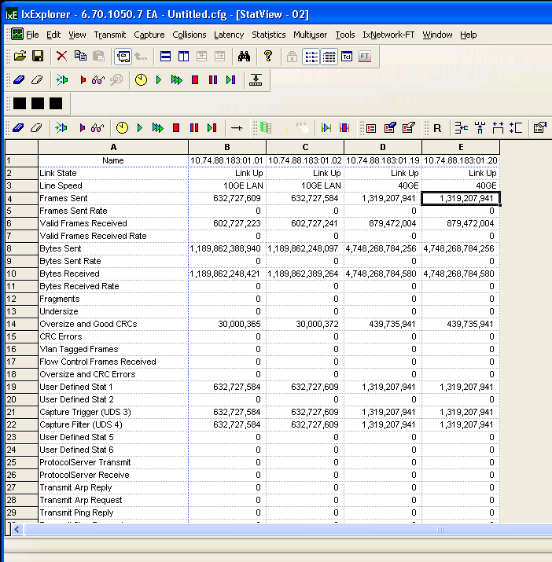
5.2

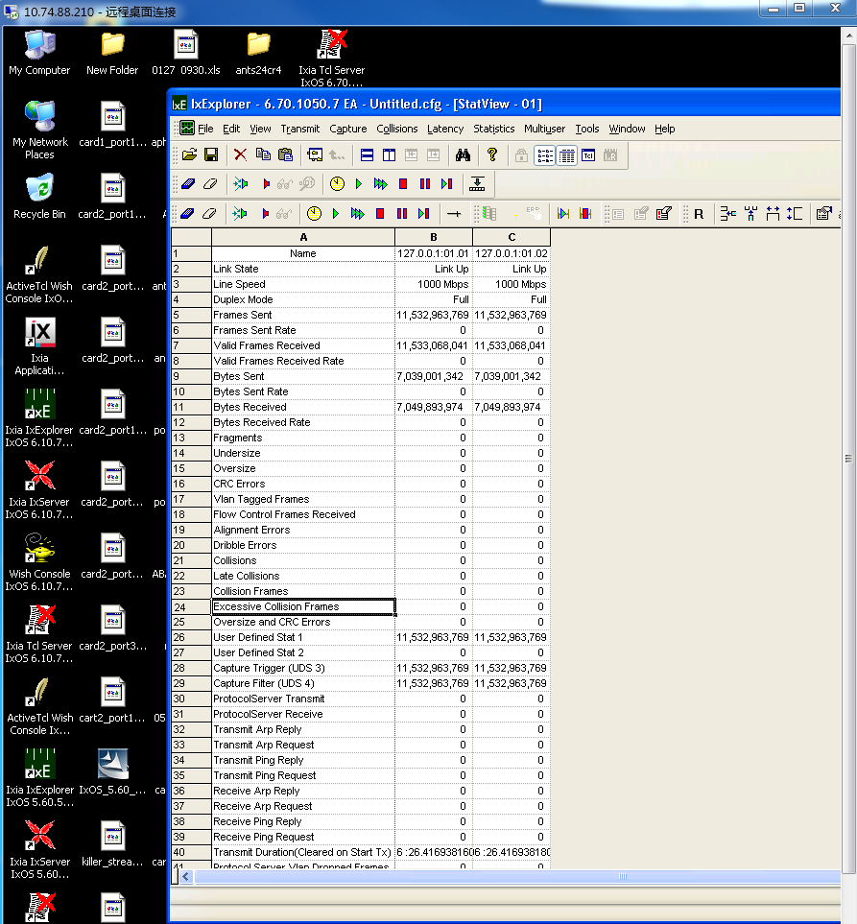
6 | S500

6.1 | Router#show int counters

 | Port InUcastPkts InMcastPkts InBcastPkts InOctets
 | ---------------- ------------ ------------ ------------ ------------
 | gi1/1/1 2943029177 0 0 175070390013
 | 42
 | gi1/1/2 2943029177 0 0 175070390013
 | 42
 | gi1/1/3 0 0 0 0

6.2 | Port OutUcastPkts OutMcastPkts OutBcastPkts OutOctets
 | ---------------- ------------ ------------ ------------ ------------
 | gi1/1/1 2943029177 91174 13145 175070498988
 | 85
 | gi1/1/2 2943029177 91174 13145 175070498988
 | 85

 | System>
 | System> ^Z[1]+ Stopped ${ODIAG_APP}
 | ~ #
 | ~ #
 | ~ # cd /mnt/
 | /mnt # ls -ltr
 | total 32
 | drwxr-xr-x 12 root root 12288 Jan 1 1970 disk0
 | drwxr-xr-x 2 root root 4096 Jan 1 1970 bootdisk
 | drwxr-xr-x 2 root root 16384 Jan 1 1970 _
 | /mnt # cd disk0:
 | -sh: cd: can't cd to disk0:
 | /mnt # cd disk0
 | /mnt/disk0 # ls -ltr
 | total 398024
 | -rwxr-xr-x 1 root root 18416 Dec 1 2006 GPL
 | -rwxr-xr-x 1 root root 8445 Sep 2 2008 EULA
 | -rwxr-xr-x 1 root root 8445 Dec 14 2010 eula.en_US

04-01
1 | ios 文件boot 未成功！
 |  |  |  |  | System Bootstrap, Version 15.1(03) [P1B 2.6.1], DEVELOPMENT SOFTWARE
 |  |  |  |  | Copyright (c) 1994-2014 by cisco Systems, Inc.
1.1 | 还能否复现 ？ |  |  |  | Compiled Wed 12/10/2014 14:39:37.64 by sumuthuk

 |  |  |  |  | Current image running: Transformer Boot Rom : Upgradable Region

2 | set up Sup2T ios 环境 |  |  |  | Last reset cause: Power On, reset code 0x1

2.1 | Sup2T- IOS 起动文件 |  |  |  | Transformer platform with 4194304 Kbytes of main memory
 | 24530 200023844 -rw- s2t54-adventerprisek9_dbg-mz.SSA
 | Server IP: 10.74.88.29 |  |  |  | rommon 1 >
 | Cetus | Console | Port-Num |  | rommon 1 >
Slot1 | LC1 | NA | NA |  | rommon 1 >
Slot2 | Nappar | 2027 | p1 |  | sleep 30
Slot3 | Sup2T | 2026 | p0 |  | Loading image b bootdisk:c6848x-transformer_ios_0323
Power | Chamber2:power slot 4 | 2052 | 52

2.2 | IXIA IP:10.74.88.183 |  |  |  | sleep 720
IXIA | port 3 | port 4 |  |  | b bootdisk:c6848x-transformer_ios_0323
Nappar | port 1 | port 17 |  |  | #Booting c6848x-transformer_ios_0323 ...
 |  |  |  |  | ###########################################################################################################################################################################################################################################################################################################################################################################################################################################################################################################################################################################################################################################################################################################################################################################################################################################################################################################################################################################################################################################################################################################################################################################################################################################################################################################
3 | sha-nav-lnx2:3
 |  |  |  |  | *** Bypassing code signing check on the image ***
 | /auto/ce-edvt/Test/configs/yojiang/anteros48/VRFConfig
 |  |  |  |  | Self extracting the image... [OK]
2.3 | Router(config)#int ten2/1 |  | Router#config terminal
 | Router(config-if)#ip vrf forwarding vrf117 |  | Enter configuration commands, one per line. End with CNTL/Z. |  | Self decompressing the image : ######################################################################################################################################################################################################################################################################################################################################################################################################################################################################################################################################################### [OK]
 | Router(config-if)#!!!!!INGRESS!!!!! |  | Router(config)#ip vrf vrf117
 | Router(config-if)#ip address 2.1.2.1 255.255.0.0 |  | Router(config-vrf)#rd 2:101 |  | Restricted Rights Legend
 | Router(config-if)#mtu 9216 |  | Router(config-vrf)#route-target import 2:101
 | Router(config-if)#no cdp enable |  | Router(config-vrf)#route-target export 2:101 |  | Use, duplication, or disclosure by the Government is
 | Router(config-if)#no shutdown |  | Router(config-vrf)#end |  | subject to restrictions as set forth in subparagraph
 | Router(config-if)#mac-address 0.2.1 |  | Router#config terminal |  | (c) of the Commercial Computer Software - Restricted
 | Router(config-if)#int ten2/17 |  | Enter configuration commands, one per line. End with CNTL/Z. |  | Rights clause at FAR sec. 52.227-19 and subparagraph
 | Router(config-if)#ip vrf forwarding vrf117 |  | Router(config)#int ten2/1 |  | (c) (1) (ii) of the Rights in Technical Data and Computer
 | Router(config-if)#!!!!!EGRESS!!!!! |  | Router(config-if)#ip vrf forwarding vrf117 |  | Software clause at DFARS sec. 252.227-7013.
 | Router(config-if)#ip address 2.2.2.17 255.255.0.0 |  | Router(config-if)#!!!!!INGRESS!!!!!
 | Router(config-if)#mtu 9216 |  | Router(config-if)#ip address 2.1.2.1 255.255.0.0 |  | cisco Systems, Inc.
 | Router(config-if)#no cdp enable |  | Router(config-if)#mtu 9216 |  | 170 West Tasman Drive
 | Router(config-if)#no shutdown |  | Router(config-if)#no cdp enable |  | San Jose, California 95134-1706
 | Router(config-if)#mac-address 0.2.17 |  | Router(config-if)#no shutdown
 | Router(config-if)#ip route vrf vrf117 1.1.1.99 255.255.255.255 2.1.2.254 |  | Router(config-if)#mac-address 0.2.1
 | Router(config)#arp vrf vrf117 2.1.2.254 0.1.254 arpa |  | Router(config-if)#int ten2/17
 | Router(config)#ip route vrf vrf117 99.1.1.1 255.255.255.255 2.2.2.254 |  | Router(config-if)#ip vrf forwarding vrf117 |  | Cisco IOS Software, c6848x Software (c6848x-ADVENTERPRISEK9_DBG-M), Version 15.2(2)ID101.129, EARLY DEPLOYMENT ENGINEERING WEEKLY BUILD, synced to MTROSE_MK3PI_PRESYNC_150104
 | Router(config)#arp vrf vrf117 2.2.2.254 0.2.254 arpa |  | Router(config-if)#!!!!!EGRESS!!!!! |  | Technical Support: http://www.cisco.com/techsupport
 | Router(config)#end |  | Router(config-if)#ip address 2.2.2.17 255.255.0.0 |  | Copyright (c) 1986-2015 by Cisco Systems, Inc.
 |  |  | Router(config-if)#mtu 9216 |  | Compiled Mon 23-Mar-15 13:27 by integ
2.4 | Router#write erase |  | Router(config-if)#no cdp enable |  | Init 1 - Board_type : PRIMUS[35]
 | Erasing the nvram filesystem will remove all configuration files! Continue? [confirm] |  | Router(config-if)#no shutdown |  | time_it : count_to_wait = -294967296
 |  |  | Router(config-if)#mac-address 0.2.17 |  | time_it : count_to_wait = -294967296
2.5 | Router#term len 0 |  | Router(config-if)#ip route vrf vrf117 90.2.1.2 255.255.255.255 2.1.2.254 |  | time_it : count_to_wait = -294967296
 | Router#show version |  | Router(config)#arp vrf vrf117 2.1.2.254 0.1.254 arpa |  | time_it : count_to_wait = -294967296
 |  |  | Router(config)#ip route vrf vrf117 101.1.1.2 255.255.255.255 2.2.2.254 |  | time_it : count_to_wait = -294967296
2.6 | 25 set ix_src_ip 1.1.1.99 |  | Router(config)#arp vrf vrf117 2.2.2.254 0.2.254 arpa |  | time_it : count_to_wait = -294967296Ginband FPGA Version: [0x00000217]
 | 26 set ix_dst_ip 99.1.1.1 |  | Router(config)#end |  | Ananke FPGA Version: [0x00000026]
 | 27 set ix_src_mac 0.1.254 |  |  |  | Malfra_0 FPGA Version: [0x00000108]
 | 28 set ix_dst_mac 0.2.254 |  |  |  | Malfra_1 FPGA Version: [0x00000108]
 |  |  |  |  | Callisto FPGA Version: [0x00000045]
2.7 | TenGigabitEthernet2/17 is up, line protocol is up |  |  |  | Malfra_2 FPGA Version: [0x00000108]
 | Internet address is 2.2.2.17/16 |  |  |  | Malfra_3 FPGA Version: [0x00000108]
 | Broadcast address is 255.255.255.255 |  |  |  | Malfra_4 FPGA Version: [0x00000108]
 | Address determined by setup command |  |  |  | Malfra_5 FPGA Version: [0x00000108]

 | Router#show ip int |  |  |  | Firmware init 1 completed
 | TenGigabitEthernet2/1 is up, line protocol is up |  |  |  | ACT2 Library Version: 1.3.30
 | Internet address is 2.1.2.1/16 |  |  |  | Firmware init 2 completed
 | Broadcast address is 255.255.255.255 |  |  |  | This product contains cryptographic features and is subject to United
 | Address determined by setup command |  |  |  | States and local country laws governing import, export, transfer and
 | MTU is 9216 bytes |  |  |  | use. Delivery of Cisco cryptographic products does not imply
 |  |  |  |  | third-party authority to import, export, distribute or use encryption.
4 | Chamber 2 | Console | Power Slot |  | Importers, exporters, distributors and users are responsible for
 | P3A-PRI-02 | 2041 | slot 1 |  | compliance with U.S. and local country laws. By using this product you
 | P3A-PRI-01 | 2042 | slot 2 |  | agree to comply with applicable laws and regulations. If you are unable
 |  |  |  |  | to comply with U.S. and local laws, return this product immediately.

 |  |  |  |  | A summary of U.S. laws governing Cisco cryptographic products may be found at:
 |  |  |  |  | http://www.cisco.com/wwl/export/crypto/tool/stqrg.html

 |  |  |  |  | If you require further assistance please contact us by sending email to
 |  |  |  |  | export@cisco.com.

 |  |  |  |  | USB high speed device - Port:0
 |  |  |  |  | Cisco C6848-X-LE ( Intel(R) Pentium(R) CPU @ 2.00GHz ) processor (revision ) with 3141632K/262144K bytes of memory.
 |  |  |  |  | Processor board ID FDO190212J3
 | Chamber 3 | Console | Port-Num | Power | Processor signature 0xA9060300
5 | P3A_ROD_01 |  | p4 | slot 3 | Last reset from power-on
 | P3A_OPT_01 |  | p3 | slot 2 | 1 Virtual Ethernet interface
 | P3A_TRA_01 |  | p2 | slot 1 | 1 Gigabit Ethernet interface
 |  |  |  |  | 40 Ten Gigabit Ethernet interfaces
 |  |  |  |  | 2 Forty Gigabit Ethernet interfaces
6 | Jim Estella Env |  |  |  | 3448816K bytes of USB Flash disk0 (Read/Write)
 | IXIA ip:10.74.88.214 |  |  |  | 1966064K bytes of USB Flash bootdisk (Read/Write)
 | Server IP:10.74.88.231 | Console
 | Sup2T | 2013
 | LC3,4*40G | 2016
 | power case | 2002 |  |  | Press RETURN to get started!

 |  |  |  |  | Firmware compiled 16-Mar-15 15:08 by Build [0]

7 | show fpga version

 | P3A-PRI-02 |  | P3A-PRI-01 |  | P3A-OPT-01 | P3A-ROD-01
 | SP1>1% show fpga version |  | SP1>1% show fpga version |  | SP1>2% show fpga version | SP1>1% show fpga version | SP1>1% show fpga version
 | ===============================FPGA Summary List============================= |  | ===============================FPGA Summary List============================= |  | ===============================FPGA Summary List============================= | ===============================FPGA Summary List============================= | ===============================FPGA Summary List=============================
 | devname version description |  | devname version description |  | devname version description | devname version description | devname version description

 | Ginband FPGA [ 0x00000217 ] |  | Ginband FPGA [ 0x00000217 ] |  | Ginband FPGA [ 0x00000217 ] | Ginband FPGA [ 0x00000217 ] | Ginband FPGA [ 0x00000217 ]
 | Ginband FPGA [ 0x15021704 ] Build Date |  | Ginband FPGA [ 0x15021704 ] Build Date |  | Ginband FPGA [ 0x15021704 ] Build Date | Ginband FPGA [ 0x15021704 ] Build Date | Ginband FPGA [ 0x15021704 ] Build Date
 | Ananke FPGA [ 0x00000026 ] |  | Ananke FPGA [ 0x00000026 ] |  | Ananke FPGA [ 0x00000026 ] | Ananke FPGA [ 0x00000026 ] | Ananke FPGA [ 0x00000026 ]
 | Ananke FPGA [ 0x15020315 ] Build Date |  | Ananke FPGA [ 0x15020315 ] Build Date |  | Ananke FPGA [ 0x15020315 ] Build Date | Ananke FPGA [ 0x15020315 ] Build Date | Ananke FPGA [ 0x15020315 ] Build Date
 | Callisto FPGA [ 0x00000045 ] |  | Callisto FPGA [ 0x00000045 ] |  | Callisto FPGA [ 0x00000045 ] | Callisto FPGA [ 0x00000045 ] | Malfra_0 FPGA [ 0x00000108 ]
 | Callisto FPGA [ 0x15021110 ] Build Date |  | Callisto FPGA [ 0x15021110 ] Build Date |  | Callisto FPGA [ 0x15021110 ] Build Date | Callisto FPGA [ 0x15021110 ] Build Date | Malfra_1 FPGA [ 0x00000108 ]
 | Malfra_0 FPGA [ 0x00000108 ] |  | Malfra_0 FPGA [ 0x00000108 ] |  | Malfra_0 FPGA [ 0x00000108 ] | Malfra_0 FPGA [ 0x00000108 ] | ____________________________________________________________________________
 | Malfra_1 FPGA [ 0x00000108 ] |  | Malfra_1 FPGA [ 0x00000108 ] |  | Malfra_1 FPGA [ 0x00000108 ] | Malfra_1 FPGA [ 0x00000108 ] | SP1>2%
 | Malfra_2 FPGA [ 0x00000108 ] |  | Malfra_2 FPGA [ 0x00000108 ] |  | Malfra_2 FPGA [ 0x00000108 ] | Malfra_2 FPGA [ 0x00000108 ]
 | Malfra_3 FPGA [ 0x00000108 ] |  | Malfra_3 FPGA [ 0x00000108 ] |  | Malfra_3 FPGA [ 0x00000108 ] | Malfra_3 FPGA [ 0x00000108 ]
 | Malfra_4 FPGA [ 0x00000108 ] |  | Malfra_4 FPGA [ 0x00000108 ] |  | ____________________________________________________________________________ | ____________________________________________________________________________
 | Malfra_5 FPGA [ 0x00000108 ] |  | Malfra_5 FPGA [ 0x00000108 ] |  | SP1>3% | SP1>2%
 | ____________________________________________________________________________ |  | ____________________________________________________________________________
 | SP1>2% |  | SP1>2%

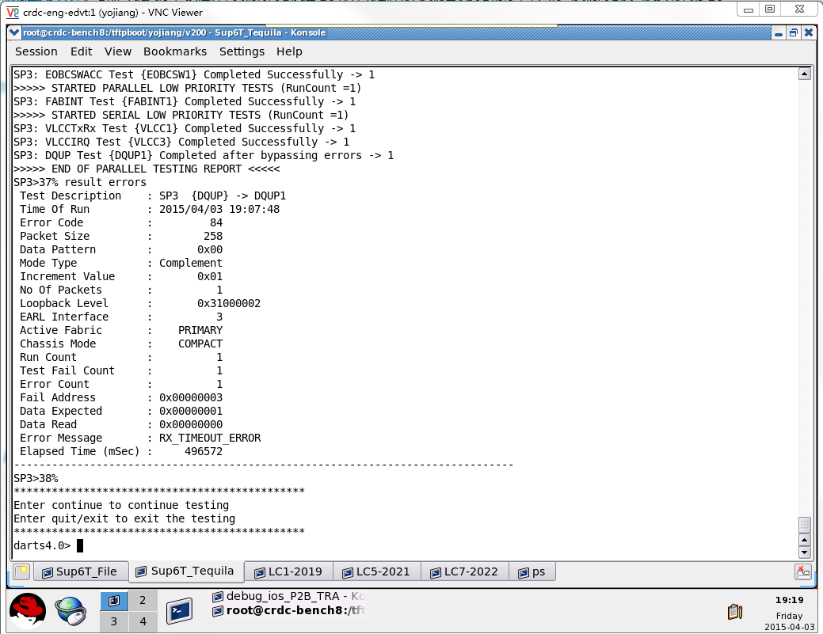
8

 |  |  |  |  | *Mar 31 03:18:21.043: %SYS-2-INTSCHED: 'sleep for' at level 2 -Process= "Init", ipl= 2, pid= 3
 |  |  |  |  | -Traceback= 20CA6C9z 5BB99B5z 3D185C6z 5AA5F0Bz 5CF3B9Cz 5CF3F26z 5CF3934z 5CF1C8Ez 5CE7FDCz 5CD41CFz 5CD3D55z 5AA4AD9z 3CDC63Cz 3CDC53Dz 3CDC48Az 20D9ABDz
 |  |  |  |  | *Mar 31 03:18:21.055: %SYS-2-INTSCHED: 'sleep for' at level 2 -Process= "Init", ipl= 2, pid= 3
 |  |  |  |  | -Traceback= 20CA6C9z 5BB99B5z 3D185C6z 5AA5F0Bz 5CF3CA4z 5CF3F26z 5CF3934z 5CF1C8Ez 5CE7FDCz 5CD41CFz 5CD3D55z 5AA4AD9z 3CDC63Cz 3CDC53Dz 3CDC48Az 20D9ABDz
 |  |  |  |  | *Mar 31 03:18:21.055: %SYS-2-INTSCHED: 'sleep for' at level 2 -Process= "Init", ipl= 2, pid= 3
 |  |  |  |  | -Traceback= 20CA6C9z 5BB99B5z 3D185C6z 5AA5F0Bz 5CF400Az 5CF3F56z 5CF3934z 5CF1C8Ez 5CE7FDCz 5CD41CFz 5CD3D55z 5AA4AD9z 3CDC63Cz 3CDC53Dz 3CDC48Az 20D9ABDz
 |  |  |  |  | *Mar 31 03:18:21.055: %SYS-2-INTSCHED: 'sleep for' at level 2 -Process= "Init", ipl= 2, pid= 3
 |  |  |  |  | -Traceback= 20CA6C9z 5BB99B5z 3D185C6z 5AA5F0Bz 5CF40EBz 5CF3F56z 5CF3934z 5CF1C8Ez 5CE7FDCz 5CD41CFz 5CD3D55z 5AA4AD9z 3CDC63Cz 3CDC53Dz 3CDC48Az 20D9ABDz
 |  |  |  |  | *Mar 31 03:18:21.055: %SYS-2-INTSCHED: 'sleep for' at level 2 -Process= "Init", ipl= 2, pid= 3
 |  |  |  |  | -Traceback= 20CA6C9z 5BB99B5z 3D185C6z 5AA5F0Bz 5CF40EBz 5CF3F56z 5CF3934z 5CF1C8Ez 5CE7FDCz 5CD41CFz 5CD3D55z 5AA4AD9z 3CDC63Cz 3CDC53Dz 3CDC48Az 20D9ABDz
 |  |  |  |  | *Mar 31 03:18:21.055: %SYS-2-INTSCHED: 'sleep for' at level 2 -Process= "Init", ipl= 2, pid= 3
 |  |  |  |  | -Traceback= 20CA6C9z 5BB99B5z 3D185C6z 5AA5F0Bz 5CF40EBz 5CF3F56z 5CF3934z 5CF1C8Ez 5CE7FDCz 5CD41CFz 5CD3D55z 5AA4AD9z 3CDC63Cz 3CDC53Dz 3CDC48Az 20D9ABDz
 |  |  |  |  | *Mar 31 03:18:21.055: %SYS-2-INTSCHED: 'sleep for' at level 2 -Process= "Init", ipl= 2, pid= 3
 |  |  |  |  | -Traceback= 20CA6C9z 5BB99B5z 3D185C6z 5AA5F0Bz 5CF40EBz 5CF3F56z 5CF3934z 5CF1C8Ez 5CE7FDCz 5CD41CFz 5CD3D55z 5AA4AD9z 3CDC63Cz 3CDC53Dz 3CDC48Az 20D9ABDz
 |  |  |  |  | *Mar 31 03:18:21.055: %SYS-2-INTSCHED: 'sleep for' at level 2 -Process= "Init", ipl= 2, pid= 3
 |  |  |  |  | -Traceback= 20CA6C9z 5BB99B5z 3D185C6z 5AA5F0Bz 5CF40EBz 5CF3F56z 5CF3934z 5CF1C8Ez 5CE7FDCz 5CD41CFz 5CD3D55z 5AA4AD9z 3CDC63Cz 3CDC53Dz 3CDC48Az 20D9ABDz
 |  |  |  |  | *Mar 31 03:18:21.055: %SYS-2-INTSCHED: 'sleep for' at level 2 -Process= "Init", ipl= 2, pid= 3
 |  |  |  |  | -Traceback= 20CA6C9z 5BB99B5z 3D185C6z 5AA5F0Bz 5CF40EBz 5CF3F56z 5CF3934z 5CF1C8Ez 5CE7FDCz 5CD41CFz 5CD3D55z 5AA4AD9z 3CDC63Cz 3CDC53Dz 3CDC48Az 20D9ABDz
 |  |  |  |  | *Mar 31 03:18:21.055: %SYS-2-INTSCHED: 'sleep for' at level 2 -Process= "Init", ipl= 2, pid= 3
 |  |  |  |  | -Traceback= 20CA6C9z 5BB99B5z 3D185C6z 5AA5F0Bz 5CF40EBz 5CF3F56z 5CF3934z 5CF1C8Ez 5CE7FDCz 5CD41CFz 5CD3D55z 5AA4AD9z 3CDC63Cz 3CDC53Dz 3CDC48Az 20D9ABDz
 |  |  |  |  | *Mar 31 03:18:21.055: %SYS-2-INTSCHED: 'sleep for' at level 2 -Process= "Init", ipl= 2, pid= 3
 |  |  |  |  | -Traceback= 20CA6C9z 5BB99B5z 3D185C6z 5AA5F0Bz 5CF40EBz 5CF3F56z 5CF3934z 5CF1C8Ez 5CE7FDCz 5CD41CFz 5CD3D55z 5AA4AD9z 3CDC63Cz 3CDC53Dz 3CDC48Az 20D9ABDz
 |  |  |  |  | *Mar 31 03:18:21.055: %SYS-2-INTSCHED: 'sleep for' at level 2 -Process= "Init", ipl= 2, pid= 3
 |  |  |  |  | -Traceback= 20CA6C9z 5BB99B5z 3D185C6z 5AA5F0Bz 5CF40EBz 5CF3F56z 5CF3934z 5CF1C8Ez 5CE7FDCz 5CD41CFz 5CD3D55z 5AA4AD9z 3CDC63Cz 3CDC53Dz 3CDC48Az 20D9ABDz
 |  |  |  |  | *Mar 31 03:18:21.055: %SYS-2-INTSCHED: 'sleep for' at level 2 -Process= "Init", ipl= 2, pid= 3
 |  |  |  |  | -Traceback= 20CA6C9z 5BB99B5z 3D185C6z 5AA5F0Bz 5CF40EBz 5CF3F56z 5CF3934z 5CF1C8Ez 5CE7FDCz 5CD41CFz 5CD3D55z 5AA4AD9z 3CDC63Cz 3CDC53Dz 3CDC48Az 20D9ABDz
 |  |  |  |  | *Mar 31 03:18:21.055: %SYS-2-INTSCHED: 'sleep for' at level 2 -Process= "Init", ipl= 2, pid= 3
 |  |  |  |  | -Traceback= 20CA6C9z 5BB99B5z 3D185C6z 5AA5F0Bz 5CF3B9Cz 5CF3A71z 5CF39E2z 5CF1C8Ez 5CE7FDCz 5CD41CFz 5CD3D55z 5AA4AD9z 3CDC63Cz 3CDC53Dz 3CDC48Az 20D9ABDz
 |  |  |  |  | *Mar 31 03:18:21.055: %SYS-2-INTSCHED: 'sleep for' at level 2 -Process= "Init", ipl= 2, pid= 3
 |  |  |  |  | -Traceback= 20CA6C9z 5BB99B5z 3D185C6z 5AA5F0Bz 5CF3B9Cz 5CF3A71z 5CF39E2z 5CF1C8Ez 5CE7FDCz 5CD41CFz 5CD3D55z 5AA4AD9z 3CDC63Cz 3CDC53Dz 3CDC48Az 20D9ABDz
 |  |  |  |  | *Mar 31 03:18:21.055: %SYS-2-INTSCHED: 'sleep for' at level 2 -Process= "Init", ipl= 2, pid= 3
 |  |  |  |  | -Traceback= 20CA6C9z 5BB99B5z 3D185C6z 5AA5F0Bz 5CF3B9Cz 5CF3A71z 5CF39E2z 5CF1C8Ez 5CE7FDCz 5CD41CFz 5CD3D55z 5AA4AD9z 3CDC63Cz 3CDC53Dz 3CDC48Az 20D9ABDz
 |  |  |  |  | *Mar 31 03:18:21.055: %SYS-2-INTSCHED: 'sleep for' at level 2 -Process= "Init", ipl= 2, pid= 3
 |  |  |  |  | -Traceback= 20CA6C9z 5BB99B5z 3D185C6z 5AA5F0Bz 5CF3B9Cz 5CF3A71z 5CF39E2z 5CF1C8Ez 5CE7FDCz 5CD41CFz 5CD3D55z 5AA4AD9z 3CDC63Cz 3CDC53Dz 3CDC48Az 20D9ABDz
 |  |  |  |  | *Mar 31 03:18:21.055: %SYS-2-INTSCHED: 'sleep for' at level 2 -Process= "Init", ipl= 2, pid= 3
 |  |  |  |  | -Traceback= 20CA6C9z 5BB99B5z 3D185C6z 5AA5F0Bz 5CF3B9Cz 5CF3A71z 5CF39E2z 5CF1C8Ez 5CE7FDCz 5CD41CFz 5CD3D55z 5AA4AD9z 3CDC63Cz 3CDC53Dz 3CDC48Az 20D9ABDz
 |  |  |  |  | *Mar 31 03:18:21.055: %SYS-2-INTSCHED: 'sleep for' at level 2 -Process= "Init", ipl= 2, pid= 3
 |  |  |  |  | -Traceback= 20CA6C9z 5BB99B5z 3D185C6z 5AA5F0Bz 5CF3B9Cz 5CF3A71z 5CF39E2z 5CF1C8Ez 5CE7FDCz 5CD41CFz 5CD3D55z 5AA4AD9z 3CDC63Cz 3CDC53Dz 3CDC48Az 20D9ABDz
 |  |  |  |  | *Mar 31 03:18:21.055: %SYS-2-INTSCHED: 'sleep for' at level 2 -Process= "Init", ipl= 2, pid= 3
 |  |  |  |  | -Traceback= 20CA6C9z 5BB99B5z 3D185C6z 5AA5F0Bz 5CF3B9Cz 5CF3A71z 5CF39E2z 5CF1C8Ez 5CE7FDCz 5CD41CFz 5CD3D55z 5AA4AD9z 3CDC63Cz 3CDC53Dz 3CDC48Az 20D9ABDz
 |  |  |  |  | *Mar 31 03:18:21.055: %SYS-2-INTSCHED: 'sleep for' at level 2 -Process= "Init", ipl= 2, pid= 3
 |  |  |  |  | -Traceback= 20CA6C9z 5BB99B5z 3D185C6z 5AA5F0Bz 5CF3B9Cz 5CF3A71z 5CF39E2z 5CF1C8Ez 5CE7FDCz 5CD41CFz 5CD3D55z 5AA4AD9z 3CDC63Cz 3CDC53Dz 3CDC48Az 20D9ABDz
 |  |  |  |  | *Mar 31 03:18:21.055: %SYS-2-INTSCHED: 'sleep for' at level 2 -Process= "Init", ipl= 2, pid= 3
 |  |  |  |  | -Traceback= 20CA6C9z 5BB99B5z 3D185C6z 5AA5F0Bz 5CF3B9Cz 5CF3A71z 5CF39E2z 5CF1C8Ez 5CE7FDCz 5CD41CFz 5CD3D55z 5AA4AD9z 3CDC63Cz 3CDC53Dz 3CDC48Az 20D9ABDz
 |  |  |  |  | *Mar 31 03:18:21.055: %SYS-2-INTSCHED: 'sleep for' at level 2 -Process= "Init", ipl= 2, pid= 3
 |  |  |  |  | -Traceback= 20CA6C9z 5BB99B5z 3D185C6z 5AA5F0Bz 5CF3B9Cz 5CF3A71z 5CF39E2z 5CF1C8Ez 5CE7FDCz 5CD41CFz 5CD3D55z 5AA4AD9z 3CDC63Cz 3CDC53Dz 3CDC48Az 20D9ABDz
 |  |  |  |  | *Mar 31 03:18:21.063: %SYS-2-INTSCHED: 'sleep for' at level 2 -Process= "Init", ipl= 2, pid= 3
 |  |  |  |  | -Traceback= 20CA6C9z 5BB99B5z 3D185C6z 5AA5F0Bz 5CF3CA4z 5CF3A71z 5CF39E2z 5CF1C8Ez 5CE7FDCz 5CD41CFz 5CD3D55z 5AA4AD9z 3CDC63Cz 3CDC53Dz 3CDC48Az 20D9ABDz
 |  |  |  |  | *Mar 31 03:18:21.919: %SYS-2-INTSCHED: 'sleep for' at level 2 -Process= "Init", ipl= 2, pid= 3
 |  |  |  |  | -Traceback= 20CA6C9z 5BB99B5z 3D185C6z 5AA5F0Bz 5CF3B9Cz 5CF3F26z 5CF3934z 5CF1C8Ez 5CE7FDCz 5CD41CFz 5CD3D55z 5AA4AD9z 3CDC63Cz 3CDC53Dz 3CDC48Az 20D9ABDz
 |  |  |  |  | *Mar 31 03:18:21.927: %SYS-2-INTSCHED: 'sleep for' at level 2 -Process= "Init", ipl= 2, pid= 3
 |  |  |  |  | -Traceback= 20CA6C9z 5BB99B5z 3D185C6z 5AA5F0Bz 5CF3CA4z 5CF3F26z 5CF3934z 5CF1C8Ez 5CE7FDCz 5CD41CFz 5CD3D55z 5AA4AD9z 3CDC63Cz 3CDC53Dz 3CDC48Az 20D9ABDz
 |  |  |  |  | *Mar 31 03:18:21.927: %SYS-2-INTSCHED: 'sleep for' at level 2 -Process= "Init", ipl= 2, pid= 3
 |  |  |  |  | -Traceback= 20CA6C9z 5BB99B5z 3D185C6z 5AA5F0Bz 5CF400Az 5CF3F56z 5CF3934z 5CF1C8Ez 5CE7FDCz 5CD41CFz 5CD3D55z 5AA4AD9z 3CDC63Cz 3CDC53Dz 3CDC48Az 20D9ABDz
 |  |  |  |  | *Mar 31 03:18:21.927: %SYS-2-INTSCHED: 'sleep for' at level 2 -Process= "Init", ipl= 2, pid= 3
 |  |  |  |  | -Traceback= 20CA6C9z 5BB99B5z 3D185C6z 5AA5F0Bz 5CF40EBz 5CF3F56z 5CF3934z 5CF1C8Ez 5CE7FDCz 5CD41CFz 5CD3D55z 5AA4AD9z 3CDC63Cz 3CDC53Dz 3CDC48Az 20D9ABDz
 |  |  |  |  | *Mar 31 03:18:21.927: %SYS-2-INTSCHED: 'sleep for' at level 2 -Process= "Init", ipl= 2, pid= 3
 |  |  |  |  | -Traceback= 20CA6C9z 5BB99B5z 3D185C6z 5AA5F0Bz 5CF40EBz 5CF3F56z 5CF3934z 5CF1C8Ez 5CE7FDCz 5CD41CFz 5CD3D55z 5AA4AD9z 3CDC63Cz 3CDC53Dz 3CDC48Az 20D9ABDz
 |  |  |  |  | *Mar 31 03:18:21.927: %SYS-2-INTSCHED: 'sleep for' at level 2 -Process= "Init", ipl= 2, pid= 3
 |  |  |  |  | -Traceback= 20CA6C9z 5BB99B5z 3D185C6z 5AA5F0Bz 5CF40EBz 5CF3F56z 5CF3934z 5CF1C8Ez 5CE7FDCz 5CD41CFz 5CD3D55z 5AA4AD9z 3CDC63Cz 3CDC53Dz 3CDC48Az 20D9ABDz
 |  |  |  |  | *Mar 31 03:18:21.927: %SYS-2-INTSCHED: 'sleep for' at level 2 -Process= "Init", ipl= 2, pid= 3
 |  |  |  |  | -Traceback= 20CA6C9z 5BB99B5z 3D185C6z 5AA5F0Bz 5CF40EBz 5CF3F56z 5CF3934z 5CF1C8Ez 5CE7FDCz 5CD41CFz 5CD3D55z 5AA4AD9z 3CDC63Cz 3CDC53Dz 3CDC48Az 20D9ABDz
 |  |  |  |  | *Mar 31 03:18:21.927: %SYS-2-INTSCHED: 'sleep for' at level 2 -Process= "Init", ipl= 2, pid= 3
 |  |  |  |  | -Traceback= 20CA6C9z 5BB99B5z 3D185C6z 5AA5F0Bz 5CF40EBz 5CF3F56z 5CF3934z 5CF1C8Ez 5CE7FDCz 5CD41CFz 5CD3D55z 5AA4AD9z 3CDC63Cz 3CDC53Dz 3CDC48Az 20D9ABDz
 |  |  |  |  | *Mar 31 03:18:21.927: %SYS-2-INTSCHED: 'sleep for' at level 2 -Process= "Init", ipl= 2, pid= 3
 |  |  |  |  | -Traceback= 20CA6C9z 5BB99B5z 3D185C6z 5AA5F0Bz 5CF40EBz 5CF3F56z 5CF3934z 5CF1C8Ez 5CE7FDCz 5CD41CFz 5CD3D55z 5AA4AD9z 3CDC63Cz 3CDC53Dz 3CDC48Az 20D9ABDz
 |  |  |  |  | *Mar 31 03:18:21.927: %SYS-2-INTSCHED: 'sleep for' at level 2 -Process= "Init", ipl= 2, pid= 3
 |  |  |  |  | -Traceback= 20CA6C9z 5BB99B5z 3D185C6z 5AA5F0Bz 5CF40EBz 5CF3F56z 5CF3934z 5CF1C8Ez 5CE7FDCz 5CD41CFz 5CD3D55z 5AA4AD9z 3CDC63Cz 3CDC53Dz 3CDC48Az 20D9ABDz
 |  |  |  |  | *Mar 31 03:18:21.927: %SYS-2-INTSCHED: 'sleep for' at level 2 -Process= "Init", ipl= 2, pid= 3
 |  |  |  |  | -Traceback= 20CA6C9z 5BB99B5z 3D185C6z 5AA5F0Bz 5CF40EBz 5CF3F56z 5CF3934z 5CF1C8Ez 5CE7FDCz 5CD41CFz 5CD3D55z 5AA4AD9z 3CDC63Cz 3CDC53Dz 3CDC48Az 20D9ABDz
 |  |  |  |  | *Mar 31 03:18:21.927: %SYS-2-INTSCHED: 'sleep for' at level 2 -Process= "Init", ipl= 2, pid= 3
 |  |  |  |  | -Traceback= 20CA6C9z 5BB99B5z 3D185C6z 5AA5F0Bz 5CF40EBz 5CF3F56z 5CF3934z 5CF1C8Ez 5CE7FDCz 5CD41CFz 5CD3D55z 5AA4AD9z 3CDC63Cz 3CDC53Dz 3CDC48Az 20D9ABDz
 |  |  |  |  | *Mar 31 03:18:21.927: %SYS-2-INTSCHED: 'sleep for' at level 2 -Process= "Init", ipl= 2, pid= 3
 |  |  |  |  | -Traceback= 20CA6C9z 5BB99B5z 3D185C6z 5AA5F0Bz 5CF40EBz 5CF3F56z 5CF3934z 5CF1C8Ez 5CE7FDCz 5CD41CFz 5CD3D55z 5AA4AD9z 3CDC63Cz 3CDC53Dz 3CDC48Az 20D9ABDz
 |  |  |  |  | *Mar 31 03:18:21.927: %SYS-2-INTSCHED: 'sleep for' at level 2 -Process= "Init", ipl= 2, pid= 3
 |  |  |  |  | -Traceback= 20CA6C9z 5BB99B5z 3D185C6z 5AA5F0Bz 5CF3B9Cz 5CF3A71z 5CF39E2z 5CF1C8Ez 5CE7FDCz 5CD41CFz 5CD3D55z 5AA4AD9z 3CDC63Cz 3CDC53Dz 3CDC48Az 20D9ABDz
 |  |  |  |  | *Mar 31 03:18:21.927: %SYS-2-INTSCHED: 'sleep for' at level 2 -Process= "Init", ipl= 2, pid= 3
 |  |  |  |  | -Traceback= 20CA6C9z 5BB99B5z 3D185C6z 5AA5F0Bz 5CF3B9Cz 5CF3A71z 5CF39E2z 5CF1C8Ez 5CE7FDCz 5CD41CFz 5CD3D55z 5AA4AD9z 3CDC63Cz 3CDC53Dz 3CDC48Az 20D9ABDz
 |  |  |  |  | *Mar 31 03:18:21.927: %SYS-2-INTSCHED: 'sleep for' at level 2 -Process= "Init", ipl= 2, pid= 3
 |  |  |  |  | -Traceback= 20CA6C9z 5BB99B5z 3D185C6z 5AA5F0Bz 5CF3B9Cz 5CF3A71z 5CF39E2z 5CF1C8Ez 5CE7FDCz 5CD41CFz 5CD3D55z 5AA4AD9z 3CDC63Cz 3CDC53Dz 3CDC48Az 20D9ABDz
 |  |  |  |  | *Mar 31 03:18:21.931: %SYS-2-INTSCHED: 'sleep for' at level 2 -Process= "Init", ipl= 2, pid= 3
 |  |  |  |  | -Traceback= 20CA6C9z 5BB99B5z 3D185C6z 5AA5F0Bz 5CF3B9Cz 5CF3A71z 5CF39E2z 5CF1C8Ez 5CE7FDCz 5CD41CFz 5CD3D55z 5AA4AD9z 3CDC63Cz 3CDC53Dz 3CDC48Az 20D9ABDz
 |  |  |  |  | *Mar 31 03:18:21.931: %SYS-2-INTSCHED: 'sleep for' at level 2 -Process= "Init", ipl= 2, pid= 3
 |  |  |  |  | -Traceback= 20CA6C9z 5BB99B5z 3D185C6z 5AA5F0Bz 5CF3B9Cz 5CF3A71z 5CF39E2z 5CF1C8Ez 5CE7FDCz 5CD41CFz 5CD3D55z 5AA4AD9z 3CDC63Cz 3CDC53Dz 3CDC48Az 20D9ABDz
 |  |  |  |  | *Mar 31 03:18:21.931: %SYS-2-INTSCHED: 'sleep for' at level 2 -Process= "Init", ipl= 2, pid= 3
 |  |  |  |  | -Traceback= 20CA6C9z 5BB99B5z 3D185C6z 5AA5F0Bz 5CF3B9Cz 5CF3A71z 5CF39E2z 5CF1C8Ez 5CE7FDCz 5CD41CFz 5CD3D55z 5AA4AD9z 3CDC63Cz 3CDC53Dz 3CDC48Az 20D9ABDz
 |  |  |  |  | *Mar 31 03:18:21.931: %SYS-2-INTSCHED: 'sleep for' at level 2 -Process= "Init", ipl= 2, pid= 3
 |  |  |  |  | -Traceback= 20CA6C9z 5BB99B5z 3D185C6z 5AA5F0Bz 5CF3B9Cz 5CF3A71z 5CF39E2z 5CF1C8Ez 5CE7FDCz 5CD41CFz 5CD3D55z 5AA4AD9z 3CDC63Cz 3CDC53Dz 3CDC48Az 20D9ABDz
 |  |  |  |  | *Mar 31 03:18:21.931: %SYS-2-INTSCHED: 'sleep for' at level 2 -Process= "Init", ipl= 2, pid= 3
 |  |  |  |  | -Traceback= 20CA6C9z 5BB99B5z 3D185C6z 5AA5F0Bz 5CF3B9Cz 5CF3A71z 5CF39E2z 5CF1C8Ez 5CE7FDCz 5CD41CFz 5CD3D55z 5AA4AD9z 3CDC63Cz 3CDC53Dz 3CDC48Az 20D9ABDz
 |  |  |  |  | *Mar 31 03:18:21.931: %SYS-2-INTSCHED: 'sleep for' at level 2 -Process= "Init", ipl= 2, pid= 3
 |  |  |  |  | -Traceback= 20CA6C9z 5BB99B5z 3D185C6z 5AA5F0Bz 5CF3B9Cz 5CF3A71z 5CF39E2z 5CF1C8Ez 5CE7FDCz 5CD41CFz 5CD3D55z 5AA4AD9z 3CDC63Cz 3CDC53Dz 3CDC48Az 20D9ABDz
 |  |  |  |  | *Mar 31 03:18:21.931: %SYS-2-INTSCHED: 'sleep for' at level 2 -Process= "Init", ipl= 2, pid= 3
 |  |  |  |  | -Traceback= 20CA6C9z 5BB99B5z 3D185C6z 5AA5F0Bz 5CF3B9Cz 5CF3A71z 5CF39E2z 5CF1C8Ez 5CE7FDCz 5CD41CFz 5CD3D55z 5AA4AD9z 3CDC63Cz 3CDC53Dz 3CDC48Az 20D9ABDz
 |  |  |  |  | *Mar 31 03:18:21.939: %SYS-2-INTSCHED: 'sleep for' at level 2 -Process= "Init", ipl= 2, pid= 3
 |  |  |  |  | -Traceback= 20CA6C9z 5BB99B5z 3D185C6z 5AA5F0Bz 5CF3CA4z 5CF3A71z 5CF39E2z 5CF1C8Ez 5CE7FDCz 5CD41CFz 5CD3D55z 5AA4AD9z 3CDC63Cz 3CDC53Dz 3CDC48Az 20D9ABDz
 |  |  |  |  | *Mar 31 03:18:47.223: %CRYPTO-0-SELF_TEST_FAILURE: Encryption self-test failed (IC2M Self Integrity Test Bypassed)
 |  |  |  |  | *Mar 31 03:18:47.319: %PFREDUN-6-ACTIVE: Initializing as ACTIVE processor for this switch

 |  |  |  |  | *Mar 31 03:18:49.243: %CPU_MONITOR-6-RECORRECT_TIMER_COUNT: Recurring Timer Count: 1
 |  |  |  |  | *Mar 31 03:19:04.435: %USBFLASH-5-CHANGE: disk0 has been inserted!
 |  |  |  |  | *Mar 31 03:19:04.435: %USBFLASH-5-CHANGE: disk0 Initialization in progress. Do not remove until initialization complete.
 |  |  |  |  | *Mar 31 03:19:04.455: %USBFLASH-5-CHANGE: disk0 Initialization complete.
 |  |  |  |  | *Mar 31 03:19:05.703: %USBFLASH-5-CHANGE: bootdisk has been inserted!
 |  |  |  |  | *Mar 31 03:19:21.319: %CNS IQ:0.1 ID:0 Changed:[Router]
 |  |  |  |  | *Mar 31 03:19:21.319: %CNS IQ:0.2 ID:1 Changed:[Router]
 |  |  |  |  | *Mar 31 03:19:21.319: %CNS IQ:0.3 ID:2 Changed:[Router]
 |  |  |  |  | *Mar 31 03:19:21.335: %C6K_PLATFORM-4-ENVMON: System shutdown due to temperature alarms is disabled.
 |  |  |  |  | *Mar 31 03:19:21.435: %SYS-5-CONFIG_I: Configured from memory by console
 |  |  |  |  | *Mar 31 03:19:21.531: %SYS-5-RESTART: System restarted --
 |  |  |  |  | Cisco IOS Software, c6848x Software (c6848x-ADVENTERPRISEK9_DBG-M), Version 15.2(2)ID101.129, EARLY DEPLOYMENT ENGINEERING WEEKLY BUILD, synced to MTROSE_MK3PI_PRESYNC_150104
 |  |  |  |  | Technical Support: http://www.cisco.com/techsupport
 |  |  |  |  | Copyright (c) 1986-2015 by Cisco Systems, Inc.
 |  |  |  |  | Compiled Mon 23-Mar-15 13:27 by integ
 |  |  |  |  | *Mar 31 03:19:23.031: %OIR-6-INSPS: Power supply inserted in slot 2
 |  |  |  |  | *Mar 31 03:19:23.039: %C6KPWR-4-PSOK: power supply 2 turned on.
 |  |  |  |  | *Mar 31 03:19:24.847: %OIR-6-INSFAN: Fan 1 insertedCONTROL_TRANSFER_TIMEOUT - Bulk Transfer
 |  |  |  |  | validblock_diagnose, code = 1

 |  |  |  |  | current memory block, bp = 0x1FE29FE0,
 |  |  |  |  | memorypool type is Processor
 |  |  |  |  | data check, ptr = 0x1FE2A008

 |  |  |  |  | next memory block, bp = 0x1FE2B00C,
 |  |  |  |  | memorypool type is Processor
 |  |  |  |  | data check, ptr = 0x1FE2B034

 |  |  |  |  | previous memory block, bp = 0x1FE29F74,
 |  |  |  |  | memorypool type is Processor
 |  |  |  |  | data check, ptr = 0x1FE29F9C
 |  |  |  |  | ========= Dump bp = 0x1FE29FE0 ======================

 |  |  |  |  | 1FE29EE0: F3C FAFA 200202 55134A79 0 78 AAA10100 0
 |  |  |  |  | 1FE29F00: F78 FAFA 200202 55134A79 0 79 AAA10100 0
 |  |  |  |  | 1FE29F20: FB4 FAFA 200202 55134A79 0 7A AAA10100 0
 |  |  |  |  | 1FE29F40: FF0 FAFA 200202 55134A79 0 7B AAA10100 0
 |  |  |  |  | 1FE29F60: 102C FAFA 200202 55134A79 FD0110DF AB1234CD 5C0000 5C
 |  |  |  |  | 1FE29F80: 7129008 541CA57 1FE29FE0 1FE28F5C 80000022 1 B0316F3D 0
 |  |  |  |  | 1FE29FA0: 10000 1FE2A008 4 1000 12 0 1000 1FE2A008
 |  |  |  |  | 1FE29FC0: 1FE2E1FC 1FE25D3C 1FE2F294 1FE28F04 0 0 1E8C077C FD0110DF
 |  |  |  |  | 1FE29FE0: AB1234CD 5C0000 5C 7129008 541CA71 1FE2B00C 1FE29F88 80000802
 |  |  |  |  | 1FE2A000: 1 35281F9B 4 18 400 8400 1234FEDC 2
 |  |  |  |  | 1FE2A020: 246C2FBA 0 7C AAA10100 0 1068 FAFA 200202
 |  |  |  |  | 1FE2A040: 55134A79 0 7D AAA10100 0 10A4 FAFA 200202
 |  |  |  |  | 1FE2A060: 55134A79 0 7E AAA10100 0 10E0 FAFA 200202
 |  |  |  |  | 1FE2A080: 55134A79 0 7F AAA10100 0 111C FAFA 200202
 |  |  |  |  | 1FE2A0A0: 55134A79 0 80 AAA10100 0 1158 FAFA 200202
 |  |  |  |  | 1FE2A0C0: 55134A79 0 81 AAA10100 0 1194 FAFA 200202
 |  |  |  |  | ========= Dump bp->next = 0x1FE2B00C ======================

 |  |  |  |  | 1FE2AF0C: FAFA 200202 55193FAC 0 F1 AAA10100 0 0
 |  |  |  |  | 1FE2AF2C: FAFA 200202 55193FAC 0 F2 AAA10100 0 5
 |  |  |  |  | 1FE2AF4C: FAFA 200202 55193FAC 0 F3 AAA10100 0 A
 |  |  |  |  | 1FE2AF6C: FAFA 200202 55193FAC 0 F4 AAA10100 0 F
 |  |  |  |  | 1FE2AF8C: FAFA 200202 55193FAC 0 F5 AAA10100 0 14
 |  |  |  |  | 1FE2AFAC: FAFA 200202 55193FAC 0 F6 AAA10100 0 19
 |  |  |  |  | 1FE2AFCC: FAFA 200202 55193FAC 0 F7 AAA10100 0 1E
 |  |  |  |  | 1FE2AFEC: FAFA 200202 55193FAC 0 F8 0 0 0
 |  |  |  |  | 1FE2B00C: 0 0 0 0 0 0 1FE29FF4 80000022
 |  |  |  |  | 1FE2B02C: 1 78EF0BD2 0 10000 1FE2B0A0 5 1000 22
 |  |  |  |  | 1FE2B04C: 0 1000 1FE2B0A0 1FE2F294 1FE26DD4 1FE0F4AC 1FE25D3C 0
 |  |  |  |  | 1FE2B06C: 0 1E8C0714 FD0110DF AB1234CD 5C0000 5C 7129008 541CA71
 |  |  |  |  | 1FE2B08C: 1FE2C0A4 1FE2B020 80000802 1 3A7398B6 8 8 400
 |  |  |  |  | 1FE2B0AC: 8400 1234FEDC 2 246C2F3A 23 FAFA 200202 55193FAC
 |  |  |  |  | 1FE2B0CC: 0 F9 AAA10100 0 28 FAFA 200202 55193FAC
 |  |  |  |  | 1FE2B0EC: 0 FA AAA10100 0 2D FAFA 200202 55193FAC
 |  |  |  |  | ========== Dump bp->previous = 0x1FE29F88 =====================

 |  |  |  |  | 1FE29E88: 200202 55134A79 0 75 AAA10100 0 EC4 FAFA
 |  |  |  |  | 1FE29EA8: 200202 55134A79 0 76 AAA10100 0 F00 FAFA
 |  |  |  |  | 1FE29EC8: 200202 55134A79 0 77 AAA10100 0 F3C FAFA
 |  |  |  |  | 1FE29EE8: 200202 55134A79 0 78 AAA10100 0 F78 FAFA
 |  |  |  |  | 1FE29F08: 200202 55134A79 0 79 AAA10100 0 FB4 FAFA
 |  |  |  |  | 1FE29F28: 200202 55134A79 0 7A AAA10100 0 FF0 FAFA
 |  |  |  |  | 1FE29F48: 200202 55134A79 0 7B AAA10100 0 102C FAFA
 |  |  |  |  | 1FE29F68: 200202 55134A79 FD0110DF AB1234CD 5C0000 5C 7129008 541CA57
 |  |  |  |  | 1FE29F88: 1FE29FE0 1FE28F5C 80000022 1 B0316F3D 0 10000 1FE2A008
 |  |  |  |  | 1FE29FA8: 4 1000 12 0 1000 1FE2A008 1FE2E1FC 1FE25D3C
 |  |  |  |  | 1FE29FC8: 1FE2F294 1FE28F04 0 0 1E8C077C FD0110DF AB1234CD 5C0000
 |  |  |  |  | 1FE29FE8: 5C 7129008 541CA71 1FE2B00C 1FE29F88 80000802 1 35281F9B
 |  |  |  |  | 1FE2A008: 4 18 400 8400 1234FEDC 2 246C2FBA 0
 |  |  |  |  | 1FE2A028: 7C AAA10100 0 1068 FAFA 200202 55134A79 0
 |  |  |  |  | 1FE2A048: 7D AAA10100 0 10A4 FAFA 200202 55134A79 0
 |  |  |  |  | 1FE2A068: 7E AAA10100 0 10E0 FAFA 200202 55134A79 0
 |  |  |  |  | ============================================

 |  |  |  |  | %Software-forced reload

 |  |  |  |  | 03:19:55 UTC Tue Mar 31 2015: Overflow or abort Exception: : vector 4, PC = 0x4973DB5

 |  |  |  |  | -Traceback= 4973DB5 5BBF141 3D0DE07 3D11EE5 3D1124D

 |  |  |  |  | Preempted contexts:

 |  |  |  |  | CPU Register Context:
 |  |  |  |  | EAX = 0x00000000 ECX = 0x18E1AD14 EDX = 0x14ADE11C EBX = 0x00000000
 |  |  |  |  | ESP = 0x0FAE9BE0 EBP = 0x0FAE9BE0 ESI = 0x0ECB5760 EDI = 0xE09FE21F
 |  |  |  |  | EIP = 0x04973DB5 PS = 0x00000246 CS = 0x00000008 SS = 0x00000010
 |  |  |  |  | DS = 0x00000010 ES = 0x00000010 FS = 0x00000010 GS = 0x00000010
 |  |  |  |  | File bootdisk:crashinfo_20150331-031955-UTC open failed (-1): I/O Error on read
 |  |  |  |  | Free space check for disk0:crashinfo_20150331-031955-UTC failed (0/32768)
 |  |  |  |  | File bootdisk:crashinfo_20150331-031955-UTC open failed (-1): I/O Error on read

 |  |  |  |  | *Mar 31 03:19:52.063: %SYS-3-CPUHOG: Task is running for (2000)msecs, more than (2000)msecs (4/0),process = Check heaps.
 |  |  |  |  | -Traceback= 0x496DA3Fz 0x496DA3Fz 0x496DB4Dz 0x496D04Ez 0xB4C116z 0xB4D9A2z 0xB4D1D7z 0x3D0D5CDz 0x3D0DDC9z 0x3D11EE5z 0x3D1124Dz 0x3D11142z
 |  |  |  |  | *Mar 31 03:19:54.075: %SYS-3-CPUHOG: Task is running for (4000)msecs, more than (2000)msecs (7/0),process = Check heaps.
 |  |  |  |  | -Traceback= 0x496DA3Fz 0x496DA3Fz 0x496DB4Dz 0x496D04Ez 0xB4C116z 0xB4E777z 0xB4D1D7z 0x3D0D7CCz 0x3D0D620z 0x3D0DDC9z 0x3D11EE5z 0x3D1124Dz 0x3D11142z
 |  |  |  |  | *Mar 31 03:19:55.271: %SYS-3-OVERRUN: Block overrun at 1FE29FE0 (red zone 00000000)
 |  |  |  |  | -Traceback= 20CA6C9z 3D0DDF1z 3D11EE5z 3D1124Dz 3D11142z
 |  |  |  |  | *Mar 31 03:19:55.271: %SYS-6-MTRACE: mallocfree: addr, pc
 |  |  |  |  | 21B78564,2085067 21B78564,3000002A 219E3C34,2085035 219E3C34,40000296
 |  |  |  |  | 219E37F8,208500F 219E37F8,4000020A 1A95C198,36DE0C3 1A95C198,36DE04F
 |  |  |  |  | *Mar 31 03:19:55.271: %SYS-6-MTRACE: mallocfree: addr, pc
 |  |  |  |  | 1A95C198,300000DA 13D9F85C,2084CDB 13D9FC98,2084CD5 1A85EDA4,2084CDB
 |  |  |  |  | 1A85F1E0,2084CD5 1A85F780,2084CDB 1A85FBBC,2084CD5 10B73A74,5FA5F16
 |  |  |  |  | *Mar 31 03:19:55.271: %SYS-6-BLKINFO: Corrupted redzone blk 1FE29FE0, words 2050, alloc 541CA71, InUse, dealloc 18, rfcnt 1
 |  |  |  |  | -Traceback= 20CA6C9z 3CFD2C0z 3D0DE00z 3D11EE5z 3D1124Dz 3D11142z
 |  |  |  |  | *Mar 31 03:19:55.271: %SYS-6-MEMDUMP: 0x1FE29FE0: 0xAB1234CD 0x5C0000 0x5C 0x7129008
 |  |  |  |  | *Mar 31 03:19:55.271: %SYS-6-MEMDUMP: 0x1FE29FF0: 0x541CA71 0x1FE2B00C 0x1FE29F88 0x80000802
 |  |  |  |  | *Mar 31 03:19:55.271: %SYS-6-MEMDUMP: 0x1FE2A000: 0x1 0x35281F9B 0x0 0x0
 |  |  |  |  | *Mar 31 03:19:55.303: %SCHED-2-SEMNOTLOCKED: Check heaps attempted to unlock an unlocked semaphore
 |  |  |  |  | -Traceback= 20CA6C9z 3D1BB2Ez 3CFFC74z 3CF5FACz 54164C2z 5407C60z 5408368z 54082DAz 5414B03z 4F4BDFAz 25508D0z 254C814z 20BB028z 20B860Az 20B8F48z 20B8B6Ez
 |  |  |  |  | *Mar 31 03:19:55.303: %SYS-2-MALLOCFAIL: Memory allocation of 65536 bytes failed from 0x541CB15, alignment 0
 |  |  |  |  | Pool: Exception Free: 56260 Cause: Not enough free memory
 |  |  |  |  | Alternate Pool: None Free: 0 Cause: No Alternate pool
 |  |  |  |  | -Process= "Check heaps", ipl= 5, pid= 10
 |  |  |  |  | -Traceback= 20CA6C9z 3CFD3D3z 3CF60FCz 541CB15z 541C346z 54164E2z 5407C60z 5408368z 54082DAz 5414B03z 4F4BDFAz 25508D0z 254C814z 20BB028z 20B860Az 20B8F48z
 |  |  |  |  | *Mar 31 03:19:55.303: %SYS-2-CFORKMEM: Process creation of Async write process failed (no memory). -Process= "Check heaps", ipl= 5, pid= 10
 |  |  |  |  | -Traceback= 20CA6C9z 3D1E2ADz 3D1DDE9z 541D54Ez 541C9F1z 541C346z 54164E2z 5407F3Fz 540838Bz 54082DAz 5414B03z 4F4BDFAz 25508D0z 254C814z 20BB028z 20B860AzCONTROL_TRANSFER_TIMEOUT - Bulk Transfer

Mistake
item | time | title | detail
犯错记录 | =now()
1 | 03-18 | 错用的QSFP 型号：QSFP-40G-SR4

2 | 03-19 | cetus_custom.exp忘记修改Line72, Line73;

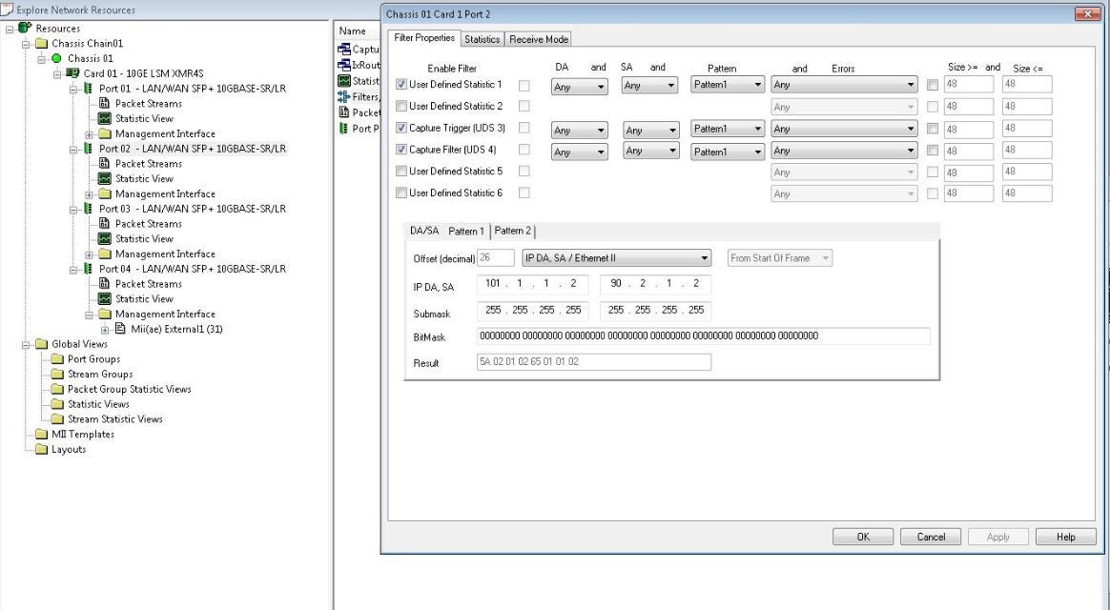
3 | 2015-03-24 | run ios 测试前，要先手动测试。
4 | 2015-03-24 | 配置Filter:
5 | 2015-03-25 | 放置好PRI后，应该先Copy Image进 bootdisk | 今天速度太慢，浪费1-2小时。
6 | 2015-03-30 | 发现ios_P2B_OPT_01_0317.conf中 port 配置错误！ 1.1 1.2；1.2 1.2

