04-07
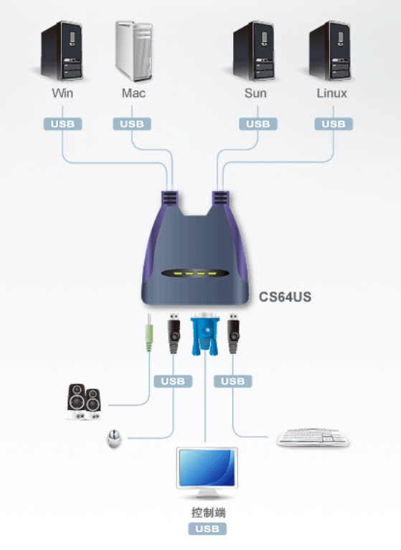
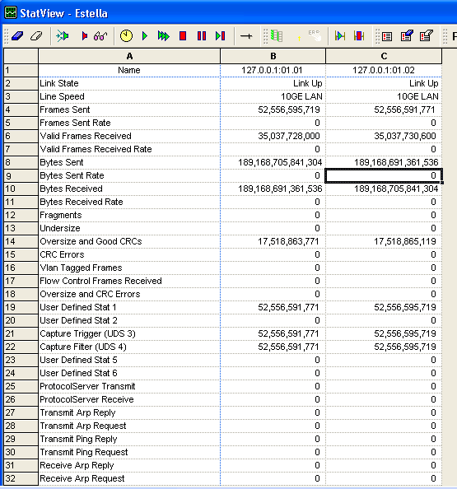
1 | Estella Env -Jim
 | high vol | Router#show int counters

 |  | Port InOctets InUcastPkts InMcastPkts InBcastPkts
 |  | Te3/5 181330390526104 52556595719 0 0
 |  | Te3/6 181334685493400 52556595719 0 0
 |  | Te3/7 181338980460696 52556595719 0 0
 |  | Te3/8 181338980460696 52556595719 0 0
 |  | Te3/9 181338980460696 52556595719 0 0
 |  | Te3/10 181338980460696 52556595719 0 0
 |  | Te3/11 181338980460696 52556595719 0 0
 |  | Te3/12 181343275427992 52556595719 0 0
 |  | Te3/13 181343260948224 52556591771 0 0
 |  | Te3/14 181343260948224 52556591771 0 0
 |  | Te3/15 181343260948224 52556591771 0 0
 |  | Te3/16 181343260948224 52556591771 0 0
 |  | Te3/17 181343260948224 52556591771 0 0
 |  | Te3/18 181343260948224 52556591771 0 0
 |  | Te3/19 181343260948224 52556591771 0 0
 |  | Te3/20 181338965980928 52556591771 0 0
 |  | Gi6/1 0 0 0 0
 |  | Gi6/2 0 0 0 0
 |  | Gi6/3 0 0 0 0
 |  | Te6/4 0 0 0 0
 |  | Te6/5 0 0 0 0

 |  | Port OutOctets OutUcastPkts OutMcastPkts OutBcastPkts
 |  | Te3/5 181343260948224 52556591771 0 0
 |  | Te3/6 181343260948224 52556591771 0 0
 |  | Te3/7 181343260948224 52556591771 0 0
 |  | Te3/8 181343260948224 52556591771 0 0
 |  | Te3/9 181343260948224 52556591771 0 0
 |  | Te3/10 181343260948224 52556591771 0 0
 |  | Te3/11 181343260948224 52556591771 0 0
 |  | Te3/12 181343260948224 52556591771 0 0
 |  | Te3/13 181334685493400 52556595719 0 0
 |  | Te3/14 181338980460696 52556595719 0 0
 |  | Te3/15 181338980460696 52556595719 0 0
 |  | Te3/16 181338980460696 52556595719 0 0
 |  | Te3/17 181338980460696 52556595719 0 0
 |  | Te3/18 181338980460696 52556595719 0 0
 |  | Te3/19 181343275427992 52556595719 0 0
 |  | Te3/20 181343275427992 52556595719 0 0
 |  | Gi6/1 0 0 0 0
 |  | Gi6/2 0 0 0 0
 |  | Gi6/3 0 0 0 0
 |  | Te6/4 0 0 0 0
 |  | Te6/5 0 0 0 0
 |  | Router#

1.1 | voltage -5 | Router#test environment vm get module 3 power-supply all
 |  | Power supply 1 : Voltage margin level is 0
 |  | Power supply 2 : Voltage margin level is 0
1.2 | 80小时的测试结果还是 vm = 0 | Power supply 3 : Voltage margin level is 0
 |  | Power supply 5 : Voltage margin level is 0
 |  | Power supply 6 : Voltage margin level is 0
 |  | Power supply 7 : Voltage margin level is 0
 |  | Power supply 8 : Voltage margin level is 0
 |  | Power supply 9 : Voltage margin level is 0
 |  | Power supply 10 : Voltage margin level is 0
 |  | Power supply 11 : Voltage margin level is 0
 |  | Power supply 12 : Voltage margin level is 0
 |  | Power supply 13 : Voltage margin level is 0
 |  | Power supply 14 : Voltage margin level is 0
 |  | Power supply 15 : Voltage margin level is 0
 |  | Power supply 16 : Voltage margin level is 0
 |  | Power supply 17 : Voltage margin level is 0
 |  | Power supply 18 : Voltage margin level is 0
 |  | Power supply 19 : Voltage margin level is 0
 |  | Power supply 20 : Voltage margin level is 0
 |  | Power supply 21 : Voltage margin level is 0
 |  | Power supply 22 : Voltage margin level is 0
 |  | Power supply 23 : Voltage margin level is 0
 |  | Power supply 24 : Voltage margin level is 0
 |  | Power supply 25 : Voltage margin level is 0
 |  | Power supply 26 : Voltage margin level is 0
 |  | Power supply 27 : Voltage margin level is 0
 |  | Power supply 28 : Voltage margin level is 0
 |  | Power supply 29 : Voltage margin level is 0

 |  | Router#
1.2 | Router#test environment vm set mod 3 power-supply all level -5
 |  | Router#test environment vm get mod 3 power-supply all
 |  | Power supply 1 : Voltage margin level is -5
 |  | Power supply 2 : Voltage margin level is -5
 |  | Power supply 3 : Voltage margin level is -5
 |  | Power supply 5 : Voltage margin level is -5
 |  | Power supply 6 : Voltage margin level is -5
 |  | Power supply 7 : Voltage margin level is -5
 |  | Power supply 8 : Voltage margin level is -5
 |  | Power supply 9 : Voltage margin level is -5
 |  | Power supply 10 : Voltage margin level is -5
 |  | Power supply 11 : Voltage margin level is -5
 |  | Power supply 12 : Voltage margin level is -5
 |  | Power supply 13 : Voltage margin level is -5
 |  | Power supply 14 : Voltage margin level is -5
 |  | Power supply 15 : Voltage margin level is -5
 |  | Power supply 16 : Voltage margin level is -5
 |  | Power supply 17 : Voltage margin level is -5
 |  | Power supply 18 : Voltage margin level is -5
 |  | Power supply 19 : Voltage margin level is -5
 |  | Power supply 20 : Voltage margin level is -5
 |  | Power supply 21 : Voltage margin level is -5
 |  | Power supply 22 : Voltage margin level is -5
 |  | Power supply 23 : Voltage margin level is -5
 |  | Power supply 24 : Voltage margin level is -5
 |  | Power supply 25 : Voltage margin level is -5
 |  | Power supply 26 : Voltage margin level is -5
 |  | Power supply 27 : Voltage margin level is -5
 |  | Power supply 28 : Voltage margin level is -5
 |  | Power supply 29 : Voltage margin level is -5

 |  | Router#

1.3

2 | write erase , then power off Router!

2.1 | Router(config)#ip route ?
 | A.B.C.D Destination prefix
 | profile Enable IP routing table profile
 | static Allow static routes
 | vrf Configure static route for a VPN Routing/Forwarding instance

2.2 | Router(config)#ip route vrf 101 ?
 | A.B.C.D Destination prefix
 | topology Configure static route for a Topology Routing/Forwarding instance

2.3 | Router(config)#ip route vrf 101 101.1.1.2 255.255.255.255 ?
 | A.B.C.D Forwarding router's address
 | Async Async interface
 | Auto-Template Auto-Template interface
 | BVI Bridge-Group Virtual Interface
 | CTunnel CTunnel interface
 | DHCP Default Gateway obtained from DHCP

3 | Jabber download position:
 | C:\Users\gaomwang\Documents\MyJabberFiles\shuzhou@cisco.com

4 | Vodka
 | Server IP | 10.74.88.26 | VodKa | cisco
 |  | Console Port | P-Num(网线上编号)
 | Chamber itself | 2002 | p0 |  | Console
 | Chamber Power Box | 2006 | p4 | power slot 1
 |  |  |  | power slot 2
 |  |  |  | power slot 3
 |  |  |  | power slot 4
 |  |  |  | power slot 5
 |  |  |  | power slot 6

 | Server IP: 10.74.88.26 | Console | P-Num | Power-Console | P-Num
 | P2B_PRI_09 | 2010 | p0 | 2004 | p2
 | P2B_PRI_02 | 2011 | p1 | 2007 | p5
 | P3A_ROD_02 | 2012 | p2 | 2009 | p7

5 | 多电脑共享一个显示器

04-08
1 | conf snake
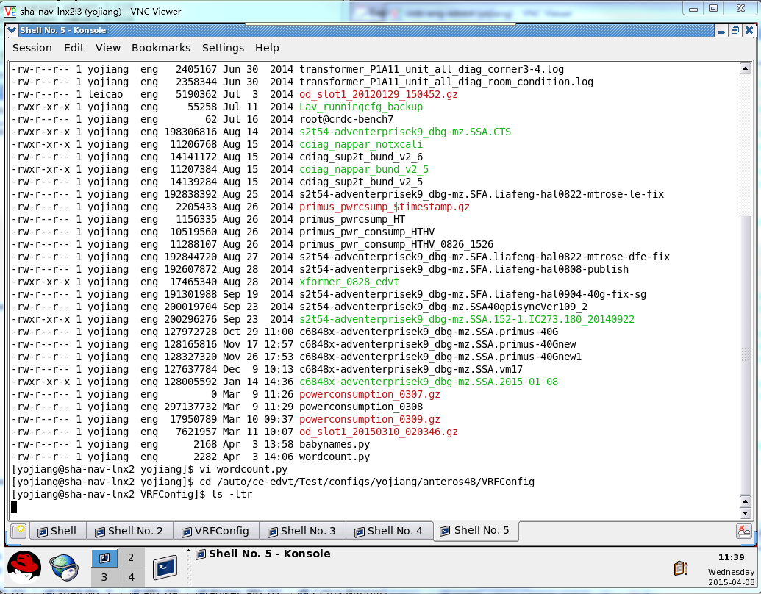

1.1 | 只能用这台虚拟机
1.2
Sup2T + Nappar @ slot 2
vm: | crdc-eng-edvt:3
session: | Cetus-Nappar-Sup2T
ixia: | 10.74.88.184

1.3 | nappar port1 | port 32
 | ixia port1 | port 2

 | nappar snake:
 | port2 -> port17

 | port3 -> port18

 | port4 -> port19
 | . |  |  |  | qqqqqqqqqqqqqqqqqqqqqqqqqqqq
 | .
 | .
 | .
 | port16 -> port31

1.4 | PRI 有no shutdown的问题
 | System image file is "bootdisk:c6848x-transformer_ios_0323"

2 | PRI
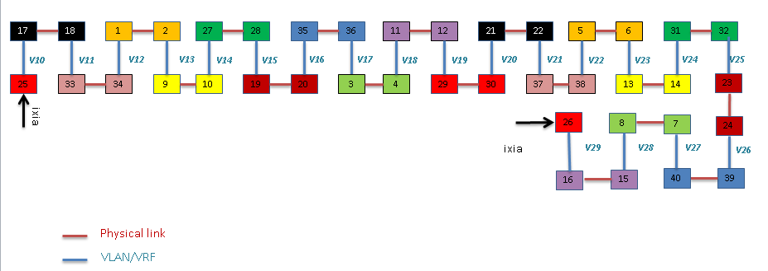
 | PRI-02 port25 | port 26
 | ixia port3 | port 4
 | -> represent physical link
 | PRI snake:
 | port1 -> port2

 | port3 -> port4
 | .
 | .
 | port23 -> port24

 | port27 -> port28
 | .
 | .
 | port39 -> port40

 | P2B-PRI-02 @ Vodka Chamber
 | vm: | crdc-eng-edvt:3
 | session: | PRI_02
 | ixia: | 10.74.88.184

3 | 静态 ARP 配置 | 脚本是这么干的
 | example:

4 | Jim | ixia | 10.74.88.211
 | Low vmarg | Router#show int counter |  | Router#
 | niu, OK! |  |  | Router#test environment vm get module 3 power-supply all
 |  | Port InOctets InUcastPkts InMcastPkts InBcastPkts |  | Power supply 1 : Voltage margin level is -5
 |  | Te3/5 68923874999680 19149067105 0 0 |  | Power supply 2 : Voltage margin level is -5
 |  | Te3/6 68923874999680 19149067105 0 0 |  | Power supply 3 : Voltage margin level is -5
 |  | Te3/7 68923874999680 19149067105 0 0 |  | Power supply 5 : Voltage margin level is -5
 |  | Te3/8 68923874999680 19149067105 0 0 |  | Power supply 6 : Voltage margin level is -5
 |  | Te3/9 68923874999680 19149067105 0 0 |  | Power supply 7 : Voltage margin level is -5
 |  | Te3/10 68923874999680 19149067105 0 0 |  | Power supply 8 : Voltage margin level is -5
 |  | Te3/11 68923874999680 19149067105 0 0 |  | Power supply 9 : Voltage margin level is -5
 |  | Te3/12 68923874999680 19149067105 0 0 |  | Power supply 10 : Voltage margin level is -5
 |  | Te3/13 68923869712794 19149065729 0 0 |  | Power supply 11 : Voltage margin level is -5
 |  | Te3/14 68923869712794 19149065729 0 0 |  | Power supply 12 : Voltage margin level is -5
 |  | Te3/15 68923869712794 19149065729 0 0 |  | Power supply 13 : Voltage margin level is -5
 |  | Te3/16 68923869712794 19149065729 0 0 |  | Power supply 14 : Voltage margin level is -5
 |  | Te3/17 68923869712794 19149065729 0 0 |  | Power supply 15 : Voltage margin level is -5
 |  | Te3/18 68923869712794 19149065729 0 0 |  | Power supply 16 : Voltage margin level is -5
 |  | Te3/19 68923869712794 19149065729 0 0 |  | Power supply 17 : Voltage margin level is -5
 |  | Te3/20 68923869712794 19149065729 0 0 |  | Power supply 18 : Voltage margin level is -5
 |  | Gi6/1 0 0 0 0 |  | Power supply 19 : Voltage margin level is -5
 |  | Gi6/2 0 0 0 0 |  | Power supply 20 : Voltage margin level is -5
 |  | Gi6/3 0 0 0 0 |  | Power supply 21 : Voltage margin level is -5
 |  | Te6/4 0 0 0 0 |  | Power supply 22 : Voltage margin level is -5
 |  | Te6/5 0 0 0 0 |  | Power supply 23 : Voltage margin level is -5
 |  |  |  | Power supply 24 : Voltage margin level is -5
 |  | Port OutOctets OutUcastPkts OutMcastPkts OutBcastPkts |  | Power supply 25 : Voltage margin level is -5
 |  | Te3/5 68923869712794 19149065729 0 0 |  | Power supply 26 : Voltage margin level is -5
 |  | Te3/6 68923869712794 19149065729 0 0 |  | Power supply 27 : Voltage margin level is -5
 |  | Te3/7 68923869712794 19149065729 0 0 |  | Power supply 28 : Voltage margin level is -5
 |  | Te3/8 68923869712794 19149065729 0 0 |  | Power supply 29 : Voltage margin level is -5
 |  | Te3/9 68923869712794 19149065729 0 0
 |  | Te3/10 68923869712794 19149065729 0 0
 |  | Te3/11 68923869712794 19149065729 0 0
 |  | Te3/12 68923869712794 19149065729 0 0
 |  | Te3/13 68923874999680 19149067105 0 0
 |  | Te3/14 68923874999680 19149067105 0 0
 |  | Te3/15 68923874999680 19149067105 0 0
 |  | Te3/16 68923874999680 19149067105 0 0
 |  | Te3/17 68923874999680 19149067105 0 0
 |  | Te3/18 68923874999680 19149067105 0 0
 |  | Te3/19 68923874999680 19149067105 0 0
 |  | Te3/20 68923874999680 19149067105 0 0
 |  | Gi6/1 0 0 0 0
 |  | Gi6/2 0 0 0 0
 |  | Gi6/3 0 0 0 0
 |  | Te6/4 0 0 0 0
 |  | Te6/5 0 0 0 0
 |  | Router#

4.1 | Router#test environment vm set mod 3 power-supply all level +5

 | 继续去跑 vmarg high.

04-09
1
1 | Vodka
 | Server IP | 10.74.88.26 | VodKa | cisco
 |  | Console Port | P-Num(网线上编号)
 | Chamber itself | 2002 | p0 |  | Console | P-Num
 | Chamber Power Box | 2006 | p4 | power slot 1
 |  |  |  | power slot 2
 |  |  |  | power slot 3
 |  |  |  | power slot 4
 |  |  |  | power slot 5
 |  |  |  | power slot 6

1.1 | Server IP: 10.74.88.26 | Console | P-Num | Power-Console | P-Num
 | P2B_PRI_09 | 2010 | p0 | 2004 | p2
 | P2B_PRI_02 | 2011 | p1 | 2007 | p5 | ixia:10.74.88.184
 | P3A_ROD_02 | 2012 | p2 | 2009 | p7

1.2 | 10.74.88.29 | Cetus | Console | Port-Num |  |  | IXIA IP:10.74.88.184
 | Slot1 | LC1 | NA | NA |  | IXIA | port 3 | port 4
 | Slot2 | Nappar | 2027 | p1 |  | Nappar | port 1 | port 17
 | Slot3 | Sup2T | 2026 | p0
 | Power | Chamber2:power slot 4 | 2052 | 52

1.3
 | Server IP: 10.74.88.26 | Console | P-Num | Power-Console | P-Num
 | P2B_PRI_09 | 2010 | p0 | 2004 | p2
 | P2B_TRA_02 | 2013 | p3 | 2005 | p3
 | P2B-PRI-03 | 2014 | p4 | 2004 | p2
 | IXIA IP:10.74.88.183

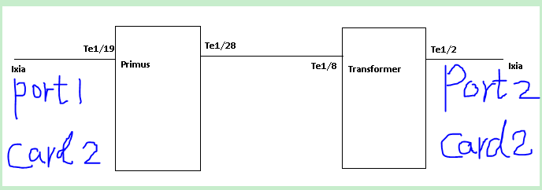

2 | P2B-TRA-02 FPGA
 | Technical Support: http://www.cisco.com/techsupport
 | Copyright (c) 1986-2015 by Cisco Systems, Inc.
 | Compiled Mon 23-Mar-15 13:27 by integ
 | Init 1 - Board_type : TRANSFORMER[32]
 | time_it : count_to_wait = -294967296
 | time_it : count_to_wait = -294967296Ginband FPGA Version: [0x00000217]
 | Ananke FPGA Version: [0x00000026]
 | Malfra_0 FPGA Version: [0x00000108]
 | Malfra_1 FPGA Version: [0x00000108]

2.1 | P2B-PRI-09 FPGA
 | time_it : count_to_wait = -294967296Ginband FPGA Version: [0x00000217]
 | Ananke FPGA Version: [0x00000026]
 | Malfra_0 FPGA Version: [0x00000108]
 | Malfra_1 FPGA Version: [0x00000108]
 | Callisto FPGA Version: [0x00000045] |  | /callisto_rev47_15031312_upg.rpd
 | Malfra_2 FPGA Version: [0x00000108]
 | Malfra_3 FPGA Version: [0x00000108]
 | Malfra_4 FPGA Version: [0x00000108]
 | Malfra_5 FPGA Version: [0x00000108]

2.2 | Router#sh diagnostic result switch all
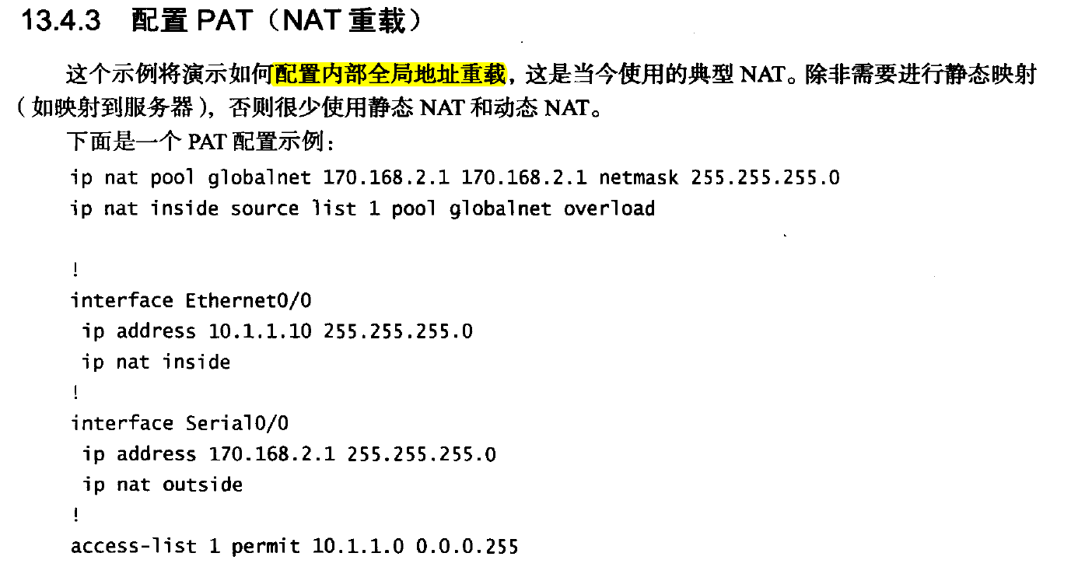
3 | P2B-PRI-03
 | Compiled Mon 23-Mar-15 13:27 by integ
 | Init 1 - Board_type : PRIMUS[35]
 | time_it : count_to_wait = -294967296
 | time_it : count_to_wait = -294967296
 | time_it : count_to_wait = -294967296
 | time_it : count_to_wait = -294967296
 | time_it : count_to_wait = -294967296
 | time_it : count_to_wait = -294967296Ginband FPGA Version: [0x00000217]
 | Ananke FPGA Version: [0x00000026]
 | Malfra_0 FPGA Version: [0x00000108]
 | Malfra_1 FPGA Version: [0x00000108]
 | Callisto FPGA Version: [0x00000045]
 | Malfra_2 FPGA Version: [0x00000108]
 | Malfra_3 FPGA Version: [0x00000108]
 | Malfra_4 FPGA Version: [0x00000108]
 | Malfra_5 FPGA Version: [0x00000108]

3 | NAT

4
IXIA | card2 | IXIA:10.74.88.184 | Card 2
 |  | port 3 | port 4
 |  | P1B-PRI-12 / Ten1/19 | P1B-TRA-10 / Ten1/2

 |  | P1B-PRI-12 / Ten1/19
 |  | P1B-TRA-10 / Ten1/2

5
 | IXIA IP:
 | 10.74.88.230

 | C6506 |  |  | Cetus
 | slot1 | Nappar |  | slot1 | Nappar
 | .. |  |  | ..
 | Slot6 | Sup2T |  | slot3 | Sup2T

 | C6506-Nappar-port1 | Cetus-Nappar-port1
 | IXIA port1 | C6506-Nappar-Port32
 | IXIA port2 | Cetus-Nappar-port32

 | C6506 | 10.74.88.29 |  | Cetus | 10.74.88.29
 | Console | 2043 |  | Console | 2026
 | Power-Console | 2036 |  | Power-Console | 2052 | power slot 4

 | VM is: | crdc-eng-edvt:1

 | 24530 200023844 -rw- s2t54-adventerprisek9_dbg-mz.SSA

04-10
1 | update test status

2 | sup6T | EDVT:3

 | sup | bootdisk:0409_s6tbund_intr82780

 | linecard | disk0:c2lc_v200_0213

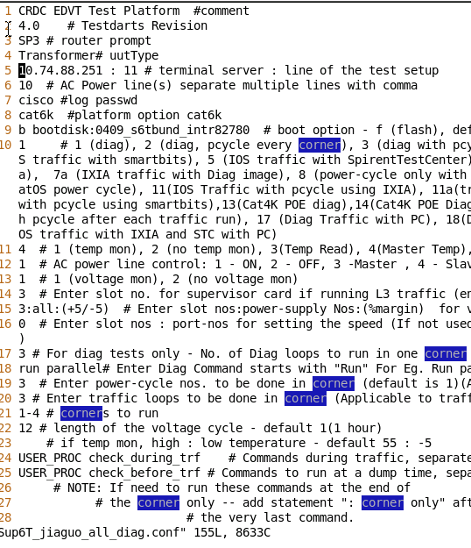
2.1 | ip 251?

3 | Nappar
 | IXIA IP:
 | 10.74.88.230

 | C6506 |  |  | Cetus
 | Sup-10-Port1 |  | 平行连接 | Sup-10-Port1
 | Sup-10-Port2 |  | 平行连接 | Sup-10-Port2
 | Slot6 | Sup2T |  | slot3 | Sup2T

 | C6506-Nappar-port1 | Cetus-Nappar-port1
 | IXIA port1 | C6506-Nappar-Port32
 | IXIA port2 | Cetus-Nappar-port32

 | C6506 | 10.74.88.29 |  | Cetus | 10.74.88.29
 | Console | 2043 |  | Console | 2026
 | Power-Console | 2036 |  | Power-Console | 2052 | power slot 4
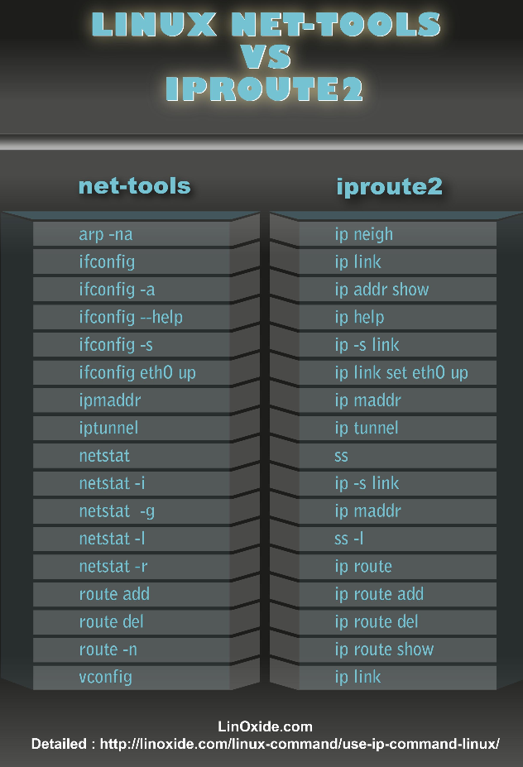

 | VM is: | crdc-eng-edvt:1

4 | python upgrade

5 | 1 个 xml 文件莫名的丢了

6 | P3A-TRA-01 的Chamber 调节成55C, P2B_OPT_02 的放在 -10 Chamber里（10.74.88.28）？

 | Label | Console | power console
6.1 | P2B-OPT-02 | 2047 | 2038 | power slot 4
 | server ip:10.74.88.28 |  |  | = kssr 4 on/off

7 | P3A_ROD_01
 | P3A_OPT_01
 | P3A_TRA_01

8 | Sup6T Run Fail Info: crdc-eng-edvt:3 session:Sup6T

 | P3A-PRI-02
 | P3A-PRI-01

9 | jim-estella
 | Router#sh interfaces counters errors

 | Port Align-Err FCS-Err Xmit-Err Rcv-Err UnderSize OutDiscards
 | Te3/5 0 0 0 408804 0 0
 | Te3/6 0 0 0 0 0 0
 | Te3/7 0 0 0 0 0 0
 | Te3/8 0 0 0 0 0 0
 | Te3/9 0 0 0 0 0 0
 | Te3/10 0 0 0 0 0 0
 | Te3/11 0 0 0 0 0 0
 | Te3/12 0 0 0 0 0 0
 | Te3/13 0 0 0 0 0 0
 | Te3/14 0 0 0 0 0 0
 | Te3/15 0 0 0 0 0 0
 | Te3/16 0 0 0 0 0 0
 | Te3/17 0 0 0 0 0 0
 | Te3/18 0 0 0 0 0 0
 | Te3/19 0 0 0 0 0 0
 | Te3/20 0 5 0 5 0 0
 | Gi6/1 0 0 0 0 0 0
 | Gi6/2 0 0 0 0 0 0
 | Gi6/3 0 0 0 0 0 0
 | Te6/4 0 0 0 0 0 0
 | Te6/5 0 0 0 0 0 0

 | Port Single-Col Multi-Col Late-Col Excess-Col Carri-Sen Runts Giants
 | Te3/5 0 0 0 0 0 0 5343006281
 | Te3/6 0 0 0 0 0 0 5342297384
 | Te3/7 0 0 0 0 0 0 5342252149
 | Te3/8 0 0 0 0 0 0 5342207741
 | Te3/9 0 0 0 0 0 0 5341927162
 | Te3/10 0 0 0 0 0 0 5341927162
 | Te3/11 0 0 0 0 0 0 5341923931
 | Te3/12 0 0 0 0 0 0 5341923931
 | Te3/13 0 0 0 0 0 0 5341923493
 | Te3/14 0 0 0 0 0 0 5341923493
 | Te3/15 0 0 0 0 0 0 5341923493
 | Te3/16 0 0 0 0 0 0 5341923493
 | Te3/17 0 0 0 0 0 0 5341923493
 | Te3/18 0 0 0 0 0 0 5342012709
 | Te3/19 0 0 0 0 0 0 5342012709
 | Te3/20 0 0 0 0 0 0 5342472660
 | Gi6/1 0 0 0 0 0 0 0
 | Gi6/2 0 0 0 0 0 0 0
 | Gi6/3 0 0 0 0 0 0 0
 | Te6/4 0 0 0 0 0 0 0
 | Te6/5 0 0 0 0 0 0 0

 | Port SQETest-Err Deferred-Tx IntMacTx-Err IntMacRx-Err Symbol-Err
 | Te3/5 0 0 0 0 0
 | Te3/6 0 0 0 0 0
 | Te3/7 0 0 0 0 0
 | Te3/8 0 0 0 0 0
 | Te3/9 0 0 0 0 0
 | Te3/10 0 0 0 0 0
 | Te3/11 0 0 0 0 0
 | Te3/12 0 0 0 0 0
 | Te3/13 0 0 0 0 0
 | Te3/14 0 0 0 0 0
 | Te3/15 0 0 0 0 0
 | Te3/16 0 0 0 0 0
 | Te3/17 0 0 0 0 0
 | Te3/18 0 0 0 0 0
 | Te3/19 0 0 0 0 0
 | Te3/20 0 0 0 0 5
 | Gi6/1 0 0 0 0 0
 | Gi6/2 0 0 0 0 0
 | Gi6/3 0 0 0 0 0
 | Te6/4 0 0 0 0 0
 | Te6/5 0 0 0 0 0
 | Router#
9.1 | test environment vm get module 3 power-supply all

Mistake
item | time | title | detail
犯错记录 | =now()
1 | 03-18 | 错用的QSFP 型号：QSFP-40G-SR4

2 | 03-19 | cetus_custom.exp忘记修改Line72, Line73;

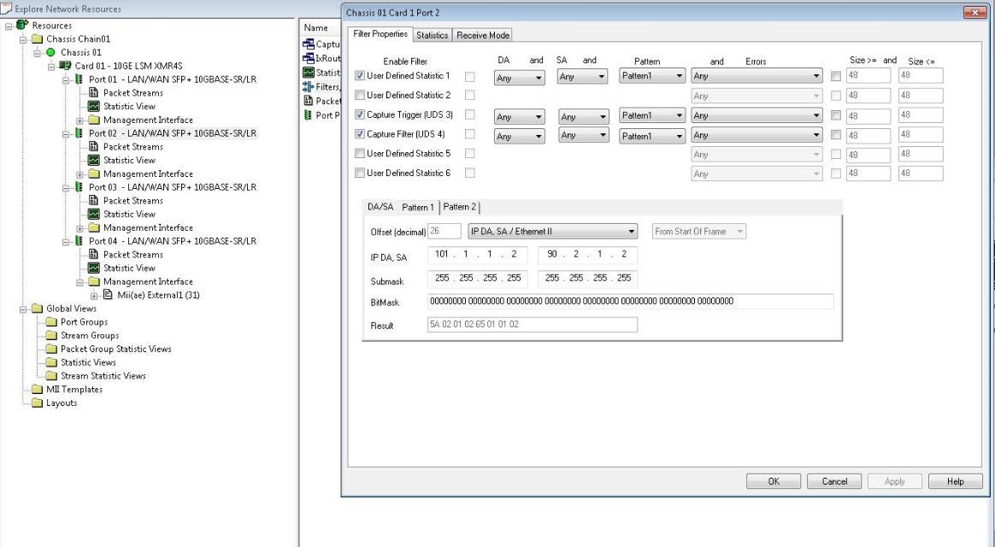
3 | 2015-03-24 | run ios 测试前，要先手动测试。
4 | 2015-03-24 | 配置Filter:
5 | 2015-03-25 | 放置好PRI后，应该先Copy Image进 bootdisk | 今天速度太慢，浪费1-2小时。
6 | 2015-03-30 | 发现ios_P2B_OPT_01_0317.conf中 port 配置错误！ 1.1 1.2；1.2 1.2

