03-30
1 | P2B_PRI_09
 | Router>en
 | Router#show int counters

 |  |  | 3个步骤：
 | a |  | 软件10G, 40G测试；记录各自丢包数，并截图。

 | b |  | 读Counters 并保存；然后清空Counters |  |  | b |  |  | Router>show int counters

 | c |  | set vmarg +5重新开始测试。 |  |  |  |  |  | Port InOctets InUcastPkts InMcastPkts InBcastPkts
 |  |  |  |  |  |  |  |  | Te1/1 11399977928555 8985200989 84 0
2 | Four Corners |  |  |  |  |  |  |  | Te1/2 11399981682458 8985200989 84 0
 |  |  |  |  |  |  |  |  | Te1/3 11399977928555 8985200989 84 0
 |  |  |  |  |  |  |  |  | Te1/4 11399981682458 8985200989 84 0
 |  |  |  |  |  |  |  |  | Te1/5 11399977928555 8985200989 84 0
 |  |  |  |  |  |  |  |  | Te1/6 11399981682458 8985200989 84 0
 |  |  |  |  |  |  |  |  | Te1/7 11399977928555 8985200989 84 0
 |  |  | port 1(10D-port25;40G-port41) |  |  | port 2(10G-port26;40G-port42) |  |  | Te1/8 11399981682458 8985200989 84 0
 |  |  | sent frame | receive frame | lost | sent frame | receive frame | lost | Te1/9 11399977928555 8985200989 84 0
Corner 1 | 55C/vm+5 | 10G Port | 25,919,921,037 | 25,919,921,032 | 5 | 25,919,921,037 | 25,919,921,032 | 5 | Te1/10 11399981682458 8985200989 84 0
 |  | 40G Port | 35183485511 | 35183485511 | 0 | 35191923823 | 35191923823 | 0 | Te1/11 11399977928555 8985200989 84 0
Corner 2 | 55C/vm-5 | 10G Port | 14,408,700,665 | 14,408,700,662 | 3 | 14,408,700,665 | 14,408,700,662 | 3 | Te1/12 11399981682458 8985200989 84 0
 |  | 40G Port | 22,170,980,323 | 22,170,980,323 | 0 | 22,175,754,100 | 22,175,754,100 | 0 | Te1/13 11399977928555 8985200989 84 0
Corner 3 | -5C/vm-5 | 10G Port | 11,101,534,907 | 11,101,534,905 | 2 | 11,101,534,907 | 11,101,534,905 | 2 | Te1/14 11399981682458 8985200989 84 0
 |  | 40G Port | 16,936,635,692 | 16,936,635,692 | 0 | 16,940,223,513 | 16,940,223,513 | 0 | Te1/15 11399977928555 8985200989 84 0
Corner 4 | -5C/vm-5 | 10G Port | 17,575,135,580 | 17,575,135,577 | 3 | 17,575,135,580 | 17,575,135,577 | 3 | Te1/16 11399981682458 8985200989 84 0
 |  | 40G Port | 27,140,713,946 | 27,140,713,946 | 0 | 27,146,589,276 | 27,146,589,276 | 0 | Te1/17 11399977928491 8985200988 84 0
 |  |  |  |  |  |  |  |  | Te1/18 11399981682394 8985200988 84 0
 |  |  |  |  |  |  |  |  | Te1/19 11399977928555 8985200989 84 0
3 | 00000004178F495C |  |  |  |  |  |  |  | Te1/20 11399981682458 8985200989 84 0
 | >>> print int('4178F495C', 16) |  |  |  |  |  |  |  | Te1/21 11399977928555 8985200989 84 0
 | 17575135580
 |  |  |  |  |  |  |  |  | Port InOctets InUcastPkts InMcastPkts InBcastPkts
 | Router#test platform firmware radian count print mac 25 25 |  |  |  |  |  |  |  | Te1/22 11399981682458 8985200989 84 0
 | Router#port_num[25] net_cntr_ptr[0x1792E618] |  |  |  |  |  |  |  | Te1/23 11399977928491 8985200988 84 0
 | RX MIB COUNTERS TX MIB COUNTERS |  |  |  |  |  |  |  | Te1/24 11399981682394 8985200988 84 0
 | frm_total_rcvd 00000004178F495C frm_total_xmt 00000004178F49B2 |  |  |  |  |  |  |  | Te1/25 11399981675590 8985200988 0 0
 | unicast_frm_rcvd 00000004178F495C unicast_frm_xmt 00000004178F495C |  |  |  |  |  |  |  | Te1/26 11399977921687 8985200988 0 0
 | broadcast_frm_rcvd 0000000000000000 broadcast_frm_xmt 0000000000000000 |  |  |  |  |  |  |  | Te1/27 11399977928555 8985200989 84 0
 | multicast_frm_rcvd 0000000000000000 multicast_frm_xmt 0000000000000056 |  |  |  |  |  |  |  | Te1/28 11399981682458 8985200989 84 0
 | flow_ctrl_frm_rcvd 0000000000000000 flow_ctrl_frm_xmt 0000000000000000 |  |  |  |  |  |  |  | Te1/29 11399977928555 8985200989 84 0
 | total_octs_rcvd 00001BC543A26C97 total_octs_xmt 00001BC543DBCF7C |  |  |  |  |  |  |  | Te1/30 11399981682458 8985200989 84 0
 | octs_rcvd 00001BC543A26C97 octs_xmt 00001BC543DBCF7C |  |  |  |  |  |  |  | Te1/31 11399977928555 8985200989 84 0
 | frm_64oct_rcvd 000000004D7F0F8D frm_64oct_xmt 000000004D7F0867 |  |  |  |  |  |  |  | Te1/32 11399981682458 8985200989 84 0
 | frm_65_to_127_octs_rcvd 0000000000A5316C frm_65_to_127_octs_xmt 0000000000A53632 |  |  |  |  |  |  |  | Te1/33 11399977928555 8985200989 84 0
 | frm_128_to_255_octs_rcvd 00000000014F9891 frm_128_to_255_octs_xmt 00000000014F81C2 |  |  |  |  |  |  |  | Te1/34 11399981682458 8985200989 84 0
 | frm_256_to_511_octs_rcvd 00000000029F2231 frm_256_to_511_octs_xmt 00000000029F17FE |  |  |  |  |  |  |  | Te1/35 11399977928555 8985200989 84 0
 | frm_511_to_1023_octs_rcvd 00000000053E4F43 frm_511_to_1023_octs_xmt 00000000053E703B |  |  |  |  |  |  |  | Te1/36 11399981682458 8985200989 84 0
 | frm_1024_to_1518_octs_rcvd 00000003920C6E9E frm_1024_to_1518_octs_xmt 00000003920C715E |  |  |  |  |  |  |  | Te1/37 11399977928555 8985200989 84 0
 | frm_1519_to_2047_octs_rcvd 0000000000000000 frm_1519_to_2047_octs_xmt 0000000000000000 |  |  |  |  |  |  |  | Te1/38 11399981682458 8985200989 84 0
 | frm_2048_to_4095_octs_rcvd 0000000000000000 frm_2048_to_4095_octs_xmt 0000000000000000 |  |  |  |  |  |  |  | Te1/39 11399977928555 8985200989 84 0
 | frm_4096_to_9216_octs_rcvd 000000002E318FC0 frm_4096_to_9216_octs_xmt 000000002E318FC0 |  |  |  |  |  |  |  | Te1/40 11399981682458 8985200989 84 0
 | frm_9217_to_16383_octs_rcvd 0000000000000000 frm_9217_to_16383_octs_xmt 0000000000000000 |  |  |  |  |  |  |  | Fo1/41 47343086074788 14255812082 0 0
 | frm_1024_to_max_octs_rcvd 0000000000000000 frm_1024_to_max_octs_xmt 0000000000000000 |  |  |  |  |  |  |  | Fo1/42 47343211107589 14261687412 0 0
 |  |  |  |  |  |  |  |  | mgmt0 8380613 72015 41139 30876
4 | 10.74.88.183
5 | USER_PROC check_before_trf # Commands to run at a dump time, separated by semi-colon |  |  |  |  |  |  |  | Port OutOctets OutUcastPkts OutMcastPkts OutBcastPkts
5.1 |  |  |  |  |  |  |  |  | Te1/1 11399981682458 8985200989 84 0
 | Router#sh ip int br |  |  |  |  |  |  |  | Te1/2 11399977928555 8985200989 84 0
 | Interface IP-Address OK? Method Status Protocol |  |  |  |  |  |  |  | Te1/3 11399981682458 8985200989 84 0
 | TenGigabitEthernet1/1 10.1.10.1 YES NVRAM up up |  |  |  |  |  |  |  | Te1/4 11399977928555 8985200989 84 0
 | TenGigabitEthernet1/2 10.1.10.2 YES NVRAM up up |  |  |  |  |  |  |  | Te1/5 11399981682458 8985200989 84 0
 | TenGigabitEthernet1/3 10.1.15.1 YES NVRAM up up |  |  |  |  |  |  |  | Te1/6 11399977928555 8985200989 84 0
 | TenGigabitEthernet1/4 10.1.15.2 YES NVRAM up up |  |  |  |  |  |  |  | Te1/7 11399981682458 8985200989 84 0
 | TenGigabitEthernet1/5 10.1.20.1 YES NVRAM up up |  |  |  |  |  |  |  | Te1/8 11399977928555 8985200989 84 0
 | TenGigabitEthernet1/6 10.1.20.2 YES NVRAM up up |  |  |  |  |  |  |  | Te1/9 11399981682458 8985200989 84 0
 | TenGigabitEthernet1/7 10.1.25.1 YES NVRAM up up |  |  |  |  |  |  |  | Te1/12 11399977928555 8985200989 84 0
 | TenGigabitEthernet1/10 10.1.11.2 YES NVRAM up up |  |  |  |  |  |  |  | Te1/13 11399981682458 8985200989 84 0
 | TenGigabitEthernet1/11 10.1.16.1 YES NVRAM up up |  |  |  |  |  |  |  | Te1/14 11399977928555 8985200989 84 0
 | TenGigabitEthernet1/12 10.1.16.2 YES NVRAM up up |  |  |  |  |  |  |  | Te1/15 11399981682458 8985200989 84 0
 | TenGigabitEthernet1/13 10.1.21.1 YES NVRAM up up |  |  |  |  |  |  |  | Te1/16 11399977928555 8985200989 84 0
 | TenGigabitEthernet1/14 10.1.21.2 YES NVRAM up up |  |  |  |  |  |  |  | Te1/17 11399981682394 8985200988 84 0
 | TenGigabitEthernet1/15 10.1.26.1 YES NVRAM up up |  |  |  |  |  |  |  | Te1/18 11399977928491 8985200988 84 0
 | TenGigabitEthernet1/16 10.1.26.2 YES NVRAM up up |  |  |  |  |  |  |  | Te1/19 11399981682458 8985200989 84 0
 | TenGigabitEthernet1/17 10.1.8.1 YES NVRAM up up |  |  |  |  |  |  |  | Te1/20 11399977928555 8985200989 84 0
 | TenGigabitEthernet1/18 10.1.8.2 YES NVRAM up up |  |  |  |  |  |  |  | Te1/21 11399981682458 8985200989 84 0
 | TenGigabitEthernet1/19 10.1.13.1 YES NVRAM up up |  |  |  |  |  |  |  | Te1/22 11399977928555 8985200989 84 0
 | TenGigabitEthernet1/20 10.1.13.2 YES NVRAM up up
 | TenGigabitEthernet1/21 10.1.18.1 YES NVRAM up up |  |  |  |  |  |  |  | Port OutOctets OutUcastPkts OutMcastPkts OutBcastPkts
 | TenGigabitEthernet1/22 10.1.18.2 YES NVRAM up up |  |  |  |  |  |  |  | Te1/23 11399981682394 8985200988 84 0
 | TenGigabitEthernet1/23 10.1.23.1 YES NVRAM up up |  |  |  |  |  |  |  | Te1/24 11399977928491 8985200988 84 0
 | TenGigabitEthernet1/24 10.1.23.2 YES NVRAM up up |  |  |  |  |  |  |  | Te1/25 11399977928491 8985200988 84 0
 | TenGigabitEthernet1/25 90.2.1.1 YES NVRAM up up |  |  |  |  |  |  |  | Te1/26 11399981682394 8985200988 84 0
 | TenGigabitEthernet1/26 101.1.1.1 YES NVRAM up up |  |  |  |  |  |  |  | Te1/27 11399981682458 8985200989 84 0
 | TenGigabitEthernet1/27 10.1.12.1 YES NVRAM up up |  |  |  |  |  |  |  | Te1/28 11399977928555 8985200989 84 0
 | TenGigabitEthernet1/28 10.1.12.2 YES NVRAM up up |  |  |  |  |  |  |  | Te1/29 11399981682458 8985200989 84 0
 | TenGigabitEthernet1/29 10.1.17.1 YES NVRAM up up |  |  |  |  |  |  |  | Te1/30 11399977928555 8985200989 84 0
 | TenGigabitEthernet1/30 10.1.17.2 YES NVRAM up up |  |  |  |  |  |  |  | Te1/31 11399981682458 8985200989 84 0
 | TenGigabitEthernet1/31 10.1.22.1 YES NVRAM up up |  |  |  |  |  |  |  | Te1/32 11399977928555 8985200989 84 0
 | TenGigabitEthernet1/32 10.1.22.2 YES NVRAM up up |  |  |  |  |  |  |  | Te1/33 11399981682458 8985200989 84 0
 | TenGigabitEthernet1/33 10.1.9.1 YES NVRAM up up |  |  |  |  |  |  |  | Te1/34 11399977928555 8985200989 84 0
 | TenGigabitEthernet1/34 10.1.9.2 YES NVRAM up up |  |  |  |  |  |  |  | Te1/35 11399981682458 8985200989 84 0
 | TenGigabitEthernet1/35 10.1.14.1 YES NVRAM up up |  |  |  |  |  |  |  | Te1/36 11399977928555 8985200989 84 0
 | TenGigabitEthernet1/36 10.1.14.2 YES NVRAM up up |  |  |  |  |  |  |  | Te1/37 11399981682458 8985200989 84 0
 | TenGigabitEthernet1/37 10.1.19.1 YES NVRAM up up |  |  |  |  |  |  |  | Te1/38 11399977928555 8985200989 84 0
 | TenGigabitEthernet1/38 10.1.19.2 YES NVRAM up up |  |  |  |  |  |  |  | Te1/39 11399981682458 8985200989 84 0
 | TenGigabitEthernet1/39 10.1.24.1 YES NVRAM up up |  |  |  |  |  |  |  | Te1/40 11399977928555 8985200989 84 0
 | TenGigabitEthernet1/40 10.1.24.2 YES NVRAM up up |  |  |  |  |  |  |  | Fo1/41 47343211114393 14261687412 84 0
 | Fo1/41 90.2.1.1 YES NVRAM up up |  |  |  |  |  |  |  | Fo1/42 47343086081592 14255812082 84 0
 | Fo1/42 101.1.1.1 YES NVRAM up up |  |  |  |  |  |  |  | mgmt0 422667 1027 1027 0
 | mgmt0 unassigned YES unset up up |  |  |  |  |  |  |  | Router>
 | Vlan1 unassigned YES NVRAM administratively down down |  |  |  |  |  |  |  | Router>
 | Router#

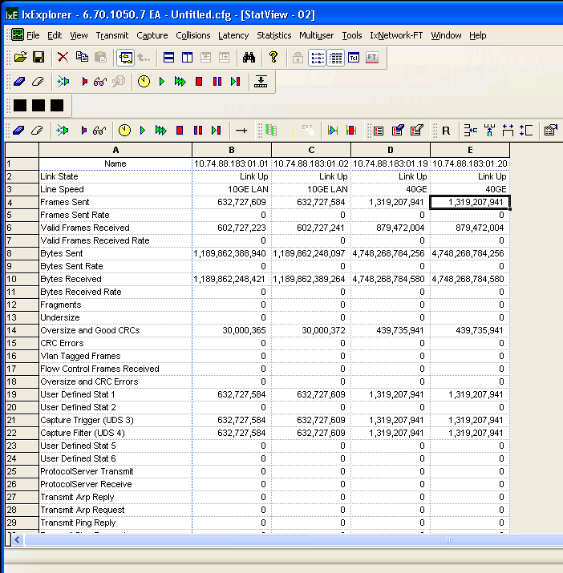
5.2

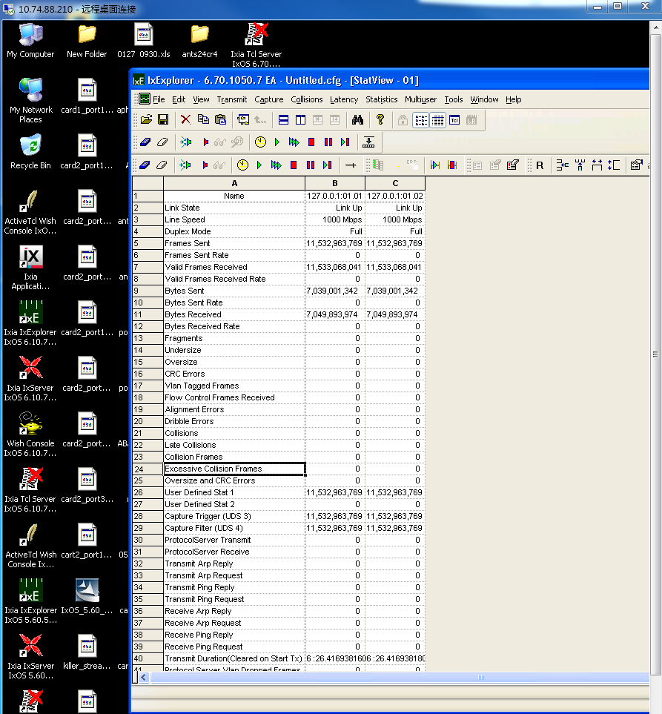
6 | S500

6.1 | Router#show int counters

 | Port InUcastPkts InMcastPkts InBcastPkts InOctets
 | ---------------- ------------ ------------ ------------ ------------
 | gi1/1/1 2943029177 0 0 175070390013
 | 42
 | gi1/1/2 2943029177 0 0 175070390013
 | 42
 | gi1/1/3 0 0 0 0

6.2 | Port OutUcastPkts OutMcastPkts OutBcastPkts OutOctets
 | ---------------- ------------ ------------ ------------ ------------
 | gi1/1/1 2943029177 91174 13145 175070498988
 | 85
 | gi1/1/2 2943029177 91174 13145 175070498988
 | 85

 | System>
 | System> ^Z[1]+ Stopped ${ODIAG_APP}
 | ~ #
 | ~ #
 | ~ # cd /mnt/
 | /mnt # ls -ltr
 | total 32
 | drwxr-xr-x 12 root root 12288 Jan 1 1970 disk0
 | drwxr-xr-x 2 root root 4096 Jan 1 1970 bootdisk
 | drwxr-xr-x 2 root root 16384 Jan 1 1970 _
 | /mnt # cd disk0:
 | -sh: cd: can't cd to disk0:
 | /mnt # cd disk0
 | /mnt/disk0 # ls -ltr
 | total 398024
 | -rwxr-xr-x 1 root root 18416 Dec 1 2006 GPL
 | -rwxr-xr-x 1 root root 8445 Sep 2 2008 EULA
 | -rwxr-xr-x 1 root root 8445 Dec 14 2010 eula.en_US

Mistake
item | time | title | detail
犯错记录 | =now()
1 | 03-18 | 错用的QSFP 型号：QSFP-40G-SR4

2 | 03-19 | cetus_custom.exp忘记修改Line72, Line73;

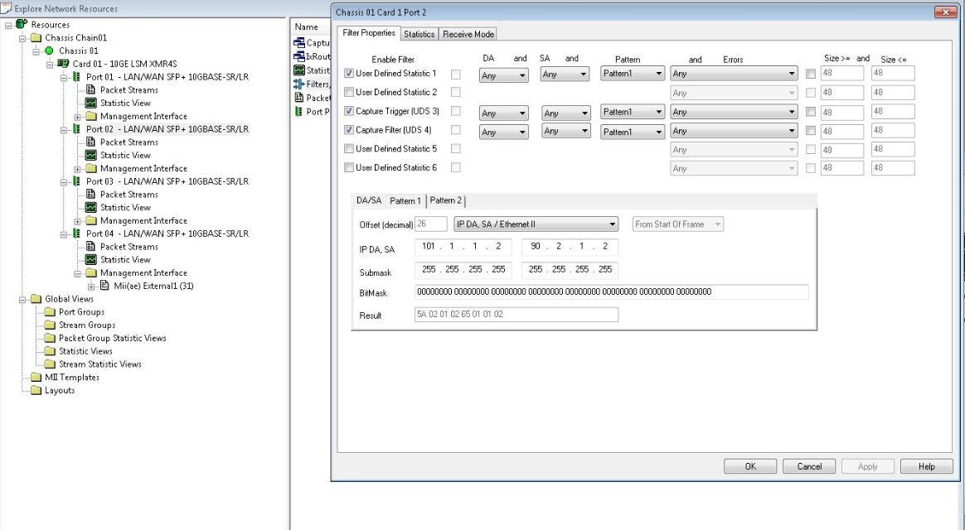
3 | 2015-03-24 | run ios 测试前，要先手动测试。
4 | 2015-03-24 | 配置Filter:
5 | 2015-03-25 | 放置好PRI后，应该先Copy Image进 bootdisk | 今天速度太慢，浪费1-2小时。
6 | 2015-03-30 | 发现ios_P2B_OPT_01_0317.conf中 port 配置错误！ 1.1 1.2；1.2 1.2

