04-07
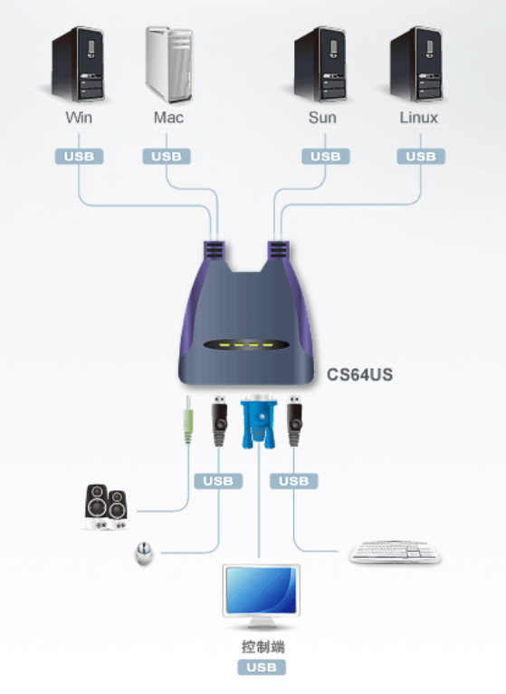
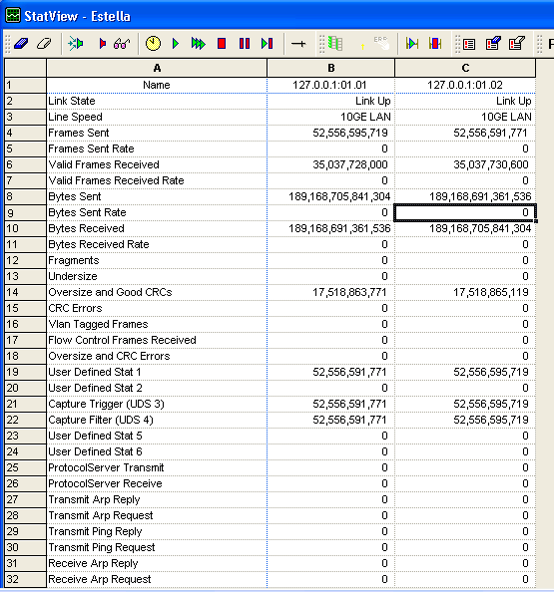
1 | Estella Env -Jim
 | high vol | Router#show int counters

 |  | Port InOctets InUcastPkts InMcastPkts InBcastPkts
 |  | Te3/5 181330390526104 52556595719 0 0
 |  | Te3/6 181334685493400 52556595719 0 0
 |  | Te3/7 181338980460696 52556595719 0 0
 |  | Te3/8 181338980460696 52556595719 0 0
 |  | Te3/9 181338980460696 52556595719 0 0
 |  | Te3/10 181338980460696 52556595719 0 0
 |  | Te3/11 181338980460696 52556595719 0 0
 |  | Te3/12 181343275427992 52556595719 0 0
 |  | Te3/13 181343260948224 52556591771 0 0
 |  | Te3/14 181343260948224 52556591771 0 0
 |  | Te3/15 181343260948224 52556591771 0 0
 |  | Te3/16 181343260948224 52556591771 0 0
 |  | Te3/17 181343260948224 52556591771 0 0
 |  | Te3/18 181343260948224 52556591771 0 0
 |  | Te3/19 181343260948224 52556591771 0 0
 |  | Te3/20 181338965980928 52556591771 0 0
 |  | Gi6/1 0 0 0 0
 |  | Gi6/2 0 0 0 0
 |  | Gi6/3 0 0 0 0
 |  | Te6/4 0 0 0 0
 |  | Te6/5 0 0 0 0

 |  | Port OutOctets OutUcastPkts OutMcastPkts OutBcastPkts
 |  | Te3/5 181343260948224 52556591771 0 0
 |  | Te3/6 181343260948224 52556591771 0 0
 |  | Te3/7 181343260948224 52556591771 0 0
 |  | Te3/8 181343260948224 52556591771 0 0
 |  | Te3/9 181343260948224 52556591771 0 0
 |  | Te3/10 181343260948224 52556591771 0 0
 |  | Te3/11 181343260948224 52556591771 0 0
 |  | Te3/12 181343260948224 52556591771 0 0
 |  | Te3/13 181334685493400 52556595719 0 0
 |  | Te3/14 181338980460696 52556595719 0 0
 |  | Te3/15 181338980460696 52556595719 0 0
 |  | Te3/16 181338980460696 52556595719 0 0
 |  | Te3/17 181338980460696 52556595719 0 0
 |  | Te3/18 181338980460696 52556595719 0 0
 |  | Te3/19 181343275427992 52556595719 0 0
 |  | Te3/20 181343275427992 52556595719 0 0
 |  | Gi6/1 0 0 0 0
 |  | Gi6/2 0 0 0 0
 |  | Gi6/3 0 0 0 0
 |  | Te6/4 0 0 0 0
 |  | Te6/5 0 0 0 0
 |  | Router#

1.1 | voltage -5 | Router#test environment vm get module 3 power-supply all
 |  | Power supply 1 : Voltage margin level is 0
 |  | Power supply 2 : Voltage margin level is 0
1.2 | 80小时的测试结果还是 vm = 0 | Power supply 3 : Voltage margin level is 0
 |  | Power supply 5 : Voltage margin level is 0
 |  | Power supply 6 : Voltage margin level is 0
 |  | Power supply 7 : Voltage margin level is 0
 |  | Power supply 8 : Voltage margin level is 0
 |  | Power supply 9 : Voltage margin level is 0
 |  | Power supply 10 : Voltage margin level is 0
 |  | Power supply 11 : Voltage margin level is 0
 |  | Power supply 12 : Voltage margin level is 0
 |  | Power supply 13 : Voltage margin level is 0
 |  | Power supply 14 : Voltage margin level is 0
 |  | Power supply 15 : Voltage margin level is 0
 |  | Power supply 16 : Voltage margin level is 0
 |  | Power supply 17 : Voltage margin level is 0
 |  | Power supply 18 : Voltage margin level is 0
 |  | Power supply 19 : Voltage margin level is 0
 |  | Power supply 20 : Voltage margin level is 0
 |  | Power supply 21 : Voltage margin level is 0
 |  | Power supply 22 : Voltage margin level is 0
 |  | Power supply 23 : Voltage margin level is 0
 |  | Power supply 24 : Voltage margin level is 0
 |  | Power supply 25 : Voltage margin level is 0
 |  | Power supply 26 : Voltage margin level is 0
 |  | Power supply 27 : Voltage margin level is 0
 |  | Power supply 28 : Voltage margin level is 0
 |  | Power supply 29 : Voltage margin level is 0

 |  | Router#
1.2 | Router#test environment vm set mod 3 power-supply all level -5
 |  | Router#test environment vm get mod 3 power-supply all
 |  | Power supply 1 : Voltage margin level is -5
 |  | Power supply 2 : Voltage margin level is -5
 |  | Power supply 3 : Voltage margin level is -5
 |  | Power supply 5 : Voltage margin level is -5
 |  | Power supply 6 : Voltage margin level is -5
 |  | Power supply 7 : Voltage margin level is -5
 |  | Power supply 8 : Voltage margin level is -5
 |  | Power supply 9 : Voltage margin level is -5
 |  | Power supply 10 : Voltage margin level is -5
 |  | Power supply 11 : Voltage margin level is -5
 |  | Power supply 12 : Voltage margin level is -5
 |  | Power supply 13 : Voltage margin level is -5
 |  | Power supply 14 : Voltage margin level is -5
 |  | Power supply 15 : Voltage margin level is -5
 |  | Power supply 16 : Voltage margin level is -5
 |  | Power supply 17 : Voltage margin level is -5
 |  | Power supply 18 : Voltage margin level is -5
 |  | Power supply 19 : Voltage margin level is -5
 |  | Power supply 20 : Voltage margin level is -5
 |  | Power supply 21 : Voltage margin level is -5
 |  | Power supply 22 : Voltage margin level is -5
 |  | Power supply 23 : Voltage margin level is -5
 |  | Power supply 24 : Voltage margin level is -5
 |  | Power supply 25 : Voltage margin level is -5
 |  | Power supply 26 : Voltage margin level is -5
 |  | Power supply 27 : Voltage margin level is -5
 |  | Power supply 28 : Voltage margin level is -5
 |  | Power supply 29 : Voltage margin level is -5

 |  | Router#

1.3

2 | write erase , then power off Router!

2.1 | Router(config)#ip route ?
 | A.B.C.D Destination prefix
 | profile Enable IP routing table profile
 | static Allow static routes
 | vrf Configure static route for a VPN Routing/Forwarding instance

2.2 | Router(config)#ip route vrf 101 ?
 | A.B.C.D Destination prefix
 | topology Configure static route for a Topology Routing/Forwarding instance

2.3 | Router(config)#ip route vrf 101 101.1.1.2 255.255.255.255 ?
 | A.B.C.D Forwarding router's address
 | Async Async interface
 | Auto-Template Auto-Template interface
 | BVI Bridge-Group Virtual Interface
 | CTunnel CTunnel interface
 | DHCP Default Gateway obtained from DHCP

3 | Jabber download position:
 | C:\Users\gaomwang\Documents\MyJabberFiles\shuzhou@cisco.com

4 | Vodka
 | Server IP | 10.74.88.26 | VodKa | cisco
 |  | Console Port | P-Num(网线上编号)
 | Chamber itself | 2002 | p0 |  | Console
 | Chamber Power Box | 2006 | p4 | power slot 1
 |  |  |  | power slot 2
 |  |  |  | power slot 3
 |  |  |  | power slot 4
 |  |  |  | power slot 5
 |  |  |  | power slot 6

 | Server IP: 10.74.88.26 | Console | P-Num | Power-Console | P-Num
 | P2B_PRI_09 | 2010 | p0 | 2004 | p2
 | P2B_PRI_02 | 2011 | p1 | 2007 | p5
 | P3A_ROD_02 | 2012 | p2 | 2009 | p7

5 | 多电脑共享一个显示器

04-08
1 | conf snake
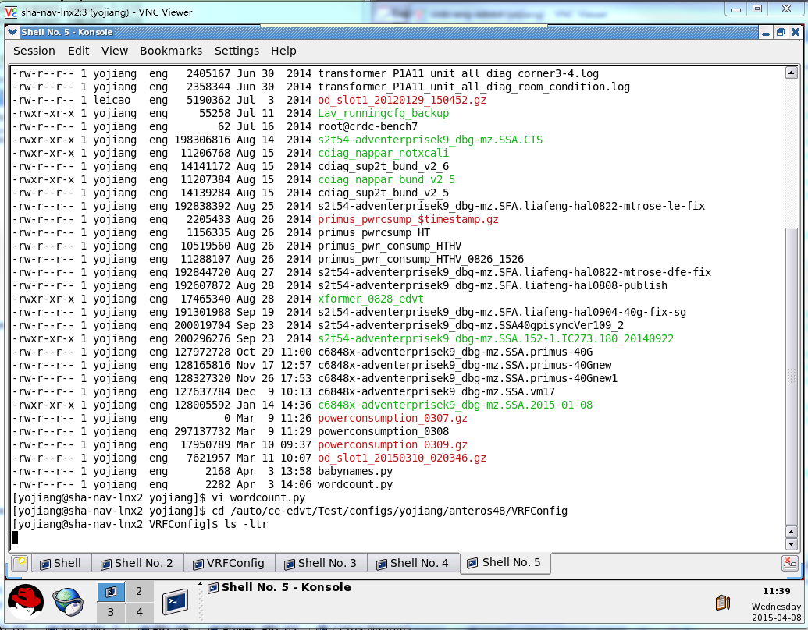

1.1 | 只能用这台虚拟机
1.2
Sup2T + Nappar @ slot 2
vm: | crdc-eng-edvt:3
session: | Cetus-Nappar-Sup2T
ixia: | 10.74.88.184

1.3 | nappar port1 | port 32
 | ixia port1 | port 2

 | nappar snake:
 | port2 -> port17

 | port3 -> port18

 | port4 -> port19
 | .
 | .
 | .
 | .
 | port16 -> port31

1.4 | PRI 有no shutdown的问题
 | System image file is "bootdisk:c6848x-transformer_ios_0323"

2 | PRI
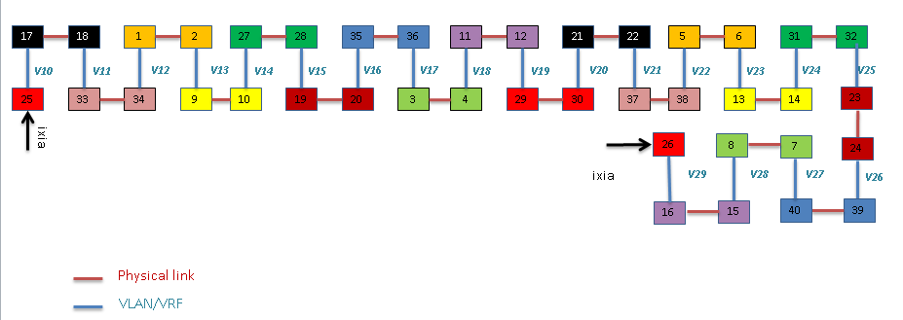
 | PRI-02 port25 | port 26
 | ixia port3 | port 4
 | -> represent physical link
 | PRI snake:
 | port1 -> port2

 | port3 -> port4
 | .
 | .
 | port23 -> port24

 | port27 -> port28
 | .
 | .
 | port39 -> port40

 | P2B-PRI-02 @ Vodka Chamber
 | vm: | crdc-eng-edvt:3
 | session: | PRI_02
 | ixia: | 10.74.88.184

3 | 静态 ARP 配置 | 脚本是这么干的
 | example:

4 | Jim | ixia | 10.74.88.211
 | Low vmarg | Router#show int counter |  | Router#
 | niu, OK! |  |  | Router#test environment vm get module 3 power-supply all
 |  | Port InOctets InUcastPkts InMcastPkts InBcastPkts |  | Power supply 1 : Voltage margin level is -5
 |  | Te3/5 68923874999680 19149067105 0 0 |  | Power supply 2 : Voltage margin level is -5
 |  | Te3/6 68923874999680 19149067105 0 0 |  | Power supply 3 : Voltage margin level is -5
 |  | Te3/7 68923874999680 19149067105 0 0 |  | Power supply 5 : Voltage margin level is -5
 |  | Te3/8 68923874999680 19149067105 0 0 |  | Power supply 6 : Voltage margin level is -5
 |  | Te3/9 68923874999680 19149067105 0 0 |  | Power supply 7 : Voltage margin level is -5
 |  | Te3/10 68923874999680 19149067105 0 0 |  | Power supply 8 : Voltage margin level is -5
 |  | Te3/11 68923874999680 19149067105 0 0 |  | Power supply 9 : Voltage margin level is -5
 |  | Te3/12 68923874999680 19149067105 0 0 |  | Power supply 10 : Voltage margin level is -5
 |  | Te3/13 68923869712794 19149065729 0 0 |  | Power supply 11 : Voltage margin level is -5
 |  | Te3/14 68923869712794 19149065729 0 0 |  | Power supply 12 : Voltage margin level is -5
 |  | Te3/15 68923869712794 19149065729 0 0 |  | Power supply 13 : Voltage margin level is -5
 |  | Te3/16 68923869712794 19149065729 0 0 |  | Power supply 14 : Voltage margin level is -5
 |  | Te3/17 68923869712794 19149065729 0 0 |  | Power supply 15 : Voltage margin level is -5
 |  | Te3/18 68923869712794 19149065729 0 0 |  | Power supply 16 : Voltage margin level is -5
 |  | Te3/19 68923869712794 19149065729 0 0 |  | Power supply 17 : Voltage margin level is -5
 |  | Te3/20 68923869712794 19149065729 0 0 |  | Power supply 18 : Voltage margin level is -5
 |  | Gi6/1 0 0 0 0 |  | Power supply 19 : Voltage margin level is -5
 |  | Gi6/2 0 0 0 0 |  | Power supply 20 : Voltage margin level is -5
 |  | Gi6/3 0 0 0 0 |  | Power supply 21 : Voltage margin level is -5
 |  | Te6/4 0 0 0 0 |  | Power supply 22 : Voltage margin level is -5
 |  | Te6/5 0 0 0 0 |  | Power supply 23 : Voltage margin level is -5
 |  |  |  | Power supply 24 : Voltage margin level is -5
 |  | Port OutOctets OutUcastPkts OutMcastPkts OutBcastPkts |  | Power supply 25 : Voltage margin level is -5
 |  | Te3/5 68923869712794 19149065729 0 0 |  | Power supply 26 : Voltage margin level is -5
 |  | Te3/6 68923869712794 19149065729 0 0 |  | Power supply 27 : Voltage margin level is -5
 |  | Te3/7 68923869712794 19149065729 0 0 |  | Power supply 28 : Voltage margin level is -5
 |  | Te3/8 68923869712794 19149065729 0 0 |  | Power supply 29 : Voltage margin level is -5
 |  | Te3/9 68923869712794 19149065729 0 0
 |  | Te3/10 68923869712794 19149065729 0 0
 |  | Te3/11 68923869712794 19149065729 0 0
 |  | Te3/12 68923869712794 19149065729 0 0
 |  | Te3/13 68923874999680 19149067105 0 0
 |  | Te3/14 68923874999680 19149067105 0 0
 |  | Te3/15 68923874999680 19149067105 0 0
 |  | Te3/16 68923874999680 19149067105 0 0
 |  | Te3/17 68923874999680 19149067105 0 0
 |  | Te3/18 68923874999680 19149067105 0 0
 |  | Te3/19 68923874999680 19149067105 0 0
 |  | Te3/20 68923874999680 19149067105 0 0
 |  | Gi6/1 0 0 0 0
 |  | Gi6/2 0 0 0 0
 |  | Gi6/3 0 0 0 0
 |  | Te6/4 0 0 0 0
 |  | Te6/5 0 0 0 0
 |  | Router#

4.1 | Router#test environment vm set mod 3 power-supply all level +5

 | 继续去跑 vmarg high.

04-01
1 | ios 文件boot 未成功！
 |  |  |  |  | System Bootstrap, Version 15.1(03) [P1B 2.6.1], DEVELOPMENT SOFTWARE
 |  |  |  |  | Copyright (c) 1994-2014 by cisco Systems, Inc.
1.1 | 还能否复现 ？ |  |  |  | Compiled Wed 12/10/2014 14:39:37.64 by sumuthuk

 |  |  |  |  | Current image running: Transformer Boot Rom : Upgradable Region

2 | set up Sup2T ios 环境 |  |  |  | Last reset cause: Power On, reset code 0x1

2.1 | Sup2T- IOS 起动文件 |  |  |  | Transformer platform with 4194304 Kbytes of main memory
 | 24530 200023844 -rw- s2t54-adventerprisek9_dbg-mz.SSA
 | Server IP: 10.74.88.29 |  |  |  | rommon 1 >
 | Cetus | Console | Port-Num |  | rommon 1 >
Slot1 | LC1 | NA | NA |  | rommon 1 >
Slot2 | Nappar | 2027 | p1 |  | sleep 30
Slot3 | Sup2T | 2026 | p0 |  | Loading image b bootdisk:c6848x-transformer_ios_0323
Power | Chamber2:power slot 4 | 2052 | 52

2.2 | IXIA IP:10.74.88.183 |  |  |  | sleep 720
IXIA | port 3 | port 4 |  |  | b bootdisk:c6848x-transformer_ios_0323
Nappar | port 1 | port 17 |  |  | #Booting c6848x-transformer_ios_0323 ...
 |  |  |  |  | ###########################################################################################################################################################################################################################################################################################################################################################################################################################################################################################################################################################################################################################################################################################################################################################################################################################################################################################################################################################################################################################################################################################################################################################################################################################################################################################################
3 | sha-nav-lnx2:3
 |  |  |  |  | *** Bypassing code signing check on the image ***
 | /auto/ce-edvt/Test/configs/yojiang/anteros48/VRFConfig
 |  |  |  |  | Self extracting the image... [OK]
2.3 | Router(config)#int ten2/1 |  | Router#config terminal
 | Router(config-if)#ip vrf forwarding vrf117 |  | Enter configuration commands, one per line. End with CNTL/Z. |  | Self decompressing the image : ######################################################################################################################################################################################################################################################################################################################################################################################################################################################################################################################################################### [OK]
 | Router(config-if)#!!!!!INGRESS!!!!! |  | Router(config)#ip vrf vrf117
 | Router(config-if)#ip address 2.1.2.1 255.255.0.0 |  | Router(config-vrf)#rd 2:101 |  | Restricted Rights Legend
 | Router(config-if)#mtu 9216 |  | Router(config-vrf)#route-target import 2:101
 | Router(config-if)#no cdp enable |  | Router(config-vrf)#route-target export 2:101 |  | Use, duplication, or disclosure by the Government is
 | Router(config-if)#no shutdown |  | Router(config-vrf)#end |  | subject to restrictions as set forth in subparagraph
 | Router(config-if)#mac-address 0.2.1 |  | Router#config terminal |  | (c) of the Commercial Computer Software - Restricted
 | Router(config-if)#int ten2/17 |  | Enter configuration commands, one per line. End with CNTL/Z. |  | Rights clause at FAR sec. 52.227-19 and subparagraph
 | Router(config-if)#ip vrf forwarding vrf117 |  | Router(config)#int ten2/1 |  | (c) (1) (ii) of the Rights in Technical Data and Computer
 | Router(config-if)#!!!!!EGRESS!!!!! |  | Router(config-if)#ip vrf forwarding vrf117 |  | Software clause at DFARS sec. 252.227-7013.
 | Router(config-if)#ip address 2.2.2.17 255.255.0.0 |  | Router(config-if)#!!!!!INGRESS!!!!!
 | Router(config-if)#mtu 9216 |  | Router(config-if)#ip address 2.1.2.1 255.255.0.0 |  | cisco Systems, Inc.
 | Router(config-if)#no cdp enable |  | Router(config-if)#mtu 9216 |  | 170 West Tasman Drive
 | Router(config-if)#no shutdown |  | Router(config-if)#no cdp enable |  | San Jose, California 95134-1706
 | Router(config-if)#mac-address 0.2.17 |  | Router(config-if)#no shutdown
 | Router(config-if)#ip route vrf vrf117 1.1.1.99 255.255.255.255 2.1.2.254 |  | Router(config-if)#mac-address 0.2.1
 | Router(config)#arp vrf vrf117 2.1.2.254 0.1.254 arpa |  | Router(config-if)#int ten2/17
 | Router(config)#ip route vrf vrf117 99.1.1.1 255.255.255.255 2.2.2.254 |  | Router(config-if)#ip vrf forwarding vrf117 |  | Cisco IOS Software, c6848x Software (c6848x-ADVENTERPRISEK9_DBG-M), Version 15.2(2)ID101.129, EARLY DEPLOYMENT ENGINEERING WEEKLY BUILD, synced to MTROSE_MK3PI_PRESYNC_150104
 | Router(config)#arp vrf vrf117 2.2.2.254 0.2.254 arpa |  | Router(config-if)#!!!!!EGRESS!!!!! |  | Technical Support: http://www.cisco.com/techsupport
 | Router(config)#end |  | Router(config-if)#ip address 2.2.2.17 255.255.0.0 |  | Copyright (c) 1986-2015 by Cisco Systems, Inc.
 |  |  | Router(config-if)#mtu 9216 |  | Compiled Mon 23-Mar-15 13:27 by integ
2.4 | Router#write erase |  | Router(config-if)#no cdp enable |  | Init 1 - Board_type : PRIMUS[35]
 | Erasing the nvram filesystem will remove all configuration files! Continue? [confirm] |  | Router(config-if)#no shutdown |  | time_it : count_to_wait = -294967296
 |  |  | Router(config-if)#mac-address 0.2.17 |  | time_it : count_to_wait = -294967296
2.5 | Router#term len 0 |  | Router(config-if)#ip route vrf vrf117 90.2.1.2 255.255.255.255 2.1.2.254 |  | time_it : count_to_wait = -294967296
 | Router#show version |  | Router(config)#arp vrf vrf117 2.1.2.254 0.1.254 arpa |  | time_it : count_to_wait = -294967296
 |  |  | Router(config)#ip route vrf vrf117 101.1.1.2 255.255.255.255 2.2.2.254 |  | time_it : count_to_wait = -294967296
2.6 | 25 set ix_src_ip 1.1.1.99 |  | Router(config)#arp vrf vrf117 2.2.2.254 0.2.254 arpa |  | time_it : count_to_wait = -294967296Ginband FPGA Version: [0x00000217]
 | 26 set ix_dst_ip 99.1.1.1 |  | Router(config)#end |  | Ananke FPGA Version: [0x00000026]
 | 27 set ix_src_mac 0.1.254 |  |  |  | Malfra_0 FPGA Version: [0x00000108]
 | 28 set ix_dst_mac 0.2.254 |  |  |  | Malfra_1 FPGA Version: [0x00000108]
 |  |  |  |  | Callisto FPGA Version: [0x00000045]
2.7 | TenGigabitEthernet2/17 is up, line protocol is up |  |  |  | Malfra_2 FPGA Version: [0x00000108]
 | Internet address is 2.2.2.17/16 |  |  |  | Malfra_3 FPGA Version: [0x00000108]
 | Broadcast address is 255.255.255.255 |  |  |  | Malfra_4 FPGA Version: [0x00000108]
 | Address determined by setup command |  |  |  | Malfra_5 FPGA Version: [0x00000108]

 | Router#show ip int |  |  |  | Firmware init 1 completed
 | TenGigabitEthernet2/1 is up, line protocol is up |  |  |  | ACT2 Library Version: 1.3.30
 | Internet address is 2.1.2.1/16 |  |  |  | Firmware init 2 completed
 | Broadcast address is 255.255.255.255 |  |  |  | This product contains cryptographic features and is subject to United
 | Address determined by setup command |  |  |  | States and local country laws governing import, export, transfer and
 | MTU is 9216 bytes |  |  |  | use. Delivery of Cisco cryptographic products does not imply
 |  |  |  |  | third-party authority to import, export, distribute or use encryption.
4 | Chamber 2 | Console | Power Slot |  | Importers, exporters, distributors and users are responsible for
 | P3A-PRI-02 | 2041 | slot 1 |  | compliance with U.S. and local country laws. By using this product you
 | P3A-PRI-01 | 2042 | slot 2 |  | agree to comply with applicable laws and regulations. If you are unable
 |  |  |  |  | to comply with U.S. and local laws, return this product immediately.

 |  |  |  |  | A summary of U.S. laws governing Cisco cryptographic products may be found at:
 |  |  |  |  | http://www.cisco.com/wwl/export/crypto/tool/stqrg.html

 |  |  |  |  | If you require further assistance please contact us by sending email to
 |  |  |  |  | export@cisco.com.

 |  |  |  |  | USB high speed device - Port:0
 |  |  |  |  | Cisco C6848-X-LE ( Intel(R) Pentium(R) CPU @ 2.00GHz ) processor (revision ) with 3141632K/262144K bytes of memory.
 |  |  |  |  | Processor board ID FDO190212J3
 | Chamber 3 | Console | Port-Num | Power | Processor signature 0xA9060300
5 | P3A_ROD_01 |  | p4 | slot 3 | Last reset from power-on
 | P3A_OPT_01 |  | p3 | slot 2 | 1 Virtual Ethernet interface
 | P3A_TRA_01 |  | p2 | slot 1 | 1 Gigabit Ethernet interface
 |  |  |  |  | 40 Ten Gigabit Ethernet interfaces
 |  |  |  |  | 2 Forty Gigabit Ethernet interfaces
6 | Jim Estella Env |  |  |  | 3448816K bytes of USB Flash disk0 (Read/Write)
 | IXIA ip:10.74.88.214 |  |  |  | 1966064K bytes of USB Flash bootdisk (Read/Write)
 | Server IP:10.74.88.231 | Console
 | Sup2T | 2013
 | LC3,4*40G | 2016
 | power case | 2002 |  |  | Press RETURN to get started!

 |  |  |  |  | Firmware compiled 16-Mar-15 15:08 by Build [0]

7 | show fpga version

 | P3A-PRI-02 |  | P3A-PRI-01 |  | P3A-OPT-01 | P3A-ROD-01
 | SP1>1% show fpga version |  | SP1>1% show fpga version |  | SP1>2% show fpga version | SP1>1% show fpga version | SP1>1% show fpga version
 | ===============================FPGA Summary List============================= |  | ===============================FPGA Summary List============================= |  | ===============================FPGA Summary List============================= | ===============================FPGA Summary List============================= | ===============================FPGA Summary List=============================
 | devname version description |  | devname version description |  | devname version description | devname version description | devname version description

 | Ginband FPGA [ 0x00000217 ] |  | Ginband FPGA [ 0x00000217 ] |  | Ginband FPGA [ 0x00000217 ] | Ginband FPGA [ 0x00000217 ] | Ginband FPGA [ 0x00000217 ]
 | Ginband FPGA [ 0x15021704 ] Build Date |  | Ginband FPGA [ 0x15021704 ] Build Date |  | Ginband FPGA [ 0x15021704 ] Build Date | Ginband FPGA [ 0x15021704 ] Build Date | Ginband FPGA [ 0x15021704 ] Build Date
 | Ananke FPGA [ 0x00000026 ] |  | Ananke FPGA [ 0x00000026 ] |  | Ananke FPGA [ 0x00000026 ] | Ananke FPGA [ 0x00000026 ] | Ananke FPGA [ 0x00000026 ]
 | Ananke FPGA [ 0x15020315 ] Build Date |  | Ananke FPGA [ 0x15020315 ] Build Date |  | Ananke FPGA [ 0x15020315 ] Build Date | Ananke FPGA [ 0x15020315 ] Build Date | Ananke FPGA [ 0x15020315 ] Build Date
 | Callisto FPGA [ 0x00000045 ] |  | Callisto FPGA [ 0x00000045 ] |  | Callisto FPGA [ 0x00000045 ] | Callisto FPGA [ 0x00000045 ] | Malfra_0 FPGA [ 0x00000108 ]
 | Callisto FPGA [ 0x15021110 ] Build Date |  | Callisto FPGA [ 0x15021110 ] Build Date |  | Callisto FPGA [ 0x15021110 ] Build Date | Callisto FPGA [ 0x15021110 ] Build Date | Malfra_1 FPGA [ 0x00000108 ]
 | Malfra_0 FPGA [ 0x00000108 ] |  | Malfra_0 FPGA [ 0x00000108 ] |  | Malfra_0 FPGA [ 0x00000108 ] | Malfra_0 FPGA [ 0x00000108 ] | ____________________________________________________________________________
 | Malfra_1 FPGA [ 0x00000108 ] |  | Malfra_1 FPGA [ 0x00000108 ] |  | Malfra_1 FPGA [ 0x00000108 ] | Malfra_1 FPGA [ 0x00000108 ] | SP1>2%
 | Malfra_2 FPGA [ 0x00000108 ] |  | Malfra_2 FPGA [ 0x00000108 ] |  | Malfra_2 FPGA [ 0x00000108 ] | Malfra_2 FPGA [ 0x00000108 ]
 | Malfra_3 FPGA [ 0x00000108 ] |  | Malfra_3 FPGA [ 0x00000108 ] |  | Malfra_3 FPGA [ 0x00000108 ] | Malfra_3 FPGA [ 0x00000108 ]
 | Malfra_4 FPGA [ 0x00000108 ] |  | Malfra_4 FPGA [ 0x00000108 ] |  | ____________________________________________________________________________ | ____________________________________________________________________________
 | Malfra_5 FPGA [ 0x00000108 ] |  | Malfra_5 FPGA [ 0x00000108 ] |  | SP1>3% | SP1>2%
 | ____________________________________________________________________________ |  | ____________________________________________________________________________
 | SP1>2% |  | SP1>2%

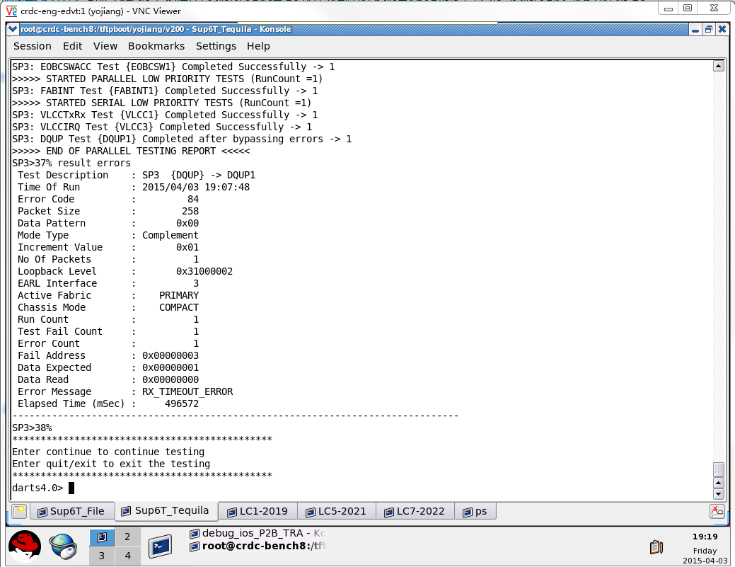
8

 |  |  |  |  | *Mar 31 03:18:21.043: %SYS-2-INTSCHED: 'sleep for' at level 2 -Process= "Init", ipl= 2, pid= 3
 |  |  |  |  | -Traceback= 20CA6C9z 5BB99B5z 3D185C6z 5AA5F0Bz 5CF3B9Cz 5CF3F26z 5CF3934z 5CF1C8Ez 5CE7FDCz 5CD41CFz 5CD3D55z 5AA4AD9z 3CDC63Cz 3CDC53Dz 3CDC48Az 20D9ABDz
 |  |  |  |  | *Mar 31 03:18:21.055: %SYS-2-INTSCHED: 'sleep for' at level 2 -Process= "Init", ipl= 2, pid= 3
 |  |  |  |  | -Traceback= 20CA6C9z 5BB99B5z 3D185C6z 5AA5F0Bz 5CF3CA4z 5CF3F26z 5CF3934z 5CF1C8Ez 5CE7FDCz 5CD41CFz 5CD3D55z 5AA4AD9z 3CDC63Cz 3CDC53Dz 3CDC48Az 20D9ABDz
 |  |  |  |  | *Mar 31 03:18:21.055: %SYS-2-INTSCHED: 'sleep for' at level 2 -Process= "Init", ipl= 2, pid= 3
 |  |  |  |  | -Traceback= 20CA6C9z 5BB99B5z 3D185C6z 5AA5F0Bz 5CF400Az 5CF3F56z 5CF3934z 5CF1C8Ez 5CE7FDCz 5CD41CFz 5CD3D55z 5AA4AD9z 3CDC63Cz 3CDC53Dz 3CDC48Az 20D9ABDz
 |  |  |  |  | *Mar 31 03:18:21.055: %SYS-2-INTSCHED: 'sleep for' at level 2 -Process= "Init", ipl= 2, pid= 3
 |  |  |  |  | -Traceback= 20CA6C9z 5BB99B5z 3D185C6z 5AA5F0Bz 5CF40EBz 5CF3F56z 5CF3934z 5CF1C8Ez 5CE7FDCz 5CD41CFz 5CD3D55z 5AA4AD9z 3CDC63Cz 3CDC53Dz 3CDC48Az 20D9ABDz
 |  |  |  |  | *Mar 31 03:18:21.055: %SYS-2-INTSCHED: 'sleep for' at level 2 -Process= "Init", ipl= 2, pid= 3
 |  |  |  |  | -Traceback= 20CA6C9z 5BB99B5z 3D185C6z 5AA5F0Bz 5CF40EBz 5CF3F56z 5CF3934z 5CF1C8Ez 5CE7FDCz 5CD41CFz 5CD3D55z 5AA4AD9z 3CDC63Cz 3CDC53Dz 3CDC48Az 20D9ABDz
 |  |  |  |  | *Mar 31 03:18:21.055: %SYS-2-INTSCHED: 'sleep for' at level 2 -Process= "Init", ipl= 2, pid= 3
 |  |  |  |  | -Traceback= 20CA6C9z 5BB99B5z 3D185C6z 5AA5F0Bz 5CF40EBz 5CF3F56z 5CF3934z 5CF1C8Ez 5CE7FDCz 5CD41CFz 5CD3D55z 5AA4AD9z 3CDC63Cz 3CDC53Dz 3CDC48Az 20D9ABDz
 |  |  |  |  | *Mar 31 03:18:21.055: %SYS-2-INTSCHED: 'sleep for' at level 2 -Process= "Init", ipl= 2, pid= 3
 |  |  |  |  | -Traceback= 20CA6C9z 5BB99B5z 3D185C6z 5AA5F0Bz 5CF40EBz 5CF3F56z 5CF3934z 5CF1C8Ez 5CE7FDCz 5CD41CFz 5CD3D55z 5AA4AD9z 3CDC63Cz 3CDC53Dz 3CDC48Az 20D9ABDz
 |  |  |  |  | *Mar 31 03:18:21.055: %SYS-2-INTSCHED: 'sleep for' at level 2 -Process= "Init", ipl= 2, pid= 3
 |  |  |  |  | -Traceback= 20CA6C9z 5BB99B5z 3D185C6z 5AA5F0Bz 5CF40EBz 5CF3F56z 5CF3934z 5CF1C8Ez 5CE7FDCz 5CD41CFz 5CD3D55z 5AA4AD9z 3CDC63Cz 3CDC53Dz 3CDC48Az 20D9ABDz
 |  |  |  |  | *Mar 31 03:18:21.055: %SYS-2-INTSCHED: 'sleep for' at level 2 -Process= "Init", ipl= 2, pid= 3
 |  |  |  |  | -Traceback= 20CA6C9z 5BB99B5z 3D185C6z 5AA5F0Bz 5CF40EBz 5CF3F56z 5CF3934z 5CF1C8Ez 5CE7FDCz 5CD41CFz 5CD3D55z 5AA4AD9z 3CDC63Cz 3CDC53Dz 3CDC48Az 20D9ABDz
 |  |  |  |  | *Mar 31 03:18:21.055: %SYS-2-INTSCHED: 'sleep for' at level 2 -Process= "Init", ipl= 2, pid= 3
 |  |  |  |  | -Traceback= 20CA6C9z 5BB99B5z 3D185C6z 5AA5F0Bz 5CF40EBz 5CF3F56z 5CF3934z 5CF1C8Ez 5CE7FDCz 5CD41CFz 5CD3D55z 5AA4AD9z 3CDC63Cz 3CDC53Dz 3CDC48Az 20D9ABDz
 |  |  |  |  | *Mar 31 03:18:21.055: %SYS-2-INTSCHED: 'sleep for' at level 2 -Process= "Init", ipl= 2, pid= 3
 |  |  |  |  | -Traceback= 20CA6C9z 5BB99B5z 3D185C6z 5AA5F0Bz 5CF40EBz 5CF3F56z 5CF3934z 5CF1C8Ez 5CE7FDCz 5CD41CFz 5CD3D55z 5AA4AD9z 3CDC63Cz 3CDC53Dz 3CDC48Az 20D9ABDz
 |  |  |  |  | *Mar 31 03:18:21.055: %SYS-2-INTSCHED: 'sleep for' at level 2 -Process= "Init", ipl= 2, pid= 3
 |  |  |  |  | -Traceback= 20CA6C9z 5BB99B5z 3D185C6z 5AA5F0Bz 5CF40EBz 5CF3F56z 5CF3934z 5CF1C8Ez 5CE7FDCz 5CD41CFz 5CD3D55z 5AA4AD9z 3CDC63Cz 3CDC53Dz 3CDC48Az 20D9ABDz
 |  |  |  |  | *Mar 31 03:18:21.055: %SYS-2-INTSCHED: 'sleep for' at level 2 -Process= "Init", ipl= 2, pid= 3
 |  |  |  |  | -Traceback= 20CA6C9z 5BB99B5z 3D185C6z 5AA5F0Bz 5CF40EBz 5CF3F56z 5CF3934z 5CF1C8Ez 5CE7FDCz 5CD41CFz 5CD3D55z 5AA4AD9z 3CDC63Cz 3CDC53Dz 3CDC48Az 20D9ABDz
 |  |  |  |  | *Mar 31 03:18:21.055: %SYS-2-INTSCHED: 'sleep for' at level 2 -Process= "Init", ipl= 2, pid= 3
 |  |  |  |  | -Traceback= 20CA6C9z 5BB99B5z 3D185C6z 5AA5F0Bz 5CF3B9Cz 5CF3A71z 5CF39E2z 5CF1C8Ez 5CE7FDCz 5CD41CFz 5CD3D55z 5AA4AD9z 3CDC63Cz 3CDC53Dz 3CDC48Az 20D9ABDz
 |  |  |  |  | *Mar 31 03:18:21.055: %SYS-2-INTSCHED: 'sleep for' at level 2 -Process= "Init", ipl= 2, pid= 3
 |  |  |  |  | -Traceback= 20CA6C9z 5BB99B5z 3D185C6z 5AA5F0Bz 5CF3B9Cz 5CF3A71z 5CF39E2z 5CF1C8Ez 5CE7FDCz 5CD41CFz 5CD3D55z 5AA4AD9z 3CDC63Cz 3CDC53Dz 3CDC48Az 20D9ABDz
 |  |  |  |  | *Mar 31 03:18:21.055: %SYS-2-INTSCHED: 'sleep for' at level 2 -Process= "Init", ipl= 2, pid= 3
 |  |  |  |  | -Traceback= 20CA6C9z 5BB99B5z 3D185C6z 5AA5F0Bz 5CF3B9Cz 5CF3A71z 5CF39E2z 5CF1C8Ez 5CE7FDCz 5CD41CFz 5CD3D55z 5AA4AD9z 3CDC63Cz 3CDC53Dz 3CDC48Az 20D9ABDz
 |  |  |  |  | *Mar 31 03:18:21.055: %SYS-2-INTSCHED: 'sleep for' at level 2 -Process= "Init", ipl= 2, pid= 3
 |  |  |  |  | -Traceback= 20CA6C9z 5BB99B5z 3D185C6z 5AA5F0Bz 5CF3B9Cz 5CF3A71z 5CF39E2z 5CF1C8Ez 5CE7FDCz 5CD41CFz 5CD3D55z 5AA4AD9z 3CDC63Cz 3CDC53Dz 3CDC48Az 20D9ABDz
 |  |  |  |  | *Mar 31 03:18:21.055: %SYS-2-INTSCHED: 'sleep for' at level 2 -Process= "Init", ipl= 2, pid= 3
 |  |  |  |  | -Traceback= 20CA6C9z 5BB99B5z 3D185C6z 5AA5F0Bz 5CF3B9Cz 5CF3A71z 5CF39E2z 5CF1C8Ez 5CE7FDCz 5CD41CFz 5CD3D55z 5AA4AD9z 3CDC63Cz 3CDC53Dz 3CDC48Az 20D9ABDz
 |  |  |  |  | *Mar 31 03:18:21.055: %SYS-2-INTSCHED: 'sleep for' at level 2 -Process= "Init", ipl= 2, pid= 3
 |  |  |  |  | -Traceback= 20CA6C9z 5BB99B5z 3D185C6z 5AA5F0Bz 5CF3B9Cz 5CF3A71z 5CF39E2z 5CF1C8Ez 5CE7FDCz 5CD41CFz 5CD3D55z 5AA4AD9z 3CDC63Cz 3CDC53Dz 3CDC48Az 20D9ABDz
 |  |  |  |  | *Mar 31 03:18:21.055: %SYS-2-INTSCHED: 'sleep for' at level 2 -Process= "Init", ipl= 2, pid= 3
 |  |  |  |  | -Traceback= 20CA6C9z 5BB99B5z 3D185C6z 5AA5F0Bz 5CF3B9Cz 5CF3A71z 5CF39E2z 5CF1C8Ez 5CE7FDCz 5CD41CFz 5CD3D55z 5AA4AD9z 3CDC63Cz 3CDC53Dz 3CDC48Az 20D9ABDz
 |  |  |  |  | *Mar 31 03:18:21.055: %SYS-2-INTSCHED: 'sleep for' at level 2 -Process= "Init", ipl= 2, pid= 3
 |  |  |  |  | -Traceback= 20CA6C9z 5BB99B5z 3D185C6z 5AA5F0Bz 5CF3B9Cz 5CF3A71z 5CF39E2z 5CF1C8Ez 5CE7FDCz 5CD41CFz 5CD3D55z 5AA4AD9z 3CDC63Cz 3CDC53Dz 3CDC48Az 20D9ABDz
 |  |  |  |  | *Mar 31 03:18:21.055: %SYS-2-INTSCHED: 'sleep for' at level 2 -Process= "Init", ipl= 2, pid= 3
 |  |  |  |  | -Traceback= 20CA6C9z 5BB99B5z 3D185C6z 5AA5F0Bz 5CF3B9Cz 5CF3A71z 5CF39E2z 5CF1C8Ez 5CE7FDCz 5CD41CFz 5CD3D55z 5AA4AD9z 3CDC63Cz 3CDC53Dz 3CDC48Az 20D9ABDz
8.1 | SP3: VLCCIRQ Test {VLCC3} Completed Successfully -> 1 |  |  |  | *Mar 31 03:18:21.055: %SYS-2-INTSCHED: 'sleep for' at level 2 -Process= "Init", ipl= 2, pid= 3
 | SP3: DQUP Test {DQUP1} Completed after bypassing errors -> 1 |  |  |  | -Traceback= 20CA6C9z 5BB99B5z 3D185C6z 5AA5F0Bz 5CF3B9Cz 5CF3A71z 5CF39E2z 5CF1C8Ez 5CE7FDCz 5CD41CFz 5CD3D55z 5AA4AD9z 3CDC63Cz 3CDC53Dz 3CDC48Az 20D9ABDz
 | >>>>> END OF PARALLEL TESTING REPORT <<<<< |  |  |  | *Mar 31 03:18:21.063: %SYS-2-INTSCHED: 'sleep for' at level 2 -Process= "Init", ipl= 2, pid= 3
 | SP3>37% result errors |  |  |  | -Traceback= 20CA6C9z 5BB99B5z 3D185C6z 5AA5F0Bz 5CF3CA4z 5CF3A71z 5CF39E2z 5CF1C8Ez 5CE7FDCz 5CD41CFz 5CD3D55z 5AA4AD9z 3CDC63Cz 3CDC53Dz 3CDC48Az 20D9ABDz
 | Test Description : SP3 {DQUP} -> DQUP1 |  |  |  | *Mar 31 03:18:21.919: %SYS-2-INTSCHED: 'sleep for' at level 2 -Process= "Init", ipl= 2, pid= 3
 | Time Of Run : 2015/04/03 19:07:48 |  |  |  | -Traceback= 20CA6C9z 5BB99B5z 3D185C6z 5AA5F0Bz 5CF3B9Cz 5CF3F26z 5CF3934z 5CF1C8Ez 5CE7FDCz 5CD41CFz 5CD3D55z 5AA4AD9z 3CDC63Cz 3CDC53Dz 3CDC48Az 20D9ABDz
 | Error Code : 84 |  |  |  | *Mar 31 03:18:21.927: %SYS-2-INTSCHED: 'sleep for' at level 2 -Process= "Init", ipl= 2, pid= 3
 | Packet Size : 258 |  |  |  | -Traceback= 20CA6C9z 5BB99B5z 3D185C6z 5AA5F0Bz 5CF3CA4z 5CF3F26z 5CF3934z 5CF1C8Ez 5CE7FDCz 5CD41CFz 5CD3D55z 5AA4AD9z 3CDC63Cz 3CDC53Dz 3CDC48Az 20D9ABDz
 | Data Pattern : 0x00 |  |  |  | *Mar 31 03:18:21.927: %SYS-2-INTSCHED: 'sleep for' at level 2 -Process= "Init", ipl= 2, pid= 3
 | Mode Type : Complement |  |  |  | -Traceback= 20CA6C9z 5BB99B5z 3D185C6z 5AA5F0Bz 5CF400Az 5CF3F56z 5CF3934z 5CF1C8Ez 5CE7FDCz 5CD41CFz 5CD3D55z 5AA4AD9z 3CDC63Cz 3CDC53Dz 3CDC48Az 20D9ABDz
 | Increment Value : 0x01 |  |  |  | *Mar 31 03:18:21.927: %SYS-2-INTSCHED: 'sleep for' at level 2 -Process= "Init", ipl= 2, pid= 3
 | No Of Packets : 1 |  |  |  | -Traceback= 20CA6C9z 5BB99B5z 3D185C6z 5AA5F0Bz 5CF40EBz 5CF3F56z 5CF3934z 5CF1C8Ez 5CE7FDCz 5CD41CFz 5CD3D55z 5AA4AD9z 3CDC63Cz 3CDC53Dz 3CDC48Az 20D9ABDz
 | Loopback Level : 0x31000002 |  |  |  | *Mar 31 03:18:21.927: %SYS-2-INTSCHED: 'sleep for' at level 2 -Process= "Init", ipl= 2, pid= 3
 | EARL Interface : 3 |  |  |  | -Traceback= 20CA6C9z 5BB99B5z 3D185C6z 5AA5F0Bz 5CF40EBz 5CF3F56z 5CF3934z 5CF1C8Ez 5CE7FDCz 5CD41CFz 5CD3D55z 5AA4AD9z 3CDC63Cz 3CDC53Dz 3CDC48Az 20D9ABDz
 | Active Fabric : PRIMARY |  |  |  | *Mar 31 03:18:21.927: %SYS-2-INTSCHED: 'sleep for' at level 2 -Process= "Init", ipl= 2, pid= 3
 | Chassis Mode : COMPACT |  |  |  | -Traceback= 20CA6C9z 5BB99B5z 3D185C6z 5AA5F0Bz 5CF40EBz 5CF3F56z 5CF3934z 5CF1C8Ez 5CE7FDCz 5CD41CFz 5CD3D55z 5AA4AD9z 3CDC63Cz 3CDC53Dz 3CDC48Az 20D9ABDz
 | Run Count : 1 |  |  |  | *Mar 31 03:18:21.927: %SYS-2-INTSCHED: 'sleep for' at level 2 -Process= "Init", ipl= 2, pid= 3
 | Test Fail Count : 1 |  |  |  | -Traceback= 20CA6C9z 5BB99B5z 3D185C6z 5AA5F0Bz 5CF40EBz 5CF3F56z 5CF3934z 5CF1C8Ez 5CE7FDCz 5CD41CFz 5CD3D55z 5AA4AD9z 3CDC63Cz 3CDC53Dz 3CDC48Az 20D9ABDz
 | Error Count : 1 |  |  |  | *Mar 31 03:18:21.927: %SYS-2-INTSCHED: 'sleep for' at level 2 -Process= "Init", ipl= 2, pid= 3
 | Fail Address : 0x00000003 |  |  |  | -Traceback= 20CA6C9z 5BB99B5z 3D185C6z 5AA5F0Bz 5CF40EBz 5CF3F56z 5CF3934z 5CF1C8Ez 5CE7FDCz 5CD41CFz 5CD3D55z 5AA4AD9z 3CDC63Cz 3CDC53Dz 3CDC48Az 20D9ABDz
 | Data Expected : 0x00000001 |  |  |  | *Mar 31 03:18:21.927: %SYS-2-INTSCHED: 'sleep for' at level 2 -Process= "Init", ipl= 2, pid= 3
 | Data Read : 0x00000000 |  |  |  | -Traceback= 20CA6C9z 5BB99B5z 3D185C6z 5AA5F0Bz 5CF40EBz 5CF3F56z 5CF3934z 5CF1C8Ez 5CE7FDCz 5CD41CFz 5CD3D55z 5AA4AD9z 3CDC63Cz 3CDC53Dz 3CDC48Az 20D9ABDz
 | Error Message : RX_TIMEOUT_ERROR |  |  |  | *Mar 31 03:18:21.927: %SYS-2-INTSCHED: 'sleep for' at level 2 -Process= "Init", ipl= 2, pid= 3
 | Elapsed Time (mSec) : 496572 |  |  |  | -Traceback= 20CA6C9z 5BB99B5z 3D185C6z 5AA5F0Bz 5CF40EBz 5CF3F56z 5CF3934z 5CF1C8Ez 5CE7FDCz 5CD41CFz 5CD3D55z 5AA4AD9z 3CDC63Cz 3CDC53Dz 3CDC48Az 20D9ABDz
 | ------------------------------------------------------------------------------- |  |  |  | *Mar 31 03:18:21.927: %SYS-2-INTSCHED: 'sleep for' at level 2 -Process= "Init", ipl= 2, pid= 3
 | SP3>38% |  |  |  | -Traceback= 20CA6C9z 5BB99B5z 3D185C6z 5AA5F0Bz 5CF40EBz 5CF3F56z 5CF3934z 5CF1C8Ez 5CE7FDCz 5CD41CFz 5CD3D55z 5AA4AD9z 3CDC63Cz 3CDC53Dz 3CDC48Az 20D9ABDz
 | ********************************************** |  |  |  | *Mar 31 03:18:21.927: %SYS-2-INTSCHED: 'sleep for' at level 2 -Process= "Init", ipl= 2, pid= 3
 | Enter continue to continue testing |  |  |  | -Traceback= 20CA6C9z 5BB99B5z 3D185C6z 5AA5F0Bz 5CF40EBz 5CF3F56z 5CF3934z 5CF1C8Ez 5CE7FDCz 5CD41CFz 5CD3D55z 5AA4AD9z 3CDC63Cz 3CDC53Dz 3CDC48Az 20D9ABDz
 | Enter quit/exit to exit the testing |  |  |  | *Mar 31 03:18:21.927: %SYS-2-INTSCHED: 'sleep for' at level 2 -Process= "Init", ipl= 2, pid= 3
 | ********************************************** |  |  |  | -Traceback= 20CA6C9z 5BB99B5z 3D185C6z 5AA5F0Bz 5CF40EBz 5CF3F56z 5CF3934z 5CF1C8Ez 5CE7FDCz 5CD41CFz 5CD3D55z 5AA4AD9z 3CDC63Cz 3CDC53Dz 3CDC48Az 20D9ABDz
 | darts4.0> |  |  |  | *Mar 31 03:18:21.927: %SYS-2-INTSCHED: 'sleep for' at level 2 -Process= "Init", ipl= 2, pid= 3
 |  |  |  |  | -Traceback= 20CA6C9z 5BB99B5z 3D185C6z 5AA5F0Bz 5CF3B9Cz 5CF3A71z 5CF39E2z 5CF1C8Ez 5CE7FDCz 5CD41CFz 5CD3D55z 5AA4AD9z 3CDC63Cz 3CDC53Dz 3CDC48Az 20D9ABDz
8.2 | crdc-eng-edvt:1 |  |  |  | *Mar 31 03:18:21.927: %SYS-2-INTSCHED: 'sleep for' at level 2 -Process= "Init", ipl= 2, pid= 3
 |  |  |  |  | -Traceback= 20CA6C9z 5BB99B5z 3D185C6z 5AA5F0Bz 5CF3B9Cz 5CF3A71z 5CF39E2z 5CF1C8Ez 5CE7FDCz 5CD41CFz 5CD3D55z 5AA4AD9z 3CDC63Cz 3CDC53Dz 3CDC48Az 20D9ABDz
 |  |  |  |  | *Mar 31 03:18:21.927: %SYS-2-INTSCHED: 'sleep for' at level 2 -Process= "Init", ipl= 2, pid= 3
 |  |  |  |  | -Traceback= 20CA6C9z 5BB99B5z 3D185C6z 5AA5F0Bz 5CF3B9Cz 5CF3A71z 5CF39E2z 5CF1C8Ez 5CE7FDCz 5CD41CFz 5CD3D55z 5AA4AD9z 3CDC63Cz 3CDC53Dz 3CDC48Az 20D9ABDz
 |  |  |  |  | *Mar 31 03:18:21.931: %SYS-2-INTSCHED: 'sleep for' at level 2 -Process= "Init", ipl= 2, pid= 3
 |  |  |  |  | -Traceback= 20CA6C9z 5BB99B5z 3D185C6z 5AA5F0Bz 5CF3B9Cz 5CF3A71z 5CF39E2z 5CF1C8Ez 5CE7FDCz 5CD41CFz 5CD3D55z 5AA4AD9z 3CDC63Cz 3CDC53Dz 3CDC48Az 20D9ABDz
 |  |  |  |  | *Mar 31 03:18:21.931: %SYS-2-INTSCHED: 'sleep for' at level 2 -Process= "Init", ipl= 2, pid= 3
 |  |  |  |  | -Traceback= 20CA6C9z 5BB99B5z 3D185C6z 5AA5F0Bz 5CF3B9Cz 5CF3A71z 5CF39E2z 5CF1C8Ez 5CE7FDCz 5CD41CFz 5CD3D55z 5AA4AD9z 3CDC63Cz 3CDC53Dz 3CDC48Az 20D9ABDz
 |  |  |  |  | *Mar 31 03:18:21.931: %SYS-2-INTSCHED: 'sleep for' at level 2 -Process= "Init", ipl= 2, pid= 3
 |  |  |  |  | -Traceback= 20CA6C9z 5BB99B5z 3D185C6z 5AA5F0Bz 5CF3B9Cz 5CF3A71z 5CF39E2z 5CF1C8Ez 5CE7FDCz 5CD41CFz 5CD3D55z 5AA4AD9z 3CDC63Cz 3CDC53Dz 3CDC48Az 20D9ABDz
 |  |  |  |  | *Mar 31 03:18:21.931: %SYS-2-INTSCHED: 'sleep for' at level 2 -Process= "Init", ipl= 2, pid= 3
 |  |  |  |  | -Traceback= 20CA6C9z 5BB99B5z 3D185C6z 5AA5F0Bz 5CF3B9Cz 5CF3A71z 5CF39E2z 5CF1C8Ez 5CE7FDCz 5CD41CFz 5CD3D55z 5AA4AD9z 3CDC63Cz 3CDC53Dz 3CDC48Az 20D9ABDz
 |  |  |  |  | *Mar 31 03:18:21.931: %SYS-2-INTSCHED: 'sleep for' at level 2 -Process= "Init", ipl= 2, pid= 3
 |  |  |  |  | -Traceback= 20CA6C9z 5BB99B5z 3D185C6z 5AA5F0Bz 5CF3B9Cz 5CF3A71z 5CF39E2z 5CF1C8Ez 5CE7FDCz 5CD41CFz 5CD3D55z 5AA4AD9z 3CDC63Cz 3CDC53Dz 3CDC48Az 20D9ABDz
 |  |  |  |  | *Mar 31 03:18:21.931: %SYS-2-INTSCHED: 'sleep for' at level 2 -Process= "Init", ipl= 2, pid= 3
 |  |  |  |  | -Traceback= 20CA6C9z 5BB99B5z 3D185C6z 5AA5F0Bz 5CF3B9Cz 5CF3A71z 5CF39E2z 5CF1C8Ez 5CE7FDCz 5CD41CFz 5CD3D55z 5AA4AD9z 3CDC63Cz 3CDC53Dz 3CDC48Az 20D9ABDz
 |  |  |  |  | *Mar 31 03:18:21.931: %SYS-2-INTSCHED: 'sleep for' at level 2 -Process= "Init", ipl= 2, pid= 3
 |  |  |  |  | -Traceback= 20CA6C9z 5BB99B5z 3D185C6z 5AA5F0Bz 5CF3B9Cz 5CF3A71z 5CF39E2z 5CF1C8Ez 5CE7FDCz 5CD41CFz 5CD3D55z 5AA4AD9z 3CDC63Cz 3CDC53Dz 3CDC48Az 20D9ABDz
 |  |  |  |  | *Mar 31 03:18:21.939: %SYS-2-INTSCHED: 'sleep for' at level 2 -Process= "Init", ipl= 2, pid= 3
 |  |  |  |  | -Traceback= 20CA6C9z 5BB99B5z 3D185C6z 5AA5F0Bz 5CF3CA4z 5CF3A71z 5CF39E2z 5CF1C8Ez 5CE7FDCz 5CD41CFz 5CD3D55z 5AA4AD9z 3CDC63Cz 3CDC53Dz 3CDC48Az 20D9ABDz
 |  |  |  |  | *Mar 31 03:18:47.223: %CRYPTO-0-SELF_TEST_FAILURE: Encryption self-test failed (IC2M Self Integrity Test Bypassed)
 |  |  |  |  | *Mar 31 03:18:47.319: %PFREDUN-6-ACTIVE: Initializing as ACTIVE processor for this switch

 |  |  |  |  | *Mar 31 03:18:49.243: %CPU_MONITOR-6-RECORRECT_TIMER_COUNT: Recurring Timer Count: 1
 |  |  |  |  | *Mar 31 03:19:04.435: %USBFLASH-5-CHANGE: disk0 has been inserted!
 |  |  |  |  | *Mar 31 03:19:04.435: %USBFLASH-5-CHANGE: disk0 Initialization in progress. Do not remove until initialization complete.
 |  |  |  |  | *Mar 31 03:19:04.455: %USBFLASH-5-CHANGE: disk0 Initialization complete.
 |  |  |  |  | *Mar 31 03:19:05.703: %USBFLASH-5-CHANGE: bootdisk has been inserted!
 |  |  |  |  | *Mar 31 03:19:21.319: %CNS IQ:0.1 ID:0 Changed:[Router]
 |  |  |  |  | *Mar 31 03:19:21.319: %CNS IQ:0.2 ID:1 Changed:[Router]
 |  |  |  |  | *Mar 31 03:19:21.319: %CNS IQ:0.3 ID:2 Changed:[Router]
 |  |  |  |  | *Mar 31 03:19:21.335: %C6K_PLATFORM-4-ENVMON: System shutdown due to temperature alarms is disabled.
 |  |  |  |  | *Mar 31 03:19:21.435: %SYS-5-CONFIG_I: Configured from memory by console
 |  |  |  |  | *Mar 31 03:19:21.531: %SYS-5-RESTART: System restarted --
 |  |  |  |  | Cisco IOS Software, c6848x Software (c6848x-ADVENTERPRISEK9_DBG-M), Version 15.2(2)ID101.129, EARLY DEPLOYMENT ENGINEERING WEEKLY BUILD, synced to MTROSE_MK3PI_PRESYNC_150104
 |  |  |  |  | Technical Support: http://www.cisco.com/techsupport
 |  |  |  |  | Copyright (c) 1986-2015 by Cisco Systems, Inc.
 |  |  |  |  | Compiled Mon 23-Mar-15 13:27 by integ
 |  |  |  |  | *Mar 31 03:19:23.031: %OIR-6-INSPS: Power supply inserted in slot 2
 |  |  |  |  | *Mar 31 03:19:23.039: %C6KPWR-4-PSOK: power supply 2 turned on.
 |  |  |  |  | *Mar 31 03:19:24.847: %OIR-6-INSFAN: Fan 1 insertedCONTROL_TRANSFER_TIMEOUT - Bulk Transfer
 |  |  |  |  | validblock_diagnose, code = 1

 |  |  |  |  | current memory block, bp = 0x1FE29FE0,
 |  |  |  |  | memorypool type is Processor
 |  |  |  |  | data check, ptr = 0x1FE2A008

 |  |  |  |  | next memory block, bp = 0x1FE2B00C,
 |  |  |  |  | memorypool type is Processor
 |  |  |  |  | data check, ptr = 0x1FE2B034

 |  |  |  |  | previous memory block, bp = 0x1FE29F74,
 |  |  |  |  | memorypool type is Processor
 |  |  |  |  | data check, ptr = 0x1FE29F9C
 |  |  |  |  | ========= Dump bp = 0x1FE29FE0 ======================

 |  |  |  |  | 1FE29EE0: F3C FAFA 200202 55134A79 0 78 AAA10100 0
 |  |  |  |  | 1FE29F00: F78 FAFA 200202 55134A79 0 79 AAA10100 0
 |  |  |  |  | 1FE29F20: FB4 FAFA 200202 55134A79 0 7A AAA10100 0
 |  |  |  |  | 1FE29F40: FF0 FAFA 200202 55134A79 0 7B AAA10100 0
 |  |  |  |  | 1FE29F60: 102C FAFA 200202 55134A79 FD0110DF AB1234CD 5C0000 5C
 |  |  |  |  | 1FE29F80: 7129008 541CA57 1FE29FE0 1FE28F5C 80000022 1 B0316F3D 0
 |  |  |  |  | 1FE29FA0: 10000 1FE2A008 4 1000 12 0 1000 1FE2A008
 |  |  |  |  | 1FE29FC0: 1FE2E1FC 1FE25D3C 1FE2F294 1FE28F04 0 0 1E8C077C FD0110DF
 |  |  |  |  | 1FE29FE0: AB1234CD 5C0000 5C 7129008 541CA71 1FE2B00C 1FE29F88 80000802
 |  |  |  |  | 1FE2A000: 1 35281F9B 4 18 400 8400 1234FEDC 2
 |  |  |  |  | 1FE2A020: 246C2FBA 0 7C AAA10100 0 1068 FAFA 200202
 |  |  |  |  | 1FE2A040: 55134A79 0 7D AAA10100 0 10A4 FAFA 200202
 |  |  |  |  | 1FE2A060: 55134A79 0 7E AAA10100 0 10E0 FAFA 200202
 |  |  |  |  | 1FE2A080: 55134A79 0 7F AAA10100 0 111C FAFA 200202
 |  |  |  |  | 1FE2A0A0: 55134A79 0 80 AAA10100 0 1158 FAFA 200202
 |  |  |  |  | 1FE2A0C0: 55134A79 0 81 AAA10100 0 1194 FAFA 200202
 |  |  |  |  | ========= Dump bp->next = 0x1FE2B00C ======================

 |  |  |  |  | 1FE2AF0C: FAFA 200202 55193FAC 0 F1 AAA10100 0 0
 |  |  |  |  | 1FE2AF2C: FAFA 200202 55193FAC 0 F2 AAA10100 0 5
 |  |  |  |  | 1FE2AF4C: FAFA 200202 55193FAC 0 F3 AAA10100 0 A
 |  |  |  |  | 1FE2AF6C: FAFA 200202 55193FAC 0 F4 AAA10100 0 F
 |  |  |  |  | 1FE2AF8C: FAFA 200202 55193FAC 0 F5 AAA10100 0 14
 |  |  |  |  | 1FE2AFAC: FAFA 200202 55193FAC 0 F6 AAA10100 0 19
 |  |  |  |  | 1FE2AFCC: FAFA 200202 55193FAC 0 F7 AAA10100 0 1E
 |  |  |  |  | 1FE2AFEC: FAFA 200202 55193FAC 0 F8 0 0 0
 |  |  |  |  | 1FE2B00C: 0 0 0 0 0 0 1FE29FF4 80000022
 |  |  |  |  | 1FE2B02C: 1 78EF0BD2 0 10000 1FE2B0A0 5 1000 22
 |  |  |  |  | 1FE2B04C: 0 1000 1FE2B0A0 1FE2F294 1FE26DD4 1FE0F4AC 1FE25D3C 0
 |  |  |  |  | 1FE2B06C: 0 1E8C0714 FD0110DF AB1234CD 5C0000 5C 7129008 541CA71
 |  |  |  |  | 1FE2B08C: 1FE2C0A4 1FE2B020 80000802 1 3A7398B6 8 8 400
 |  |  |  |  | 1FE2B0AC: 8400 1234FEDC 2 246C2F3A 23 FAFA 200202 55193FAC
 |  |  |  |  | 1FE2B0CC: 0 F9 AAA10100 0 28 FAFA 200202 55193FAC
 |  |  |  |  | 1FE2B0EC: 0 FA AAA10100 0 2D FAFA 200202 55193FAC
 |  |  |  |  | ========== Dump bp->previous = 0x1FE29F88 =====================

 |  |  |  |  | 1FE29E88: 200202 55134A79 0 75 AAA10100 0 EC4 FAFA
 |  |  |  |  | 1FE29EA8: 200202 55134A79 0 76 AAA10100 0 F00 FAFA
 |  |  |  |  | 1FE29EC8: 200202 55134A79 0 77 AAA10100 0 F3C FAFA
 |  |  |  |  | 1FE29EE8: 200202 55134A79 0 78 AAA10100 0 F78 FAFA
 |  |  |  |  | 1FE29F08: 200202 55134A79 0 79 AAA10100 0 FB4 FAFA
 |  |  |  |  | 1FE29F28: 200202 55134A79 0 7A AAA10100 0 FF0 FAFA
 |  |  |  |  | 1FE29F48: 200202 55134A79 0 7B AAA10100 0 102C FAFA
 |  |  |  |  | 1FE29F68: 200202 55134A79 FD0110DF AB1234CD 5C0000 5C 7129008 541CA57
 |  |  |  |  | 1FE29F88: 1FE29FE0 1FE28F5C 80000022 1 B0316F3D 0 10000 1FE2A008
 |  |  |  |  | 1FE29FA8: 4 1000 12 0 1000 1FE2A008 1FE2E1FC 1FE25D3C
 |  |  |  |  | 1FE29FC8: 1FE2F294 1FE28F04 0 0 1E8C077C FD0110DF AB1234CD 5C0000
 |  |  |  |  | 1FE29FE8: 5C 7129008 541CA71 1FE2B00C 1FE29F88 80000802 1 35281F9B
 |  |  |  |  | 1FE2A008: 4 18 400 8400 1234FEDC 2 246C2FBA 0
 |  |  |  |  | 1FE2A028: 7C AAA10100 0 1068 FAFA 200202 55134A79 0
 |  |  |  |  | 1FE2A048: 7D AAA10100 0 10A4 FAFA 200202 55134A79 0
 |  |  |  |  | 1FE2A068: 7E AAA10100 0 10E0 FAFA 200202 55134A79 0
 |  |  |  |  | ============================================

 |  |  |  |  | %Software-forced reload

 |  |  |  |  | 03:19:55 UTC Tue Mar 31 2015: Overflow or abort Exception: : vector 4, PC = 0x4973DB5

 |  |  |  |  | -Traceback= 4973DB5 5BBF141 3D0DE07 3D11EE5 3D1124D

 |  |  |  |  | Preempted contexts:

 |  |  |  |  | CPU Register Context:
 |  |  |  |  | EAX = 0x00000000 ECX = 0x18E1AD14 EDX = 0x14ADE11C EBX = 0x00000000
 |  |  |  |  | ESP = 0x0FAE9BE0 EBP = 0x0FAE9BE0 ESI = 0x0ECB5760 EDI = 0xE09FE21F
 |  |  |  |  | EIP = 0x04973DB5 PS = 0x00000246 CS = 0x00000008 SS = 0x00000010
 |  |  |  |  | DS = 0x00000010 ES = 0x00000010 FS = 0x00000010 GS = 0x00000010
 |  |  |  |  | File bootdisk:crashinfo_20150331-031955-UTC open failed (-1): I/O Error on read
 |  |  |  |  | Free space check for disk0:crashinfo_20150331-031955-UTC failed (0/32768)
 |  |  |  |  | File bootdisk:crashinfo_20150331-031955-UTC open failed (-1): I/O Error on read

 |  |  |  |  | *Mar 31 03:19:52.063: %SYS-3-CPUHOG: Task is running for (2000)msecs, more than (2000)msecs (4/0),process = Check heaps.
 |  |  |  |  | -Traceback= 0x496DA3Fz 0x496DA3Fz 0x496DB4Dz 0x496D04Ez 0xB4C116z 0xB4D9A2z 0xB4D1D7z 0x3D0D5CDz 0x3D0DDC9z 0x3D11EE5z 0x3D1124Dz 0x3D11142z
 |  |  |  |  | *Mar 31 03:19:54.075: %SYS-3-CPUHOG: Task is running for (4000)msecs, more than (2000)msecs (7/0),process = Check heaps.
 |  |  |  |  | -Traceback= 0x496DA3Fz 0x496DA3Fz 0x496DB4Dz 0x496D04Ez 0xB4C116z 0xB4E777z 0xB4D1D7z 0x3D0D7CCz 0x3D0D620z 0x3D0DDC9z 0x3D11EE5z 0x3D1124Dz 0x3D11142z
 |  |  |  |  | *Mar 31 03:19:55.271: %SYS-3-OVERRUN: Block overrun at 1FE29FE0 (red zone 00000000)
 |  |  |  |  | -Traceback= 20CA6C9z 3D0DDF1z 3D11EE5z 3D1124Dz 3D11142z
 |  |  |  |  | *Mar 31 03:19:55.271: %SYS-6-MTRACE: mallocfree: addr, pc
 |  |  |  |  | 21B78564,2085067 21B78564,3000002A 219E3C34,2085035 219E3C34,40000296
 |  |  |  |  | 219E37F8,208500F 219E37F8,4000020A 1A95C198,36DE0C3 1A95C198,36DE04F
 |  |  |  |  | *Mar 31 03:19:55.271: %SYS-6-MTRACE: mallocfree: addr, pc
 |  |  |  |  | 1A95C198,300000DA 13D9F85C,2084CDB 13D9FC98,2084CD5 1A85EDA4,2084CDB
 |  |  |  |  | 1A85F1E0,2084CD5 1A85F780,2084CDB 1A85FBBC,2084CD5 10B73A74,5FA5F16
 |  |  |  |  | *Mar 31 03:19:55.271: %SYS-6-BLKINFO: Corrupted redzone blk 1FE29FE0, words 2050, alloc 541CA71, InUse, dealloc 18, rfcnt 1
 |  |  |  |  | -Traceback= 20CA6C9z 3CFD2C0z 3D0DE00z 3D11EE5z 3D1124Dz 3D11142z
 |  |  |  |  | *Mar 31 03:19:55.271: %SYS-6-MEMDUMP: 0x1FE29FE0: 0xAB1234CD 0x5C0000 0x5C 0x7129008
 |  |  |  |  | *Mar 31 03:19:55.271: %SYS-6-MEMDUMP: 0x1FE29FF0: 0x541CA71 0x1FE2B00C 0x1FE29F88 0x80000802
 |  |  |  |  | *Mar 31 03:19:55.271: %SYS-6-MEMDUMP: 0x1FE2A000: 0x1 0x35281F9B 0x0 0x0
 |  |  |  |  | *Mar 31 03:19:55.303: %SCHED-2-SEMNOTLOCKED: Check heaps attempted to unlock an unlocked semaphore
 |  |  |  |  | -Traceback= 20CA6C9z 3D1BB2Ez 3CFFC74z 3CF5FACz 54164C2z 5407C60z 5408368z 54082DAz 5414B03z 4F4BDFAz 25508D0z 254C814z 20BB028z 20B860Az 20B8F48z 20B8B6Ez
 |  |  |  |  | *Mar 31 03:19:55.303: %SYS-2-MALLOCFAIL: Memory allocation of 65536 bytes failed from 0x541CB15, alignment 0
 |  |  |  |  | Pool: Exception Free: 56260 Cause: Not enough free memory
 |  |  |  |  | Alternate Pool: None Free: 0 Cause: No Alternate pool
 |  |  |  |  | -Process= "Check heaps", ipl= 5, pid= 10
 |  |  |  |  | -Traceback= 20CA6C9z 3CFD3D3z 3CF60FCz 541CB15z 541C346z 54164E2z 5407C60z 5408368z 54082DAz 5414B03z 4F4BDFAz 25508D0z 254C814z 20BB028z 20B860Az 20B8F48z
 |  |  |  |  | *Mar 31 03:19:55.303: %SYS-2-CFORKMEM: Process creation of Async write process failed (no memory). -Process= "Check heaps", ipl= 5, pid= 10
 |  |  |  |  | -Traceback= 20CA6C9z 3D1E2ADz 3D1DDE9z 541D54Ez 541C9F1z 541C346z 54164E2z 5407F3Fz 540838Bz 54082DAz 5414B03z 4F4BDFAz 25508D0z 254C814z 20BB028z 20B860AzCONTROL_TRANSFER_TIMEOUT - Bulk Transfer

Mistake
item | time | title | detail
犯错记录 | =now()
1 | 03-18 | 错用的QSFP 型号：QSFP-40G-SR4

2 | 03-19 | cetus_custom.exp忘记修改Line72, Line73;

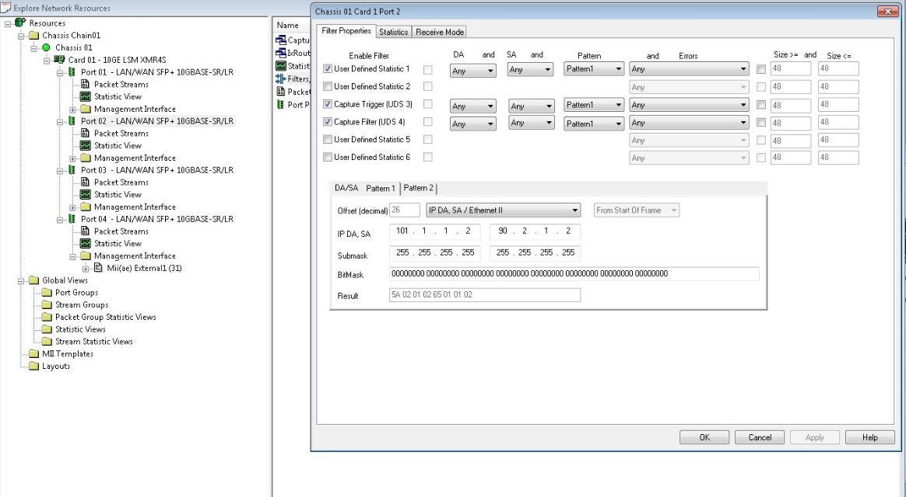
3 | 2015-03-24 | run ios 测试前，要先手动测试。
4 | 2015-03-24 | 配置Filter:
5 | 2015-03-25 | 放置好PRI后，应该先Copy Image进 bootdisk | 今天速度太慢，浪费1-2小时。
6 | 2015-03-30 | 发现ios_P2B_OPT_01_0317.conf中 port 配置错误！ 1.1 1.2；1.2 1.2

